Hardware_Selection
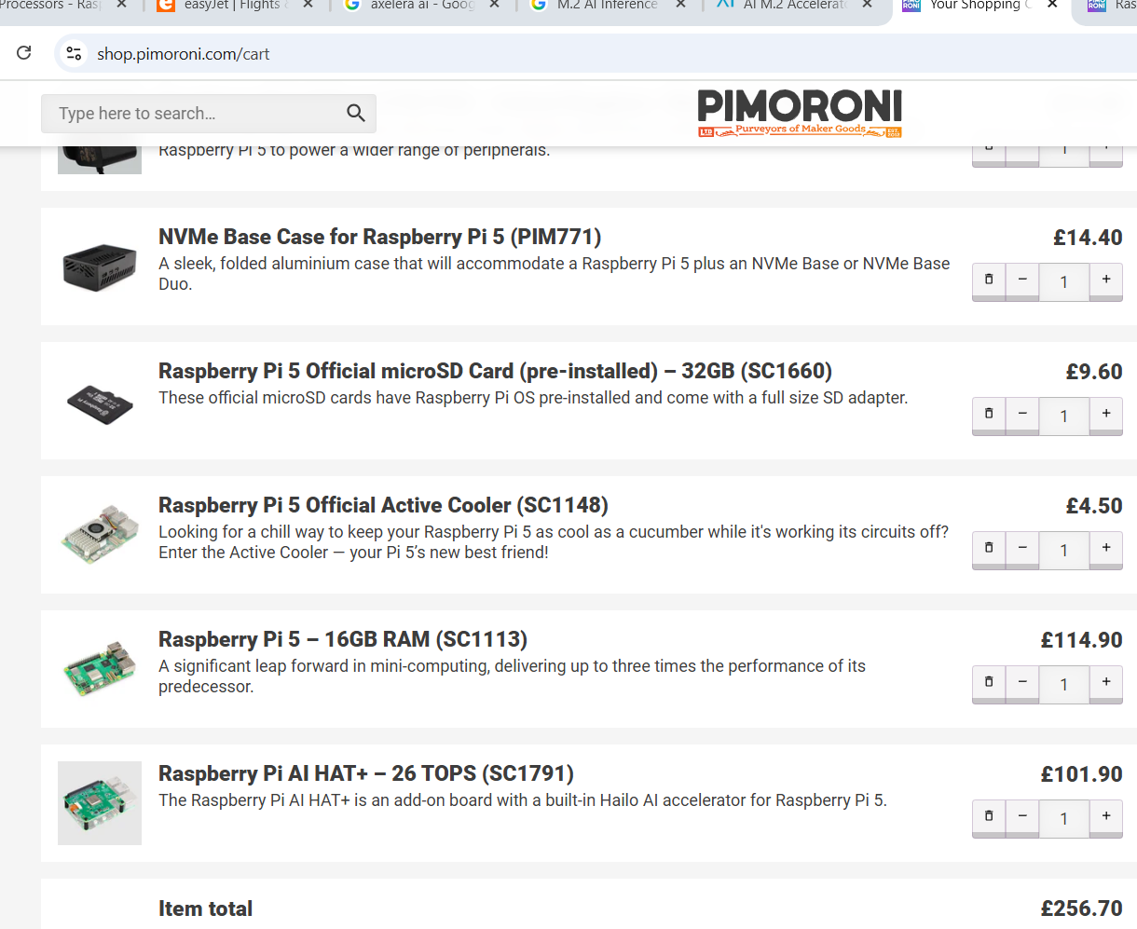
Hardware selection | Price | Description | Reason | Link
Raspberry Pi 5 | £62.99 /8GB | Gigabit Ethernet with PoE+ support
Raspberry Pi 5 | £97.74/16GB | Bluetooth 5.0 / Bluetooth Low Energy (BLE) |  | https://www.rapidonline.com/raspberry-pi-5-2gb-4gb-8gb-and-16gb-64-bit-quad-core-single-board-computers-589267
 |  | 5V/5A DC power via USB-C, with Power Delivery support
 |  | MicroSD card slot with support for high-speed SDR104
 |  | Dual 4Kp60 HDMI® display output with HDR support
 |  | Paired USB 2.0 and 3.0 ports
 |  | PCIe 2.0 x1 interface for fast peripherals
 |  | Dual 4-lane MIPI camera and display transceivers
 |  | Real-time clock (RTC), powered by an external battery
 |  | Raspberry Pi standard 40-pin header

CART LINK
 | AI Hailo HAT + Rasp 5 | 120£ | time taking | https://shop.pimoroni.com/products/raspberry-pi-ai-hat?variant=53502122852731 | 26 TOPS
 | Adaopter | 14 £ |  | https://shop.pimoroni.com/products/raspberry-pi-27w-usb-c-power-supply?variant=41120791232595
 | Axelera | 202+17 £ delevery | Easly available | https://store.axelera.ai/account

PIMORONI |  |  | all in one set | https://shop.pimoroni.com/cart

AI_accelarator
Form Factor & Host Interface
PCIe AI Accelerator Card
Installs in a standard PCIe slot (single-slot, half-height/half-length) 145644225.fs1.hubspotusercontent-eu1.net
Host interface: PCIe Gen3 x4 (4 GB/s bidirectional) 145644225.fs1.hubspotusercontent-eu1.net
M.2 AI Inference Acceleration Card
Plugs into an NGFF M.2 2280 M-key socket 145644225.fs1.hubspotusercontent-eu1.net
Host interface: PCIe Gen3 x4 (4 GB/s bidirectional) 145644225.fs1.hubspotusercontent-eu1.net
On-Board Memory
PCIe Card: 4 GB or 16 GB of DRAM for model weights and buffers 145644225.fs1.hubspotusercontent-eu1.net
M.2 Card: 1 GB of DRAM 145644225.fs1.hubspotusercontent-eu1.net
Thermal & Power Envelope
PCIe Card:
Active air cooling (integrated heatsink/fan) 145644225.fs1.hubspotusercontent-eu1.net
Typical application power: 8–15 W 145644225.fs1.hubspotusercontent-eu1.net
M.2 Card:
Optional standalone active-cooling solution 145644225.fs1.hubspotusercontent-eu1.net
Typical application power: 3.5–9 W 145644225.fs1.hubspotusercontent-eu1.net
Raw Compute & Benchmarks
Peak INT8 Throughput: Both cards leverage one Metis AIPU (quad-core) to deliver up to 214 TOPS 145644225.fs1.hubspotusercontent-eu1.net145644225.fs1.hubspotusercontent-eu1.net
Real-world FPS (YOLOv5s @ 640×640):
PCIe Card: ~769 FPS 145644225.fs1.hubspotusercontent-eu1.net
M.2 Card: ~542 FPS 145644225.fs1.hubspotusercontent-eu1.net
Deployment & Use Cases
PCIe Card: Ideal for desktops, servers or embedded racks where you need higher memory capacity, integrated cooling and maximum throughput (e.g., multi-camera video analytics, industrial inspection).
M.2 Card: Targets space- and power-constrained systems—drones, robots, small form-factor PCs—where size, weight and lower power draw are critical, yet you still need up to 214 TOPS of INT8 inference.
M.2 AI Inference Acceleration card | Axelera
PCIe AI accelerator card. Powered by quad-core Metis AIPU | Axelera

Hailo-8 M.2 AI Acceleration Module | Hailo | Easly Available in 10 days of order

Working_with Halo
Deploying Object Detection and Face Recognition on Raspberry Pi 5 with Hailo AI Accelerator

Hailo-Compatible Model Architectures for Vision Tasks

The Hailo Model Zoo includes YOLO family models (e.g. YOLOv5, YOLOv6, YOLOv8 small variants)

Datasets for Object Detection and Face Recognition | Hailo-Compatible Model Architectures for Vision Tasks | Efficient Training Strategies for Hailo Models | Model Conversion Workflow (Hailo SDK & Model Zoo Tools) |  | Benchmarking Performance on Raspberry Pi 5 + Hailo | Deployment Tips and Case Studies on RPi5 + Hailo
The Hailo-8/8L accelerator supports many popular lightweight detection networks. The Hailo Model Zoo includes YOLO family models (e.g. YOLOv5, YOLOv6, YOLOv8 small variants). These models are optimized for 8-bit inference on Hailo and achieve real-time speeds on Raspberry Pi 5. For example, a Hailo-8L with Pi 5 can run YOLOv8-small around 80 FPS at 640×640 (batch=1), and even higher with batching (e.g. ~128 FPS at batch=8). In many cases you can download or compile these models directly for the Hailo-8/8L target without modifying the architecture.
When training models for Hailo, you can use standard frameworks like PyTorch or TensorFlow – the key is to ensure the resulting model can be exported to a Hailo-compatible format (ONNX or TensorFlow saved model). Hailo provides retraining scripts and Docker environments for popular models in their Model Zoo. For example, there are guides to retrain YOLOv5/YOLOv8 using PyTorch (the Ultralytics framework) on custom datacommunity.hailo.ai, and the Model Zoo’s training/ directory includes Dockerfiles and code for fine-tuning these modelscommunity.hailo.ai. It’s recommended to start from the provided architectures (YOLO, MobileNet-SSD, etc.) since they are known to compile on Hailo; custom networks should be checked for unsupported layers.
Hailo Dataflow Compiler (DFC): This is the core toolchain component that parses your model and compiles it into a Hailo Executable Format (HEF) binary. The typical workflow is: train or obtain a model → export to ONNX or TensorFlow format → run it through DFC to quantize and compile → get a .hef file for deployment. Hailo provides multiple interfaces to do this conversion.
Hailo provides a convenient command-line tool hailortcli for benchmarking. With a HEF file loaded, you can run: hailortcli run model.hef --batch-size 1 (or higher batch) to execute inferences and report frame rate and latency. There are options to measure per-inference latency, utilize multiple threads, or even run continuous streams. In the RPi5 + Hailo-8L setup, enabling PCIe Gen3 is critical – you should add dtparam=pciex1_gen=3 in the Pi’s config to force the faster link. Using Gen3 x1 (the Pi’s single lane) yields roughly double the bandwidth of Gen2; in fact, community tests noted that not using Gen3 could bottleneck the FPS
General Object Detection: | Object Detection Models |  |  |  |  |  | Real-Time Face Recognition Pipeline
If you use a COCO-pretrained model from the Hailo Zoo, it was likely trained on COCO 2017. COCO is large (~118k training images), but provides broad coverage for real-world applications. If your application only needs a subset of classes, you can retrain on a filtered dataset (for example, a Hailo guide demonstrates retraining YOLOv5 on a subset of COCO containing only “person”, “car”, and “bicycle” classes to specialize the model. Another popular detection dataset is Pascal VOC (20 classes), though it’s older and smaller; VOC can be sufficient for simpler tasks or transfer learning. For specialized domains, consider datasets like VisDrone (for aerial/drone-based object detection) – Hailo even references a model trained on VisDrone for a tiling example
Community developers have built end-to-end face recognition systems on RPi5 + Hailo. For instance, one open-source project combined a Hailo-optimized RetinaFace detector with the ArcFace MobileFaceNet model to perform live face recognition, even logging and saving recognized faces. The project provides a useful reference for handling video input on the Pi, running detection on Hailo (via HailoRT Python API), then running face embedding extraction on Hailo, and finally doing a database lookup – all in real-time on the Pi. The key takeaway is to utilize Hailo for all the heavy neural network inference (both detection and recognition), which leaves the Pi’s CPU free for image preprocessing, database management, or GUI tasks. By following the Hailo examples and using the provided post-processing filters (e.g. non-max suppression, face alignment cropping code), developers achieved smooth performance.

 |  |  |  | Hailo Model Zoo CLI
An easy option is to use the Model Zoo’s Python CLI (hailomz). It contains predefined scripts for many models. For example, you can run hailomz optimize <model_name> and hailomz compile <model_name> --hw-arch <target> to produce a HEF for your device. The Model Zoo covers common architectures, so this often “just works” for supported models. Each model in the Zoo has an associated config (including calibration data) to streamline conversion.

The Hailo compiler allows running with a larger batch size to increase throughput. As noted, running YOLOv8s with batch=8 achieved ~54 FPS per stream in one case (aggregate ~432 FPS for 8 images processed in parallel). The official benchmarks with batch=8 show very high numbers (e.g. YOLOv5s_personface 150 FPS, YOLOx-s ~110 FPS) because the accelerator processes frames in parallel. If your application can tolerate a batch pipeline (or you are processing multiple camera streams), take advantage of that to maximize Hailo’s utilization. On the other hand, if minimizing latency is key (e.g. for a single camera real-time system), stick to batch=1 and possibly use the performance mode compilation (compiler_optimization_level="max") to squeeze out lower latency
Hailo supports specialized face detection models and face embedding networks suited for recognition. Common face detectors like SCRFD and RetinaFace (often based on MobileNet backbones) are proven on Hailo for their accuracy and efficiency. These detect faces and landmarks (eyes, nose, etc.) to aid alignment. In fact, Hailo’s example face detector was trained on the WIDER Face dataset, which is standard for robust face detection. Face detection can also be done with general detectors (e.g. a YOLO model trained to detect “person” and “face” classes, such as yolov5s_personface in the Model Zoo). For face recognition (identifying individuals), Hailo provides an ArcFace MobileFaceNet model – a lightweight embedding network that produces 512-D face feature vectors. This ArcFace-MobileFaceNet model is pre-compiled in the Model Zoo (as arcface_mobilefacenet.hef) for Hailo devices. It achieves high accuracy on benchmarks while being efficient enough for real-time use on the accelerator. In practice, you’d run a face detector to crop faces, then feed crops to the ArcFace model for recognition embeddings. Hailo’s Model Zoo also includes other vision models (classification, segmentation, pose, etc.), all of which can be converted to Hailo format. Models already in the Zoo or provided by Hailo are essentially plug-and-play (native support), whereas completely custom architectures may require you to convert them via the Hailo Dataflow Compiler
For custom models or advanced control, you can use the Dataflow Compiler directly (via command-line or Python API). The DFC allows specifying optimization flags, providing calibration datasets, and customizing the compile process (even via model-specific scripts .alls files). You might, for instance, increase the compiler_optimization_level to “max” to push for lower latency (at the cost of longer compile time). The Hailo Software Suite (available to registered developers) includes this compiler along with documentation.
 |  |  |  |  | Throughput Tips
 | Facial Detection & Recognition Models
 |  |  |  | Hailo SDK / DFC API
All models running on Hailo must be quantized to INT8. The Hailo-8 does not execute floating-point models – the Dataflow Compiler will convert your trained float32 model to an 8-bit model (with calibration or Quantization Aware Training) as part of compilationcommunity.hailo.aicommunity.hailo.ai. In practice, you can train in float32 normally, then use Hailo’s tools to perform post-training quantization. To minimize accuracy loss, provide a calibration dataset representative of your inputs during compilation, or consider quantization-aware training (QAT) if available for your model. Hailo’s compiler automates most of this and even provides a layer-wise noise analysis and profiler to identify any accuracy drops due to quantizationcommunity.hailo.ai. The Hailo Dataflow Compiler (DFC) supports optimization “flavors” that include pruning and compression as wellcommunity.hailo.ai. At higher optimization levels, the compiler can prune insignificant weights/channels and apply compression to reduce model size, all while preserving accuracy
 |  | Quantization
As mentioned, WIDER Face is a widely-used dataset for training face detectors. It contains 32,000 images with 199k faces, covering a range of scales and occlusions. Models like RetinaFace and SCRFD were trained on WIDER Face, often augmented with additional keypoint (landmark) annotations. If you plan to train or fine-tune a face detector, WIDER Face is a go-to choice (with possible augmentation for your environment). Another dataset, FDDB, is used for evaluation of face detection algorithms. Hailo’s provided face detection models already leverage WIDER, so you may not need to retrain them unless you have very specific requirements.
 |  |  |  |  |  |  | Multi-Model Pipelines and Scheduling
Hailo’s TAPPAS examples show that you can run multiple neural networks concurrently on the accelerator. The license plate recognition case (Vehicle detection + Plate detection + OCR) demonstrates model scheduling – Hailo’s scheduler can time-slice or parallelize models so that all run efficientlyhailo.ai. This is relevant if your application needs a cascaded approach (e.g. first an object detector, then a specialized classifier on the detection). The Pi 5 with its quad-core CPU can coordinate these pipelines (for example, grabbing a frame, running model A, then model B). The GStreamer Hailo plugin can also be leveraged for pipeline building in C/C++ apps, which is what TAPPAS uses under the hood. If you prefer Python, you can manually sequence the models using pyHailoRT. In practice, the overhead of switching networks on Hailo is low, so a cascade (face detect → face embed) still runs in real time as long as both models are compiled for the device
Face Detection

 |  |  |  | Hailo Model Zoo Repo
Hailo’s open-source hailo_model_zoo repository is both a model collection and a toolkit. It lets you measure full-precision vs quantized accuracy, run the Hailo Emulator, and compile models to HEF. It also provides re-training instructions and even internal “Hailo-optimized” models for specific use-cases. Using the Model Zoo environment is recommended for a smooth workflow: it encapsulates parsing, optimization and HEF generation.
 |  |  |  |  | Latency and Power
Latency per inference on Hailo is very low (typically a few milliseconds for small models). Hailo-8’s architecture is highly efficient, so even at high FPS it only uses a few watts of power. While Hailo doesn’t have a built-in power readout via software, you can measure system power consumption externally. In multi-stream scenarios, the efficiency shines: one Seeed Studio test showed 8 concurrent YOLOv8m streams on Pi5 (batch-splitting across the accelerator) still achieved ~3.8 FPS per streamwiki.seeedstudio.com. This throughput scaling demonstrates that the Pi5 + Hailo can handle multiple video feeds simultaneously. For single-stream object detection, achieving dozens of FPS means the pipeline can easily keep up with camera frame rates. Hailo’s forum also reports that the Pi’s CPU remains mostly free even when the accelerator is running heavy models at full tilt – leaving headroom to run additional software on the Pi alongside the neural network inferencecommunity.hailo.ai. This is ideal for robotics or IoT deployments, where the Pi can handle sensors, control logic, or UI while Hailo handles the AI tasks.

A common one is VGGFace2 – it contains ~3.3 million images of 9,000 individuals, with a variety of poses and lighting, making it excellent for training embedding models. Another is CASIA-WebFace (~0.5M images, 10k identities), which is smaller but widely used academically for ArcFace/FaceNet training. The extremely large MS1M (MS-Celeb-1M) dataset (~5 million images) has also been used to train state-of-the-art models (often via cleaned derivatives like MS1M-ArcFace). In practice, you might not need to train the ArcFace model from scratch – the Model Zoo’s ArcFace-MobileFaceNet is already trained.
Instead, the typical approach is to use that pre-trained model and enroll faces: gather a few images of the people you care about and compute their 512-D embeddings with the model, then store those in a database. For example, you can use LFW (Labeled Faces in the Wild) or your own captured images to create a gallery of known faces, and then the system can recognize those individuals by comparing embeddings (cosine similarity). LFW itself is a small benchmark dataset (13k images) used mostly for testing recognition accuracy (a well-trained ArcFace model exceeds 99% on LFW)
Once you have the compiled model (HEF), you use the HailoRT runtime on the Raspberry Pi to run inferences. HailoRT comes as a C/C++ library and a Python API (pyHailoRT) for convenience. You load the HEF into the Hailo device and then send frames/tensors through for inference. Hailo’s software suite supports both ARM (Pi) and x86 hosts, with integration points for GStreamer (e.g. a hailonet plugin element) and even OpenCV. In practice, you can leverage the provided Raspberry Pi 5 example code from Hailo (the hailo-rpi5-examples on GitHub) which demonstrates basic pipelines for detection, pose, etc., and how to feed camera frames into the network. That repo also shows how to swap in retrained models by pointing the pipeline to your custom HEF.
Face Recognition
 |  |  | Deployment on Raspberry Pi 5
 |  |  |  |  |  |  | Throughput Optimization
If you need to maximize FPS (for instance, processing a high-resolution camera or multiple cameras), consider techniques like tiling and multi-stream batching. Hailo’s documentation suggests splitting a large image into tiles and running the detector on each, to handle small objects in high-res feeds. This can be done sequentially or by using the batch feature to process several tiles in parallel on the chip. Additionally, if you have multiple video streams (e.g. 2–4 cameras), you can round-robin frames from each through the accelerator. The Seeed Studio AI Hat kit for RPi5 showcased that even 8 streams of YOLO can be handled (with reduced per-stream FPS). Depending on your latency requirements, you might use a deep queue (batching) vs. processing each stream in a slice.
 |  | Training Tips for Hailo Compatibility
Stick to well-supported layers and operations – exotic layers might not be supported by Hailo’s compiler. If you use a new model architecture, verify compilation early. (For instance, a user attempting a “YOLOv10n” model faced unsupported operations and memory issues during Hailo compilationcommunity.hailo.ai.) It’s often safest to use architectures from Hailo’s Zoo as a starting point. Train your model as usual (on GPU), then export to ONNX. During conversion, Hailo’s tools will quantize it; ensure your input preprocessing (normalization, etc.) is consistent because the quantized model will expect INT8 inputs with a certain scale. Hailo’s forum and docs emphasize that edge accelerators are for inference; you’d typically train on a PC/workstation with a GPU, not on the Pi itselfcommunity.hailo.ai (training on Pi is technically possible for tiny models, but very slowcommunity.hailo.ai). Once trained, you can fine-tune and prune if needed, then proceed to the conversion workflow.

In practice, use a combination of hailortcli and your application’s timing logs to benchmark. Measure end-to-end latency (camera → detection → recognition, etc.) in addition to raw inference time to ensure any I/O or preprocessing on Pi is accounted for. You can also generate a Hailo Profiler Report during compilation which details each layer’s latency and resource use on the chip – helpful if you need to identify bottlenecks or if a model is close to memory limits.
 |  |  | Toolchain Components
To summarize, the Hailo SDK includes the Dataflow Compiler (for model conversion), HailoRT (for runtime inference), and optional packages like TAPPAS (pre-built pipeline applications). TAPPAS is a reference applications suite (GStreamer-based) showcasing multi-network pipelines on Hailo – for instance, it has an end-to-end license plate recognition pipeline that runs vehicle detection (YOLOv5m), license plate detection (YOLOv4-tiny), and text recognition (LPRNet) in concert on the Hailo-8. This illustrates that once models are converted, you can compose them into complex applications on the Pi. For most developers, though, a common workflow is: use Model Zoo or SDK to get your HEF, then use the Python API or C++ API on RPi5 to run inference and integrate with your application logic.
 |  |  |  |  |  |  | Case Study – Security Camera
In a security use-case, you might use a person detector (YOLO or Hailo’s person-face detector) on Hailo to flag when people are present, then a face recognition model to identify known individuals. The Hailo Hackathon 2024-2025 featured projects along these lines, pushing the Pi5+Hailo combo for innovative edge AI solutions. One can achieve a smart camera that streams 1080p video, runs detection at e.g. 30 FPS, and only uses a few watts of power – a task previously impossible on a Pi without an accelerator. Similarly, a commercial example is Qtechnology’s embedded camera which integrates Hailo for industrial vision, underscoring that this stack is production-ready.
In summary, COCO is recommended for general object detection training, and WIDER Face + a large face ID dataset (VGGFace2 or similar) for the face recognition pipeline. All these are compatible with common training frameworks (PyTorch/TensorFlow) – e.g. there are YOLO training scripts for COCO, and ArcFace implementations for those face datasets

Documentations
Name | Link
Yolo_Coco | https://docs.ultralytics.com/datasets/detect/coco/
Yolo_ImageNet | https://docs.ultralytics.com/datasets/classify/imagenet/
Open Image V7 | https://docs.ultralytics.com/datasets/detect/open-images-v7/

Pi5 +Hailo | https://www.raspberrypi.com/documentation/accessories/ai-kit.html

1. Define Tasks & Outputs
First, decide exactly what the model must produce on each frame:
1.Drivable area / lane boundaries (path detection)
2.Repaired patches (semantic mask)
3.Road markings (segmentation lines)
4.Traffic signs (bounding boxes + class)
5.Streetlights (bounding boxes + class)
I’ll actually be solving two problem types:
Semantic Segmentation (pixel-wise masks) for (1–3).
Object Detection (boxes + labels) for (4–5).
2. Data Collection & Annotation
Gather footage / images covering all scenarios: curves, hills, day/night, rain.
Frame extraction: sample frames at a rate that balances redundancy vs. coverage (e.g. 1 fps).
Annotation tools:
Segmentation (for drivable area, repaired patches, road-marking lines): Use LabelMe or CVAT.
Bounding boxes (for signs, streetlights): You can also use CVAT or LabelImg.
Defining classes and annotation schema:
Semantic classes
classes_segmentation:
- drivable_area, - repaired_patch, - road_marking_line
Detection classes
classes_detection:
- traffic_sign
- streetlight
Export formats:
Segmentation → COCO-Panoptic or COCO-Stuff (pixel masks or RLE).
Detection → COCO JSON or YOLO TXT.
3. Choose & Configure Models
A. Semantic Segmentation
Option 1: DeepLabV3+ (TensorFlow / PyTorch)
Option 2: U-Net (simpler, fast to prototype)
Option 3: YOLOv8-seg (if you prefer a single unified framework)
B. Object Detection
YOLOv5/yolov8 (great community support, easy to train).
Faster R-CNN (if you need highest accuracy, but slower).
5. Preparing Your Data for YOLOv8
Folder structure:
dataset/images/train, /val, /labels
train/ # .txt for detection + .png masks for segmentation
Create a YAML config (dataset.yaml):
path: ../dataset
train: images/train
val: images/val
total classes (3 seg + 2 det)
names: [drivable_area, repaired_patch, road_marking_line, traffic_sign, streetlight]
Label formats:
Detection: in labels/*.txt, each line:
class_id x_center y_center width height
Segmentation (masks): in labels/*.png, each pixel’s value = class index.
6. Training
A. YOLOv8 (Joint Det + Seg)
Detection + segmentation with different heads
Example
yolo task=detect mode=train model=yolov8n.pt data=dataset.yaml epochs=50 imgsz=640
yolo task=segment mode=train model=yolov8n-seg.pt data=dataset.yaml epochs=50 imgsz=640
Hyperparameters: start with defaults, then tweak learning rate (–lr), batch size, mosaic augmentation, etc.
B. Separate Pipelines
Segmentation:
# Example using DeepLabV3+ in PyTorch Lightning
python train_seg.py --data dataset.yaml --backbone resnet50 --lr 1e-3 --batch-size 8
Detection:
# YOLOv5
python train.py --img 640 --batch 16 --epochs 50 \
--data dataset.yaml --weights yolov5s.pt

4. Environment Setup
Example: YOLOv8 (seg + det in one)
git clone https://github.com/ultralytics/ultralytics.git
cd ultralytics
pip install -r requirements.txt

8. Inference Pipeline
Frame capture (from video or real-time camera).
Preprocessing: resize, normalize.
Run both models (or the joint model) to get:
Segmentation mask → color-coded overlay on frame.
Detection boxes → draw with labels.
Post-processing:
Morphological ops on masks (e.g. close small holes).
Non-Max Suppression for boxes.
Visualization: composite segmentation overlay + box annotations.
9. Optimization & Deployment
Speed:
Use TensorRT or ONNX Runtime with FP16.
Prune or quantize (e.g. YOLOv8’s built-in export to ONNX/TensorRT).
Integration:
Wrap in a small Flask/FastAPI service or embed in C++ (if on an embedded device).
10. Further Improvements
Temporal smoothing: use a small Kalman filter or temporal segmentation to stabilize masks between frames.
Instance segmentation: if you want to separate individual road-patch instances.
Domain adaptation: fine-tune on night/rainy weather with style transfer.

Chetsheet
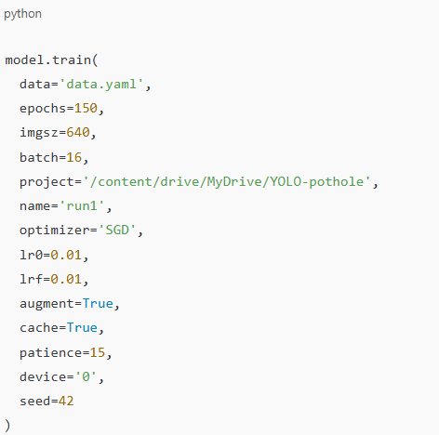
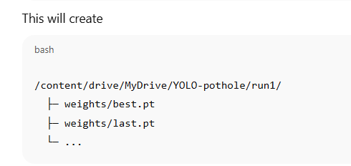
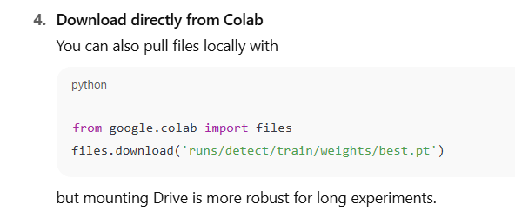
Mount Google Drive
You’ll be prompted to authenticate—after that, your Drive is available at /content/drive/MyDrive/.
Point your training to Drive When you call model.train(), specify the project (and optionally name) so that all outputs go into your Drive instead of /content/:

colab_setup
step 1 | Set up GPU
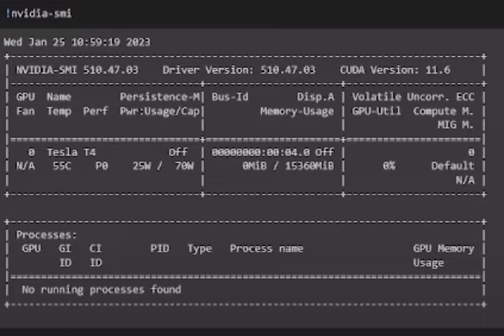

Step 2
 | check working directory

Step 3 | install yolovxxxx |  | Optional_Step

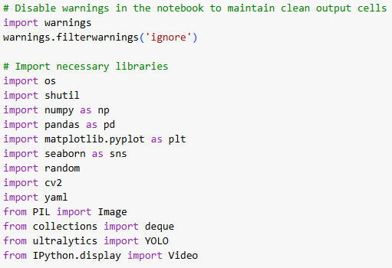
 |  |  |  | To test any image from roboflow

Step 4 | Connecting with roboflow datatset | Check for yaml file is there correct path is there or not

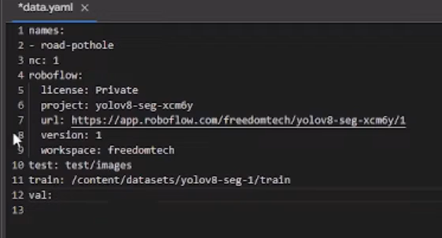

Step 5 | now try train the custum dataset by using these script

Step 6 | copy the best.pt file for further use
 | Method to copy files

