Bugs
ID | Summary | Description | Steps to reproduce | Severity | Priority | Attachments | Status
1 | App contains modal verbs | Description: When you open the settings, a window for choosing the boundaries of the outcome of the game appears in the text of which there are modal verbs *Environment: Android8 Requirement ID: R1 Actual result: There are modal verbs in the text part of the application Expected result: There are no modal verbs in the text part of the application | 1. Download and open app; 2. Press ellipsis -> Press settings | Minor | Low | 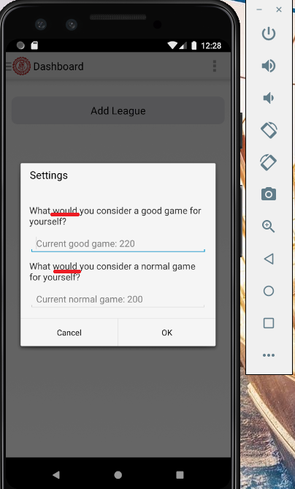
2 | The recorded data (settings, leagues, games) is saved immediately, and not between launches of applications or devices | Description: The recorded data is saved immediately and it does not meet the requirements *Environment: Android8 Requirement ID: R1 Actual result: Data is saved immediately after recording Expected result: Recorded data is retained | 1. Download and open app; 2. Press ellipsis -> Press settings -> Fill in border data -> Press Ok | Minor | Low
3 | Delite league button is triggered after double pressing | Description: When deleting a league, the Delite button must be pressed twice *Environment: Android8 Requirement ID: R4 Actual result: The Delite button must be pressed twice Expected result: The Delite button must be pressed one time | 1. Download and open app; 2. Press the Add league button and create a new league 3. Press the menu -> three dots next to the new league -> press delite | Minor | Low
4 | The application allows you to choose the boundaries of a normal game more or equal to the boundaries of a good game | Description: If the value of the border of a good game is less than the value of the normal one, games in the range of the difference are still colored green When the value of the border of a good game is set equal to the value of the normal one, the indicator of games equal to good or less turns red *Environment: Android8 Requirement ID: R6 Actual result: The application allows you to select the border of a good game below or equal to the normal one Expected result: The application does not allow you to select the border of a good game below or equal to normal | 1. Download and open app; 2. Pess Add Game button and create 10 games 3. Press ellipsis -> Press settings ->Put 1 in the field of good play-> Put 1 in the field of normal play-> Press OK | Major | Hight

