Summary & B&C (2011) comparison
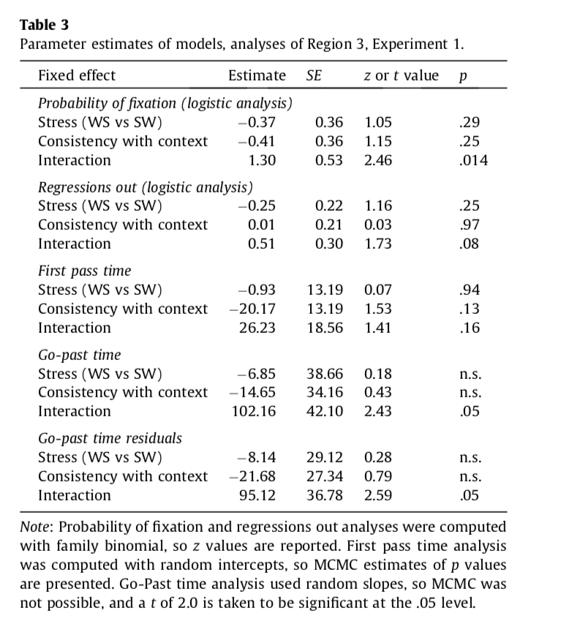
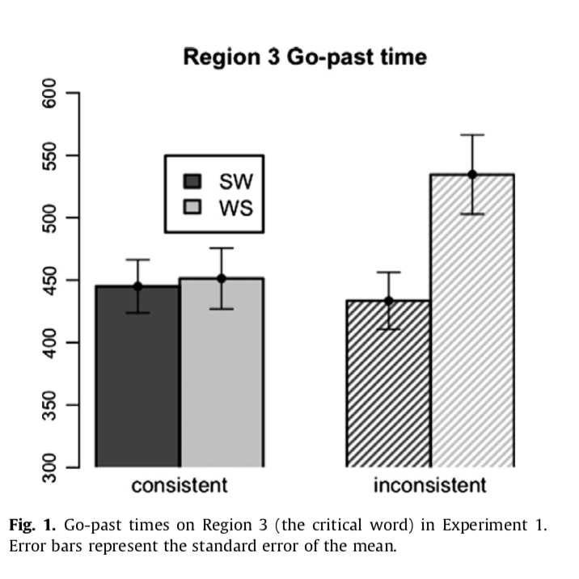
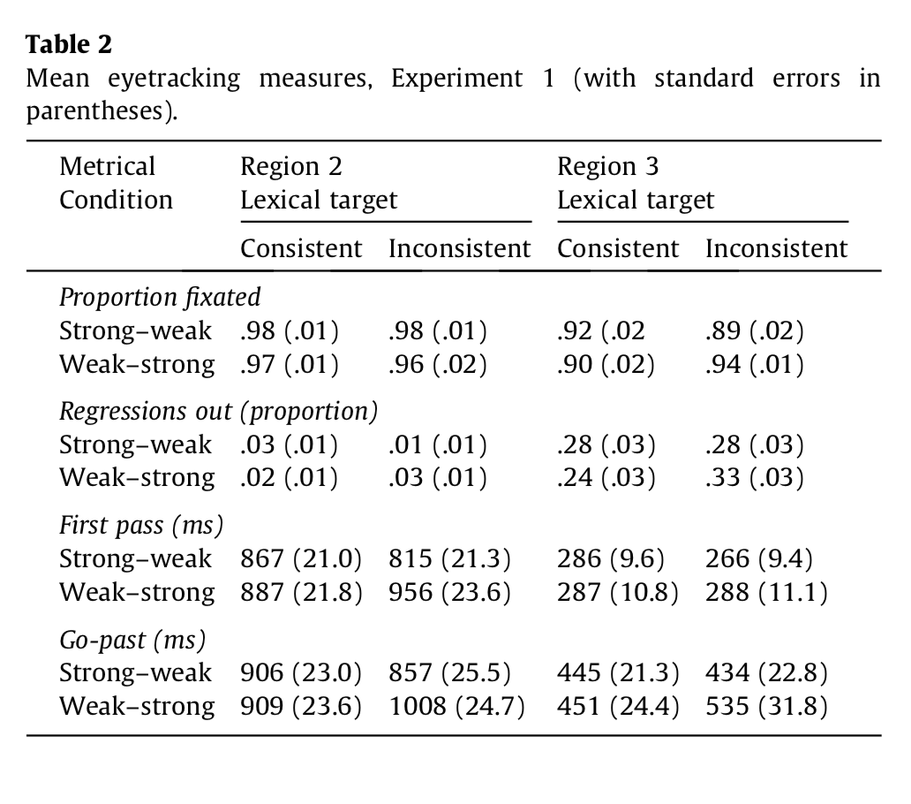
Mean eyetracking measures for the present study (with standard errors in parentheses)
2nd task | Region 2 |  | Region 3
 | match | clash | match | clash

Proportion fixated (probability)
tap | 90.1409 (1.6796) | 92.1002 (1.4771) | 58.9345 (3.5304) | 57.9643 (4.098)
this | 89.878 (2.207) | 89.8122 (1.8486) | 60.5615 (2.9857) | 57.1319 (3.6609)

Regressions out (probability)
tap | 0.081 (0.0144) | 0.0794 (0.0161) | 0.2294 (0.0211) | 0.2426 (0.0311)
this | 0.1131 (0.0191) | 0.1201 (0.0208) | 0.2837 (0.0302) | 0.2669 (0.031)

First pass (ms)
tap | 738.4581 (34.5139) | 794.3695 (35.8394) | 232.4313 (10.9508) | 231.6318 (12.3071)
this | 710.3945 (33.586) | 748.8985 (41.0241) | 254.3553 (14.2197) | 228.5186 (9.3977)

Go-past (ms)
tap | 885.1221 (40.1569) | 906.7231 (40.42) | 504.0976 (67.5974) | 491.4946 (48.8806)
this | 842.3496 (49.2427) | 908.2861 (49.2427) | 496.9709 (35.1399) | 496.4097 (39.2685)

First fixation (ms)
tap | n/a | n/a | 223.5686 (18.1345) | 263.8421 (17.0523)
this | n/a | n/a | 238.5 (18.8104) | 217.7308 (9.7428)

R3 - probRegression
MEAN ProbRegression ClashType R3
probRegression |  |  |  | "probability of regressing out of a region given that it w as fixated during first pass"
SOURCE: grand mean
clashtype | secondtask | n | N | MEAN | SD | SE
 |  | 1471 | 160 | 0.2557 | 0.1808 | 0.0143

SOURCE: clashtype
clashtype | secondtask | n | N | MEAN | SD | SE
match |  | 738 | 80 | 0.2566 | 0.166 | 0.0186
clash |  | 733 | 80 | 0.2548 | 0.1955 | 0.0219

MEAN ProbRegression SecondTask R3
SOURCE: secondtask
clashtype | secondtask | n | N | MEAN | SD | SE
 | this | 768 | 80 | 0.2753 | 0.1926 | 0.0215
 | tap | 703 | 80 | 0.236 | 0.167 | 0.0187

SOURCE: clashtype secondtask
clashtype | secondtask | n | N | MEAN | SD | SE
match | this | 368 | 40 | 0.2837 | 0.1912 | 0.0302
match | tap | 370 | 40 | 0.2294 | 0.1332 | 0.0211
clash | this | 400 | 40 | 0.2669 | 0.1961 | 0.031
clash | tap | 333 | 40 | 0.2426 | 0.1966 | 0.0311

MEAN ProbRegression R3
FACTOR: | subj | clashtype | secondtask | time
LEVELS: | 40 | 2 | 2 | 160
TYPE: | RANDOM | WITHIN | WITHIN | DATA

SOURCE | SS | df | MS | F | p
mean | 10.4583 | 1 | 10.4583 | 166.165 | 0 | ***
s/ | 2.4546 | 39 | 0.0629

clashtype | 0.0001 | 1 | 0.0001 | 0.006 | 0.938
cs/ | 0.7908 | 39 | 0.0203

secondtask | 0.0618 | 1 | 0.0618 | 3.017 | 0.09
ss/ | 0.7983 | 39 | 0.0205

cs | 0.009 | 1 | 0.009 | 0.323 | 0.573
css/ | 1.0816 | 39 | 0.0277

R3 - probFixation
MEAN ProbFixation Clashtype R3
probFixation
SOURCE: grand mean
clashtype | secondtask | n | N | MEAN | SD | SE
 |  | 1471 | 160 | 58.648 | 22.5311 | 1.7812

SOURCE: clashtype
clashtype | secondtask | n | N | MEAN | SD | SE
match |  | 738 | 80 | 59.748 | 20.5627 | 2.299
clash |  | 733 | 80 | 57.5481 | 24.4224 | 2.7305

MEAN ProbFixation SecondTask R3
SOURCE: secondtask
clashtype | secondtask | n | N | MEAN | SD | SE
 | this | 768 | 80 | 58.8467 | 21.0633 | 2.3549
 | tap | 703 | 80 | 58.4494 | 24.0413 | 2.6879

SOURCE: clashtype secondtask
clashtype | secondtask | n | N | MEAN | SD | SE
match | this | 368 | 40 | 60.5615 | 18.8832 | 2.9857
match | tap | 370 | 40 | 58.9345 | 22.3284 | 3.5304
clash | this | 400 | 40 | 57.1319 | 23.1538 | 3.6609
clash | tap | 333 | 40 | 57.9643 | 25.9181 | 4.098

FACTOR: | subj | clashtype | secondtask | time
LEVELS: | 40 | 2 | 2 | 160
TYPE: | RANDOM | WITHIN | WITHIN | DATA
MEAN ProbFixation R3

SOURCE | SS | df | MS | F | p
mean | 550334.8667 | 1 | 550334.8667 | 412.363 | 0 | ***
s/ | 52048.9484 | 39 | 1334.5884

clashtype | 193.5905 | 1 | 193.5905 | 0.894 | 0.35
cs/ | 8447.5747 | 39 | 216.6045

secondtask | 6.3132 | 1 | 6.3132 | 0.023 | 0.88
ss/ | 10746.2733 | 39 | 275.5455

cs | 60.4872 | 1 | 60.4872 | 0.256 | 0.616
css/ | 9213.1533 | 39 | 236.2347

R3 - firstFixation
MEAN FirstFixation ClashType R3
firstFixation
SOURCE: | grand | mean
clashty | secondt | n | N | MEAN | SD | SE
 |  | 113 | 69 | 237.8865 | 72.7338 | 8.7561

SOURCE: | clashtype
clashty | secondt | n | N | MEAN | SD | SE
match |  | 66 | 37 | 231.6396 | 79.2244 | 13.0244
clash |  | 47 | 32 | 245.1094 | 64.9235 | 11.477

MEAN FirstFixation SecondTask R3
SOURCE: | secondtask
clashty | secondt | n | N | MEAN | SD | SE
 | tap | 54 | 36 | 244.8241 | 76.2419 | 12.707
 | this | 59 | 33 | 230.3182 | 69.0702 | 12.0236

SOURCE: | clashtype | secondtask
clashty | secondt | n | N | MEAN | SD | SE
match | tap | 30 | 17 | 223.5686 | 74.7703 | 18.1345
match | this | 36 | 20 | 238.5 | 84.1227 | 18.8104
clash | tap | 24 | 19 | 263.8421 | 74.3292 | 17.0523
clash | this | 23 | 13 | 217.7308 | 35.1281 | 9.7428

../../anova: Unequal cell design did not have proportional cell sizes.

MEAN FirstFixation R3

R3 - firstPass
MEAN FirstPass ClashType R3
firstPassTime |  |  | "sum of all fixation durations made from first entering to first leaving a region, eliminating trials on which no such fixations occurred"
SOURCE: | grand | mean
clashty | secondt | n | N | MEAN | SD | SE
 |  | 865 | 159 | 236.7859 | 74.7617 | 5.929

SOURCE: | clashtype
clashty | secondt | n | N | MEAN | SD | SE
match |  | 442 | 80 | 243.3933 | 80.2464 | 8.9718
clash |  | 423 | 79 | 230.0949 | 68.6278 | 7.7212

SOURCE: | secondtask
clashty | secondt | n | N | MEAN | SD | SE
 | tap | 416 | 80 | 232.0316 | 72.9114 | 8.1517
MEAN FirstPass SecondTask R3
 | this | 449 | 79 | 241.6005 | 76.7532 | 8.6354

SOURCE: | clashtype | secondtask
clashty | secondt | n | N | MEAN | SD | SE
match | tap | 220 | 40 | 232.4313 | 68.6262 | 10.8508
match | this | 222 | 40 | 254.3553 | 89.9335 | 14.2197
clash | tap | 196 | 40 | 231.6318 | 77.8368 | 12.3071
clash | this | 227 | 39 | 228.5186 | 58.6889 | 9.3977

../../anova: Unbalanced factor.
../../anova: Unbalanced factor.
FACTOR : subj clashtype secondtask time
LEVELS : 40 2 2 160
MEAN firstPass R3
TYPE : RANDOM WITHIN WITHIN DATA
../../anova: No F table due to previous fatal error. |  |  |  |  |  |  | fatal | error.

R3 - goPast
MEAN GoPastTime ClashType R3
goPast |  |  | "sum of all fixation durations made from first entering a region to first leaving it to the right"
SOURCE: | grand | mean
clashty | secondt | n | N | MEAN | SD | SE
 |  | 867 | 159 | 497.2484 | 308.8404 | 24.4926

SOURCE: | clashtype
clashty | secondt | n | N | MEAN | SD | SE
match |  | 442 | 80 | 500.5343 | 338.5675 | 37.853
clash |  | 425 | 79 | 493.921 | 277.6521 | 31.2383

MEAN GoPastTime SecondTask R3
SOURCE: | secondtask
clashty | secondt | n | N | MEAN | SD | SE
 | tap | 415 | 80 | 497.7961 | 370.7465 | 41.4507
 | this | 452 | 79 | 496.6938 | 232.3676 | 26.1434

SOURCE: | clashtype | secondtask
clashty | secondt | n | N | MEAN | SD | SE
match | tap | 219 | 40 | 504.0976 | 427.5236 | 67.5974
match | this | 223 | 40 | 496.9709 | 222.2443 | 35.1399
clash | tap | 196 | 40 | 491.4946 | 309.1479 | 48.8806
clash | this | 229 | 39 | 496.4097 | 245.232 | 39.2685

MEAN GoPastTime R3
../../anova: Unbalanced factor.
../../anova: Unbalanced factor.
FACTOR : subj clashtype secondtask time
LEVELS : 40 2 2 160
TYPE : RANDOM WITHIN WITHIN DATA
../../anova: No F table due to previous fatal error.

R2 - probRegression
MEAN ProbRegression ClashType R2
ProbRegression R2 |  |  |  |  | "probability of regressing out of a region given that it w as fixated during first pass"
SOURCE: grand mean
clashtype | secondtask | n | N | MEAN | SD | SE
 |  | 1471 | 160 | 0.0984 | 0.1127 | 0.0089

SOURCE: clashtype
clashtype | secondtask | n | N | MEAN | SD | SE
match |  | 738 | 80 | 0.097 | 0.1074 | 0.012
clash |  | 733 | 80 | 0.0998 | 0.1185 | 0.0132

MEAN ProbRegression SecondTask R2
SOURCE: secondtask
clashtype | secondtask | n | N | MEAN | SD | SE
 | this | 768 | 80 | 0.1166 | 0.1253 | 0.014
 | tap | 703 | 80 | 0.0802 | 0.0959 | 0.0107

SOURCE: clashtype secondtask
clashtype | secondtask | n | N | MEAN | SD | SE
match | this | 368 | 40 | 0.1131 | 0.1207 | 0.0191
match | tap | 370 | 40 | 0.081 | 0.0909 | 0.0144
clash | this | 400 | 40 | 0.1201 | 0.1312 | 0.0208
clash | tap | 333 | 40 | 0.0794 | 0.1018 | 0.0161

MEAN ProbRegression R2
FACTOR: | subj | clashtype | secondtask | time
LEVELS: | 40 | 2 | 2 | 160
TYPE: | RANDOM | WITHIN | WITHIN | DATA

SOURCE | SS | df | MS | F | p
mean | 1.5494 | 1 | 1.5494 | 88.856 | 0 | ***
s/ | 0.6801 | 39 | 0.0174

clashtype | 0.0003 | 1 | 0.0003 | 0.028 | 0.869
cs/ | 0.4217 | 39 | 0.0108

secondtask | 0.053 | 1 | 0.053 | 5.063 | 0.03 | *
ss/ | 0.4084 | 39 | 0.0105

cs | 0.0007 | 1 | 0.0007 | 0.062 | 0.805
css/ | 0.456 | 39 | 0.0117

R2 - probFixation
MEAN ProbFixation Clashtype R2
probFixation R2
SOURCE: grand mean
clashtype | secondtask | n | N | MEAN | SD | SE
 |  | 1471 | 160 | 90.4828 | 11.4585 | 0.9059

SOURCE: clashtype
clashtype | secondtask | n | N | MEAN | SD | SE
match |  | 738 | 80 | 90.0094 | 12.3253 | 1.378
clash |  | 733 | 80 | 90.9562 | 10.5778 | 1.1826

MEAN ProbFixation SecondTask R2
SOURCE: secondtask
clashtype | secondtask | n | N | MEAN | SD | SE
 | this | 768 | 80 | 89.8451 | 12.7932 | 1.4303
 | tap | 703 | 80 | 91.1205 | 9.9883 | 1.1167

SOURCE: clashtype secondtask
clashtype | secondtask | n | N | MEAN | SD | SE
match | this | 368 | 40 | 89.878 | 13.9585 | 2.207
match | tap | 370 | 40 | 90.1409 | 10.6229 | 1.6796
clash | this | 400 | 40 | 89.8122 | 11.6914 | 1.8486
clash | tap | 333 | 40 | 92.1002 | 9.3421 | 1.4771

FACTOR: | subj | clashtype | secondtask | time
LEVELS: | 40 | 2 | 2 | 160
TYPE: | RANDOM | WITHIN | WITHIN | DATA
MEAN ProbFixation R2

SOURCE | SS | df | MS | F | p
mean | 1309942.5882 | 1 | 1309942.5882 | 5417.627 | 0 | ***
s/ | 9429.9154 | 39 | 241.7927

clashtype | 35.8569 | 1 | 35.8569 | 0.623 | 0.435
cs/ | 2245.7682 | 39 | 57.5838

secondtask | 65.0684 | 1 | 65.0684 | 0.748 | 0.392
ss/ | 3393.3823 | 39 | 87.0098

cs | 41.0086 | 1 | 41.0086 | 0.282 | 0.598
css/ | 5665.2553 | 39 | 145.263

R2 - firstPass
MEAN FirstPass ClashType R2
firstPass |  |  |  | "sum of all fixation durations made from first entering to first leaving a region, eliminating trials on which no such fixations occurred"
SOURCE: | grand | mean
clashty | secondt | n | N | MEAN | SD | SE
 |  | 1270 | 160 | 748.0302 | 229.7585 | 18.164

SOURCE: | clashtype
clashty | secondt | n | N | MEAN | SD | SE
clash |  | 628 | 80 | 771.634 | 243.1481 | 27.1848
match |  | 642 | 80 | 724.4263 | 214.4686 | 23.9783

SOURCE: | secondtask
clashty | secondt | n | N | MEAN | SD | SE
 | this | 650 | 80 | 729.6465 | 236.3973 | 26.43
 | tap | 620 | 80 | 766.4138 | 222.8857 | 24.9194
MEAN FirstPass SecondTask R2
SOURCE: | clashtype | secondtask
clashty | secondt | n | N | MEAN | SD | SE
clash | this | 337 | 40 | 748.8985 | 259.4595 | 41.0241
clash | tap | 291 | 40 | 794.3695 | 226.668 | 35.8394
match | this | 313 | 40 | 710.3945 | 212.4165 | 33.586
match | tap | 329 | 40 | 738.4581 | 218.285 | 34.5139

FACTOR | : | subj | clashtype | secondtask | time
LEVELS | : | 40 | 2 | 2 | 160
TYPE | : | RANDOM | WITHIN | WITHIN | DATA

MEAN FirstPass R2
SOURCE | SS | df | MS | F | p
===============================================================
mean | 89527859.049 | 1 | 89527859.049 | 577.513 | 0 | ***
s/ | 6045904.1703 | 39 | 155023.1839

clashty | 89142.5766 | 1 | 89142.5766 | 4.346 | 0.044 | *
cs/ | 800003.3477 | 39 | 20512.9064

secondt | 54073.3606 | 1 | 54073.3606 | 4.332 | 0.044 | *
ss/ | 486848.9899 | 39 | 12483.3074

cs | 3030.1348 | 1 | 3030.1348 | 0.129 | 0.721
css/ | 914445.0592 | 39 | 23447.3092

R2 - goPast
MEAN GoPastTime ClashType R2
goPast R2 |  |  |  | "sum of all fixation durations made from first entering a region to first leaving it to the right"
SOURCE: | grand | mean
clashty | secondt | n | N | MEAN | SD | SE
 |  | 1280 | 160 | 885.6202 | 262.9276 | 20.7863

SOURCE: | clashtype
clashty | secondt | n | N | MEAN | SD | SE
clash | 633 | 633 | 80 | 907.5046 | 283.1 | 31.6515
match | 647 | 647 | 80 | 863.7358 | 240.8762 | 26.9308

SOURCE: | secondtask
clashty | secondt | n | N | MEAN | SD | SE
 | this | 655 | 80 | 875.3178 | 273.3103 | 30.557
MEAN GoPastTime SecondTask R2
 | tap | 625 | 80 | 895.9226 | 253.4234 | 28.3336

SOURCE: | clashtype | secondtask
clashty | secondt | n | N | MEAN | SD | SE
clash | this | 340 | 40 | 908.2861 | 311.4383 | 49.2427
clash | tap | 293 | 40 | 906.7231 | 255.6387 | 40.42
match | this | 315 | 40 | 842.3496 | 228.2302 | 36.0864
match | tap | 332 | 40 | 885.1221 | 253.9747 | 40.1569

FACTOR | : | subj | clashtype | secondtask | time
LEVELS | : | 40 | 2 | 2 | 160
TYPE | : | RANDOM | WITHIN | WITHIN | DATA
MEAN GoPastTime R2
SOURCE | SS | df | MS | F | p
===============================================================
mean | 125491709.47 | 1 | 125491709.47 | 649.47 | 0 | ***
s/ | 7535651.6276 | 39 | 193221.8366

clashty | 76628.1457 | 1 | 76628.1457 | 3.313 | 0.076
cs/ | 901989.7933 | 39 | 23127.9434

secondt | 16982.3592 | 1 | 16982.3592 | 0.639 | 0.429
ss/ | 1036858.4868 | 39 | 26586.115

cs | 19656.3456 | 1 | 19656.3456 | 0.546 | 0.464
css/ | 1404049.9 | 39 | 36001.2795

R2 - firstFix (do not analyze)
MEAN FirstFixation ClashType R2
firstFixation R2
SOURCE: | grand | mean
clashty | secondt | n | N | MEAN | SD | SE
 |  | 1140 | 160 | 251.5038 | 56.9754 | 4.5043

SOURCE: | clashtype
clashty | secondt | n | N | MEAN | SD | SE
clash |  | 564 | 80 | 247.0559 | 55.9851 | 6.2593
match |  | 576 | 80 | 255.9518 | 57.9576 | 6.4799

MEAN FirstFixation SecondTask R2
SOURCE: | secondtask
clashty | secondt | n | N | MEAN | SD | SE
 | this | 574 | 80 | 255.6287 | 62.2948 | 6.9648
 | tap | 566 | 80 | 247.3789 | 51.1701 | 5.721

SOURCE: | clashtype | secondtask
clashty | secondt | n | N | MEAN | SD | SE
clash | this | 293 | 40 | 253.5068 | 61.3645 | 9.7026
clash | tap | 271 | 40 | 240.605 | 49.9807 | 7.9026
match | this | 281 | 40 | 257.7507 | 63.9214 | 10.1069
match | tap | 295 | 40 | 254.1529 | 52.074 | 8.2336

FACTOR | : | subj | clashtype | secondtask | time
LEVELS | : | 40 | 2 | 2 | 160
TYPE | : | RANDOM | WITHIN | WITHIN | DATA

MEAN FirstFixation R2
SOURCE | SS | df | MS | F | p
===============================================================
mean | 10120668.69 | 1 | 10120668.69 | 1293.188 | 0 | ***
s/ | 305219.4896 | 39 | 7826.1408

clashty | 3165.4664 | 1 | 3165.4664 | 1.912 | 0.175
cs/ | 64574.5005 | 39 | 1655.7564

secondt | 2722.3841 | 1 | 2722.3841 | 1.727 | 0.197
ss/ | 61495.5024 | 39 | 1576.8078

cs | 865.6471 | 1 | 865.6471 | 0.432 | 0.515
css/ | 78102.2132 | 39 | 2002.6209

