Sheet1
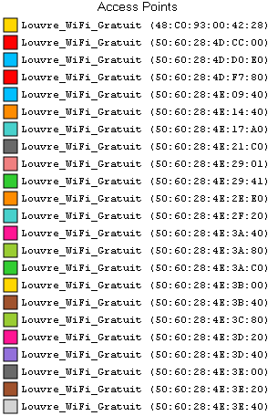
No. | memo | mac
M1 | あえ | 48:C0:93:00:42:28
M2 | あ＊ | 50:60:28:4D:CC:00
M3 | あ | 50:60:28:4D:D0:E0
M4 | あ＊ | 50:60:28:4D:F7:80
M5 | あ | 50:60:28:4E:09:40
M6 | あ | 50:60:28:4E:14:40
M7 | あ＊ | 50:60:28:4E:17:A0
M8 | あ＊え | 50:60:28:4E:21:C0
M9 | あえ* | 50:60:28:4E:29:01
M10 | あ | 50:60:28:4E:29:41
M11 |  | 50:60:28:4E:2E:E0
M12 | あ | 50:60:28:4E:2F:20
M13 | * | 50:60:28:4E:3A:40
M14 | あ | 50:60:28:4E:3A:80
M15 | あ＊ | 50:60:28:4E:3A:C0
M16 | あ＊え | 50:60:28:4E:3B:00
M17 | あ | 50:60:28:4E:3B:40
M18 | あ＊ | 50:60:28:4E:3C:80
M19 | あ＊ | 50:60:28:4E:3D:20
M20 | あ＊ | 50:60:28:4E:3D:40
M21 | あ＊え | 50:60:28:4E:3E:00
M22 | あ＊ | 50:60:28:4E:3E:20
M23 | あ | 50:60:28:4E:3E:40
M24 |  | 50:60:28:4E:3E:A0
M25 | あえ* | 50:60:28:4E:61:80
M26 | あ＊ | 50:60:28:4E:63:80
M27 | あ | 50:60:28:88:9D:E0
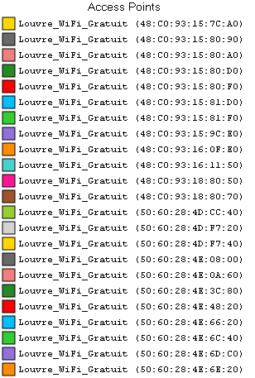
P1 | え | 48:C0:93:15:7C:A0
P2 |  | 48:C0:93:15:80:90
P3 |  | 48:C0:93:15:80:A0
P4 |  | 48:C0:93:15:80:D0
P5 |  | 48:C0:93:15:80:F0
P6 |  | 48:C0:93:15:81:D0
P7 |  | 48:C0:93:15:81:F0
P8 |  | 48:C0:93:15:9C:E0
P9 |  | 48:C0:93:16:0F:E0
P10 |  | 48:C0:93:16:11:50
P11 | え | 48:C0:93:18:80:50
P12 | え | 48:C0:93:18:80:70
P13 |  | 50:60:28:4D:CC:40
P14 |  | 50:60:28:4D:F7:20
P15 |  | 50:60:28:4D:F7:40
P16 |  | 50:60:28:4E:08:00
P17 |  | 50:60:28:4E:0A:60
P18 |  | 50:60:28:4E:3C:80
P19 |  | 50:60:28:4E:48:20
P20 |  | 50:60:28:4E:66:20
P21 | え | 50:60:28:4E:6C:40
P22 |  | 50:60:28:4E:6D:C0
P23 | え | 50:60:28:4E:6E:20
P24 |  | 50:60:28:4E:6E:40
P25 |  | 50:60:28:4E:76:20
P26 |  | 50:60:28:88:9D:A0
P27 |  | 50:60:28:88:9D:E0
P28 |  | 50:60:28:89:7F:20
P29 |  | 50:60:28:89:7F:60
P30 |  | 50:60:28:BE:03:21
P31 |  | 50:60:28:BE:0C:21
P32 |  | 50:60:28:BE:0C:81
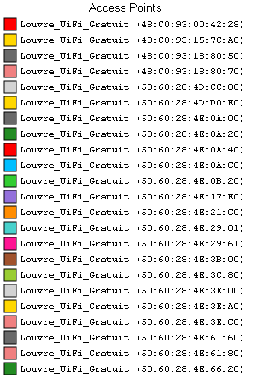
G1 |  | 48:C0:93:00:42:28
G2 |  | 48:C0:93:15:7C:A0
G3 |  | 48:C0:93:18:80:50
G4 |  | 48:C0:93:18:80:70
G5 | え＊ | 50:60:28:4D:CC:00
G6 | え＊ | 50:60:28:4D:D0:E0
G7 | え | 50:60:28:4E:0A:00
G8 | え＊ | 50:60:28:4E:0A:20
G9 | え＊ | 50:60:28:4E:0A:40
G10 | え | 50:60:28:4E:0A:C0
G11 | え | 50:60:28:4E:0B:20
G12 | え＊ | 50:60:28:4E:17:E0
G13 | い | 50:60:28:4E:21:C0
G14 | い | 50:60:28:4E:29:01
G15 | え | 50:60:28:4E:29:61
G16 | い | 50:60:28:4E:3B:00
G17 | え＊ | 50:60:28:4E:3C:80
G18 | い | 50:60:28:4E:3E:00
G19 | い＊ | 50:60:28:4E:3E:A0
G20 | え | 50:60:28:4E:3E:C0
G21 | え | 50:60:28:4E:61:60
G22 | い | 50:60:28:4E:61:80
G23 | え | 50:60:28:4E:66:20
G24 | え | 50:60:28:4E:6B:21
G25 |  | 50:60:28:4E:6C:40
G26 | え | 50:60:28:4E:6C:E1
G27 |  | 50:60:28:4E:6E:20
G28 |  | 50:60:28:4E:6E:40
G29 |  | 50:60:28:4E:73:41
G30 |  | 50:60:28:4E:73:60
G31 | え | 50:60:28:4E:76:20
G32 | え＊ | 50:60:28:4E:76:60
G33 | え＊ | 50:60:28:BD:F8:01
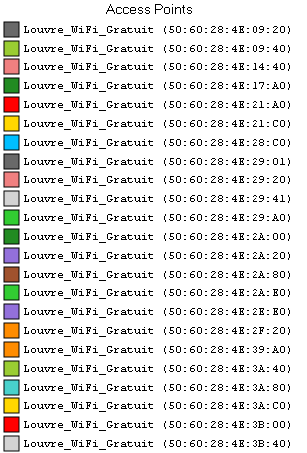
F1 | い | 50:60:28:4E:09:20
F2 | い＊ | 50:60:28:4E:09:40
F3 | い＊ | 50:60:28:4E:14:40
F4 | い | 50:60:28:4E:17:A0
F5 | い＊ | 50:60:28:4E:21:A0
F6 | う＊ | 50:60:28:4E:21:C0
F7 | い | 50:60:28:4E:28:C0
F8 | う＊ | 50:60:28:4E:29:01
F9 | い＊う | 50:60:28:4E:29:20
F10 | い | 50:60:28:4E:29:41
F11 | い＊ | 50:60:28:4E:29:A0
F12 |  | 50:60:28:4E:2A:00
F13 | い | 50:60:28:4E:2A:20
F14 | い＊ | 50:60:28:4E:2A:80
F15 | い | 50:60:28:4E:2A:E0
F16 | い | 50:60:28:4E:2E:E0
F17 | い | 50:60:28:4E:2F:20
F18 | い＊ | 50:60:28:4E:39:A0
F19 | い | 50:60:28:4E:3A:40
F20 | い | 50:60:28:4E:3A:80
F21 | い＊ | 50:60:28:4E:3A:C0
F22 |  | 50:60:28:4E:3B:00
F23 | い＊ | 50:60:28:4E:3B:40
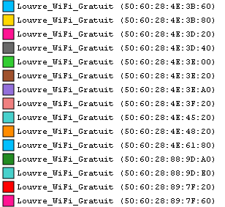
F24 | い＊ | 50:60:28:4E:3B:60
F25 | い＊ | 50:60:28:4E:3B:80
F26 | い＊ | 50:60:28:4E:3D:20
F27 | い | 50:60:28:4E:3D:40
F28 |  | 50:60:28:4E:3E:00
F29 | い | 50:60:28:4E:3E:20
F30 | え* | 50:60:28:4E:3E:A0
F31 | い | 50:60:28:4E:3F:20
F32 |  | 50:60:28:4E:45:20
F33 |  | 50:60:28:4E:48:20
F34 |  | 50:60:28:4E:61:80
F35 |  | 50:60:28:88:9D:A0
F36 |  | 50:60:28:88:9D:E0
F37 |  | 50:60:28:89:7F:20
F38 |  | 50:60:28:89:7F:60
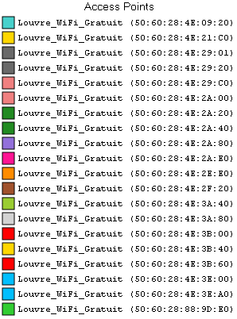
S1 | う | 50:60:28:4E:09:20
S2 |  | 50:60:28:4E:21:C0
S3 |  | 50:60:28:4E:29:01
S4 |  | 50:60:28:4E:29:20
S5 | う＊ | 50:60:28:4E:29:C0
S6 |  | 50:60:28:4E:2A:00
S7 |  | 50:60:28:4E:2A:20
S8 | う＊ | 50:60:28:4E:2A:40
S9 | う＊ | 50:60:28:4E:2A:80
S10 | う＊ | 50:60:28:4E:2A:E0
S11 | う＊ | 50:60:28:4E:2E:E0
S12 | う＊ | 50:60:28:4E:2F:20
S13 | う | 50:60:28:4E:3A:40
S14 | う＊ | 50:60:28:4E:3A:80
S15 | う＊ | 50:60:28:4E:3B:00
S16 | う | 50:60:28:4E:3B:40
S17 | う | 50:60:28:4E:3B:60
S18 |  | 50:60:28:4E:3E:00
S19 |  | 50:60:28:4E:3E:A0
S20 | う | 50:60:28:88:9D:E0

N1 | お | 50:60:28:4D:CC:60
N2 | お | 50:60:28:4E:0A:00
N3 | お＊ | 50:60:28:4E:3E:C0
N4 | お | 50:60:28:4E:76:60

