Recruitment and Selection
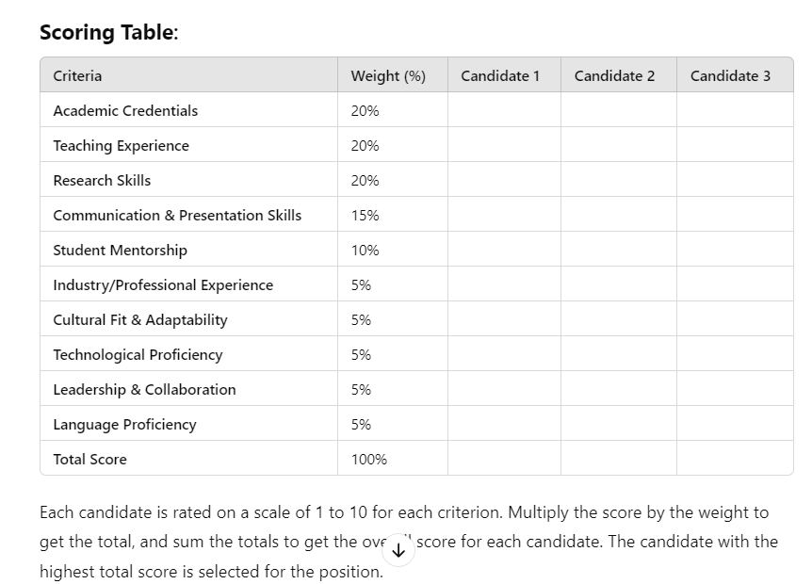
Zero-shot | Few-shot | Chain of Thought (CoT)
Here's a sample job description for a **University Lecturer** position: --- **Job Title**: University Lecturer **Location**: [Insert University Name], [Insert Department], [City, Country] **Employment Type**: Full-time/Part-time, Tenure-Track/Non-Tenure-Track ### **Job Description**: [Insert University Name] is seeking a passionate and experienced **Lecturer** to join our dynamic academic team within the [Insert Department Name]. The successful candidate will play a vital role in delivering high-quality education, contributing to curriculum development, and advancing academic research in their field of expertise. ### **Key Responsibilities**: - Deliver engaging and innovative lectures, seminars, and tutorials at undergraduate and/or postgraduate levels. - Develop and update course materials, syllabi, and assessment tools. - Conduct original research and contribute to publications in high-impact journals. - Mentor and guide students in their academic and professional development. - Supervise student research projects, dissertations, and theses. - Participate in departmental activities, including curriculum planning, assessment committees, and peer reviews. - Engage in continuous professional development and stay updated with the latest advancements in your field. - Collaborate with colleagues on interdisciplinary projects and university initiatives. - Participate in academic advising and contribute to student recruitment and retention activities. ### **Qualifications**: - A PhD in [Insert Discipline] or a closely related field. - Demonstrated excellence in teaching at the university level. - A track record of published research and ongoing research activity. - Experience in supervising student projects and academic advising. - Strong communication and interpersonal skills with the ability to engage and motivate students. - Proficiency in using technology and digital tools to enhance the learning experience. ### **Preferred Qual | ### 1. **Job Description for an HR Lecturer at a University in Oman** **Job Title**: Lecturer in Human Resources (HR) **Location**: [Insert University Name], Department of Business and Management, Oman **Employment Type**: Full-time, Tenure-Track/Non-Tenure-Track ### **Job Description**: [Insert University Name] is seeking a dedicated and experienced **Lecturer in Human Resources (HR)** to join our Department of Business and Management. The successful candidate will be responsible for delivering HR-related courses, contributing to academic research, and actively engaging in student mentorship and departmental development. ### **Key Responsibilities**: - Teach undergraduate and postgraduate courses in Human Resource Management, including subjects such as Organizational Behavior, Recruitment and Selection, Employee Relations, and Strategic HRM. - Develop and update course syllabi, teaching materials, and assessments in line with industry trends and academic standards. - Conduct scholarly research in HR-related fields, contributing to peer-reviewed journals and conferences. - Supervise undergraduate and postgraduate research projects, internships, and field studies. - Participate in curriculum planning, quality assurance, and other academic administrative duties within the department. - Provide academic advising and support for students' personal and professional development. - Build and maintain strong relationships with HR professionals and organizations within Oman to facilitate student internships and industry collaboration. - Participate in outreach activities, seminars, and workshops organized by the university. ### **Qualifications**: - PhD in Human Resource Management, Organizational Behavior, or a closely related field. - Proven teaching experience at the university level, with excellent student feedback. - A record of research publications in reputable journals. - Strong interpersonal, communication, and organizational skills. | ### **Task: Selecting the Right Candidate for a University Lecturer Position** ### **Key Qualifications**: When selecting a university lecturer, the following key qualifications should be considered: 1. **Academic Credentials**: A PhD or relevant advanced degree in the field of study. 2. **Teaching Experience**: Prior experience teaching at the university level, including course development and student supervision. 3. **Research Skills**: A strong research portfolio with publications in reputable journals and the ability to secure research funding. 4. **Communication and Presentation Skills**: Ability to engage students effectively and present complex topics in an accessible manner. 5. **Student Mentorship**: Experience advising and mentoring students on both academic and career-related matters. 6. **Industry/Professional Experience**: Practical experience in the field or connections with relevant industries (depending on the subject). 7. **Cultural Fit and Adaptability**: Ability to adapt to the university's values and work well within the department and region (especially in Oman or the Middle East context). 8. **Technological Proficiency**: Ability to use digital tools for teaching, research, and communication, including experience with online learning platforms. 9. **Leadership and Collaboration**: Capacity to take leadership in curriculum development and contribute to interdisciplinary projects and departmental initiatives. 10. **Language Proficiency**: Proficiency in English (and potentially Arabic) for teaching and communication within the region. --- ### **Sample Interview Questions to Assess Key Qualifications**: #### **1. Academic Credentials and Research Skills**: - **Q**: Can you describe your current research agenda and how it contributes to the academic community? - **Q**: How do you integrate your research into your teaching, and how do you ensure your students benefit from cutting-edge knowledge in the field? - **Q**: What

Performance Management
Zero-shot | Few-shot | Chain of Thought (CoT)
N/A | N/A | ### **Performance Review Process for Academic Staff (Omani University)** **Objective**: Develop a comprehensive performance appraisal process for three academic staff levels—Assistant Professor, Associate Professor, and Full Professor—that evaluates teaching, research, service, and external engagement. This process will help identify top performers who deserve early promotion, with special consideration for consultancy or industry projects. --- ### **Performance Review Components (Total Score: 100)** #### **1. Teaching Performance (35%)** **Focus**: Quality of teaching, student engagement, innovation in pedagogy, and course development. - **Teaching Effectiveness (20%)**: - Student evaluations (10%): Based on feedback from students regarding teaching quality, clarity, and course management. - Peer reviews (5%): Evaluations by colleagues on teaching methodology, class management, and student interaction. - Teaching awards or recognitions (5%): Points awarded for institutional or external teaching awards. - **Course Development and Innovation (10%)**: - New courses developed or significant updates to existing courses (5%). - Use of innovative teaching techniques, including technology integration, online learning, or flipped classroom methods (5%). - **Student Mentorship and Supervision (5%)**: - Supervision of undergraduate and graduate student projects or theses. - Mentorship of students for academic development or career guidance. #### **2. Research and Publications (30%)** **Focus**: Research productivity, quality, and impact, including publications, research grants, and conference presentations. - **Publications (15%)**: - Number and quality of publications in reputable journals (10%): Ranked by impact factor and citation index. - Books, book chapters, and conference proceedings (5%). - **Research Grants and Funding (10%)**: - Securing external or internal resear | 