Bug reports
Reporter: | Kuzmenko I.
ID | 1
Summary | When a registered product's ID is entered in the search field, the system refreshes the page instead of displaying the product with the corresponding ID
Incident Description
Pre-Conditions | Site https://www.buy.ua/ is open in the browser User is not registered
Steps | 1. Enter "1723880" in the "Поиск по коду товара" field 2. Click the <Искать> button.
Actual result | The system returns nothing and refreshes the open page
Expected result | The screen displays the product with the apropriate ID
Environment | OS Sonoma Version 14.6.1 (23G93) Google Chrome Version 131.0.6778.265 (Official Build) (arm64)
Build
Severity | 1/3
Priority | 1/3
Attachment

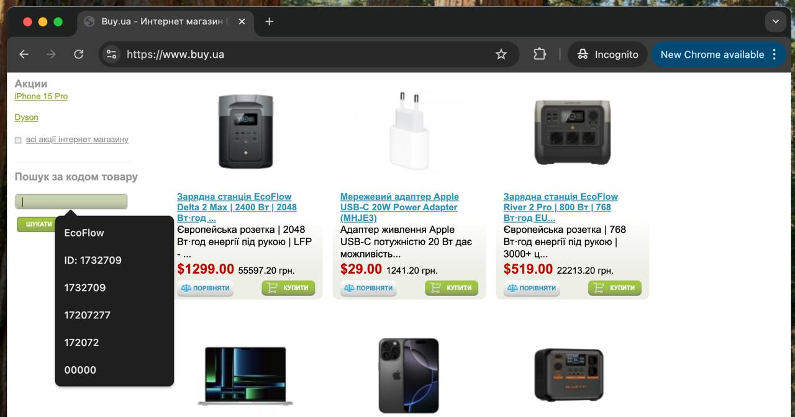
Reporter: | Kuzmenko I.
ID | 2
Summary | The ID search field in incognito mode displays the user's search history that was created in regular mode
Incident Description
Pre-Conditions | The site https://www.buy.ua/ is open in a regular mode, and the user is not registered Perform a search by product ID using the following 6 search queries: - EcoFlow - ID: 1732709 - 1732709 - 17207277 - 172072 - 00000
Steps | 1. Open the site https://www.buy.ua/ in incognito mode. 2. Click on the "Пошук за кодом товару" field.
Actual result | The search field displays the search history from regular mode
Expected result | The search field should not display any search history
Environment | OS Sonoma Version 14.6.1 (23G93) Google Chrome Version 131.0.6778.265 (Official Build) (arm64)
Build
Severity | 3/3
Priority | 3/3

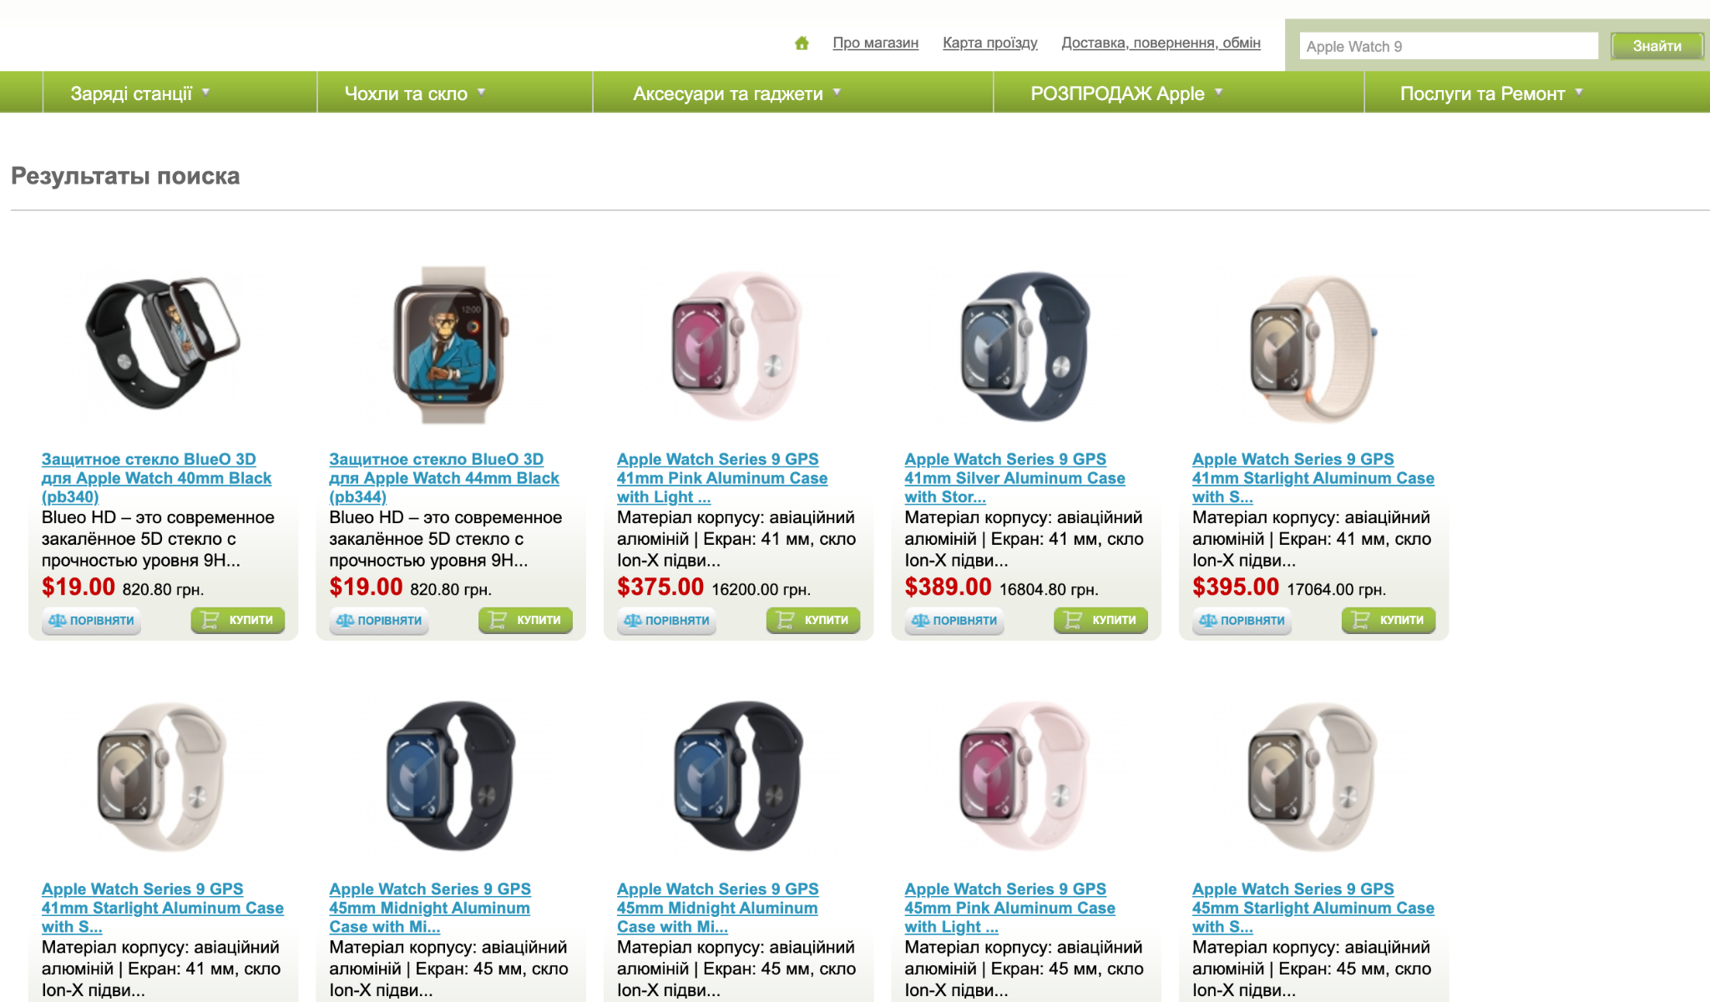
Reporter: | Kuzmenko I.
ID | 3
Summary | When searching by product name, the most relevant results appear at the bottom, but they should appear at the top of the list
Incident Description
Pre-Conditions | Site https://www.buy.ua/ is open in the browser User is not registered
Steps | 1. Enter "Apple Watch 9" in the product name search field 2. Click the "Знайти" button
Actual result | The most relevant products appear at the end of the list (e.g., first, the watch glass appears, then the watches)
Expected result | The most relevant products should appear at the beginning of the list
Environment | OS Sonoma Version 14.6.1 (23G93) Google Chrome Version 131.0.6778.265 (Official Build) (arm64)
Build
Severity | 1/3
Priority | 1/3
Attachment

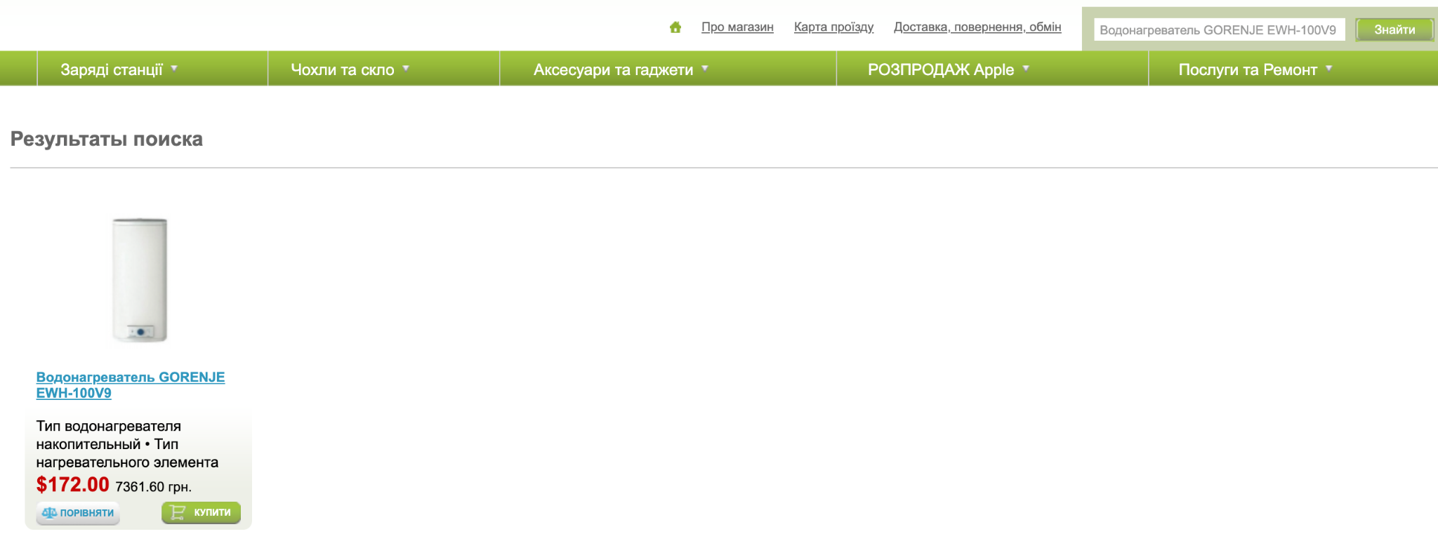
Reporter: | Kuzmenko I.
ID | 4
Summary | The system displays a previously deleted product in the search results
Incident Description
Pre-Conditions | Site https://www.buy.ua/ is open in the browser User is not registered
Steps | 1. Enter "Водонагреватель GORENJE EWH-100V9" in the product name search field 2. Click the "Знайти" button
Actual result | The system displays this product in the search results, but when navigating to the product page, it shows the notification "Запитуваний ресурс не знайдено" (Requested resource not found).
Expected result | The system should not find any product for this search query
Environment | OS Sonoma Version 14.6.1 (23G93) Google Chrome Version 131.0.6778.265 (Official Build) (arm64)
Build
Severity | 3/3
Priority | 2/3
Attachment

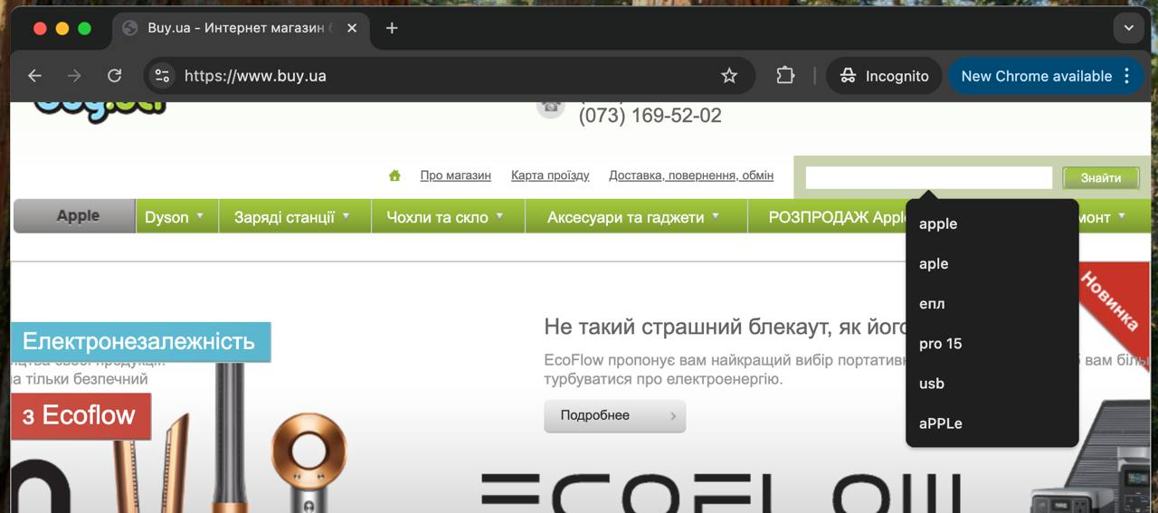
Reporter: | Kuzmenko I.
ID | 5
Summary | The product name search field in incognito mode displays the user's search history created in regular mode.
Incident Description
Pre-Conditions | The site https://www.buy.ua/ is open in regular mode The user is not registered Perform a search by product name using the following 6 search queries: - apple - aple - епл - pro 15 - usb - aPPLe
Steps | 1. Open https://www.buy.ua/ in incognito mode 2. Click on the product name search field
Actual result | The search field displays the search history from regular mode
Expected result | The search field should not display any search history
Environment | OS Sonoma Version 14.6.1 (23G93) Google Chrome Version 131.0.6778.265 (Official Build) (arm64)
Build
Severity | 3/3
Priority | 3/3

