Test Cases
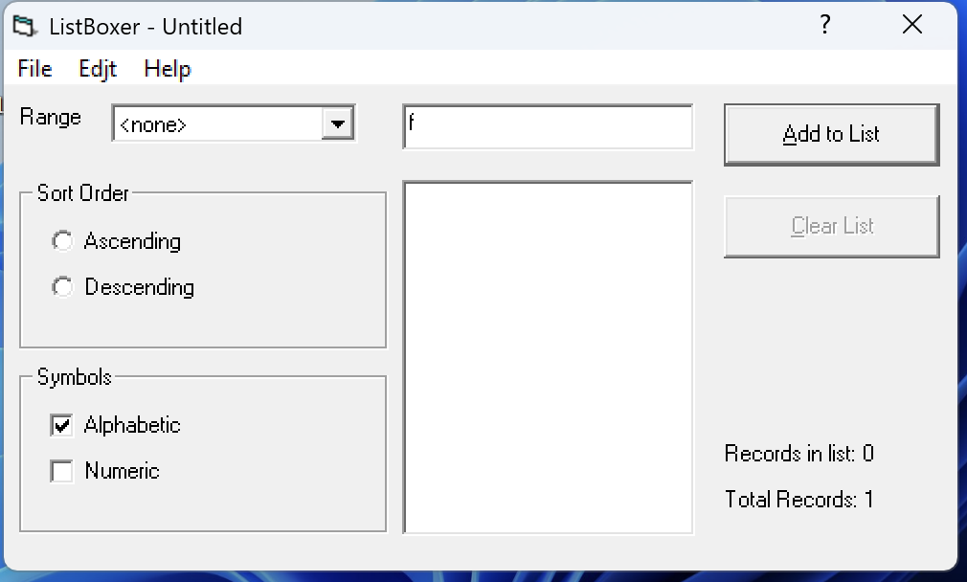
ID | 1
Title | Input of one character (a-z) into the string in alphabetical mode, PC
Test Suite | Inputting characters into the string
Priority | 1/3
Estimate | 10 min
Author | Kuzmenko I.
Pre-conditions | Application is open Alphabetical mode is selected
# | Steps | Expected result | Actual Result | Status | Comment
1 | Enter one character (a-z) | The character is displayed in the input field | The character is displayed in the input field | passed
Post-conditions | ...
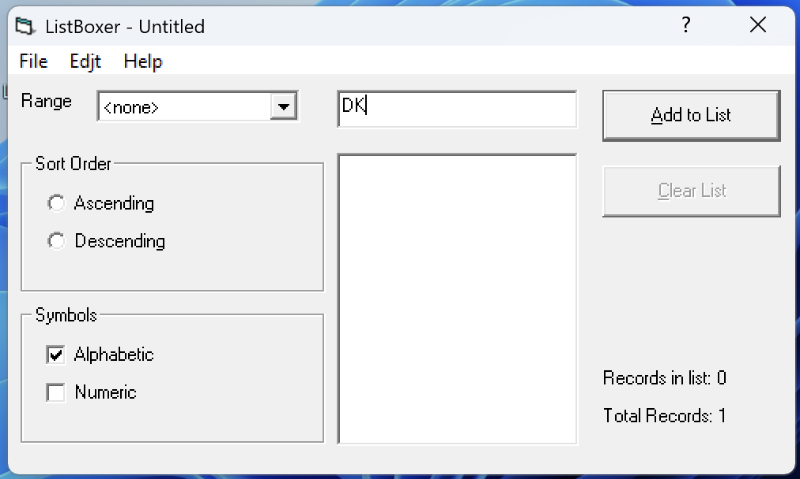
ID | 2
Title | Input of two characters (A-Z) into the string in alphabetical mode, PC
Test Suite | Inputting characters into the string
Priority | 1/3
Estimate | 10 min
Author | Kuzmenko I.
Pre-conditions | Application is open Alphabetical mode is selected
# | Steps | Expected result | Actual Result | Status | Comment
1 | Enter two characters (A-Z) | The characters are displayed in the input field | The characters are displayed in the input field | passed
Post-conditions | ...
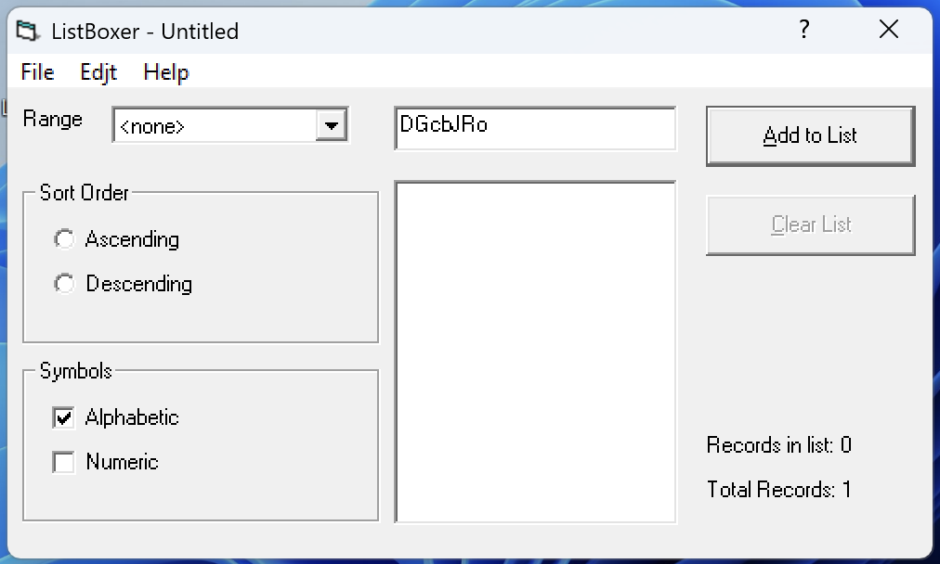
ID | 3
Title | Input of seven characters (a-Z) into the string in alphabetical mode, PC
Test Suite | Inputting characters into the string
Priority | 1/3
Estimate | 10 min
Author | Kuzmenko I.
Pre-conditions | Application is open Alphabetical mode is selected
# | Steps | Expected result | Actual Result | Status | Comment
1 | Enter seven characters (a-Z) of mixed case (upper and lower case letters) | The characters are displayed in the input field | The characters are displayed in the input field | passed
Post-conditions | ...
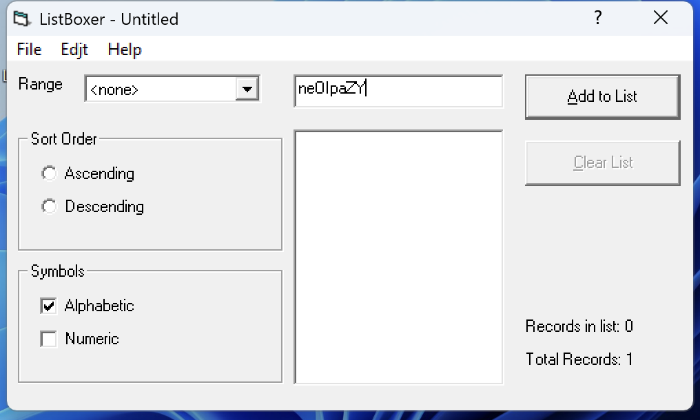
ID | 4
Title | Input of eight characters (a-Z) into the string in alphabetical mode, PC
Test Suite | Inputting characters into the string
Priority | 1/3
Estimate | 10 min
Author | Kuzmenko I.
Pre-conditions | Application is open Alphabetical mode is selected
# | Steps | Expected result | Actual Result | Status | Comment
1 | Enter eight characters (a-Z) of mixed case (upper and lower case letters) | The characters are displayed in the input field | The characters are displayed in the input field | passed
Post-conditions | ...

ID | 5
Title | Input of a Cyrillic character (a–я) into the string in alphabetical mode, NC
Test Suite | Inputting characters into the string
Priority | 2/3
Estimate | 10 min
Author | Kuzmenko I.
Pre-conditions | Application is open Alphabetical mode is selected
# | Steps | Expected result | Actual Result | Status | Comment
1 | Enter one Cyrillic character (a–я) | The character is not displayed in the input field | The character is not displayed in the input field | passed
Post-conditions | ...

ID | 6
Title | Input of a Cyrillic character (A–Я) into the string in alphabetical mode, NC
Test Suite | Inputting characters into the string
Priority | 2/3
Estimate | 10 min
Author | Kuzmenko I.
Pre-conditions | Application is open Alphabetical mode is selected
# | Steps | Expected result | Actual Result | Status | Comment
1 | Enter one Cyrillic character (A–Я) | The character is not displayed in the input field | The character is not displayed in the input field | passed
Post-conditions | ...

ID | 7
Title | Input of digits into the string in alphabetical mode, NC
Test Suite | Inputting characters into the string
Priority | 2/3
Estimate | 10 min
Author | Kuzmenko I.
Pre-conditions | Application is open Alphabetical mode is selected
# | Steps | Expected result | Actual Result | Status | Comment
1 | Enter a digit | The digit is not displayed in the input field | The digit is not displayed in the input field | passed
Post-conditions | ...

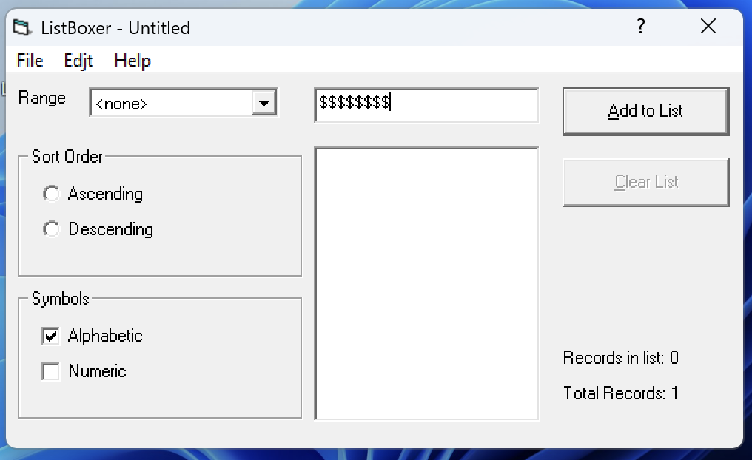
ID | 8
Title | Input of a special character into the string in alphabetical mode, NC
Test Suite | Inputting characters into the string
Priority | 2/3
Estimate | 10 min
Author | Kuzmenko I.
Pre-conditions | Application is open Alphabetical mode is selected
# | Steps | Expected result | Actual Result | Status | Comment
1 | Enter a special character | The special character is not displayed in the input field | In the input field, the special character "$" can be entered | failed | defect #1
Post-conditions | ...

ID | 9
Title | Input of a space into the string in alphabetical mode, NC
Test Suite | Inputting characters into the string
Priority | 2/3
Estimate | 10 min
Author | Kuzmenko I.
Pre-conditions | Application is open Alphabetical mode is selected
# | Steps | Expected result | Actual Result | Status | Comment
1 | Enter a space | The space is not displayed in the input field | The space is not displayed in the input field | passed
Post-conditions | ...
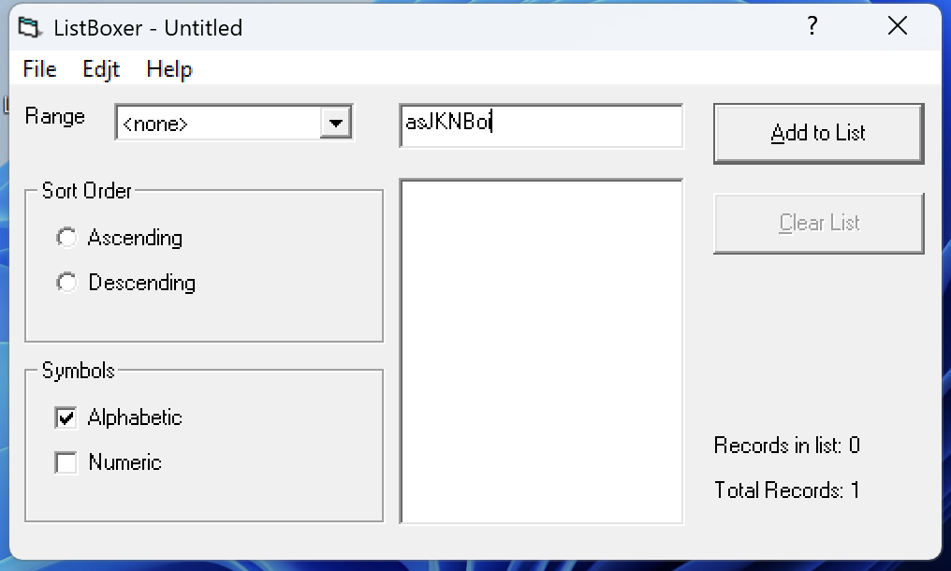
ID | 10
Title | Input of nine characters a-Z into the string in alphabetical mode, NC
Test Suite | Inputting characters into the string
Priority | 2/3
Estimate | 10 min
Author | Kuzmenko I.
Pre-conditions | Application is open Alphabetical mode is selected
# | Steps | Expected result | Actual Result | Status | Comment
1 | Enter nine characters a-Z of mixed case (upper and lower case letters) | Eight characters are displayed in the input field; the ninth character is not entered | Eight characters are displayed in the input field; the ninth character is not entered | passed
Post-conditions | ...
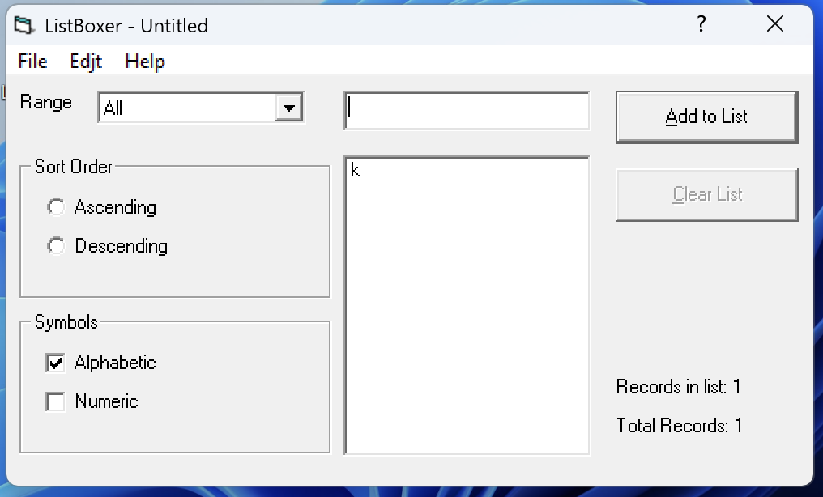
ID | 11
Title | Adding a string to the list using the Add to List button in alphabetical mode, PC
Test Suite | Adding a string to the list
Priority | 1/3
Estimate | 10 min
Author | Kuzmenko I.
Pre-conditions | Application is open Alphabetical mode is selected Filter value <All> is selected
# | Steps | Expected result | Actual Result | Status | Comment
1 | Enter one character a-Z | The character is displayed in the input field | The character is displayed in the input field | passed
2 | Click the Add to List button | The string is successfully added to the list | The string is successfully added to the list | passed
Post-conditions | ...
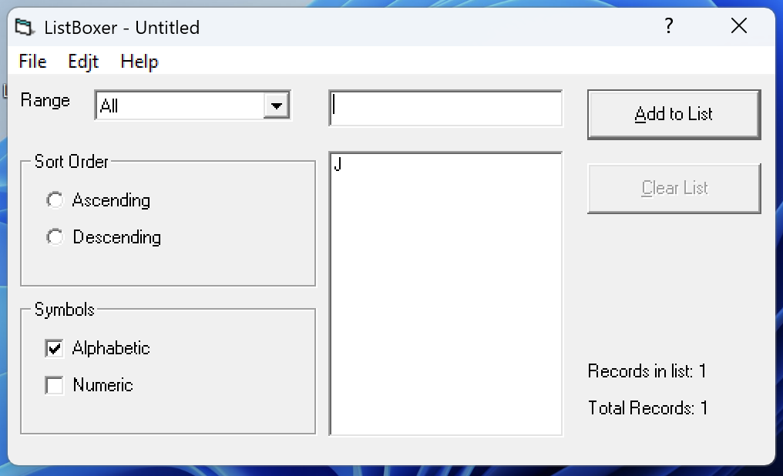
ID | 12
Title | Adding a string to the list using the Enter key in alphabetical mode, PC
Test Suite | Adding a string to the list
Priority | 1/3
Estimate | 10 min
Author | Kuzmenko I.
Pre-conditions | Application is open Alphabetical mode is selected Filter value <All> is selected
# | Steps | Expected result | Actual Result | Status | Comment
1 | Enter one character a-Z | The character is displayed in the input field | The character is displayed in the input field | passed
2 | Press the Enter key | The string is successfully added to the list | The string is successfully added to the list | passed
Post-conditions | Clear the list
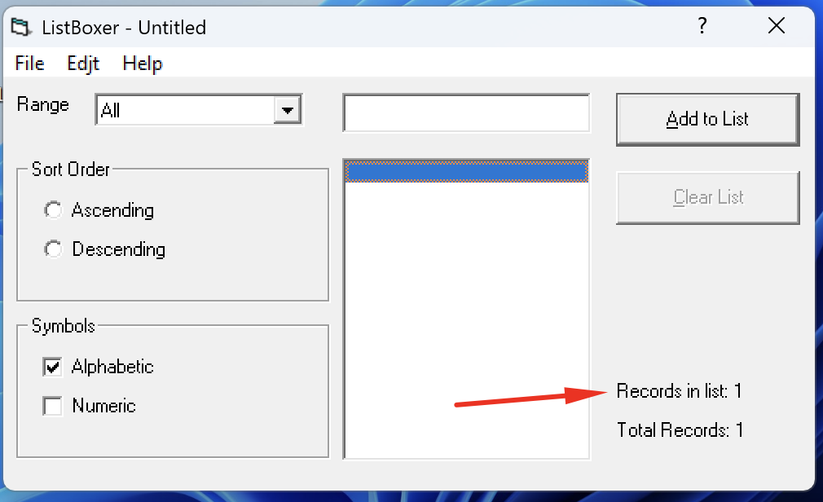
ID | 13
Title | Adding an empty string to the list using the Add to List button in alphabetical mode, NC
Test Suite | Adding a string to the list
Priority | 2/3
Estimate | 10 min
Author | Kuzmenko I.
Pre-conditions | Application is open Alphabetical mode is selected Filter value <All> is selected Click on the input field to activate it
# | Steps | Expected result | Actual Result | Status | Comment
1 | The input field is empty, click the Add to List button | The empty string is not added to the list | Empty string is added to the list | failed | defect #2
Post-conditions | ...

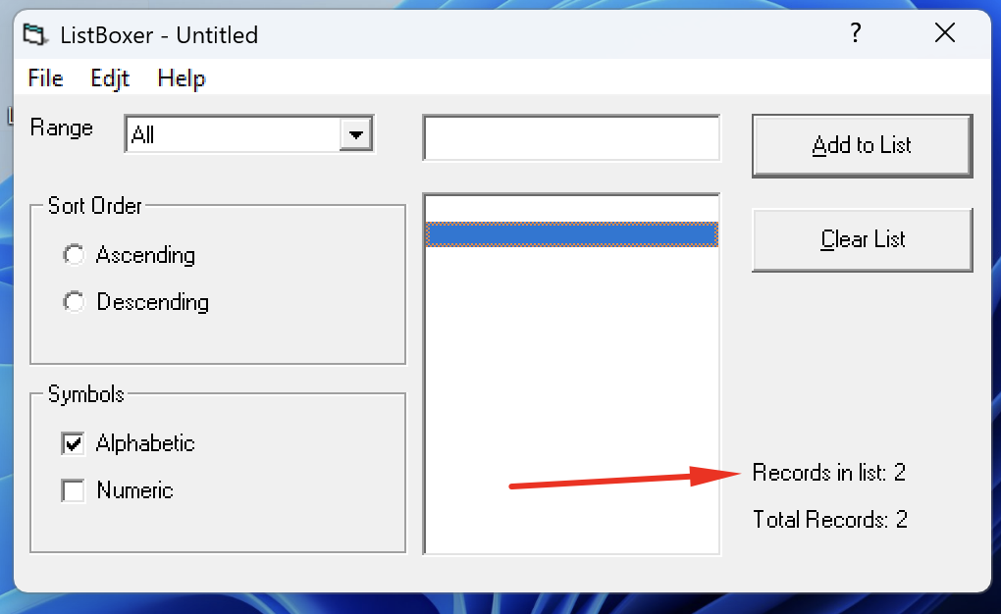
ID | 14
Title | Adding an empty string to the list using the Enter key in alphabetical mode, NC
Test Suite | Adding a string to the list
Priority | 2/3
Estimate | 10 min
Author | Kuzmenko I.
Pre-conditions | Application is open Alphabetical mode is selected Filter value <All> is selected Click on the input field to activate it
# | Steps | Expected result | Actual Result | Status | Comment
1 | The input field is empty, press the Enter key | The empty string is not added to the list | Empty string is added to the list | failed | defect #3
Post-conditions | ...
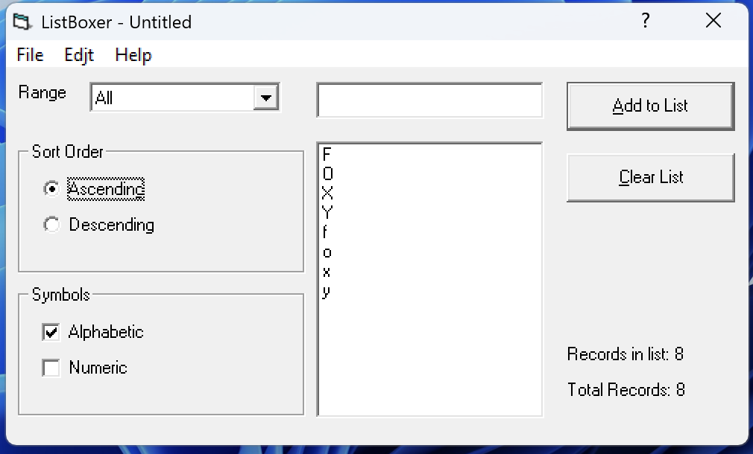
ID | 15
Title | Sorting by case and in ascending alphabetical order of single-character values in alphabetical mode, PC
Test Suite | Sorting
Priority | 1/3
Estimate | 15 min
Author | Kuzmenko I.
Pre-conditions | Application is open Alphabetical mode is selected Filter value <All> is selected A list with 8 records has been created with the following data: f, F, o, O, x, X, y, Y
# | Steps | Expected result | Actual Result | Status | Comment
1 | Select Ascending from the Option Button | The data is sorted in the following order: f, o, x, y, F, O, X, Y | The data is sorted in the following order: F, O, X, Y, f, o, x, y | failed | defect #4
Post-conditions | Clear the list
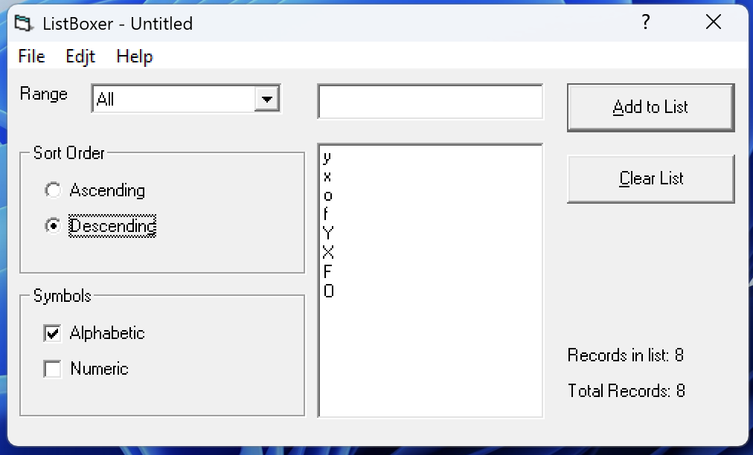
ID | 16
Title | Sorting by case and in descending alphabetical order of single-character values in alphabetical mode, PC
Test Suite | Sorting
Priority | 1/3
Estimate | 15 min
Author | Kuzmenko I.
Pre-conditions | Application is open Alphabetical mode is selected Filter value <All> is selected A list with 8 records has been created with the following data: f, F, o, O, x, X, y, Y
# | Steps | Expected result | Actual Result | Status | Comment
1 | Select Descending from the Option Button | The data is sorted in the following sequence: y, x, o, f, Y, X, O, F | The data is sorted in the following sequence: y, x, o, f, Y, X, F, O | failed | defect #5
Post-conditions | Clear the list
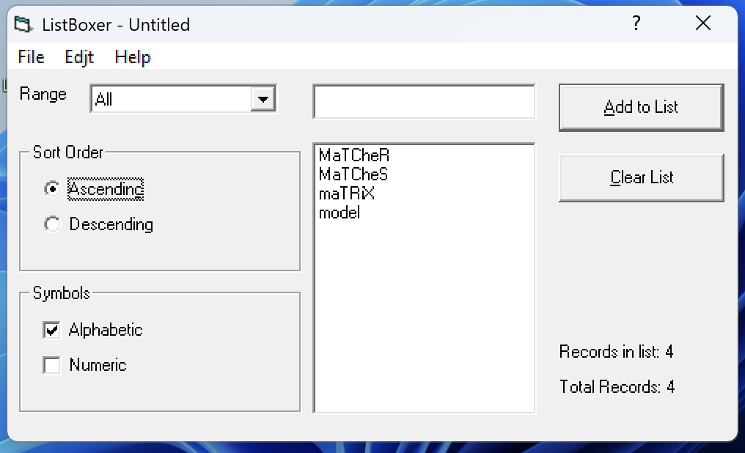
ID | 17
Title | Sorting by case and in ascending alphabetical order of multi-character values in alphabetical mode, PC
Test Suite | Sorting
Priority | 1/3
Estimate | 15 min
Author | Kuzmenko I.
Pre-conditions | Application is open Alphabetical mode is selected Filter value <All> is selected A list with four records has been created with the following data: MaTCheR, MaTCheS, maTRiX, model
# | Steps | Expected result | Actual Result | Status | Comment
1 | Select Ascending from the Option Button | The data is sorted in the following sequence: maTRiX, model, MaTCheR, MaTCheS | The data is sorted in the following sequence: MaTCheR, MaTCheS, maTRiX, model | failed | defect #4
Post-conditions | Clear the list
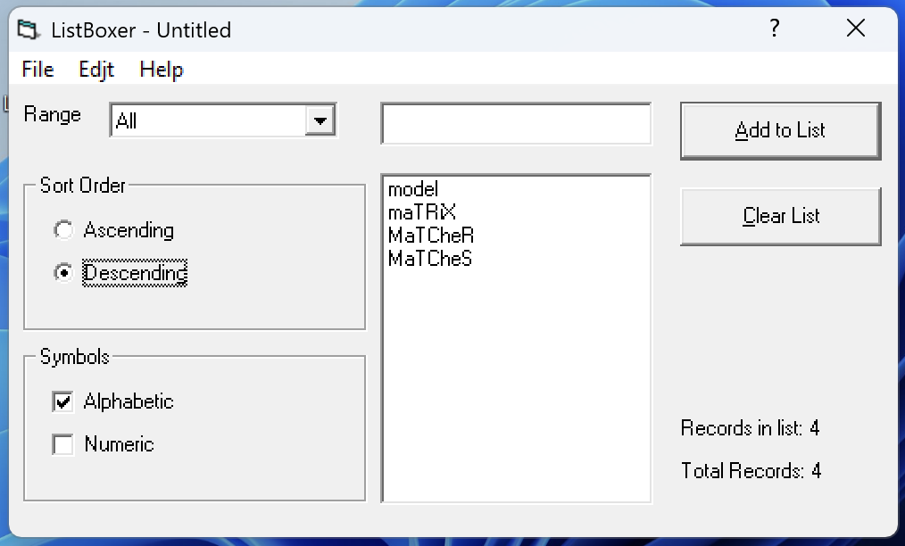
ID | 18
Title | Sorting by case and in descending alphabetical order of multi-character values in alphabetical mode, PC
Test Suite | Sorting
Priority | 1/3
Estimate | 15 min
Author | Kuzmenko I.
Pre-conditions | Application is open Alphabetical mode is selected Filter value <All> is selected A list with four records has been created with the following data: MaTCheR, MaTCheS, maTRiX, model
# | Steps | Expected result | Actual Result | Status | Comment
1 | Select Descending from the Option Button | The data is sorted in the following sequence: model, maTRiX, MaTCheS, MaTCheR | The data is sorted in the following sequence: model, maTRiX, MaTCheR, MaTCheS | failed | defect #5
Post-conditions | Clear the list
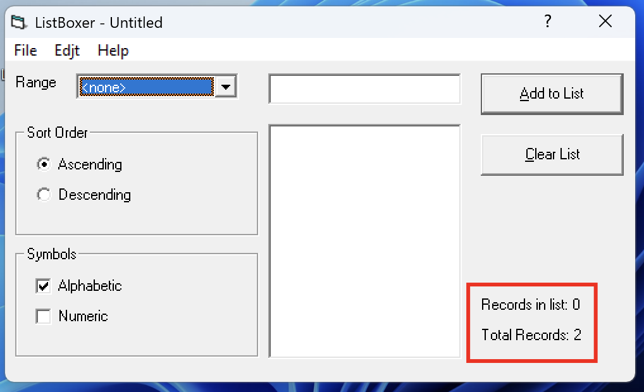
ID | 19
Title | The use of <none> filter in alphabetical mode, PC
Test Suite | Filters
Priority | 1/3
Estimate | 15 min
Author | Kuzmenko I.
Pre-conditions | Application is open Alphabetical mode is selected Filter value <All> is selected The list with two records has been created with the following data: a, Z
# | Steps | Expected result | Actual Result | Status | Comment
1 | Select filter value <none> | The information display is blocked, the records are not displayed | The information display is blocked, the records are not displayed | passed
Post-conditions | Clear the list
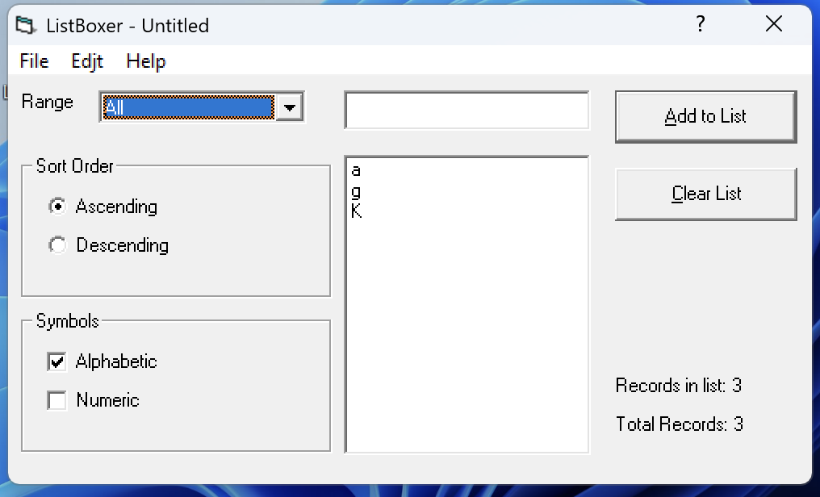
ID | 20
Title | The use of <All> filter in alphabetical mode, PC
Test Suite | Filters
Priority | 1/3
Estimate | 15 min
Author | Kuzmenko I.
Pre-conditions | Application is open Alphabetical mode is selected The list with three records has been created with valid data
# | Steps | Expected result | Actual Result | Status | Comment
1 | Select filter value <All> | All three records in the list are displayed | All three records in the list are displayed | passed
Post-conditions | Clear the list
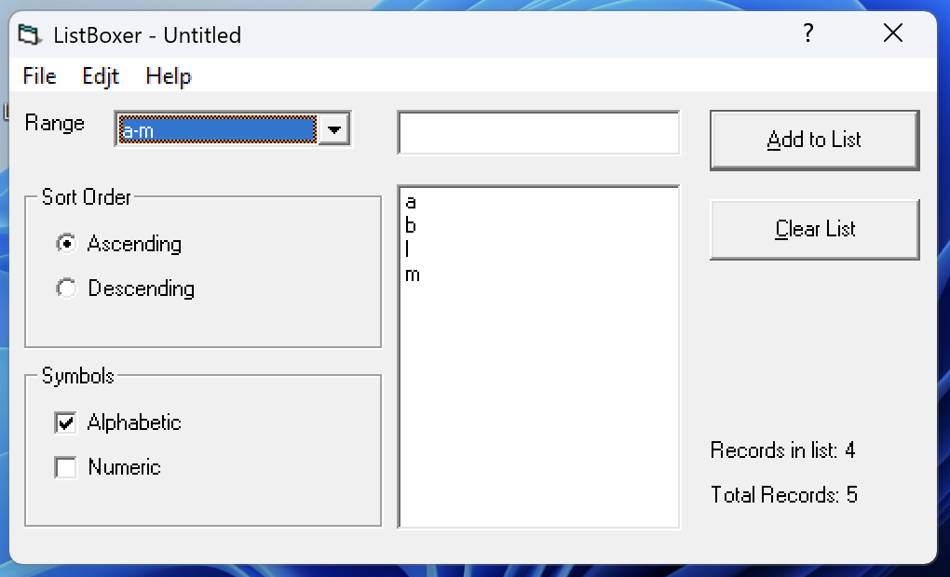
ID | 21
Title | The use of <a-m> filter in alphabetical mode, PC
Test Suite | Filters
Priority | 1/3
Estimate | 15 min
Author | Kuzmenko I.
Pre-conditions | Application is open Alphabetical mode is selected Filter value <All> is selected A list with five records has been created with the following data: a, b, l, m, n
# | Steps | Expected result | Actual Result | Status | Comment
1 | Select filter value <a-m> | Only the following values are displayed: a, b, l, m | Only the following values are displayed: a, b, l, m | passed
Post-conditions | Clear the list
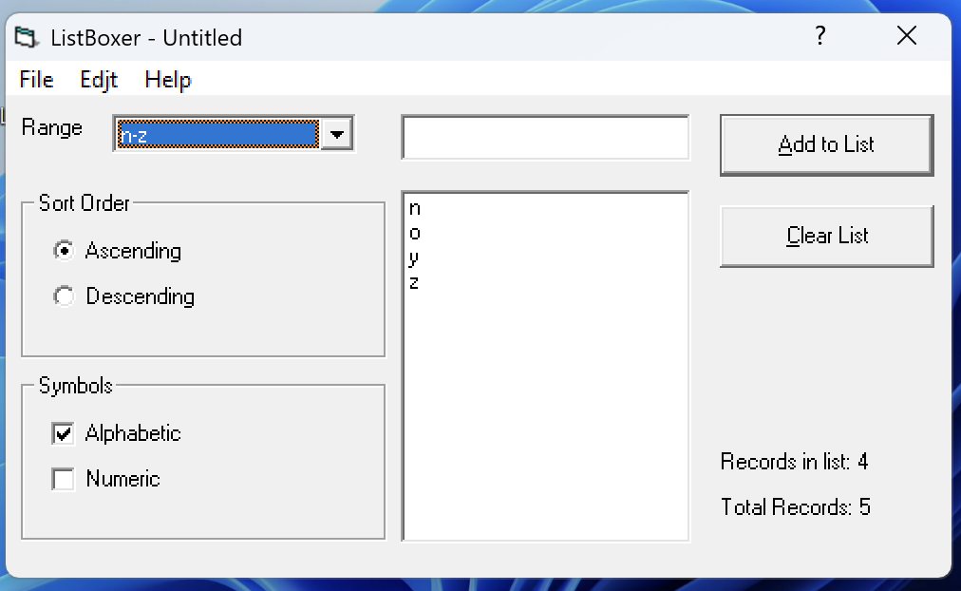
ID | 22
Title | The use of <n-z> filter in alphabetical mode, PC
Test Suite | Filters
Priority | 1/3
Estimate | 15 min
Author | Kuzmenko I.
Pre-conditions | Application is open Alphabetical mode is selected Filter value <All> is selected A list with five records has been created with the following data: m, n, o, y, z
# | Steps | Expected result | Actual Result | Status | Comment
1 | Select filter value <n-z> | Only the following values are displayed: n, o, y, z | Only the following values are displayed: n, o, y, z | passed
Post-conditions | Clear the list
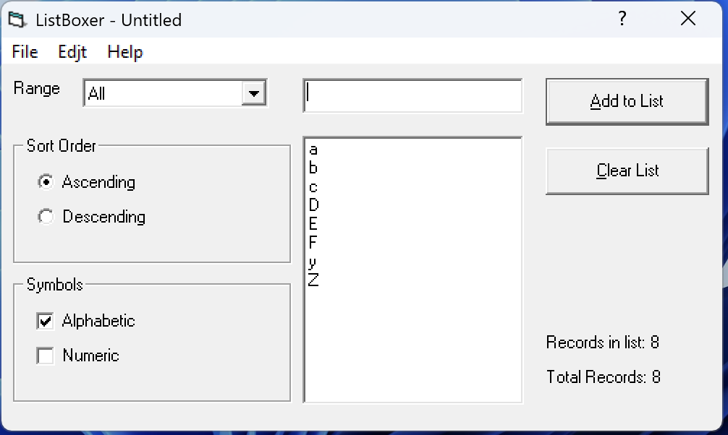
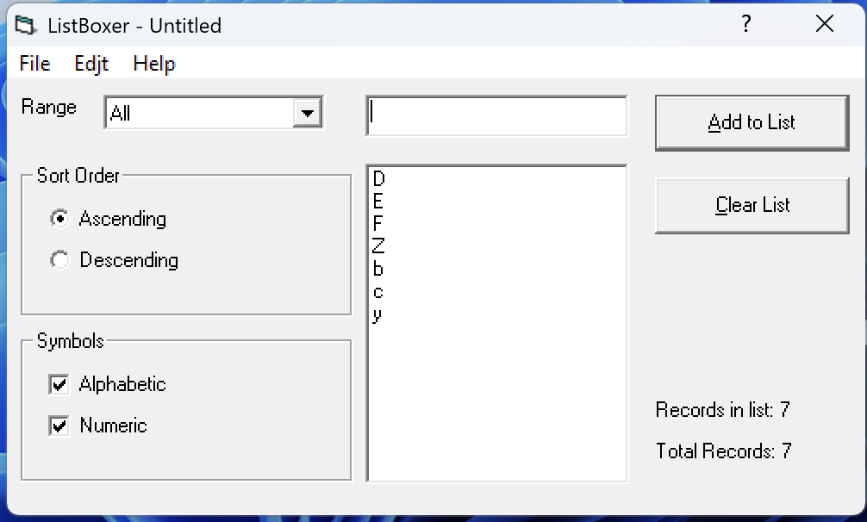
ID | 23
Title | Saving the modified list after adding a new row in alphabetical mode, PC
Test Suite | Saving the modified list
Priority | 1/3
Estimate | 10 min
Author | Kuzmenko I. |  | Actual Result | Status | Comment
Pre-conditions | Application is open Alphabetical mode is selected Filter value <All> is selected The list with 8 rows with valid data has been created and saved to disk Restart the application Open the previously saved list containing 8 rows |  | The list with 7 rows is displayed on the screen | failed | defect #6
# | Steps | Expected result
1 | Add a new row to the list | The new row is successfully added, and 9 rows of the list are displayed on the screen | A new row is successfully added, 8 rows of the list are displayed on the screen | failed | defect #6
2 | Save the modified list with 9 records | The modified list is successfully saved to the disk | The modified list is successfully saved to disk | passed
3 | Restart the application and reopen the saved list | The list with 9 records is displayed on the screen | The list with 7 records is displayed on the screen | failed | defect #6
Post-conditions | Delete the saved file from the disk
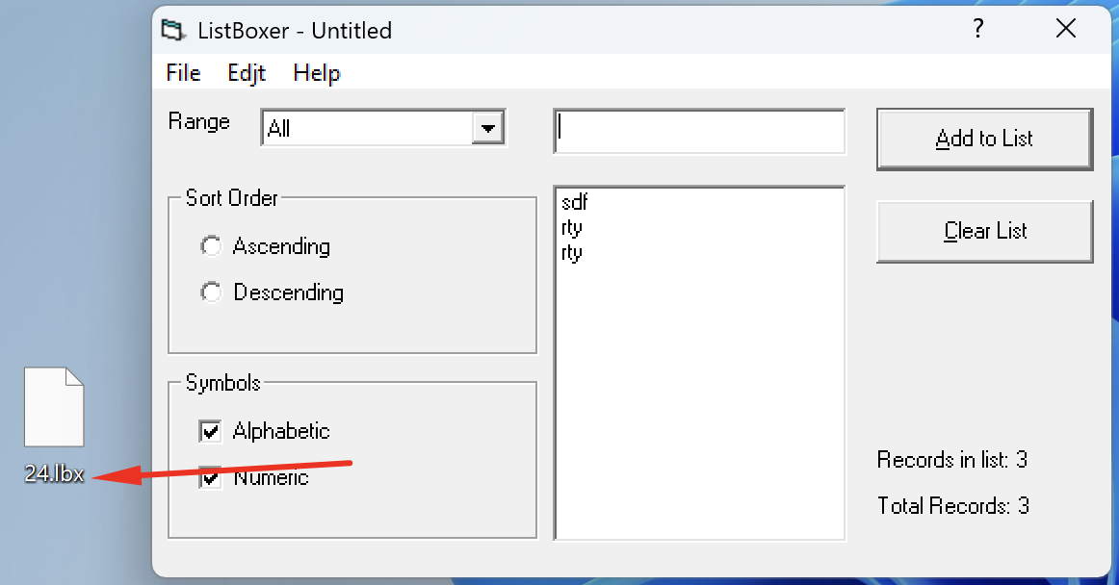
ID | 24
Title | Saving the modified list as a .txt file on disk in alphabetical mode, PC
Test Suite | Saving the modified list
Priority | 1/3
Estimate | 10 min
Author | Kuzmenko I. |  | Actual Result | Status | Comment
Pre-conditions | Previously saved list with 3 rows is open in the application Alphabetical mode is selected Filter value <All> is selected |  | The list is open, 2 rows of the list are displayed on the screen | failed | defect #6
# | Steps | Expected result
1 | Add a new row to the list | A new row is successfully added, 4 rows of the list are displayed on the screen | A new row is successfully added, 3 rows of the list are displayed on the screen | failed | defect #6
2 | Save the modified list on disk in .txt format | The modified list is successfully saved to the disk in .txt format | The modified list is successfully saved to the disk in .lbx format | failed | defect #7
Post-conditions | Delete the saved file from the disk

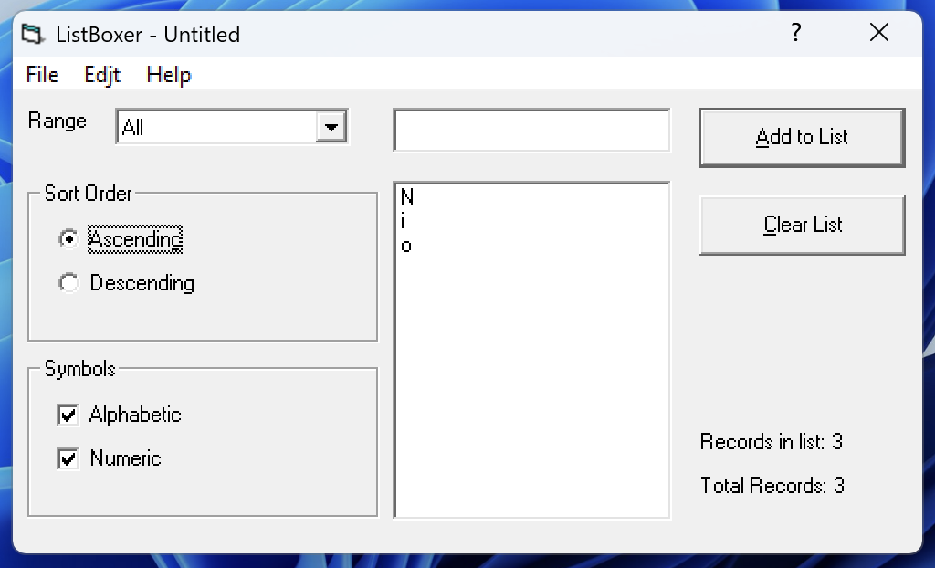
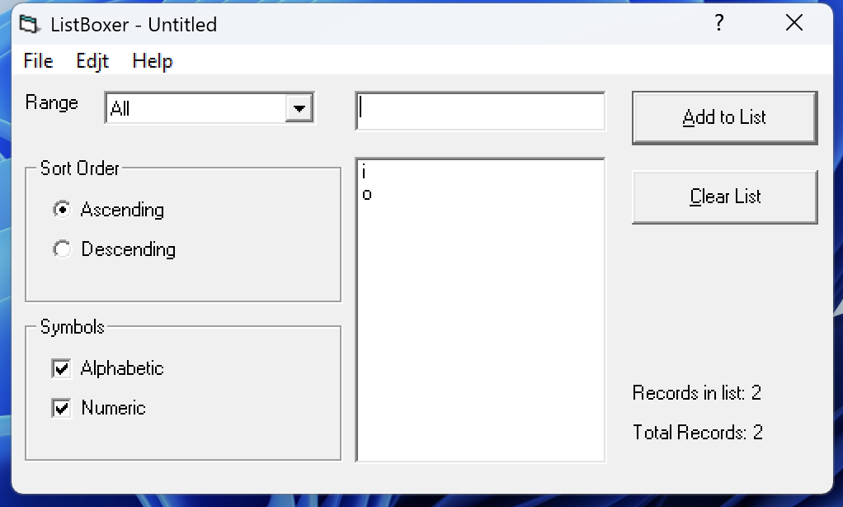
ID | 25
Title | Saving the modified list after sorting in ascending order in alphabetical mode, PC
Test Suite | Saving the modified list
Priority | 1/3
Estimate | 20 min
Author | Kuzmenko I. |  | Actual Result | Status | Comment
Pre-conditions | Application is open Alphabetical mode is selected Filter value <All> is selected The list with four rows has been created and saved to disk: L, i, o, N Restart the application Open the previously saved list that contains 4 rows |  | The list is open, 3 rows of the list are displayed on the screen | failed | defect #6
# | Steps | Expected result
1 | Select Ascending sorting from the Option Button | After sorting, the list rows are displayed in ascending order in the following sequence: i, o, L, N | After sorting, the list rows are displayed in ascending order in the following sequence: N, i, o | failed | defect #4 defect #6
2 | Save the modified list | The modified list is successfully saved to the disk | The modified list is successfully saved to disk | passed
3 | Restart the application and reopen the modified list | The modified list with four rows is displayed on the screen in the following sequence: i, o, L, N | The modified list with two rows is displayed on the screen in the following sequence: i, o | failed | defect #6
Post-conditions | Delete the saved file from the disk

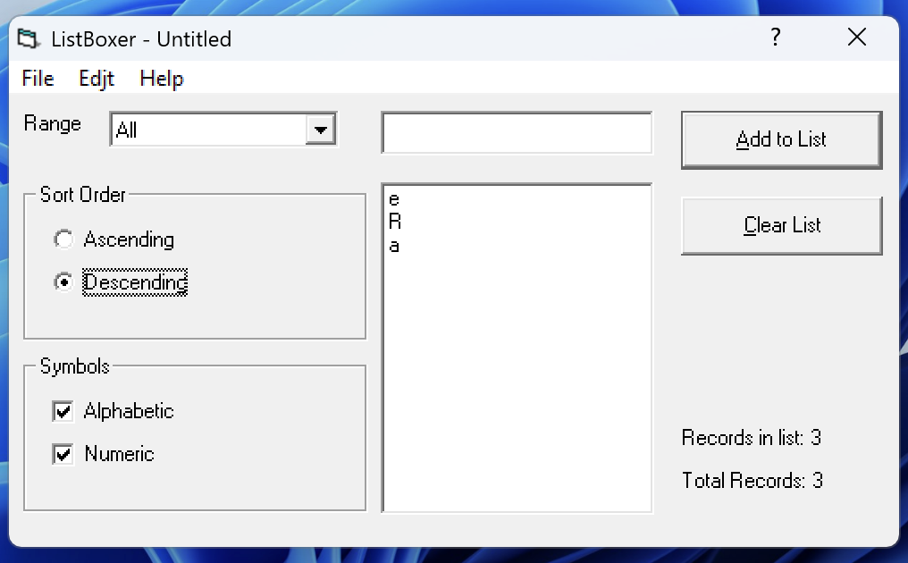
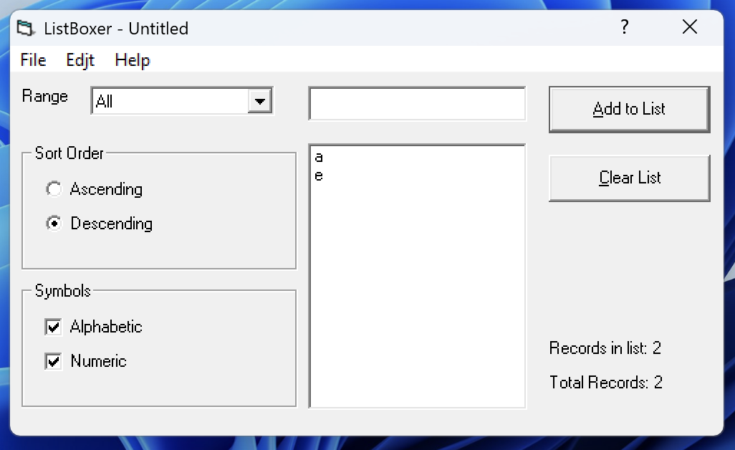
ID | 26
Title | Saving the modified list after sorting in descending order in alphabetical mode, PC
Test Suite | Saving the modified list
Priority | 1/3
Estimate | 20 min
Author | Kuzmenko I. |  | Actual Result | Status | Comment
Pre-conditions | Application is open Alphabetical mode is selected Filter value <All> is selected The list with four rows has been created and saved to disk: B, e, a, R Restart the application Open the previously saved list that contains 4 rows |  | The list is open, 3 rows of the list are displayed on the screen | failed | defect #6
# | Steps | Expected result
1 | Select Descending sorting from the option button | After sorting, the list rows are displayed in descending order in the following sequence: e, a, R, B | After sorting, the list rows are displayed in the following sequence: e, R, a | failed | defect #4 defect #6
2 | Save the modified list | The modified list is successfully saved to the disk | The modified list is successfully saved to disk | passed
3 | Restart the application and reopen the modified list | The modified list with four rows is displayed on the screen in the following sequence: e, a, R, B | The modified list with two rows is displayed on the screen in the following sequence: a, e | failed | defect #6
Post-conditions | Delete the saved file from the disk

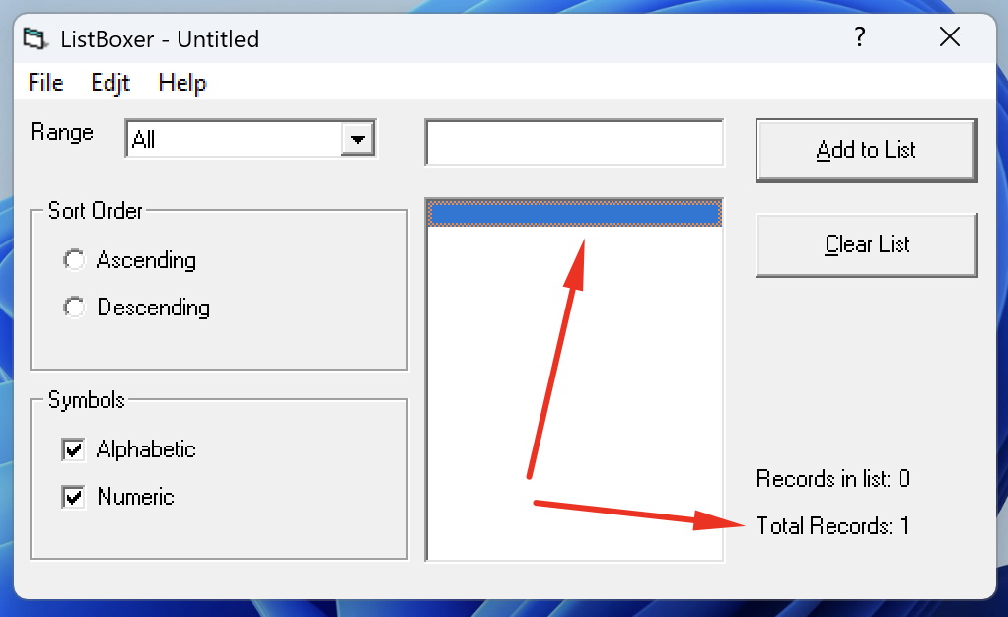
ID | 27
Title | Saving the modified list after clearing it in alphabetical mode, PC
Test Suite | Saving the modified list
Priority | 1/3
Estimate | 20 min
Author | Kuzmenko I. |  | Actual Result | Status | Comment
Pre-conditions | In the application, a previously saved list with 3 rows is open Alphabetical mode is selected Filter value <All> is selected |  | The list is open, 2 rows of the list are displayed on the screen | failed | defect #6
# | Steps | Expected result
1 | Clear the list using the <Clear list> button | All information is removed from the list | All information is removed from the list | passed
2 | Save the modified list | The modified list is successfully saved to the disk | The modified list is successfully saved to disk | passed
3 | Restart the application and reopen the modified list | An empty modified list is open | The modified list is opened with one empty row | failed | defect #8
Post-conditions | Delete the saved file from the disk

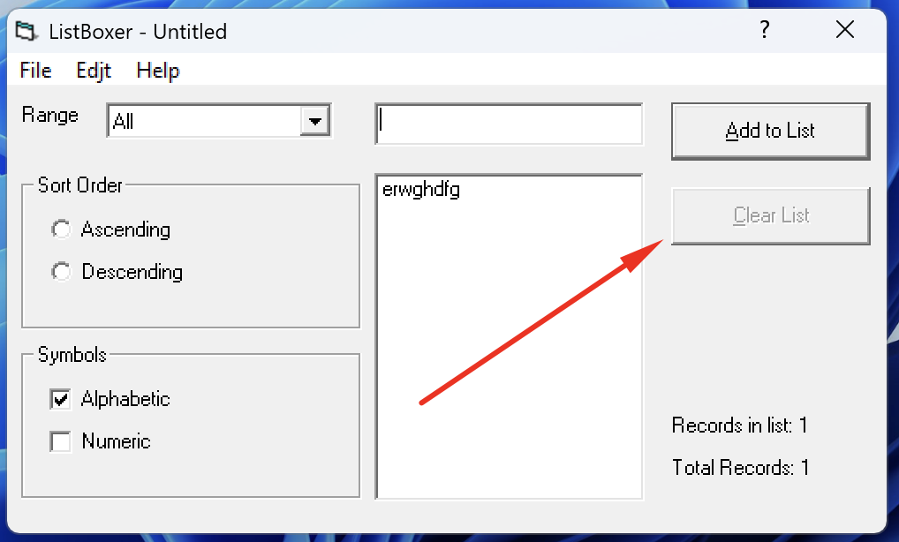
ID | 28
Title | Clearing the list with a single row using the <Clear list> button in alphabetical mode, PC
Test Suite | Clearing the list
Priority | 1/3
Estimate | 10 min
Author | Kuzmenko I.
Pre-conditions | Application is open Alphabetical mode is selected Filter value <All> is selected A list with 1 row with valid data has been created
# | Steps | Expected result | Actual Result | Status | Comment
1 | Press the <Clear list> button | All information from the list is removed | The <Clear list> button is inactive; it is not possible to clear the list with one row. | failed | defect #9
Post-conditions | ...

ID | 29
Title | Clearing the list using the <Clear list> button in alphabetical mode, PC
Test Suite | Clearing the list
Priority | 1/3
Estimate | 10 min
Author | Kuzmenko I.
Pre-conditions | Application is open Alphabetical mode is selected Filter value <All> is selected A list with two rows with valid data has been created
# | Steps | Expected result | Actual Result | Status | Comment
1 | Press the <Clear list> button | All information from the list is removed | All information from the list is removed | passed
Post-conditions | ...

ID | 30
Title | Cancellation of the last action (adding a string to the list) in alphabetical mode, PC
Test Suite | Cancellation of the last action
Priority | 1/3
Estimate | 10 min
Author | Kuzmenko I.
Pre-conditions | Application is open Alphabetical mode is selected Filter value <All> is selected A list with two rows with valid data has been created
# | Steps | Expected result | Actual Result | Status | Comment
1 | Press the <Undo> button | The addition of the last row to the list is canceled, and the list displays one row. | The addition of the last row to the list is canceled, and the list displays one row. | passed
Post-conditions | ...

ID | 31
Title | Cancellation of the last two actions in alphabetical mode, NC
Test Suite | Cancellation of the last action
Priority | 1/3
Estimate | 15 min
Author | Kuzmenko I.
Pre-conditions | Application is open Alphabetical mode is selected Filter value <All> is selected A list with two rows with valid data has been created
# | Steps | Expected result | Actual Result | Status | Comment
1 | Press the <Undo> button the first time | The addition of the last row to the list is cancelled, and the list displays one value. | The addition of the last row to the list is cancelled, and the list displays one value. | passed
2 | Press the <Undo> button a second time | A repeated cancellation of the addition of a row to the list does not occur, and one row remains displayed in the list. | A repeated cancellation of the addition of a row to the list does not occur, and one row remains displayed in the list. | passed
Post-conditions | Clear the list

ID | 32
Title | Cancellation of the last action (clearing the list) in alphabetical mode, PC
Test Suite | Cancellation of the last action
Priority | 1/3
Estimate | 10 min
Author | Kuzmenko I.
Pre-conditions | Application is open Alphabetical mode is selected Filter value <All> is selected A row with valid data has been created in the list The list has been cleared using the <Clear list> button
# | Steps | Expected result | Actual Result | Status | Comment
1 | Press the <Undo> button | The list clearing is canceled, and the list is displayed on the screen | The list clearing is canceled, and the list is displayed on the screen | passed
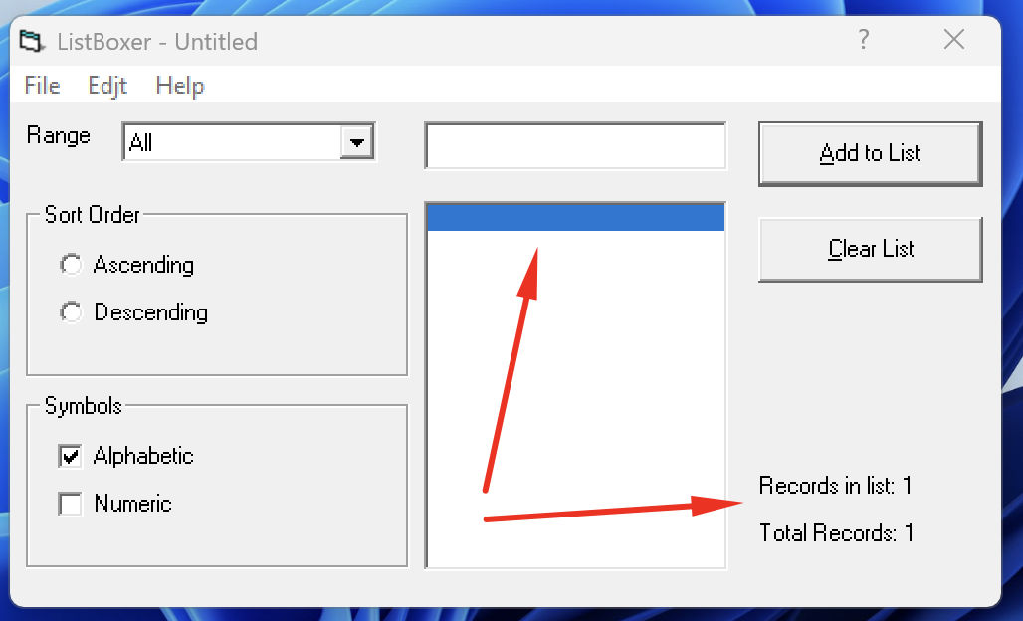
Post-conditions | Clear the list

ID | 33
Title | Cancellation of the last action in a previously saved and reopened file, PC
Test Suite | Cancellation of the last action
Priority | 1/3
Estimate | 10 min
Author | Kuzmenko I. |  | Actual Result | Status | Comment
Pre-conditions | Application is open Alphabetical mode is selected Filter value <All> is selected In the application, a previously saved list with 5 rows is open |  | List is open, 4 rows of the list are displayed on the screen | failed | defect #6
# | Steps | Expected result
1 | Press the <Undo> button | No action occurs; the list with 5 rows is displayed on the screen | A list with 1 empty row is displayed on the screen | failed | defect #10
Post-conditions | Clear the list

Defect Reports
Reporter: | Kuzmenko I.
ID | 1
Summary | The system allows the special character "$" to be entered into the field, but it should block the input of all special characters
Incident Description
Pre-Conditions | Application is open Alphabetical mode is selected
Steps | 1. Enter the special character "$" into the input field
Actual result | The special character "$" is displayed in the input field
Expected result | The special character "$" is not displayed in the input field, the system does not allow the input of special characters.
Environment | Windows 11 Pro, version 24H2
Build | Version 1.89
Severity | 1/3
Priority | 3/3
Attachment

Reporter: | Kuzmenko I.
ID | 2
Summary | The system allows adding an empty row to the list using the Add to List button
Incident Description
Pre-Conditions | Application is open Alphabetical mode is selected Filter value <All> is selected Click on the input field to activate it
Steps | 1. The input field is empty, click on the Add to List button
Actual result | An empty row is added to the list
Expected result | An empty row is not added to the list
Environment | Windows 11 Pro, version 24H2
Build | Version 1.89
Severity | 1/3
Priority | 1/3
Attachment

Reporter: | Kuzmenko I.
ID | 3
Summary | The system allows adding an empty row to the list using the Enter key
Incident Description
Pre-Conditions | Application is open Alphabetical mode is selected Filter value <All> is selected Click on the input field to activate it
Steps | 1. The input field is empty, press the Enter key
Actual result | An empty row is added to the list
Expected result | An empty row is not added to the list
Environment | Windows 11 Pro, version 24H2
Build | Version 1.89
Severity | 1/3
Priority | 1/3
Attachment

Reporter: | Kuzmenko I.
ID | 4
Summary | Ascending sorting in Alphabetical mode is performed first by uppercase letters and then by lowercase letters, but it should be the other way around
Incident Description
Pre-Conditions | Application is open Alphabetical mode is selected Filter value <All> is selected The list with 8 rows has been created with the following data: f, F, o, O, x, X, y, Y
Steps | 1. Select Ascending from the Option Button
Actual result | Data is sorted in the following sequence: F, O, X, Y, f, o, x, y
Expected result | Data is sorted in the following sequence: f, o, x, y, F, O, X, Y
Environment | Windows 11 Pro, version 24H2
Build | Version 1.89
Severity | 1/3
Priority | 1/3
Attachment

Reporter: | Kuzmenko I.
ID | 5
Summary | During descending sorting in Alphabetical mode, the last two records swap places
Incident Description
Pre-Conditions | Application is open Alphabetical mode is selected Filter value <All> is selected The list with 8 records has been created with the following data: f, F, o, O, x, X, y, Y
Steps | 1. Select Descending from the Option Button
Actual result | Data is sorted in the following sequence: y, x, o, f, Y, X, F, O
Expected result | Data is sorted in the following sequence: y, x, o, f, Y, X, O, F
Environment | Windows 11 Pro, version 24H2
Build | Version 1.89
Severity | 1/3
Priority | 1/3
Attachment

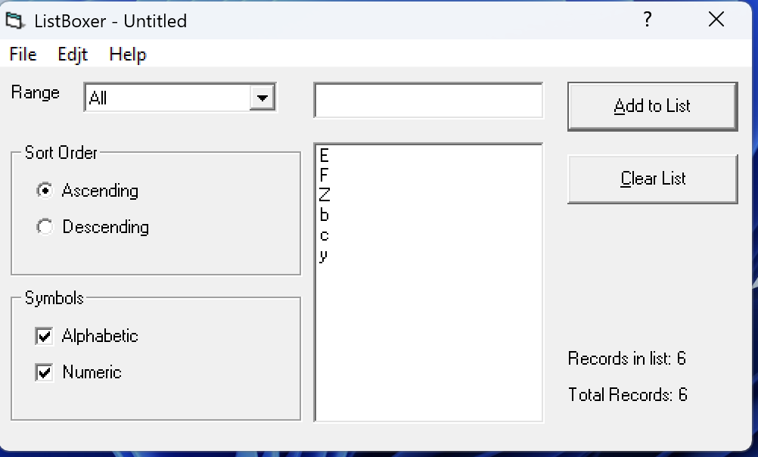
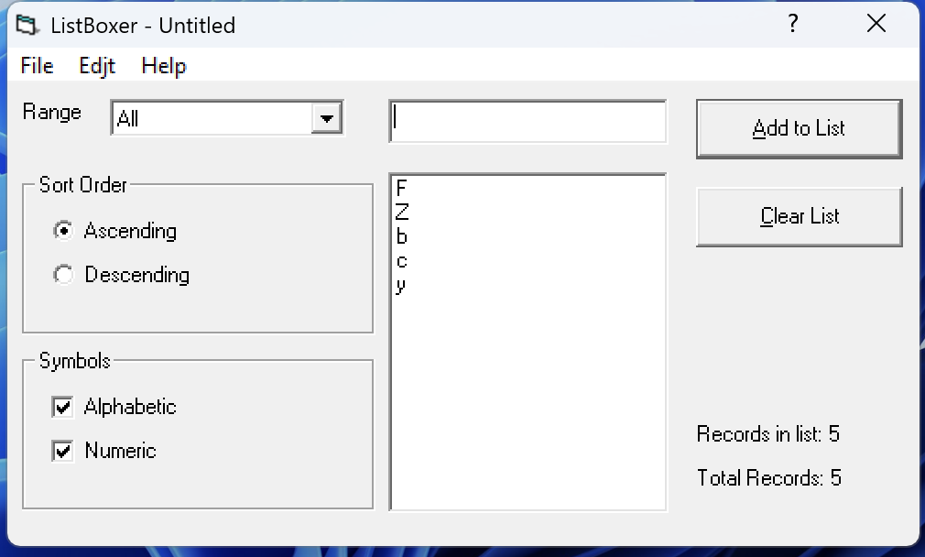
Reporter: | Kuzmenko I.
ID | 6
Summary | When saving to the disk and reopening the list, one record from the list is removed. With each subsequent save, one record is removed from the list each time
Incident Description | With each subsequent save, one record is removed from the list each time
Pre-Conditions | Application is open Alphabetical mode is selected Filter value <All> is selected The list with 8 records with valid data has been created
Steps | 1. Save the file to the disk 2. Restart the application and reopen the saved list
Actual result | The file is successfully saved to disk, and the list displayed on the screen contains 7 records
Expected result | The file is successfully saved to disk, and the list displayed on the screen contains 8 records
Environment | Windows 11 Pro, version 24H2
Build | Version 1.89
Severity | 1/3
Priority | 1/3
Attachment

Reporter: | Kuzmenko I.
ID | 7
Summary | When saving the modified list to disk, the file is saved in .lbx format instead of .txt
Incident Description
Pre-Conditions | Application is open Alphabetical mode is selected Filter value <All> is selected A previously saved list with 3 rows is open
Steps | 1. Add a new row to the list 2. Save the modified list to the disk
Actual result | The modified list is successfully saved to the disk in .lbx format
Expected result | The modified list is successfully saved to the disk in .txt format
Environment | Windows 11 Pro, version 24H2
Build | Version 1.89
Severity | 1/3
Priority | 1/3
Attachment

Reporter: | Kuzmenko I.
ID | 8
Summary | After clearing and saving a previously created list, it opens with one empty row
Incident Description
Pre-Conditions | Application is open Alphabetical mode is selected Filter value <All> is selected A previously saved list with 3 rows is open
Steps | 1. Clear the list using the <Clear list> button 2. Save the modified list 3. Restart the application and reopen the modified list
Actual result | The modified list opens with one empty row
Expected result | An empty modified list is open
Environment | Windows 11 Pro, version 24H2
Build | Version 1.89
Severity | 1/3
Priority | 1/3
Attachment

Reporter: | Kuzmenko I.
ID | 9
Summary | It is impossible to clear a list that consists of one row
Incident Description
Pre-Conditions | Application is open Alphabetical mode is selected Filter value <All> is selected The list with 1 record with valid data is created
Steps | 1. Press the <Clear list> button
Actual result | The <Clear list> button is inactive, it is impossible to clear the list
Expected result | All information from the list is removed
Environment | Windows 11 Pro, version 24H2
Build | Version 1.89
Severity | 1/3
Priority | 1/3
Attachment

Reporter: | Kuzmenko I.
ID | 10
Summary | After opening a previously saved list and pressing the <Undo> button, all rows are removed from the list
Incident Description
Pre-Conditions | Application is open Alphabetical mode is selected Filter value <All> is selected The previously saved list with 5 rows is open
Steps | 1. Press the <Undo> button
Actual result | A list with 1 empty row is displayed on the screen
Expected result | No action occurs
Environment | Windows 11 Pro, version 24H2
Build | Version 1.89
Severity | 1/3
Priority | 1/3
Attachment

