Questions
Clarifying questions:
1. | If the user is creating the ID themselves, what is the maximum and minimum number of characters allowed?
2. | If the ID is assigned automatically, should it be assigned strictly in ascending order? What is the required length for this ID?
3. | What should the system do if there is a space before or after the ID?
4. | Is there a predefined list of pet categories and corresponding IDs, or can any value be entered in this field? When specifying a category, does the corresponding ID get automatically inserted, and vice versa—if you fill in the ID, does the corresponding category get automatically inserted? Should both category fields (name and ID) be tested as a pair?
5. | What is the maximum and minimum number of characters that can be entered in the name field and in category(name)?
6. | What is the maximum number of URLs (photoUrls) that can be added for a single pet ID?
7. | What is the maximum number of tags that can be added to a single pet ID?
8. | If a required parameter is removed from the request body, how should the system respond?
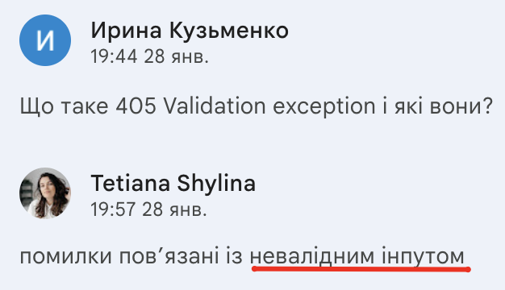
9. | It’s unclear which status code the system should return when invalid data is provided (400 or 405): - ‘In case of providing incorrect data, the user receives a response with code 400.’ (from the Epic: User Story 2) - From the correspondence with the product owner ->

10. | When integer or boolean data is entered into a field that is supposed to accept only strings, how should the system respond?
11. | According to general practice, a 400 Bad Request code should be returned when an invalid request is sent to the server. According to the documentation at petstore.swagger.io, a 400 is returned for “Invalid ID supplied.” Which code should be returned for an invalid request that has an error in a different field (not the ID)?
12. | In general usage, a 405 Method Not Allowed code means the server recognizes the request method but does not currently permit its use. The documentation at petstore.swagger.io shows a 405 “Validation exception.” In what cases should the system return this?
13. | Can the Pet status be updated to something not listed in the documentation, for example, “out of stock”?
14. | Are there any client-side validation restrictions?

Bug Reports
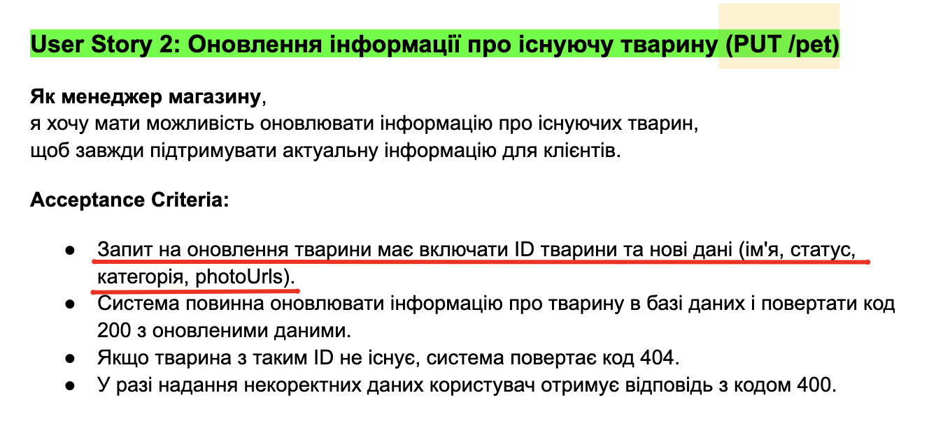
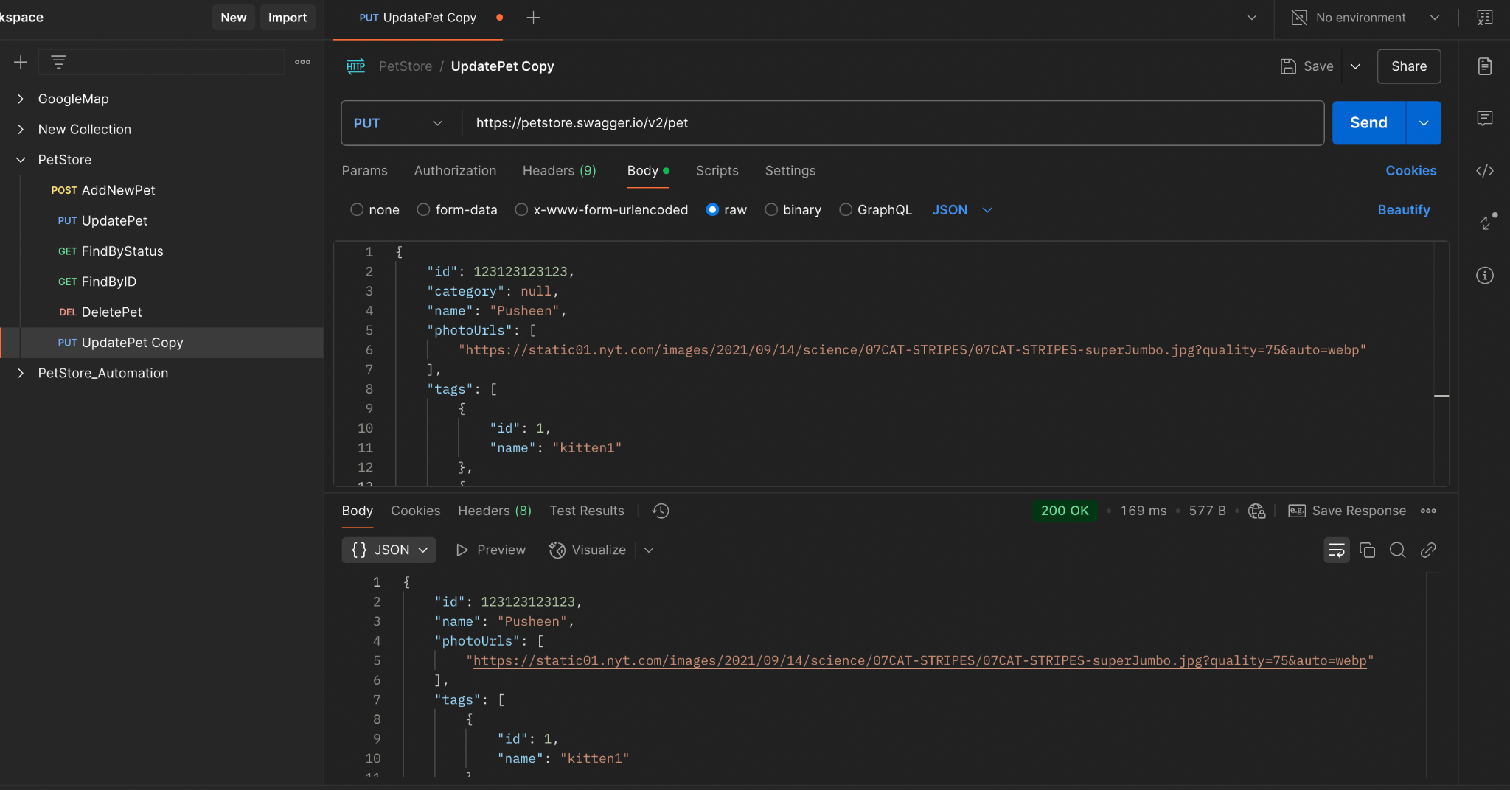
Reporter: | I. Kuzmenko
ID | 1
Summary | According to the request model in Swagger, parameters such as ID, Category, and Status are not marked as required fields, even though they should be.
Incident Description
Pre-Conditions | Open the document Епік: Управління тваринами в зоомагазині через API Open Swagger Petstore
Steps | 1. In the Epic, find User Story 2: Updating information about an existing product. Find the Acceptance Criteria for the request to update a pet and the fields it must include.
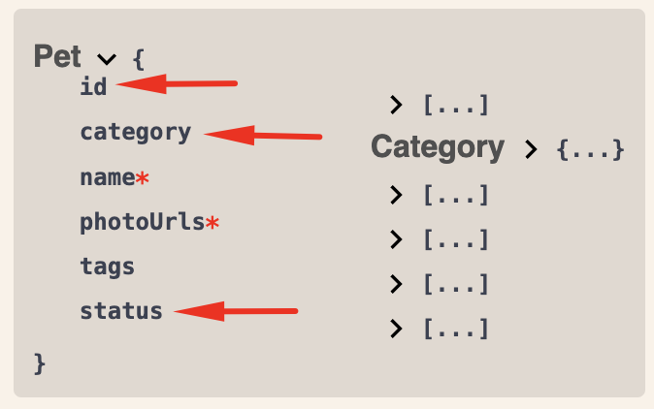
 | 2. In the Swagger Petstore, in the "Pet. Everything about your Pets" block, find the PUT method and click on it. In the Description, click on Model.
 | 3. Compare the required fields to be filled in from both documents.
Actual result | In the Swagger Petstore, the Name and PhotoUrls parameters are marked as required fields, while the rest of the fields are not marked as required.
Expected result | In both documents, the parameters ID, Category, Name, PhotoUrls, and Status are marked as required fields.
Environment | https://petstore.swagger.io/#/
Build
Severity | 1/3
Priority | 1/3
Attachment

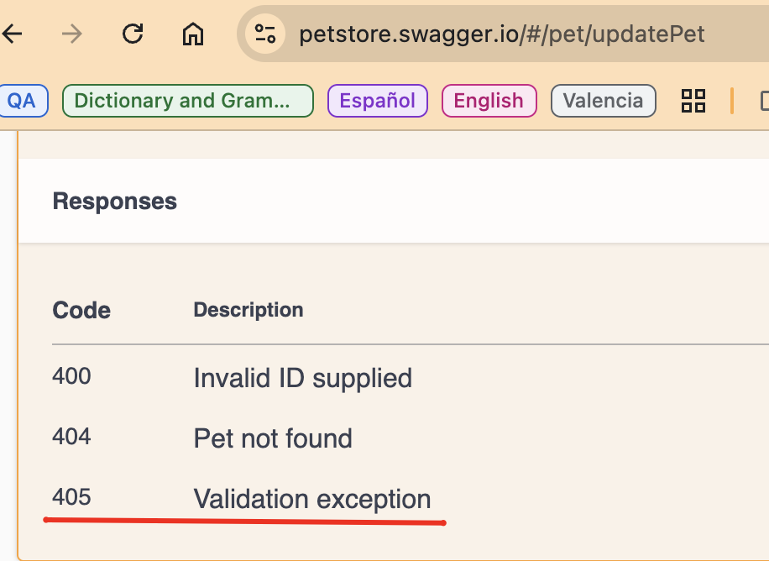
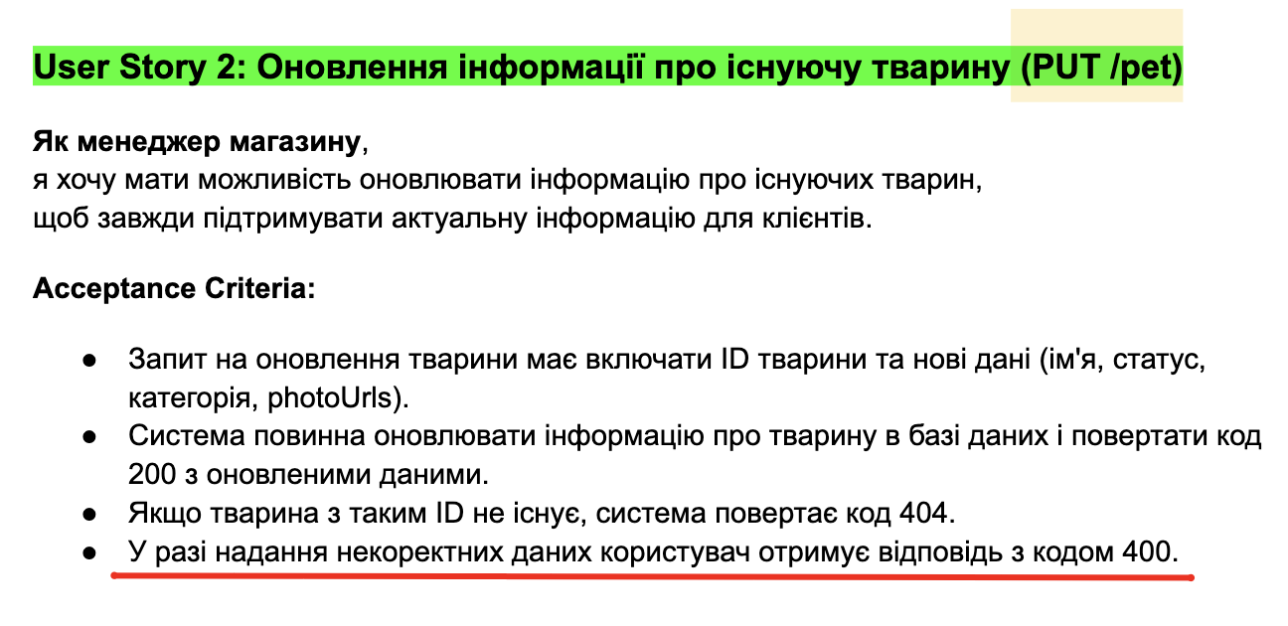
Reporter: | I. Kuzmenko
ID | 2
Summary | According to the Epic and Swagger Petstore documentation, the system should return two different status codes when the user sends incorrect data, but there should actually be a single, consistent status code.
Incident Description
Pre-Conditions | Open the document Епік: Управління тваринами в зоомагазині через API Open Swagger Petstore
Steps | Find in both documents the status code the system should return when the user provides incorrect data.
Actual result | According to the Epic (User Story 2), the system should return status code 400. According to Swagger Petstore, the system should return status code 405 for validation exceptions.
Expected result | According to both documents, the system must return the same status code.
Environment | https://petstore.swagger.io/#/
Build
Severity | 1/3
Priority | 1/3
Attachment

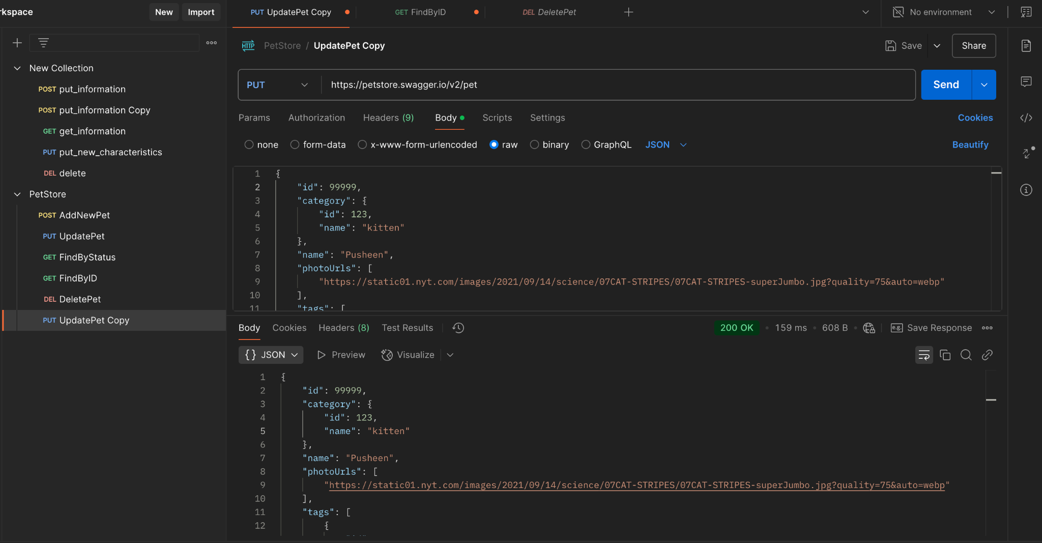
Reporter: | I. Kuzmenko
ID | 3
Summary | When updating a PET with a non-existent ID, the system creates a new PET instead of returning status code 404 Pet not found.
Incident Description
Pre-Conditions | The server with API is running Base URL: petstore.swagger.io/v2 PET із ID = 99999 not registered in the system
Steps | Send a request: PUT /pet { "id": 99999, "category": { "id": 123, "name": "kitten" }, "name": "Pusheen", "photoUrls": [ "https://static01.nyt.com/images/2021/09/14/science/07CAT-STRIPES/07CAT-STRIPES-superJumbo.jpg?quality=75&auto=webp" ], "tags": [ { "id": 1, "name": "kitten1" }, { "id": 2, "name": "small cat" } ], "status": "available" }
Actual result | Response: 200 OK. The system creates a new PET.
Expected result | Response: 404 Pet not found
Environment | https://petstore.swagger.io/v2
Build
Severity | 1/3
Priority | 1/3
Attachment

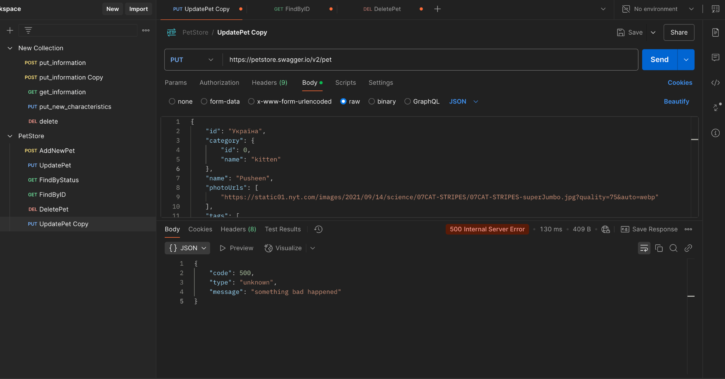
Reporter: | I. Kuzmenko
ID | 4
Summary | When updating a PET with ID = string, the system returns status code 500 Internal Server Error instead of returning 400 Invalid ID supplied.
Incident Description
Pre-Conditions | The server with API is running Base URL: petstore.swagger.io/v2
Steps | Send a request: PUT /pet { "id": "Україна", "category": { "id": 0, "name": "kitten" }, "name": "Pusheen", "photoUrls": [ "https://static01.nyt.com/images/2021/09/14/science/07CAT-STRIPES/07CAT-STRIPES-superJumbo.jpg?quality=75&auto=webp" ], "tags": [ { "id": 1, "name": "kitten1" }, { "id": 2, "name": "small cat" } ], "status": "available" }
Actual result | Response: 500 Internal Server Error
Expected result | Response: 400 Invalid ID supplied
Environment | https://petstore.swagger.io/v2
Build
Severity | 1/3
Priority | 1/3
Attachment

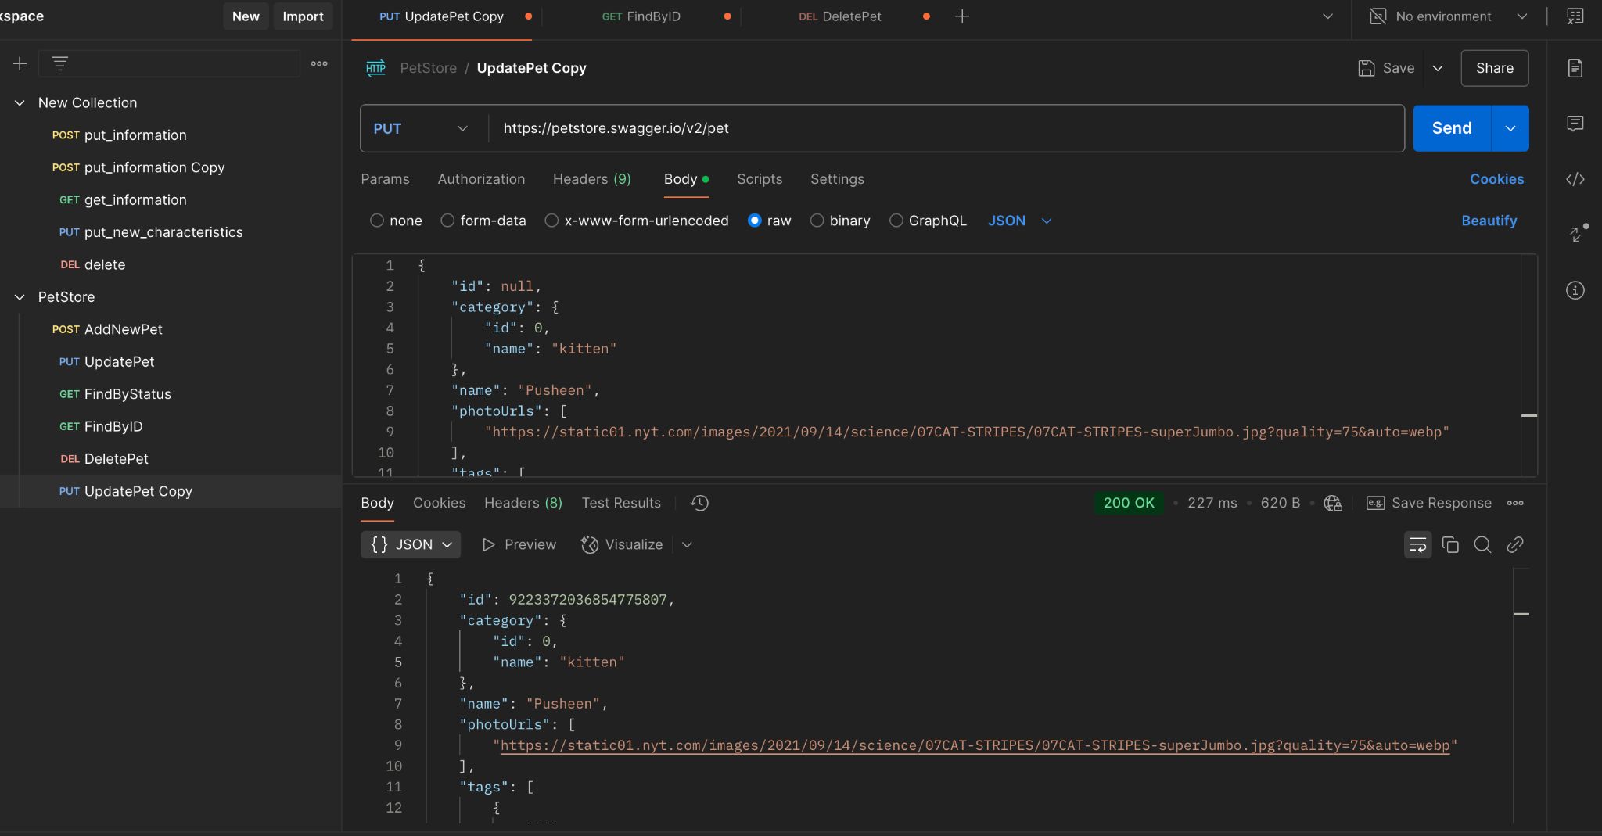
Reporter: | I. Kuzmenko
ID | 5
Summary | When updating a PET with ID = null, the system creates a new PET instead of returning status code 400 Invalid ID supplied.
Incident Description | The system returns status code 200 OK and the body with a new ID and the submitted data (as if it’s creating a new PET), but when checking the returned ID using the GET method, the system returns that ID with different data.
Pre-Conditions | The server with API is running Base URL: petstore.swagger.io/v2
Steps | Send a request: PUT /pet { "id": null, "category": { "id": 0, "name": "kitten" }, "name": "Pusheen", "photoUrls": [ "https://static01.nyt.com/images/2021/09/14/science/07CAT-STRIPES/07CAT-STRIPES-superJumbo.jpg?quality=75&auto=webp" ], "tags": [ { "id": 1, "name": "kitten1" }, { "id": 2, "name": "small cat" } ], "status": "available" }
Actual result | Response: 200 OK. In the body, the system returns the submitted PET data with a new ID, which differs from the one sent in the request.
Expected result | Response: 400 Invalid ID supplied
Environment | https://petstore.swagger.io/v2
Build
Severity | 1/3
Priority | 1/3
Attachment

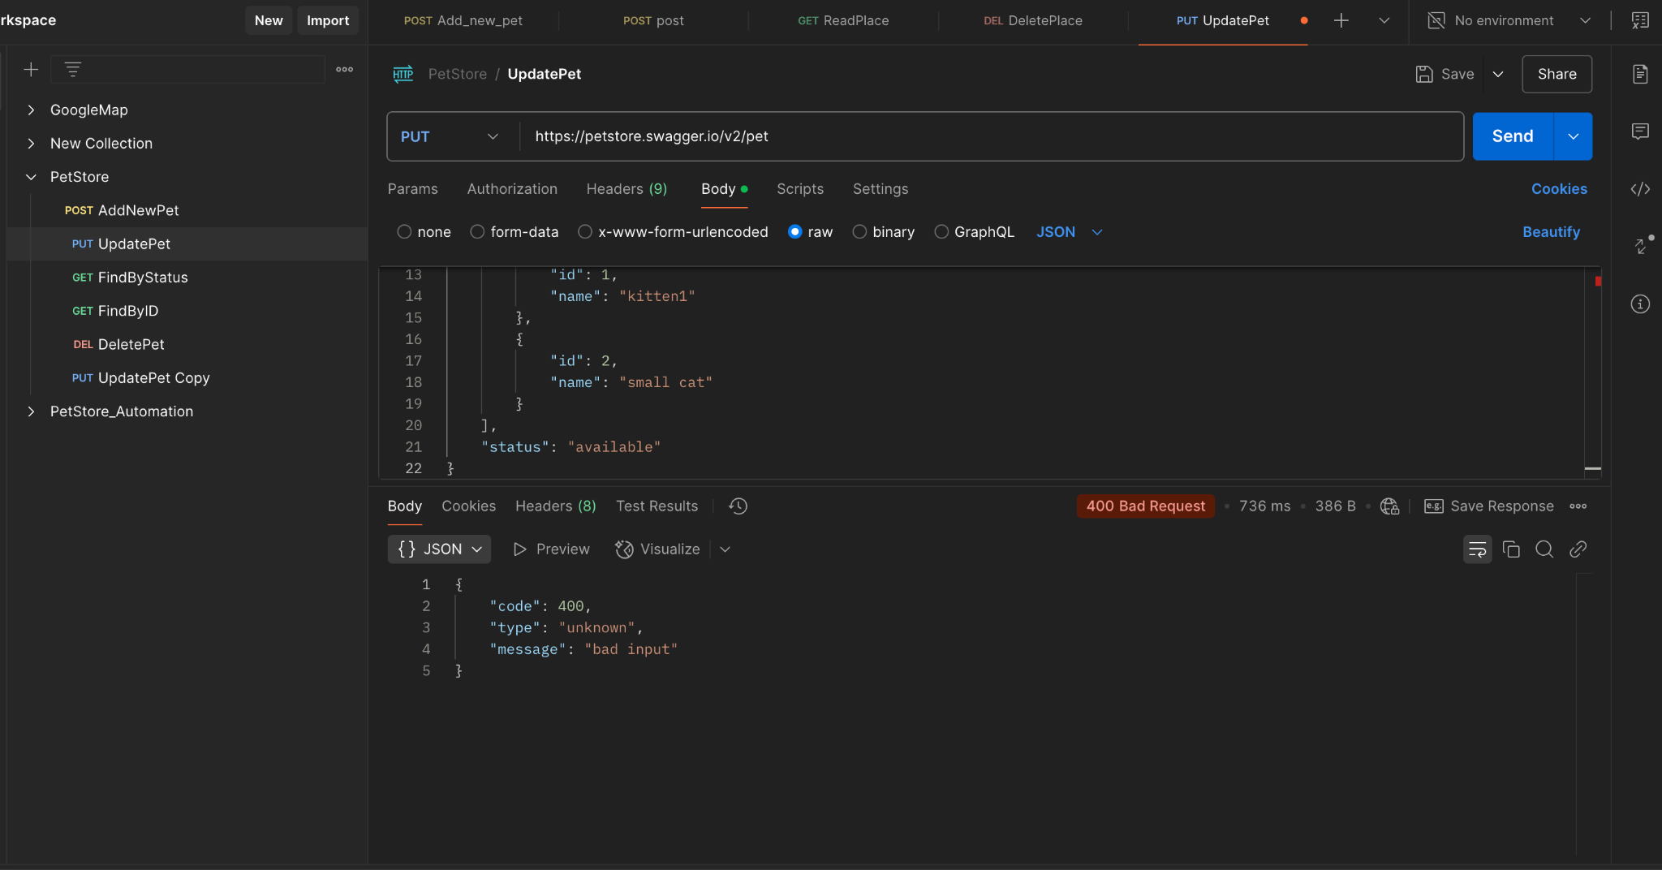
Reporter: | I. Kuzmenko
ID | 6
Summary | When updating a PET with an ID = integer whose first character is 0, the system returns status code 400 Bad Request, but it should return 400 Invalid ID supplied.
Incident Description
Pre-Conditions | The server with API is running Base URL: petstore.swagger.io/v2
Steps | Send a request: PUT /pet { "id": 0123123123123, "category": { "id": 0, "name": "kitten" }, "name": "Pusheen", "photoUrls": [ "https://static01.nyt.com/images/2021/09/14/science/07CAT-STRIPES/07CAT-STRIPES-superJumbo.jpg?quality=75&auto=webp" ], "tags": [ { "id": 1, "name": "kitten1" }, { "id": 2, "name": "small cat" } ], "status": "available" }
Actual result | Response: 400 Bad Request
Expected result | Response: 400 Invalid ID supplied
Environment | https://petstore.swagger.io/v2
Build
Severity | 3/3
Priority | 3/3
Attachment

Reporter: | I. Kuzmenko
ID | 7
Summary | When updating a PET with a new Category ID value = null, the system returns status code 200 OK, but it should return 400 Invalid ID supplied.
Incident Description
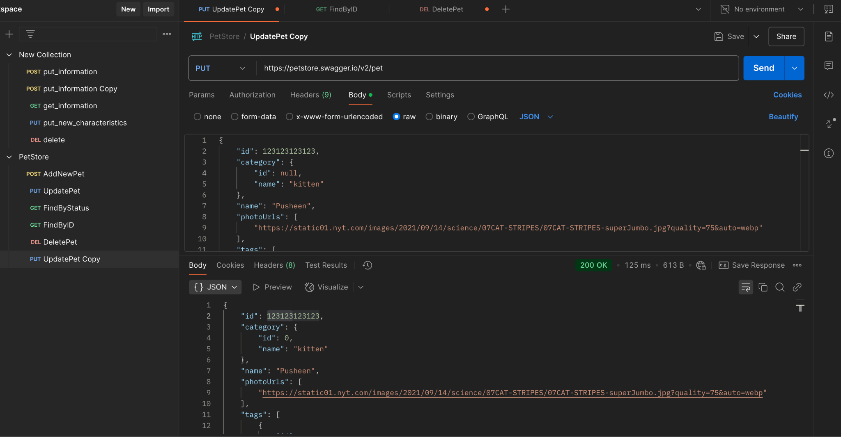
Pre-Conditions | The server with API is running Base URL: petstore.swagger.io/v2 The PET with the following data is registered in the system: { "id": 123123123123, "category": { "id": 123, "name": "kitten" }, "name": "Pusheen", "photoUrls": [ "https://static01.nyt.com/images/2021/09/14/science/07CAT-STRIPES/07CAT-STRIPES-superJumbo.jpg?quality=75&auto=webp" ], "tags": [ { "id": 1, "name": "kitten1" }, { "id": 2, "name": "small cat" } ], "status": "available" }
Steps | Send a request: PUT /pet { "id": 123123123123, "category": { "id": null, "name": "kitten" }, "name": "Pusheen", "photoUrls": [ "https://static01.nyt.com/images/2021/09/14/science/07CAT-STRIPES/07CAT-STRIPES-superJumbo.jpg?quality=75&auto=webp" ], "tags": [ { "id": 1, "name": "kitten1" }, { "id": 2, "name": "small cat" } ], "status": "available" }
Actual result | Response: 200 OK. In the response body, the system returns a Category ID value = 0
Expected result | Response: 400 Invalid ID supplied
Environment | https://petstore.swagger.io/v2
Build
Severity | 1/3
Priority | 1/3
Attachment

Reporter: | I. Kuzmenko
ID | 8
Summary | When updating a PET with a new Category ID value = negative number, the system changes the ID to a negative value, but it should return status code 400 Invalid ID supplied.
Incident Description
Pre-Conditions | The server with API is running Base URL: petstore.swagger.io/v2 The PET with the following data is registered in the system: { "id": 123123123123, "category": { "id": 123, "name": "kitten" }, "name": "Pusheen", "photoUrls": [ "https://static01.nyt.com/images/2021/09/14/science/07CAT-STRIPES/07CAT-STRIPES-superJumbo.jpg?quality=75&auto=webp" ], "tags": [ { "id": 1, "name": "kitten1" }, { "id": 2, "name": "small cat" } ], "status": "available" }
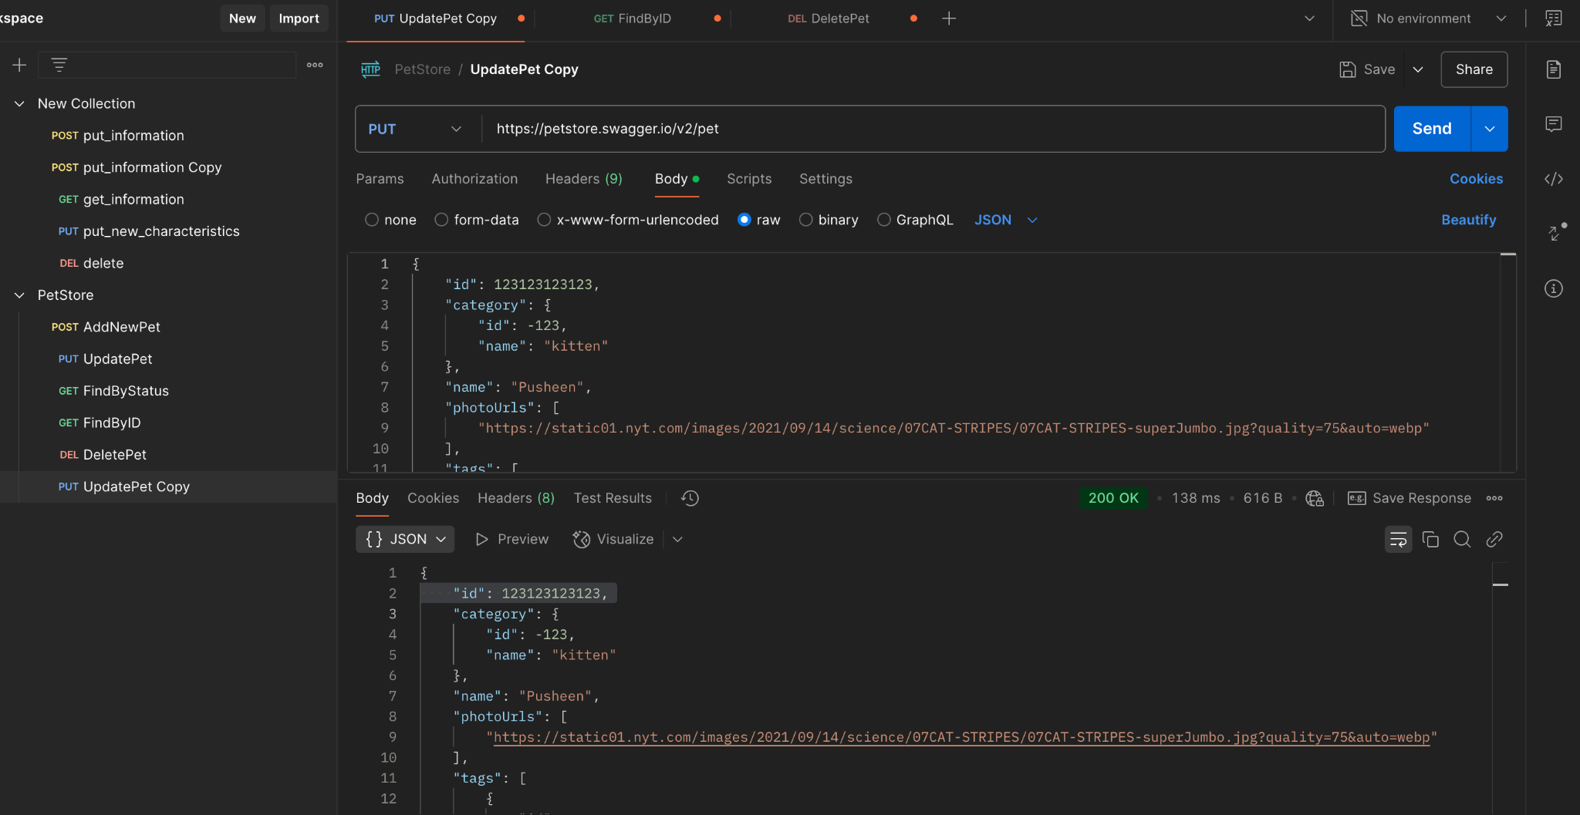
Steps | Send a request: PUT /pet { "id": 123123123123, "category": { "id": -123, "name": "kitten" }, "name": "Pusheen", "photoUrls": [ "https://static01.nyt.com/images/2021/09/14/science/07CAT-STRIPES/07CAT-STRIPES-superJumbo.jpg?quality=75&auto=webp" ], "tags": [ { "id": 1, "name": "kitten1" }, { "id": 2, "name": "small cat" } ], "status": "available" }
Actual result | Response: 200 OK. In the response body, the ID changes to a negative value.
Expected result | Response: 400 Invalid ID supplied
Environment | https://petstore.swagger.io/v2
Build
Severity | 1/3
Priority | 1/3
Attachment

Reporter: | I. Kuzmenko
ID | 9
Summary | When updating a PET with a new value Category = null, the system returns status code 200 OK and the body without the required Category field, but it should return a 4xx response.
Incident Description
Pre-Conditions | The server with API is running Base URL: petstore.swagger.io/v2 The PET with the following data is registered in the system: { "id": 123123123123, "category": { "id": 123, "name": "kitten" }, "name": "Pusheen", "photoUrls": [ "https://static01.nyt.com/images/2021/09/14/science/07CAT-STRIPES/07CAT-STRIPES-superJumbo.jpg?quality=75&auto=webp" ], "tags": [ { "id": 1, "name": "kitten1" }, { "id": 2, "name": "small cat" } ], "status": "available" }
Steps | Send a request: PUT /pet { "id": 123123123123, "category": null, "name": "Pusheen", "photoUrls": [ "https://static01.nyt.com/images/2021/09/14/science/07CAT-STRIPES/07CAT-STRIPES-superJumbo.jpg?quality=75&auto=webp" ], "tags": [ { "id": 1, "name": "kitten1" }, { "id": 2, "name": "small cat" } ], "status": "available" }
Actual result | Response: 200 OK. In the response body, the system returns updated PET data without the required Category field.
Expected result | Response: status code 4хх
Environment | https://petstore.swagger.io/v2
Build
Severity | 1/3
Priority | 1/3
Attachment

Reporter: | I. Kuzmenko
ID | 10
Summary | When updating a PET with a new Category Name value = integ, the system returns status code 200 OK and changes the data type to string in the body, but it should return a 4xx status code.
Incident Description
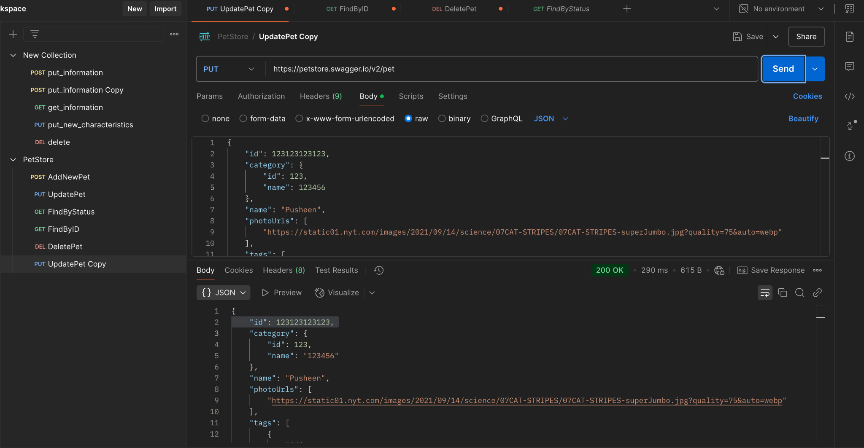
Pre-Conditions | The server with API is running Base URL: petstore.swagger.io/v2 The PET with the following data is registered in the system: { "id": 123123123123, "category": { "id": 123, "name": "kitten" }, "name": "Pusheen", "photoUrls": [ "https://static01.nyt.com/images/2021/09/14/science/07CAT-STRIPES/07CAT-STRIPES-superJumbo.jpg?quality=75&auto=webp" ], "tags": [ { "id": 1, "name": "kitten1" }, { "id": 2, "name": "small cat" } ], "status": "available" }
Steps | Send a request: PUT /pet { "id": 123123123123, "category": { "id": 123, "name": 123456 }, "name": "Pusheen", "photoUrls": [ "https://static01.nyt.com/images/2021/09/14/science/07CAT-STRIPES/07CAT-STRIPES-superJumbo.jpg?quality=75&auto=webp" ], "tags": [ { "id": 1, "name": "kitten1" }, { "id": 2, "name": "small cat" } ], "status": "available" }
Actual result | Response: 200 OK. In the response body, the system returns the value of the Category Name parameter with string data type.
Expected result | Response: status code 4хх
Environment | https://petstore.swagger.io/v2
Build
Severity | 3/3
Priority | 3/3
Attachment

Reporter: | I. Kuzmenko
ID | 11
Summary | When updating a PET with new Status = out of stock, the system returns status code 200 OK and updates the Status to the new value in the response body, although it should return status code 4xx.
Incident Description
Pre-Conditions | The server with API is running Base URL: petstore.swagger.io/v2 The PET with the following data is registered in the system: { "id": 123123123123, "category": { "id": 123, "name": "kitten" }, "name": "Pusheen", "photoUrls": [ "https://static01.nyt.com/images/2021/09/14/science/07CAT-STRIPES/07CAT-STRIPES-superJumbo.jpg?quality=75&auto=webp" ], "tags": [ { "id": 1, "name": "kitten1" }, { "id": 2, "name": "small cat" } ], "status": "available" }
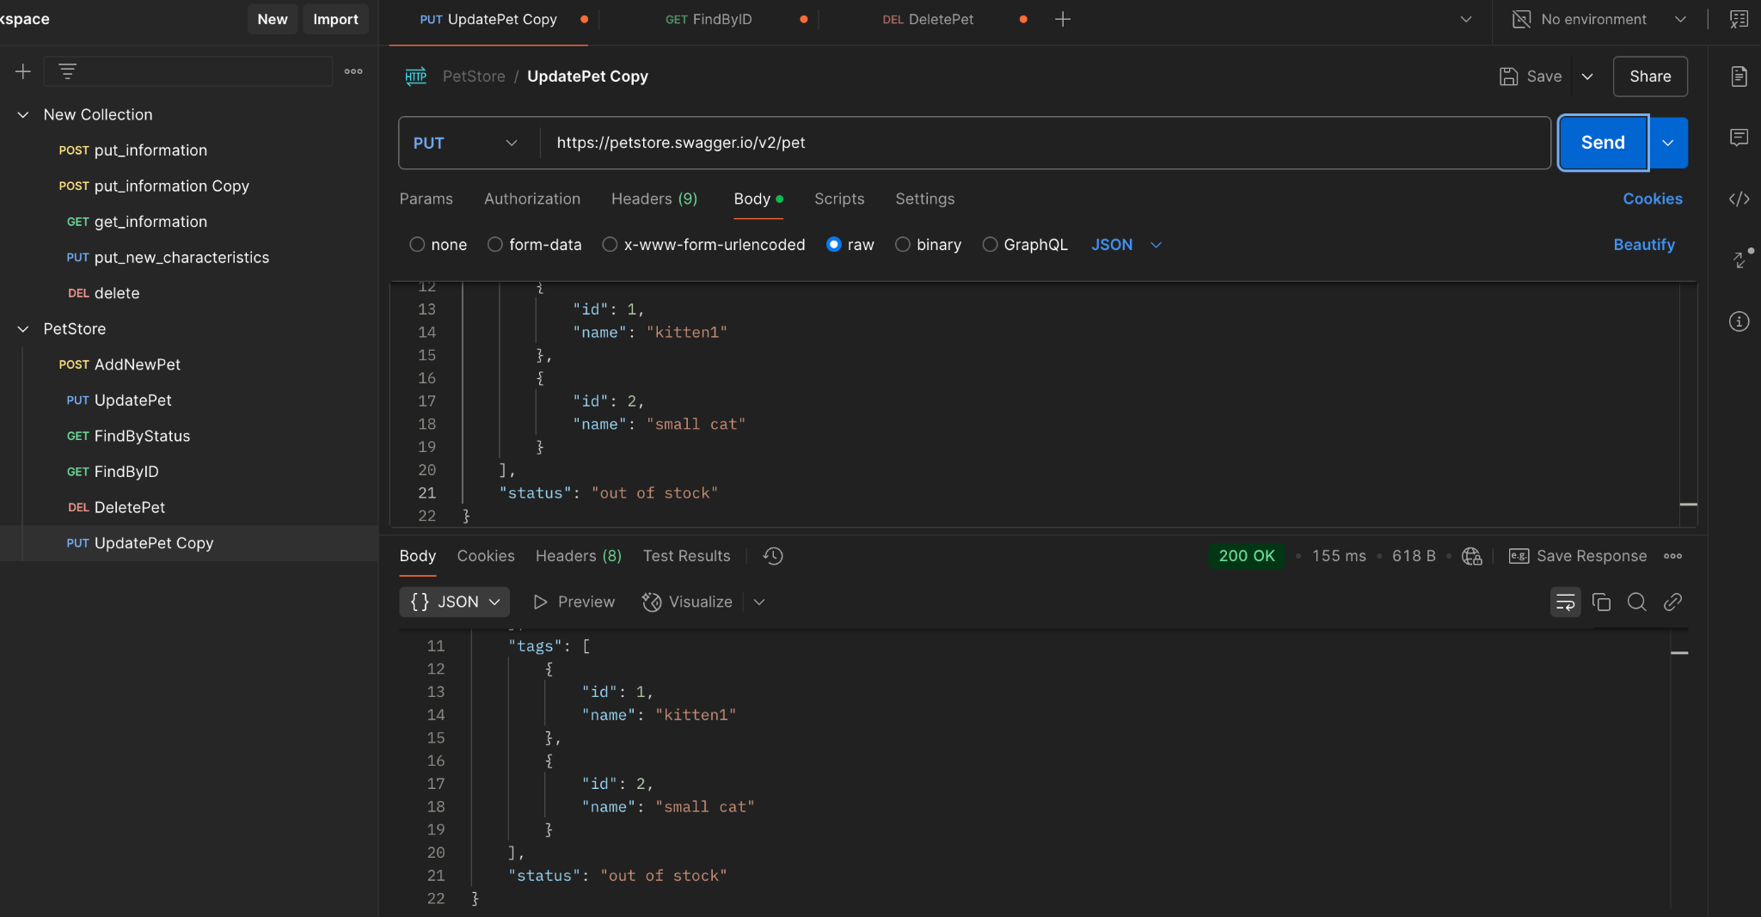
Steps | Send a request: PUT /pet { "id": 123123123123, "category": { "id": 123, "name": "kitten" }, "name": "Pusheen", "photoUrls": [ "https://static01.nyt.com/images/2021/09/14/science/07CAT-STRIPES/07CAT-STRIPES-superJumbo.jpg?quality=75&auto=webp" ], "tags": [ { "id": 1, "name": "kitten1" }, { "id": 2, "name": "small cat" } ], "status": "out of stock" }
Actual result | Response: 200 OK. In the response body, the status is updated to the new one.
Expected result | Response: status code 4хх
Environment | https://petstore.swagger.io/v2
Build
Severity | 1/3
Priority | 1/3
Attachment

Reporter: | I. Kuzmenko
ID | 12
Summary | When updating PET information without the required PhotoURL field, the system returns status code 200 OK and a body with an empty PhotoURL parameter value, but it should return status code 4xx.
Incident Description
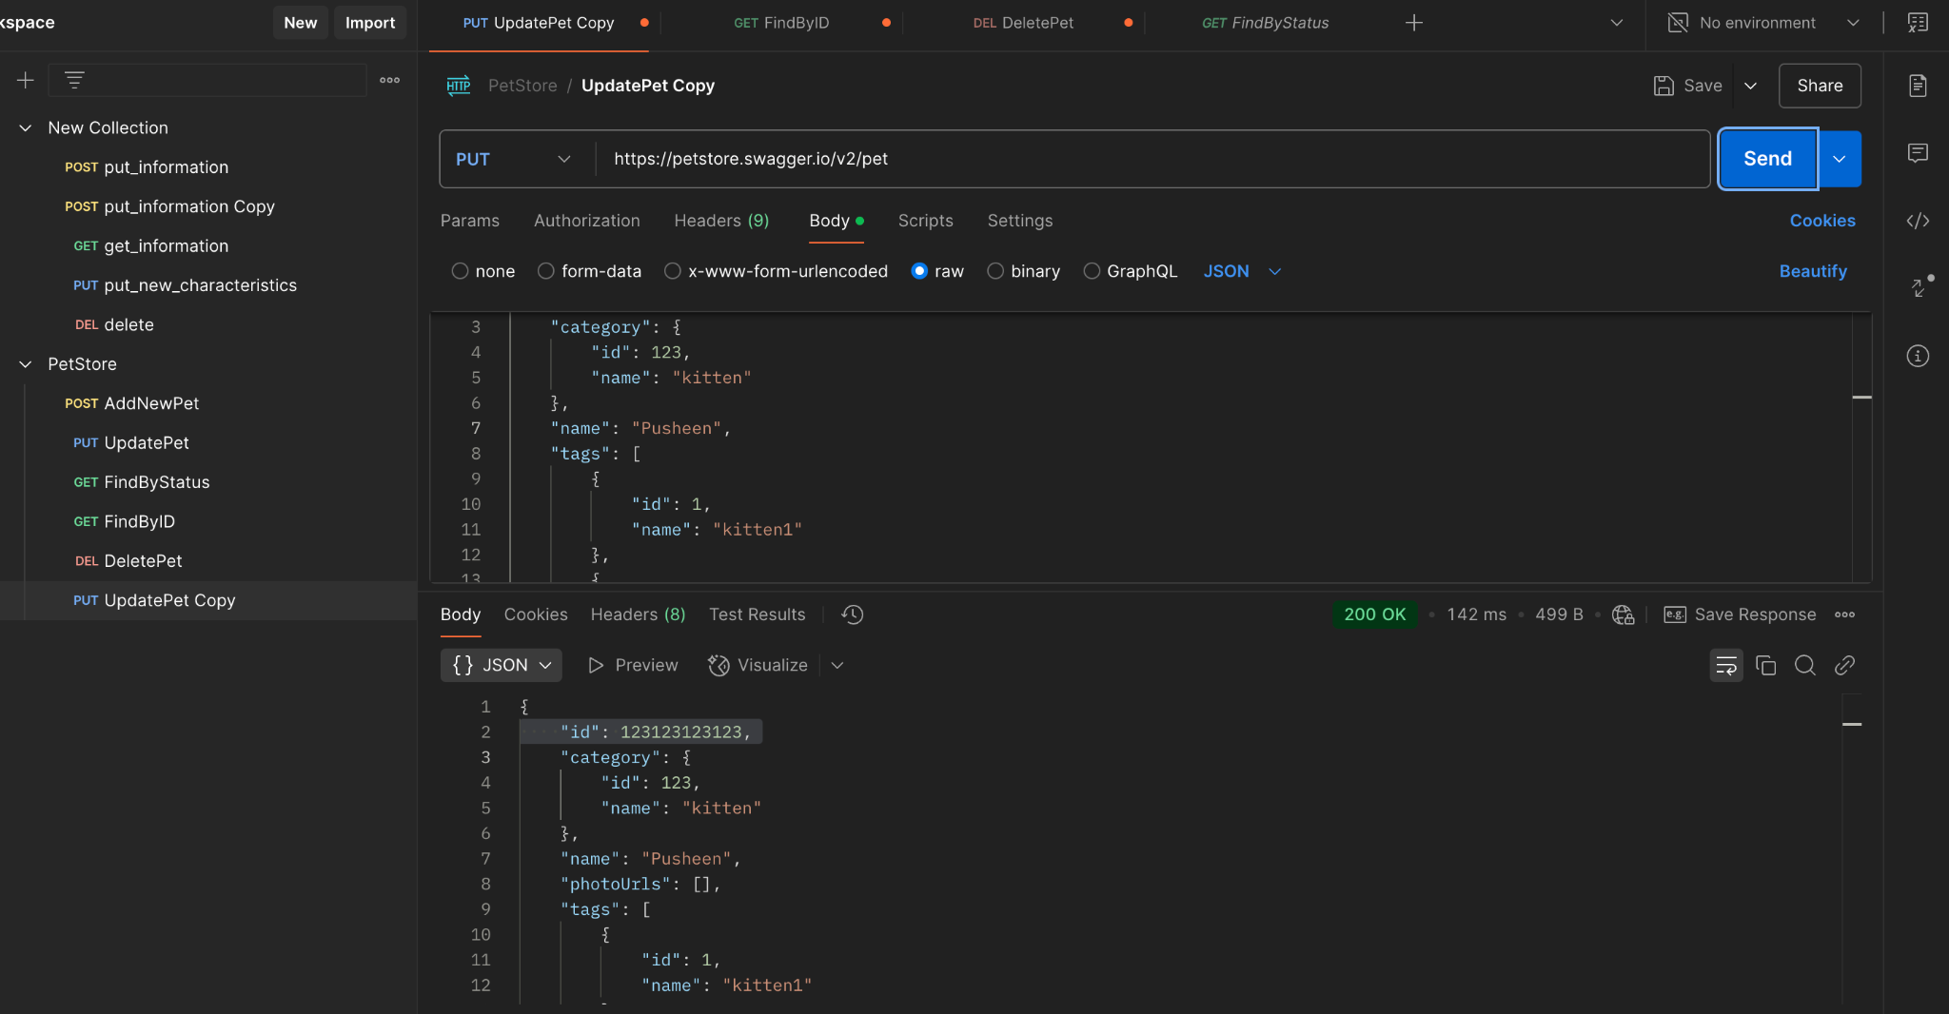
Pre-Conditions | The server with API is running Base URL: petstore.swagger.io/v2 The PET with the following data is registered in the system: { "id": 123123123123, "category": { "id": 123, "name": "kitten" }, "name": "Pusheen", "photoUrls": [ "https://static01.nyt.com/images/2021/09/14/science/07CAT-STRIPES/07CAT-STRIPES-superJumbo.jpg?quality=75&auto=webp" ], "tags": [ { "id": 1, "name": "kitten1" }, { "id": 2, "name": "small cat" } ], "status": "available" }
Steps | Send a request: PUT /pet { "id": 123123123123, "category": { "id": 123, "name": "kitten" }, "name": "Pusheen", "tags": [ { "id": 1, "name": "kitten1" }, { "id": 2, "name": "small cat" } ], "status": "available" }
Actual result | Response: 200 OK. The system returns a body with an empty value for the PhotoURL parameter.
Expected result | Response: status code 4хх
Environment | https://petstore.swagger.io/v2
Build
Severity | 1/3
Priority | 1/3
Attachment

