Logistic Regression
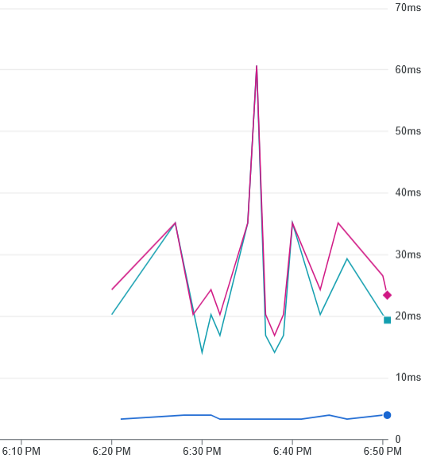
 | TRIAL 1 (NO CACHE) |  |  |  | TRIAL 2 |  |  |  | TRIAL 3
Batch Size | Cache | Transfer | Download | Total | Cache2 | Transfer2 | Download2 | Total5 | Cache3 | Transfer3 | Download3 | Total3
1 | No | 264.71 | 22.47 | 584.92 | Yes | 134.57 | 6.6 | 210.95 | Yes | 254.33 | 22.97 | 329.35
2 | No | 108.77 | 18.12 | 258.22 | Yes | 143.95 | 10.29 | 201.81 | Yes | 140.35 | 20.74 | 237.03
5 | No | 292.28 | 13.22 | 444.27 | Yes | 173.51 | 25.99 | 223.45 | Yes | 141.55 | 21.16 | 240.72
10 | No | 108.74 | 28.56 | 260.49 | Yes | 135.83 | 18.57 | 182.92 | Yes | 154.08 | 21.52 | 229.5
50 | No | 116.8 | 15.75 | 276.55 | Yes | 136.87 | 17.74 | 206.92 | Yes | 147.81 | 25.55 | 202.73
100 | No | 260.54 | 8.65 | 539.57 | Yes | 144.18 | 5.06 | 183.34 | Yes | 133.77 | 7.03 | 161.17

Natural Language Processing
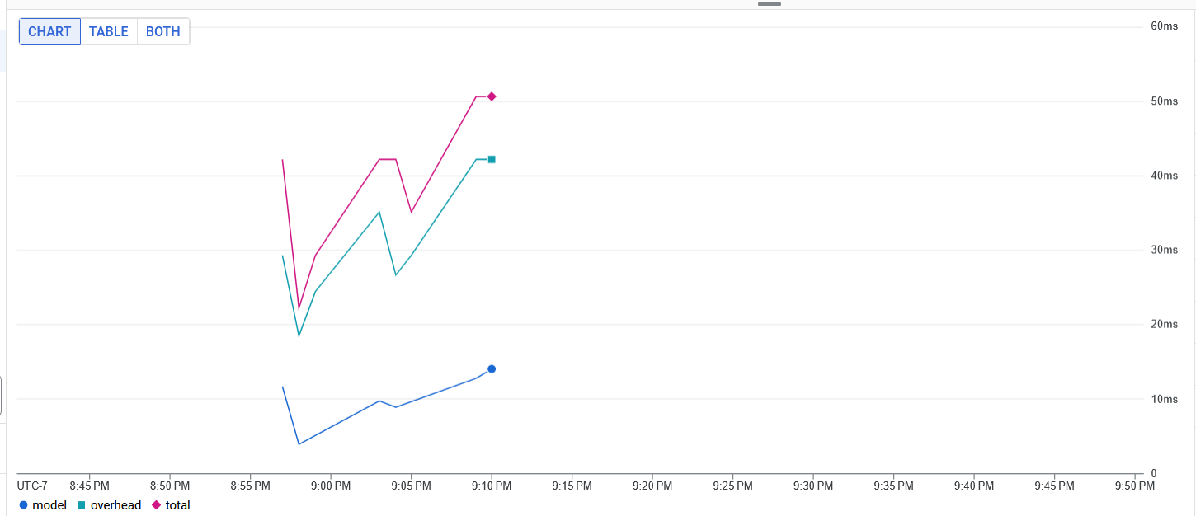
 | TRIAL 1 (NO CACHE) |  |  |  | TRIAL 2 |  |  |  | TRIAL 3
Batch Size | Cache | Transfer | Download | Total | Cache2 | Transfer2 | Download2 | Total5 | Cache3 | Transfer3 | Download3 | Total3
1 | No | 403.45 | 28.57 | 793.16 | Yes | 105.6 | 2.75 | 117.78 | Yes | 110.12 | 10.35 | 138.08
2 | No | 263.89 | 44.1 | 532.95 | Yes | 200.31 | 6.28 | 215.74 | Yes | 234.86 | 13.02 | 270.75
5 | No | 166.88 | 18.38 | 325.33 | Yes | 99.32 | 10.38 | 129.63 | Yes | 114.39 | 38.14 | 212.97
10 | No | 277.25 | 22.71 | 709.7 | Yes | 308.69 | 17.02 | 340.27 | Yes | 169.06 | 15.47 | 204.3
50 | No | 363.52 | 10.77 | 642.57 | Yes | 308.42 | 14.74 | 344.84 | Yes | 193.69 | 7.33 | 215.17
100 | No | 408.51 | 11.62 | 568.38 | Yes | 212.38 | 19.7 | 257.08 | Yes | 309.74 | 13.63 | 377.12

Computer Vision
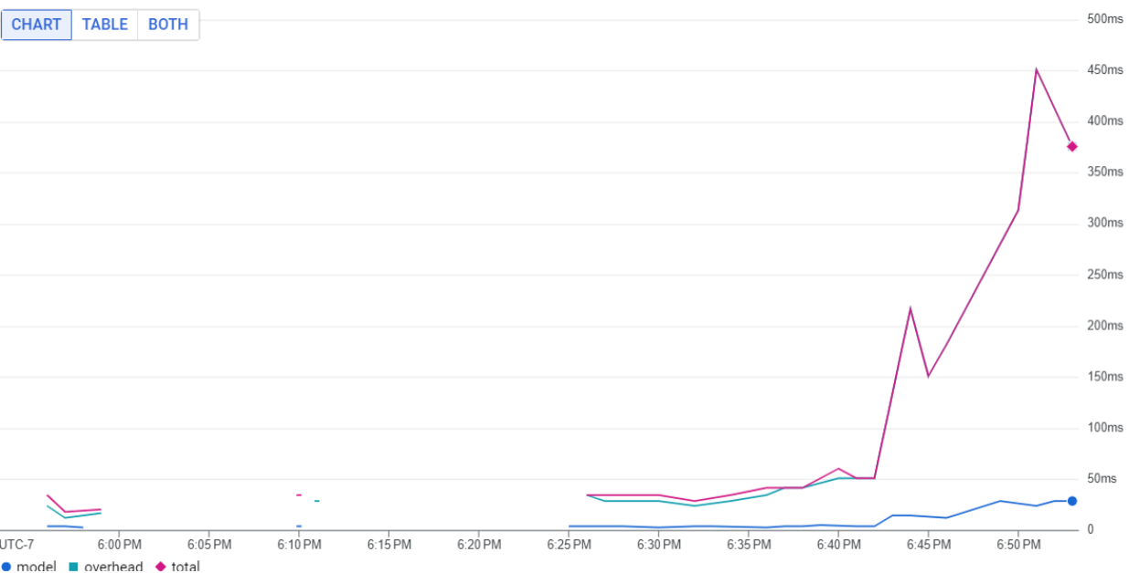
 | TRIAL 1 |  |  |  | TRIAL 2 |  |  |  | TRIAL 3
Batch Size | Cache | Transfer | Download | Total | Cache2 | Transfer2 | Download2 | Total5 | Cache3 | Transfer3 | Download3 | Total3
1 | No | 828.74 | 14 | 855.4 | No | 846.51 | 4.61 | 864.1 | No | 1001.8 | 8.8 | 1026.8
2 | Yes | 667.14 | 9.6 | 680.8 | No | 610.3 | 9.41 | 633.21 | No | 827.94 | 12.8 | 855.5
5 | No | 662.91 | 9.6 | 689.71 | No | 941.78 | 14.71 | 974.91 | No | 677.78 | 11.11 | 702.5
10 | No | 886.8 | 9.6 | 915.21 | No | 983.19 | 9.71 | 1016.1 | No | 763.36 | 13.81 | 794.5
50 | No | 3250 | 175.21 | 3470 | No | 3310 | 18 | 3370 | No | 2180 | 10.3 | 2240
100 | No | 4530 | 75.91 | 4620 | No | 4740 | 33.11 | 4790 | No | 3160 | 13.21 | 3180

