Logistic Regression
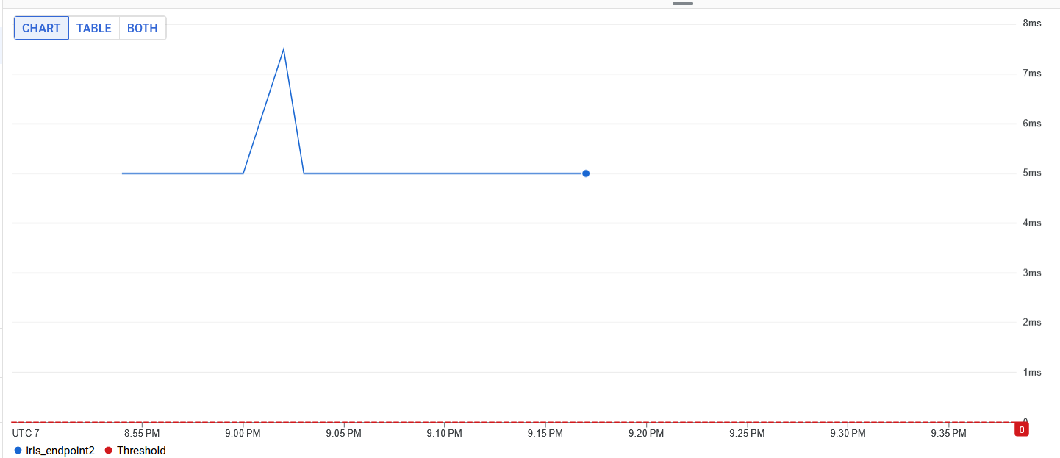
 | TRIAL 1 (NO CACHE) |  |  |  | TRIAL 2 |  |  |  | TRIAL 3
Batch Size | Cache | Transfer | Download | Total | Cache2 | Transfer2 | Download2 | Total5 | Cache3 | Transfer3 | Download3 | Total3
1 | No | 31.79 | 7.14 | 113.83 | Yes | 27.22 | 6.46 | 88.57 | Yes | 22.38 | 2.95 | 67.63
2 | No | 43.07 | 8.5 | 212.97 | Yes | 24.31 | 6.3 | 123.1 | Yes | 25.5 | 3.84 | 105.06
5 | No | 30.13 | 12.77 | 396.26 | Yes | 119.54 | 8.3 | 169.82 | Yes | 26.29 | 5.17 | 122.19
10 | No | 43.7 | 15.69 | 208.1 | Yes | 28.3 | 5.67 | 171.46 | Yes | 29.44 | 4.63 | 118.94
50 | No | 38.13 | 12.63 | 163.4 | Yes | 29.86 | 6.05 | 87.46 | Yes | 25.08 | 3.41 | 115.5
100 | No | 30.52 | 17.03 | 207.13 | Yes | 28.01 | 5.87 | 170.57 | Yes | 24.65 | 5.48 | 63.69

Natural Language Processing
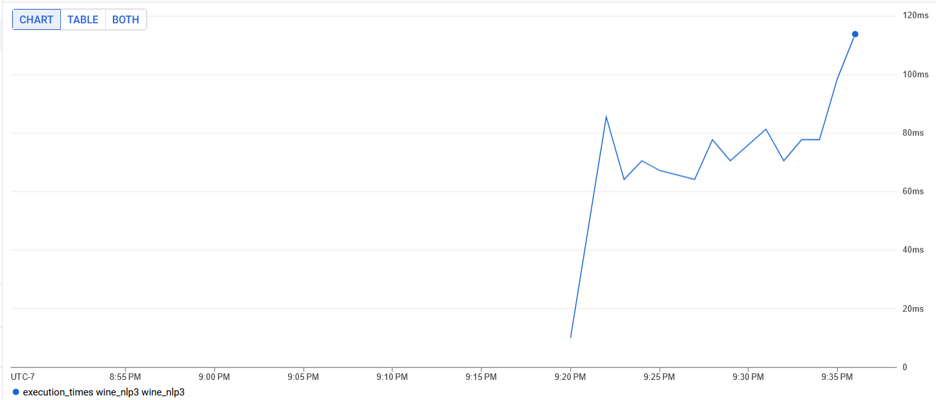
 | TRIAL 1 (NO CACHE) |  |  |  | TRIAL 2 |  |  |  | TRIAL 3
Batch Size | Cache | Transfer | Download | Total | Cache2 | Transfer2 | Download2 | Total5 | Cache3 | Transfer3 | Download3 | Total3
1 | No | 92.76 | 9.61 | 261.15 | Yes | 96.55 | 7.24 | 110.23 | Yes | 161.34 | 6.41 | 172.54
2 | No | 91.9 | 27.44 | 187.86 | Yes | 225.76 | 4.09 | 233.71 | Yes | 84.27 | 4.28 | 93.68
5 | No | 111.38 | 21.27 | 284.3 | Yes | 106.09 | 11.92 | 124.57 | Yes | 275.93 | 24.37 | 328.33
10 | No | 112.38 | 18.52 | 206.22 | Yes | 113.63 | 5.87 | 133.47 | Yes | 98.67 | 6.25 | 108.73
50 | No | 113.2 | 27.15 | 217.73 | Yes | 168.55 | 12.92 | 188.97 | Yes | 100.6 | 26.66 | 151.14
100 | No | 159.81 | 22.35 | 339.62 | Yes | 143.79 | 19.02 | 168.17 | Yes | 139.07 | 30.04 | 233.85

Computer Vision
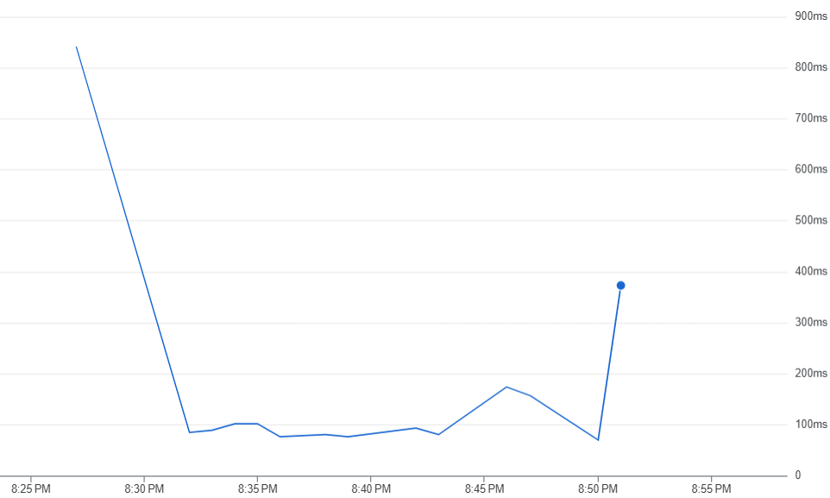
 | TRIAL 1 |  |  |  | TRIAL 2 |  |  |  | TRIAL 3
Batch Size | Cache | Transfer | Download | Total | Cache2 | Transfer2 | Download2 | Total5 | Cache3 | Transfer3 | Download3 | Total3
1 | No | 1386.98 | 10.41 | 1411.31 | No | 2000 | 8.2 | 2030 | Yes | 1928.43 | 11.21 | 1955.5
2 | No | 393.2 | 12.2 | 426.3 | No | 363.38 | 7.5 | 382.21 | No | 633.14 | 7.5 | 651.11
5 | No | 587.37 | 6.21 | 608.3 | Yes | 388.43 | 3.5 | 394.91 | No | 751.41 | 7.31 | 769.8
10 | No | 740.93 | 5.21 | 756.8 | No | 429.1 | 2.3 | 451.8 | No | 657.12 | 2.71 | 671
50 | No | 946.36 | 5.21 | 962.1 | No | 875.03 | 3 | 888.9 | No | 712.15 | 3.6 | 725.91
100 | No | 1358.78 | 10 | 1379.31 | No | 1215.78 | 3.6 | 1230.3 | No | 1136.21 | 4.3 | 1153

