Brand Sales & Average Price Rep
Brand Sales & Average Price Report
Sales Count vs. Brand (Make)
Brand (Make) | Total Sales Revenue | Average Selling Price | Sales Count
Infiniti | $3,155,650 | $23,906.44 | 132
Hyundai | $1,663,500 | $14,852.68 | 112
Bmw | $1,232,001 | $56,000.05 | 22
Kia | $1,050,450 | $16,160.77 | 65
Mercedes-Benz | $858,250 | $35,760.42 | 24
Nissan | $510,400 | $13,431.58 | 38
Chevrolet | $377,350 | $17,152.27 | 22
Audi | $365,050 | $36,505.00 | 10
Lexus | $359,700 | $35,970.00 | 10
Volvo | $293,650 | $29,365.00 | 10
Mazda | $219,300 | $13,706.25 | 16
Land Rover | $207,000 | $41,400.00 | 5
Jeep | $166,150 | $23,735.71 | 7
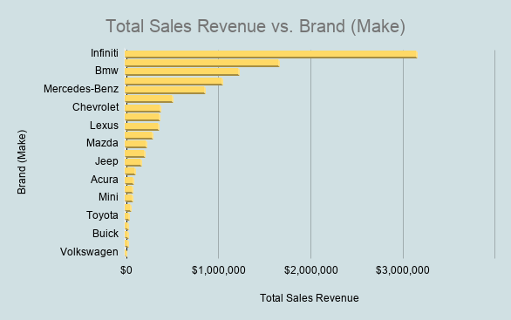
Mitsubishi | $102,100 | $14,585.71 | 7
Acura | $83,150 | $27,716.67 | 3
Cadillac | $74,000 | $37,000.00 | 2
Mini | $70,300 | $14,060.00 | 5
Jaguar | $52,000 | $26,000.00 | 2
Toyota | $35,000 | $11,666.67 | 3
Lincoln | $24,500 | $24,500.00 | 1
Buick | $24,100 | $24,100.00 | 1
Ford | $24,000 | $12,000.00 | 2
Volkswagen | $8,000 | $8,000.00 | 1
Grand Total | $10,955,601 | $24,242.40 | 500

Average Selling Price vs. Brand (Make)

Model Analysis
Model vs Sales Volume (Top 15 Models)

Sales Volume vs. Model
Brand | Model | Sales Volume
Infiniti | G Sedan | 104.00
Hyundai | Elantra | 34.00
Nissan | Altima | 33.00
Hyundai | Sonata | 26.00
Kia | Sorento | 22.00
Kia | Optima | 21.00
Infiniti | G Coupe | 21.00
Hyundai | Sonata Hybrid | 12.00
Hyundai | Santa Fe | 11.00
Chevrolet | Cruze | 9.00
Kia | Rio | 9.00
Mercedes-Benz | C-Class | 9.00
Hyundai | Accent | 8.00
Chevrolet | Camaro | 8
Mercedes-Benz | S-Class | 7
 | Grand Total | 334.00

Dashboard
Car Sales Dashboard

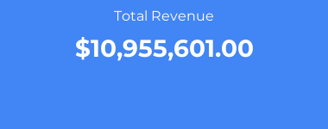



Monthly Revenue Trend

Top Models by Sales Volume

Sales Count vs. Brand (Make)

