Charts
10 variants with lowest overall ALT frequency
Selected frequency charts
Charts are descriptive summaries of the chromosome 22 subset.

Lowest 10 overall ALT frequencies
Label | overall_alt_frequency
rs375566279 (16053107) | 0.000000
rs528970998 (16097715) | 0.000000
rs548913850 (16114444) | 0.000000
rs564670598 (16112981) | 0.000000
rs587645439 (16061228) | 0.000000
rs113110711 (16072136) | 0.000200
rs11913164 (16136502) | 0.000200
rs11913637 (16065467) | 0.000200
rs182285868 (16055924) | 0.000200
rs185578650 (16055098) | 0.000200

10 variants with highest overall ALT frequency
Highest 10 overall ALT frequencies
Label | overall_alt_frequency
rs529371290 (16134585) | 0.999401
rs547528741 (16134589) | 0.999002
rs2843238 (16058070) | 0.995008
rs915675 (16053659) | 0.857628
rs1988024 (16113892) | 0.848642
rs1988326 (16133705) | 0.826478
rs1970637 (16060797) | 0.820088
rs738830 (16055942) | 0.819289
rs1811976 (16069141) | 0.767173
rs2096601 (16070517) | 0.757987

ALT frequency by population — rs529371290
Population | ALT frequency
ACB | 1.000000
ASW | 1.000000
BEB | 1.000000
ALT frequency by population (rs529371290)
CDX | 0.994624
CEU | 1.000000
CHB | 1.000000
CHS | 1.000000
CLM | 1.000000
ESN | 1.000000
FIN | 0.994949
GBR | 1.000000
GIH | 0.995146
GWD | 1.000000
IBS | 1.000000
ITU | 1.000000
JPT | 1.000000
KHV | 1.000000
LWK | 1.000000
MSL | 1.000000
MXL | 1.000000
PEL | 1.000000
PJL | 1.000000
PUR | 1.000000
STU | 1.000000
TSI | 1.000000
YRI | 1.000000

Figures
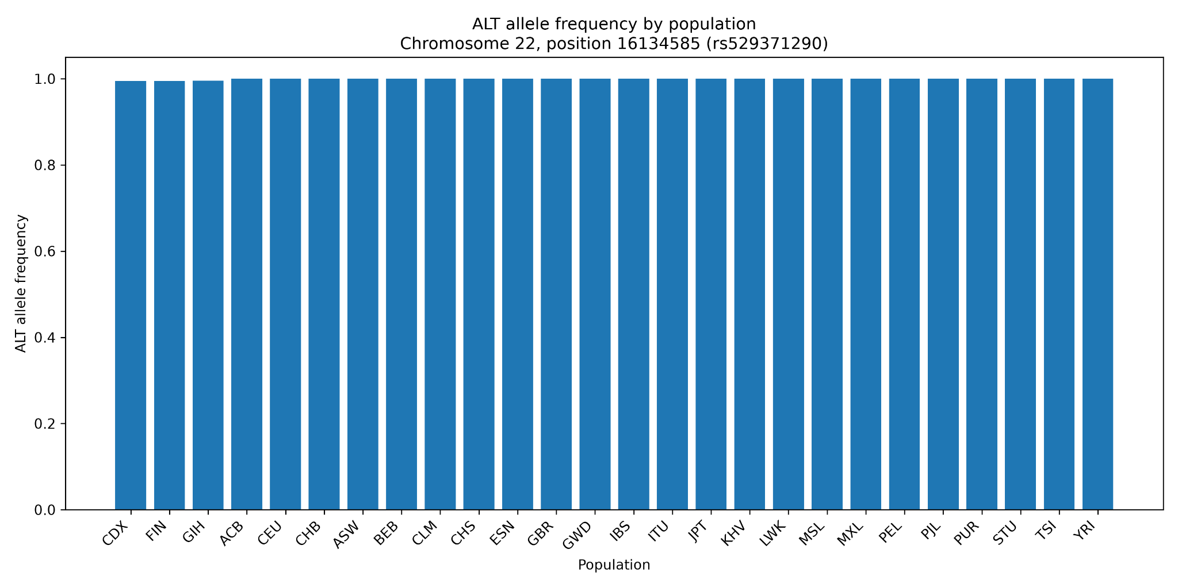
Original project figures

ALT allele frequencies across selected chromosome 22 variants
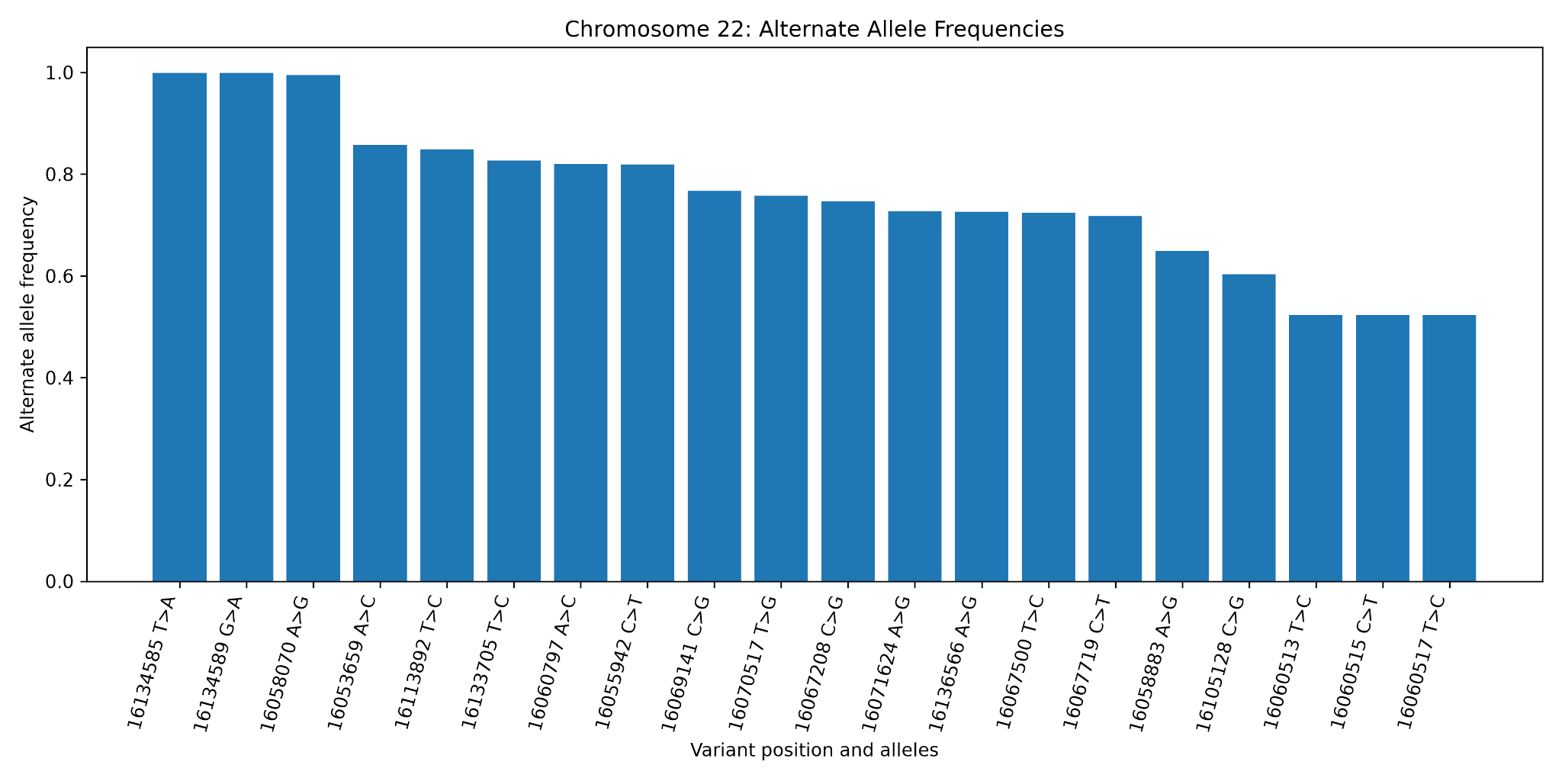

Ten variant records with the lowest overall ALT frequency
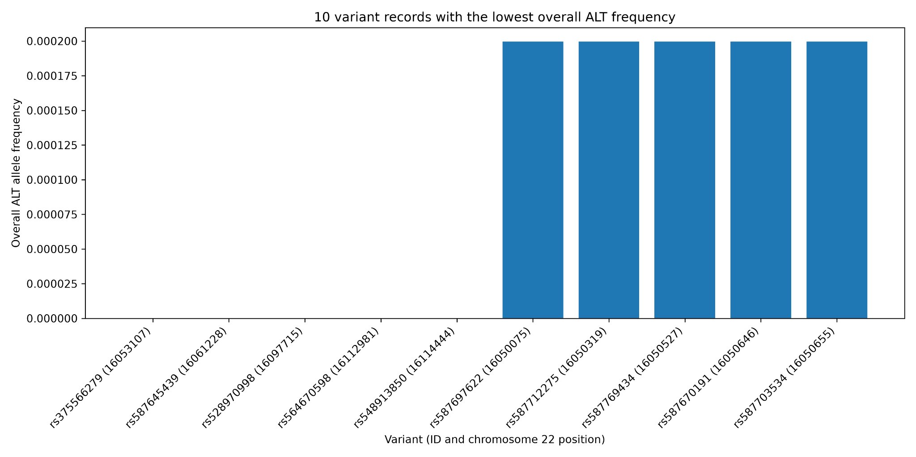

ALT allele frequency by population for rs529371290

