Ratios
Ratios (Indicadores)

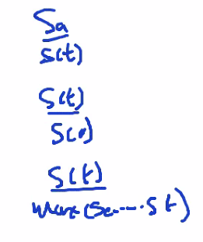
Liquidity | Profitability (Accounting) | Profitability (Returns) | Debt | Operating Performance | Number of Shares | Cash Flow Indicator | Investment Valuation | Forward Price (Fundamental Analysis)
Current Ratio | Gross Profit Margin | Return on Assets | Debt Ratio | Receivables Turnover | Operating Cash Flow per Share | Operating Cash Flow Ratio | Price Book Value Ratio | Precio Objetivo (2 semanas después de la fecha)
Quick Ratio | Operating Profit Margin | Return on Equity | Debt to Equity Ratio | Payables Turnover | Free Cash Flow per Share | Free Cash Flow Operating Cash Flow Ratio | Price To Book Ratio | Recommendation Rating
Cash Ratio | Pretax Profit Margin | Return on Capital | Long Term Debt to Capitalization | Inventory Turnover | Cash per Share | Cash Flow Coverage Ratios | Price To Sales Ratio | Último Precio vs. Máx del Último Año
Days of Sales Outstanding | Net Profit Margin |  | Total Debt to Capitalization | Fixed Asset Turnover |  | Short Term Coverage Ratios | Price to Earnings Ratio | Último Precio vs. Precio Año Anterior
Days of Inventory Outstanding | Effective Tax Rate |  | Interest Coverage | Asset Turnover |  | Capital Expenditure Coverage Ratio | Price To Free Cash Flows Ratio
Operating Cycle | Net Income per EBT |  | Cash Flow to Debt Ratio |  |  | Dividend Paid And Capex Coverage Ratio | Price To Operating Cash Flows Ratio
Days of Payable Outstanding | Ebt per EBIT |  | Company Equity Multiplier |  |  | Dividend Payout Ratio | Price Cash Flow Ratio
Cash Conversion Cycle | EBIT per Revenue |  |  |  |  |  | Price Earnings To Growth Ratio
 |  |  |  |  |  |  | Price Sales Ratio
 |  |  |  |  |  |  | Dividend Yield
 |  |  |  |  |  |  | Enterprise Value Multiple
 |  |  |  |  |  |  | Price Fair Value

