Sheet8
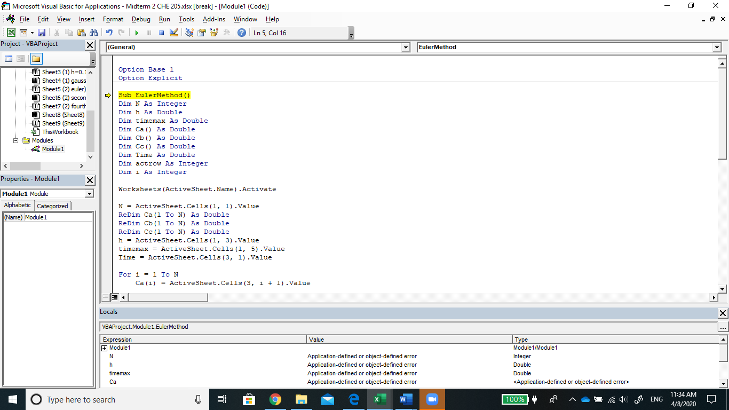
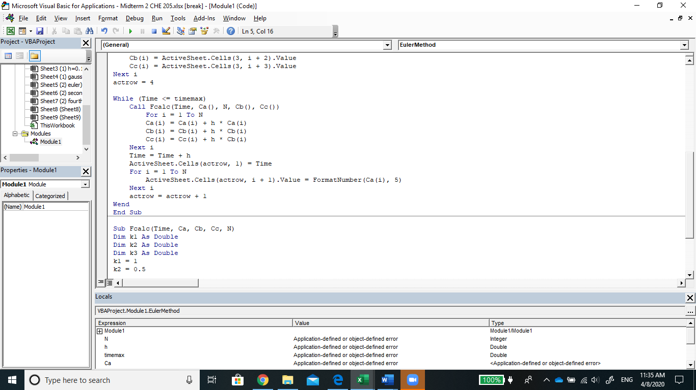
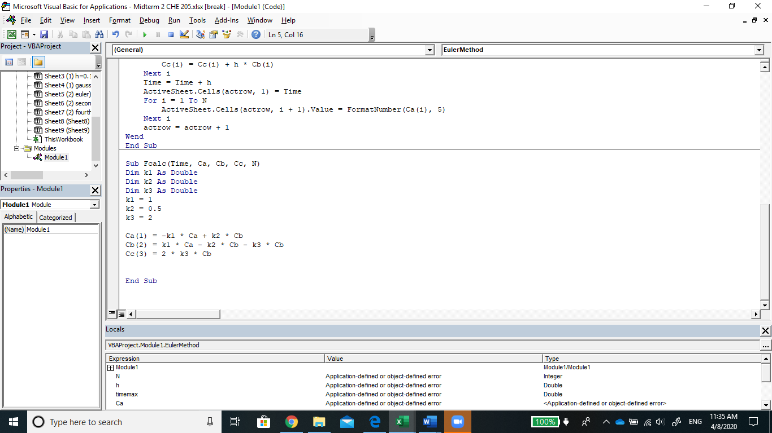
2 | N | 0.1 | h | 2 | timemax
time | Ca | Cb | Cc
0 | 10 | 0 | 0

