Sheet1
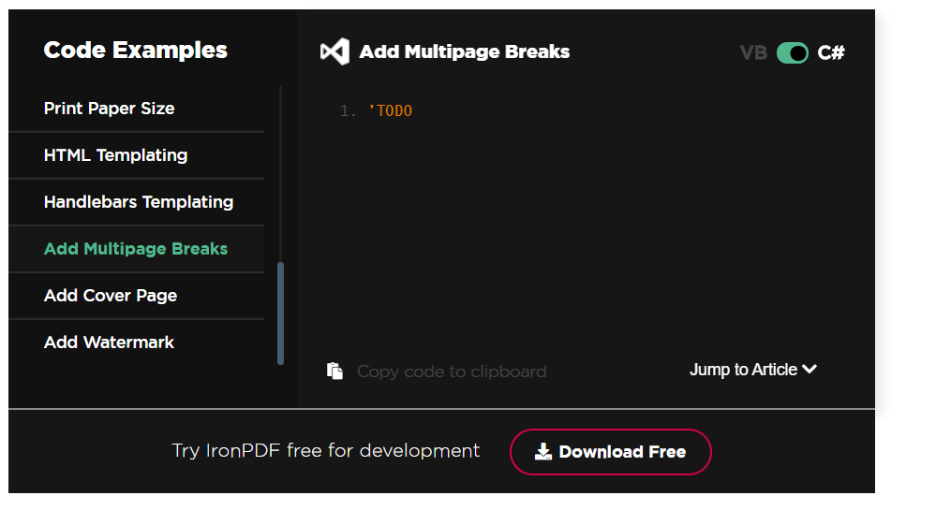
IronPdf.AspxToPdf.RenderThisPageAsPdf(); | IronPdf.AspxToPdf.RenderThisPageAsPdf(IronPdf.AspxToPdf.FileBehavior.InBrowser); | require enum paramter FileBehavior
Add Multi page brakes | https://ironpdf.com/tutorials/html-to-pdf/#sample-add-multipage-breaks | no code
ExistingPdf.Password = "my-password"; | https://ironpdf.com/examples/security-and-metadata/
OutlinesBookmarks | semicolons

