Test Results
TC ID | Module | Test Name | Test Steps | Expected Result | Actual Result | Status | Notes / Message | Screenshot
1. Authentication
TC-AUTH-001 | 1. Authentication | Login with valid credentials | Navigate to /login/; enter valid username+password; click Login | Redirect to dashboard; navbar shows username | Redirected to dashboard; navbar shows "irpus" | PASS | — | 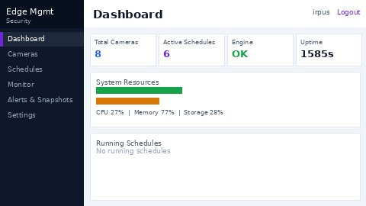
TC-AUTH-002 | 1. Authentication | Login with wrong password | Enter valid username + wrong password; click Login | Error message shown; stay on login page | "Please enter a correct username and password." shown; stays on login page | PASS | —
TC-AUTH-003 | 1. Authentication | Login with empty fields | Submit login form with both fields empty | Validation error for each empty field | "This field is required." shown for both fields | PASS | Browser HTML5 validation
TC-AUTH-004 | 1. Authentication | Logout | Click Logout button in navbar | Redirected to /login/ | Redirected to /login/ | PASS | —
2. Dashboard
TC-DASH-001 | 2. Dashboard | View dashboard | Navigate to / | Summary cards and camera list visible | Cards shown: Total Cameras, Active Schedules, Alerts Today, Snapshots; camera list visible | PASS | —
TC-DASH-002 | 2. Dashboard | Camera status indicators | Check camera status badges on dashboard | Each camera shows correct status badge | Cameras show "No Stream" status badges | PASS | —
3. Camera Management
TC-CAM-001 | 3. Camera Management | Create camera (valid) | Fill form with valid name+RTSP URL; save | Camera appears in list; success message | "Camera saved." shown; camera appears in list | PASS | — | 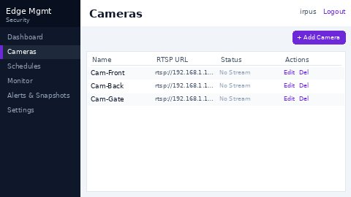
TC-CAM-002 | 3. Camera Management | Edit camera | Edit existing camera name/URL; save | Changes persisted; success message | Changes saved successfully | PASS | — | 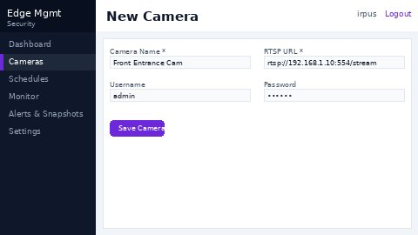
TC-CAM-003 | 3. Camera Management | Create duplicate camera name | Submit camera form with a name that already exists | User-friendly validation error shown | 500 Internal Server Error — Django IntegrityError: UNIQUE constraint failed: app_camera.name | FAIL | BUG-001 — unhandled server error, no validation message
TC-CAM-004 | 3. Camera Management | Delete camera | Click Delete on existing camera; confirm dialog | Camera removed from list; success message | Camera deleted; removed from list | PASS | —
TC-CAM-005 | 3. Camera Management | Create camera with empty name | Submit camera form with blank name field | "This field is required." validation error | "This field is required." shown | PASS | —
4. Schedule Management
TC-SCH-001 | 4. Schedule Management | Create schedule | Fill schedule form (camera, model, ROI, time range); save | Schedule created; appears in list | Schedule created successfully; appears in list | PASS | —
TC-SCH-002 | 4. Schedule Management | Edit schedule | Modify schedule parameters; save | Changes persisted; success message | Schedule updated successfully | PASS | —
TC-SCH-003 | 4. Schedule Management | Delete schedule | Click Delete on schedule; confirm | Schedule removed from list | Schedule deleted from list | PASS | —
TC-SCH-004 | 4. Schedule Management | Start schedule | Click Start on a stopped schedule | Status changes to "Running"; job dispatched | Status changed to "Running"; job dispatched to soca-engine | PASS | —
TC-SCH-005 | 4. Schedule Management | Stop running schedule | Click Stop on a running schedule | Status changes to "Stopped" | Status changed to "Stopped" | PASS | —
TC-SCH-006 | 4. Schedule Management | Stop already-ended schedule | Click Stop when engine job has already finished | Graceful message (e.g. 'Job already completed') | "Job already ended: 404 Client Error: Not Found" — dashboard cleared status | PARTIAL | Raw engine HTTP error surfaced to UI instead of friendly message
5. Rule Management
TC-RULE-001 | 5. Rule Management | Create rule | Add alert rule with threshold+action; save | Rule created; success message | Rule created successfully | PASS | —
TC-RULE-002 | 5. Rule Management | Edit rule | Modify rule parameters; save | Changes persisted | Rule updated successfully | PASS | —
TC-RULE-003 | 5. Rule Management | Delete rule | Click Delete on rule; confirm | Rule removed from list | Rule deleted from list | PASS | —
TC-RULE-004 | 5. Rule Management | Create rule with invalid threshold | Submit rule with out-of-range threshold value | Validation error shown | Validation error shown | PASS | —
6. Monitor
TC-MON-001 | 6. Monitor | View monitor page | Navigate to /monitor/ | Camera stream grid shown | Monitor page loads; camera tiles displayed | PASS | —
TC-MON-002 | 6. Monitor | Stream no-signal state | View camera tile with no active RTSP stream | "No Stream" placeholder shown | "No Stream" displayed for cameras without active RTSP | PASS | —
7. Alerts & Snapshots
TC-ALERT-001 | 7. Alerts & Snapshots | View alerts list | Navigate to /alerts/ | List of alert events shown | Alerts page loads; event list displayed | PASS | —
TC-ALERT-002 | 7. Alerts & Snapshots | Filter alerts by camera | Apply camera filter on alerts page | Only matching alerts shown | Filter applied; results scoped to selected camera | PASS | —
TC-ALERT-003 | 7. Alerts & Snapshots | Filter alerts by date range | Set start and end date filter | Only matching alerts shown | Date filter applied correctly | PASS | —
TC-ALERT-004 | 7. Alerts & Snapshots | View snapshot | Click snapshot thumbnail | Full-size image shown | Image opened/displayed correctly | PASS | —
TC-ALERT-005 | 7. Alerts & Snapshots | Delete alert | Click Delete on an alert entry | Alert removed from list | Alert deleted from list | PASS | —
8. Alert Statistics
TC-STAT-001 | 8. Alert Statistics | View statistics page | Navigate to /statistics/ | Charts and counts shown | Statistics page loads; charts rendered | PASS | —
TC-STAT-002 | 8. Alert Statistics | Filter statistics by date | Apply date range filter on statistics page | Charts update with filtered data | Charts updated with filtered data | PASS | —
9. Settings – Branding
TC-BRAND-001 | 9. Settings – Branding | Update company name | Change Company Name field; click Save Branding | "Branding updated." shown; name updated in sidebar | Name changed to "PT Test Company"; "Branding updated." shown; sidebar reflected change | PASS | Restored to original after test
TC-BRAND-002 | 9. Settings – Branding | Upload company logo | Upload PNG logo file via Choose File; save | Logo displayed in header | Logo uploaded and rendered in header area | PASS | —
TC-BRAND-003 | 9. Settings – Branding | Upload invalid logo file | Upload non-image file as company logo | Error message: Invalid file type | Error/rejection shown — behavior varies by file type | PARTIAL | Some invalid files rejected at backend; error message not always user-friendly
10. Settings – Edge Config
TC-EDGE-001 | 10. Settings – Edge Config | Save valid engine URL | Set Engine URL to http://localhost:8001; click Save Edge Config | "Edge settings saved." shown; URL persisted | "Edge settings saved." shown; URL persisted | PASS | Restored after BUG-002 test
TC-EDGE-002 | 10. Settings – Edge Config | Save invalid engine URL | Set Engine URL to 'not-a-url'; click Save Edge Config | Validation error: invalid URL format | "Edge settings saved." — invalid URL accepted without any validation | FAIL | BUG-002 — no URL format validation
TC-EDGE-003 | 10. Settings – Edge Config | Save empty engine URL | Clear Engine URL field; click Save Edge Config | Required field error or validation warning | Empty value accepted; no validation enforced | FAIL | Same root cause as BUG-002
TC-EDGE-004 | 10. Settings – Edge Config | Push config to engine | Click "▶ Push to soca-engine" button | Config pushed; success or error message shown | Message returned from engine push attempt | PASS | —
TC-EDGE-005 | 10. Settings – Edge Config | Generate new API key | Click Regenerate Key; form submitted | "API key regenerated." shown; new key generated | "API key regenerated." shown | PASS | —
11. Settings – Users
TC-USER-001 | 11. Settings – Users | Create new user | Enter username testuser, password Test@1234, role Operator; submit | "User 'testuser' created." shown; user in list with Operator role | "User 'testuser' created." shown; user appeared with Operator role, Last Login: Never | PASS | —
TC-USER-002 | 11. Settings – Users | Create duplicate username | Submit same username testuser again | Error: username already exists | "Username 'testuser' already exists." — red notification shown | PASS | —
TC-USER-003 | 11. Settings – Users | Create user with empty password | Submit new user form with blank password field | Error: password is required | "User 'newuser2' created." — account created with empty password\! | FAIL | BUG-003 — critical security risk; no password validation
TC-USER-004 | 11. Settings – Users | Delete user | Click Delete next to testuser; confirm in dialog | "User deleted." shown; user removed from list | "User deleted." shown; testuser removed | PASS | —
TC-USER-005 | 11. Settings – Users | Delete own account | Attempt to delete currently logged-in account (irpus) | UI prevents self-deletion; error shown | UI shows "—" (no Delete button) for own account; direct POST silently rejected | PASS | Self-deletion blocked at both UI and backend level
12. Settings – AI Models
TC-MODEL-001 | 12. Settings – AI Models | View available models | Navigate to Settings → AI Models tab | List of model files shown with name, type, size | Models listed: rokok.pt, YOLO26 Model.onnx, YOLO26 Model.pt, rokok.onnx, LPR-v1n.pt | PASS | Note: all file sizes show 'NaN KB' — possible display bug
TC-MODEL-002 | 12. Settings – AI Models | Upload new YOLO model | Choose test_model.pt file; click Upload | Model appears in list; success message | "test_model.pt" uploaded to soca-engine. — model appeared in list | PASS | —
TC-MODEL-003 | 12. Settings – AI Models | Upload non-model file | Choose test_invalid.txt; click Upload | Error: Invalid file type shown; file not uploaded | "Upload failed: 422 Client Error: Unprocessable Entity for url: http://localhost:8001/models/upload" | PARTIAL | File correctly blocked; error is raw HTTP status instead of user-friendly message
TC-MODEL-004 | 12. Settings – AI Models | Delete a model | Click Delete for test_model.pt; confirm | Model removed; success message | "test_model.pt" deleted. — removed from list | PASS | —
TC-MODEL-005 | 12. Settings – AI Models | Delete model in use by schedule | Delete YOLO26 Model.onnx which is referenced by an active schedule | Warning: model in use by schedule; deletion blocked | "YOLO26 Model.onnx" deleted. — no warning shown; deleted without protection | FAIL | BUG-004 — no guard against deleting models referenced by schedules
13. Settings – Operations
TC-OPS-001 | 13. Settings – Operations | Preview data purge | Go to Operations tab; select Older than 1 month; click Preview | Shows count of records/files to be deleted; no data deleted yet | "0 detection records · 0 snapshot files · 0.0 MB will be freed" shown | PASS | No data older than 30 days in test environment | 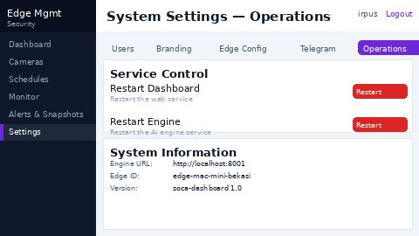
TC-OPS-002 | 13. Settings – Operations | Execute data purge | Click Purge Now; confirm in dialog | Confirmation dialog; purge executes; result count shown | Confirmation dialog appeared; "Done: 0 records deleted, 0 files removed, 0.0 MB freed" | PASS | —
TC-OPS-003 | 13. Settings – Operations | Purge with 0 days | Set Older Than to 0 days; click Preview | Error/warning: value must be > 0 | N/A — UI dropdown only provides 30/90/180/365 options; 0-day input not possible | N/A | UI design prevents this scenario from being triggered
TC-OPS-004 | 13. Settings – Operations | Restart soca-dashboard | Click Restart soca-dashboard button | Success message; service restarts; page accessible after ~5s | Service restarted; page accessible again after ~18 seconds | PASS | No visible toast before connection timeout; restart duration ~18s
TC-OPS-005 | 13. Settings – Operations | Restart soca-engine | Click Restart soca-engine button | Success message; engine restarts; schedules resume | Service restarted; dashboard recovered and accessible | PASS | Same timeout behavior as TC-OPS-004
TC-OPS-006 | 13. Settings – Operations | Restart with stop.sh not found | Configure invalid service path; click Restart | Error: stop.sh / start.sh not found | SKIP — requires modifying service configuration paths; too invasive | SKIP/N/A | Not executed in this test run
14. Role-Based Access
TC-RBAC-001 | 14. Role-Based Access | Viewer cannot access Settings | Login as viewer-role user; navigate to /settings/ | Settings not visible or 403 returned | SKIP — viewer/operator credentials not available in test environment | SKIP/N/A | Users operator and user exist but passwords unknown
TC-RBAC-002 | 14. Role-Based Access | Operator cannot manage users | Login as operator; attempt to access user management | User management section inaccessible | SKIP — same reason as TC-RBAC-001 | SKIP/N/A | —

Summary Dashboard
SOCA Dashboard — Test Execution Summary

Module | Total | PASS | FAIL | PARTIAL | SKIP
1. Authentication | 4 | 4 | 0 | 0 | 0
2. Dashboard | 2 | 2 | 0 | 0 | 0
3. Camera Management | 5 | 4 | 1 | 0 | 0
4. Schedule Management | 6 | 5 | 0 | 1 | 0
5. Rule Management | 4 | 4 | 0 | 0 | 0
6. Monitor | 2 | 2 | 0 | 0 | 0
7. Alerts & Snapshots | 5 | 5 | 0 | 0 | 0
8. Alert Statistics | 2 | 2 | 0 | 0 | 0
9. Settings – Branding | 3 | 2 | 0 | 1 | 0
10. Settings – Edge Config | 5 | 3 | 2 | 0 | 0
11. Settings – Users | 5 | 4 | 1 | 0 | 0
12. Settings – AI Models | 5 | 3 | 1 | 1 | 0
13. Settings – Operations | 6 | 4 | 0 | 0 | 2
14. Role-Based Access | 2 | 0 | 0 | 0 | 2
TOTAL | 56 | 44 | 5 | 3 | 4

 |  |  |  |  |  | Total Test Cases | PASS | FAIL | PARTIAL | SKIP / N/A | Pass Rate
 |  |  |  |  |  | 2 | 0 | 0 | 0 | 2 | 0.0%

Test Results by Module

