Developer Data
Common Faculty Development Program Developer Course

Common Scenario Project Template


USAJFKSWCS
SFDD

 | version 1.0

Developer Name

Project Job Title (Occupation)/Skill Level

PM - 1
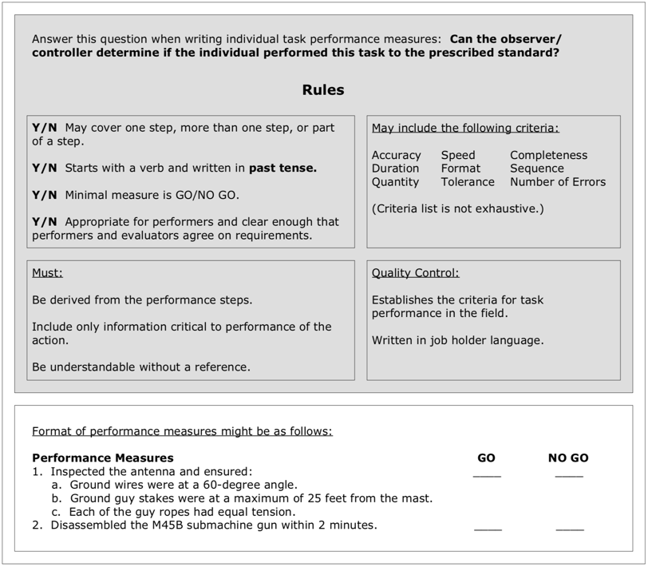
 | Performance Measures - Task # 1 (TP 350-70-1, Par 7-6)
 | Task Number:
 | Task:
 | Condition: |  | Given a Potential Target Audience List (PTAL) or a position to develop a PTAL. Having access to Classified Resources and PSYOP Foundational Documents and Authorities
 | Standard: |  | Refine Target Audience for Influence Potential Until Approved by CDR
 |  | Performance Steps
* | Step Sequence required? |  |  |  | Go | No Go
** | 1
* | Sub-Step Sequence required? |  | Select one
 | ** | a.
 | ** | b.
 | ** | c.

 |  |  |  |  | Go | No Go
** | 2
* | Sub-Step Sequence required? |  | Select one
 | ** | a.
 | ** | b.
 | ** | c.

 |  |  |  |  | Go | No Go
** | 3
* | Sub-Step Sequence required? |  | Select one
 | ** | a.
 | ** | b.
 | ** | c.

 | **NOTE: Format for identifying step(s) and sub-step(s) is past tense action verb, object, qualifier – if necessary and minimum standard.**
 | * Identify if performance steps must be performed in order (drop down; Yes/No). If a performance step has sub-steps, identify if sub-step must be performed in order (drop down; Yes/No).

 |  |  | Select one | Select one
 |  |  | Go | No Go
 |  |  | N/A | N/A

Milestone Plan
 | Milestone Plan
↓ | Phase | Start Date | Target Date | Completion Date | Person Responsible | Key Events/Deliverables and Issues
↓ | Analysis |  |  |  |  | [Critical Task and Site Selection Board (CTSSB)]

↓ | Design |  |  |  |  | [Course Design Review (CDR)]

↓ | Develop |  |  |  |  | [Formative Assessment of materials in development]

↓ | Implement |  |  |  |  | [Post-Instructional Conference (PIC)]




