Sheet1
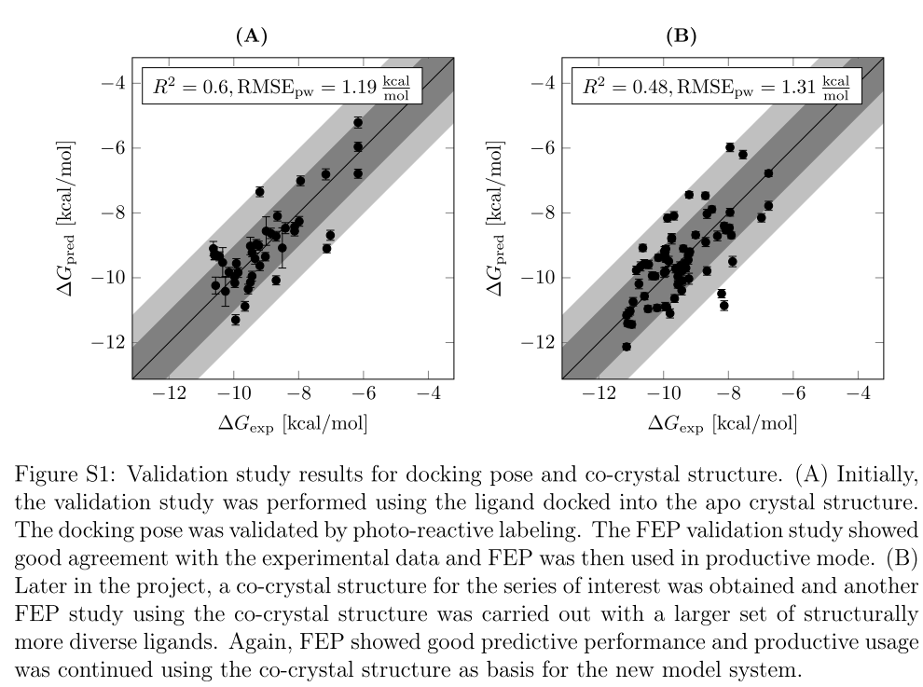

ID | IC50 | dGexp | MMGBSA | dGpred | IC50predMAX | IC50pred | IC50predMIN |  |  |  |  | glide | gnina
GSK843 | 3 | -11.696293515 | -46.3 | -10.22149 | 315.52 | 35.62 | 4.02 | RIPK2抑制剂活性预测效果总结 |  |  |  | -7.607 | -10.783853342
IN05032 | 3.25 | -11.64858806 | -44.2 | -9.62656 | 856.14 | 96.66 | 10.91 |  |  |  |  | -7.376 | -10.764640572
IN05043 | 4.485 | -11.4566263 | -44.6 | -9.73988 | 707.90 | 79.92 | 9.02 |  |  |  |  | -7.85 | -10.81816186
IN05022 | 5.56 | -11.32856997 | -47.3 | -10.50479 | 196.15 | 22.15 | 2.50 |  |  |  |  | -6.676 | -10.901874643
IN05016 | 15.54 | -10.7159897 | -43.7 | -9.48491 | 1085.83 | 122.59 | 13.84 |  |  |  |  | -6.929 | -10.660342677
IN05033 | 16.29 | -10.68789779 | -43.7 | -9.48491 | 1085.83 | 122.59 | 13.84 |  | 实际落在误差范围外 | 9 | 33.33% | -8.521 | -10.831885267
IN05018 | 17.18 | -10.65619387 | -46.9 | -10.39147 | 237.23 | 26.78 | 3.02 |  | 实际落在误差范围内 | 18 | 66.67% | -6.158 | -10.383129853
IN05028 | 17.2 | -10.65550045 | -50.7 | -11.46801 | 38.97 | 4.40 | 0.50 |  | control |  |  | -7.966 | -10.502523495
IN05039 | 19.4 | -10.58376369 | -50.29 | -11.351857 | 47.35 | 5.35 | 0.60 |  | 在+-1.3 kcal/mol的误差下（0.13~7.5倍），预测命中率为66.67% |  |  | -6.608 | -10.993821471
IN05009 | 29.28 | -10.33843124 | -43.3 | -9.37159 | 1313.22 | 148.27 | 16.74 |  |  |  |  | -6.415 | -10.868938466
IN05007 | 53 | -9.984772458 | -39.3 | -8.23839 | 8791.97 | 992.64 | 112.07 |  |  |  |  | -6.51 | -10.941672524
dGexp与MMGBSA相关
IN05036 | 77.23 | -9.760380801 | -43.8 | -9.51324 | 1035.43 | 116.90 | 13.20 |  |  |  |  | -8.896 | -10.701512899
IN05025 | 90.35 | -9.666866593 | -49.3 | -11.07139 | 75.81 | 8.56 | 0.97 |  |  |  |  | -9.237 | -10.807183134
IN05019 | 103.6 | -9.58530619 | -41.7 | -8.91831 | 2809.55 | 317.21 | 35.81 |  |  |  |  | -8.892 | -10.711119284
IN05011 | 122 | -9.487869896 | -41.3 | -8.80499 | 3397.91 | 383.64 | 43.31 |  |  |  |  | -7.134 | -11.121449158
IN05034 | 142.8 | -9.394045189 | -44.03 | -9.578399 | 928.19 | 104.80 | 11.83 |  |  |  |  | -7.663 | -10.669949062
IN05026 | 174 | -9.27626948 | -46.1 | -10.16483 | 346.99 | 39.18 | 4.42 |  |  |  |  | -7.721 | -10.770129935
IN05020 | 291 | -8.969765772 | -42.3 | -9.08829 | 2112.40 | 238.50 | 26.93 |  |  |  |  | -10.625 | -10.724842691
IN05010 | 311 | -8.930149863 | -42.4 | -9.11662 | 2014.33 | 227.43 | 25.68 |  |  |  |  | -10.904 | -10.977353383
IN05012 | 664 | -8.478090278 | -41.7 | -8.91831 | 2809.55 | 317.21 | 35.81 |  |  |  |  | -8.199 | -10.502523495
IN05029 | 1813 | -7.879434465 | -41.1 | -8.74833 | 3736.80 | 421.90 | 47.63 |  |  |  |  | -9.745 | -10.870310807
IN05035 | 2154 | -7.776717652 | -37.1 | -7.61513 | 25017.71 | 2824.58 | 318.91 |  |  |  |  | -9.351 | -10.715236306
IN05005 | 2195 | -7.765479793 | -42.4 | -9.11662 | 2014.33 | 227.43 | 25.68 |  |  |  |  | -10.934 | -10.770129935
IN05008 | 2602 | -7.664101186 | -43 | -9.2866 | 1514.50 | 170.99 | 19.31 |  |  |  |  | -8.576 | -10.337842609
IN05001 | 9133 | -6.915755333 | -41.3 | -8.80499 | 3397.91 | 383.64 | 43.31 |  |  |  |  | -10.264 | -10.823651223
IN05006 | 9415 | -6.897631012 | -39.8 | -8.38004 | 6932.15 | 782.66 | 88.37 |  |  |  |  | -8.434 | -10.771502275
IN05004 | 9871 | -6.869441998 | -38.5 | -8.01175 | 12859.85 | 1451.92 | 163.93 |  |  |  |  | -7.329 | -10.921087413

 | reference: | Schindler, C. E. M., Baumann, H., Blum, A., Böse, D., Buchstaller, H. P., Burgdorf, L., Cappel, D., Chekler, E., Czodrowski, P., Dorsch, D., Eguida, M. K. I., Follows, B., Fuchß, T., Grädler, U., Gunera, J., Johnson, T., Lebrun, C. J., Karra, S., Klein, M., … Kuhn, D. (2020). Large-scale assessment of binding free energy calculations in active drug discovery projects. Journal of Chemical Information and Modeling, 60(11), 5457–5474. https://doi.org/10.1021/acs.jcim.0c00900
 | 以2020年schrodinger发表的FEP+性能作为对比

Sheet2
Molecule ChEMBL ID | pChEMBL Value | Smiles | IC50 | dGexp | glide | pv_gnina | rmsd_gg | gnina | MMGBSA
CHEMBL5169942 | 8.23 | Nc1ncnc2c1c(-c1cccc(Cl)c1)cn2[C@H]1CC[C@@H](N)CC1 | 5.8884365536 | -11.294364088 | -9.894 | 7.461 | 0.414591 | -10.239034078 | -47.5623
CHEMBL5170201 | 7.73 | COc1ccc(-c2cn([C@H]3CC[C@@H](NCc4cccc(OC(F)(F)F)c4)CC3)c3ncnc(N)c23)cc1 | 18.620871367 | -10.60819373 | -8.721 | 7.923 | 4.2187 | -10.873055488 | -45.4228
CHEMBL5171074 | 8.28 | C=CCN[C@H]1CC[C@@H](n2cc(-c3ccc(OC)cc3)c3c(N)ncnc32)CC1 | 5.2480746025 | -11.362981124 | -8.996 | 7.715 | 0.975787 | -10.587608619 | -39.2259
CHEMBL5171377 | 8.62 | Cc1ccc(-c2cn([C@H]3CC[C@@H](N)CC3)c3ncnc(N)c23)cc1 | 2.398832919 | -11.829576967 | -9.543 | 7.337 | 0.391302 | -10.068863829 | -42.7695
CHEMBL5172982 | 7.81 | COc1ccc(-c2cn([C@H]3CC[C@@H](NC(=O)C(C)(C)C)CC3)c3ncnc(N)c23)cc1 | 15.488166189 | -10.717980987 | -8.941 | 7.835 | 0.544136 | -10.752289505 | -45.9737
CHEMBL5174069 | 8.38 | COc1ccc(-c2cn([C@H]3CC[C@@H](N)CC3)c3ncnc(N)c23)cc1 | 4.1686938347 | -11.500215195 | -9.342 | 7.414 | 0.498506 | -10.174534064 | -42.7728
CHEMBL5174176 | 7.97 | Cc1cccc(-c2cn([C@H]3CC[C@@H](N)CC3)c3ncnc(N)c23)c1 | 10.715193052 | -10.937555502 | -8.906 | 7.315 | 1.58308 | -10.038672333 | -38.9752

CHEMBL5175396 | 8.17 | COc1ccc(-c2cn([C@H]3CC[C@@H](NCC#N)CC3)c3ncnc(N)c23)cc1 | 6.7608297539 | -11.212023645 | -9.751 | 7.567 | 3.09352 | -10.384502194 | -38.7594
CHEMBL5180091 | 8.19 | Nc1ncnc2c1c(-c1cccc(F)c1)cn2[C@H]1CC[C@@H](N)CC1 | 6.4565422903 | -11.239470459 | -9.696 | 7.342 | 1.8826 | -10.075725533 | -41.1211
CHEMBL5184606 | 8.2 | Nc1ncnc2c1c(-c1ccc(O)cc1)cn2[C@H]1CC[C@@H](N)CC1 | 6.3095734448 | -11.253193866 | -9.656 | 7.403 | 0.329246 | -10.159438316 | -47.1878
CHEMBL5185309 | 7.68 | COc1ccc(-c2cn([C@H]3CC[C@@H](NS(=O)(=O)C(F)(F)F)CC3)c3ncnc(N)c23)cc1 | 20.892961309 | -10.539576694 | -8.016 | 7.604 | 1.53185 | -10.4352788 | -42.0777
CHEMBL5187179 | 8.22 | CCCC(=O)N[C@H]1CC[C@@H](n2cc(-c3ccc(OC)cc3)c3c(N)ncnc32)CC1 | 6.0255958607 | -11.280640681 | -8.793 | 7.806 | 0.60412 | -10.712491625 | -43.4697
CHEMBL5187454 | 9.1 | Nc1ncnc2c1c(-c1ccc3c(c1)OCO3)cn2[C@H]1CC[C@@H](N)CC1 | 0.79432823472 | -12.48830051 | -9.437 | 7.69 | 1.60014 | -10.553300102 | -49.3289
CHEMBL5189173 | 7.93 | COc1ccc(-c2cn([C@H]3CC[C@@H](NC(C)=O)CC3)c3ncnc(N)c23)cc1 | 11.748975549 | -10.882661873 | -8.395 | 7.658 | 0.620872 | -10.509385199 | -41.6439
CHEMBL5191232 | 8.1 | Cc1ccccc1-c1cn([C@H]2CC[C@@H](N)CC2)c2ncnc(N)c12 | 7.9432823472 | -11.115959795 | -8.448 | 7.319 | 1.68076 | -10.044161696 | -42.2807
CHEMBL5191796 | 7.97 | CCC(=O)N[C@H]1CC[C@@H](n2cc(-c3ccc(OC)cc3)c3c(N)ncnc32)CC1 | 10.715193052 | -10.937555502 | -8.832 | 7.717 | 0.385134 | -10.590353301 | -43.0071
CHEMBL5195615 | 8.8 | Nc1ncnc2c1c(-c1ccc(F)cc1)cn2[C@H]1CC[C@@H](N)CC1 | 1.5848931925 | -12.076598296 | -9.12 | 7.26 | 1.49817 | -9.963193594 | -41.7003
CHEMBL5197634 | 8.52 | COc1ccc(-c2cn([C@H]3CC[C@@H](NCc4ccccc4)CC3)c3ncnc(N)c23)cc1 | 3.0199517204 | -11.692342895 | -8.277 | 7.914 | 0.699498 | -10.860704422 | -51.5734
CHEMBL5204246 | 7.78 | COc1ccc(-c2cn([C@H]3CC[C@@H](NC(=O)C(C)Cl)CC3)c3ncnc(N)c23)cc1 | 16.595869074 | -10.676810766 | -8.815 | 7.756 | 0.898406 | -10.643874589 | -41.2179
CHEMBL5205532 | 8.4 | Nc1ccc(-c2cn([C@H]3CC[C@@H](N)CC3)c3ncnc(N)c23)cc1F | 3.9810717055 | -11.52766201 | -9.723 | 7.553 | 0.309724 | -10.365289424 | -43.8361
CHEMBL5205764 | 8.41 | COc1ccc(-c2cn([C@H]3CC[C@@H](NC(=O)c4cc(OC)c(OC)c(OC)c4)CC3)c3ncnc(N)c23)cc1 | 3.8904514499 | -11.541385417 | -7.869 | 7.704 | 8.77465 | -10.572512872 | -52.639
CHEMBL5206121 | 7.47 | Cc1ccc(-c2nn(C(C)(C)CNC(=O)c3ccncc3)c3ncnc(N)c23)cc1 | 33.884415614 | -10.251385144 | -8.839 | 7.828 | 0.357632 | -10.74268312 | -40.8614
CHEMBL5207306 | 8.05 | Nc1ncnc2c1c(-c1ccccc1)cn2[C@H]1CC[C@@H](N)CC1 | 8.9125093813 | -11.047342759 | -9.539 | 7.133 | 0.319722 | -9.7889063231 | -42.4735

