Sheet1
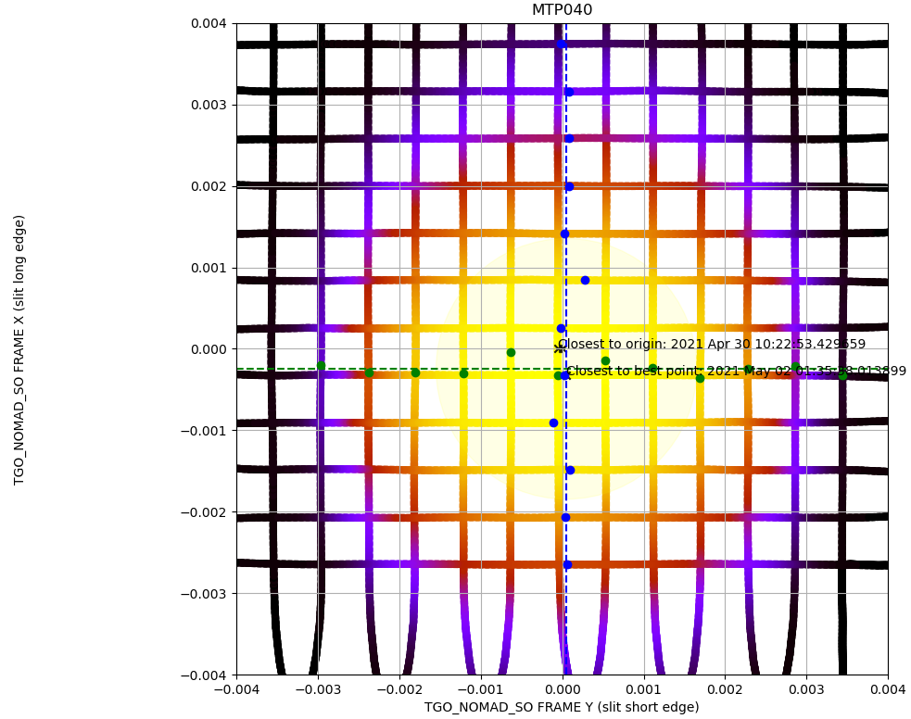
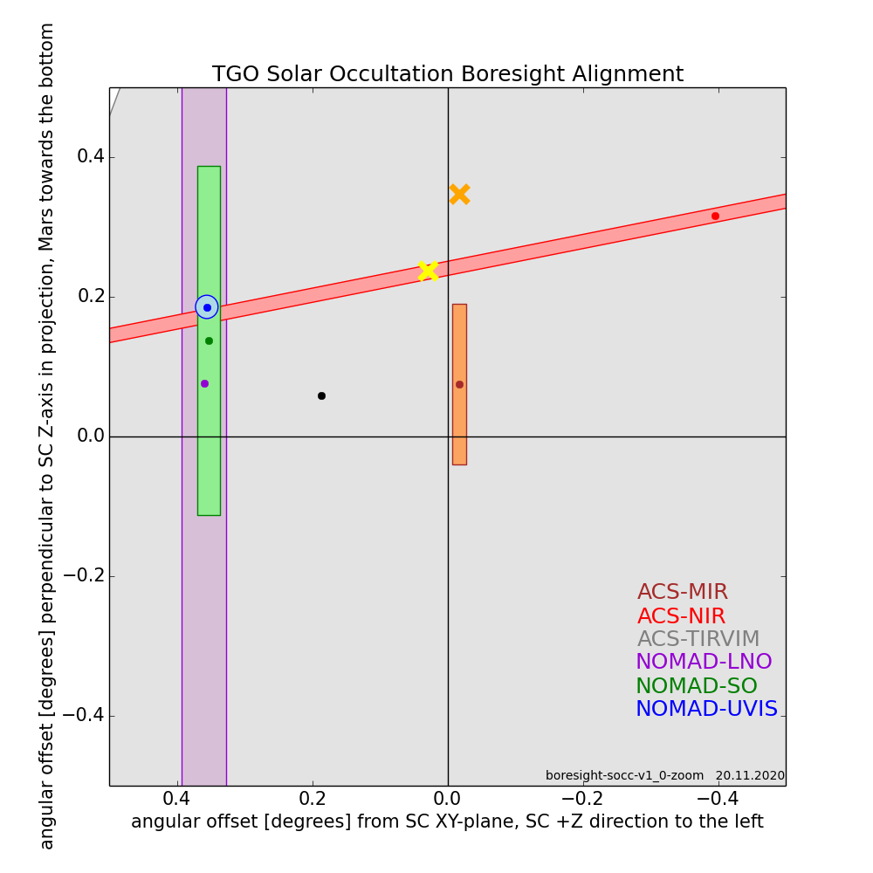
NOTE THAT X-Y IN SO FRAME IS FLIPPED
X = LONG EDGE OF SLIT
Y = SHORT EDGE OF SLIT
 |  |  | 13-Jun-18 | SO | -0.9218973, -0.38738526, 0.00616719
 |  |  |  | UVIS | -0.922221097920913, -0.386613383297695, 0.006207330031467
 |  |  |  | MIR | -0.9215, -0.3884, -0.0003

 | MTP040 boresight

Calculated delta |  |  | -0.00012506
X (LONG) = | -0.000245943548 |  | 0.00029748
Y (SHORT) | 0.000052572415 |  | 0.00000000

SO | Old MTP001 | Old MTP040 | New | New normalised MTP049
 | -0.92156000 | -0.92189730 | -0.9217725213 | -0.92177223646
 | -0.38819000 | -0.38738526 | -0.38768286366 | -0.38768274386
 | 0.00618000 | 0.00616719 | 0.00616719 | 0.0061671880942

Convert to SPICE Y rotation | -67.155219411 | -67.205049513 |  | -67.186561571 | <-put these new values in SPICE fk kernel, then move to time closest to max signal
Note that order is actually (Z,Y,X) above! | 89.087925996 | 89.087925775 |  | 89.088625808 | If boresight centred on the sun at that location then all good
 | -22.841922705 | -22.791900171
 | -89.997142116 | -89.996949684
 |  |  |  |  | Change from MTP040
 | Lower signal top bin | Lower signal last bin |  |  | 0.018487941584 | deg
 | FOV too high | FOV too low |  |  | 1.1092764951 | arcminutes
 | Sun too low | Sun too high

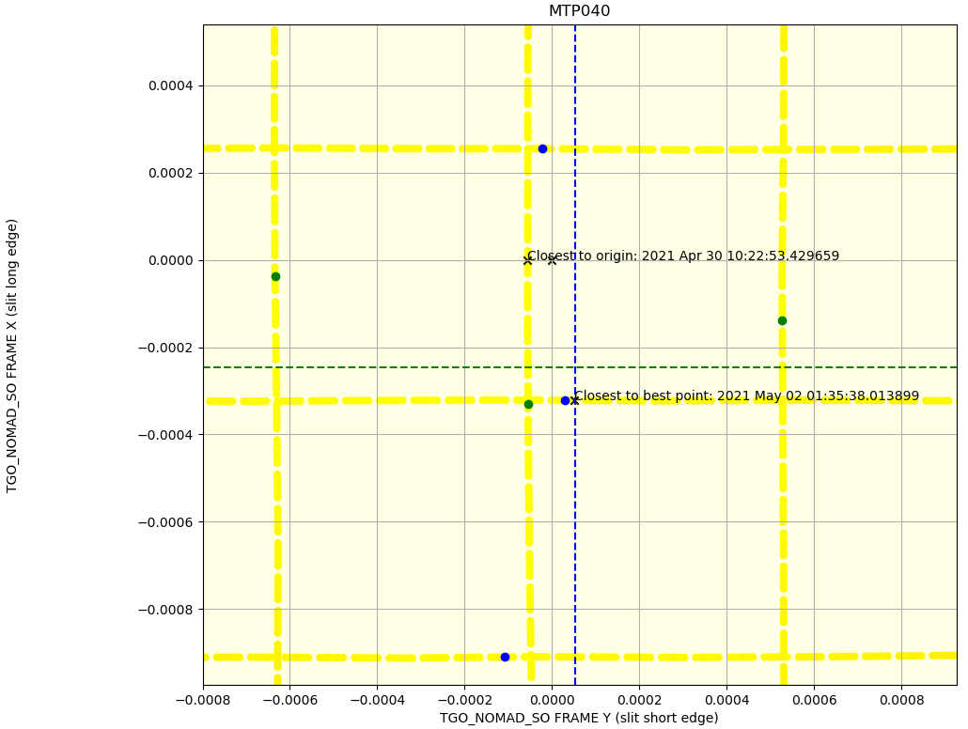
Magnitude | 1.00000125104922 | 1.00000000282253 | 1.00000030901952 | 1.00000000000000
1-Magnitude | -1.2510492176E-06 | -2.8225268789E-09 | -3.0901952153E-07 | 0

 | Closest point to origin |  |  |  | Closest to new best point
State Vector TGO frame | 2021 APR 30 10:22:53.429659 |  |  | State Vector | 2021 MAY 02 01:35:38.013899
X | -226121685.37 |  |  | X | -226247571.13
Y | -95018309.837 |  |  | Y | -95156130.439
Z | 1526369.6114 |  |  | Z | 1501377.7271

Magnitude | 245279076.97952092000000 |  |  | Magnitude | 245448378.96641475000000

Boresight at closest point | -0.92189553286 |  |  | Boresight at closest point | -0.9217725213 |  | -0.00021252
 | -0.38738856574 |  |  |  | -0.38768286366 |  | 0.00050714
 | 0.006222991501 |  |  |  | 0.0061168777458 |  | -0.00006312

Convert to SPICE | -67.204788181 |  |  | Convert to SPICE | -67.186603664

