MAS Website
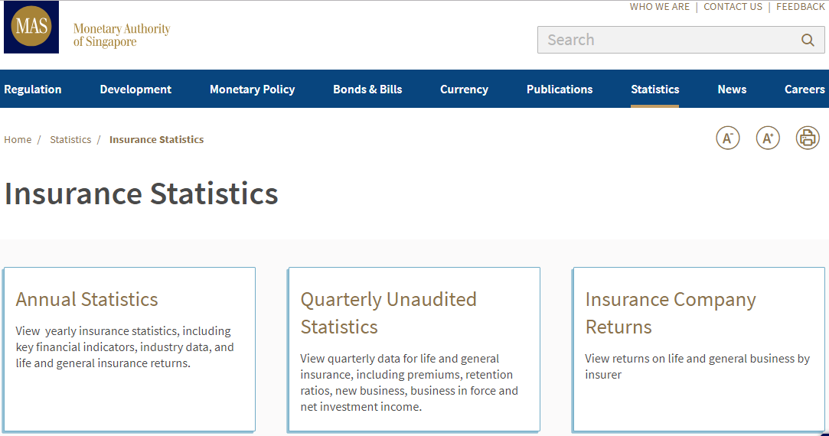
https://www.mas.gov.sg/statistics/insurance-statistics

csv
