Course Summary
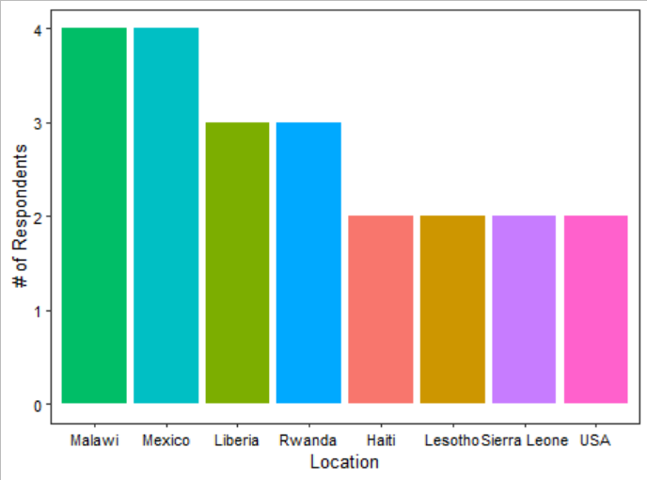
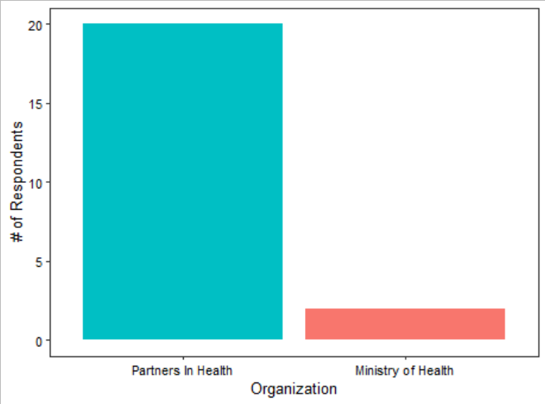
There are 50 Qs in the Final Course Evaluation; the 30 lecture and overall course questions are here
Course Eval Respondents Summary (N = 22) |  | How did the course affect your understanding of the following? |  |  |  |  |  | Highlights of biggest challenges to completing the course:
 |  |  | HMIS Data | Time Series Modeling | Syndromic Surveillance Methods | Your ability to interpret results | Your ability with R | Sometimes I felt it would have been good to count on some material previously to the lectures.
 |  | Not applicable / NA | 1 | 0 | 0 | 0 | 3 | I m not able to write code during the during training session. But with lab Solutions It works better.
 |  | No improvement | 1 | 0 | 0 | 0 | 0 | Competing work-related commitments
 |  | Very little improvement | 2 | 1 | 0 | 2 | 2 | Getting starting from the beginning with the installation of the required version of R and the packages.
 |  | Some improvement | 10 | 6 | 8 | 12 | 7 | Finding the time to complete activities on my own
 |  | Great improvement | 8 | 15 | 14 | 8 | 10
 |  |  |  |  |  |  |  | Highlights of future course topics of interest:
 |  | Would you.. |  |  |  |  |  | I would like a course in Intorduction/Foundamentals of Epidemiologic Research Methods
 |  | (Options range from Definitely not 1 - 8 Definitely yes) |  |  |  |  |  | A wealth of topic in Biostatistics were suggested (suggestions: sample sizes, modeling, time series, hypothesis tests in R, imputation, cleaning, inferential stats, survival analysis, ANOVA mixed models, other predictive models, regression)
 |  | Response (1 to 8) |  |  | 6 | 7 | 8
 |  | Recommend this course to others? |  |  | 1 | 2 | 19 | All analytical topics possible on your list
 |  | Be interested in another course on this topic? |  |  | 0 | 1 | 21 | Sero-surveillance studies
 |  | Be interested in a similar course on another topic? |  |  | 0 | 1 | 21 | SAS/Excel/ dedicated courses on R and doing stats/data viz/machine learning in R
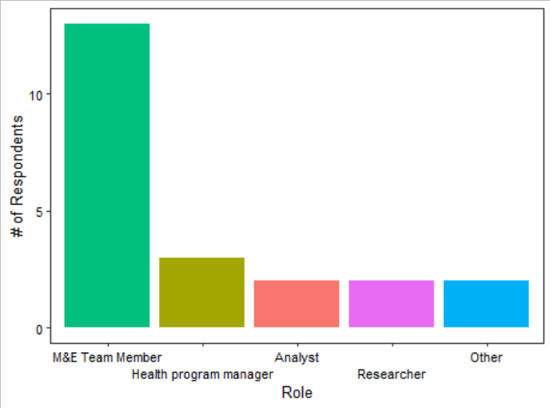
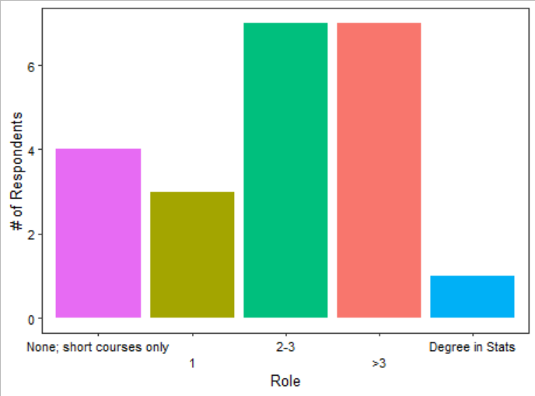
 |  | Website |  |  |  |  |  | Highlights of course aspects to bring into future courses:
 |  | Did you use it? | Yes | No |  |  |  | The small groups during the practical sesisons were very useful. The combination of theory and practice was great and well balanced.
 |  |  | 21 | 1 |  |  |  | Provide some test and provide feedback after submission
 |  | How useful was it, if yes? | 4 | 5 | 6 | 7 | 8 | Syllabus and reading material prior to class
 |  |  | 1 | 0 | 0 | 3 | 17 | Keeping an online version of these courses and having T.As available for support.
 |  | Recommendations: | More literature, practice assignments, R resources, post-lecture downloads |  |  |  |  | "I liked the break out rooms/discussion time."; "Variety in lecturers, group work"

 |  | How would you rate the lecture… |  |  |  |  |  | Highlights on recommendations for future courses:
 |  |  | <5 | 5 | 6 | 7 | 8 | Before doing the practice, take time to explain the need of modeling, the main reason of the using of a particular modeling
 |  | amount? | 9 | 9 | 2 | 2 | 0 | Providing extra material to consult before the sessions. Reduce the pace of the practical sessions.
 |  | length? | 6 | 10 | 4 | 1 | 1 | It would be better to shortlist people of almost same level or have different groups.
 |  | content? | 6 | 5 | 9 | 2 | 0 | Lecture pace from the lecturer/presenter should be slower especially when there are participants who are just beginners.
 |  | pace? | 2 | 7 | 11 | 1 | 1 | I would feel like if we are given practice assignments to work on over for the rest of the week. It would be helpful for the practice of our development
 |  | clarity? | 2 | 3 | 1 | 10 | 5 | If possible it would be great to add a practicuum to this course where country teams progressively apply the newly acquired skills to an existing project/problem and current datasets. I also
 |  | engagement? | 3 | 5 | 7 | 4 | 3 | Office hours to include aspects of the lecture session not just lab parts
 |  |  |  |  |  |  |  | As a US-based participant, I would love to find a balance between actively participating and ensuring that international staff, who are on the ground collecting HMIS data, have the opportunity to lead/facilitate discussions in group work.

Highlights of favorite parts of lecture: | Highlights of recs to improve lectures: |  |  |  |  | Highlights of recs to increase lecture engagement:
The sesisons in small groups to discuss some aspects of the theory. | Exploring other potential methods to analyse the data a part from the one used by the Harvard team. |  |  |  |  | Maybe preparing some short presentations by the students.
Outliers, data visualization | maybe hard , assess interest of participants in the course |  |  |  |  | Ask participants for other applications they can think of of a topic
Interpretation of results | Considering network challenges at times, let presenter's pace be abit slower. |  |  |  |  | Assigning notetakers/reporters?
Learning new things around applications of cosine rule | Consider different level of participants |  |  |  |  | better to consider time after work, there was some conflict with other calls
Learning the theory that underpins syndromic surveillance visualizations that I've been seeing for several months! | more real-time QA sessions |  |  |  |  | Randomly request participation.
Interpretation of time series graphs, though I did not understand well, but I think if I improve, it will help me a lot in my daily works. | Make the course easy to understand. Or better, do a pre survey to get levels of students and plan to teach them in categories |  |  |  |  | May be change the time. Personally, 8:00 pm (Rwanda) would be very favorable
break out sessions with colleagues | More practice questions, examples |  |  |  |  | more real-time QA sessions
Providing insights of what is practically ahead | Increase the time |  |  |  |  | ask/nominate country representatives to share more
Data Cleaning and Visualizations (time series modelling was fun as well) | Having pre-recorded slides ahead of class can give more time for discussions and hands-on practice |  |  |  |  | Continue to make it more interactive with the participants
Group work and open for questions | More deeper content on topic beyond fundaementals |  |  |  |  | More practice questions
Practical part | More polls/interactive activities! |  |  |  |  | more problem based learning
Both lecture and practical session |  |  |  |  |  | Real time questions during practical such that people can respond to as they are learning
 |  |  |  |  |  | Give the opportunity to students to prepare session prior to the course

Lab Summary
There are 50 Qs in the Final Course Evaluation; the 20 lab-centric questions are here | Labs Attended: | 0/NA | 1 | 2 | 3 | 4 | 5
Lab Eval Respondents Summary (N = 18) |  | 4 | 1 | 0 | 1 | 7 | 9
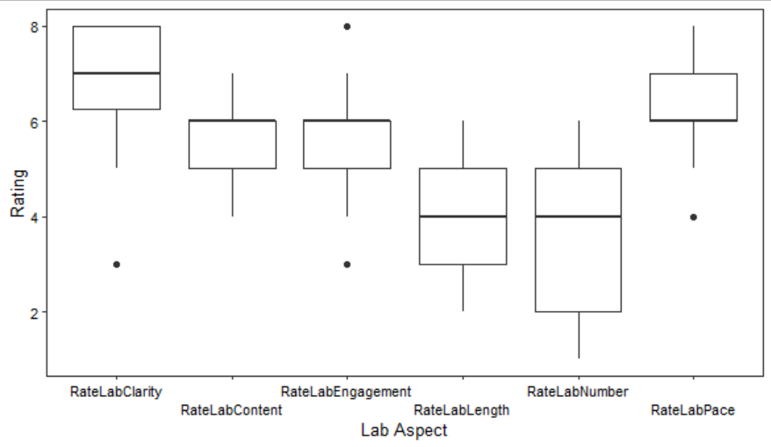
 |  | BEFORE THE COURSE which software did you use for… |  |  |  |  |  |  | AFTER THE COURSE, how often will you use R for…
 |  |  |  | R | Excel | Stata | Other | NA | Never | Sometimes | Always | NA
 |  | Data cleaning |  | 2 | 10 | 3 | 3 | 4 | 1 | 14 | 3 | 4
 |  | Descriptive Stats |  | 3 | 9 | 4 | 2 | 4 | 0 | 11 | 7 | 4
 |  | Stats Analyses |  | 3 | 1 | 6 | 7 | 4 | 0 | 11 | 7 | 4
 |  | Time Series |  | 3 | 0 | 0 | 5 | 14 | 0 | 6 | 12 | 4
 |  | Data Viz |  | 3 | 6 | 0 | 4 | 9 | 0 | 11 | 7 | 4

 |  | Highlights of favorite parts of lab:
 |  | Explanation about meaning of codes
 |  | The hands on experience
 |  | All labs were very important. Step by step
 |  | Support from TAs
 |  | The breakout sessions with th TAs to seek some uick clarities.
 |  | Having time to figure out answers on our own
 |  | Data Cleaning
 |  | Time series modeling
 |  | The figure creation made it all come together
 |  | Learning new tricks in R like pipes!
 |  | Learning new commands and functions with side-by-side coding

Highlights of recs to improve the lab: |  | Highlights of recs to improve lab engagement:
Pace was a bit fast at times, particularly for the final lecture! |  | I think that having to deliver some work at the end of the session will push the students to try harder at each step.
May be separate the students in two groups according to their past experience. |  | Test for labs to improve practice and attendees have to set up their home analysis plan.
It would be better to shortlist people of almost same level in using software and maybe have two groups, beginners and advanced group. |  | Maybe increase time for lab, or consider homework as well.
Go slowly as some pronunciations were difficult... Make the methodology easy to help beginners |  | Make the material very simple. Start from scratch to understand R environment
More laboratory activities |  | more break out sessions
Continuously work out opportunities fro TAs to provide to extral supports to learners to enable them catchup on where there seem to be difficulties. |  | If possible, consider weekend days to allow more time and not sometimes intereferring with work-related meetings.
Assignments for practice after the lab would be nice |  | Assignments for practice after the lab would be nice
"Increase the time", "Allocate more time" |  | Real time questions that can be answered right away during the lab
More sessions are needed to master the skills |  | Have students select a project at the beginning and use additional lab sessions to apply the skills on an existing project
Give hints for tricks and tips like it was being done! |  | Ask participants for their takes or try before the actual solution is given as was done.
more lab questions |  | Call on participants directly to share?

Lecture Weeks 1-4 Summary
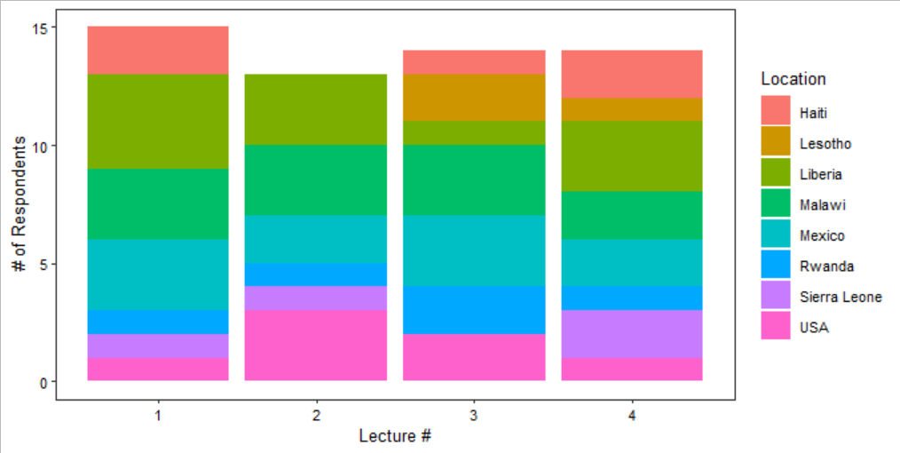
There were 20 Qs in Lecture 1's eval, and 18 in the evals for 2-4. |  | # respondents for each lecture eval |  | 1 | 2 | 3 | 4 | Lecture 1 Only: | NA | Not effective | Very small effect | Somewhat effective | Very effective
Weekly Eval Respondents Summary (N = 18) |  |  |  | 15 | 13 | 14 | 14 | How effective were the Menti Polls | 1 | 0 | 0 | 7 | 7
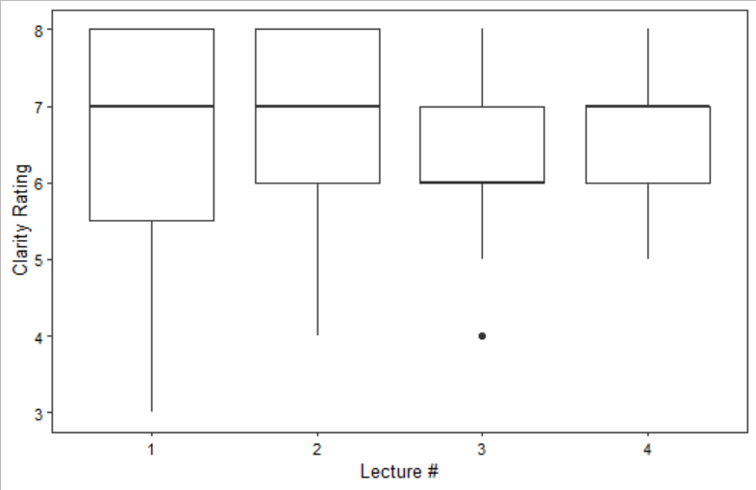
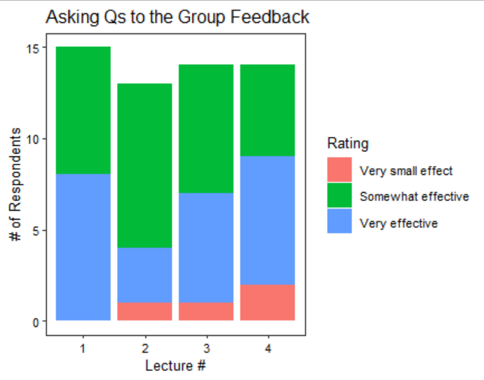
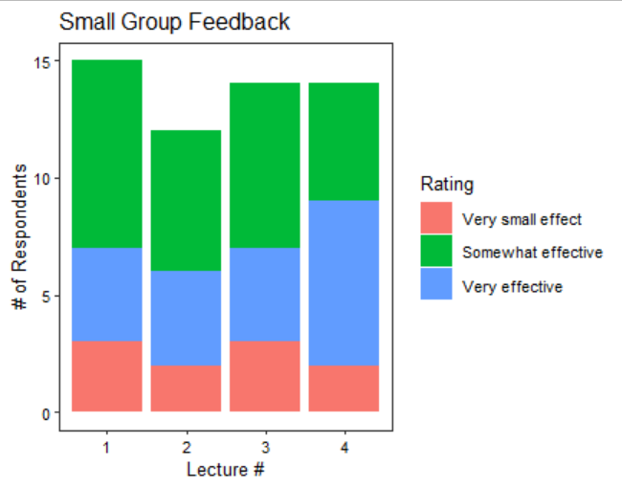

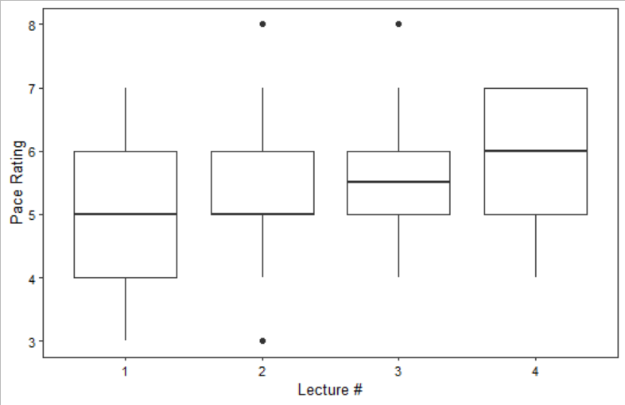
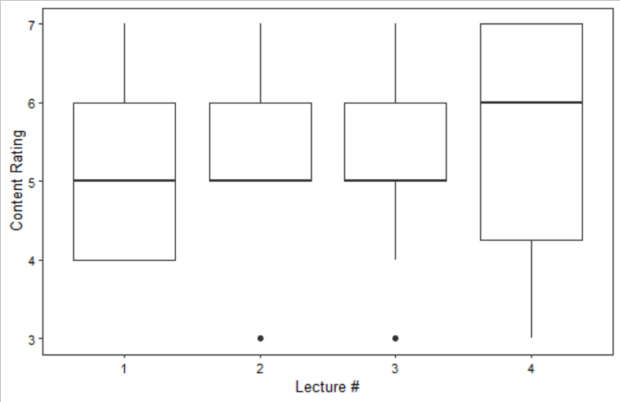

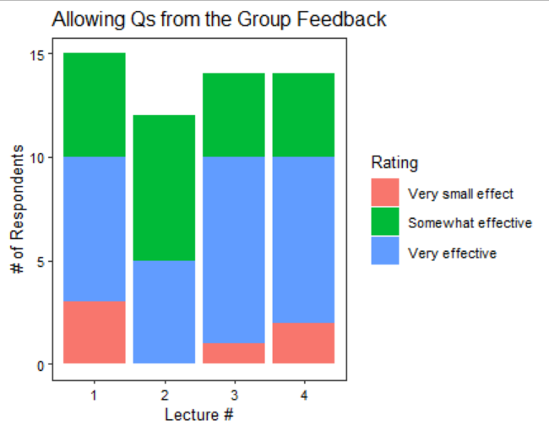

Highlights of favorite parts of each lecture: |  |  | Highlights of recs to improve the lecture:
Lecture # | Feedback |  | Lecture # | Feedback
1 | Break out sessions |  | 1 | When asked about properties of indicator, some confusion came in our group for example, whelther we should talk about an indicator being SMART or mention count proportion.
1 | I appreciated that you tried to keep it interactive |  | 1 | Share reference and presentation before the sessions
1 | Lab session and brainstorming on indicators to use for syndromiv surveillance |  | 1 | May be include examples from multiple countries...the examples were from Malawi, Lesotho, Liberia, how about other sites like Peru, etc.
1 | Learning from the experience of colleagues across sites during small group work. |  | 1 | Maybe providing some reference material where we could get more familiar with the topics for the lecture, although I understand this is hard since we all have full time jobs
1 | The overview of the methodolgy |  | 1 | Maximize the chat as well apart from direct engagement.
2 | Developing graphs |  | 2 | Provide reasons why we should plot those particular graphs
2 | Statistics test for trends (dubson test, etc) |  | 2 | May be provide more introduction information and some recommended readings
2 | The data interpretation |  | 2 | Having more practical examples during the lecture
2 | I liked going through all the steps of figuring out linear, polynomial, seasonal, etc. |  | 2 | Incentivize participation in small groups; seemed difficult to get folks to feel comfortable contributing/sharing.
2 | Taking a layered approach to the intercept and time model - each concept built on itself and the progression to running the final model made sense. |  | 2 | Continue to make it more interactive
3 | Small group work |  | 3 | to slow down the speed
3 | Understanding how seasonality fits in with time series modeling approaches that we had previously discussed. |  | 3 | Limited participation in breakout groups today (more of an observation than recommendation, apologies!).
3 | Fourier series |  | 3 | Liked the references different outbreaks to highlight key concepts
3 | The pace and clarity of the lecture. |  | 3 | Increase participation through questions.
3 | Understanding the nature and types of trends as far as time series analysis are concerned |  | 3 | Having more illustrations based on live data may be helpful
4 | Handling Missing values |  | 4 | More example
4 | Identify missing data, errors... in time series. |  | 4 | Continue with same pace of the lectures.
4 | Detecting outliers in data |  | 4 | uploading notes before the lecture helps with preparations for an upcoming class.
4 | Data Cleaning |  | 4 | continue the way the session is happening it is fine
4 | Group work |  | 4 | The lecturer should reduce his or her presentation speed

Labs 1-4 Summary
There were 20 Qs in Lecture 1's eval, and 18 in the evals for 2-4. |  | # respondents for each lab eval |  | 1 | 2 | 3 | 4 | Lecture 1 Only: | NA | Not effective | Very small effect | Somewhat effective | Very effective
Weekly Lab Eval Respondents Summary (N = 18) |  |  |  | 15 | 12 | 12 | 12 | How effective were instructions to download R beforehand? | 0 | 1 | 1 | 6 | 7
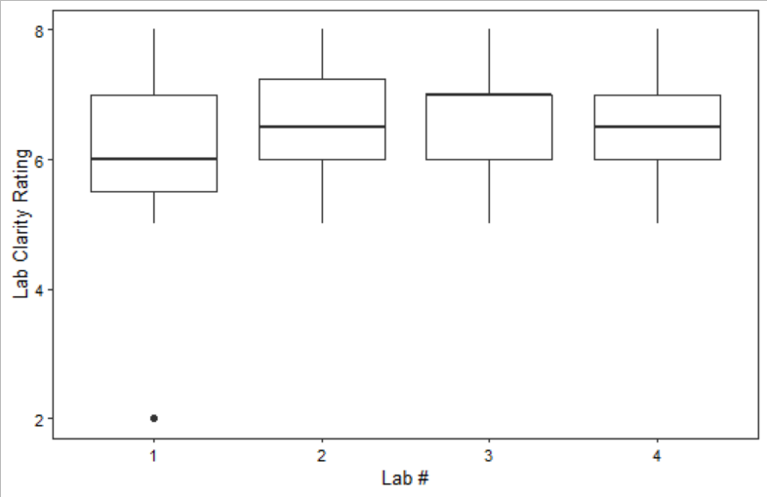
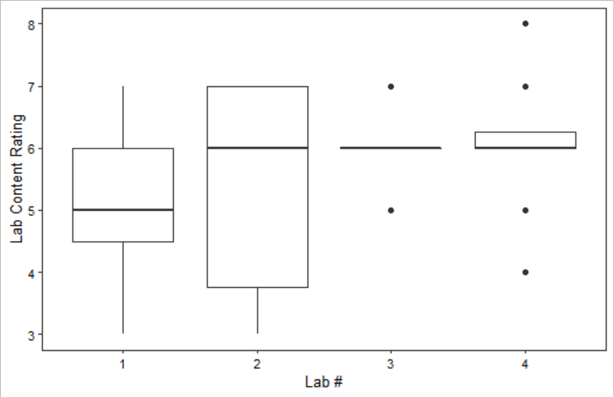
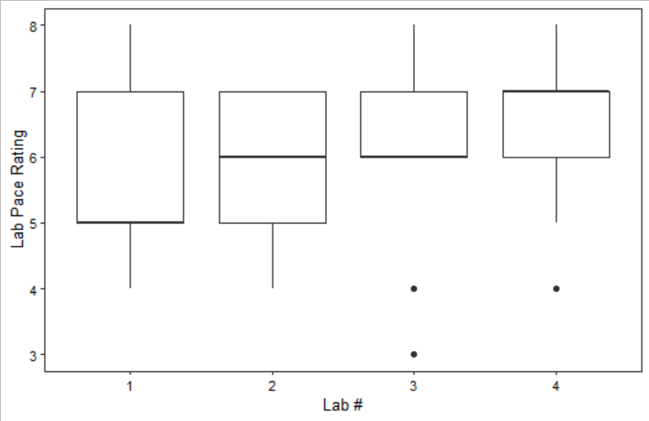

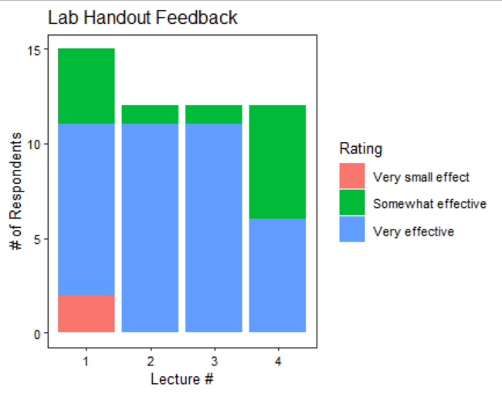
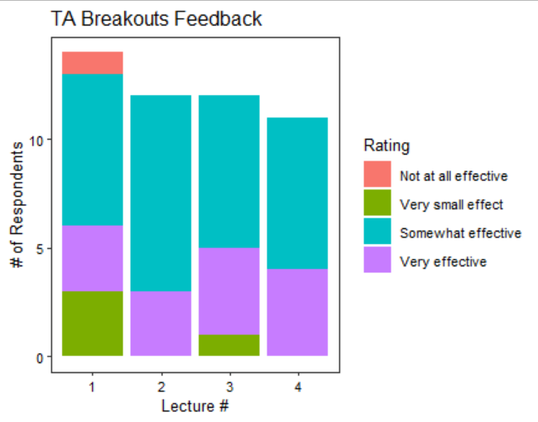
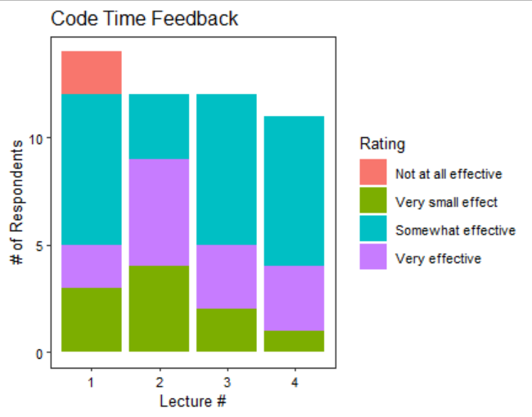

Highlights of favorite parts of each lab: |  |  | Highlights of recs to improve the lab:
Lecture # | Feedback |  | Lecture # | Feedback
1 | Having help to navigate through difficulties |  | 1 | Going slower with instructions and providing clear instructions on tutors' availability in breakout rooms
1 | Isabel is very well articulated and it was easy to follow her |  | 1 | Send the list of packages in advance
1 | Learning about pipes and the tips on some features of R that were not directly related to the lab but were helpful to know. |  | 1 | when we go to breakout room to solve issues we also miss parts of the lecture so it's complicated to get up to speed. Maybe by mentioning which steps from the handout have been completed every once in a while in the chat can be useful for us
1 | Side-by-side reproduction of code was a great way to facilitate hands-on learning |  | 1 | Share more tips as we go through the labs for obscure features and cool stuff about R that can not distract away from the lab itself of course.
1 | Having the chance to practice by ourselves what you were teaching |  | 1 | Speake slowly because, we are different at different stage on the utilisationof this software( beginner to advance).
2 | Loved everybit of it |  | 2 | Personal questions to the host really helped on my part.
2 | Building on the last time block. |  | 2 | Needed more time to complete the independent plotting activity, especially after most of the class got stuck on the correct syntax for fitting a linear regression with a cubic term.
2 | I enjoyed playing around with ggplot functions and learning how to customize my plots/visualizations! |  | 2 | To consider participants' levels
2 | Being able to set working directories, load data, and make summaries using hte data |  | 2 | Continue to move with a bit more slow pace.
2 | I enjoyed playing around with ggplot functions and learning how to customize my plots/visualizations! |  | 2 | more activities
3 | The demo and explanations |  | 3 | Today, it felt more difficult to follow along with the theory that underpins the code we were writing - perhaps I need to revisit the lecture materials to orient myself a bit better!
3 | Trying out my own code during the activity portion. |  | 3 | Instructor was a little fast and should engage more participants through highlighting other R concepts that are interesting related to lab at hand
3 | Understanding I got and the ability to move along with writing the codes. |  | 3 | Continue with such clarity from the break out rooms and the main session itself.
3 | Support from the breakout rooms |  | 3 | May be to slowdown the pace as sometimes it goes faster and beginners may be lost
3 | Fitting the model |  | 3 | Check on progress of mastering R
4 | Plotting visuals and adding titles on my own |  | 4 | I recommend continuing with this type of pace of during the prctical session (lab session).
4 | TA availability to help when needed |  | 4 | share the code before the lecture
4 | Explanation of the meaning of codes |  | 4 | Allocate some time for presentation on sitting the working directory as it is one of the main foundation
4 | Sitting the working directory |  | 4 | more exercises
4 | Plot of missing values |  | 4 | More practice sessions

