10Y-DGS10
DATASET 1 MONTHLY FREQUENCY
10Y Treasury | DGS10 | FRED

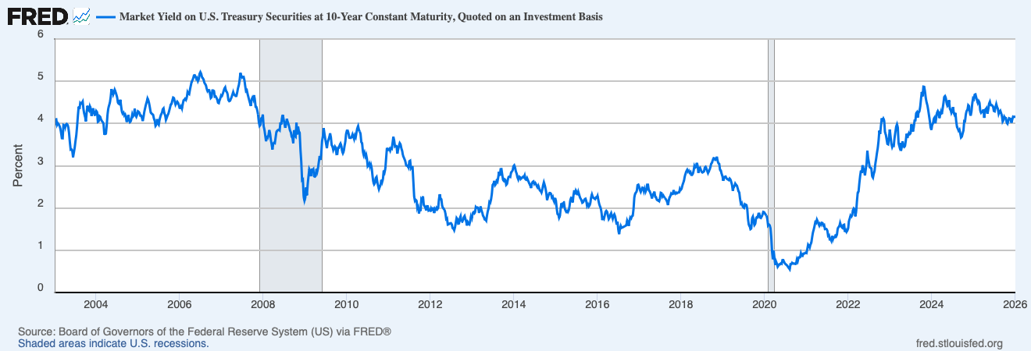
Source: Board of Governors of the Federal Reserve System via FRED
Series: DGS10 - Market Yield on U.S. Treasury Securities at 10-Year Constant Maturity
Frequency: Monthly | Units: Percent | Not Seasonally Adjusted

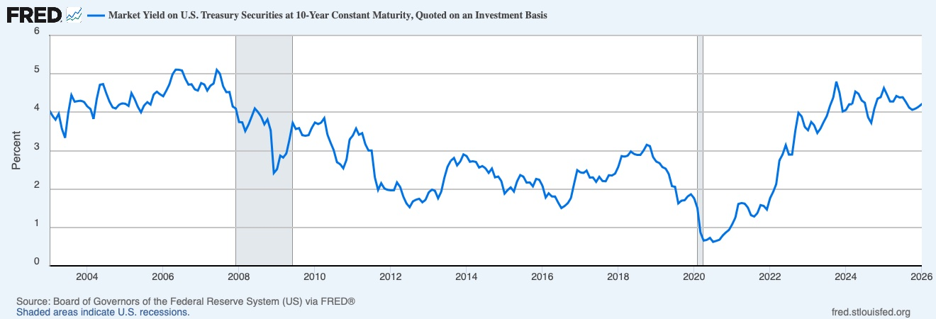
Date | DGS10 (%)
2003-01-01 | 4.05
2003-02-01 | 3.9
2003-03-01 | 3.81
2003-04-01 | 3.96
2003-05-01 | 3.57
2003-06-01 | 3.33
2003-07-01 | 3.98
2003-08-01 | 4.45
2003-09-01 | 4.27
2003-10-01 | 4.29
2003-11-01 | 4.3
2003-12-01 | 4.27 | observation_date | DGS10
2004-01-01 | 4.15 | 2003-01-10 | 4.10
2004-02-01 | 4.08 | 2003-01-17 | 4.10
2004-03-01 | 3.83 | 2003-01-24 | 3.97
2004-04-01 | 4.35 | 2003-01-31 | 4.01
2004-05-01 | 4.72 | 2003-02-07 | 3.98
2004-06-01 | 4.73 | 2003-02-14 | 3.95
2004-07-01 | 4.5 | 2003-02-21 | 3.89
2004-08-01 | 4.28 | 2003-02-28 | 3.78
2004-09-01 | 4.13 | 2003-03-07 | 3.65
2004-10-01 | 4.1 | 2003-03-14 | 3.65
2004-11-01 | 4.19 | 2003-03-21 | 3.97
2004-12-01 | 4.23 | 2003-03-28 | 3.96
2005-01-01 | 4.22 | 2003-04-04 | 3.90
2005-02-01 | 4.17 | 2003-04-11 | 3.97
2005-03-01 | 4.5 | 2003-04-18 | 3.99
2005-04-01 | 4.34 | 2003-04-25 | 3.97
2005-05-01 | 4.14 | 2003-05-02 | 3.92
2005-06-01 | 4 | 2003-05-09 | 3.77
2005-07-01 | 4.18 | 2003-05-16 | 3.56
2005-08-01 | 4.26 | 2003-05-23 | 3.38
2005-09-01 | 4.2 | 2003-05-30 | 3.39
2005-10-01 | 4.46 | 2003-06-06 | 3.36
2005-11-01 | 4.54 | 2003-06-13 | 3.20
2005-12-01 | 4.47 | 2003-06-20 | 3.31
2006-01-01 | 4.42 | 2003-06-27 | 3.42
2006-02-01 | 4.57 | 2003-07-04 | 3.58
2006-03-01 | 4.72 | 2003-07-11 | 3.72
2006-04-01 | 4.99 | 2003-07-18 | 3.93
2006-05-01 | 5.11 | 2003-07-25 | 4.18
2006-06-01 | 5.11 | 2003-08-01 | 4.40
2006-07-01 | 5.09 | 2003-08-08 | 4.34
2006-08-01 | 4.88 | 2003-08-15 | 4.49
2006-09-01 | 4.72 | 2003-08-22 | 4.47
2006-10-01 | 4.73 | 2003-08-29 | 4.49
2006-11-01 | 4.6 | 2003-09-05 | 4.52
2006-12-01 | 4.56 | 2003-09-12 | 4.34
2007-01-01 | 4.76 | 2003-09-19 | 4.23
2007-02-01 | 4.72 | 2003-09-26 | 4.16
2007-03-01 | 4.56 | 2003-10-03 | 4.05
2007-04-01 | 4.69 | 2003-10-10 | 4.26
2007-05-01 | 4.75 | 2003-10-17 | 4.42
2007-06-01 | 5.1 | 2003-10-24 | 4.33
2007-07-01 | 5 | 2003-10-31 | 4.31
2007-08-01 | 4.67 | 2003-11-07 | 4.41
2007-09-01 | 4.52 | 2003-11-14 | 4.36
2007-10-01 | 4.53 | 2003-11-21 | 4.18
2007-11-01 | 4.15 | 2003-11-28 | 4.25
2007-12-01 | 4.1 | 2003-12-05 | 4.36
2008-01-01 | 3.74 | 2003-12-12 | 4.29
2008-02-01 | 3.74 | 2003-12-19 | 4.20
2008-03-01 | 3.51 | 2003-12-26 | 4.21
2008-04-01 | 3.68 | 2004-01-02 | 4.30
2008-05-01 | 3.88 | 2004-01-09 | 4.27
2008-06-01 | 4.1 | 2004-01-16 | 4.04
2008-07-01 | 4.01 | 2004-01-23 | 4.05
2008-08-01 | 3.89 | 2004-01-30 | 4.17
2008-09-01 | 3.69 | 2004-02-06 | 4.16
2008-10-01 | 3.81 | 2004-02-13 | 4.08
2008-11-01 | 3.53 | 2004-02-20 | 4.06
2008-12-01 | 2.42 | 2004-02-27 | 4.03
2009-01-01 | 2.52 | 2004-03-05 | 4.00
2009-02-01 | 2.87 | 2004-03-12 | 3.75
2009-03-01 | 2.82 | 2004-03-19 | 3.75
2009-04-01 | 2.93 | 2004-03-26 | 3.76
2009-05-01 | 3.29 | 2004-04-02 | 3.95
2009-06-01 | 3.72 | 2004-04-09 | 4.21
2009-07-01 | 3.56 | 2004-04-16 | 4.36
2009-08-01 | 3.59 | 2004-04-23 | 4.43
2009-09-01 | 3.4 | 2004-04-30 | 4.49
2009-10-01 | 3.39 | 2004-05-07 | 4.62
2009-11-01 | 3.4 | 2004-05-14 | 4.81
2009-12-01 | 3.59 | 2004-05-21 | 4.74
2010-01-01 | 3.73 | 2004-05-28 | 4.68
2010-02-01 | 3.69 | 2004-06-04 | 4.74
2010-03-01 | 3.73 | 2004-06-11 | 4.80
2010-04-01 | 3.85 | 2004-06-18 | 4.75
2010-05-01 | 3.42 | 2004-06-25 | 4.69
2010-06-01 | 3.2 | 2004-07-02 | 4.63
2010-07-01 | 3.01 | 2004-07-09 | 4.49
2010-08-01 | 2.7 | 2004-07-16 | 4.47
2010-09-01 | 2.65 | 2004-07-23 | 4.46
2010-10-01 | 2.54 | 2004-07-30 | 4.56
2010-11-01 | 2.76 | 2004-08-06 | 4.41
2010-12-01 | 3.29 | 2004-08-13 | 4.28
2011-01-01 | 3.39 | 2004-08-20 | 4.23
2011-02-01 | 3.58 | 2004-08-27 | 4.25
2011-03-01 | 3.41 | 2004-09-03 | 4.19
2011-04-01 | 3.46 | 2004-09-10 | 4.21
2011-05-01 | 3.17 | 2004-09-17 | 4.14
2011-06-01 | 3 | 2004-09-24 | 4.04
2011-07-01 | 3 | 2004-10-01 | 4.10
2011-08-01 | 2.3 | 2004-10-08 | 4.20
2011-09-01 | 1.98 | 2004-10-15 | 4.08
2011-10-01 | 2.15 | 2004-10-22 | 4.03
2011-11-01 | 2.01 | 2004-10-29 | 4.05
2011-12-01 | 1.98 | 2004-11-05 | 4.12
2012-01-01 | 1.97 | 2004-11-12 | 4.22
2012-02-01 | 1.97 | 2004-11-19 | 4.17
2012-03-01 | 2.17 | 2004-11-26 | 4.20
2012-04-01 | 2.05 | 2004-12-03 | 4.35
2012-05-01 | 1.8 | 2004-12-10 | 4.19
2012-06-01 | 1.62 | 2004-12-17 | 4.16
2012-07-01 | 1.53 | 2004-12-24 | 4.21
2012-08-01 | 1.68 | 2004-12-31 | 4.29
2012-09-01 | 1.72 | 2005-01-07 | 4.28
2012-10-01 | 1.75 | 2005-01-14 | 4.25
2012-11-01 | 1.65 | 2005-01-21 | 4.19
2012-12-01 | 1.72 | 2005-01-28 | 4.19
2013-01-01 | 1.91 | 2005-02-04 | 4.14
2013-02-01 | 1.98 | 2005-02-11 | 4.06
2013-03-01 | 1.96 | 2005-02-18 | 4.16
2013-04-01 | 1.76 | 2005-02-25 | 4.28
2013-05-01 | 1.93 | 2005-03-04 | 4.37
2013-06-01 | 2.3 | 2005-03-11 | 4.45
2013-07-01 | 2.58 | 2005-03-18 | 4.51
2013-08-01 | 2.74 | 2005-03-25 | 4.59
2013-09-01 | 2.81 | 2005-04-01 | 4.55
2013-10-01 | 2.62 | 2005-04-08 | 4.48
2013-11-01 | 2.72 | 2005-04-15 | 4.37
2013-12-01 | 2.9 | 2005-04-22 | 4.26
2014-01-01 | 2.86 | 2005-04-29 | 4.24
2014-02-01 | 2.71 | 2005-05-06 | 4.22
2014-03-01 | 2.72 | 2005-05-13 | 4.21
2014-04-01 | 2.71 | 2005-05-20 | 4.11
2014-05-01 | 2.56 | 2005-05-27 | 4.07
2014-06-01 | 2.6 | 2005-06-03 | 3.95
2014-07-01 | 2.54 | 2005-06-10 | 3.97
2014-08-01 | 2.42 | 2005-06-17 | 4.10
2014-09-01 | 2.53 | 2005-06-24 | 4.00
2014-10-01 | 2.3 | 2005-07-01 | 3.97
2014-11-01 | 2.33 | 2005-07-08 | 4.09
2014-12-01 | 2.21 | 2005-07-15 | 4.16
2015-01-01 | 1.88 | 2005-07-22 | 4.22
2015-02-01 | 1.98 | 2005-07-29 | 4.25
2015-03-01 | 2.04 | 2005-08-05 | 4.34
2015-04-01 | 1.94 | 2005-08-12 | 4.36
2015-05-01 | 2.2 | 2005-08-19 | 4.24
2015-06-01 | 2.36 | 2005-08-26 | 4.20
2015-07-01 | 2.32 | 2005-09-02 | 4.09
2015-08-01 | 2.17 | 2005-09-09 | 4.13
2015-09-01 | 2.17 | 2005-09-16 | 4.19
2015-10-01 | 2.07 | 2005-09-23 | 4.23
2015-11-01 | 2.26 | 2005-09-30 | 4.30
2015-12-01 | 2.24 | 2005-10-07 | 4.37
2016-01-01 | 2.09 | 2005-10-14 | 4.45
2016-02-01 | 1.78 | 2005-10-21 | 4.46
2016-03-01 | 1.89 | 2005-10-28 | 4.55
2016-04-01 | 1.81 | 2005-11-04 | 4.61
2016-05-01 | 1.81 | 2005-11-11 | 4.60
2016-06-01 | 1.64 | 2005-11-18 | 4.52
2016-07-01 | 1.5 | 2005-11-25 | 4.45
2016-08-01 | 1.56 | 2005-12-02 | 4.48
2016-09-01 | 1.63 | 2005-12-09 | 4.52
2016-10-01 | 1.76 | 2005-12-16 | 4.49
2016-11-01 | 2.14 | 2005-12-23 | 4.45
2016-12-01 | 2.49 | 2005-12-30 | 4.37
2017-01-01 | 2.43 | 2006-01-06 | 4.37
2017-02-01 | 2.42 | 2006-01-13 | 4.41
2017-03-01 | 2.48 | 2006-01-20 | 4.36
2017-04-01 | 2.3 | 2006-01-27 | 4.46
2017-05-01 | 2.3 | 2006-02-03 | 4.55
2017-06-01 | 2.19 | 2006-02-10 | 4.56
2017-07-01 | 2.32 | 2006-02-17 | 4.59
2017-08-01 | 2.21 | 2006-02-24 | 4.56
2017-09-01 | 2.2 | 2006-03-03 | 4.61
2017-10-01 | 2.36 | 2006-03-10 | 4.74
2017-11-01 | 2.35 | 2006-03-17 | 4.71
2017-12-01 | 2.4 | 2006-03-24 | 4.69
2018-01-01 | 2.58 | 2006-03-31 | 4.80
2018-02-01 | 2.86 | 2006-04-07 | 4.89
2018-03-01 | 2.84 | 2006-04-14 | 4.98
2018-04-01 | 2.87 | 2006-04-21 | 5.02
2018-05-01 | 2.98 | 2006-04-28 | 5.07
2018-06-01 | 2.91 | 2006-05-05 | 5.14
2018-07-01 | 2.89 | 2006-05-12 | 5.14
2018-08-01 | 2.89 | 2006-05-19 | 5.11
2018-09-01 | 3 | 2006-05-26 | 5.05
2018-10-01 | 3.15 | 2006-06-02 | 5.08
2018-11-01 | 3.12 | 2006-06-09 | 5.01
2018-12-01 | 2.83 | 2006-06-16 | 5.05
2019-01-01 | 2.71 | 2006-06-23 | 5.18
2019-02-01 | 2.68 | 2006-06-30 | 5.22
2019-03-01 | 2.57 | 2006-07-07 | 5.18
2019-04-01 | 2.53 | 2006-07-14 | 5.10
2019-05-01 | 2.4 | 2006-07-21 | 5.07
2019-06-01 | 2.07 | 2006-07-28 | 5.05
2019-07-01 | 2.06 | 2006-08-04 | 4.96
2019-08-01 | 1.63 | 2006-08-11 | 4.94
2019-09-01 | 1.7 | 2006-08-18 | 4.90
2019-10-01 | 1.71 | 2006-08-25 | 4.81
2019-11-01 | 1.81 | 2006-09-01 | 4.76
2019-12-01 | 1.86 | 2006-09-08 | 4.79
2020-01-01 | 1.76 | 2006-09-15 | 4.79
2020-02-01 | 1.5 | 2006-09-22 | 4.71
2020-03-01 | 0.87 | 2006-09-29 | 4.60
2020-04-01 | 0.66 | 2006-10-06 | 4.62
2020-05-01 | 0.67 | 2006-10-13 | 4.78
2020-06-01 | 0.73 | 2006-10-20 | 4.78
2020-07-01 | 0.62 | 2006-10-27 | 4.77
2020-08-01 | 0.65 | 2006-11-03 | 4.64
2020-09-01 | 0.68 | 2006-11-10 | 4.64
2020-10-01 | 0.79 | 2006-11-17 | 4.61
2020-11-01 | 0.87 | 2006-11-24 | 4.58
2020-12-01 | 0.93 | 2006-12-01 | 4.49
2021-01-01 | 1.08 | 2006-12-08 | 4.48
2021-02-01 | 1.26 | 2006-12-15 | 4.56
2021-03-01 | 1.61 | 2006-12-22 | 4.60
2021-04-01 | 1.64 | 2006-12-29 | 4.67
2021-05-01 | 1.62 | 2007-01-05 | 4.66
2021-06-01 | 1.52 | 2007-01-12 | 4.70
2021-07-01 | 1.32 | 2007-01-19 | 4.77
2021-08-01 | 1.28 | 2007-01-26 | 4.83
2021-09-01 | 1.37 | 2007-02-02 | 4.86
2021-10-01 | 1.58 | 2007-02-09 | 4.77
2021-11-01 | 1.56 | 2007-02-16 | 4.75
2021-12-01 | 1.47 | 2007-02-23 | 4.70
2022-01-01 | 1.76 | 2007-03-02 | 4.55
2022-02-01 | 1.93 | 2007-03-09 | 4.53
2022-03-01 | 2.13 | 2007-03-16 | 4.54
2022-04-01 | 2.75 | 2007-03-23 | 4.58
2022-05-01 | 2.9 | 2007-03-30 | 4.63
2022-06-01 | 3.14 | 2007-04-06 | 4.68
2022-07-01 | 2.9 | 2007-04-13 | 4.74
2022-08-01 | 2.9 | 2007-04-20 | 4.69
2022-09-01 | 3.52 | 2007-04-27 | 4.67
2022-10-01 | 3.98 | 2007-05-04 | 4.65
2022-11-01 | 3.89 | 2007-05-11 | 4.65
2022-12-01 | 3.62 | 2007-05-18 | 4.74
2023-01-01 | 3.53 | 2007-05-25 | 4.84
2023-02-01 | 3.75 | 2007-06-01 | 4.90
2023-03-01 | 3.66 | 2007-06-08 | 5.02
2023-04-01 | 3.46 | 2007-06-15 | 5.20
2023-05-01 | 3.57 | 2007-06-22 | 5.14
2023-06-01 | 3.75 | 2007-06-29 | 5.09
2023-07-01 | 3.9 | 2007-07-06 | 5.10
2023-08-01 | 4.17 | 2007-07-13 | 5.10
2023-09-01 | 4.38 | 2007-07-20 | 5.03
2023-10-01 | 4.8 | 2007-07-27 | 4.88
2023-11-01 | 4.5 | 2007-08-03 | 4.77
2023-12-01 | 4.02 | 2007-08-10 | 4.79
2024-01-01 | 4.06 | 2007-08-17 | 4.70
2024-02-01 | 4.21 | 2007-08-24 | 4.62
2024-03-01 | 4.21 | 2007-08-31 | 4.55
2024-04-01 | 4.54 | 2007-09-07 | 4.48
2024-05-01 | 4.48 | 2007-09-14 | 4.42
2024-06-01 | 4.31 | 2007-09-21 | 4.57
2024-07-01 | 4.25 | 2007-09-28 | 4.61
2024-08-01 | 3.87 | 2007-10-05 | 4.57
2024-09-01 | 3.72 | 2007-10-12 | 4.67
2024-10-01 | 4.1 | 2007-10-19 | 4.57
2024-11-01 | 4.36 | 2007-10-26 | 4.39
2024-12-01 | 4.39 | 2007-11-02 | 4.39
2025-01-01 | 4.63 | 2007-11-09 | 4.32
2025-02-01 | 4.45 | 2007-11-16 | 4.22
2025-03-01 | 4.28 | 2007-11-23 | 4.04
2025-04-01 | 4.28 | 2007-11-30 | 3.94
2025-05-01 | 4.42 | 2007-12-07 | 3.97
2025-06-01 | 4.38 | 2007-12-14 | 4.12
2025-07-01 | 4.39 | 2007-12-21 | 4.12
2025-08-01 | 4.26 | 2007-12-28 | 4.21
2025-09-01 | 4.12 | 2008-01-04 | 3.94
2025-10-01 | 4.06 | 2008-01-11 | 3.85
2025-11-01 | 4.09 | 2008-01-18 | 3.72
2025-12-01 | 4.14 | 2008-01-25 | 3.58
2026-01-01 | 4.21 | 2008-02-01 | 3.67
 |  | 2008-02-08 | 3.66
 |  | 2008-02-15 | 3.72
 |  | 2008-02-22 | 3.85
 |  | 2008-02-29 | 3.78
 |  | 2008-03-07 | 3.61
 |  | 2008-03-14 | 3.51
 |  | 2008-03-21 | 3.39
 |  | 2008-03-28 | 3.52
 |  | 2008-04-04 | 3.55
 |  | 2008-04-11 | 3.54
 |  | 2008-04-18 | 3.67
 |  | 2008-04-25 | 3.81
 |  | 2008-05-02 | 3.83
 |  | 2008-05-09 | 3.85
 |  | 2008-05-16 | 3.86
 |  | 2008-05-23 | 3.84
 |  | 2008-05-30 | 4.03
 |  | 2008-06-06 | 3.98
 |  | 2008-06-13 | 4.15
 |  | 2008-06-20 | 4.20
 |  | 2008-06-27 | 4.09
 |  | 2008-07-04 | 4.00
 |  | 2008-07-11 | 3.90
 |  | 2008-07-18 | 3.98
 |  | 2008-07-25 | 4.11
 |  | 2008-08-01 | 4.04
 |  | 2008-08-08 | 3.99
 |  | 2008-08-15 | 3.91
 |  | 2008-08-22 | 3.83
 |  | 2008-08-29 | 3.79
 |  | 2008-09-05 | 3.69
 |  | 2008-09-12 | 3.66
 |  | 2008-09-19 | 3.54
 |  | 2008-09-26 | 3.84
 |  | 2008-10-03 | 3.70
 |  | 2008-10-10 | 3.69
 |  | 2008-10-17 | 4.02
 |  | 2008-10-24 | 3.74
 |  | 2008-10-31 | 3.92
 |  | 2008-11-07 | 3.82
 |  | 2008-11-14 | 3.78
 |  | 2008-11-21 | 3.38
 |  | 2008-11-28 | 3.10
 |  | 2008-12-05 | 2.66
 |  | 2008-12-12 | 2.67
 |  | 2008-12-19 | 2.26
 |  | 2008-12-26 | 2.18
 |  | 2009-01-02 | 2.24
 |  | 2009-01-09 | 2.48
 |  | 2009-01-16 | 2.30
 |  | 2009-01-23 | 2.56
 |  | 2009-01-30 | 2.75
 |  | 2009-02-06 | 2.92
 |  | 2009-02-13 | 2.88
 |  | 2009-02-20 | 2.75
 |  | 2009-02-27 | 2.91
 |  | 2009-03-06 | 2.90
 |  | 2009-03-13 | 2.92
 |  | 2009-03-20 | 2.75
 |  | 2009-03-27 | 2.74
 |  | 2009-04-03 | 2.76
 |  | 2009-04-10 | 2.93
 |  | 2009-04-17 | 2.87
 |  | 2009-04-24 | 2.96
 |  | 2009-05-01 | 3.10
 |  | 2009-05-08 | 3.23
 |  | 2009-05-15 | 3.14
 |  | 2009-05-22 | 3.29
 |  | 2009-05-29 | 3.59
 |  | 2009-06-05 | 3.70
 |  | 2009-06-12 | 3.89
 |  | 2009-06-19 | 3.75
 |  | 2009-06-26 | 3.63
 |  | 2009-07-03 | 3.53
 |  | 2009-07-10 | 3.42
 |  | 2009-07-17 | 3.55
 |  | 2009-07-24 | 3.62
 |  | 2009-07-31 | 3.67
 |  | 2009-08-07 | 3.77
 |  | 2009-08-14 | 3.67
 |  | 2009-08-21 | 3.48
 |  | 2009-08-28 | 3.46
 |  | 2009-09-04 | 3.37
 |  | 2009-09-11 | 3.41
 |  | 2009-09-18 | 3.46
 |  | 2009-09-25 | 3.43
 |  | 2009-10-02 | 3.28
 |  | 2009-10-09 | 3.28
 |  | 2009-10-16 | 3.43
 |  | 2009-10-23 | 3.43
 |  | 2009-10-30 | 3.49
 |  | 2009-11-06 | 3.53
 |  | 2009-11-13 | 3.48
 |  | 2009-11-20 | 3.35
 |  | 2009-11-27 | 3.30
 |  | 2009-12-04 | 3.34
 |  | 2009-12-11 | 3.47
 |  | 2009-12-18 | 3.56
 |  | 2009-12-25 | 3.76
 |  | 2010-01-01 | 3.83
 |  | 2010-01-08 | 3.83
 |  | 2010-01-15 | 3.77
 |  | 2010-01-22 | 3.66
 |  | 2010-01-29 | 3.66
 |  | 2010-02-05 | 3.66
 |  | 2010-02-12 | 3.69
 |  | 2010-02-19 | 3.74
 |  | 2010-02-26 | 3.69
 |  | 2010-03-05 | 3.63
 |  | 2010-03-12 | 3.72
 |  | 2010-03-19 | 3.68
 |  | 2010-03-26 | 3.79
 |  | 2010-04-02 | 3.89
 |  | 2010-04-09 | 3.94
 |  | 2010-04-16 | 3.85
 |  | 2010-04-23 | 3.81
 |  | 2010-04-30 | 3.76
 |  | 2010-05-07 | 3.56
 |  | 2010-05-14 | 3.54
 |  | 2010-05-21 | 3.33
 |  | 2010-05-28 | 3.25
 |  | 2010-06-04 | 3.31
 |  | 2010-06-11 | 3.22
 |  | 2010-06-18 | 3.26
 |  | 2010-06-25 | 3.17
 |  | 2010-07-02 | 2.99
 |  | 2010-07-09 | 3.02
 |  | 2010-07-16 | 3.05
 |  | 2010-07-23 | 2.97
 |  | 2010-07-30 | 3.02
 |  | 2010-08-06 | 2.94
 |  | 2010-08-13 | 2.76
 |  | 2010-08-20 | 2.61
 |  | 2010-08-27 | 2.56
 |  | 2010-09-03 | 2.59
 |  | 2010-09-10 | 2.71
 |  | 2010-09-17 | 2.74
 |  | 2010-09-24 | 2.61
 |  | 2010-10-01 | 2.52
 |  | 2010-10-08 | 2.45
 |  | 2010-10-15 | 2.50
 |  | 2010-10-22 | 2.54
 |  | 2010-10-29 | 2.67
 |  | 2010-11-05 | 2.61
 |  | 2010-11-12 | 2.68
 |  | 2010-11-19 | 2.89
 |  | 2010-11-26 | 2.84
 |  | 2010-12-03 | 2.93
 |  | 2010-12-10 | 3.18
 |  | 2010-12-17 | 3.42
 |  | 2010-12-24 | 3.37
 |  | 2010-12-31 | 3.38
 |  | 2011-01-07 | 3.40
 |  | 2011-01-14 | 3.36
 |  | 2011-01-21 | 3.42
 |  | 2011-01-28 | 3.40
 |  | 2011-02-04 | 3.54
 |  | 2011-02-11 | 3.68
 |  | 2011-02-18 | 3.60
 |  | 2011-02-25 | 3.46
 |  | 2011-03-04 | 3.47
 |  | 2011-03-11 | 3.46
 |  | 2011-03-18 | 3.29
 |  | 2011-03-25 | 3.38
 |  | 2011-04-01 | 3.47
 |  | 2011-04-08 | 3.54
 |  | 2011-04-15 | 3.51
 |  | 2011-04-22 | 3.41
 |  | 2011-04-29 | 3.36
 |  | 2011-05-06 | 3.24
 |  | 2011-05-13 | 3.20
 |  | 2011-05-20 | 3.15
 |  | 2011-05-27 | 3.10
 |  | 2011-06-03 | 3.01
 |  | 2011-06-10 | 3.00
 |  | 2011-06-17 | 2.99
 |  | 2011-06-24 | 2.96
 |  | 2011-07-01 | 3.11
 |  | 2011-07-08 | 3.12
 |  | 2011-07-15 | 2.94
 |  | 2011-07-22 | 2.97
 |  | 2011-07-29 | 2.97
 |  | 2011-08-05 | 2.62
 |  | 2011-08-12 | 2.27
 |  | 2011-08-19 | 2.17
 |  | 2011-08-26 | 2.19
 |  | 2011-09-02 | 2.17
 |  | 2011-09-09 | 1.99
 |  | 2011-09-16 | 2.03
 |  | 2011-09-23 | 1.87
 |  | 2011-09-30 | 1.97
 |  | 2011-10-07 | 1.93
 |  | 2011-10-14 | 2.22
 |  | 2011-10-21 | 2.20
 |  | 2011-10-28 | 2.28
 |  | 2011-11-04 | 2.07
 |  | 2011-11-11 | 2.05
 |  | 2011-11-18 | 2.02
 |  | 2011-11-25 | 1.94
 |  | 2011-12-02 | 2.04
 |  | 2011-12-09 | 2.04
 |  | 2011-12-16 | 1.94
 |  | 2011-12-23 | 1.95
 |  | 2011-12-30 | 1.94
 |  | 2012-01-06 | 1.99
 |  | 2012-01-13 | 1.95
 |  | 2012-01-20 | 1.96
 |  | 2012-01-27 | 2.01
 |  | 2012-02-03 | 1.88
 |  | 2012-02-10 | 1.99
 |  | 2012-02-17 | 1.97
 |  | 2012-02-24 | 2.01
 |  | 2012-03-02 | 1.97
 |  | 2012-03-09 | 2.00
 |  | 2012-03-16 | 2.21
 |  | 2012-03-23 | 2.32
 |  | 2012-03-30 | 2.22
 |  | 2012-04-06 | 2.21
 |  | 2012-04-13 | 2.04
 |  | 2012-04-20 | 2.00
 |  | 2012-04-27 | 1.98
 |  | 2012-05-04 | 1.95
 |  | 2012-05-11 | 1.88
 |  | 2012-05-18 | 1.74
 |  | 2012-05-25 | 1.76
 |  | 2012-06-01 | 1.61
 |  | 2012-06-08 | 1.61
 |  | 2012-06-15 | 1.62
 |  | 2012-06-22 | 1.64
 |  | 2012-06-29 | 1.64
 |  | 2012-07-06 | 1.61
 |  | 2012-07-13 | 1.52
 |  | 2012-07-20 | 1.52
 |  | 2012-07-27 | 1.47
 |  | 2012-08-03 | 1.54
 |  | 2012-08-10 | 1.65
 |  | 2012-08-17 | 1.76
 |  | 2012-08-24 | 1.74
 |  | 2012-08-31 | 1.63
 |  | 2012-09-07 | 1.64
 |  | 2012-09-14 | 1.76
 |  | 2012-09-21 | 1.81
 |  | 2012-09-28 | 1.68
 |  | 2012-10-05 | 1.67
 |  | 2012-10-12 | 1.71
 |  | 2012-10-19 | 1.79
 |  | 2012-10-26 | 1.81
 |  | 2012-11-02 | 1.74
 |  | 2012-11-09 | 1.68
 |  | 2012-11-16 | 1.59
 |  | 2012-11-23 | 1.67
 |  | 2012-11-30 | 1.63
 |  | 2012-12-07 | 1.62
 |  | 2012-12-14 | 1.69
 |  | 2012-12-21 | 1.80
 |  | 2012-12-28 | 1.76
 |  | 2013-01-04 | 1.87
 |  | 2013-01-11 | 1.90
 |  | 2013-01-18 | 1.87
 |  | 2013-01-25 | 1.90
 |  | 2013-02-01 | 2.02
 |  | 2013-02-08 | 2.00
 |  | 2013-02-15 | 2.01
 |  | 2013-02-22 | 2.00
 |  | 2013-03-01 | 1.88
 |  | 2013-03-08 | 1.96
 |  | 2013-03-15 | 2.04
 |  | 2013-03-22 | 1.94
 |  | 2013-03-29 | 1.90
 |  | 2013-04-05 | 1.81
 |  | 2013-04-12 | 1.79
 |  | 2013-04-19 | 1.73
 |  | 2013-04-26 | 1.73
 |  | 2013-05-03 | 1.70
 |  | 2013-05-10 | 1.83
 |  | 2013-05-17 | 1.93
 |  | 2013-05-24 | 1.99
 |  | 2013-05-31 | 2.14
 |  | 2013-06-07 | 2.12
 |  | 2013-06-14 | 2.20
 |  | 2013-06-21 | 2.33
 |  | 2013-06-28 | 2.55
 |  | 2013-07-05 | 2.56
 |  | 2013-07-12 | 2.64
 |  | 2013-07-19 | 2.54
 |  | 2013-07-26 | 2.57
 |  | 2013-08-02 | 2.64
 |  | 2013-08-09 | 2.62
 |  | 2013-08-16 | 2.73
 |  | 2013-08-23 | 2.86
 |  | 2013-08-30 | 2.76
 |  | 2013-09-06 | 2.92
 |  | 2013-09-13 | 2.92
 |  | 2013-09-20 | 2.79
 |  | 2013-09-27 | 2.66
 |  | 2013-10-04 | 2.64
 |  | 2013-10-11 | 2.68
 |  | 2013-10-18 | 2.66
 |  | 2013-10-25 | 2.55
 |  | 2013-11-01 | 2.57
 |  | 2013-11-08 | 2.68
 |  | 2013-11-15 | 2.74
 |  | 2013-11-22 | 2.74
 |  | 2013-11-29 | 2.74
 |  | 2013-12-06 | 2.84
 |  | 2013-12-13 | 2.86
 |  | 2013-12-20 | 2.89
 |  | 2013-12-27 | 2.99
 |  | 2014-01-03 | 3.01
 |  | 2014-01-10 | 2.96
 |  | 2014-01-17 | 2.86
 |  | 2014-01-24 | 2.82
 |  | 2014-01-31 | 2.73
 |  | 2014-02-07 | 2.68
 |  | 2014-02-14 | 2.75
 |  | 2014-02-21 | 2.73
 |  | 2014-02-28 | 2.69
 |  | 2014-03-07 | 2.71
 |  | 2014-03-14 | 2.72
 |  | 2014-03-21 | 2.74
 |  | 2014-03-28 | 2.72
 |  | 2014-04-04 | 2.77
 |  | 2014-04-11 | 2.68
 |  | 2014-04-18 | 2.67
 |  | 2014-04-25 | 2.71
 |  | 2014-05-02 | 2.66
 |  | 2014-05-09 | 2.62
 |  | 2014-05-16 | 2.57
 |  | 2014-05-23 | 2.54
 |  | 2014-05-30 | 2.47
 |  | 2014-06-06 | 2.59
 |  | 2014-06-13 | 2.62
 |  | 2014-06-20 | 2.63
 |  | 2014-06-27 | 2.57
 |  | 2014-07-04 | 2.60
 |  | 2014-07-11 | 2.57
 |  | 2014-07-18 | 2.53
 |  | 2014-07-25 | 2.49
 |  | 2014-08-01 | 2.53
 |  | 2014-08-08 | 2.47
 |  | 2014-08-15 | 2.41
 |  | 2014-08-22 | 2.41
 |  | 2014-08-29 | 2.37
 |  | 2014-09-05 | 2.44
 |  | 2014-09-12 | 2.54
 |  | 2014-09-19 | 2.61
 |  | 2014-09-26 | 2.55
 |  | 2014-10-03 | 2.47
 |  | 2014-10-10 | 2.36
 |  | 2014-10-17 | 2.19
 |  | 2014-10-24 | 2.25
 |  | 2014-10-31 | 2.32
 |  | 2014-11-07 | 2.36
 |  | 2014-11-14 | 2.36
 |  | 2014-11-21 | 2.33
 |  | 2014-11-28 | 2.25
 |  | 2014-12-05 | 2.27
 |  | 2014-12-12 | 2.19
 |  | 2014-12-19 | 2.14
 |  | 2014-12-26 | 2.24
 |  | 2015-01-02 | 2.18
 |  | 2015-01-09 | 2.00
 |  | 2015-01-16 | 1.86
 |  | 2015-01-23 | 1.85
 |  | 2015-01-30 | 1.77
 |  | 2015-02-06 | 1.81
 |  | 2015-02-13 | 2.00
 |  | 2015-02-20 | 2.11
 |  | 2015-02-27 | 2.01
 |  | 2015-03-06 | 2.13
 |  | 2015-03-13 | 2.14
 |  | 2015-03-20 | 2.00
 |  | 2015-03-27 | 1.94
 |  | 2015-04-03 | 1.91
 |  | 2015-04-10 | 1.93
 |  | 2015-04-17 | 1.90
 |  | 2015-04-24 | 1.94
 |  | 2015-05-01 | 2.03
 |  | 2015-05-08 | 2.19
 |  | 2015-05-15 | 2.24
 |  | 2015-05-22 | 2.23
 |  | 2015-05-29 | 2.13
 |  | 2015-06-05 | 2.31
 |  | 2015-06-12 | 2.42
 |  | 2015-06-19 | 2.32
 |  | 2015-06-26 | 2.41
 |  | 2015-07-03 | 2.38
 |  | 2015-07-10 | 2.31
 |  | 2015-07-17 | 2.38
 |  | 2015-07-24 | 2.32
 |  | 2015-07-31 | 2.25
 |  | 2015-08-07 | 2.22
 |  | 2015-08-14 | 2.18
 |  | 2015-08-21 | 2.12
 |  | 2015-08-28 | 2.14
 |  | 2015-09-04 | 2.18
 |  | 2015-09-11 | 2.21
 |  | 2015-09-18 | 2.22
 |  | 2015-09-25 | 2.16
 |  | 2015-10-02 | 2.05
 |  | 2015-10-09 | 2.09
 |  | 2015-10-16 | 2.03
 |  | 2015-10-23 | 2.06
 |  | 2015-10-30 | 2.11
 |  | 2015-11-06 | 2.26
 |  | 2015-11-13 | 2.32
 |  | 2015-11-20 | 2.26
 |  | 2015-11-27 | 2.24
 |  | 2015-12-04 | 2.23
 |  | 2015-12-11 | 2.21
 |  | 2015-12-18 | 2.25
 |  | 2015-12-25 | 2.24
 |  | 2016-01-01 | 2.29
 |  | 2016-01-08 | 2.19
 |  | 2016-01-15 | 2.10
 |  | 2016-01-22 | 2.04
 |  | 2016-01-29 | 2.00
 |  | 2016-02-05 | 1.89
 |  | 2016-02-12 | 1.71
 |  | 2016-02-19 | 1.78
 |  | 2016-02-26 | 1.75
 |  | 2016-03-04 | 1.82
 |  | 2016-03-11 | 1.91
 |  | 2016-03-18 | 1.93
 |  | 2016-03-25 | 1.91
 |  | 2016-04-01 | 1.82
 |  | 2016-04-08 | 1.74
 |  | 2016-04-15 | 1.77
 |  | 2016-04-22 | 1.84
 |  | 2016-04-29 | 1.88
 |  | 2016-05-06 | 1.81
 |  | 2016-05-13 | 1.75
 |  | 2016-05-20 | 1.82
 |  | 2016-05-27 | 1.85
 |  | 2016-06-03 | 1.80
 |  | 2016-06-10 | 1.70
 |  | 2016-06-17 | 1.61
 |  | 2016-06-24 | 1.68
 |  | 2016-07-01 | 1.47
 |  | 2016-07-08 | 1.38
 |  | 2016-07-15 | 1.51
 |  | 2016-07-22 | 1.58
 |  | 2016-07-29 | 1.53
 |  | 2016-08-05 | 1.54
 |  | 2016-08-12 | 1.54
 |  | 2016-08-19 | 1.56
 |  | 2016-08-26 | 1.57
 |  | 2016-09-02 | 1.58
 |  | 2016-09-09 | 1.59
 |  | 2016-09-16 | 1.70
 |  | 2016-09-23 | 1.66
 |  | 2016-09-30 | 1.58
 |  | 2016-10-07 | 1.70
 |  | 2016-10-14 | 1.78
 |  | 2016-10-21 | 1.76
 |  | 2016-10-28 | 1.81
 |  | 2016-11-04 | 1.82
 |  | 2016-11-11 | 1.98
 |  | 2016-11-18 | 2.26
 |  | 2016-11-25 | 2.34
 |  | 2016-12-02 | 2.37
 |  | 2016-12-09 | 2.40
 |  | 2016-12-16 | 2.54
 |  | 2016-12-23 | 2.55
 |  | 2016-12-30 | 2.51
 |  | 2017-01-06 | 2.43
 |  | 2017-01-13 | 2.38
 |  | 2017-01-20 | 2.43
 |  | 2017-01-27 | 2.48
 |  | 2017-02-03 | 2.48
 |  | 2017-02-10 | 2.39
 |  | 2017-02-17 | 2.46
 |  | 2017-02-24 | 2.39
 |  | 2017-03-03 | 2.43
 |  | 2017-03-10 | 2.55
 |  | 2017-03-17 | 2.55
 |  | 2017-03-24 | 2.42
 |  | 2017-03-31 | 2.40
 |  | 2017-04-07 | 2.35
 |  | 2017-04-14 | 2.30
 |  | 2017-04-21 | 2.23
 |  | 2017-04-28 | 2.31
 |  | 2017-05-05 | 2.33
 |  | 2017-05-12 | 2.39
 |  | 2017-05-19 | 2.27
 |  | 2017-05-26 | 2.26
 |  | 2017-06-02 | 2.20
 |  | 2017-06-09 | 2.18
 |  | 2017-06-16 | 2.18
 |  | 2017-06-23 | 2.16
 |  | 2017-06-30 | 2.23
 |  | 2017-07-07 | 2.36
 |  | 2017-07-14 | 2.35
 |  | 2017-07-21 | 2.27
 |  | 2017-07-28 | 2.30
 |  | 2017-08-04 | 2.27
 |  | 2017-08-11 | 2.24
 |  | 2017-08-18 | 2.22
 |  | 2017-08-25 | 2.19
 |  | 2017-09-01 | 2.14
 |  | 2017-09-08 | 2.07
 |  | 2017-09-15 | 2.18
 |  | 2017-09-22 | 2.26
 |  | 2017-09-29 | 2.28
 |  | 2017-10-06 | 2.34
 |  | 2017-10-13 | 2.33
 |  | 2017-10-20 | 2.33
 |  | 2017-10-27 | 2.42
 |  | 2017-11-03 | 2.36
 |  | 2017-11-10 | 2.34
 |  | 2017-11-17 | 2.37
 |  | 2017-11-24 | 2.35
 |  | 2017-12-01 | 2.36
 |  | 2017-12-08 | 2.36
 |  | 2017-12-15 | 2.37
 |  | 2017-12-22 | 2.46
 |  | 2017-12-29 | 2.43
 |  | 2018-01-05 | 2.46
 |  | 2018-01-12 | 2.54
 |  | 2018-01-19 | 2.59
 |  | 2018-01-26 | 2.65
 |  | 2018-02-02 | 2.75
 |  | 2018-02-09 | 2.82
 |  | 2018-02-16 | 2.87
 |  | 2018-02-23 | 2.91
 |  | 2018-03-02 | 2.86
 |  | 2018-03-09 | 2.88
 |  | 2018-03-16 | 2.84
 |  | 2018-03-23 | 2.86
 |  | 2018-03-30 | 2.79
 |  | 2018-04-06 | 2.78
 |  | 2018-04-13 | 2.80
 |  | 2018-04-20 | 2.88
 |  | 2018-04-27 | 2.99
 |  | 2018-05-04 | 2.96
 |  | 2018-05-11 | 2.97
 |  | 2018-05-18 | 3.07
 |  | 2018-05-25 | 3.01
 |  | 2018-06-01 | 2.83
 |  | 2018-06-08 | 2.94
 |  | 2018-06-15 | 2.95
 |  | 2018-06-22 | 2.91
 |  | 2018-06-29 | 2.85
 |  | 2018-07-06 | 2.84
 |  | 2018-07-13 | 2.85
 |  | 2018-07-20 | 2.86
 |  | 2018-07-27 | 2.96
 |  | 2018-08-03 | 2.97
 |  | 2018-08-10 | 2.94
 |  | 2018-08-17 | 2.87
 |  | 2018-08-24 | 2.83
 |  | 2018-08-31 | 2.87
 |  | 2018-09-07 | 2.91
 |  | 2018-09-14 | 2.97
 |  | 2018-09-21 | 3.05
 |  | 2018-09-28 | 3.07
 |  | 2018-10-05 | 3.14
 |  | 2018-10-12 | 3.18
 |  | 2018-10-19 | 3.18
 |  | 2018-10-26 | 3.14
 |  | 2018-11-02 | 3.14
 |  | 2018-11-09 | 3.21
 |  | 2018-11-16 | 3.11
 |  | 2018-11-23 | 3.06
 |  | 2018-11-30 | 3.05
 |  | 2018-12-07 | 2.90
 |  | 2018-12-14 | 2.89
 |  | 2018-12-21 | 2.81
 |  | 2018-12-28 | 2.76
 |  | 2019-01-04 | 2.65
 |  | 2019-01-11 | 2.72
 |  | 2019-01-18 | 2.74
 |  | 2019-01-25 | 2.75
 |  | 2019-02-01 | 2.70
 |  | 2019-02-08 | 2.68
 |  | 2019-02-15 | 2.67
 |  | 2019-02-22 | 2.66
 |  | 2019-03-01 | 2.70
 |  | 2019-03-08 | 2.68
 |  | 2019-03-15 | 2.62
 |  | 2019-03-22 | 2.55
 |  | 2019-03-29 | 2.41
 |  | 2019-04-05 | 2.50
 |  | 2019-04-12 | 2.52
 |  | 2019-04-19 | 2.58
 |  | 2019-04-26 | 2.55
 |  | 2019-05-03 | 2.53
 |  | 2019-05-10 | 2.47
 |  | 2019-05-17 | 2.40
 |  | 2019-05-24 | 2.37
 |  | 2019-05-31 | 2.22
 |  | 2019-06-07 | 2.10
 |  | 2019-06-14 | 2.12
 |  | 2019-06-21 | 2.05
 |  | 2019-06-28 | 2.02
 |  | 2019-07-05 | 2.00
 |  | 2019-07-12 | 2.09
 |  | 2019-07-19 | 2.07
 |  | 2019-07-26 | 2.07
 |  | 2019-08-02 | 1.98
 |  | 2019-08-09 | 1.73
 |  | 2019-08-16 | 1.60
 |  | 2019-08-23 | 1.58
 |  | 2019-08-30 | 1.50
 |  | 2019-09-06 | 1.52
 |  | 2019-09-13 | 1.76
 |  | 2019-09-20 | 1.80
 |  | 2019-09-27 | 1.70
 |  | 2019-10-04 | 1.60
 |  | 2019-10-11 | 1.62
 |  | 2019-10-18 | 1.76
 |  | 2019-10-25 | 1.78
 |  | 2019-11-01 | 1.78
 |  | 2019-11-08 | 1.86
 |  | 2019-11-15 | 1.87
 |  | 2019-11-22 | 1.77
 |  | 2019-11-29 | 1.76
 |  | 2019-12-06 | 1.79
 |  | 2019-12-13 | 1.84
 |  | 2019-12-20 | 1.91
 |  | 2019-12-27 | 1.90
 |  | 2020-01-03 | 1.88
 |  | 2020-01-10 | 1.84
 |  | 2020-01-17 | 1.82
 |  | 2020-01-24 | 1.75
 |  | 2020-01-31 | 1.59
 |  | 2020-02-07 | 1.61
 |  | 2020-02-14 | 1.59
 |  | 2020-02-21 | 1.52
 |  | 2020-02-28 | 1.29
 |  | 2020-03-06 | 0.96
 |  | 2020-03-13 | 0.79
 |  | 2020-03-20 | 0.99
 |  | 2020-03-27 | 0.81
 |  | 2020-04-03 | 0.65
 |  | 2020-04-10 | 0.73
 |  | 2020-04-17 | 0.68
 |  | 2020-04-24 | 0.61
 |  | 2020-05-01 | 0.64
 |  | 2020-05-08 | 0.67
 |  | 2020-05-15 | 0.67
 |  | 2020-05-22 | 0.69
 |  | 2020-05-29 | 0.68
 |  | 2020-06-05 | 0.77
 |  | 2020-06-12 | 0.77
 |  | 2020-06-19 | 0.72
 |  | 2020-06-26 | 0.69
 |  | 2020-07-03 | 0.67
 |  | 2020-07-10 | 0.66
 |  | 2020-07-17 | 0.63
 |  | 2020-07-24 | 0.60
 |  | 2020-07-31 | 0.58
 |  | 2020-08-07 | 0.55
 |  | 2020-08-14 | 0.67
 |  | 2020-08-21 | 0.67
 |  | 2020-08-28 | 0.70
 |  | 2020-09-04 | 0.68
 |  | 2020-09-11 | 0.69
 |  | 2020-09-18 | 0.69
 |  | 2020-09-25 | 0.67
 |  | 2020-10-02 | 0.68
 |  | 2020-10-09 | 0.78
 |  | 2020-10-16 | 0.74
 |  | 2020-10-23 | 0.83
 |  | 2020-10-30 | 0.82
 |  | 2020-11-06 | 0.83
 |  | 2020-11-13 | 0.93
 |  | 2020-11-20 | 0.87
 |  | 2020-11-27 | 0.87
 |  | 2020-12-04 | 0.92
 |  | 2020-12-11 | 0.93
 |  | 2020-12-18 | 0.93
 |  | 2020-12-25 | 0.95
 |  | 2021-01-01 | 0.94
 |  | 2021-01-08 | 1.03
 |  | 2021-01-15 | 1.13
 |  | 2021-01-22 | 1.11
 |  | 2021-01-29 | 1.06
 |  | 2021-02-05 | 1.14
 |  | 2021-02-12 | 1.18
 |  | 2021-02-19 | 1.31
 |  | 2021-02-26 | 1.42
 |  | 2021-03-05 | 1.49
 |  | 2021-03-12 | 1.57
 |  | 2021-03-19 | 1.66
 |  | 2021-03-26 | 1.65
 |  | 2021-04-02 | 1.72
 |  | 2021-04-09 | 1.68
 |  | 2021-04-16 | 1.62
 |  | 2021-04-23 | 1.58
 |  | 2021-04-30 | 1.63
 |  | 2021-05-07 | 1.60
 |  | 2021-05-14 | 1.65
 |  | 2021-05-21 | 1.64
 |  | 2021-05-28 | 1.59
 |  | 2021-06-04 | 1.60
 |  | 2021-06-11 | 1.50
 |  | 2021-06-18 | 1.51
 |  | 2021-06-25 | 1.50
 |  | 2021-07-02 | 1.47
 |  | 2021-07-09 | 1.34
 |  | 2021-07-16 | 1.36
 |  | 2021-07-23 | 1.26
 |  | 2021-07-30 | 1.26
 |  | 2021-08-06 | 1.22
 |  | 2021-08-13 | 1.34
 |  | 2021-08-20 | 1.26
 |  | 2021-08-27 | 1.31
 |  | 2021-09-03 | 1.30
 |  | 2021-09-10 | 1.35
 |  | 2021-09-17 | 1.33
 |  | 2021-09-24 | 1.37
 |  | 2021-10-01 | 1.51
 |  | 2021-10-08 | 1.55
 |  | 2021-10-15 | 1.57
 |  | 2021-10-22 | 1.65
 |  | 2021-10-29 | 1.59
 |  | 2021-11-05 | 1.54
 |  | 2021-11-12 | 1.53
 |  | 2021-11-19 | 1.60
 |  | 2021-11-26 | 1.61
 |  | 2021-12-03 | 1.43
 |  | 2021-12-10 | 1.48
 |  | 2021-12-17 | 1.44
 |  | 2021-12-24 | 1.47
 |  | 2021-12-31 | 1.51
 |  | 2022-01-07 | 1.70
 |  | 2022-01-14 | 1.75
 |  | 2022-01-21 | 1.82
 |  | 2022-01-28 | 1.79
 |  | 2022-02-04 | 1.83
 |  | 2022-02-11 | 1.95
 |  | 2022-02-18 | 1.99
 |  | 2022-02-25 | 1.97
 |  | 2022-03-04 | 1.80
 |  | 2022-03-11 | 1.91
 |  | 2022-03-18 | 2.16
 |  | 2022-03-25 | 2.37
 |  | 2022-04-01 | 2.39
 |  | 2022-04-08 | 2.59
 |  | 2022-04-15 | 2.76
 |  | 2022-04-22 | 2.89
 |  | 2022-04-29 | 2.83
 |  | 2022-05-06 | 3.01
 |  | 2022-05-13 | 2.94
 |  | 2022-05-20 | 2.87
 |  | 2022-05-27 | 2.77
 |  | 2022-06-03 | 2.92
 |  | 2022-06-10 | 3.05
 |  | 2022-06-17 | 3.36
 |  | 2022-06-24 | 3.17
 |  | 2022-07-01 | 3.07
 |  | 2022-07-08 | 2.96
 |  | 2022-07-15 | 2.95
 |  | 2022-07-22 | 2.94
 |  | 2022-07-29 | 2.75
 |  | 2022-08-05 | 2.72
 |  | 2022-08-12 | 2.81
 |  | 2022-08-19 | 2.87
 |  | 2022-08-26 | 3.05
 |  | 2022-09-02 | 3.17
 |  | 2022-09-09 | 3.31
 |  | 2022-09-16 | 3.42
 |  | 2022-09-23 | 3.59
 |  | 2022-09-30 | 3.83
 |  | 2022-10-07 | 3.75
 |  | 2022-10-14 | 3.95
 |  | 2022-10-21 | 4.12
 |  | 2022-10-28 | 4.07
 |  | 2022-11-04 | 4.12
 |  | 2022-11-11 | 4.08
 |  | 2022-11-18 | 3.79
 |  | 2022-11-25 | 3.75
 |  | 2022-12-02 | 3.63
 |  | 2022-12-09 | 3.52
 |  | 2022-12-16 | 3.51
 |  | 2022-12-23 | 3.67
 |  | 2022-12-30 | 3.86
 |  | 2023-01-06 | 3.69
 |  | 2023-01-13 | 3.52
 |  | 2023-01-20 | 3.44
 |  | 2023-01-27 | 3.49
 |  | 2023-02-03 | 3.48
 |  | 2023-02-10 | 3.67
 |  | 2023-02-17 | 3.80
 |  | 2023-02-24 | 3.93
 |  | 2023-03-03 | 3.98
 |  | 2023-03-10 | 3.91
 |  | 2023-03-17 | 3.53
 |  | 2023-03-24 | 3.46
 |  | 2023-03-31 | 3.54
 |  | 2023-04-07 | 3.35
 |  | 2023-04-14 | 3.44
 |  | 2023-04-21 | 3.58
 |  | 2023-04-28 | 3.46
 |  | 2023-05-05 | 3.44
 |  | 2023-05-12 | 3.47
 |  | 2023-05-19 | 3.59
 |  | 2023-05-26 | 3.76
 |  | 2023-06-02 | 3.66
 |  | 2023-06-09 | 3.73
 |  | 2023-06-16 | 3.78
 |  | 2023-06-23 | 3.75
 |  | 2023-06-30 | 3.77
 |  | 2023-07-07 | 3.98
 |  | 2023-07-14 | 3.89
 |  | 2023-07-21 | 3.81
 |  | 2023-07-28 | 3.92
 |  | 2023-08-04 | 4.07
 |  | 2023-08-11 | 4.07
 |  | 2023-08-18 | 4.25
 |  | 2023-08-25 | 4.27
 |  | 2023-09-01 | 4.14
 |  | 2023-09-08 | 4.28
 |  | 2023-09-15 | 4.29
 |  | 2023-09-22 | 4.39
 |  | 2023-09-29 | 4.58
 |  | 2023-10-06 | 4.75
 |  | 2023-10-13 | 4.64
 |  | 2023-10-20 | 4.87
 |  | 2023-10-27 | 4.87
 |  | 2023-11-03 | 4.75
 |  | 2023-11-10 | 4.59
 |  | 2023-11-17 | 4.50
 |  | 2023-11-24 | 4.43
 |  | 2023-12-01 | 4.32
 |  | 2023-12-08 | 4.19
 |  | 2023-12-15 | 4.06
 |  | 2023-12-22 | 3.91
 |  | 2023-12-29 | 3.85
 |  | 2024-01-05 | 3.98
 |  | 2024-01-12 | 4.00
 |  | 2024-01-19 | 4.12
 |  | 2024-01-26 | 4.14
 |  | 2024-02-02 | 4.01
 |  | 2024-02-09 | 4.13
 |  | 2024-02-16 | 4.26
 |  | 2024-02-23 | 4.30
 |  | 2024-03-01 | 4.26
 |  | 2024-03-08 | 4.13
 |  | 2024-03-15 | 4.21
 |  | 2024-03-22 | 4.28
 |  | 2024-03-29 | 4.22
 |  | 2024-04-05 | 4.35
 |  | 2024-04-12 | 4.48
 |  | 2024-04-19 | 4.63
 |  | 2024-04-26 | 4.65
 |  | 2024-05-03 | 4.61
 |  | 2024-05-10 | 4.48
 |  | 2024-05-17 | 4.42
 |  | 2024-05-24 | 4.44
 |  | 2024-05-31 | 4.55
 |  | 2024-06-07 | 4.35
 |  | 2024-06-14 | 4.32
 |  | 2024-06-21 | 4.25
 |  | 2024-06-28 | 4.29
 |  | 2024-07-05 | 4.39
 |  | 2024-07-12 | 4.25
 |  | 2024-07-19 | 4.20
 |  | 2024-07-26 | 4.25
 |  | 2024-08-02 | 4.04
 |  | 2024-08-09 | 3.91
 |  | 2024-08-16 | 3.88
 |  | 2024-08-23 | 3.83
 |  | 2024-08-30 | 3.85
 |  | 2024-09-06 | 3.77
 |  | 2024-09-13 | 3.67
 |  | 2024-09-20 | 3.69
 |  | 2024-09-27 | 3.76
 |  | 2024-10-04 | 3.83
 |  | 2024-10-11 | 4.06
 |  | 2024-10-18 | 4.06
 |  | 2024-10-25 | 4.22
 |  | 2024-11-01 | 4.30
 |  | 2024-11-08 | 4.32
 |  | 2024-11-15 | 4.43
 |  | 2024-11-22 | 4.41
 |  | 2024-11-29 | 4.25
 |  | 2024-12-06 | 4.19
 |  | 2024-12-13 | 4.28
 |  | 2024-12-20 | 4.48
 |  | 2024-12-27 | 4.60
 |  | 2025-01-03 | 4.58
 |  | 2025-01-10 | 4.68
 |  | 2025-01-17 | 4.69
 |  | 2025-01-24 | 4.61
 |  | 2025-01-31 | 4.55
 |  | 2025-02-07 | 4.49
 |  | 2025-02-14 | 4.53
 |  | 2025-02-21 | 4.50
 |  | 2025-02-28 | 4.30
 |  | 2025-03-07 | 4.25
 |  | 2025-03-14 | 4.28
 |  | 2025-03-21 | 4.27
 |  | 2025-03-28 | 4.33
 |  | 2025-04-04 | 4.13
 |  | 2025-04-11 | 4.33
 |  | 2025-04-18 | 4.34
 |  | 2025-04-25 | 4.37
 |  | 2025-05-02 | 4.23
 |  | 2025-05-09 | 4.33
 |  | 2025-05-16 | 4.47
 |  | 2025-05-23 | 4.51
 |  | 2025-05-30 | 4.44
 |  | 2025-06-06 | 4.44
 |  | 2025-06-13 | 4.43
 |  | 2025-06-20 | 4.40
 |  | 2025-06-27 | 4.30
 |  | 2025-07-04 | 4.29
 |  | 2025-07-11 | 4.39
 |  | 2025-07-18 | 4.46
 |  | 2025-07-25 | 4.39
 |  | 2025-08-01 | 4.35
 |  | 2025-08-08 | 4.23
 |  | 2025-08-15 | 4.28
 |  | 2025-08-22 | 4.30
 |  | 2025-08-29 | 4.25
 |  | 2025-09-05 | 4.19
 |  | 2025-09-12 | 4.05
 |  | 2025-09-19 | 4.08
 |  | 2025-09-26 | 4.16
 |  | 2025-10-03 | 4.13
 |  | 2025-10-10 | 4.13
 |  | 2025-10-17 | 4.02
 |  | 2025-10-24 | 4.00
 |  | 2025-10-31 | 4.06
 |  | 2025-11-07 | 4.12
 |  | 2025-11-14 | 4.12
 |  | 2025-11-21 | 4.11
 |  | 2025-11-28 | 4.02
 |  | 2025-12-05 | 4.10
 |  | 2025-12-12 | 4.16
 |  | 2025-12-19 | 4.15
 |  | 2025-12-26 | 4.16
 |  | 2026-01-02 | 4.16

2Y-DSG2
DATASET 1 MONTHLY FREQUENCY
2Y Treasury | DGS2 | FRED

Source: Board of Governors of the Federal Reserve System via FRED
Series: DGS2 - Market Yield on U.S. Treasury Securities at 2-Year Constant Maturity
Frequency: Monthly | Units: Percent | Not Seasonally Adjusted

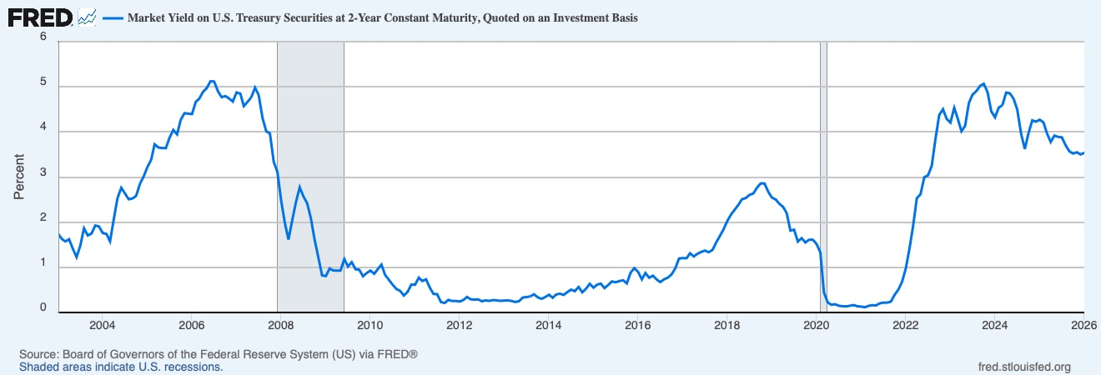
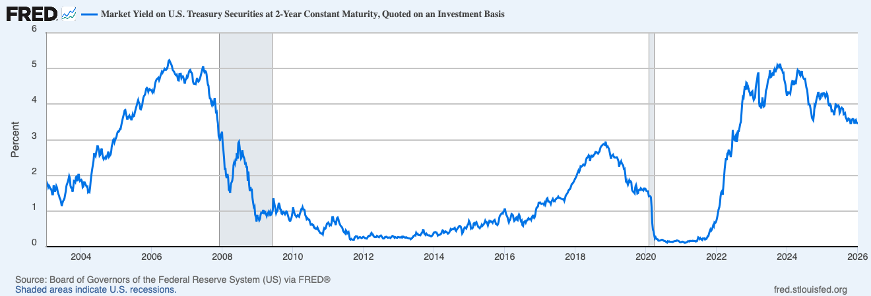
Date | DGS2 (%)
2003-01-01 | 1.74
2003-02-01 | 1.63
2003-03-01 | 1.57
2003-04-01 | 1.62
2003-05-01 | 1.42
2003-06-01 | 1.23
2003-07-01 | 1.47
2003-08-01 | 1.86
2003-09-01 | 1.71
2003-10-01 | 1.75
2003-11-01 | 1.93
2003-12-01 | 1.91 | observation_date | DGS2
2004-01-01 | 1.76 | 2003-01-10 | 1.80
2004-02-01 | 1.74 | 2003-01-17 | 1.75
2004-03-01 | 1.58 | 2003-01-24 | 1.67
2004-04-01 | 2.07 | 2003-01-31 | 1.72
2004-05-01 | 2.53 | 2003-02-07 | 1.69
2004-06-01 | 2.76 | 2003-02-14 | 1.63
2004-07-01 | 2.64 | 2003-02-21 | 1.62
2004-08-01 | 2.51 | 2003-02-28 | 1.57
2004-09-01 | 2.53 | 2003-03-07 | 1.47
2004-10-01 | 2.58 | 2003-03-14 | 1.47
2004-11-01 | 2.85 | 2003-03-21 | 1.72
2004-12-01 | 3.01 | 2003-03-28 | 1.65
2005-01-01 | 3.22 | 2003-04-04 | 1.54
2005-02-01 | 3.38 | 2003-04-11 | 1.61
2005-03-01 | 3.73 | 2003-04-18 | 1.70
2005-04-01 | 3.65 | 2003-04-25 | 1.66
2005-05-01 | 3.64 | 2003-05-02 | 1.56
2005-06-01 | 3.64 | 2003-05-09 | 1.48
2005-07-01 | 3.87 | 2003-05-16 | 1.44
2005-08-01 | 4.04 | 2003-05-23 | 1.36
2005-09-01 | 3.95 | 2003-05-30 | 1.33
2005-10-01 | 4.27 | 2003-06-06 | 1.25
2005-11-01 | 4.42 | 2003-06-13 | 1.14
2005-12-01 | 4.4 | 2003-06-20 | 1.22
2006-01-01 | 4.4 | 2003-06-27 | 1.28
2006-02-01 | 4.67 | 2003-07-04 | 1.31
2006-03-01 | 4.73 | 2003-07-11 | 1.35
2006-04-01 | 4.89 | 2003-07-18 | 1.45
2006-05-01 | 4.97 | 2003-07-25 | 1.56
2006-06-01 | 5.12 | 2003-08-01 | 1.71
2006-07-01 | 5.12 | 2003-08-08 | 1.77
2006-08-01 | 4.9 | 2003-08-15 | 1.82
2006-09-01 | 4.77 | 2003-08-22 | 1.89
2006-10-01 | 4.8 | 2003-08-29 | 1.98
2006-11-01 | 4.74 | 2003-09-05 | 1.92
2006-12-01 | 4.67 | 2003-09-12 | 1.69
2007-01-01 | 4.88 | 2003-09-19 | 1.65
2007-02-01 | 4.85 | 2003-09-26 | 1.66
2007-03-01 | 4.57 | 2003-10-03 | 1.54
2007-04-01 | 4.67 | 2003-10-10 | 1.65
2007-05-01 | 4.77 | 2003-10-17 | 1.85
2007-06-01 | 4.98 | 2003-10-24 | 1.83
2007-07-01 | 4.82 | 2003-10-31 | 1.81
2007-08-01 | 4.31 | 2003-11-07 | 1.95
2007-09-01 | 4.01 | 2003-11-14 | 1.97
2007-10-01 | 3.97 | 2003-11-21 | 1.84
2007-11-01 | 3.34 | 2003-11-28 | 1.97
2007-12-01 | 3.12 | 2003-12-05 | 2.04
2008-01-01 | 2.48 | 2003-12-12 | 1.90
2008-02-01 | 1.97 | 2003-12-19 | 1.84
2008-03-01 | 1.62 | 2003-12-26 | 1.86
2008-04-01 | 2.05 | 2004-01-02 | 1.88
2008-05-01 | 2.45 | 2004-01-09 | 1.83
2008-06-01 | 2.77 | 2004-01-16 | 1.67
2008-07-01 | 2.57 | 2004-01-23 | 1.69
2008-08-01 | 2.42 | 2004-01-30 | 1.81
2008-09-01 | 2.08 | 2004-02-06 | 1.81
2008-10-01 | 1.61 | 2004-02-13 | 1.75
2008-11-01 | 1.21 | 2004-02-20 | 1.72
2008-12-01 | 0.82 | 2004-02-27 | 1.68
2009-01-01 | 0.81 | 2004-03-05 | 1.69
2009-02-01 | 0.98 | 2004-03-12 | 1.53
2009-03-01 | 0.93 | 2004-03-19 | 1.54
2009-04-01 | 0.93 | 2004-03-26 | 1.53
2009-05-01 | 0.93 | 2004-04-02 | 1.67
2009-06-01 | 1.18 | 2004-04-09 | 1.88
2009-07-01 | 1.02 | 2004-04-16 | 2.04
2009-08-01 | 1.12 | 2004-04-23 | 2.17
2009-09-01 | 0.96 | 2004-04-30 | 2.29
2009-10-01 | 0.95 | 2004-05-07 | 2.41
2009-11-01 | 0.8 | 2004-05-14 | 2.62
2009-12-01 | 0.87 | 2004-05-21 | 2.57
2010-01-01 | 0.93 | 2004-05-28 | 2.54
2010-02-01 | 0.86 | 2004-06-04 | 2.65
2010-03-01 | 0.96 | 2004-06-11 | 2.75
2010-04-01 | 1.06 | 2004-06-18 | 2.84
2010-05-01 | 0.83 | 2004-06-25 | 2.77
2010-06-01 | 0.72 | 2004-07-02 | 2.71
2010-07-01 | 0.62 | 2004-07-09 | 2.56
2010-08-01 | 0.52 | 2004-07-16 | 2.58
2010-09-01 | 0.48 | 2004-07-23 | 2.66
2010-10-01 | 0.38 | 2004-07-30 | 2.76
2010-11-01 | 0.45 | 2004-08-06 | 2.60
2010-12-01 | 0.62 | 2004-08-13 | 2.51
2011-01-01 | 0.61 | 2004-08-20 | 2.46
2011-02-01 | 0.77 | 2004-08-27 | 2.49
2011-03-01 | 0.7 | 2004-09-03 | 2.47
2011-04-01 | 0.73 | 2004-09-10 | 2.52
2011-05-01 | 0.56 | 2004-09-17 | 2.49
2011-06-01 | 0.41 | 2004-09-24 | 2.53
2011-07-01 | 0.41 | 2004-10-01 | 2.60
2011-08-01 | 0.23 | 2004-10-08 | 2.67
2011-09-01 | 0.21 | 2004-10-15 | 2.53
2011-10-01 | 0.28 | 2004-10-22 | 2.55
2011-11-01 | 0.25 | 2004-10-29 | 2.57
2011-12-01 | 0.26 | 2004-11-05 | 2.65
2012-01-01 | 0.24 | 2004-11-12 | 2.82
2012-02-01 | 0.28 | 2004-11-19 | 2.89
2012-03-01 | 0.34 | 2004-11-26 | 2.99
2012-04-01 | 0.29 | 2004-12-03 | 3.02
2012-05-01 | 0.29 | 2004-12-10 | 2.93
2012-06-01 | 0.29 | 2004-12-17 | 3.00
2012-07-01 | 0.25 | 2004-12-24 | 3.04
2012-08-01 | 0.27 | 2004-12-31 | 3.09
2012-09-01 | 0.26 | 2005-01-07 | 3.18
2012-10-01 | 0.28 | 2005-01-14 | 3.23
2012-11-01 | 0.27 | 2005-01-21 | 3.22
2012-12-01 | 0.26 | 2005-01-28 | 3.25
2013-01-01 | 0.27 | 2005-02-04 | 3.31
2013-02-01 | 0.27 | 2005-02-11 | 3.30
2013-03-01 | 0.26 | 2005-02-18 | 3.40
2013-04-01 | 0.23 | 2005-02-25 | 3.50
2013-05-01 | 0.25 | 2005-03-04 | 3.58
2013-06-01 | 0.33 | 2005-03-11 | 3.66
2013-07-01 | 0.34 | 2005-03-18 | 3.73
2013-08-01 | 0.36 | 2005-03-25 | 3.83
2013-09-01 | 0.4 | 2005-04-01 | 3.84
2013-10-01 | 0.34 | 2005-04-08 | 3.74
2013-11-01 | 0.3 | 2005-04-15 | 3.65
2013-12-01 | 0.34 | 2005-04-22 | 3.57
2014-01-01 | 0.39 | 2005-04-29 | 3.64
2014-02-01 | 0.33 | 2005-05-06 | 3.65
2014-03-01 | 0.4 | 2005-05-13 | 3.68
2014-04-01 | 0.42 | 2005-05-20 | 3.62
2014-05-01 | 0.39 | 2005-05-27 | 3.63
2014-06-01 | 0.45 | 2005-06-03 | 3.55
2014-07-01 | 0.51 | 2005-06-10 | 3.62
2014-08-01 | 0.47 | 2005-06-17 | 3.71
2014-09-01 | 0.57 | 2005-06-24 | 3.65
2014-10-01 | 0.45 | 2005-07-01 | 3.66
2014-11-01 | 0.53 | 2005-07-08 | 3.76
2014-12-01 | 0.64 | 2005-07-15 | 3.84
2015-01-01 | 0.55 | 2005-07-22 | 3.91
2015-02-01 | 0.62 | 2005-07-29 | 3.97
2015-03-01 | 0.64 | 2005-08-05 | 4.05
2015-04-01 | 0.54 | 2005-08-12 | 4.11
2015-05-01 | 0.61 | 2005-08-19 | 4.04
2015-06-01 | 0.69 | 2005-08-26 | 4.02
2015-07-01 | 0.67 | 2005-09-02 | 3.87
2015-08-01 | 0.7 | 2005-09-09 | 3.86
2015-09-01 | 0.71 | 2005-09-16 | 3.91
2015-10-01 | 0.64 | 2005-09-23 | 3.97
2015-11-01 | 0.88 | 2005-09-30 | 4.11
2015-12-01 | 0.98 | 2005-10-07 | 4.20
2016-01-01 | 0.9 | 2005-10-14 | 4.24
2016-02-01 | 0.73 | 2005-10-21 | 4.26
2016-03-01 | 0.88 | 2005-10-28 | 4.35
2016-04-01 | 0.77 | 2005-11-04 | 4.44
2016-05-01 | 0.82 | 2005-11-11 | 4.46
2016-06-01 | 0.73 | 2005-11-18 | 4.43
2016-07-01 | 0.67 | 2005-11-25 | 4.35
2016-08-01 | 0.74 | 2005-12-02 | 4.41
2016-09-01 | 0.77 | 2005-12-09 | 4.42
2016-10-01 | 0.84 | 2005-12-16 | 4.40
2016-11-01 | 0.98 | 2005-12-23 | 4.40
2016-12-01 | 1.2 | 2005-12-30 | 4.38
2017-01-01 | 1.21 | 2006-01-06 | 4.33
2017-02-01 | 1.2 | 2006-01-13 | 4.39
2017-03-01 | 1.31 | 2006-01-20 | 4.35
2017-04-01 | 1.24 | 2006-01-27 | 4.44
2017-05-01 | 1.3 | 2006-02-03 | 4.57
2017-06-01 | 1.34 | 2006-02-10 | 4.64
2017-07-01 | 1.37 | 2006-02-17 | 4.69
2017-08-01 | 1.34 | 2006-02-24 | 4.71
2017-09-01 | 1.38 | 2006-03-03 | 4.72
2017-10-01 | 1.55 | 2006-03-10 | 4.74
2017-11-01 | 1.7 | 2006-03-17 | 4.67
2017-12-01 | 1.84 | 2006-03-24 | 4.72
2018-01-01 | 2.03 | 2006-03-31 | 4.80
2018-02-01 | 2.18 | 2006-04-07 | 4.85
2018-03-01 | 2.28 | 2006-04-14 | 4.91
2018-04-01 | 2.38 | 2006-04-21 | 4.88
2018-05-01 | 2.51 | 2006-04-28 | 4.92
2018-06-01 | 2.53 | 2006-05-05 | 4.94
2018-07-01 | 2.61 | 2006-05-12 | 4.99
2018-08-01 | 2.64 | 2006-05-19 | 4.96
2018-09-01 | 2.77 | 2006-05-26 | 4.96
2018-10-01 | 2.86 | 2006-06-02 | 5.00
2018-11-01 | 2.86 | 2006-06-09 | 5.00
2018-12-01 | 2.68 | 2006-06-16 | 5.09
2019-01-01 | 2.54 | 2006-06-23 | 5.22
2019-02-01 | 2.5 | 2006-06-30 | 5.23
2019-03-01 | 2.41 | 2006-07-07 | 5.20
2019-04-01 | 2.34 | 2006-07-14 | 5.14
2019-05-01 | 2.21 | 2006-07-21 | 5.11
2019-06-01 | 1.81 | 2006-07-28 | 5.06
2019-07-01 | 1.84 | 2006-08-04 | 4.96
2019-08-01 | 1.57 | 2006-08-11 | 4.93
2019-09-01 | 1.65 | 2006-08-18 | 4.92
2019-10-01 | 1.55 | 2006-08-25 | 4.87
2019-11-01 | 1.61 | 2006-09-01 | 4.83
2019-12-01 | 1.61 | 2006-09-08 | 4.81
2020-01-01 | 1.52 | 2006-09-15 | 4.83
2020-02-01 | 1.33 | 2006-09-22 | 4.77
2020-03-01 | 0.45 | 2006-09-29 | 4.67
2020-04-01 | 0.22 | 2006-10-06 | 4.66
2020-05-01 | 0.17 | 2006-10-13 | 4.85
2020-06-01 | 0.19 | 2006-10-20 | 4.85
2020-07-01 | 0.15 | 2006-10-27 | 4.85
2020-08-01 | 0.14 | 2006-11-03 | 4.73
2020-09-01 | 0.13 | 2006-11-10 | 4.76
2020-10-01 | 0.15 | 2006-11-17 | 4.78
2020-11-01 | 0.17 | 2006-11-24 | 4.75
2020-12-01 | 0.14 | 2006-12-01 | 4.64
2021-01-01 | 0.13 | 2006-12-08 | 4.58
2021-02-01 | 0.12 | 2006-12-15 | 4.69
2021-03-01 | 0.15 | 2006-12-22 | 4.70
2021-04-01 | 0.16 | 2006-12-29 | 4.78
2021-05-01 | 0.16 | 2007-01-05 | 4.76
2021-06-01 | 0.2 | 2007-01-12 | 4.82
2021-07-01 | 0.22 | 2007-01-19 | 4.90
2021-08-01 | 0.22 | 2007-01-26 | 4.95
2021-09-01 | 0.24 | 2007-02-02 | 4.96
2021-10-01 | 0.39 | 2007-02-09 | 4.90
2021-11-01 | 0.51 | 2007-02-16 | 4.88
2021-12-01 | 0.68 | 2007-02-23 | 4.83
2022-01-01 | 0.98 | 2007-03-02 | 4.64
2022-02-01 | 1.44 | 2007-03-09 | 4.57
2022-03-01 | 1.91 | 2007-03-16 | 4.57
2022-04-01 | 2.54 | 2007-03-23 | 4.58
2022-05-01 | 2.62 | 2007-03-30 | 4.57
2022-06-01 | 3 | 2007-04-06 | 4.64
2022-07-01 | 3.04 | 2007-04-13 | 4.73
2022-08-01 | 3.25 | 2007-04-20 | 4.67
2022-09-01 | 3.86 | 2007-04-27 | 4.63
2022-10-01 | 4.38 | 2007-05-04 | 4.65
2022-11-01 | 4.5 | 2007-05-11 | 4.70
2022-12-01 | 4.29 | 2007-05-18 | 4.76
2023-01-01 | 4.21 | 2007-05-25 | 4.84
2023-02-01 | 4.53 | 2007-06-01 | 4.92
2023-03-01 | 4.3 | 2007-06-08 | 4.99
2023-04-01 | 4.02 | 2007-06-15 | 5.06
2023-05-01 | 4.13 | 2007-06-22 | 4.96
2023-06-01 | 4.64 | 2007-06-29 | 4.90
2023-07-01 | 4.83 | 2007-07-06 | 4.93
2023-08-01 | 4.9 | 2007-07-13 | 4.92
2023-09-01 | 5.02 | 2007-07-20 | 4.86
2023-10-01 | 5.07 | 2007-07-27 | 4.69
2023-11-01 | 4.88 | 2007-08-03 | 4.55
2023-12-01 | 4.46 | 2007-08-10 | 4.52
2024-01-01 | 4.32 | 2007-08-17 | 4.28
2024-02-01 | 4.54 | 2007-08-24 | 4.16
2024-03-01 | 4.59 | 2007-08-31 | 4.16
2024-04-01 | 4.87 | 2007-09-07 | 4.04
2024-05-01 | 4.86 | 2007-09-14 | 3.98
2024-06-01 | 4.74 | 2007-09-21 | 4.05
2024-07-01 | 4.5 | 2007-09-28 | 3.99
2024-08-01 | 3.97 | 2007-10-05 | 4.02
2024-09-01 | 3.62 | 2007-10-12 | 4.17
2024-10-01 | 3.97 | 2007-10-19 | 4.01
2024-11-01 | 4.26 | 2007-10-26 | 3.78
2024-12-01 | 4.23 | 2007-11-02 | 3.80
2025-01-01 | 4.27 | 2007-11-09 | 3.58
2025-02-01 | 4.21 | 2007-11-16 | 3.45
2025-03-01 | 3.97 | 2007-11-23 | 3.10
2025-04-01 | 3.78 | 2007-11-30 | 3.05
2025-05-01 | 3.92 | 2007-12-07 | 2.97
2025-06-01 | 3.89 | 2007-12-14 | 3.14
2025-07-01 | 3.88 | 2007-12-21 | 3.17
2025-08-01 | 3.7 | 2007-12-28 | 3.23
2025-09-01 | 3.57 | 2008-01-04 | 2.88
2025-10-01 | 3.52 | 2008-01-11 | 2.70
2025-11-01 | 3.55 | 2008-01-18 | 2.48
2025-12-01 | 3.5 | 2008-01-25 | 2.16
2026-01-01 | 3.54 | 2008-02-01 | 2.21
 |  | 2008-02-08 | 1.98
 |  | 2008-02-15 | 1.92
 |  | 2008-02-22 | 2.04
 |  | 2008-02-29 | 1.94
 |  | 2008-03-07 | 1.60
 |  | 2008-03-14 | 1.59
 |  | 2008-03-21 | 1.52
 |  | 2008-03-28 | 1.75
 |  | 2008-04-04 | 1.81
 |  | 2008-04-11 | 1.84
 |  | 2008-04-18 | 1.98
 |  | 2008-04-25 | 2.30
 |  | 2008-05-02 | 2.37
 |  | 2008-05-09 | 2.32
 |  | 2008-05-16 | 2.44
 |  | 2008-05-23 | 2.44
 |  | 2008-05-30 | 2.63
 |  | 2008-06-06 | 2.47
 |  | 2008-06-13 | 2.91
 |  | 2008-06-20 | 2.94
 |  | 2008-06-27 | 2.80
 |  | 2008-07-04 | 2.60
 |  | 2008-07-11 | 2.48
 |  | 2008-07-18 | 2.51
 |  | 2008-07-25 | 2.70
 |  | 2008-08-01 | 2.58
 |  | 2008-08-08 | 2.51
 |  | 2008-08-15 | 2.47
 |  | 2008-08-22 | 2.33
 |  | 2008-08-29 | 2.34
 |  | 2008-09-05 | 2.24
 |  | 2008-09-12 | 2.23
 |  | 2008-09-19 | 1.85
 |  | 2008-09-26 | 2.11
 |  | 2008-10-03 | 1.75
 |  | 2008-10-10 | 1.56
 |  | 2008-10-17 | 1.68
 |  | 2008-10-24 | 1.59
 |  | 2008-10-31 | 1.59
 |  | 2008-11-07 | 1.36
 |  | 2008-11-14 | 1.23
 |  | 2008-11-21 | 1.11
 |  | 2008-11-28 | 1.14
 |  | 2008-12-05 | 0.88
 |  | 2008-12-12 | 0.85
 |  | 2008-12-19 | 0.71
 |  | 2008-12-26 | 0.89
 |  | 2009-01-02 | 0.79
 |  | 2009-01-09 | 0.80
 |  | 2009-01-16 | 0.74
 |  | 2009-01-23 | 0.77
 |  | 2009-01-30 | 0.90
 |  | 2009-02-06 | 0.96
 |  | 2009-02-13 | 0.95
 |  | 2009-02-20 | 0.95
 |  | 2009-02-27 | 1.03
 |  | 2009-03-06 | 0.92
 |  | 2009-03-13 | 1.00
 |  | 2009-03-20 | 0.93
 |  | 2009-03-27 | 0.92
 |  | 2009-04-03 | 0.86
 |  | 2009-04-10 | 0.94
 |  | 2009-04-17 | 0.90
 |  | 2009-04-24 | 0.97
 |  | 2009-05-01 | 0.92
 |  | 2009-05-08 | 0.98
 |  | 2009-05-15 | 0.89
 |  | 2009-05-22 | 0.90
 |  | 2009-05-29 | 0.95
 |  | 2009-06-05 | 1.02
 |  | 2009-06-12 | 1.36
 |  | 2009-06-19 | 1.24
 |  | 2009-06-26 | 1.14
 |  | 2009-07-03 | 1.06
 |  | 2009-07-10 | 0.94
 |  | 2009-07-17 | 0.99
 |  | 2009-07-24 | 1.01
 |  | 2009-07-31 | 1.14
 |  | 2009-08-07 | 1.23
 |  | 2009-08-14 | 1.16
 |  | 2009-08-21 | 1.05
 |  | 2009-08-28 | 1.04
 |  | 2009-09-04 | 0.93
 |  | 2009-09-11 | 0.92
 |  | 2009-09-18 | 0.98
 |  | 2009-09-25 | 0.98
 |  | 2009-10-02 | 0.94
 |  | 2009-10-09 | 0.91
 |  | 2009-10-16 | 0.95
 |  | 2009-10-23 | 0.99
 |  | 2009-10-30 | 0.98
 |  | 2009-11-06 | 0.90
 |  | 2009-11-13 | 0.84
 |  | 2009-11-20 | 0.76
 |  | 2009-11-27 | 0.73
 |  | 2009-12-04 | 0.73
 |  | 2009-12-11 | 0.78
 |  | 2009-12-18 | 0.84
 |  | 2009-12-25 | 0.95
 |  | 2010-01-01 | 1.10
 |  | 2010-01-08 | 1.02
 |  | 2010-01-15 | 0.93
 |  | 2010-01-22 | 0.89
 |  | 2010-01-29 | 0.86
 |  | 2010-02-05 | 0.83
 |  | 2010-02-12 | 0.86
 |  | 2010-02-19 | 0.89
 |  | 2010-02-26 | 0.86
 |  | 2010-03-05 | 0.84
 |  | 2010-03-12 | 0.93
 |  | 2010-03-19 | 0.97
 |  | 2010-03-26 | 1.05
 |  | 2010-04-02 | 1.06
 |  | 2010-04-09 | 1.11
 |  | 2010-04-16 | 1.05
 |  | 2010-04-23 | 1.05
 |  | 2010-04-30 | 1.03
 |  | 2010-05-07 | 0.88
 |  | 2010-05-14 | 0.85
 |  | 2010-05-21 | 0.78
 |  | 2010-05-28 | 0.81
 |  | 2010-06-04 | 0.79
 |  | 2010-06-11 | 0.75
 |  | 2010-06-18 | 0.75
 |  | 2010-06-25 | 0.69
 |  | 2010-07-02 | 0.62
 |  | 2010-07-09 | 0.63
 |  | 2010-07-16 | 0.63
 |  | 2010-07-23 | 0.60
 |  | 2010-07-30 | 0.60
 |  | 2010-08-06 | 0.54
 |  | 2010-08-13 | 0.54
 |  | 2010-08-20 | 0.50
 |  | 2010-08-27 | 0.52
 |  | 2010-09-03 | 0.50
 |  | 2010-09-10 | 0.54
 |  | 2010-09-17 | 0.50
 |  | 2010-09-24 | 0.45
 |  | 2010-10-01 | 0.42
 |  | 2010-10-08 | 0.38
 |  | 2010-10-15 | 0.37
 |  | 2010-10-22 | 0.36
 |  | 2010-10-29 | 0.38
 |  | 2010-11-05 | 0.35
 |  | 2010-11-12 | 0.46
 |  | 2010-11-19 | 0.52
 |  | 2010-11-26 | 0.50
 |  | 2010-12-03 | 0.51
 |  | 2010-12-10 | 0.57
 |  | 2010-12-17 | 0.64
 |  | 2010-12-24 | 0.64
 |  | 2010-12-31 | 0.67
 |  | 2011-01-07 | 0.65
 |  | 2011-01-14 | 0.60
 |  | 2011-01-21 | 0.62
 |  | 2011-01-28 | 0.60
 |  | 2011-02-04 | 0.67
 |  | 2011-02-11 | 0.83
 |  | 2011-02-18 | 0.83
 |  | 2011-02-25 | 0.73
 |  | 2011-03-04 | 0.70
 |  | 2011-03-11 | 0.68
 |  | 2011-03-18 | 0.61
 |  | 2011-03-25 | 0.71
 |  | 2011-04-01 | 0.80
 |  | 2011-04-08 | 0.82
 |  | 2011-04-15 | 0.77
 |  | 2011-04-22 | 0.69
 |  | 2011-04-29 | 0.64
 |  | 2011-05-06 | 0.59
 |  | 2011-05-13 | 0.57
 |  | 2011-05-20 | 0.55
 |  | 2011-05-27 | 0.52
 |  | 2011-06-03 | 0.44
 |  | 2011-06-10 | 0.41
 |  | 2011-06-17 | 0.40
 |  | 2011-06-24 | 0.37
 |  | 2011-07-01 | 0.46
 |  | 2011-07-08 | 0.44
 |  | 2011-07-15 | 0.37
 |  | 2011-07-22 | 0.39
 |  | 2011-07-29 | 0.41
 |  | 2011-08-05 | 0.32
 |  | 2011-08-12 | 0.21
 |  | 2011-08-19 | 0.20
 |  | 2011-08-26 | 0.22
 |  | 2011-09-02 | 0.20
 |  | 2011-09-09 | 0.20
 |  | 2011-09-16 | 0.20
 |  | 2011-09-23 | 0.20
 |  | 2011-09-30 | 0.26
 |  | 2011-10-07 | 0.27
 |  | 2011-10-14 | 0.30
 |  | 2011-10-21 | 0.28
 |  | 2011-10-28 | 0.29
 |  | 2011-11-04 | 0.23
 |  | 2011-11-11 | 0.25
 |  | 2011-11-18 | 0.26
 |  | 2011-11-25 | 0.27
 |  | 2011-12-02 | 0.26
 |  | 2011-12-09 | 0.24
 |  | 2011-12-16 | 0.25
 |  | 2011-12-23 | 0.27
 |  | 2011-12-30 | 0.28
 |  | 2012-01-06 | 0.26
 |  | 2012-01-13 | 0.24
 |  | 2012-01-20 | 0.24
 |  | 2012-01-27 | 0.23
 |  | 2012-02-03 | 0.23
 |  | 2012-02-10 | 0.26
 |  | 2012-02-17 | 0.29
 |  | 2012-02-24 | 0.31
 |  | 2012-03-02 | 0.30
 |  | 2012-03-09 | 0.31
 |  | 2012-03-16 | 0.36
 |  | 2012-03-23 | 0.39
 |  | 2012-03-30 | 0.34
 |  | 2012-04-06 | 0.34
 |  | 2012-04-13 | 0.29
 |  | 2012-04-20 | 0.27
 |  | 2012-04-27 | 0.26
 |  | 2012-05-04 | 0.27
 |  | 2012-05-11 | 0.27
 |  | 2012-05-18 | 0.30
 |  | 2012-05-25 | 0.29
 |  | 2012-06-01 | 0.27
 |  | 2012-06-08 | 0.26
 |  | 2012-06-15 | 0.29
 |  | 2012-06-22 | 0.31
 |  | 2012-06-29 | 0.31
 |  | 2012-07-06 | 0.29
 |  | 2012-07-13 | 0.26
 |  | 2012-07-20 | 0.23
 |  | 2012-07-27 | 0.23
 |  | 2012-08-03 | 0.24
 |  | 2012-08-10 | 0.27
 |  | 2012-08-17 | 0.28
 |  | 2012-08-24 | 0.28
 |  | 2012-08-31 | 0.26
 |  | 2012-09-07 | 0.25
 |  | 2012-09-14 | 0.25
 |  | 2012-09-21 | 0.26
 |  | 2012-09-28 | 0.26
 |  | 2012-10-05 | 0.24
 |  | 2012-10-12 | 0.27
 |  | 2012-10-19 | 0.29
 |  | 2012-10-26 | 0.30
 |  | 2012-11-02 | 0.30
 |  | 2012-11-09 | 0.28
 |  | 2012-11-16 | 0.25
 |  | 2012-11-23 | 0.27
 |  | 2012-11-30 | 0.26
 |  | 2012-12-07 | 0.25
 |  | 2012-12-14 | 0.25
 |  | 2012-12-21 | 0.27
 |  | 2012-12-28 | 0.26
 |  | 2013-01-04 | 0.27
 |  | 2013-01-11 | 0.26
 |  | 2013-01-18 | 0.26
 |  | 2013-01-25 | 0.26
 |  | 2013-02-01 | 0.28
 |  | 2013-02-08 | 0.26
 |  | 2013-02-15 | 0.28
 |  | 2013-02-22 | 0.27
 |  | 2013-03-01 | 0.25
 |  | 2013-03-08 | 0.25
 |  | 2013-03-15 | 0.27
 |  | 2013-03-22 | 0.26
 |  | 2013-03-29 | 0.25
 |  | 2013-04-05 | 0.24
 |  | 2013-04-12 | 0.24
 |  | 2013-04-19 | 0.24
 |  | 2013-04-26 | 0.23
 |  | 2013-05-03 | 0.21
 |  | 2013-05-10 | 0.23
 |  | 2013-05-17 | 0.25
 |  | 2013-05-24 | 0.26
 |  | 2013-05-31 | 0.30
 |  | 2013-06-07 | 0.31
 |  | 2013-06-14 | 0.32
 |  | 2013-06-21 | 0.31
 |  | 2013-06-28 | 0.39
 |  | 2013-07-05 | 0.36
 |  | 2013-07-12 | 0.37
 |  | 2013-07-19 | 0.33
 |  | 2013-07-26 | 0.32
 |  | 2013-08-02 | 0.32
 |  | 2013-08-09 | 0.32
 |  | 2013-08-16 | 0.34
 |  | 2013-08-23 | 0.38
 |  | 2013-08-30 | 0.39
 |  | 2013-09-06 | 0.47
 |  | 2013-09-13 | 0.46
 |  | 2013-09-20 | 0.36
 |  | 2013-09-27 | 0.35
 |  | 2013-10-04 | 0.33
 |  | 2013-10-11 | 0.37
 |  | 2013-10-18 | 0.34
 |  | 2013-10-25 | 0.32
 |  | 2013-11-01 | 0.32
 |  | 2013-11-08 | 0.31
 |  | 2013-11-15 | 0.32
 |  | 2013-11-22 | 0.30
 |  | 2013-11-29 | 0.29
 |  | 2013-12-06 | 0.30
 |  | 2013-12-13 | 0.32
 |  | 2013-12-20 | 0.34
 |  | 2013-12-27 | 0.40
 |  | 2014-01-03 | 0.39
 |  | 2014-01-10 | 0.41
 |  | 2014-01-17 | 0.40
 |  | 2014-01-24 | 0.40
 |  | 2014-01-31 | 0.36
 |  | 2014-02-07 | 0.31
 |  | 2014-02-14 | 0.33
 |  | 2014-02-21 | 0.33
 |  | 2014-02-28 | 0.34
 |  | 2014-03-07 | 0.35
 |  | 2014-03-14 | 0.36
 |  | 2014-03-21 | 0.42
 |  | 2014-03-28 | 0.46
 |  | 2014-04-04 | 0.45
 |  | 2014-04-11 | 0.38
 |  | 2014-04-18 | 0.40
 |  | 2014-04-25 | 0.43
 |  | 2014-05-02 | 0.43
 |  | 2014-05-09 | 0.41
 |  | 2014-05-16 | 0.39
 |  | 2014-05-23 | 0.36
 |  | 2014-05-30 | 0.38
 |  | 2014-06-06 | 0.40
 |  | 2014-06-13 | 0.44
 |  | 2014-06-20 | 0.49
 |  | 2014-06-27 | 0.47
 |  | 2014-07-04 | 0.49
 |  | 2014-07-11 | 0.50
 |  | 2014-07-18 | 0.49
 |  | 2014-07-25 | 0.51
 |  | 2014-08-01 | 0.53
 |  | 2014-08-08 | 0.46
 |  | 2014-08-15 | 0.44
 |  | 2014-08-22 | 0.48
 |  | 2014-08-29 | 0.51
 |  | 2014-09-05 | 0.53
 |  | 2014-09-12 | 0.57
 |  | 2014-09-19 | 0.58
 |  | 2014-09-26 | 0.58
 |  | 2014-10-03 | 0.56
 |  | 2014-10-10 | 0.49
 |  | 2014-10-17 | 0.37
 |  | 2014-10-24 | 0.40
 |  | 2014-10-31 | 0.46
 |  | 2014-11-07 | 0.52
 |  | 2014-11-14 | 0.54
 |  | 2014-11-21 | 0.53
 |  | 2014-11-28 | 0.51
 |  | 2014-12-05 | 0.56
 |  | 2014-12-12 | 0.61
 |  | 2014-12-19 | 0.63
 |  | 2014-12-26 | 0.73
 |  | 2015-01-02 | 0.69
 |  | 2015-01-09 | 0.63
 |  | 2015-01-16 | 0.51
 |  | 2015-01-23 | 0.53
 |  | 2015-01-30 | 0.51
 |  | 2015-02-06 | 0.54
 |  | 2015-02-13 | 0.65
 |  | 2015-02-20 | 0.67
 |  | 2015-02-27 | 0.63
 |  | 2015-03-06 | 0.68
 |  | 2015-03-13 | 0.69
 |  | 2015-03-20 | 0.63
 |  | 2015-03-27 | 0.59
 |  | 2015-04-03 | 0.55
 |  | 2015-04-10 | 0.54
 |  | 2015-04-17 | 0.52
 |  | 2015-04-24 | 0.55
 |  | 2015-05-01 | 0.57
 |  | 2015-05-08 | 0.62
 |  | 2015-05-15 | 0.59
 |  | 2015-05-22 | 0.61
 |  | 2015-05-29 | 0.63
 |  | 2015-06-05 | 0.67
 |  | 2015-06-12 | 0.73
 |  | 2015-06-19 | 0.68
 |  | 2015-06-26 | 0.69
 |  | 2015-07-03 | 0.65
 |  | 2015-07-10 | 0.60
 |  | 2015-07-17 | 0.67
 |  | 2015-07-24 | 0.72
 |  | 2015-07-31 | 0.69
 |  | 2015-08-07 | 0.72
 |  | 2015-08-14 | 0.71
 |  | 2015-08-21 | 0.69
 |  | 2015-08-28 | 0.67
 |  | 2015-09-04 | 0.72
 |  | 2015-09-11 | 0.74
 |  | 2015-09-18 | 0.75
 |  | 2015-09-25 | 0.70
 |  | 2015-10-02 | 0.63
 |  | 2015-10-09 | 0.63
 |  | 2015-10-16 | 0.61
 |  | 2015-10-23 | 0.64
 |  | 2015-10-30 | 0.71
 |  | 2015-11-06 | 0.83
 |  | 2015-11-13 | 0.88
 |  | 2015-11-20 | 0.90
 |  | 2015-11-27 | 0.93
 |  | 2015-12-04 | 0.94
 |  | 2015-12-11 | 0.93
 |  | 2015-12-18 | 0.99
 |  | 2015-12-25 | 1.00
 |  | 2016-01-01 | 1.07
 |  | 2016-01-08 | 0.99
 |  | 2016-01-15 | 0.91
 |  | 2016-01-22 | 0.86
 |  | 2016-01-29 | 0.83
 |  | 2016-02-05 | 0.74
 |  | 2016-02-12 | 0.68
 |  | 2016-02-19 | 0.74
 |  | 2016-02-26 | 0.76
 |  | 2016-03-04 | 0.84
 |  | 2016-03-11 | 0.92
 |  | 2016-03-18 | 0.91
 |  | 2016-03-25 | 0.89
 |  | 2016-04-01 | 0.78
 |  | 2016-04-08 | 0.72
 |  | 2016-04-15 | 0.74
 |  | 2016-04-22 | 0.80
 |  | 2016-04-29 | 0.82
 |  | 2016-05-06 | 0.75
 |  | 2016-05-13 | 0.74
 |  | 2016-05-20 | 0.86
 |  | 2016-05-27 | 0.90
 |  | 2016-06-03 | 0.86
 |  | 2016-06-10 | 0.77
 |  | 2016-06-17 | 0.71
 |  | 2016-06-24 | 0.73
 |  | 2016-07-01 | 0.60
 |  | 2016-07-08 | 0.58
 |  | 2016-07-15 | 0.68
 |  | 2016-07-22 | 0.70
 |  | 2016-07-29 | 0.72
 |  | 2016-08-05 | 0.67
 |  | 2016-08-12 | 0.72
 |  | 2016-08-19 | 0.74
 |  | 2016-08-26 | 0.78
 |  | 2016-09-02 | 0.80
 |  | 2016-09-09 | 0.76
 |  | 2016-09-16 | 0.77
 |  | 2016-09-23 | 0.79
 |  | 2016-09-30 | 0.75
 |  | 2016-10-07 | 0.83
 |  | 2016-10-14 | 0.86
 |  | 2016-10-21 | 0.82
 |  | 2016-10-28 | 0.86
 |  | 2016-11-04 | 0.82
 |  | 2016-11-11 | 0.88
 |  | 2016-11-18 | 1.03
 |  | 2016-11-25 | 1.10
 |  | 2016-12-02 | 1.11
 |  | 2016-12-09 | 1.12
 |  | 2016-12-16 | 1.23
 |  | 2016-12-23 | 1.23
 |  | 2016-12-30 | 1.24
 |  | 2017-01-06 | 1.21
 |  | 2017-01-13 | 1.20
 |  | 2017-01-20 | 1.21
 |  | 2017-01-27 | 1.21
 |  | 2017-02-03 | 1.21
 |  | 2017-02-10 | 1.17
 |  | 2017-02-17 | 1.23
 |  | 2017-02-24 | 1.19
 |  | 2017-03-03 | 1.27
 |  | 2017-03-10 | 1.34
 |  | 2017-03-17 | 1.36
 |  | 2017-03-24 | 1.27
 |  | 2017-03-31 | 1.28
 |  | 2017-04-07 | 1.25
 |  | 2017-04-14 | 1.25
 |  | 2017-04-21 | 1.20
 |  | 2017-04-28 | 1.27
 |  | 2017-05-05 | 1.30
 |  | 2017-05-12 | 1.34
 |  | 2017-05-19 | 1.28
 |  | 2017-05-26 | 1.30
 |  | 2017-06-02 | 1.28
 |  | 2017-06-09 | 1.32
 |  | 2017-06-16 | 1.35
 |  | 2017-06-23 | 1.35
 |  | 2017-06-30 | 1.37
 |  | 2017-07-07 | 1.41
 |  | 2017-07-14 | 1.37
 |  | 2017-07-21 | 1.36
 |  | 2017-07-28 | 1.37
 |  | 2017-08-04 | 1.35
 |  | 2017-08-11 | 1.34
 |  | 2017-08-18 | 1.33
 |  | 2017-08-25 | 1.33
 |  | 2017-09-01 | 1.33
 |  | 2017-09-08 | 1.29
 |  | 2017-09-15 | 1.35
 |  | 2017-09-22 | 1.43
 |  | 2017-09-29 | 1.46
 |  | 2017-10-06 | 1.49
 |  | 2017-10-13 | 1.51
 |  | 2017-10-20 | 1.57
 |  | 2017-10-27 | 1.60
 |  | 2017-11-03 | 1.61
 |  | 2017-11-10 | 1.64
 |  | 2017-11-17 | 1.70
 |  | 2017-11-24 | 1.76
 |  | 2017-12-01 | 1.77
 |  | 2017-12-08 | 1.80
 |  | 2017-12-15 | 1.82
 |  | 2017-12-22 | 1.88
 |  | 2017-12-29 | 1.90
 |  | 2018-01-05 | 1.95
 |  | 2018-01-12 | 1.98
 |  | 2018-01-19 | 2.05
 |  | 2018-01-26 | 2.09
 |  | 2018-02-02 | 2.14
 |  | 2018-02-09 | 2.10
 |  | 2018-02-16 | 2.15
 |  | 2018-02-23 | 2.25
 |  | 2018-03-02 | 2.24
 |  | 2018-03-09 | 2.25
 |  | 2018-03-16 | 2.28
 |  | 2018-03-23 | 2.31
 |  | 2018-03-30 | 2.29
 |  | 2018-04-06 | 2.28
 |  | 2018-04-13 | 2.33
 |  | 2018-04-20 | 2.42
 |  | 2018-04-27 | 2.49
 |  | 2018-05-04 | 2.50
 |  | 2018-05-11 | 2.52
 |  | 2018-05-18 | 2.57
 |  | 2018-05-25 | 2.54
 |  | 2018-06-01 | 2.40
 |  | 2018-06-08 | 2.51
 |  | 2018-06-15 | 2.56
 |  | 2018-06-22 | 2.56
 |  | 2018-06-29 | 2.53
 |  | 2018-07-06 | 2.55
 |  | 2018-07-13 | 2.59
 |  | 2018-07-20 | 2.60
 |  | 2018-07-27 | 2.66
 |  | 2018-08-03 | 2.66
 |  | 2018-08-10 | 2.65
 |  | 2018-08-17 | 2.62
 |  | 2018-08-24 | 2.61
 |  | 2018-08-31 | 2.65
 |  | 2018-09-07 | 2.67
 |  | 2018-09-14 | 2.75
 |  | 2018-09-21 | 2.80
 |  | 2018-09-28 | 2.83
 |  | 2018-10-05 | 2.85
 |  | 2018-10-12 | 2.87
 |  | 2018-10-19 | 2.88
 |  | 2018-10-26 | 2.86
 |  | 2018-11-02 | 2.85
 |  | 2018-11-09 | 2.94
 |  | 2018-11-16 | 2.86
 |  | 2018-11-23 | 2.80
 |  | 2018-11-30 | 2.82
 |  | 2018-12-07 | 2.78
 |  | 2018-12-14 | 2.75
 |  | 2018-12-21 | 2.66
 |  | 2018-12-28 | 2.56
 |  | 2019-01-04 | 2.47
 |  | 2019-01-11 | 2.56
 |  | 2019-01-18 | 2.56
 |  | 2019-01-25 | 2.58
 |  | 2019-02-01 | 2.53
 |  | 2019-02-08 | 2.50
 |  | 2019-02-15 | 2.51
 |  | 2019-02-22 | 2.50
 |  | 2019-03-01 | 2.51
 |  | 2019-03-08 | 2.51
 |  | 2019-03-15 | 2.45
 |  | 2019-03-22 | 2.41
 |  | 2019-03-29 | 2.24
 |  | 2019-04-05 | 2.33
 |  | 2019-04-12 | 2.35
 |  | 2019-04-19 | 2.40
 |  | 2019-04-26 | 2.33
 |  | 2019-05-03 | 2.31
 |  | 2019-05-10 | 2.28
 |  | 2019-05-17 | 2.19
 |  | 2019-05-24 | 2.20
 |  | 2019-05-31 | 2.06
 |  | 2019-06-07 | 1.85
 |  | 2019-06-14 | 1.88
 |  | 2019-06-21 | 1.79
 |  | 2019-06-28 | 1.74
 |  | 2019-07-05 | 1.80
 |  | 2019-07-12 | 1.86
 |  | 2019-07-19 | 1.82
 |  | 2019-07-26 | 1.84
 |  | 2019-08-02 | 1.81
 |  | 2019-08-09 | 1.61
 |  | 2019-08-16 | 1.56
 |  | 2019-08-23 | 1.54
 |  | 2019-08-30 | 1.52
 |  | 2019-09-06 | 1.50
 |  | 2019-09-13 | 1.69
 |  | 2019-09-20 | 1.73
 |  | 2019-09-27 | 1.65
 |  | 2019-10-04 | 1.49
 |  | 2019-10-11 | 1.50
 |  | 2019-10-18 | 1.59
 |  | 2019-10-25 | 1.60
 |  | 2019-11-01 | 1.59
 |  | 2019-11-08 | 1.64
 |  | 2019-11-15 | 1.62
 |  | 2019-11-22 | 1.59
 |  | 2019-11-29 | 1.61
 |  | 2019-12-06 | 1.58
 |  | 2019-12-13 | 1.63
 |  | 2019-12-20 | 1.63
 |  | 2019-12-27 | 1.62
 |  | 2020-01-03 | 1.57
 |  | 2020-01-10 | 1.56
 |  | 2020-01-17 | 1.58
 |  | 2020-01-24 | 1.52
 |  | 2020-01-31 | 1.41
 |  | 2020-02-07 | 1.41
 |  | 2020-02-14 | 1.42
 |  | 2020-02-21 | 1.39
 |  | 2020-02-28 | 1.12
 |  | 2020-03-06 | 0.66
 |  | 2020-03-13 | 0.47
 |  | 2020-03-20 | 0.44
 |  | 2020-03-27 | 0.31
 |  | 2020-04-03 | 0.23
 |  | 2020-04-10 | 0.26
 |  | 2020-04-17 | 0.22
 |  | 2020-04-24 | 0.21
 |  | 2020-05-01 | 0.21
 |  | 2020-05-08 | 0.17
 |  | 2020-05-15 | 0.16
 |  | 2020-05-22 | 0.17
 |  | 2020-05-29 | 0.18
 |  | 2020-06-05 | 0.18
 |  | 2020-06-12 | 0.19
 |  | 2020-06-19 | 0.19
 |  | 2020-06-26 | 0.18
 |  | 2020-07-03 | 0.16
 |  | 2020-07-10 | 0.16
 |  | 2020-07-17 | 0.15
 |  | 2020-07-24 | 0.15
 |  | 2020-07-31 | 0.13
 |  | 2020-08-07 | 0.11
 |  | 2020-08-14 | 0.15
 |  | 2020-08-21 | 0.14
 |  | 2020-08-28 | 0.15
 |  | 2020-09-04 | 0.14
 |  | 2020-09-11 | 0.14
 |  | 2020-09-18 | 0.14
 |  | 2020-09-25 | 0.13
 |  | 2020-10-02 | 0.13
 |  | 2020-10-09 | 0.15
 |  | 2020-10-16 | 0.15
 |  | 2020-10-23 | 0.16
 |  | 2020-10-30 | 0.16
 |  | 2020-11-06 | 0.15
 |  | 2020-11-13 | 0.18
 |  | 2020-11-20 | 0.17
 |  | 2020-11-27 | 0.16
 |  | 2020-12-04 | 0.16
 |  | 2020-12-11 | 0.14
 |  | 2020-12-18 | 0.13
 |  | 2020-12-25 | 0.13
 |  | 2021-01-01 | 0.13
 |  | 2021-01-08 | 0.13
 |  | 2021-01-15 | 0.14
 |  | 2021-01-22 | 0.13
 |  | 2021-01-29 | 0.12
 |  | 2021-02-05 | 0.11
 |  | 2021-02-12 | 0.11
 |  | 2021-02-19 | 0.12
 |  | 2021-02-26 | 0.13
 |  | 2021-03-05 | 0.14
 |  | 2021-03-12 | 0.16
 |  | 2021-03-19 | 0.15
 |  | 2021-03-26 | 0.14
 |  | 2021-04-02 | 0.16
 |  | 2021-04-09 | 0.16
 |  | 2021-04-16 | 0.16
 |  | 2021-04-23 | 0.16
 |  | 2021-04-30 | 0.17
 |  | 2021-05-07 | 0.16
 |  | 2021-05-14 | 0.16
 |  | 2021-05-21 | 0.16
 |  | 2021-05-28 | 0.14
 |  | 2021-06-04 | 0.15
 |  | 2021-06-11 | 0.15
 |  | 2021-06-18 | 0.20
 |  | 2021-06-25 | 0.26
 |  | 2021-07-02 | 0.25
 |  | 2021-07-09 | 0.22
 |  | 2021-07-16 | 0.24
 |  | 2021-07-23 | 0.21
 |  | 2021-07-30 | 0.20
 |  | 2021-08-06 | 0.19
 |  | 2021-08-13 | 0.23
 |  | 2021-08-20 | 0.22
 |  | 2021-08-27 | 0.23
 |  | 2021-09-03 | 0.20
 |  | 2021-09-10 | 0.23
 |  | 2021-09-17 | 0.22
 |  | 2021-09-24 | 0.25
 |  | 2021-10-01 | 0.29
 |  | 2021-10-08 | 0.30
 |  | 2021-10-15 | 0.37
 |  | 2021-10-22 | 0.44
 |  | 2021-10-29 | 0.48
 |  | 2021-11-05 | 0.45
 |  | 2021-11-12 | 0.48
 |  | 2021-11-19 | 0.53
 |  | 2021-11-26 | 0.59
 |  | 2021-12-03 | 0.56
 |  | 2021-12-10 | 0.68
 |  | 2021-12-17 | 0.66
 |  | 2021-12-24 | 0.69
 |  | 2021-12-31 | 0.74
 |  | 2022-01-07 | 0.83
 |  | 2022-01-14 | 0.93
 |  | 2022-01-21 | 1.05
 |  | 2022-01-28 | 1.09
 |  | 2022-02-04 | 1.20
 |  | 2022-02-11 | 1.42
 |  | 2022-02-18 | 1.53
 |  | 2022-02-25 | 1.56
 |  | 2022-03-04 | 1.46
 |  | 2022-03-11 | 1.67
 |  | 2022-03-18 | 1.92
 |  | 2022-03-25 | 2.18
 |  | 2022-04-01 | 2.35
 |  | 2022-04-08 | 2.49
 |  | 2022-04-15 | 2.43
 |  | 2022-04-22 | 2.61
 |  | 2022-04-29 | 2.62
 |  | 2022-05-06 | 2.72
 |  | 2022-05-13 | 2.61
 |  | 2022-05-20 | 2.64
 |  | 2022-05-27 | 2.51
 |  | 2022-06-03 | 2.63
 |  | 2022-06-10 | 2.83
 |  | 2022-06-17 | 3.27
 |  | 2022-06-24 | 3.08
 |  | 2022-07-01 | 3.00
 |  | 2022-07-08 | 2.99
 |  | 2022-07-15 | 3.10
 |  | 2022-07-22 | 3.14
 |  | 2022-07-29 | 2.94
 |  | 2022-08-05 | 3.07
 |  | 2022-08-12 | 3.24
 |  | 2022-08-19 | 3.24
 |  | 2022-08-26 | 3.34
 |  | 2022-09-02 | 3.45
 |  | 2022-09-09 | 3.50
 |  | 2022-09-16 | 3.77
 |  | 2022-09-23 | 4.05
 |  | 2022-09-30 | 4.20
 |  | 2022-10-07 | 4.18
 |  | 2022-10-14 | 4.38
 |  | 2022-10-21 | 4.51
 |  | 2022-10-28 | 4.40
 |  | 2022-11-04 | 4.61
 |  | 2022-11-11 | 4.59
 |  | 2022-11-18 | 4.41
 |  | 2022-11-25 | 4.46
 |  | 2022-12-02 | 4.37
 |  | 2022-12-09 | 4.33
 |  | 2022-12-16 | 4.25
 |  | 2022-12-23 | 4.25
 |  | 2022-12-30 | 4.35
 |  | 2023-01-06 | 4.36
 |  | 2023-01-13 | 4.19
 |  | 2023-01-20 | 4.12
 |  | 2023-01-27 | 4.16
 |  | 2023-02-03 | 4.19
 |  | 2023-02-10 | 4.47
 |  | 2023-02-17 | 4.59
 |  | 2023-02-24 | 4.69
 |  | 2023-03-03 | 4.85
 |  | 2023-03-10 | 4.89
 |  | 2023-03-17 | 4.02
 |  | 2023-03-24 | 3.91
 |  | 2023-03-31 | 4.04
 |  | 2023-04-07 | 3.88
 |  | 2023-04-14 | 4.00
 |  | 2023-04-21 | 4.18
 |  | 2023-04-28 | 4.00
 |  | 2023-05-05 | 3.93
 |  | 2023-05-12 | 3.96
 |  | 2023-05-19 | 4.14
 |  | 2023-05-26 | 4.38
 |  | 2023-06-02 | 4.42
 |  | 2023-06-09 | 4.53
 |  | 2023-06-16 | 4.66
 |  | 2023-06-23 | 4.71
 |  | 2023-06-30 | 4.77
 |  | 2023-07-07 | 4.95
 |  | 2023-07-14 | 4.76
 |  | 2023-07-21 | 4.77
 |  | 2023-07-28 | 4.85
 |  | 2023-08-04 | 4.87
 |  | 2023-08-11 | 4.80
 |  | 2023-08-18 | 4.94
 |  | 2023-08-25 | 4.99
 |  | 2023-09-01 | 4.89
 |  | 2023-09-08 | 4.97
 |  | 2023-09-15 | 4.99
 |  | 2023-09-22 | 5.09
 |  | 2023-09-29 | 5.06
 |  | 2023-10-06 | 5.09
 |  | 2023-10-13 | 5.01
 |  | 2023-10-20 | 5.14
 |  | 2023-10-27 | 5.03
 |  | 2023-11-03 | 4.97
 |  | 2023-11-10 | 4.97
 |  | 2023-11-17 | 4.89
 |  | 2023-11-24 | 4.89
 |  | 2023-12-01 | 4.70
 |  | 2023-12-08 | 4.62
 |  | 2023-12-15 | 4.54
 |  | 2023-12-22 | 4.36
 |  | 2023-12-29 | 4.24
 |  | 2024-01-05 | 4.36
 |  | 2024-01-12 | 4.30
 |  | 2024-01-19 | 4.32
 |  | 2024-01-26 | 4.33
 |  | 2024-02-02 | 4.30
 |  | 2024-02-09 | 4.44
 |  | 2024-02-16 | 4.57
 |  | 2024-02-23 | 4.65
 |  | 2024-03-01 | 4.64
 |  | 2024-03-08 | 4.54
 |  | 2024-03-15 | 4.62
 |  | 2024-03-22 | 4.64
 |  | 2024-03-29 | 4.56
 |  | 2024-04-05 | 4.70
 |  | 2024-04-12 | 4.86
 |  | 2024-04-19 | 4.96
 |  | 2024-04-26 | 4.93
 |  | 2024-05-03 | 4.93
 |  | 2024-05-10 | 4.83
 |  | 2024-05-17 | 4.80
 |  | 2024-05-24 | 4.87
 |  | 2024-05-31 | 4.93
 |  | 2024-06-07 | 4.78
 |  | 2024-06-14 | 4.76
 |  | 2024-06-21 | 4.71
 |  | 2024-06-28 | 4.70
 |  | 2024-07-05 | 4.71
 |  | 2024-07-12 | 4.56
 |  | 2024-07-19 | 4.45
 |  | 2024-07-26 | 4.41
 |  | 2024-08-02 | 4.21
 |  | 2024-08-09 | 3.99
 |  | 2024-08-16 | 4.00
 |  | 2024-08-23 | 3.97
 |  | 2024-08-30 | 3.87
 |  | 2024-09-06 | 3.76
 |  | 2024-09-13 | 3.62
 |  | 2024-09-20 | 3.58
 |  | 2024-09-27 | 3.55
 |  | 2024-10-04 | 3.71
 |  | 2024-10-11 | 3.98
 |  | 2024-10-18 | 3.95
 |  | 2024-10-25 | 4.06
 |  | 2024-11-01 | 4.15
 |  | 2024-11-08 | 4.22
 |  | 2024-11-15 | 4.32
 |  | 2024-11-22 | 4.32
 |  | 2024-11-29 | 4.19
 |  | 2024-12-06 | 4.14
 |  | 2024-12-13 | 4.17
 |  | 2024-12-20 | 4.29
 |  | 2024-12-27 | 4.30
 |  | 2025-01-03 | 4.26
 |  | 2025-01-10 | 4.31
 |  | 2025-01-17 | 4.31
 |  | 2025-01-24 | 4.29
 |  | 2025-01-31 | 4.19
 |  | 2025-02-07 | 4.23
 |  | 2025-02-14 | 4.30
 |  | 2025-02-21 | 4.26
 |  | 2025-02-28 | 4.06
 |  | 2025-03-07 | 3.97
 |  | 2025-03-14 | 3.96
 |  | 2025-03-21 | 4.00
 |  | 2025-03-28 | 3.97
 |  | 2025-04-04 | 3.81
 |  | 2025-04-11 | 3.83
 |  | 2025-04-18 | 3.82
 |  | 2025-04-25 | 3.77
 |  | 2025-05-02 | 3.69
 |  | 2025-05-09 | 3.83
 |  | 2025-05-16 | 4.00
 |  | 2025-05-23 | 3.99
 |  | 2025-05-30 | 3.92
 |  | 2025-06-06 | 3.95
 |  | 2025-06-13 | 3.96
 |  | 2025-06-20 | 3.94
 |  | 2025-06-27 | 3.75
 |  | 2025-07-04 | 3.79
 |  | 2025-07-11 | 3.88
 |  | 2025-07-18 | 3.90
 |  | 2025-07-25 | 3.88
 |  | 2025-08-01 | 3.87
 |  | 2025-08-08 | 3.72
 |  | 2025-08-15 | 3.73
 |  | 2025-08-22 | 3.75
 |  | 2025-08-29 | 3.63
 |  | 2025-09-05 | 3.59
 |  | 2025-09-12 | 3.53
 |  | 2025-09-19 | 3.54
 |  | 2025-09-26 | 3.60
 |  | 2025-10-03 | 3.58
 |  | 2025-10-10 | 3.57
 |  | 2025-10-17 | 3.46
 |  | 2025-10-24 | 3.46
 |  | 2025-10-31 | 3.55
 |  | 2025-11-07 | 3.59
 |  | 2025-11-14 | 3.59
 |  | 2025-11-21 | 3.56
 |  | 2025-11-28 | 3.45
 |  | 2025-12-05 | 3.52
 |  | 2025-12-12 | 3.55
 |  | 2025-12-19 | 3.48
 |  | 2025-12-26 | 3.46
 |  | 2026-01-02 | 3.46

BREAKEVENPOINT INFLATION
DATASET 1 MONTHLY FREQUENCY |  | DATASET 2 DFRECUENCIA SEMANAL
Break Even Inflation | T10YIE | FRED |  | Price History: FNERXXXX
 |  |  |  | FRED Graph Observations
Source: Federal Reserve Bank of St. Louis via FRED |  |  |  | Federal Reserve Economic Data, Federal Reserve Bank of St. Louis
Series: T10YIE - 10-Year Breakeven Inflation Rate |  |  |  | Link: https://fred.stlouisfed.org
Frequency: Monthly | Units: Percent | Not Seasonally Adjusted |  |  |  | Help: https://fredhelp.stlouisfed.org
 |  |  |  | This data may be copyrighted. Please refer to the Terms of Use: https://fred.stlouisfed.org/legal#fred-terms-faq
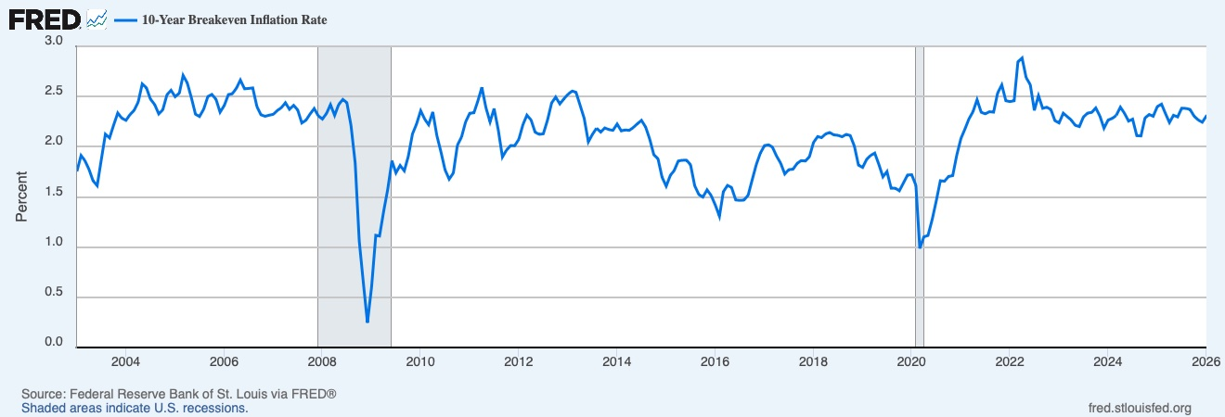
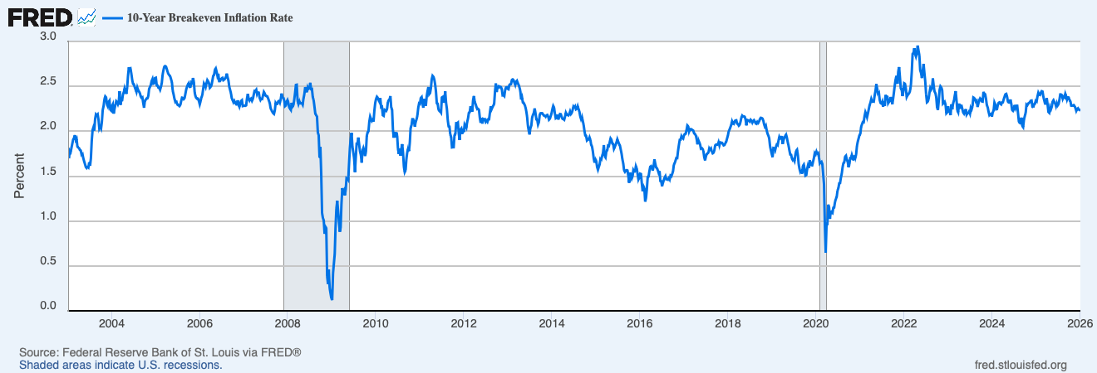
Date | T10YIE (%) |  |  | File Created: 2026-05-03 3:53 am CDT
2003-01-01 | 1.75
2003-02-01 | 1.91 |  |  | T10YIE | 10-Year Breakeven Inflation Rate, Percent, Weekly, Not Seasonally Adjusted | Data Updated: 2026-05-01
2003-03-01 | 1.86
2003-04-01 | 1.77
2003-05-01 | 1.66
2003-06-01 | 1.61
2003-07-01 | 1.87
2003-08-01 | 2.12
2003-09-01 | 2.09
2003-10-01 | 2.21
2003-11-01 | 2.34
2003-12-01 | 2.28 | Observation_date | T10YIE
2004-01-01 | 2.26 | 2003-01-10 | 1.70
2004-02-01 | 2.32 | 2003-01-17 | 1.78
2004-03-01 | 2.36 | 2003-01-24 | 1.77
2004-04-01 | 2.44 | 2003-01-31 | 1.82
2004-05-01 | 2.63 | 2003-02-07 | 1.86
2004-06-01 | 2.59 | 2003-02-14 | 1.91
2004-07-01 | 2.47 | 2003-02-21 | 1.92
2004-08-01 | 2.42 | 2003-02-28 | 1.96
2004-09-01 | 2.33 | 2003-03-07 | 1.90
2004-10-01 | 2.37 | 2003-03-14 | 1.92
2004-11-01 | 2.52 | 2003-03-21 | 1.83
2004-12-01 | 2.56 | 2003-03-28 | 1.82
2005-01-01 | 2.50 | 2003-04-04 | 1.81
2005-02-01 | 2.53 | 2003-04-11 | 1.79
2005-03-01 | 2.71 | 2003-04-18 | 1.79
2005-04-01 | 2.64 | 2003-04-25 | 1.74
2005-05-01 | 2.49 | 2003-05-02 | 1.75
2005-06-01 | 2.32 | 2003-05-09 | 1.70
2005-07-01 | 2.30 | 2003-05-16 | 1.66
2005-08-01 | 2.37 | 2003-05-23 | 1.63
2005-09-01 | 2.50 | 2003-05-30 | 1.60
2005-10-01 | 2.52 | 2003-06-06 | 1.59
2005-11-01 | 2.47 | 2003-06-13 | 1.60
2005-12-01 | 2.34 | 2003-06-20 | 1.60
2006-01-01 | 2.41 | 2003-06-27 | 1.65
2006-02-01 | 2.52 | 2003-07-04 | 1.62
2006-03-01 | 2.53 | 2003-07-11 | 1.70
2006-04-01 | 2.58 | 2003-07-18 | 1.90
2006-05-01 | 2.66 | 2003-07-25 | 2.01
2006-06-01 | 2.58 | 2003-08-01 | 2.04
2006-07-01 | 2.58 | 2003-08-08 | 2.01
2006-08-01 | 2.59 | 2003-08-15 | 2.14
2006-09-01 | 2.40 | 2003-08-22 | 2.19
2006-10-01 | 2.32 | 2003-08-29 | 2.18
2006-11-01 | 2.30 | 2003-09-05 | 2.19
2006-12-01 | 2.31 | 2003-09-12 | 2.13
2007-01-01 | 2.32 | 2003-09-19 | 2.03
2007-02-01 | 2.36 | 2003-09-26 | 2.05
2007-03-01 | 2.39 | 2003-10-03 | 2.03
2007-04-01 | 2.44 | 2003-10-10 | 2.10
2007-05-01 | 2.37 | 2003-10-17 | 2.24
2007-06-01 | 2.41 | 2003-10-24 | 2.28
2007-07-01 | 2.37 | 2003-10-31 | 2.36
2007-08-01 | 2.24 | 2003-11-07 | 2.39
2007-09-01 | 2.26 | 2003-11-14 | 2.38
2007-10-01 | 2.33 | 2003-11-21 | 2.30
2007-11-01 | 2.38 | 2003-11-28 | 2.28
2007-12-01 | 2.31 | 2003-12-05 | 2.33
2008-01-01 | 2.28 | 2003-12-12 | 2.34
2008-02-01 | 2.33 | 2003-12-19 | 2.24
2008-03-01 | 2.42 | 2003-12-26 | 2.23
2008-04-01 | 2.31 | 2004-01-02 | 2.28
2008-05-01 | 2.42 | 2004-01-09 | 2.30
2008-06-01 | 2.47 | 2004-01-16 | 2.20
2008-07-01 | 2.44 | 2004-01-23 | 2.25
2008-08-01 | 2.21 | 2004-01-30 | 2.29
2008-09-01 | 1.84 | 2004-02-06 | 2.33
2008-10-01 | 1.06 | 2004-02-13 | 2.32
2008-11-01 | 0.64 | 2004-02-20 | 2.30
2008-12-01 | 0.25 | 2004-02-27 | 2.33
2009-01-01 | 0.61 | 2004-03-05 | 2.45
2009-02-01 | 1.12 | 2004-03-12 | 2.29
2009-03-01 | 1.11 | 2004-03-19 | 2.34
2009-04-01 | 1.36 | 2004-03-26 | 2.34
2009-05-01 | 1.58 | 2004-04-02 | 2.41
2009-06-01 | 1.86 | 2004-04-09 | 2.43
2009-07-01 | 1.74 | 2004-04-16 | 2.48
2009-08-01 | 1.81 | 2004-04-23 | 2.45
2009-09-01 | 1.76 | 2004-04-30 | 2.42
2009-10-01 | 1.90 | 2004-05-07 | 2.49
2009-11-01 | 2.13 | 2004-05-14 | 2.62
2009-12-01 | 2.23 | 2004-05-21 | 2.71
...

SPREAD_CREDITO
DATASET 1 MONTHLY FREQUENCY |  | DATASET 2 WEEKLY FREQUENCY
Spread Crédito (BBB - Treasury) | BAA10Y | FRED |  | Spread Crédito (BBB - Treasury) | BAA10Y | FRED

Source: Federal Reserve Bank of St. Louis (FRED) |  | Source: Federal Reserve Bank of St. Louis (FRED)
Series: BAA10Y - Moody's Seasoned Baa Corporate Bond Yield Relative to 10Y Treasury |  | Series: BAA10Y - Weekly, Ending Friday
Frequency: Monthly | Units: Percent | Not Seasonally Adjusted |  | Frequency: Weekly | Units: Percent | Not Seasonally Adjusted

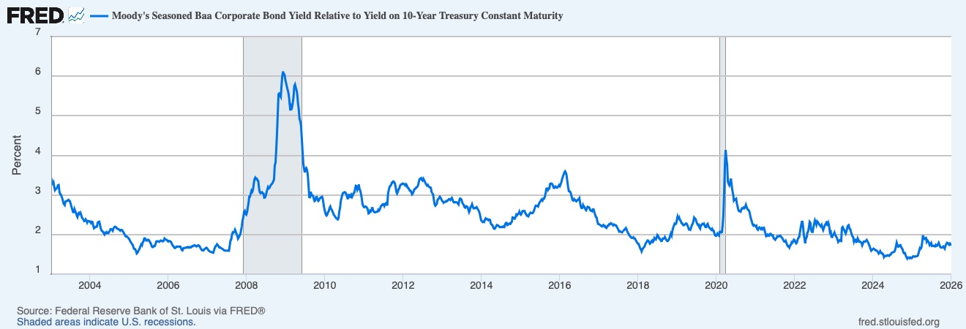
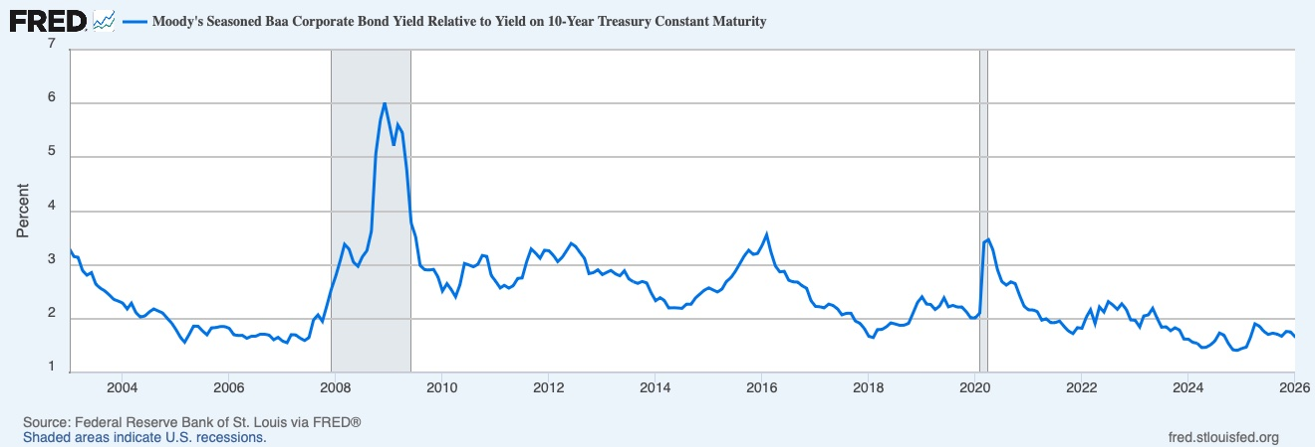
Date | BAA10Y (Spread %) | Date | BAA10Y (Spread %)
2003-01-01 | 3.3 | 2003-01-10 | 3.34
2003-02-01 | 3.15 | 2003-01-17 | 3.29
2003-03-01 | 3.14 | 2003-01-24 | 3.33
2003-04-01 | 2.89 | 2003-01-31 | 3.21
2003-05-01 | 2.81 | 2003-02-07 | 3.12
2003-06-01 | 2.86 | 2003-02-14 | 3.15
2003-07-01 | 2.64 | 2003-02-21 | 3.17
2003-08-01 | 2.57 | 2003-02-28 | 3.19
2003-09-01 | 2.52 | 2003-03-07 | 3.25
2003-10-01 | 2.44 | 2003-03-14 | 3.25
2003-11-01 | 2.36 | 2003-03-21 | 3.07
2003-12-01 | 2.33 | 2003-03-28 | 3.02
2004-01-01 | 2.29 | 2003-04-04 | 3.01
2004-02-01 | 2.18 | 2003-04-11 | 2.96
2004-03-01 | 2.29 | 2003-04-18 | 2.9
2004-04-01 | 2.11 | 2003-04-25 | 2.82
2004-05-01 | 2.03 | 2003-05-02 | 2.76
2004-06-01 | 2.05 | 2003-05-09 | 2.74
2004-07-01 | 2.12 | 2003-05-16 | 2.83
2004-08-01 | 2.18 | 2003-05-23 | 2.85
2004-09-01 | 2.14 | 2003-05-30 | 2.85
2004-10-01 | 2.11 | 2003-06-06 | 2.86
 |  | 2003-06-13 | 2.88
...

VIX
DATASET 1 MONTHLY FREQUENCY |  | DATASET 2 WEEKLY FREQUENCY
VIX (Cambio Mensual) | VIXCLS | FRED |  | VIX (Cambio Mensual) | VIXCLS | FRED

Source: Chicago Board Options Exchange via FRED |  | Source: Chicago Board Options Exchange via FRED
Series: VIXCLS - CBOE Volatility Index: VIX |  | Series: VIXCLS - Weekly, Ending Friday
Frequency: Monthly | Units: Index | Not Seasonally Adjusted |  | Frequency: Weekly | Units: Index | Not Seasonally Adjusted

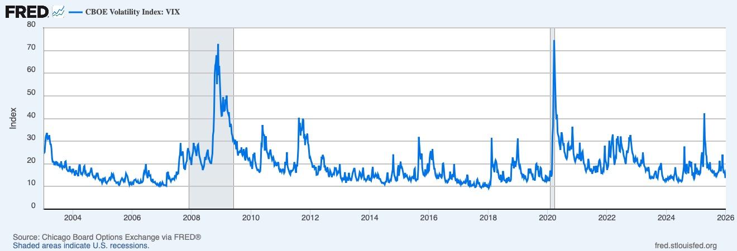
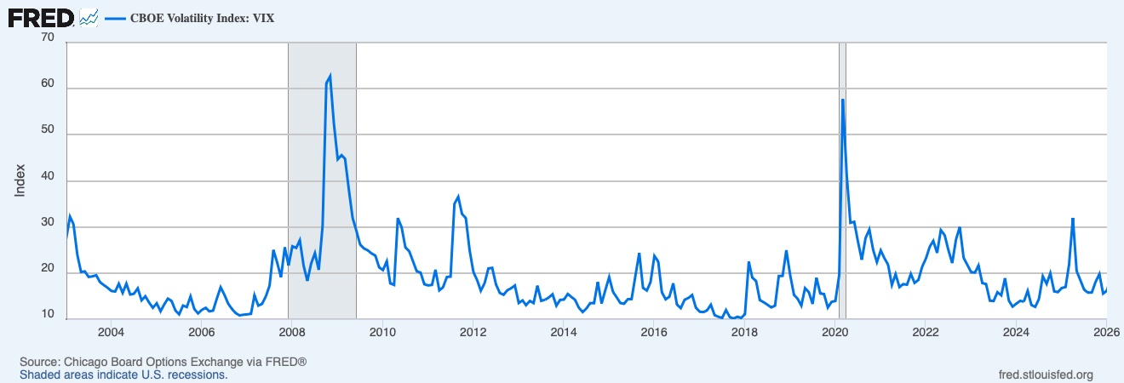
Date | VIXCLS (Index) | Date | VIXCLS (Index)
2003-01-01 | 27.42 | 2003-01-10 | 24.83
2003-02-01 | 32.22 | 2003-01-17 | 25.14
2003-03-01 | 30.63 | 2003-01-24 | 28.91
2003-04-01 | 23.99 | 2003-01-31 | 32.07
2003-05-01 | 20.24 | 2003-02-07 | 32.84
2003-06-01 | 20.36 | 2003-02-14 | 33.66
2003-07-01 | 19.16 | 2003-02-21 | 30.96
2003-08-01 | 19.27 | 2003-02-28 | 31.16
2003-09-01 | 19.53 | 2003-03-07 | 31.02
2003-10-01 | 18.02 | 2003-03-14 | 32.63
2003-11-01 | 17.4 | 2003-03-21 | 30.57
2003-12-01 | 16.83 | 2003-03-28 | 28.62
2004-01-01 | 16.1 | 2003-04-04 | 28.57
2004-02-01 | 16 | 2003-04-11 | 26.55
2004-03-01 | 17.69 | 2003-04-18 | 22.5
2004-04-01 | 15.7 | 2003-04-25 | 20.92
2004-05-01 | 17.71 | 2003-05-02 | 21.01
2004-06-01 | 15.34 | 2003-05-09 | 20.77
2004-07-01 | 15.5 | 2003-05-16 | 19.41
2004-08-01 | 16.68 | 2003-05-23 | 20.39
2004-09-01 | 14.08 | 2003-05-30 | 19.98
2004-10-01 | 14.97 | 2003-06-06 | 20.88
2004-11-01 | 13.58 | 2003-06-13 | 20.81
...

FED_FUNDS
DATASET 1 MONTHLY FREQUENCY
Federal Funds Rate | FEDFUNDS | FRED

Source: Board of Governors of the Federal Reserve System via FRED
Series: FEDFUNDS - Federal Funds Effective Rate
Frequency: Monthly | Units: Percent | Not Seasonally Adjusted

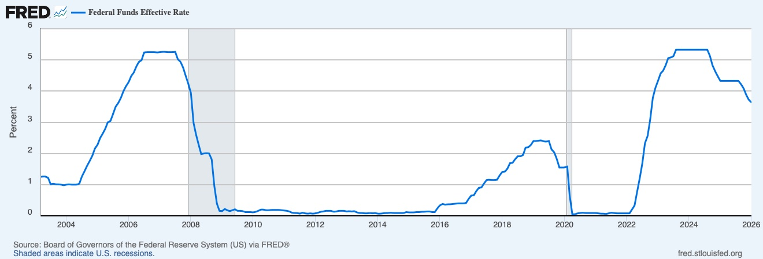
Date | FEDFUNDS (%)
2003-01-01 | 1.24
2003-02-01 | 1.26
2003-03-01 | 1.25
2003-04-01 | 1.26
2003-05-01 | 1.26
2003-06-01 | 1.22
2003-07-01 | 1.01
2003-08-01 | 1.03
2003-09-01 | 1.01
2003-10-01 | 1.01
2003-11-01 | 1
2003-12-01 | 0.98
2004-01-01 | 1
2004-02-01 | 1.01
2004-03-01 | 1
2004-04-01 | 1
2004-05-01 | 1
2004-06-01 | 1.03
2004-07-01 | 1.26
2004-08-01 | 1.43
2004-09-01 | 1.61
2004-10-01 | 1.76
2004-11-01 | 1.93
...

CPI
DATASET 1 MONTHLY FREQUENCY
ACPI YoY | CPIAUCSL | FRED

Source: U.S. Bureau of Labor Statistics via FRED
Series: CPIAUCSL - Consumer Price Index for All Urban Consumers (data from 2002 for YoY)
Frequency: Monthly | YoY % change calculated | Seasonally Adjusted

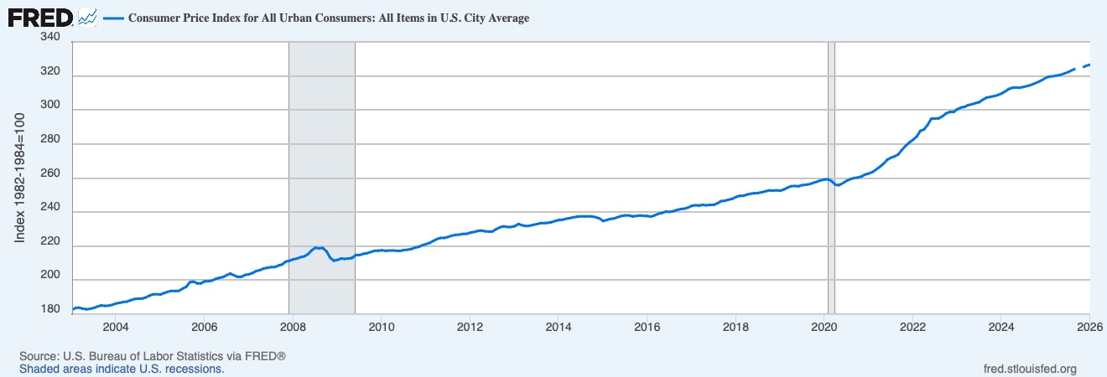
Date | CPIAUCSL (Index) | CPI YoY (%)
2002-01-01 | 177.7
2002-02-01 | 178
2002-03-01 | 178.5
2002-04-01 | 179.3
2002-05-01 | 179.5
2002-06-01 | 179.6
2002-07-01 | 180
2002-08-01 | 180.5
2002-09-01 | 180.8
2002-10-01 | 181.2
2002-11-01 | 181.5
2002-12-01 | 181.8
2003-01-01 | 182.6 | 2.7575
2003-02-01 | 183.6 | 3.1461
2003-03-01 | 183.9 | 3.0252
2003-04-01 | 183.2 | 2.1751
2003-05-01 | 182.9 | 1.8942
2003-06-01 | 183.1 | 1.9488
2003-07-01 | 183.7 | 2.0556
2003-08-01 | 184.5 | 2.2161
2003-09-01 | 185.1 | 2.3783
2003-10-01 | 184.9 | 2.0419
2003-11-01 | 185 | 1.9284
2003-12-01 | 185.5 | 2.0352
...

INDUSTRIAL_PROD
DATASET 1 MONTHLY FREQUENCY
Industrial Production | INDPRO | FRED

Source: Board of Governors of the Federal Reserve System via FRED
Series: INDPRO - Industrial Production: Total Index (2017=100)
Frequency: Monthly | Seasonally Adjusted

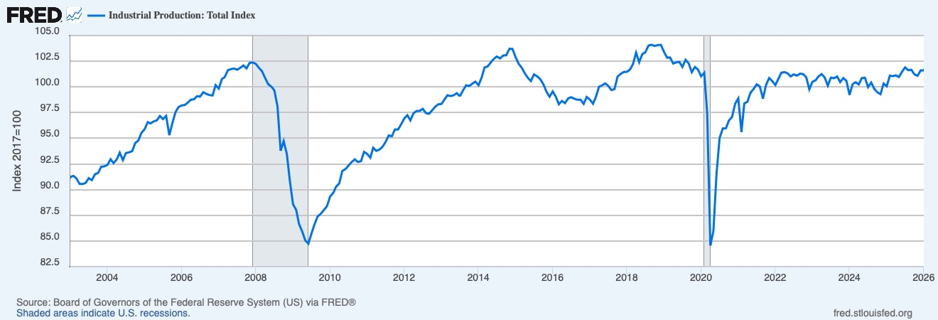
Date | INDPRO (Index 2017=100)
2003-01-01 | 91.2361
2003-02-01 | 91.3445
2003-03-01 | 91.1044
2003-04-01 | 90.5617
2003-05-01 | 90.537
2003-06-01 | 90.6527
2003-07-01 | 91.1185
2003-08-01 | 90.9197
2003-09-01 | 91.5059
2003-10-01 | 91.6186
2003-11-01 | 92.2329
2003-12-01 | 92.2602
2004-01-01 | 92.4006
2004-02-01 | 92.958
2004-03-01 | 92.5861
2004-04-01 | 92.93
2004-05-01 | 93.6013
2004-06-01 | 92.871
2004-07-01 | 93.5649
2004-08-01 | 93.6277
2004-09-01 | 93.7467
2004-10-01 | 94.5465
2004-11-01 | 94.7813
...

HOUSING_STARTS
DATASET 1 MONTHLY FREQUENCY
Housing Starts | HOUST | FRED

Source: U.S. Census Bureau / HUD via FRED
Series: HOUST - New Privately-Owned Housing Units Started: Total Units
Frequency: Monthly | Thousands of Units | Seasonally Adjusted Annual Rate

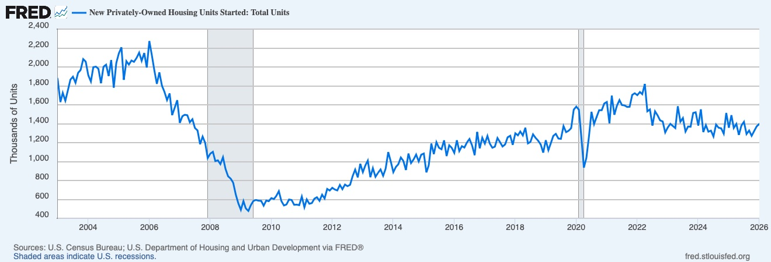
Date | HOUST (thousands)
2003-01-01 | 1853
2003-02-01 | 1629
2003-03-01 | 1726
2003-04-01 | 1643
2003-05-01 | 1751
2003-06-01 | 1867
2003-07-01 | 1897
2003-08-01 | 1833
2003-09-01 | 1939
2003-10-01 | 1967
2003-11-01 | 2083
2003-12-01 | 2057
2004-01-01 | 1911
2004-02-01 | 1846
2004-03-01 | 1998
2004-04-01 | 2003
2004-05-01 | 1981
2004-06-01 | 1828
2004-07-01 | 2002
2004-08-01 | 2024
2004-09-01 | 1905
2004-10-01 | 2072
2004-11-01 | 1782
...

BUILDING_PERMITS
DATASET 1 MONTHLY FREQUENCY
Building Permits | PERMIT | FRED

Source: U.S. Census Bureau / HUD via FRED
Series: PERMIT - New Privately-Owned Housing Units Authorized in Permit-Issuing Places
Frequency: Monthly | Thousands of Units | Seasonally Adjusted Annual Rate

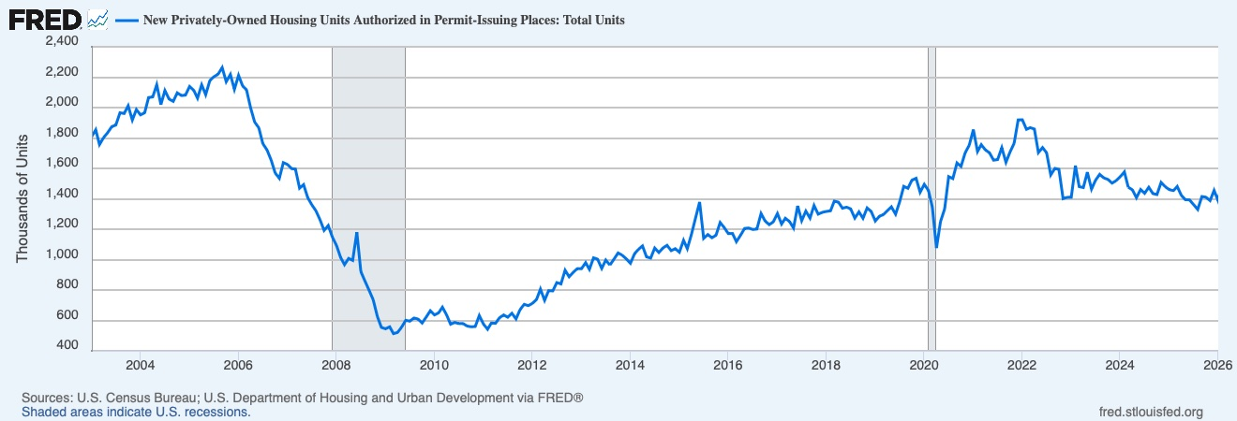
Date | PERMIT (thousands)
2003-01-01 | 1808
2003-02-01 | 1854
2003-03-01 | 1757
2003-04-01 | 1803
2003-05-01 | 1835
2003-06-01 | 1875
2003-07-01 | 1885
2003-08-01 | 1966
2003-09-01 | 1961
2003-10-01 | 2012
2003-11-01 | 1918
2003-12-01 | 1987
2004-01-01 | 1952
2004-02-01 | 1966
2004-03-01 | 2066
2004-04-01 | 2070
2004-05-01 | 2150
2004-06-01 | 2020
2004-07-01 | 2112
2004-08-01 | 2056
2004-09-01 | 2041
2004-10-01 | 2097
2004-11-01 | 2079
...

