Summary
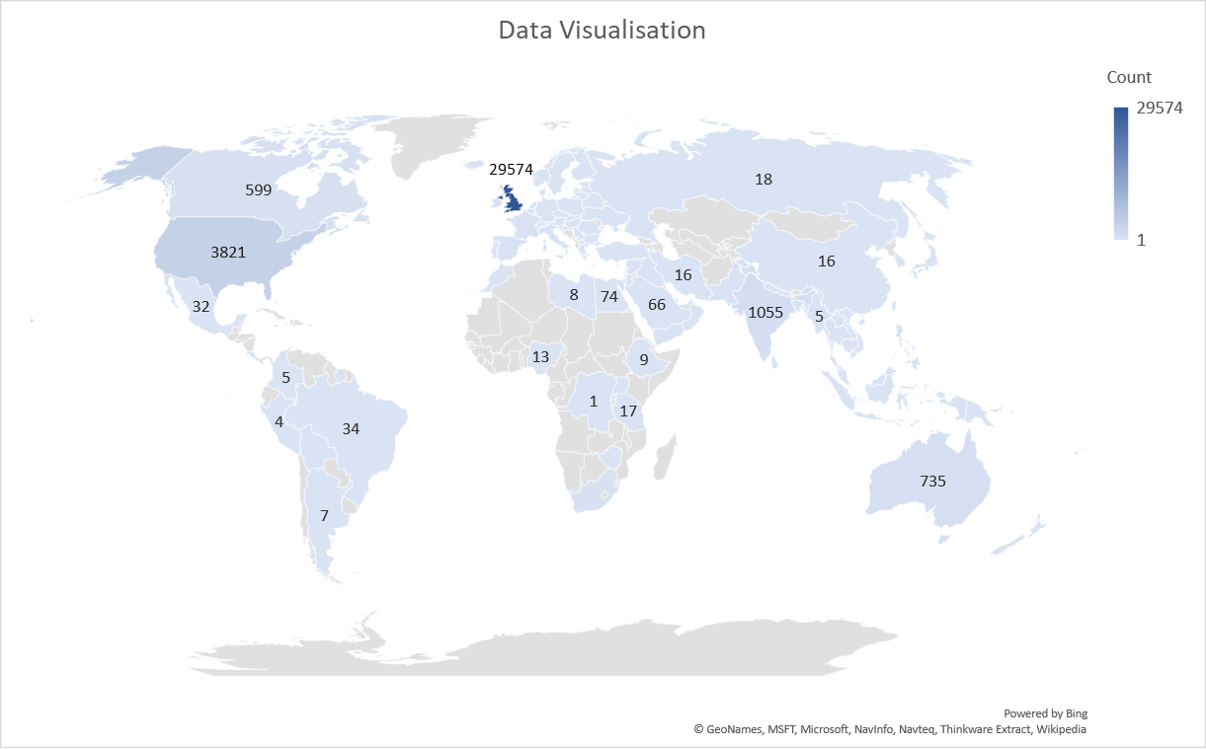
Country_name | Frequency | Percentage
United Kingdom | 29574 | 75.22%
USA | 3821 | 9.72%
India | 1055 | 2.68%
Australia | 735 | 1.87%
Canada | 599 | 1.52%
Other | 3532 | 8.98%
Total | 39316 | 100.00%

Glu_meter
Product_Name | Frequency | Percentage
Accu-Chek | 4760 | 33.22%
Abbott FreeStyle | 2072 | 14.46%
77 Elektronika | 1287 | 8.98%
OneTouch | 1239 | 8.65%
Contour | 926 | 6.46%
GlucoRx | 881 | 6.15%
Bayer | 538 | 3.76%
Other | 2171 | 15.15%
N/A | 453 | 3.16%
Total | 14327 | 100.00%

blood_test | Frequency | Percentage
No | 9688 | 46.01%
Yes | 11368 | 53.99%
Total | 21056 | 100.00%

Registered | n= 21048

Descriptive statistic | Age(yr)
Mean | 46.870765302
Standard Error | 0.065810178705
Median | 47
Mode | 28
Standard Deviation | 15.519485774
Sample Variance | 240.85443869
Range | 118
Minimum | 0
Maximum | 118
Count | 55612
Confidence Level(95.0%) | 0.12898838749

Using_insulin | Frequency | Percentage
True | 6347 | 30.11%
False | 14730 | 69.89%
Total | 21077 | 100.00%

Gender | Frequency | Percentage
male | 110122 | 45.94%
female | 129590 | 54.06%
Total | 239712 | 100.00%

Diabete_type | Frequency | Percentage
Type 2 Diabetes | 124736 | 51.43%
Type 1 Diabetes | 50650 | 20.88%
Prediabetes | 19489 | 8.04%
Insulin-dependent Type 2 | 14276 | 5.89%
Other | 33388 | 13.77%
Total | 242539 | 100.00%

Descriptive statistic | HbA1c level (mmol) |  | HbA1c | mmol/mol | % | Frequency | Percentage
Mean | 179.3196512 |  | Normal | Below 42 mmol/mol | Below 6.0% | 14268 | 67.69%
Standard Error | 33.15086983 |  | Prediabetes | 42 to 47 mmol/mol | 6.0% to 6.4% | 783 | 3.71%
Median | 6.57 |  | Diabetes | 48 mmol/mol or over | 6.5% or over | 6029 | 28.60%
Minimum | -16.94 |  | Total |  |  | 21080 | 100.00%
Maximum | 595224.49
Count | 21080
Confidence Level(95.0%) | 64.978242

Newsletter | Competitions |  | Forumupdates |  | Meters |  | Tues
 | Frequency | Percentage | Frequency | Percentage | Frequency | Percentage | Frequency | Percentage
True | 13073 | 50.17% | 13200 | 50.57% | 14484 | 55.39% | 14444 | 55.07%
False | 12985 | 49.83% | 12905 | 49.43% | 11666 | 44.61% | 11785 | 44.93%
Total | 26058 | 100.00% | 26105 | 100.00% | 26150 | 100.00% | 26229 | 100.00%

 | Research |  | Social |  | Trials
 | Frequency | Percentage | Frequency | Percentage | Frequency | Percentage
True | 13421 | 51.27% | 13225 | 50.48% | 11719 | 58.05%
False | 12756 | 48.73% | 12976 | 49.52% | 8470 | 41.95%
Total | 26177 | 100.00% | 26201 | 100.00% | 20189 | 100.00%

