Tesla_studycase
Cost of capital | 0.16
Risk free rate | 0.02
random fluctuation in demand | 2024-04-01 |  | Cash outflows | Cash inflows
 | 0.7 |  | 20 | 400
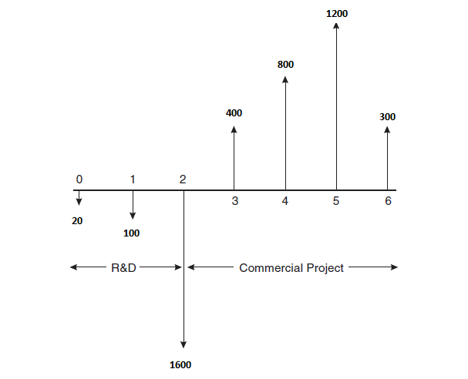
 |  |  | 100 | 800
 |  |  | 1600 | 1200
 |  |  | PV | 300
 |  | out | 20
 |  | out | 98.03921569
 |  | out | 1537.87005
 |  | in | 256.2630694
 |  | in | 441.8328783
 |  | in | 571.3356185
 |  | in | 123.1326764
 |  | NPV (STATIC) | -263.345023

