Sensitivity-Pairwise-OMM
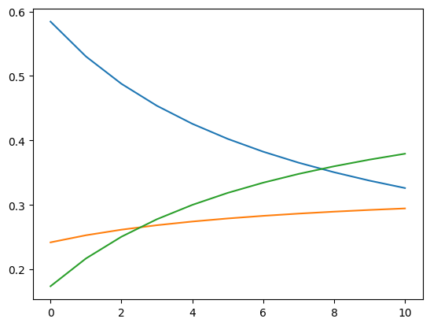
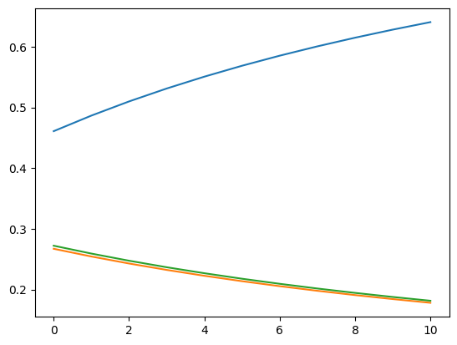
In-House | 0.4608
Existing | 0.2670
New | 0.2721

RISK (2) |  | TIMELINE (3) | FLEXIBILITY (4)
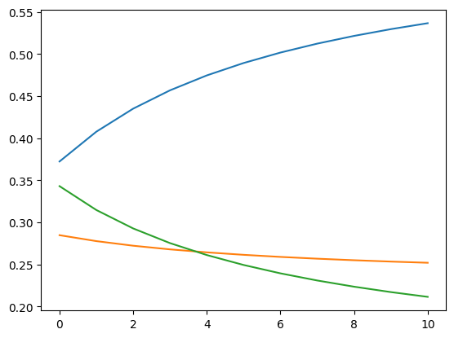
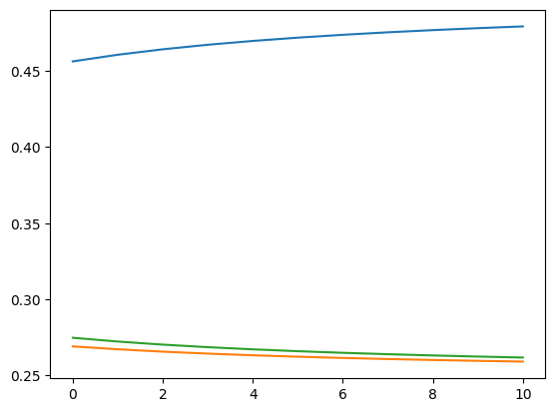
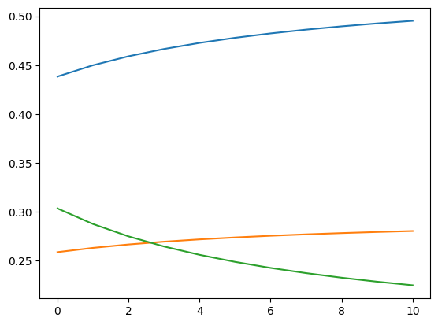

DEMAND (5) |  | IMPACT (6)

Allocation
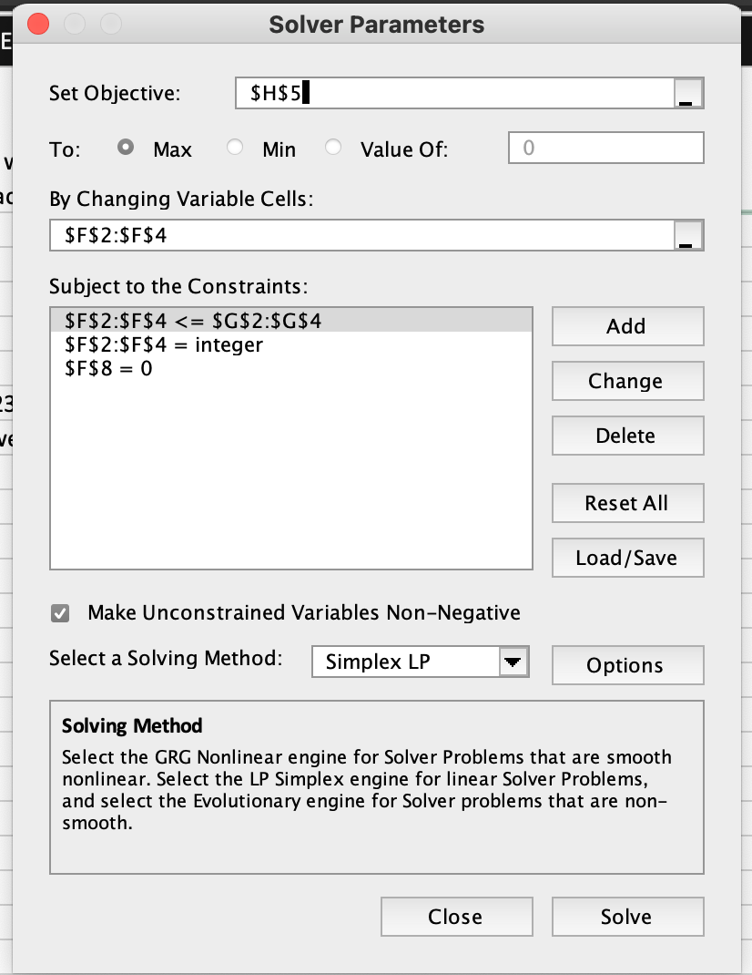
 | Priorities from AHP Ratings | Idealized Priorities | Cost Impact of outsource | Priorities with Cost Impact factored in | 2023 Expected Production (in units) | Max Capacity (in units) | Normalized Fit (Cost impacted priorites x demand/plant)
In-House | 0.3382 | 0.94 | 0% | 0.94 | 60,480 | 60,480 | 56,623
Existing Vendor | 0.3006 | 0.83 | 11% | 0.75 | - | 30,000 | -
New Vendor | 0.3612 | 1.00 | 13% | 0.88 | 29,295 | 30,000 | 25,925
 |  | Gap from Req'd |  |  | 89,775 |  | 82,548
 |  | Demand Required
 |  |  |  | Total 2023 Demand | 89,775
 |  |  | Gap between Total and Expected |  | -

