ple.27.7fg
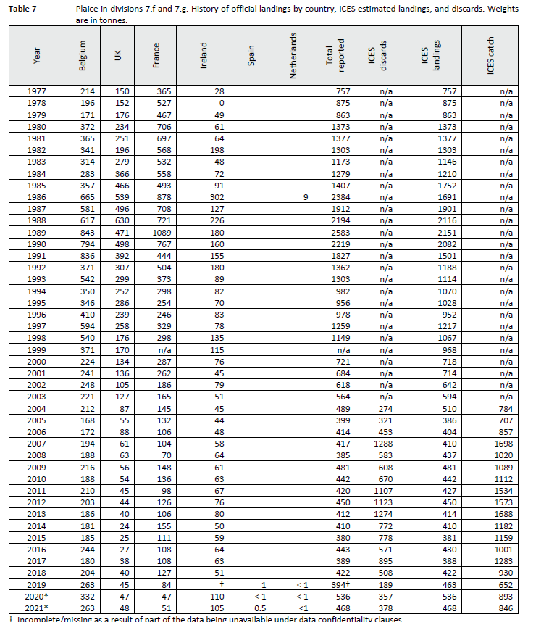

BE | UK | FR | IR | ES | NL
263 | 48 | 51 | 105 | 0.5 | 1

