Table 11
Published 15 June 2022
Herring (Clupea harengus) in Division 5.a, summer-spawning herring (Iceland grounds)
ICES advice on fishing opportunities
ICES advises that when the Icelandic management plan is applied, catches in the fishing year 2022/2023 should be no more than 66 195 tonnes.
Stock development over time
Fishing pressure on the stock is above HRmgt. Spawning-stock size is above MSY Btrigger, Bpa, and Blim.
Figure 1 Herring in Division 5.a. summer-spawning herring. Summary of stock assessment. Harvest rates are calculated based on biomass age 4+. All biomass reference points refer to SSB levels. The assumed recruitment value for 2022 is shaded in a lighter colour.
Catch scenarios
Table 1 Herring in Division 5.a, summer-spawning herring. Values in the forecast and for the interim year.
Variable |  | Value |  | Notes
HR (2021/2022) |  | 0.19 |  | Harvest rate based on catch constraint
SSB (2022) |  | 421,132 |  | Predicted (1 July 2022) after accounting for Ichthyophonus infection in 2022; tonnes
Bage 4+ (2022) |  | 441,299 |  | Estimated by the assessment (1 January 2022); tonnes
Rage 3 (2022) |  | 464,740 |  | Based on geometric mean for 1987–2019; thousands
Rage 3 (2023) |  | 464,740 |  | Based on geometric mean for 1987–2019; thousands
Total catch (2021/2022) |  | 70,084 |  | Reported catch from June 2021 to the end of April 2022; tonnes
Table 2 Herring in Division 5.a, summer-spawning herring. Annual catch scenarios. All weights are in tonnes.
Basis | Total catch (2022/2023) |  | HR (2022/2023) |  | Biomass of age 4+ (2023) | SSB (2023) | % SSB change* | % advice change**
ICES advice basis
Management plan | 66,195 |  | 0.15 |  | 422,801 | 403,999 | −4 | −8
* SSB 2023 relative to SSB 2022. ** Advised catches for 2022/2023 relative to advised catch for 2021/2022 (72 239 tonnes).
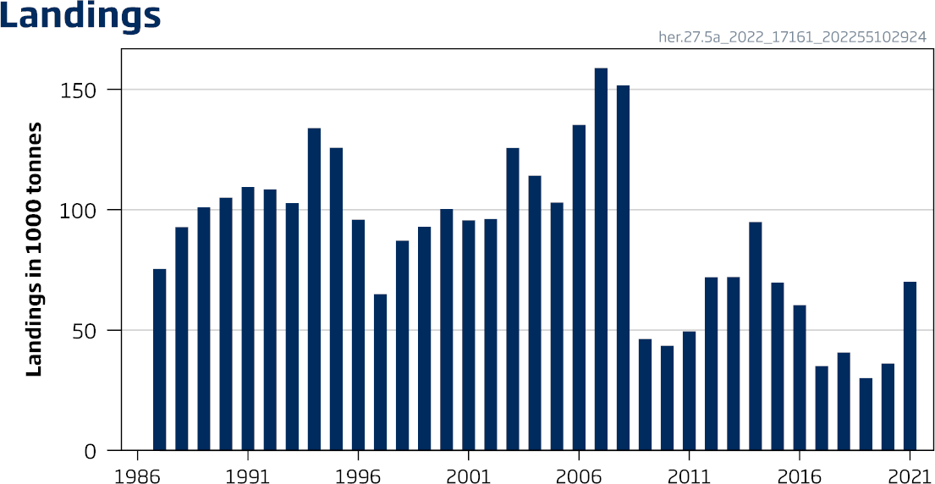
ICES Advice 2022 – her.27.5a – https://doi.org/10.17895/ices.advice.19447988 ICES advice, as adopted by its Advisory Committee (ACOM), is developed upon request

 |  |  |  |  |  | 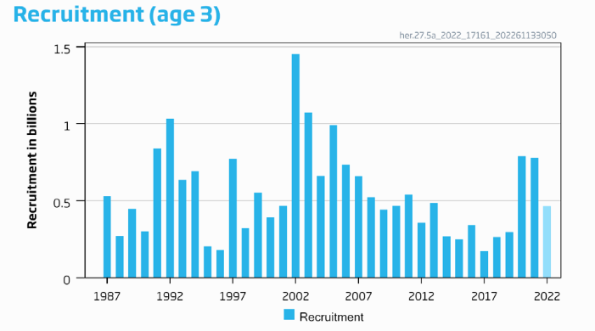
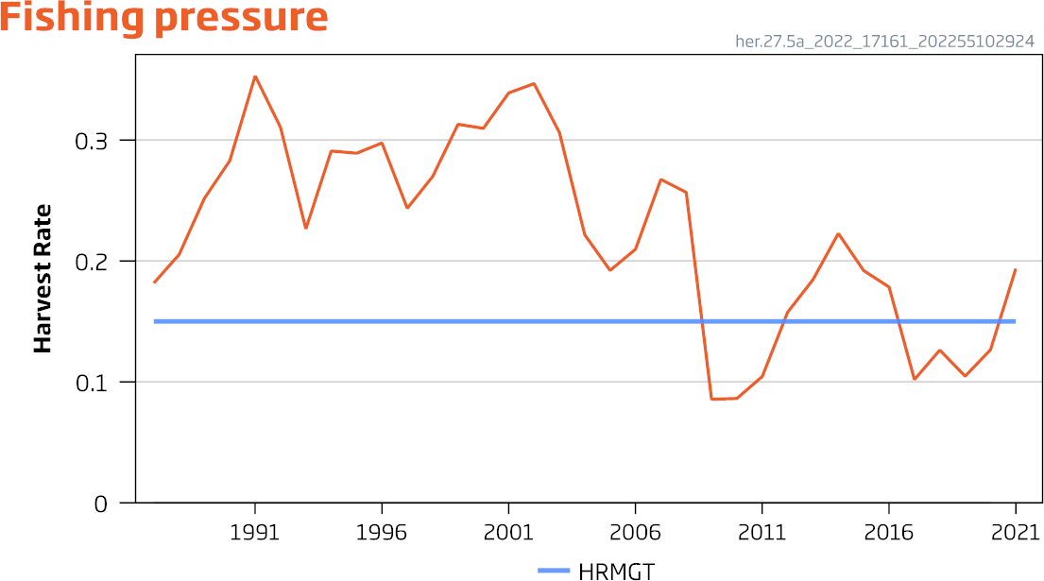
 |  |  |  |  |  | 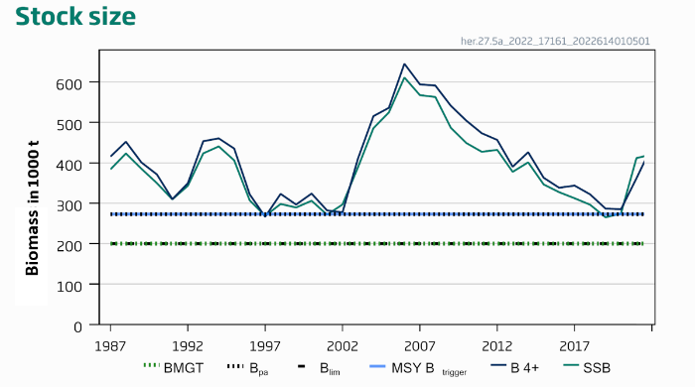
Basis of the advice

Table 12
Table 3 Herring in Division 5.a, summer-spawning herring. The basis of the advice.
Advice basis |  | Iceland management plan Rule 5 (ICES, 2017a; 2017b)
Management plan |  | The Icelandic Ministry of Industries and Innovation fisheries management plan has been implemented since 2017. The rule has been evaluated by ICES (ICES, 2017b) and is considered to be precautionary and conforms to ICES MSY approach. According to the rule, the TAC for the fishing year Y/Y+1 (1 September of year Y to 31 August of year Y+1) is calculated as follows: When SSBY is equal to or above MGT Btrigger: 𝑇𝑇𝑇𝑇𝑇𝑇𝑌𝑌/𝑌𝑌+1 = 𝐻𝐻𝐻𝐻𝑚𝑚𝑚𝑚𝑚𝑚 × 𝐵𝐵𝑟𝑟𝑟𝑟𝑟𝑟,𝑌𝑌 When SSB is below MGT B : 𝑇𝑇𝑇𝑇𝑇𝑇 = 𝐻𝐻𝐻𝐻 × ( 𝑆𝑆𝑆𝑆𝑆𝑆𝑌 𝑌 ) × 𝐵𝐵 Y trigger 𝑌𝑌/𝑌𝑌+1 𝑚𝑚𝑚𝑚𝑚𝑚 𝑀𝑀𝑀𝑀𝑀𝑀 𝑆𝑆𝑡𝑡𝑡𝑡𝑡𝑡𝑡𝑡𝑡𝑡𝑡𝑡𝑡𝑡 𝑟𝑟𝑟𝑟𝑟𝑟,𝑌𝑌 The spawning-stock biomass trigger (MGT Btrigger) is defined as 200 000 tonnes; the reference biomass is defined as the biomass of herring of ages 4 and older, and the target harvest rate (HRmgt) is set to 0.15.
Quality of the assessment
The assessment shows consistency with previous years.
Figure 2 Herring in Division 5.a, summer-spawning herring. Historical assessment results. The final-year recruitment estimates derive from survey indices and not from model estimates. There was no ICES assessment in 2020.
Issues relevant for the advice
Infection rates of Ichthyophonus remain high, and this is taken into account in both the assessment and management plan.
Reference points
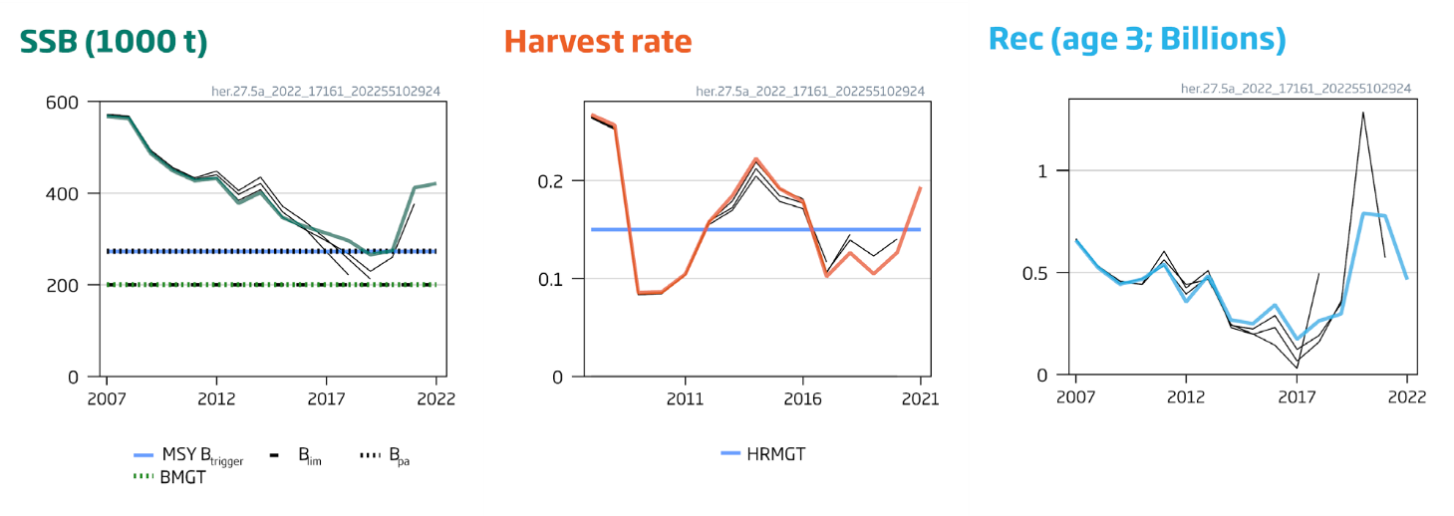
Table 4 Herring in Division 5.a, summer-spawning herring. Reference points, values, and their technical basis. All weights are in tonnes.

Framework | Reference point |  | Value | Technical basis | Source
MSY approach | MSY Btrigger |  | 273,000 | Bpa | ICES (2016, 2017a)
 | FMSY |  | 0.22 | Stochastic simulations | ICES (2016, 2017a)
Precautionary approach | Blim |  | 200,000 | SSB with a high probability of impaired recruitment | ICES (2016)
 | Bpa |  | 273,000 | Bpa = Blim × exp(1.645 × σ), where σ = 0.19 | ICES (2016)
 | Flim |  | 0.61 | The F that leads to SSB = Blim | ICES (2016)
 | Fpa |  | 0.45 | Fpa = Flim × exp(−1.645 × σ), where σ = 0.18 | ICES (2016)
Management plan | MGT Btrigger |  | 200,000 | Stochastic simulations | ICES (2017a)
 | HRmgt |  | 0.15 | Management plan | ICES (2017a)

Table 16
Herring (Clupea harengus) in divisions 6.a and 7.b–c (West of Scotland, West of Ireland)
ICES advice on fishing opportunities
ICES advises that when the precautionary approach is applied, there should be zero catch in 2022.
Stock development over time
ICES cannot assess the stock and exploitation status relative to MSY and PA reference points, because those reference points are undefined; however, stock size is considered to be below possible reference points.
Figure 1 Herring in divisions 6.a and 7.b–c. Summary of the stock assessment. Relative recruitment (R), fishing mortality (F), and spawning-stock biomass (SSB) from the stock assessment (relative to mean over assessment period).
Catch scenarios
ICES framework for category 3 stocks was applied (ICES, 2012). Given that SSB is currently assessed to be close to the lowest level in the time-series and is likely to remain so in 2022, and that it is below possible reference points, the advice is for zero catch for 2022.
Basis of the advice
Table 1 Herring in divisions 6.a and 7.b–c. The basis of the advice.
Advice basis | Precautionary approach
Management plan | ICES is not aware of an agreed precautionary management plan for herring in this area. A proposed rebuilding plan has not been evaluated by ICES.
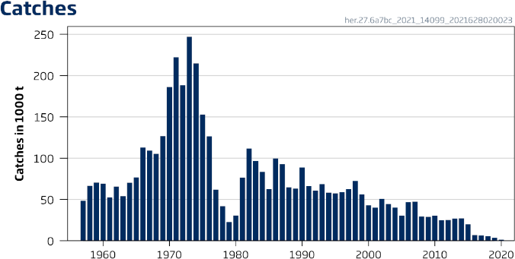
ICES Advice 2021 – her.27.6a7bc – https://doi.org/10.17895/ices.advice.7772 ICES advice, as adopted by its Advisory Committee (ACOM), is developed upon request

 | 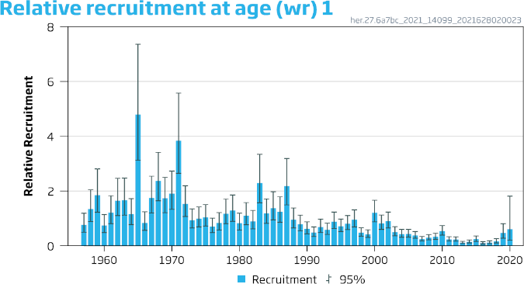
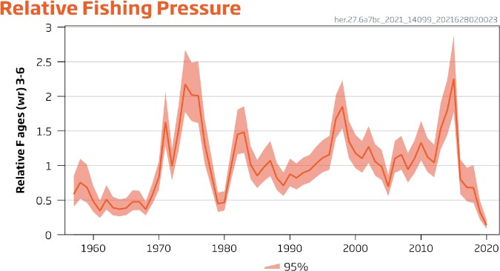
 | 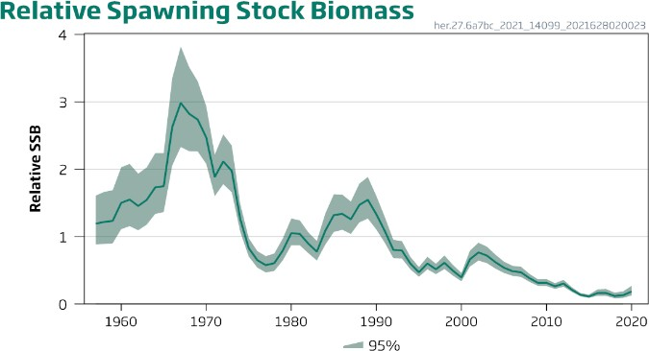
Quality of the assessment
The interbenchmark (ICES, 2019) pointed to continued concerns with the quality of the combined assessment and how well it is able to represent the dynamics of the separate stocks and fisheries in 6.a(N) and 6.a(S) and 7.b–c. The assessment still suffers from a lack of information on younger-aged fish. Given unresolved issues with the assessment it is used as indicative of trends only.
The catch in 2020 was considerably lower than the monitoring TAC, but this was due to a change in the management measures which prevented the use of the monitoring TAC in 6aN. Reducing monitoring catches in 6aN might limit the ability to provide robust management advice in future years.
Figure 2 Herring in divisions 6.a and 7.b–c. Historical assessment results. The stock was inter-benchmarked in 2019, and only results from the last three years are directly comparable.
Issues relevant for the advice
The information presented here represents two stocks assessed as one (herring in Division 6.a [N], and herring in divisions 6.a [S] and 7.b–c).
In 2016, ICES issued advice for a scientific monitoring fishery that could be obtained through a catch of 4840 tonnes for herring in this area, at the request of the European Commission (ICES, 2016). In response to a standing request on zero catch advice stocks, ICES provides catch scenarios for monitoring catches in 2022 (ICES, 2021a).
Activities that have a negative impact on the spawning of herring should not occur, unless the effects of these activities have been assessed and shown not to be detrimental to the productivity of the stock (ICES, 2003, 2015a).
There has been an increase in marine anthropogenic activity. Activities that have a negative impact on the spawning habitat of herring, such as the dumping of dredge spoil, the extraction of marine aggregates (e.g. gravel and sand), and the erection of structures such as wind turbines in the vicinity of spawning grounds, are a cause for concern (see for example Groot, 1979, 1996; ICES, 2003, 2015a). This is because a gravel substratum is an essential habitat for herring spawning.
Reference points
No reference points are defined for these combined stocks.

Table 22
Herring (Clupea harengus) in subdivisions 20–24, spring spawners (Skagerrak, Kattegat, and western Baltic)
ICES advice on fishing opportunities
ICES advises that when the MSY approach and precautionary considerations are applied, there should be zero catch in 2023.
This advice applies to the catch of western Baltic spring-spawning herring (WBSS) in subdivisions 20–24 and the eastern part of Subarea 4.
Stock development over time
Fishing pressure on the stock is below FMSY; spawning-stock size is below MSY Btrigger, Bpa, and Blim.
Figure 1 Herring in subdivisions 20–24, spring spawners. Summary of the stock assessment. The assumed recruitment value for 2022 is shaded in a lighter colour and the grey diamond in the SSB plot is a predicted number for 2022 at spawning time.
Catch scenarios
Table 1 Herring in subdivisions 20–24, spring spawners. Values in the forecast and for the interim year. All weights are in tonnes and recruitment (R) is in thousands.
Variable | Value | Notes
Fages 3–6 (2022) | 0.064 | Based on catch constraint in 2022
SSB (2022) | 71,011 | Short term forecast
Rage 0 (2022 and 2023) | 792,293 | Average 2016–2020
Total catch (2022) | 7662 | See Table 8 and issues relevant to the advice for the fleet descriptions. • A-fleet: 6 142 t corresponding to the A-fleet TAC (427 628 t) plus what is transferred from the C-fleet in Division 3.a to the North Sea (23 885 t) scaled by the 3-year average proportion of WBSS in A-fleet catch (1.36%, 2019–2021) • C-fleet: 733 t corresponding to 1136 t catch in Division 3.a (based on 167 t agreed maximum Norwegian catch and 969 t agreed maximum EU catch) scaled by the 3-year average proportion of WBSS in the C-fleet catch (64.5%, 2019–2021) • D-fleet: 0 t because considered negligible compared to the other fleets • F-fleet: 788 t (TAC*)
* Council Regulation (EU) 2021/1888
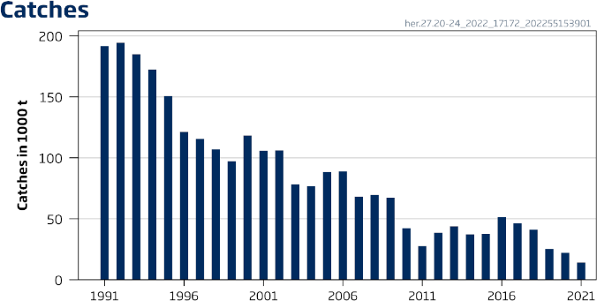
ICES Advice 2022 – her.27.20-24– https://doi.org/10.17895/ices.advice.19447964 ICES advice, as adopted by its Advisory Committee (ACOM), is developed upon request

 |  | 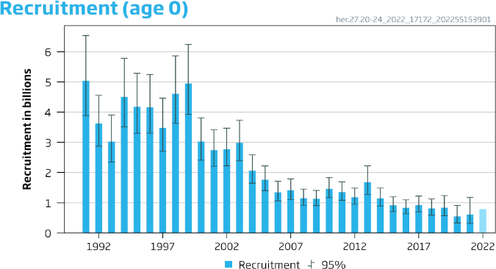
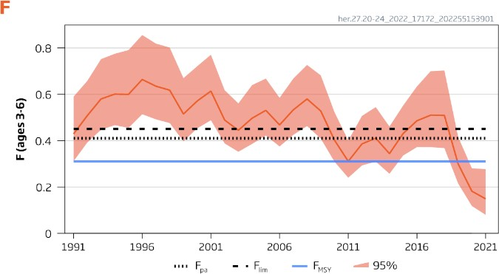
 |  | 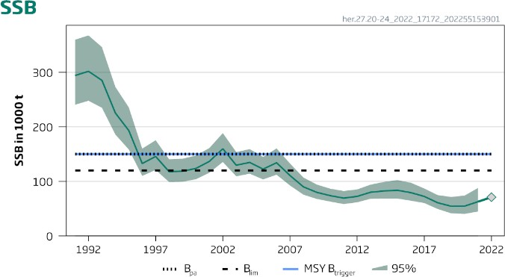
Table 2 Herring in subdivisions 20–24, spring spawners. Annual catch scenarios. All weights are in tonnes.

Table 24
Basis of the advice
Table 4 Herring in subdivisions 20–24, spring spawners. The basis of the advice.
Advice basis | MSY approach
Management plan | An EU Baltic Sea multiannual plan (MAP; EU, 2016) was established in 2016 and updated in 2019 (MAP; EU, 2019). It applies to herring in subdivisions 22–24, which is part of the distribution area of the WBSS stock. This plan is not adopted by Norway and thus not used as basis of the advice for this shared stock.
Quality of the assessment
The 2022 assessment gives consistent estimates of SSB and fishing mortality compared to the 2021 assessment. The final (intermediate) year assumption for recruitment is consistently higher than the estimated recruitment the following year. If this pattern continues the SSB predicted for 2025 (Table 3) will be lower.
Figure 2 Herring in subdivisions 20–24, spring spawners. Historical assessment results (final-year recruitment included for each line, corresponding to the recruitment assumption in the intermediate year. Final-year SSB prediction is included for each line).
Issues relevant for the advice
ICES MSY approach stipulates that F is reduced proportionally to SSB when the spawning-stock size falls below MSY Btrigger. When SSB is below Blim, measures should be taken so that it can be brought above Blim in the short term. All catch scenarios, including zero catch, result in SSB remaining below Blim in 2024 (Table 2), therefore zero catch is advised for 2023.
The input catch data are disaggregated in these different fleets based on assumptions which deviate from the definition of those fleets for management purposes (based on TAC settings). In the context of this advice, the fleets are currently described as follows:
Fleet A: Directed fishery for herring for human consumption in the North Sea and division 7.d, but includes herring bycatches in the Norwegian industrial fishery. The catch of herring is almost exclusively NSAS herring, with some bycatch of WBSS herring in the eastern part of the Division 4.
Fleet C: Directed fishery for herring for human consumption in Kattegat and Skagerrak (Division 3.a). This fleet also includes catches from the small meshed Swedish fishery. The catch of herring consists of a mixture of NSAS and WBSS herring.
Fleet D: Bycatch of herring in Kattegat and Skagerrak (Division 3.a) in the Danish small-meshed industrial fleet for sprat and Norway pout and sandeel. The catch of herring consists of a mixture of NSAS and WBSS herring.
Fleet F: Catches from subdivisions 22–24. Most of the catches are taken in a directed fishery for herring and some as bycatch in a directed sprat fishery. The catch of herring consists exclusively of WBSS herring.
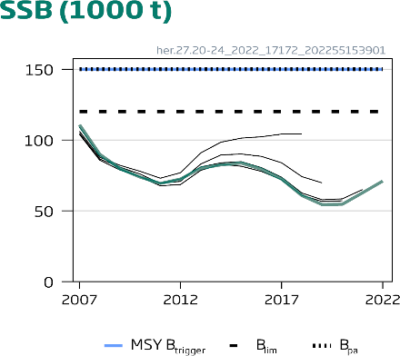
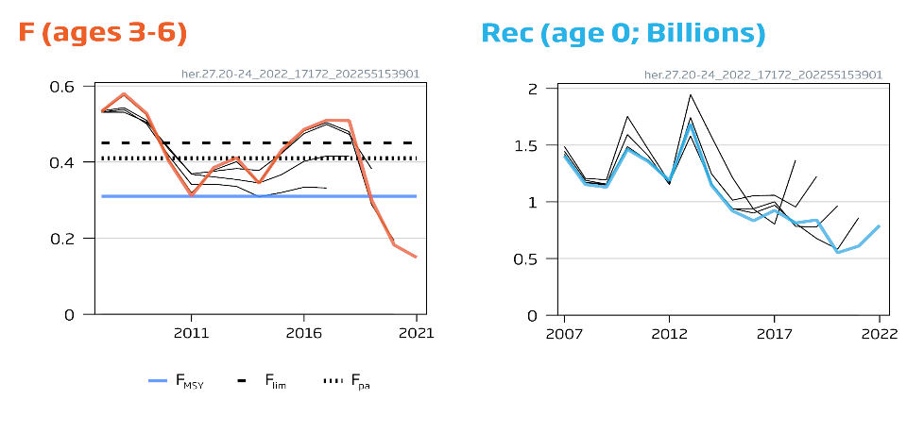
This stock is caught across three different management areas, and recovery will be impaired if catches of this stock are not minimized in all areas. Based on agreed catches for 2022 and assumptions on stock mixing, it is predicted that around 80%

of the total WBSS catches will be taken in Division 4.a in 2022. For the other two areas, catch shares in 2022 are predicted to be around 10% for subdivisions 20–21 and 10% for subdivisions 22–24.

Table 31
Herring (Clupea harengus) in subdivisions 30 and 31 (Gulf of Bothnia)
ICES advice on fishing opportunities
ICES advises that when the EU multiannual plan (MAP) for the Baltic Sea is applied, catches in 2023 that correspond to the F ranges in the plan are between 80 047 tonnes and 103 059 tonnes. According to the MAP, catches higher than those corresponding to FMSY (102 719 tonnes) can only be taken under conditions specified in the plan, whilst the entire range is considered precautionary when applying ICES advice rule.
Stock development over time
Fishing pressure on the stock is below FMSY and spawning-stock size is above MSY Btrigger, Bpa, and Blim.
Figure 1 Herring in subdivisions 30 and 31. Summary of the stock assessment. The assumed recruitment value for 2022 is shaded in a lighter colour.
Catch scenarios
Table 1 Herring in subdivisions 30 and 31. Values in the forecast and for the interim year.
Variable | Value | Notes
Fages 3–7 (2022) | 0.18 | F2021
SSB (2023) | 538,857 | Short term forecast; tonnes
Rage 0 (2022–2024) | 34,097,000 | Average of recruitment (2012–2021); thousands
Total catch (2022) | 72,033 | Based on F=F2021; tonnes
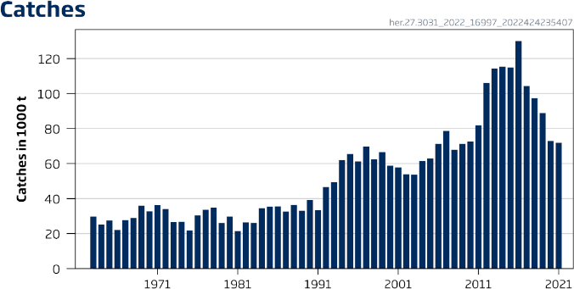
ICES Advice 2022 – her.27.3031 – https://doi.org/10.17895/ices.advice.19447979 ICES advice, as adopted by its Advisory Committee (ACOM), is developed upon request

 |  | 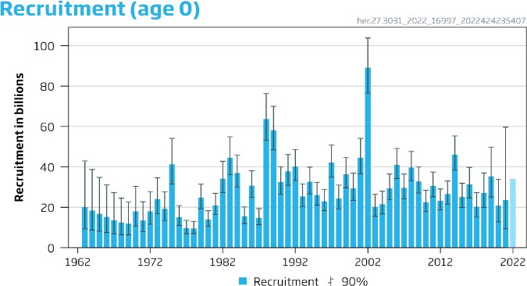
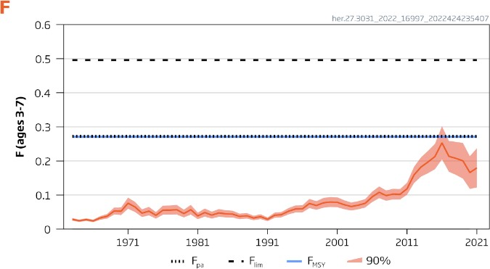
 |  | 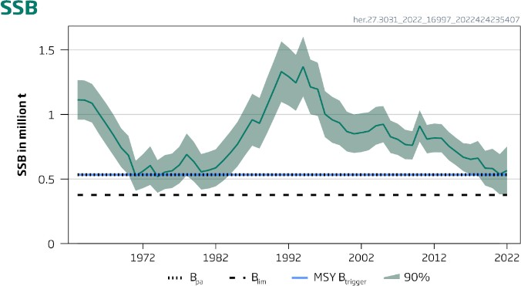
Table 2 Herring in subdivisions 30 and 31. Annual catch scenarios. All weights are in tonnes.

Table 33
Figure 2 Herring in subdivisions 30 and 31. Historical assessment results (final-year recruitment estimates included). The reference points were revised in 2021 following a benchmark, and only assessment results from the last two years should be compared to the reference points indicated. Series shown in the panels are from assessment years 2018, 2021 and 2022, when the stock was category 1.
Issues relevant for the advice
Spawning stock biomass has a decreasing trend since 2010 and in 2022 is estimated to be close to MSY Btrigger. Out of the EU MAP scenarios, only FMSY lower will keep the stock above MSY Btrigger in 2024.
Mean weight-at-age has been at low levels for 15 years, and decreased even further in 2021. The present low state of the body condition of larger herring has not previously been observed in the time series.
Reference points
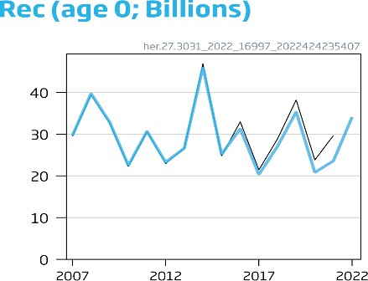
Table 4 Herring in subdivisions 30 and 31. Reference points, values, and their technical basis. Weights are in tonnes.

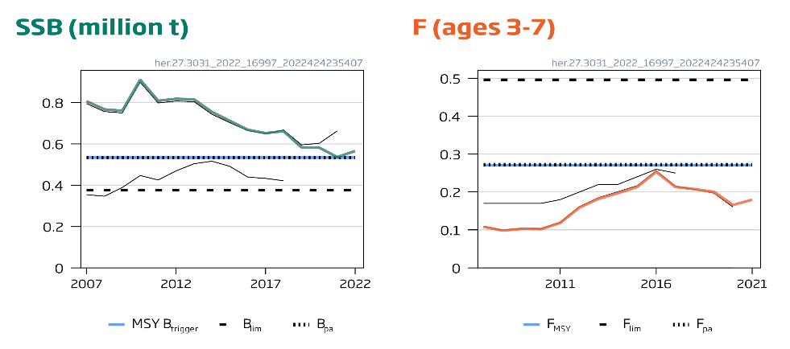
Framework | Reference point | Value | Technical basis | Source
MSY approach | MSY Btrigger | 533,515 | Bpa | ICES (2021a)
 | FMSY | 0.271 | Stochastic simulations (EqSim) with segmented regression fixed at Bpa | ICES (2021b)
Precautionary approach | Blim | 376,571 | Blim = Bpa/exp(1.645 * σ), σ =0.212 (variance in SSB 2020) | ICES (2021a)
 | Bpa | 533,515 | Bpa = Bloss (lowest observed SSB during 1980–2019) | ICES (2021a)
 | Flim | 0.496 | The F that on average leads to Blim from EqSim | ICES (2021b)
 | Fpa | 0.272 | FP05. The F that leads to SSB ≥ Blim with 95% probability | ICES (2021b)
Management plan | MAP MSY Btrigger | 533,515 | MSY Btrigger | ICES (2021a)
 | MAP Blim | 376,571 | Blim | ICES (2021a)
 | MAP FMSY | 0.271 | FMSY | ICES (2021b)
 | MAP target range Flower | 0.206–0.271 | Consistent with the ranges which result in no more than a 5% reduction in long-term yield compared to MSY | ICES (2021b)
 | MAP target range FMSY | 0.271–0.272 | Consistent with the ranges which result in no more than a 5% reduction in long-term yield compared to MSY | ICES (2021b)

