Collection
Of the thirty exploration contracts the ISA has issued to date, at least eighteen are held by only seven countries – China, France, Germany, India, Japan, Russia and South Korea – through their state owned companies or government agencies and ministries. Another seven contracts are effectively in the hands of three private companies: The Metals Company (formerly known as DeepGreen), a privately held Canadian company; UK Seabed Resources, a subsidiary of US based Lockheed Martin; and Global Sea Mineral Resources, a subsidiary of the Belgium company DEME Group.
https://savethehighseas.org/deep-sea-mining/the-main-players/
15 states have taken positions against deep-sea mining in international waters:
Moratorium Alliance: Palau, Fiji, Federated Stated of Micronesia, Samoa
The President of Palau, Surangel Whipps, Jr. launched a new Alliance of Countries Calling for a deep-Sea mining moratorium at the 2022 UN Ocean Conference in Lisbon. Fiji and Samoa were the first countries to join the Alliance, followed by the Federated States of Micronesia.
Moratorium position: New Zealand, The French Polynesian assembly, Switzerland.
Precautionary Pause: Germany, Costa Rica, Chile, Spain, Panama, Ecuador, Vanuatu, Dominican Republic.
Ban: France.
But as we stand together at this crossroads, we know there is another path. It has been shown to us by millions of people worldwide who care deeply about the ocean, and a growing number of States namely Palau, Fiji, Samoa, the Federated States of Micronesia, Costa Rica, Chile, Spain, Ecuador, New Zealand, Germany, Panama and France who want to hit the brakes on deep-sea mining. |  |  |  |  |  |  |  |  | https://www.researchgate.net/publication/358979333_Assessing_plume_impacts_caused_by_polymetallic_nodule_mining_vehicles/link/62568725608dbd278e31651e/download
https://www.bmwk.de/Redaktion/EN/Pressemitteilungen/2022/11/20221101-marine-conservation-germany-will-not-sponsor-deep-sea-mining-until-further-notice.html#:~:text=Germany%20stated%20that%20it%20will,exploitation%20of%20the%20deep%20sea.
if for moratorium - set score to 100
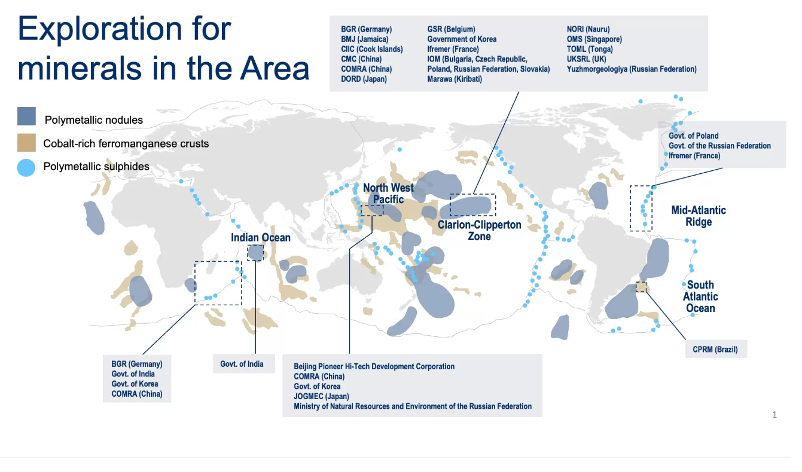
https://www.sciencedirect.com/science/article/pii/S0308597X22004432#ab0010

https://www.isa.org.jm/exploration-contracts/polymetallic-nodules/
Type | Area | Contract Date | End | Extension | State | Contract Area (km2)
Polymetallic nodules contractors | CCZ | 29 Mar 2001 | 28 Mar 2016 | 28 Mar 2026 | Bulgaria, Cuba, the Czech Republic, Poland, the Russian Federation and Slovakia | 75000 | 12500 | per country
Polymetallic nodules contractors | CCZ | 20-Jun-01 | 19-Jun-16 | 19-Jun-21 | France | 75,000
Polymetallic nodules contractors | CCZ | 19-Jul-06 | 18-Jul-21 | 18-Jul-26 | Germany | 74,724
Polymetallic nodules contractors | CCZ | 14-Jan-13 | 13-Jan-28 |  | Belgium | 74,990
Polymetallic nodules contractors | CCZ | 8-Feb-13 | 7-Feb-28 |  | United Kingdom | 58,620
Polymetallic nodules contractors | CCZ | 29 March 2016 | 29 March 2031 |  | United Kingdom | 74,919
Polymetallic sulphides contractors | Mid-Atlantic Ridge | 18-Nov-14 | 17-Nov-29 |  | France | 10,000
Polymetallic sulphides contractors | Central Indian Ocean | 06 May 2015 | 05 May 2030 |  | Germany | 10,000
Polymetallic sulphides contractors | Mid-Atlantic Ridge | 12-Feb-18 | 11-Feb-33 |  | Poland | 10,000
max | 21
 |  |  | max
Country | mining area km2 | EEZ km2 | mining area/EEZ | Score 2023 | Vote for moratorium
Belgium | 74990 | 3489 | 21.49 | 0
Germany | 84724 | 57206 | 1.48 | 100 | yes
Denmark | 0 | 105441 | 0.00 | 100
Estonia | 0 | 36491 | 0.00 | 100
Spain | 0 | 1062623 | 0.00 | 100 | yes
Finland | 0 | 81368 | 0.00 | 100
France | 85000 | 367999 | 0.23 | 100 | yes
Ireland | 0 | 449880 | 0.00 | 100
Lithuania | 0 | 6814 | 0.00 | 100
Latvia | 0 | 29005 | 0.00 | 100
Netherlands | 0 | 62342 | 0.00 | 100
Poland | 22500 | 33130 | 0.68 | 97
Portugal | 0 | 1719936 | 0.00 | 100
Sweden | 0 | 156809 | 0.00 | 100
United Kingdom | 133539 | 724702 | 0.18 | 99

