Notes
ID_HE | TYPE |  |  |  |  |  |  |  | LEGEND
1226_30x26_3R_pa2 |  |  |  |  |  |  |  |  | component/parameter modification
1226_30x26_4R_pa2 | 1226A(50+50)031100020WXX298 |  |  |  |  |  |  |  | component/parameter addition
1535_40x34.6_5R_pa2 |  |  |  |  |  |  |  |  | to be checked
1643_50x43.3_5R_pa2.5

6 EMB FANS CONFIGURATION |  | STANDARD CONFIGURATION |  |  |  |  |  |  |  | 4DK
 |  |  |  |  |  |  |  |  |  | Exchanger performance with hydrophilic calculated as Al reduced by 5%

 |  |  |  |  |  |  |  |  |  | Fan curve manually reduced from 1080 rpm to 1048 rpm
 |  |  |  |  |  |  |  |  |  | The differences with the values from the EBM are here reported

 |  |  |  |  |  |  |  |  |  |  | m3/h | Pa | W | dB | A
 |  |  |  |  |  |  |  |  |  | MANUALLY | 28635.62963 | 0 | 1622.7646664 | 81 | 2.5584127623
 |  |  |  |  |  |  |  |  |  |  | 25287.851852 | 94.161865569 | 1980.9424531 | 78 | 3.0883696916
 |  |  |  |  |  |  |  |  |  |  | 20814.444444 | 188.32373114 | 2298.0028918 | 80 | 3.5543663019
 |  |  |  |  |  |  |  |  |  |  | 14342.074074 | 282.48559671 | 2649.7846466 | 92 | 4.0203629122
 |  |  |  |  |  |  |  |  |  | EBM | 28587 | -2.3883779566 | 1591.5390577 | 80.806029579 | 2.5123920056
 |  |  |  |  |  |  |  |  |  |  | 26126.4 | 70.40026797 | 1876.8355668 | 78.619256026 | 2.92960462
 |  |  |  |  |  |  |  |  |  |  | 21090.8 | 180.1359437 | 2242.6883459 | 79.746029579 | 3.4676056089
 |  |  |  |  |  |  |  |  |  |  | 14065.25 | 283.71345379 | 2678.4014157 | 92.509256026 | 4.1151818136

Kv are considered for a V configuration
For the 6 EBM configuration, the charectirstic curve is insered by halving the values of the flow rates and the absorbed powers

The equation for the adiabatic chamber is COEFF_1*ln(Q_a)+COEFF_2

LONG LAYOUT |  | SHORT LAYOUT
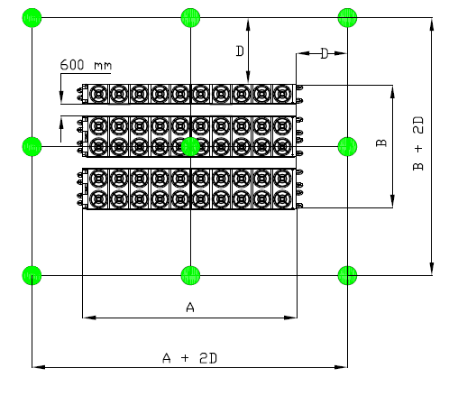

 |  | VIP CURVE UPGRADE FROM VERSION 10

 |  | OLD
 |  | RPM | W | M3/H | PA | DB | A
 |  | 667 | 7416.5 | 98351.5 | 16.7 | 97.8 | 11.22290923
 |  |  | 7907.0 | 70767.6 | 170.7 | 97.8 | 11.961888626
 |  |  | 7992.2 | 48629.9 | 233.2 | 97.8 | 12.093333039
 |  |  | 8205.1 | 15612.7 | 333.9 | 97.8 | 12.418338427
 |  | 485 | 2878.9 | 71515.0 | 8.8 | 90.9 | 4.3062502905
 |  |  | 3080.2 | 51457.7 | 90.2 | 90.9 | 4.6006578942
 |  |  | 3115.1 | 35360.6 | 123.3 | 90.9 | 4.6546087679
 |  |  | 3202.5 | 11352.5 | 176.5 | 90.9 | 4.7841882935
 |  | 380 | 1476.9 | 56032.3 | 5.4 | 85.6 | 2.2298556213
 |  |  | 1579.1 | 40317.4 | 55.4 | 85.6 | 2.3820504486
 |  |  | 1596.8 | 27705.2 | 75.7 | 85.6 | 2.4099200434
 |  |  | 1641.2 | 8894.8 | 108.4 | 85.6 | 2.4792941154
 |  | 199 | 252.1 | 29343.2 | 1.5 | 71.5 | 0.39805514539
 |  |  | 268.8 | 21113.6 | 15.2 | 71.5 | 0.42349457089
 |  |  | 271.7 | 14508.8 | 20.8 | 71.5 | 0.42957469093
 |  |  | 279.0 | 4658.0 | 29.7 | 71.5 | 0.44091335402

 |  | NEW |  | RPM_MAX | 650.0 |  | W_SUB | 750

 |  | RPM | W | M3/H | PA | DB | A
 |  | 650.0 | 6666.5 | 98351.5 | 16.7 | 97.155494505 | 10.087988595
 |  |  | 7157.0 | 70767.6 | 170.7 | 97.155494505 | 10.827275936
 |  |  | 7242.2 | 48629.9 | 233.2 | 97.155494505 | 10.95847856
 |  |  | 7455.1 | 15612.7 | 333.9 | 97.155494505 | 11.28322505
 |  | 472.6 | 2587.8 | 71515.0 | 8.8 | 90.27604769 | 3.8707792185
 |  |  | 2788.0 | 51457.7 | 90.2 | 90.27604769 | 4.1642748951
 |  |  | 2822.8 | 35360.6 | 123.3 | 90.27604769 | 4.217814082
 |  |  | 2909.8 | 11352.5 | 176.5 | 90.27604769 | 4.3468837247
 |  | 370.3 | 1327.5 | 56032.3 | 5.4 | 84.845520886 | 2.0043606889
 |  |  | 1429.3 | 40317.4 | 55.4 | 84.845520886 | 2.1561074764
 |  |  | 1447.0 | 27705.2 | 75.7 | 84.845520886 | 2.1837699369
 |  |  | 1491.2 | 8894.8 | 108.4 | 84.845520886 | 2.2526712115
 |  | 193.9 | 226.6 | 29343.2 | 1.5 | 69.677661169 | 0.3578016791
 |  |  | 243.3 | 21113.6 | 15.2 | 71.5 | 0.3833251353
 |  |  | 246.2 | 14508.8 | 20.8 | 71.5 | 0.38926282981
 |  |  | 253.5 | 4658.0 | 29.7 | 71.5 | 0.40061113088

 |  | kv_frame = 0

