库克
单光线追迹设置0101 |  |  | zemax20.3.2 | CODE V 11.5.27302701 | zemax 18.4.1
codev
Position 1, Wavelength = 587.6 NM
 | X | Y | Z | L | M | N |  |  | index | L/INDEX | M/INDEX | N/index |  | Res_Dir
OBJ | Infinity | Infinity | Infinity | 0.00000000000000E+00 | 3.42020143326120E-01 | 9.39692620785740E-01 | 1 |  | 1 | 0.00000000000000E+00 | 3.42020143326120E-01 | 9.39692620785740E-01 | 1 | 7.77156117237610E-15
1 | 0.00000000000000E+00 | 8.96245343713470E-01 | 1.82521061748600E-02 | 0.00000000000000E+00 | 3.15589897207070E-01 | 1.58938084539682E+00 | 2.6257284549 |  | 1.62041 | 0.00000000000000E+00 | 1.94759287592072E-01 | 9.80851047202140E-01 | 0.9999999569 | 4.30990932942521E-08
2 | 0.00000000000000E+00 | 1.53909372736692E+00 | -2.71802657226000E-03 | 0.00000000000000E+00 | 3.13332312312180E-01 | 9.49643544737240E-01 | 1 |  | 1 | 0.00000000000000E+00 | 3.13332312312180E-01 | 9.49643544737240E-01 | 1 | 7.88258347483861E-15
3 | 0.00000000000000E+00 | 3.43376735157927E+00 | -2.67003581687840E-01 | 0.00000000000000E+00 | 4.09946133326540E-01 | 1.56731433160663E+00 | 2.6245300463 |  | 1.62004 | 0.00000000000000E+00 | 2.53046920647972E-01 | 9.67454094717803E-01 | 1.0000001694 | 1.69435665164919E-07
STO | 0.00000000000000E+00 | 3.86117952192399E+00 | 3.67189572546640E-01 | 0.00000000000000E+00 | 5.48991559560940E-01 | 8.35827893486960E-01 | 1 |  | 1 | 0.00000000000000E+00 | 5.48991559560940E-01 | 8.35827893486960E-01 | 1 | 2.10942374678780E-15
5 | 0.00000000000000E+00 | 6.93901109524106E+00 | 3.02713305137370E-01 | 0.00000000000000E+00 | 4.86952443077460E-01 | 1.54551149239155E+00 | 2.6257284549 |  | 1.62041 | 0.00000000000000E+00 | 3.00511872351726E-01 | 9.53778051475583E-01 | 0.9999999569 | 4.30990992894564E-08
6 | 0.00000000000000E+00 | 7.29810321973954E+00 | -1.50965965315451E+00 | 0.00000000000000E+00 | 2.38686441144250E-01 | 9.71096690764570E-01 | 1 |  | 1 | 0.00000000000000E+00 | 2.38686441144250E-01 | 9.71096690764570E-01 | 1 | 6.32827124036339E-15
IMG | 0.00000000000000E+00 | 1.80434390960290E+01 | 0.00000000000000E+00 | 0.00000000000000E+00 | 2.38686441144250E-01 | 9.71096690764570E-01 | 1 |  | 1 | 0.00000000000000E+00 | 2.38686441144250E-01 | 9.71096690764570E-01 | 1 | 6.32827124036339E-15
OPD = 0.731 Waves | OPD = 0.731 Waves

zemax
表面 | X-坐标 | Y-坐标 | Z-坐标 | X-余弦 | Y-余弦 | Z-余弦 | X-法线 | Y-法线 | Z-法线 | 角 | 路径长度 | 注释 |  | Res_Dir
物面 | Infinity | Infinity | Infinity | 0.00000000000000E+00 | 3.42020143300000E-01 | 9.39692620800000E-01 | - | - | - | - | -
1 | 0.00000000000000E+00 | 8.96245343730000E-01 | 1.82521061750000E-02 | 0.00000000000000E+00 | 1.94732765500000E-01 | 9.80856335100000E-01 | 0 | 0.0407132704 | -0.9991708711 | 22.333343479 | 1.94E-02 |  |  | 6.50816067704341E-11
2 | 0.00000000000000E+00 | 1.53909372740000E+00 | -2.71802657230000E-03 | 0.00000000000000E+00 | 3.13287387600000E-01 | 9.49658366400000E-01 | 0 | -0.0035319722 | -0.9999937626 | 11.026745407 | 3.30E+00 |  |  | 1.02749364572219E-10
3 | 0.00000000000000E+00 | 3.43376735160000E+00 | -2.67003581690000E-01 | 0.00000000000000E+00 | 2.53035756100000E-01 | 9.67456927300000E-01 | 0 | -0.1545817541 | -0.9879800005 | 9.364915687 | 6.05E+00 |  |  | 4.58560966976052E-11
4 | 0.00000000000000E+00 | 3.86117952190000E+00 | 3.67189572550000E-01 | 0.00000000000000E+00 | 5.48991559600000E-01 | 8.35827893500000E-01 | 0 | 0.1867645476 | -0.9824047047 | 25.421252377 | 1.69E+00 |  |  | 6.46875886189946E-11
5 | 0.00000000000000E+00 | 6.93901109520000E+00 | 3.02713305140000E-01 | 0.00000000000000E+00 | 3.00511878800000E-01 | 9.53778072000000E-01 | 0 | 0.0870858761 | -0.9962008082 | 38.293838874 | 5.61E+00 |  |  | 7.20569159895490E-11
6 | 0.00000000000000E+00 | 7.29810321970000E+00 | -1.50965965320000E+00 | 0.00000000000000E+00 | 2.38686441100000E-01 | 9.71096690800000E-01 | 0 | -0.3967366819 | -0.9179324622 | 5.885980229 | 1.19E+00 |  |  | 4.76946260263844E-11
7 | 0.00000000000000E+00 | 1.80434390960000E+01 | 0.00000000000000E+00 | 0.00000000000000E+00 | 2.38686441100000E-01 | 9.71096690800000E-01 | 0 | 0 | -1 | 13.809026025 | 4.50E+01 |  |  | 4.76946260263844E-11

error |  |  |  |  | 改之后的数据误差
OBJ |  |  |  | 0 | 2.6119995056E-11 | -1.4260037595E-11
1 | 0 | -1.6529999591E-11 | -1.4000259285E-13 | 0 | 2.6522092072E-05 | -5.2878978598E-06
2 | 0 | -3.3079983197E-11 | 4.0000121271E-14 | 0 | 4.492471218E-05 | -1.482166276E-05
3 | 0 | -2.0729640227E-11 | 2.1599944056E-12 | 0 | 1.1164547972E-05 | -2.8325821967E-06
STO | 0 | 2.3990143205E-11 | -3.3600344729E-12 | 0 | -3.9059977475E-11 | -1.3040013513E-11
5 | 0 | 4.1060488343E-11 | -2.630007323E-12 | 0 | -6.4482741924E-09 | -2.05244165E-08
6 | 0 | 3.9539926888E-11 | 4.5490056166E-11 | 0 | 4.4249992559E-11 | -3.5430103296E-11
IMG | 0 | 2.900080176E-11 | 0 | 0 | 4.4249992559E-11 | -3.5430103296E-11

SeeOD
表面 | X-坐标 | Y-坐标 | Z-坐标 | X-余弦 | Y-余弦 | Z-余弦 |  |  |  |  |  |  |  | Res_Dir
物面 | Infinity | Infinity | Infinity | 0.00000000000000E+00 | 3.42020143325669E-01 | 9.39692620785908E-01 |  |  |  |  |  |  |  | 5.5511151231E-16
1 | 0.00000000000000E+00 | 8.96245343719314E-01 | 1.82521061750993E-02 | 0.00000000000000E+00 | 1.94732765534811E-01 | 9.80856335059913E-01 |  |  |  |  |  |  |  | 1.1102230246E-16
2 | 0.00000000000000E+00 | 1.53909372737139E+00 | -2.71802657227438E-03 | 0.00000000000000E+00 | 3.13287387580247E-01 | 9.49658366352418E-01 |  |  |  |  |  |  |  | 7.7715611724E-16
3 | 0.00000000000000E+00 | 3.43376735157949E+00 | -2.67003581687876E-01 | 0.00000000000000E+00 | 2.53035756137079E-01 | 9.67456927266603E-01 |  |  |  |  |  |  |  | 5.5511151231E-16
4 | 0.00000000000000E+00 | 3.86117952192350E+00 | 3.67189572546543E-01 | 0.00000000000000E+00 | 5.48991559560237E-01 | 8.35827893487421E-01 |  |  |  |  |  |  |  | 8.881784197E-16
5 | 0.00000000000000E+00 | 6.93901109523458E+00 | 3.02713305136798E-01 | 0.00000000000000E+00 | 3.00511878827235E-01 | 9.53778072029193E-01 |  |  |  |  |  |  |  | 7.7715611724E-16
6 | 0.00000000000000E+00 | 7.29810321973355E+00 | -1.50965965315192E+00 | 0.00000000000000E+00 | 2.38686441143824E-01 | 9.71096690764671E-01 |  |  |  |  |  |  |  | 8.881784197E-16
7 | 0.00000000000000E+00 | 1.80434390960022E+01 | 0.00000000000000E+00 | 0.00000000000000E+00 | 2.38686441143824E-01 | 9.71096690764672E-01

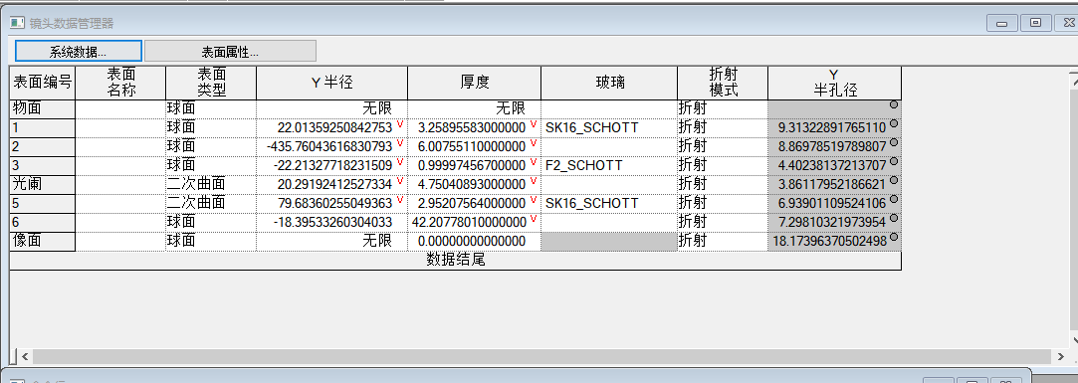

 | avg_cooke_our_res = 6.60893340515044e-14
 | avg_cooke_zem_res = 3.23789055423751e-10 |  |  | Ours_inter | zemax_inter | code v_inter
 | avg_cooke_cod_res = 3.02481341679349e-10 |  | Cooke | 6.61E-14 | 3.24E-10 | 3.02E-10
 | avg_our_cos_res = 8.08876775084043e-16 |  | Double Gauss | 1.34E-12 | 6.58E-09 | 3.89E-09
 | avg_zem_cos_res = 6.49637169455478e-11
 | avg_cod_cos_res = 3.65191270239913e-08
 |  |  |  | Ours_Dir | zemax_Dir | code v_Dir
 |  |  | Cooke | 8.09E-16 | 6.50E-11 | 3.65E-08
 |  |  | Double Gauss | 4.36E-16 | 4.49E-11 | 1.12E-07
 | avg_d_gauss_our_res = 1.33857433420234e-12
 | avg_d_gauss_zem_res = 6.58152535791928e-09
 | avg_d_gauss_cod_res = 3.89108965348787e-09
 |  |  |  | avg_ours_inter_res | 7.02E-13
 | our_avg_d_gauss_cos_res = 4.35549032737561e-16 |  |  | avg_ours_cos_res | 6.22E-16
 | zem_avg_d_gauss_cos_res = 4.49444157104914e-11
 | cod_avg_d_gauss_cos_res = 1.11745468365744e-07 |  |  | avg_zemax_code_v_inter_res | 2.77E-09
 |  |  |  | avg_zemax_code_v_cos_res | 3.71E-08

双高斯
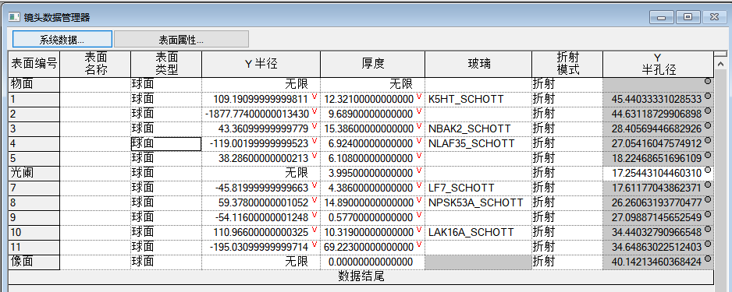
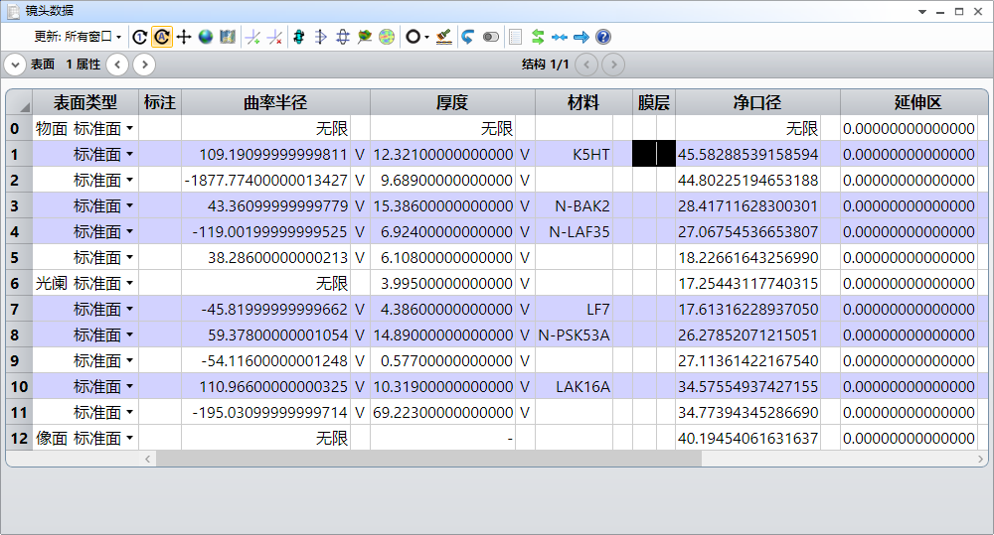
单光线追迹设置0101
codev
RSI W2 F3 0 1-(VUY F3)
Position 1, Wavelength = 587.6 NM
 | X | Y | Z | L | M | N |  |  | index | L/INDEX | M/INDEX | N/INDEX |  | Res_Dir(L,M,N)
OBJ | Infinity | Infinity | Infinity | 0.00000000000000E+00 | 3.82683432367230E-01 | 9.23879532510400E-01 |  |  | 1 | 0.00000000000000E+00 | 3.82683432367230E-01 | 9.23879532510400E-01 | 1 | 4.44089209850063E-16
1 | 0.00000000000000E+00 | 4.82223932797666E+00 | 1.06535070919860E-01 | 0.00000000000000E+00 | 3.58110981994340E-01 | 1.47973593419755E+00 |  |  | 1.522453 | 0.00000000000000E+00 | 2.35219728946864E-01 | 9.71941947762952E-01 | 0.99999947071 | 5.29292922379909E-07
2 | 0.00000000000000E+00 | 7.77436785393323E+00 | -1.60938042966800E-02 | 0.00000000000000E+00 | 3.55853747001390E-01 | 9.34541658111110E-01 |  |  | 1 | 0.00000000000000E+00 | 3.55853747001390E-01 | 9.34541658111110E-01 | 1 | 7.88258347483861E-15
3 | 0.00000000000000E+00 | 1.21289551157609E+01 | 1.73090549134139E+00 | 0.00000000000000E+00 | 1.82631057101880E-01 | 1.52909220947638E+00 |  |  | 1.53996 | 0.00000000000000E+00 | 1.18594675901894E-01 | 9.92942809862841E-01 | 1.0000001208 | 1.20810588311038E-07
4 | 0.00000000000000E+00 | 1.36658557902698E+01 | -7.87278456870950E-01 | 0.00000000000000E+00 | 2.05982163739060E-01 | 1.73108794331131E+00 |  |  | 1.7433 | 0.00000000000000E+00 | 1.18156464027454E-01 | 9.92994862221826E-01 | 0.99999974639 | 2.53609584999204E-07
5 | 0.00000000000000E+00 | 1.49448309329483E+01 | 3.03731457223400E+00 | 0.00000000000000E+00 | 6.01096448777870E-01 | 7.99176488184330E-01 |  |  | 1 | 0.00000000000000E+00 | 6.01096448777870E-01 | 7.99176488184330E-01 | 1 | 4.99600361081320E-15
STO | 0.00000000000000E+00 | 1.72544310441047E+01 | 0.00000000000000E+00 | 0.00000000000000E+00 | 6.01096448777870E-01 | 7.99176488184330E-01 |  |  | 1 | 0.00000000000000E+00 | 6.01096448777870E-01 | 7.99176488184330E-01 | 1 | 4.99600361081320E-15
7 | 0.00000000000000E+00 | 1.76117704386237E+01 | -3.51990612283235E+00 | 0.00000000000000E+00 | 8.26558754621000E-01 | 1.34069369317872E+00 |  |  | 1.575011 | 0.00000000000000E+00 | 5.24795544044454E-01 | 8.51228145821661E-01 | 0.99999971929 | 2.80712102451730E-07
8 | 0.00000000000000E+00 | 2.62606319377047E+01 | 6.12270829830589E+00 | 0.00000000000000E+00 | 7.91911056918270E-01 | 1.41095754868413E+00 |  |  | 1.618 | 0.00000000000000E+00 | 4.89438230481007E-01 | 8.72038039977831E-01 | 1.0000001246 | 1.24624756181468E-07
9 | 0.00000000000000E+00 | 2.70988714565254E+01 | -7.27379016973164E+00 | 0.00000000000000E+00 | 4.82401772913890E-01 | 8.75950072486740E-01 |  |  | 1 | 0.00000000000000E+00 | 4.82401772913890E-01 | 8.75950072486740E-01 | 1 | 1.07691633388640E-14
10 | 0.00000000000000E+00 | 3.44403279096654E+01 | 5.47990153449246E+00 | 0.00000000000000E+00 | 2.06446540888310E-01 | 1.72116388270004E+00 |  |  | 1.733501 | 0.00000000000000E+00 | 1.19092253704099E-01 | 9.92883120748151E-01 | 0.99999985636 | 1.43641091687741E-07
11 | 0.00000000000000E+00 | 3.46486302251240E+01 | -3.10246281878090E+00 | 0.00000000000000E+00 | 7.57371720531600E-02 | 9.97127815663260E-01 |  |  | 1 | 0.00000000000000E+00 | 7.57371720531600E-02 | 9.97127815663260E-01 | 1 | 5.66213742558830E-15
IMG | 0.00000000000000E+00 | 4.01421346036842E+01 | 0.00000000000000E+00 | 0.00000000000000E+00 | 7.57371720531600E-02 | 9.97127815663260E-01 |  |  | 1 | 0.00000000000000E+00 | 7.57371720531600E-02 | 9.97127815663260E-01 | 1 | 5.66213742558830E-15
OPD = -35.998 Waves

zemax
表面 | X-坐标 | Y-坐标 | Z-坐标 | X-余弦 | Y-余弦 | Z-余弦 | X-法线 | Y-法线 | Z-法线 | 角 | 路径长度 | 注释 |  | Res_Dir(L,M,N)
物面 | Infinity | Infinity | Infinity | 0.00000000000000E+00 | 3.82683432400000E-01 | 9.23879532500000E-01 | - | - | - | - | - |  |  | 5.86386494916269E-12
1 | 0.00000000000000E+00 | 4.82223932400000E+00 | 1.06535070740000E-01 | 0.00000000000000E+00 | 2.35219791200000E-01 | 9.71942205000000E-01 | 0 | 0.0441633406 | -0.9990243237 | 25.031196289 | 1.15E-01 |  |  | 3.24336113521895E-11
2 | 0.00000000000000E+00 | 7.77436785010000E+00 | -1.60938042810000E-02 | 0.00000000000000E+00 | 3.55853747000000E-01 | 9.34541658100000E-01 | 0 | -0.0041402042 | -0.9999914293 | 13.367362157 | 1.26E+01 |  |  | 2.17627027510048E-11
3 | 0.00000000000000E+00 | 1.21289551120000E+01 | 1.73090549020000E+00 | 0.00000000000000E+00 | 1.18594668800000E-01 | 9.92942749900000E-01 | 0 | 0.2797203734 | -0.9600815136 | 37.089294066 | 1.22E+01 |  |  | 4.67555993921565E-11
4 | 0.00000000000000E+00 | 1.36658557870000E+01 | -7.87278456510000E-01 | 0.00000000000000E+00 | 1.18156479100000E-01 | 9.92994988100000E-01 | 0 | -0.1148371942 | -0.9933843258 | 0.216769111 | 1.30E+01 |  |  | 5.49721379528023E-11
5 | 0.00000000000000E+00 | 1.49448309300000E+01 | 3.03731457100000E+00 | 0.00000000000000E+00 | 6.01096448800000E-01 | 7.99176488200000E-01 | 0 | 0.3903471486 | -0.9206677488 | 29.761821387 | 1.08E+01 |  |  | 5.16556797336420E-11
6 | 0.00000000000000E+00 | 1.72544310420000E+01 | 0.00000000000000E+00 | 0.00000000000000E+00 | 6.01096448800000E-01 | 7.99176488200000E-01 | 0 | 0 | -1 | 36.94846543 | 3.84E+00 |  |  | 5.16556797336420E-11
7 | 0.00000000000000E+00 | 1.76117704370000E+01 | -3.51990612220000E+00 | 0.00000000000000E+00 | 5.24795617700000E-01 | 8.51228265300000E-01 | 0 | -0.3843686259 | -0.9231797005 | 14.34391605 | 5.94E-01 |  |  | 2.77167178097670E-12
8 | 0.00000000000000E+00 | 2.62606319340000E+01 | 6.12270829650000E+00 | 0.00000000000000E+00 | 4.89438200000000E-01 | 8.72037985600000E-01 | 0 | 0.4422619814 | -0.8968859123 | 57.902779106 | 1.65E+01 |  |  | 5.14541742546726E-11
9 | 0.00000000000000E+00 | 2.70988714540000E+01 | -7.27379016860000E+00 | 0.00000000000000E+00 | 4.82401772900000E-01 | 8.75950072500000E-01 | 0 | -0.5007552564 | -0.865588917 | 0.746317176 | 1.71E+00 |  |  | 9.81847936287750E-12
10 | 0.00000000000000E+00 | 3.44403279060000E+01 | 5.47990153340000E+00 | 0.00000000000000E+00 | 1.19092262300000E-01 | 9.92883192100000E-01 | 0 | 0.3103682921 | -0.9506163912 | 46.923810309 | 1.52E+01 |  |  | 9.44174738393144E-11
11 | 0.00000000000000E+00 | 3.46486302220000E+01 | -3.10246281820000E+00 | 0.00000000000000E+00 | 7.57371721000000E-02 | 9.97127815700000E-01 | 0 | -0.1776570403 | -0.9840924632 | 3.393601307 | 1.75E+00 |  |  | 8.03581645669738E-11
12 | 0.00000000000000E+00 | 4.01421346030000E+01 | 0.00000000000000E+00 | 0.00000000000000E+00 | 7.57371721000000E-02 | 9.97127815700000E-01 | 0 | 0 | -1 | 4.34357963 | 7.25E+01 |  |  | 8.03581645669738E-11

SeeOD
表面 | X-坐标 | Y-坐标 | Z-坐标 | X-余弦 | Y-余弦 | Z-余弦 |  |  |  |  |  |  |  | Res_Dir(L,M,N)
物面 | Infinity | Infinity | Infinity | 0.00000000000000E+00 | 3.82683432365090E-01 | 9.23879532511287E-01 | 0 |  |  |  |  |  |  | 5.55111512312578E-16
1 | 0.00000000000000E+00 | 4.82223932918447E+00 | 1.06535070973254E-01 | 0.00000000000000E+00 | 2.35219791191466E-01 | 9.71942204985381E-01 | 1 |  |  |  |  |  |  | 1.22124532708767E-15
2 | 0.00000000000000E+00 | 7.77436785505405E+00 | -1.60938043013221E-02 | 0.00000000000000E+00 | 3.55853746992709E-01 | 9.34541658114420E-01 | 2 |  |  |  |  |  |  | 4.44089209850063E-16
3 | 0.00000000000000E+00 | 1.21289551168869E+01 | 1.73090549166942E+00 | 0.00000000000000E+00 | 1.18594668721220E-01 | 9.92942749885865E-01 | 3 |  |  |  |  |  |  | 6.66133814775094E-16
4 | 0.00000000000000E+00 | 1.36658557911223E+01 | -7.87278456969489E-01 | 0.00000000000000E+00 | 1.18156478996143E-01 | 9.92994988140038E-01 | 4 |  |  |  |  |  |  | 1.11022302462516E-16
5 | 0.00000000000000E+00 | 1.49448309336952E+01 | 3.03731457255065E+00 | 0.00000000000000E+00 | 6.01096448777757E-01 | 7.99176488184412E-01 | 5 |  |  |  |  |  |  | 2.22044604925031E-16
6 | 0.00000000000000E+00 | 1.72544310446127E+01 | 0.00000000000000E+00 | 0.00000000000000E+00 | 6.01096448777757E-01 | 7.99176488184412E-01 | 6 |  |  |  |  |  |  | 2.22044604925031E-16
7 | 0.00000000000000E+00 | 1.76117704390105E+01 | -3.51990612299338E+00 | 0.00000000000000E+00 | 5.24795617705561E-01 | 8.51228265294944E-01 | 7 |  |  |  |  |  |  | 8.88178419700125E-16
8 | 0.00000000000000E+00 | 2.62606319384966E+01 | 6.12270829869635E+00 | 0.00000000000000E+00 | 4.89438199984521E-01 | 8.72037985638190E-01 | 8 |  |  |  |  |  |  | 1.11022302462516E-16
9 | 0.00000000000000E+00 | 2.70988714569605E+01 | -7.27379016998329E+00 | 0.00000000000000E+00 | 4.82401772911417E-01 | 8.75950072488108E-01 | 9 |  |  |  |  |  |  | 0.00000000000000E+00
10 | 0.00000000000000E+00 | 3.44403279103049E+01 | 5.47990153470123E+00 | 0.00000000000000E+00 | 1.19092262252746E-01 | 9.92883192058121E-01 | 10 |  |  |  |  |  |  | 5.55111512312578E-16
11 | 0.00000000000000E+00 | 3.46486302257174E+01 | -3.10246281888801E+00 | 0.00000000000000E+00 | 7.57371720428002E-02 | 9.97127815664050E-01 | 11 |  |  |  |  |  |  | 3.33066907387547E-16
12 | 0.00000000000000E+00 | 4.01421346035301E+01 | 0.00000000000000E+00 | 0.00000000000000E+00 | 7.57371720428003E-02 | 9.97127815664050E-01 | 12 |  |  |  |  |  |  | 3.33066907387547E-16

