TPN#1 - DEL_AT
 |  |  |  | AT |  |  |  |  |  |  |  |  |  |  | Expected (normalized) |  |  |  |  | Calculated |  |  |  |  |  | GA Calculated Function
 | Domain | Ecosystem | Language | VL | L | M | H | VH | Mode | VL | L | M | H | VH | VL | L | M | H | VH | VL | L | M | H | VH | Brier Score | Function Type | WMEAN
Test | VH | VH | VL | Improbable | Uncertain | Fifty-fifty | Expected | Improbable | H | 15 | 25 | 50 | 75 | 15 | 0,08333333333 | 0,1388888889 | 0,2777777778 | 0,4166666667 | 0,08333333333 | 0.1119 | 0.2148 | 0.2787 | 0.2468 | 0.1479 | 0.0079 | Weights | [4, 2, 5]
Test | VH | VL | VH | Impossible | Improbable | Uncertain | Expected | Probable | VH | 0 | 15 | 25 | 75 | 85 | 0 | 0,075 | 0,125 | 0,375 | 0,425 | 0.0410 | 0.1180 | 0.2350 | 0.3160 | 0.2900 | 0.0075 | Variance | 0.1
Test | VH | VL | VL | Expected | Probable | Certain | Fifty-fifty | Uncertain | M | 75 | 85 | 100 | 50 | 25 | 0,223880597 | 0,2537313433 | 0,2985074627 | 0,1492537313 | 0,07462686567 | 0.1908 | 0.2757 | 0.2707 | 0.1808 | 0.0819 | 0.0007
Test | VL | VH | VH | Fifty-fifty | Uncertain | Probable | Probable | Probable | M | 50 | 25 | 85 | 85 | 85 | 0,1515151515 | 0,07575757576 | 0,2575757576 | 0,2575757576 | 0,2575757576 | 0.0820 | 0.1810 | 0.2710 | 0.2760 | 0.1900 | 0.0042
Test | VL | VH | VL | Fifty-fifty | Expected | Probable | Uncertain | Impossible | M | 50 | 75 | 85 | 25 | 0 | 0,2127659574 | 0,3191489362 | 0,3617021277 | 0,1063829787 | 0 | 0.2900 | 0.3170 | 0.2350 | 0.1180 | 0.0400 | 0.0048
Test | VL | VL | VH | Fifty-fifty | Fifty-fifty | Expected | Probable | Improbable | H | 50 | 50 | 75 | 85 | 15 | 0,1818181818 | 0,1818181818 | 0,2727272727 | 0,3090909091 | 0,05454545455 | 0.1480 | 0.2470 | 0.2790 | 0.2140 | 0.1120 | 0.0036
Validation | VL | VL | M | Expected | Probable | Certain | Fifty-fifty | Improbable | M | 75 | 85 | 100 | 50 | 15 | 0,2307692308 | 0,2615384615 | 0,3076923077 | 0,1538461538 | 0,04615384615 | 0.2637 | 0.3087 | 0.2458 | 0.1329 | 0.0490 | 0.0015
Validation | VH | M | VH | Improbable | Uncertain | Expected | Probable | Certain | VH | 15 | 25 | 75 | 85 | 100 | 0,05 | 0,08333333333 | 0,25 | 0,2833333333 | 0,3333333333 | 0.0270 | 0.0920 | 0.2110 | 0.3260 | 0.3440 | 0.0008
 |  |  |  | AT ordinal scale legend (0–100, %) |  |  |  |  |  |  |  |  |  |  |  |  |  |  |  |  |  |  |  | MEAN | 0.0039
 |  |  |  | Certain: 100; Probable: 85; Expected: 75; Fifty-fifty: 50; Uncertain: 25; Improbable: 15; Impossible: 0. |  |  |  |  |  |  |  |  |  |  |  |  |  |  |  |  |  |  |  | STD DEV | 0.0028

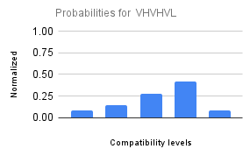
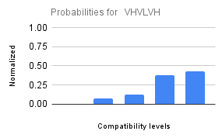
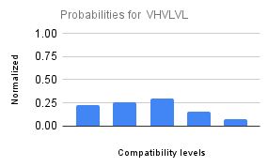
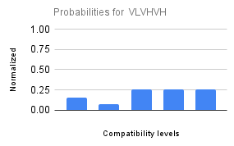
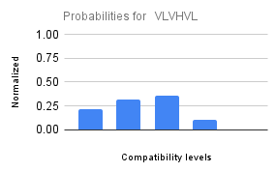
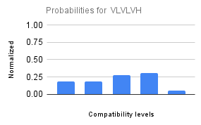
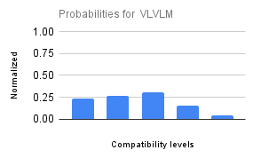
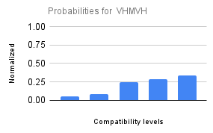
 | Scenario-wise AT probability distribution:

TPN#2 - AC
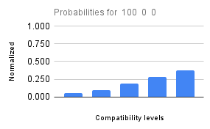
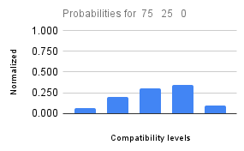
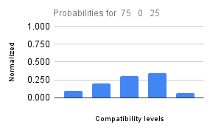
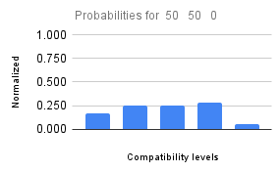
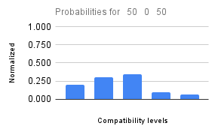
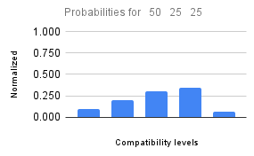
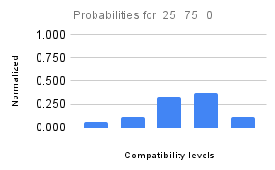
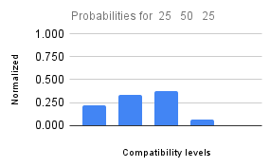
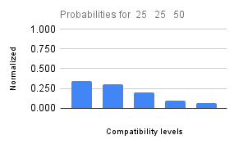
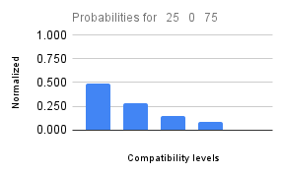
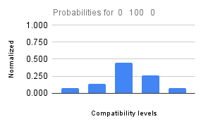
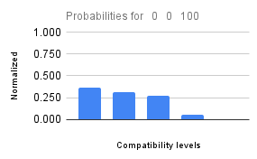
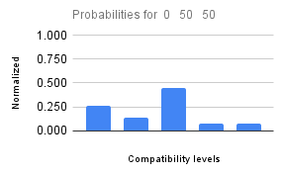
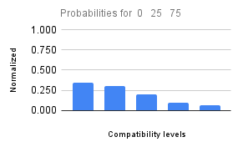
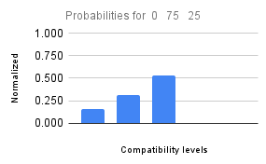
 | Original inputs |  |  | Discretized Inputs |  |  |  |  | AC |  |  |  |  |  |  |  |  |  |  | Expected (normalized) |  |  |  |  | Calculated |  |  |  |  |  | GA Calculated Function
 | % VH | % M | % VL | PC_VH | PC_H | PC_M | PC_L | PC_VL | VL | L | M | H | VH | Mode | VL | L | M | H | VH | VL | L | M | H | VH | VL | L | M | H | VH | Brier Score | Function Type | WMAX
Test | 100 | 0 | 0 | VH | VL | VL | VL | VL | Improbable | Uncertain | Fifty-fifty | Expected | Certain | VH | 15 | 25 | 50 | 75 | 100 | 0,057 | 0,094 | 0,189 | 0,283 | 0,377 | 0.1080 | 0.2110 | 0.2790 | 0.2500 | 0.1520 | 0.0152 | Weights | [5, 4, 5, 4, 1]
Test | 75 | 25 | 0 | H | VL | L | VL | VL | Improbable | Fifty-fifty | Expected | Probable | Uncertain | H | 15 | 50 | 75 | 85 | 25 | 0,060 | 0,200 | 0,300 | 0,340 | 0,100 | 0.1528 | 0.2498 | 0.2787 | 0.2108 | 0.1079 | 0.0057 | Variance | 0.1
Test | 75 | 0 | 25 | H | VL | VL | VL | L | Uncertain | Fifty-fifty | Expected | Probable | Improbable | H | 25 | 50 | 75 | 85 | 15 | 0,100 | 0,200 | 0,300 | 0,340 | 0,060 | 0.1528 | 0.2498 | 0.2787 | 0.2108 | 0.1079 | 0.0049
Test | 50 | 50 | 0 | M | VL | M | VL | VL | Fifty-fifty | Expected | Expected | Probable | Improbable | H | 50 | 75 | 75 | 85 | 15 | 0,167 | 0,250 | 0,250 | 0,283 | 0,050 | 0.2062 | 0.2843 | 0.2663 | 0.1702 | 0.0731 | 0.0032
Test | 50 | 0 | 50 | M | VL | VL | VL | M | Fifty-fifty | Expected | Probable | Uncertain | Improbable | M | 50 | 75 | 85 | 25 | 15 | 0,200 | 0,300 | 0,340 | 0,100 | 0,060 | 0.2062 | 0.2843 | 0.2663 | 0.1702 | 0.0731 | 0.0022
Test | 50 | 25 | 25 | M | VL | L | VL | L | Uncertain | Fifty-fifty | Expected | Probable | Improbable | H | 25 | 50 | 75 | 85 | 15 | 0,100 | 0,200 | 0,300 | 0,340 | 0,060 | 0.2060 | 0.2840 | 0.2670 | 0.1700 | 0.0730 | 0.0097
Test | 25 | 75 | 0 | L | VL | H | VL | VL | Improbable | Uncertain | Expected | Probable | Uncertain | H | 15 | 25 | 75 | 85 | 25 | 0,067 | 0,111 | 0,333 | 0,378 | 0,111 | 0.1528 | 0.2498 | 0.2787 | 0.2108 | 0.1079 | 0.0115
Test | 25 | 50 | 25 | L | VL | M | VL | L | Fifty-fifty | Expected | Probable | Improbable | Impossible | M | 50 | 75 | 85 | 15 | 0 | 0,222 | 0,333 | 0,378 | 0,067 | 0,000 | 0.2060 | 0.2840 | 0.2670 | 0.1700 | 0.0730 | 0.0062
Test | 25 | 25 | 50 | L | VL | L | VL | M | Probable | Expected | Fifty-fifty | Uncertain | Improbable | VL | 85 | 75 | 50 | 25 | 15 | 0,340 | 0,300 | 0,200 | 0,100 | 0,060 | 0.2660 | 0.3100 | 0.2450 | 0.1310 | 0.0480 | 0.0017
Test | 25 | 0 | 75 | L | VL | VL | VL | H | Probable | Fifty-fifty | Uncertain | Improbable | Impossible | VL | 85 | 50 | 25 | 15 | 0 | 0,486 | 0,286 | 0,143 | 0,086 | 0,000 | 0.2660 | 0.3100 | 0.2450 | 0.1310 | 0.0480 | 0.0127
Test | 0 | 100 | 0 | VL | VL | VH | VL | VL | Improbable | Uncertain | Probable | Fifty-fifty | Improbable | M | 15 | 25 | 85 | 50 | 15 | 0,079 | 0,132 | 0,447 | 0,263 | 0,079 | 0.1080 | 0.2110 | 0.2790 | 0.2500 | 0.1520 | 0.0082
Test | 0 | 0 | 100 | VL | VL | VL | VL | VH | Certain | Probable | Expected | Improbable | Impossible | VL | 100 | 85 | 75 | 15 | 0 | 0,364 | 0,309 | 0,273 | 0,055 | 0,000 | 0.2797 | 0.3137 | 0.2388 | 0.1239 | 0.0440 | 0.0030
Validation | 0 | 50 | 50 | VL | VL | M | VL | M | Fifty-fifty | Uncertain | Probable | Improbable | Improbable | M | 50 | 25 | 85 | 15 | 15 | 0,263 | 0,132 | 0,447 | 0,079 | 0,079 | 0.2062 | 0.2843 | 0.2663 | 0.1702 | 0.0731 | 0.0135
Validation | 0 | 25 | 75 | VL | VL | L | VL | H | Probable | Expected | Fifty-fifty | Uncertain | Improbable | L | 85 | 75 | 50 | 25 | 15 | 0,340 | 0,300 | 0,200 | 0,100 | 0,060 | 0.2660 | 0.3100 | 0.2450 | 0.1310 | 0.0480 | 0.0017
Validation | 0 | 75 | 25 | VL | VL | H | VL | L | Uncertain | Fifty-fifty | Probable | Impossible | Impossible | M | 25 | 50 | 85 | 0 | 0 | 0,156 | 0,313 | 0,531 | 0 | 0 | 0.1528 | 0.2498 | 0.2787 | 0.2108 | 0.1079 | 0.0247
 |  |  |  |  |  |  |  |  | AT ordinal scale legend (0–100, %) |  |  |  |  |  |  |  |  |  |  |  |  |  |  |  |  |  |  |  | MEAN | 0.0083
 |  |  |  |  |  |  |  |  | Certain: 100; Probable: 85; Expected: 75; Fifty-fifty: 50; Uncertain: 25; Improbable: 15; Impossible: 0. |  |  |  |  |  |  |  |  |  |  |  |  |  |  |  |  |  |  |  | STD DEV | 0.0064

 | Scenario-wise AT probability distribution (% VH % M % VL):

TPN#3 - AE
 |  |  | AE |  |  |  |  |  | AE |  |  |  |  | Expected (normalized) |  |  |  |  | Calculated |  |  |  |  |  | GA Calculated Function
 | AT | AC | VL | L | M | H | VH | Mode | VL | L | M | H | VH | VL | L | M | H | VH | VL | L | M | H | VH | Brier Score | Function Type | WMIN
Test | VL | VH | Probable | Certain | Probable | Uncertain | Improbable | L | 85 | 100 | 85 | 25 | 15 | 0,2741935484 | 0,3225806452 | 0,2741935484 | 0,08064516129 | 0,04838709677 | 0.2513 | 0.3043 | 0.2513 | 0.1401 | 0.0531 | 0.0010 | Weights | [3, 2]
Test | VH | VL | Fifty-fifty | Expected | Certain | Fifty-fifty | Improbable | M | 50 | 75 | 100 | 50 | 15 | 0,1724137931 | 0,2586206897 | 0,3448275862 | 0,1724137931 | 0,05172413793 | 0.2060 | 0.2840 | 0.2670 | 0.1700 | 0.0730 | 0.0017 | Variance | 0.1
Test | VL | VL | Certain | Certain | Probable | Improbable | Impossible | VL | 100 | 100 | 85 | 15 | 0 | 0,3333333333 | 0,3333333333 | 0,2833333333 | 0,05 | 0 | 0.4154 | 0.3353 | 0.1762 | 0.0601 | 0.0130 | 0.0037
Test | VH | VH | Impossible | Improbable | Expected | Probable | Certain | VH | 0 | 15 | 75 | 85 | 100 | 0 | 0,05454545455 | 0,2727272727 | 0,3090909091 | 0,3636363636 | 0.0140 | 0.0609 | 0.1768 | 0.3347 | 0.4136 | 0.0025
Test | VL | M | Fifty-fifty | Expected | Probable | Uncertain | Improbable | M | 50 | 75 | 85 | 25 | 15 | 0,2 | 0,3 | 0,34 | 0,1 | 0,06 | 0.3237 | 0.3237 | 0.2198 | 0.1009 | 0.0320 | 0.0062
Test | M | VL | Fifty-fifty | Fifty-fifty | Uncertain | Improbable | Impossible | VL | 50 | 50 | 25 | 15 | 0 | 0,3571428571 | 0,3571428571 | 0,1785714286 | 0,1071428571 | 0 | 0.2990 | 0.3190 | 0.2310 | 0.1130 | 0.0380 | 0.0018
Validation | VH | M | Uncertain | Fifty-fifty | Expected | Probable | Certain | VH | 25 | 50 | 75 | 85 | 100 | 0,07462686567 | 0,1492537313 | 0,223880597 | 0,2537313433 | 0,2985074627 | 0.0739 | 0.1698 | 0.2667 | 0.2837 | 0.2058 | 0.0024
Validation | M | VH | Uncertain | Expected | Expected | Probable | Probable | H | 25 | 75 | 75 | 85 | 85 | 0,07246376812 | 0,2173913043 | 0,2173913043 | 0,2463768116 | 0,2463768116 | 0.0860 | 0.1850 | 0.2720 | 0.2720 | 0.1850 | 0.0017
 |  |  | AE ordinal scale legend (0–100, %) |  |  |  |  |  |  |  |  |  |  |  |  |  |  |  |  |  |  |  | MEAN | 0.0026
 |  |  | Certain: 100; Probable: 85; Expected: 75; Fifty-fifty: 50; Uncertain: 25; Improbable: 15; Impossible: 0. |  |  |  |  |  |  |  |  |  |  |  |  |  |  |  |  |  |  |  | STD DEV | 0.0016

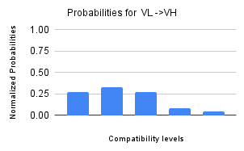
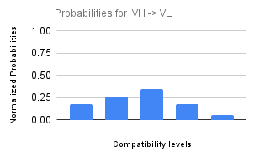
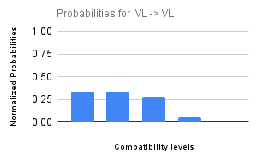
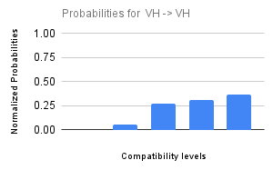
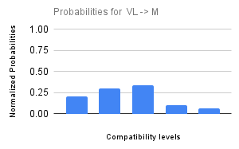
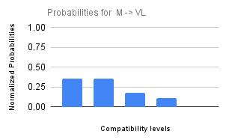
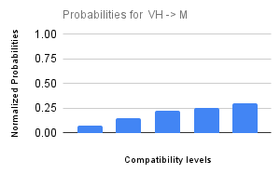
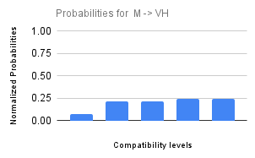
 | Scenario-wise AE probability distribution:

