TPN#1 - DEL_AT
 |  |  | AT |  |  |  |  |  |  |  |  |  |  | Expected (normalized) |  |  |  |  | Calculated |  |  |  |  |  | GA Calculated Function
Domain | Ecosystem | Language | VL | L | M | H | VH | Mode | VL | L | M | H | VH | VL | L | M | H | VH | VL | L | M | H | VH | Brier Score | Function Type | WMEAN
VH | VH | VL | Improbable | Uncertain | Fifty-fifty | Expected | Improbable | H | 15 | 25 | 50 | 75 | 15 | 0,08333333333 | 0,1388888889 | 0,2777777778 | 0,4166666667 | 0,08333333333 | 0.1119 | 0.2148 | 0.2787 | 0.2468 | 0.1479 | 0.0079 | Weights | [4, 2, 5]
VH | VL | VH | Impossible | Improbable | Uncertain | Expected | Probable | VH | 0 | 15 | 25 | 75 | 85 | 0 | 0,075 | 0,125 | 0,375 | 0,425 | 0.0410 | 0.1180 | 0.2350 | 0.3160 | 0.2900 | 0.0075 | Variance | 0.1
VH | VL | VL | Expected | Probable | Certain | Fifty-fifty | Uncertain | M | 75 | 85 | 100 | 50 | 25 | 0,223880597 | 0,2537313433 | 0,2985074627 | 0,1492537313 | 0,07462686567 | 0.1908 | 0.2757 | 0.2707 | 0.1808 | 0.0819 | 0.0007
VL | VH | VH | Fifty-fifty | Uncertain | Probable | Probable | Probable | M | 50 | 25 | 85 | 85 | 85 | 0,1515151515 | 0,07575757576 | 0,2575757576 | 0,2575757576 | 0,2575757576 | 0.0820 | 0.1810 | 0.2710 | 0.2760 | 0.1900 | 0.0042 | Execution Time | 0:01:13
VL | VH | VL | Fifty-fifty | Expected | Probable | Uncertain | Impossible | M | 50 | 75 | 85 | 25 | 0 | 0,2127659574 | 0,3191489362 | 0,3617021277 | 0,1063829787 | 0 | 0.2900 | 0.3170 | 0.2350 | 0.1180 | 0.0400 | 0.0048
VL | VL | VH | Fifty-fifty | Fifty-fifty | Expected | Probable | Improbable | H | 50 | 50 | 75 | 85 | 15 | 0,1818181818 | 0,1818181818 | 0,2727272727 | 0,3090909091 | 0,05454545455 | 0.1480 | 0.2470 | 0.2790 | 0.2140 | 0.1120 | 0.0036 | PR Function
VL | VL | M | Expected | Probable | Certain | Fifty-fifty | Improbable | M | 75 | 85 | 100 | 50 | 15 | 0,2307692308 | 0,2615384615 | 0,3076923077 | 0,1538461538 | 0,04615384615 | 0.2637 | 0.3087 | 0.2458 | 0.1329 | 0.0490 | 0.0015 | Function Type | WMIN
VH | M | VH | Improbable | Uncertain | Expected | Probable | Certain | VH | 15 | 25 | 75 | 85 | 100 | 0,05 | 0,08333333333 | 0,25 | 0,2833333333 | 0,3333333333 | 0.0270 | 0.0920 | 0.2110 | 0.3260 | 0.3440 | 0.0008 | Weights
 |  |  | AT ordinal scale legend (0–100, %) |  |  |  |  |  |  |  |  |  |  |  |  |  |  |  |  |  |  |  | MEAN | 0.0039 | Variance
 |  |  | Certain: 100; Probable: 85; Expected: 75; Fifty-fifty: 50; Uncertain: 25; Improbable: 15; Impossible: 0. |  |  |  |  |  |  |  |  |  |  |  |  |  |  |  |  |  |  |  | STD DEV | 0.0028
 |  |  |  |  |  |  |  |  |  |  |  |  |  |  |  |  |  |  |  |  |  |  |  |  | Original Function
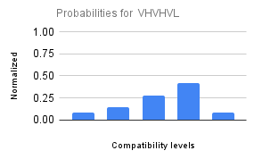
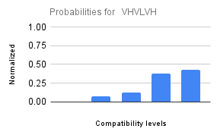
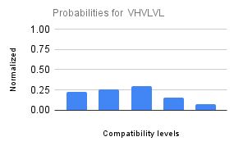
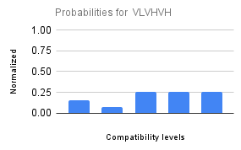
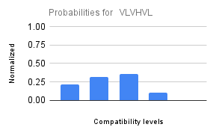
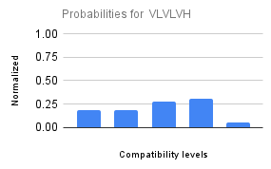
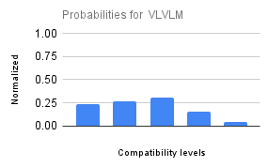
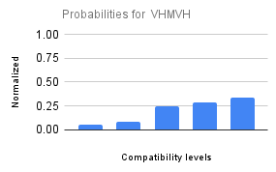
Scenario-wise AT probability distribution: |  |  |  |  |  |  |  |  |  |  |  |  |  |  |  |  |  |  |  |  |  |  |  |  | Function Type | WMEAN
 |  |  |  |  |  |  |  |  |  |  |  |  |  |  |  |  |  |  |  |  |  |  |  |  | Weights
 |  |  |  |  |  |  |  |  |  |  |  |  |  |  |  |  |  |  |  |  |  |  |  |  | Variance

TPN#2 - AC
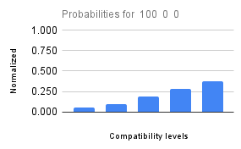
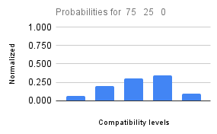
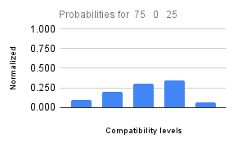
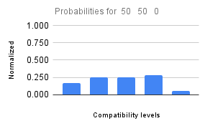
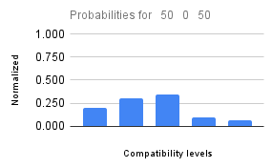
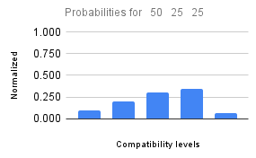
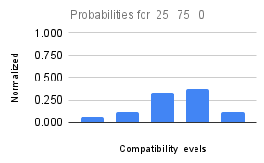
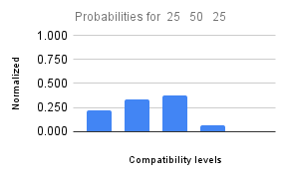
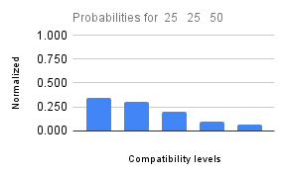
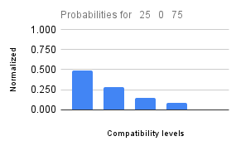
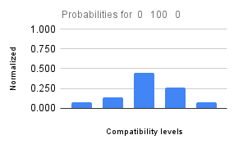
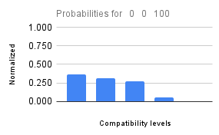
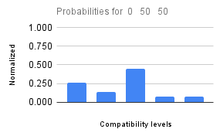
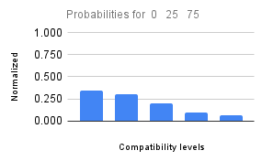
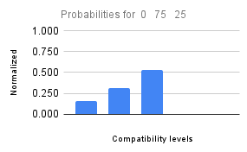
Original inputs |  |  | Discretized Inputs |  |  |  |  | AC |  |  |  |  |  |  |  |  |  |  | Expected (normalized) |  |  |  |  | Calculated |  |  |  |  |  | GA Calculated Function
% VH | % M | % VL | PC_VH | PC_H | PC_M | PC_L | PC_VL | VL | L | M | H | VH | Mode | VL | L | M | H | VH | VL | L | M | H | VH | VL | L | M | H | VH | Brier Score | Function Type | WMAX
100 | 0 | 0 | VH | VL | VL | VL | VL | Improbable | Uncertain | Fifty-fifty | Expected | Certain | VH | 15 | 25 | 50 | 75 | 100 | 0,057 | 0,094 | 0,189 | 0,283 | 0,377 | 0.1080 | 0.2110 | 0.2790 | 0.2500 | 0.1520 | 0.0152 | Weights | [5, 4, 5, 4, 1]
75 | 25 | 0 | H | VL | L | VL | VL | Improbable | Fifty-fifty | Expected | Probable | Uncertain | H | 15 | 50 | 75 | 85 | 25 | 0,060 | 0,200 | 0,300 | 0,340 | 0,100 | 0.1528 | 0.2498 | 0.2787 | 0.2108 | 0.1079 | 0.0057 | Variance | 0.1
75 | 0 | 25 | H | VL | VL | VL | L | Uncertain | Fifty-fifty | Expected | Probable | Improbable | H | 25 | 50 | 75 | 85 | 15 | 0,100 | 0,200 | 0,300 | 0,340 | 0,060 | 0.1528 | 0.2498 | 0.2787 | 0.2108 | 0.1079 | 0.0049
50 | 50 | 0 | M | VL | M | VL | VL | Fifty-fifty | Expected | Expected | Probable | Improbable | H | 50 | 75 | 75 | 85 | 15 | 0,167 | 0,250 | 0,250 | 0,283 | 0,050 | 0.2062 | 0.2843 | 0.2663 | 0.1702 | 0.0731 | 0.0032 | Execution Time | 0:02:24
50 | 0 | 50 | M | VL | VL | VL | M | Fifty-fifty | Expected | Probable | Uncertain | Improbable | M | 50 | 75 | 85 | 25 | 15 | 0,200 | 0,300 | 0,340 | 0,100 | 0,060 | 0.2062 | 0.2843 | 0.2663 | 0.1702 | 0.0731 | 0.0022
50 | 25 | 25 | M | VL | L | VL | L | Uncertain | Fifty-fifty | Expected | Probable | Improbable | H | 25 | 50 | 75 | 85 | 15 | 0,100 | 0,200 | 0,300 | 0,340 | 0,060 | 0.2060 | 0.2840 | 0.2670 | 0.1700 | 0.0730 | 0.0097 | PR Function
25 | 75 | 0 | L | VL | H | VL | VL | Improbable | Uncertain | Expected | Probable | Uncertain | H | 15 | 25 | 75 | 85 | 25 | 0,067 | 0,111 | 0,333 | 0,378 | 0,111 | 0.1528 | 0.2498 | 0.2787 | 0.2108 | 0.1079 | 0.0115 | Function Type | WMIN
25 | 50 | 25 | L | VL | M | VL | L | Fifty-fifty | Expected | Probable | Improbable | Impossible | M | 50 | 75 | 85 | 15 | 0 | 0,222 | 0,333 | 0,378 | 0,067 | 0,000 | 0.2060 | 0.2840 | 0.2670 | 0.1700 | 0.0730 | 0.0062 | Weights
25 | 25 | 50 | L | VL | L | VL | M | Probable | Expected | Fifty-fifty | Uncertain | Improbable | VL | 85 | 75 | 50 | 25 | 15 | 0,340 | 0,300 | 0,200 | 0,100 | 0,060 | 0.2660 | 0.3100 | 0.2450 | 0.1310 | 0.0480 | 0.0017 | Variance
25 | 0 | 75 | L | VL | VL | VL | H | Probable | Fifty-fifty | Uncertain | Improbable | Impossible | VL | 85 | 50 | 25 | 15 | 0 | 0,486 | 0,286 | 0,143 | 0,086 | 0,000 | 0.2660 | 0.3100 | 0.2450 | 0.1310 | 0.0480 | 0.0127
0 | 100 | 0 | VL | VL | VH | VL | VL | Improbable | Uncertain | Probable | Fifty-fifty | Improbable | M | 15 | 25 | 85 | 50 | 15 | 0,079 | 0,132 | 0,447 | 0,263 | 0,079 | 0.1080 | 0.2110 | 0.2790 | 0.2500 | 0.1520 | 0.0082 | Original Function
0 | 0 | 100 | VL | VL | VL | VL | VH | Certain | Probable | Expected | Improbable | Impossible | VL | 100 | 85 | 75 | 15 | 0 | 0,364 | 0,309 | 0,273 | 0,055 | 0,000 | 0.2797 | 0.3137 | 0.2388 | 0.1239 | 0.0440 | 0.0030 | Function Type
0 | 50 | 50 | VL | VL | M | VL | M | Fifty-fifty | Uncertain | Probable | Improbable | Improbable | M | 50 | 25 | 85 | 15 | 15 | 0,263 | 0,132 | 0,447 | 0,079 | 0,079 | 0.2062 | 0.2843 | 0.2663 | 0.1702 | 0.0731 | 0.0135 | Weights
0 | 25 | 75 | VL | VL | L | VL | H | Probable | Expected | Fifty-fifty | Uncertain | Improbable | L | 85 | 75 | 50 | 25 | 15 | 0,340 | 0,300 | 0,200 | 0,100 | 0,060 | 0.2660 | 0.3100 | 0.2450 | 0.1310 | 0.0480 | 0.0017 | Variance
0 | 75 | 25 | VL | VL | H | VL | L | Uncertain | Fifty-fifty | Probable | Impossible | Impossible | M | 25 | 50 | 85 | 0 | 0 | 0,156 | 0,313 | 0,531 | 0 | 0 | 0.1528 | 0.2498 | 0.2787 | 0.2108 | 0.1079 | 0.0247
 |  |  |  |  |  |  |  | AT ordinal scale legend (0–100, %) |  |  |  |  |  |  |  |  |  |  |  |  |  |  |  |  |  |  |  | MEAN | 0.0083
 |  |  |  |  |  |  |  | Certain: 100; Probable: 85; Expected: 75; Fifty-fifty: 50; Uncertain: 25; Improbable: 15; Impossible: 0. |  |  |  |  |  |  |  |  |  |  |  |  |  |  |  |  |  |  |  | STD DEV | 0.0064

Scenario-wise AT probability distribution (% VH % M % VL):

TPN#3 - AE
 |  | AE |  |  |  |  |  | AE |  |  |  |  | Expected (normalized) |  |  |  |  | Calculated |  |  |  |  |  | GA Calculated Function
AT | AC | VL | L | M | H | VH | Mode | VL | L | M | H | VH | VL | L | M | H | VH | VL | L | M | H | VH | Brier Score | Function Type | WMIN
VL | VH | Probable | Certain | Probable | Uncertain | Improbable | L | 85 | 100 | 85 | 25 | 15 | 0,2741935484 | 0,3225806452 | 0,2741935484 | 0,08064516129 | 0,04838709677 | 0.2513 | 0.3043 | 0.2513 | 0.1401 | 0.0531 | 0.0010 | Weights | [3, 2]
VH | VL | Fifty-fifty | Expected | Certain | Fifty-fifty | Improbable | M | 50 | 75 | 100 | 50 | 15 | 0,1724137931 | 0,2586206897 | 0,3448275862 | 0,1724137931 | 0,05172413793 | 0.2060 | 0.2840 | 0.2670 | 0.1700 | 0.0730 | 0.0017 | Variance | 0.1
VL | VL | Certain | Certain | Probable | Improbable | Impossible | VL | 100 | 100 | 85 | 15 | 0 | 0,3333333333 | 0,3333333333 | 0,2833333333 | 0,05 | 0 | 0.4154 | 0.3353 | 0.1762 | 0.0601 | 0.0130 | 0.0037
VH | VH | Impossible | Improbable | Expected | Probable | Certain | VH | 0 | 15 | 75 | 85 | 100 | 0 | 0,05454545455 | 0,2727272727 | 0,3090909091 | 0,3636363636 | 0.0140 | 0.0609 | 0.1768 | 0.3347 | 0.4136 | 0.0025 | Execution Time | 0:01:13
VL | M | Fifty-fifty | Expected | Probable | Uncertain | Improbable | M | 50 | 75 | 85 | 25 | 15 | 0,2 | 0,3 | 0,34 | 0,1 | 0,06 | 0.3237 | 0.3237 | 0.2198 | 0.1009 | 0.0320 | 0.0062
M | VL | Fifty-fifty | Fifty-fifty | Uncertain | Improbable | Impossible | VL | 50 | 50 | 25 | 15 | 0 | 0,3571428571 | 0,3571428571 | 0,1785714286 | 0,1071428571 | 0 | 0.2990 | 0.3190 | 0.2310 | 0.1130 | 0.0380 | 0.0018 | PR Function
VH | M | Uncertain | Fifty-fifty | Expected | Probable | Certain | VH | 25 | 50 | 75 | 85 | 100 | 0,07462686567 | 0,1492537313 | 0,223880597 | 0,2537313433 | 0,2985074627 | 0.0739 | 0.1698 | 0.2667 | 0.2837 | 0.2058 | 0.0024 | Function Type | WMEAN
M | VH | Uncertain | Expected | Expected | Probable | Probable | H | 25 | 75 | 75 | 85 | 85 | 0,07246376812 | 0,2173913043 | 0,2173913043 | 0,2463768116 | 0,2463768116 | 0.0860 | 0.1850 | 0.2720 | 0.2720 | 0.1850 | 0.0017 | Weights
 |  | AE ordinal scale legend (0–100, %) |  |  |  |  |  |  |  |  |  |  |  |  |  |  |  |  |  |  |  | MEAN | 0.0026 | Variance
 |  | Certain: 100; Probable: 85; Expected: 75; Fifty-fifty: 50; Uncertain: 25; Improbable: 15; Impossible: 0. |  |  |  |  |  |  |  |  |  |  |  |  |  |  |  |  |  |  |  | STD DEV | 0.0016
 |  |  |  |  |  |  |  |  |  |  |  |  |  |  |  |  |  |  |  |  |  |  |  | Original Function
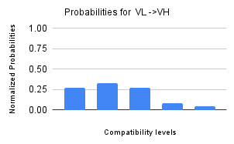
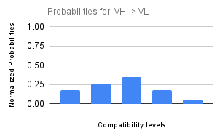
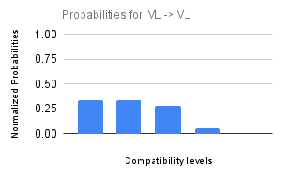
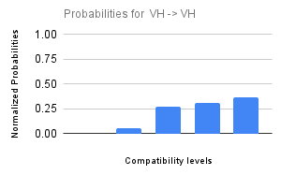
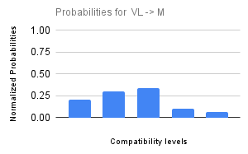
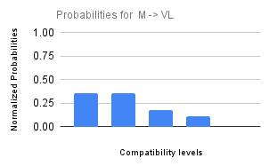
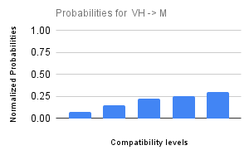
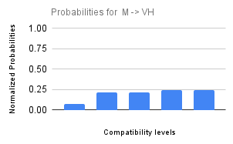
Scenario-wise AE probability distribution: |  |  |  |  |  |  |  |  |  |  |  |  |  |  |  |  |  |  |  |  |  |  |  | Function Type | WMEAN
 |  |  |  |  |  |  |  |  |  |  |  |  |  |  |  |  |  |  |  |  |  |  |  | Weights
 |  |  |  |  |  |  |  |  |  |  |  |  |  |  |  |  |  |  |  |  |  |  |  | Variance

Data Analysis
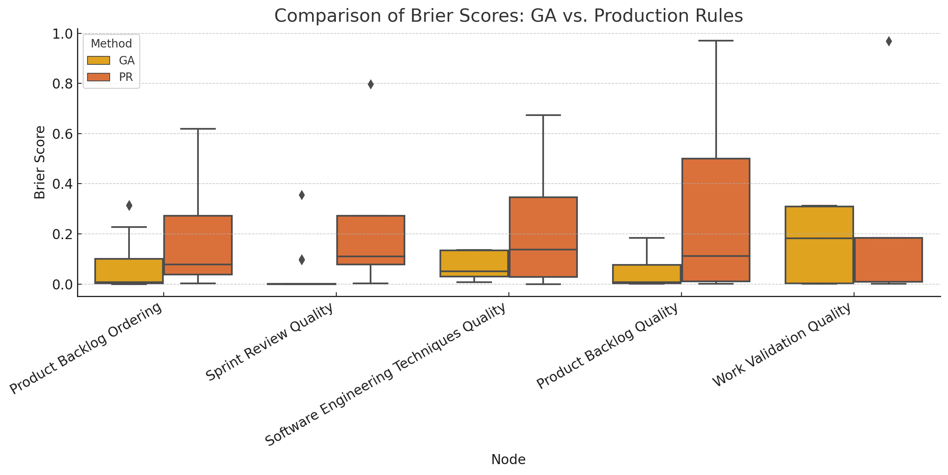
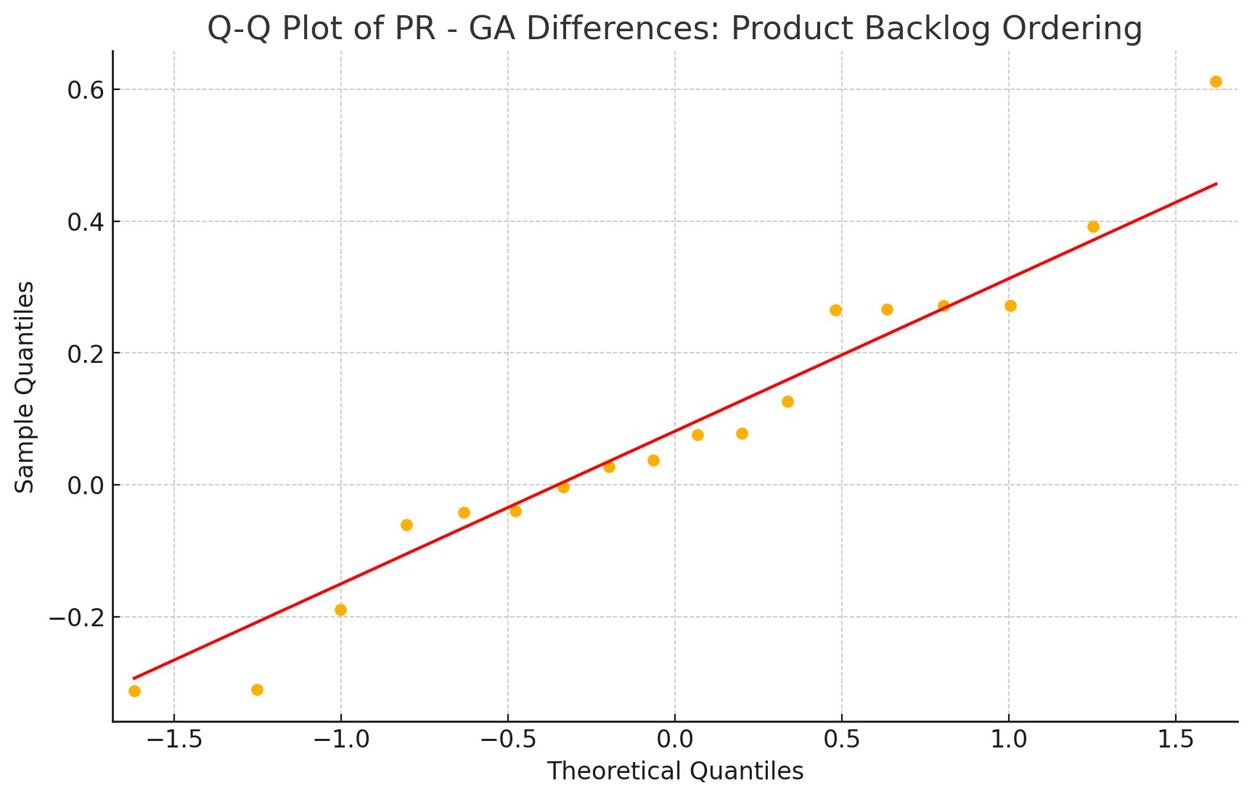
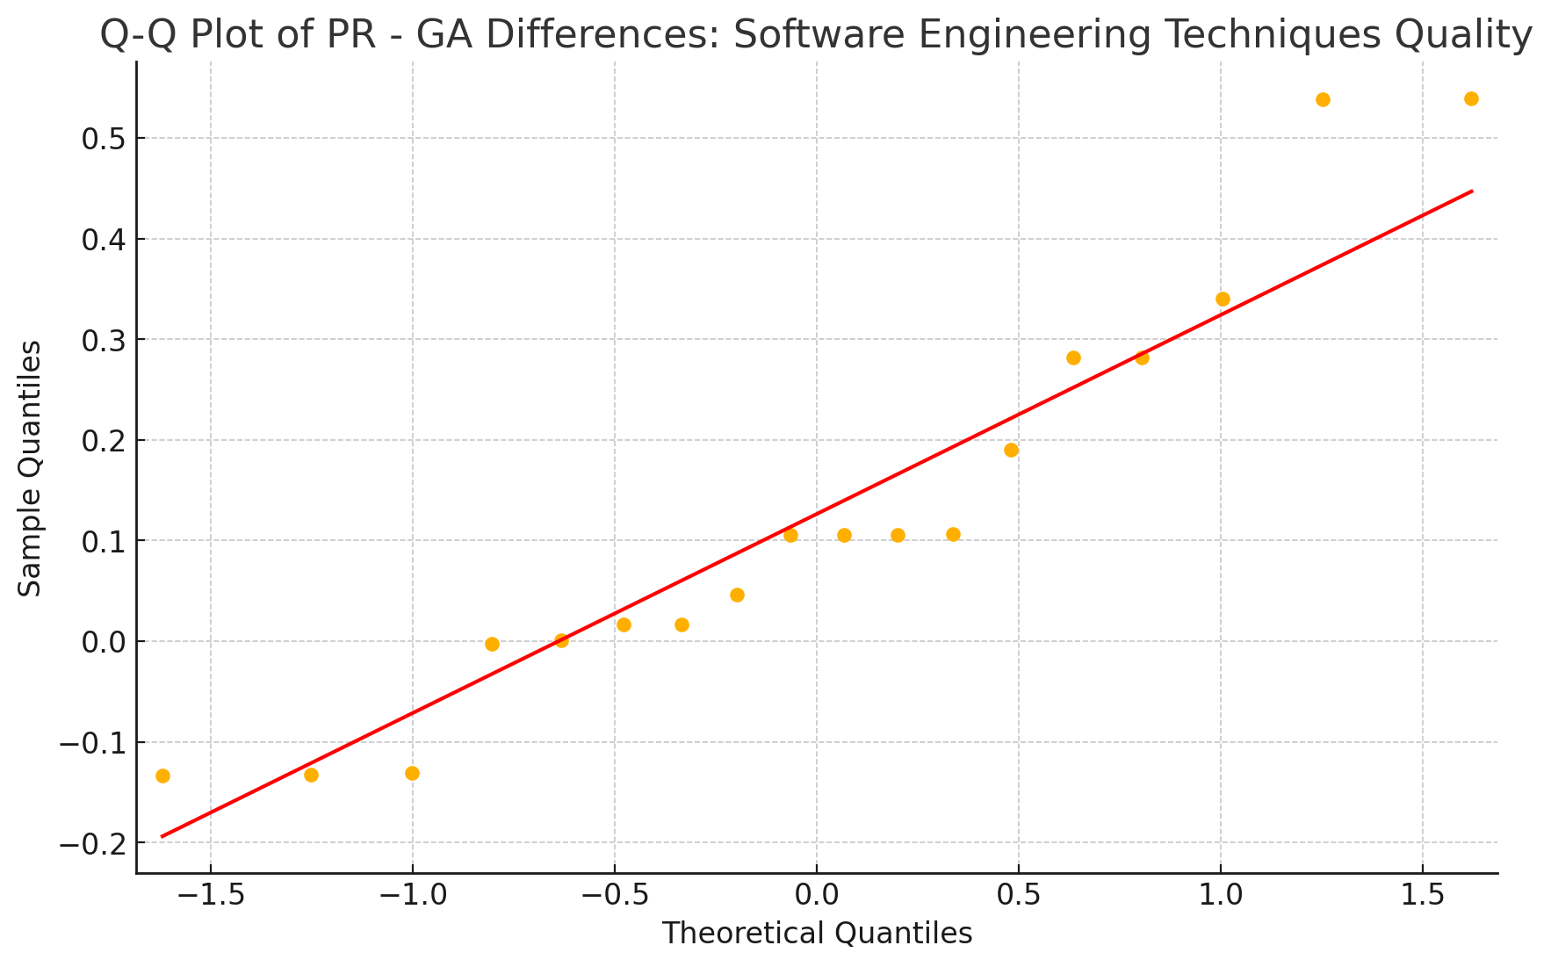
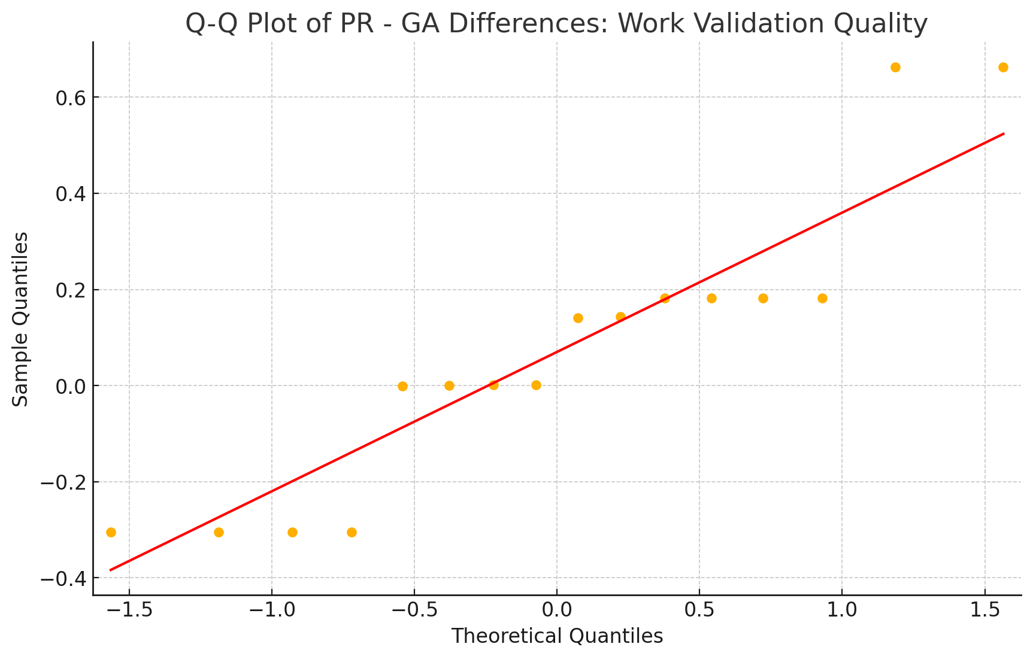
 |  | Normality Tests |  |  |  |  | Wilcoxon Tests
 |  |  |  |  |  |  | Python script
 |  |  |  |  |  |  | from scipy.stats import wilcoxon import pandas as pd # Define the brier scores for GA and PR for each case data = { "Product Backlog Ordering": { "GA": [0, 0.0019, 0.0019, 0, 0.00174, 0, 0.09841, 0.31539, 0.22659, 0.31299, 0.0996, 0.00739, 0.00749, 0.00749, 0.22659, 0.0998, 0.09841, 0.00739], "PR": [0.0778112813, 0.0778112813, 0.3934554632, 0.2715476513, 0.0288792221, 0.2715476513, 0.0581882548, 0.0024888067, 0.0376561109, 0.0024888067, 0.0581541408, 0.6192954632, 0.0042277012, 0.273282245, 0.3528672032, 0.1367958868, 0.0376561109, 0.273282245] }, "Sprint Review Quality": { "GA": [0, 0, 0, 0, 0, 0, 0.09643, 0.0013, 0, 0.00125, 0.0988, 0, 0, 0.0013, 0.3557, 0.0992, 0, 0.00139], "PR": [0.0778112813, 0.0778112813, 0.0778112813, 0.2715476513, 0.2715476513, 0.2715476513, 0.1125324241, 0.0024888067, 0.0376561109, 0.0846463129, 0.11252768, 0.0778112813, 0.1074707924, 0.2715476513, 0.7976476513, 0.2715476513, 0.0376561109, 0.2715476513] }, "Software Engineering Techniques Quality": { "GA": [0.07124, 0.13364, 0.13364, 0.01227, 0.01227, 0.01227, 0.03041, 0.03108, 0.1341, 0.0313, 0.03025, 0.13364, 0.00749, 0.13433, 0.07141, 0.03108, 0.07209, 0.13573], "PR": [0.3528672032, 0.3240769032, 0.0000703921, 0.3528672032, 0.0288792221, 0.0288792221, 0.0314352836, 0.1367958868, 0.6727072032, 0.1367958868, 0.1367435808, 0.6727072032, 0.0052239445, 0.0031144041, 0.3528672032, 0.1367958868, 0.1184530465, 0.0031144041] }, "Product Backlog Quality": { "GA": [0.00174, 0.00174, 0.00196, 0.00196, 0.1812, 0.1812, 0.04163, 0.00749, 0.00749, 0.18417, 0.00739, 0.18254, 0.04147, 0.00289, 0.0074, 0.04111], "PR": [0.1840788506, 0.0104283366, 0.1840788506, 0.5, 0.5, 0.9705588506, 0.1115574597, 0.0076712353, 0.1115574597, 0.5, 0.0076712353, 0.5, 0.1115574597, 0.0012680648, 0.0114628083, 0.1115574597] }, "Work Validation Quality": { "GA":

 |  |  |  |  |  |  | Results | Statistic | p-value
 |  |  |  |  |  |  | Product Backlog Ordering | 21 | 0.22875213623
 |  |  |  |  |  |  | Sprint Review Quality | 3 | 7.63E-06
 |  |  |  |  |  |  | Software Engineering Techniques Quality | 1 | 0.026847839336
 |  |  |  |  |  |  | Product Backlog Quality | 0 | 0.00015258789062
 |  |  |  |  |  |  | Work Validation Quality | 0 | 0.46374511719

 |  |  |  |  |  |  | Interpretation
 |  |  |  |  |  |  | Sprint Review Quality, Product Backlog Quality, and Software Engineering Techniques Quality show statistically significant improvements (p-value < 0.05) when using the GA over the production rules.
 |  |  |  |  |  |  | Product Backlog Ordering and Work Validation Quality do not show statistically significant differences.

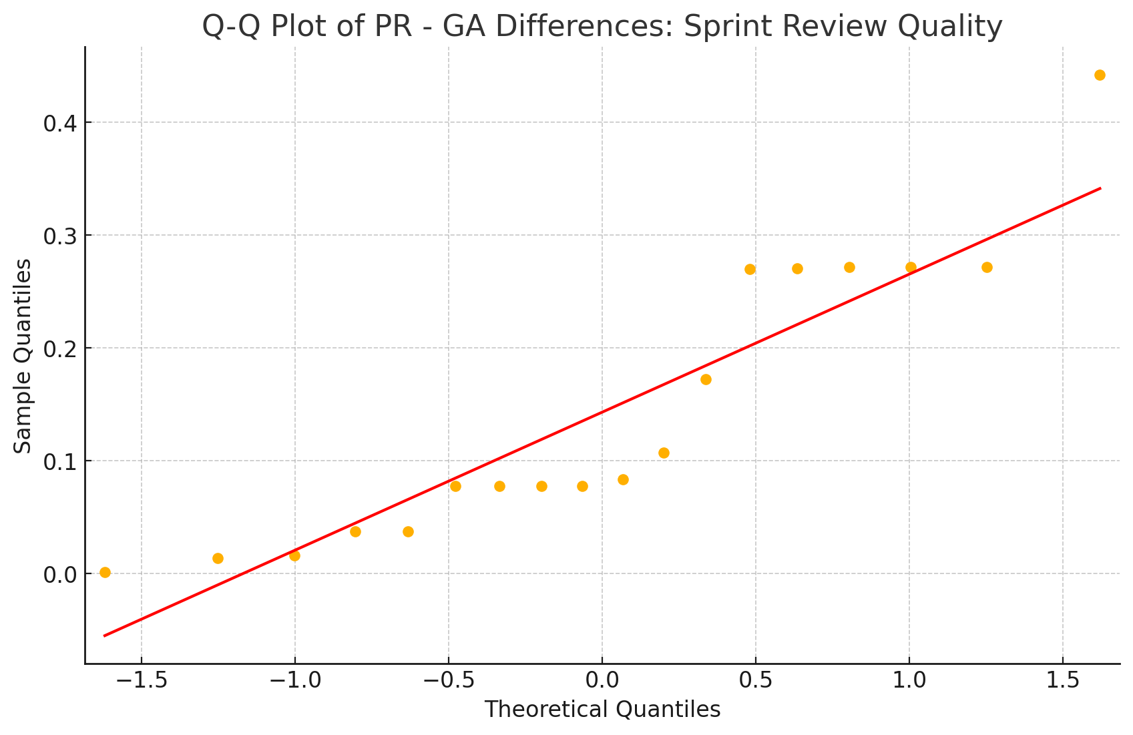
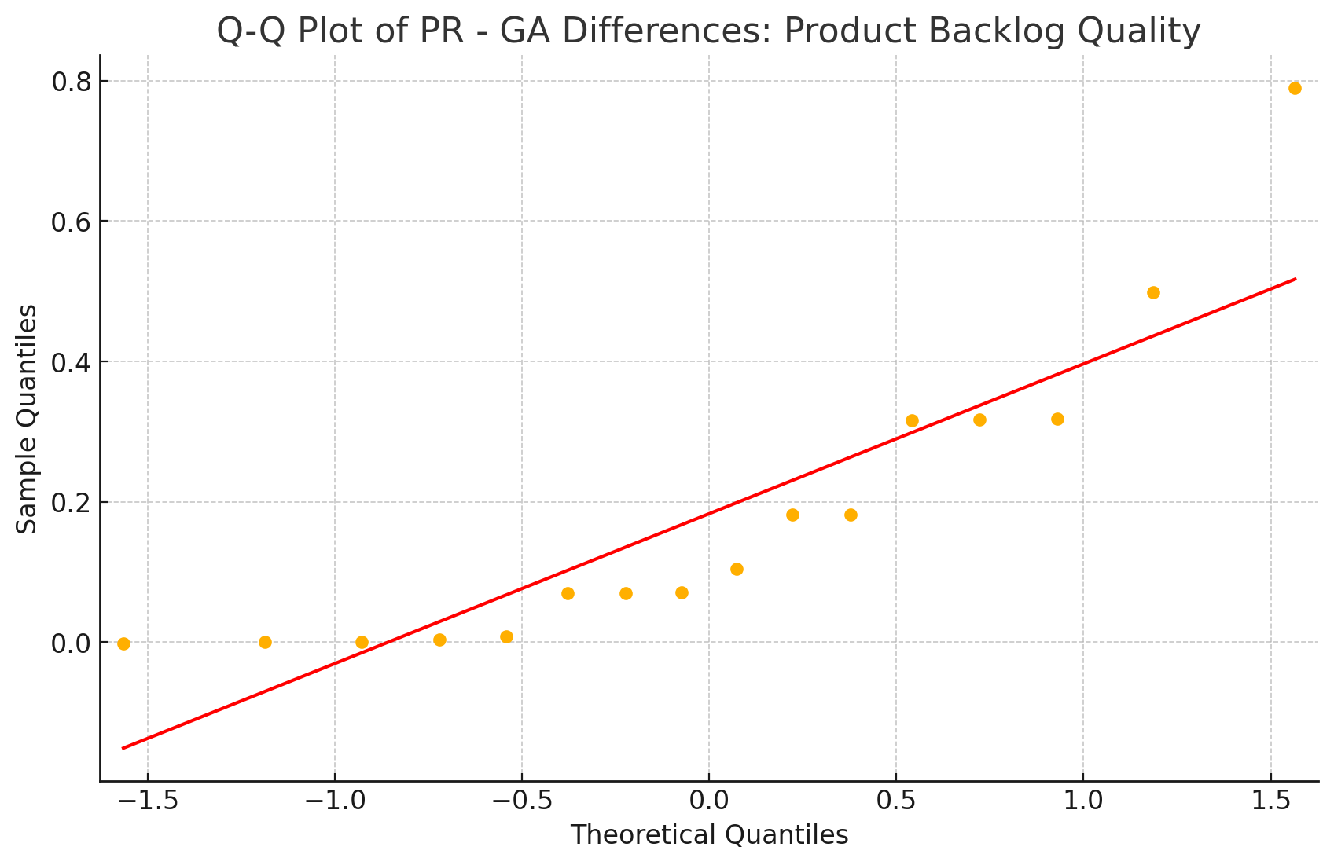

Conclusion: | GA consistently achieves lower or more stable Brier scores in every case. However, statistical tests are clearly need for all cases, except for Sprint Review Quality.

Python script for generating the boxplots
import pandas as pd import matplotlib.pyplot as plt import seaborn as sns from io import StringIO import ace_tools as tools # Prepare the raw data raw_data = { "Product Backlog Ordering": [ (0, 0.0778112813), (0.0019, 0.0778112813), (0.0019, 0.3934554632), (0, 0.2715476513), (0.00174, 0.0288792221), (0, 0.2715476513), (0.09841, 0.0581882548), (0.31539, 0.0024888067), (0.22659, 0.0376561109), (0.31299, 0.0024888067), (0.0996, 0.0581541408), (0.00739, 0.6192954632), (0.00749, 0.0042277012), (0.00749, 0.273282245), (0.22659, 0.3528672032), (0.0998, 0.1367958868), (0.09841, 0.0376561109), (0.00739, 0.273282245) ], "Sprint Review Quality": [ (0, 0.0778112813), (0, 0.0778112813), (0, 0.0778112813), (0, 0.2715476513), (0, 0.2715476513), (0, 0.2715476513), (0.09643, 0.1125324241), (0.0013, 0.0024888067), (0, 0.0376561109), (0.00125, 0.0846463129), (0.0988, 0.11252768), (0, 0.0778112813), (0, 0.1074707924), (0.0013, 0.2715476513), (0.3557, 0.7976476513), (0.0992, 0.2715476513), (0, 0.0376561109), (0.00139, 0.2715476513) ], "Software Engineering Techniques Quality": [ (0.07124, 0.3528672032), (0.13364, 0.3240769032), (0.13364, 0.0000703921), (0.01227, 0.3528672032), (0.01227, 0.0288792221), (0.01227, 0.0288792221), (0.03041, 0.0314352836), (0.03108, 0.1367958868), (0.1341, 0.6727072032), (0.0313, 0.1367958868), (0.03025, 0.1367435808), (0.13364, 0.6727072032), (0.00749, 0.0052239445), (0.13433, 0.0031144041), (0.07141, 0.3528672032), (0.03108, 0.1367958868), (0.07209, 0.1184530465), (0.13573, 0.0031144041) ], "Product Backlog Quality": [ (0.00174, 0.1840788506), (0.00174, 0.0104283366), (0.00196, 0.1840788506), (0.00196, 0.5), (0.1812, 0.5), (0.1812, 0.9705588506), (0.04163, 0.1115574597), (0.00749, 0.0076712353), (0.00749, 0.1115574597), (0.18417, 0.5), (0.00739, 0.00767123

 |  | Python script for testing data normality | Shapiro-Wilk Test Results
 |  | import pandas as pd import matplotlib.pyplot as plt import scipy.stats as stats import seaborn as sns from statsmodels.graphics.gofplots import qqplot import warnings warnings.filterwarnings('ignore') # Brier scores for each case cases = { "Product Backlog Ordering": { "GA": [0, 0.0019, 0.0019, 0, 0.00174, 0, 0.09841, 0.31539, 0.22659, 0.31299, 0.0996, 0.00739, 0.00749, 0.00749, 0.22659, 0.0998, 0.09841, 0.00739], "PR": [0.0778112813, 0.0778112813, 0.3934554632, 0.2715476513, 0.0288792221, 0.2715476513, 0.0581882548, 0.0024888067, 0.0376561109, 0.0024888067, 0.0581541408, 0.6192954632, 0.0042277012, 0.273282245, 0.3528672032, 0.1367958868, 0.0376561109, 0.273282245] }, "Sprint Review Quality": { "GA": [0, 0, 0, 0, 0, 0, 0.09643, 0.0013, 0, 0.00125, 0.0988, 0, 0, 0.0013, 0.3557, 0.0992, 0, 0.00139], "PR": [0.0778112813, 0.0778112813, 0.0778112813, 0.2715476513, 0.2715476513, 0.2715476513, 0.1125324241, 0.0024888067, 0.0376561109, 0.0846463129, 0.11252768, 0.0778112813, 0.1074707924, 0.2715476513, 0.7976476513, 0.2715476513, 0.0376561109, 0.2715476513] }, "Software Engineering Techniques Quality": { "GA": [0.07124, 0.13364, 0.13364, 0.01227, 0.01227, 0.01227, 0.03041, 0.03108, 0.1341, 0.0313, 0.03025, 0.13364, 0.00749, 0.13433, 0.07141, 0.03108, 0.07209, 0.13573], "PR": [0.3528672032, 0.3240769032, 0.0000703921, 0.3528672032, 0.0288792221, 0.0288792221, 0.0314352836, 0.1367958868, 0.6727072032, 0.1367958868, 0.1367435808, 0.6727072032, 0.0052239445, 0.0031144041, 0.3528672032, 0.1367958868, 0.1184530465, 0.0031144041] }, "Product Backlog Quality": { "GA": [0.00174, 0.00174, 0.00196, 0.00196, 0.1812, 0.1812, 0.04163, 0.00749, 0.00749, 0.18417, 0.00739, 0.18254, 0.04147, 0.00289, 0.0074, 0.04111], "PR": [0.1840788506, 0.0104283366, 0.1840788506, 0.5, 0.5, 0.9705588506, 0.1115574597, 0.0076712353, 0.1115574597, 0.5, 0.0076712353, 0.5, 0.1115574597, 0.0012680648, 0.0114628083, 0. | Node | W Statistic | p-value | Normality?
 |  |  | Product Backlog Ordering | 0.965 | 0.696 | ✅ Normally distributed (p > 0.05)
 |  |  | Sprint Review Quality | 0.861 | 0.012 | ❌ Not normal
 |  |  | Software Engineering Techniques | 0.911 | 0.09 | ✅ Probably normal
 |  |  | Product Backlog Quality | 0.809 | 0.004 | ❌ Not normal
 |  |  | Work Validation Quality | 0.869 | 0.027 | ❌ Not normal

