Sheet1
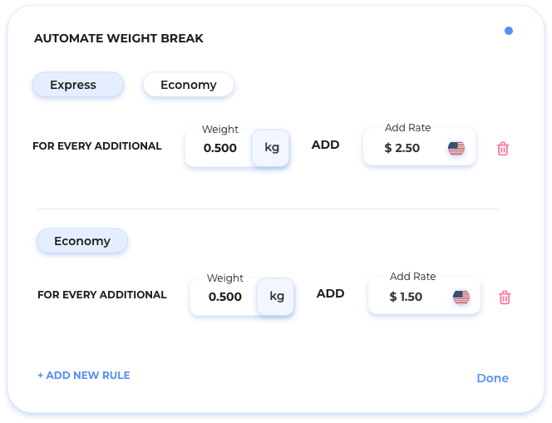

 |  |  |  | 165.92 | LB | IN

Rate type | Cost min | + 50 gr | + 100 gr | + 300 gr | + 500 gr | Max weight (kg) | Flat fee | SELLER Profit | SELLER Min Profit |  |  | ALIROK PROFIT | MINIMUM PROFIT | MIN PER
Express | $0.00 | $4.00 | $3.00 | $2.00 | $1.00 | 30.00 | $0.00 | 15% | $3.00 |  |  | 10% | $3.00 | PARCEL
Economy | $5.00 | $4.00 | $3.00 | $2.00 | $1.00 | 50.00 | $1.00 | 25% | $1.00
Postal | $5.00 | $4.00 | $3.00 | $2.00 | $1.00 | 100.00 | $1.00 | $1.00 | $0.00

DIM. FACTOR: | 2720 | KG | CM
 |  |  |  |  |  |  |  |  |  |  |  | EXPRESS |  |  |  | ECONOMY |  |  |  | POSTAL
SIMULATION | PIECES | LENGTH | WIDTH | HEIGHT | MEASURE | GROSS WEIGHT (EACH) | MEASURE | DIM. FACTOR | VOLUME WEIGHT | CHARGEABLE WEIGHT | CONVERT LB TO KGR | SELLER COST | SELLER PROFIT | ALIROK PROFIT | SHOW RESULTS | SELLER COST | SELLER PROFIT | ALIROK PROFIT | SHOW RESULTS | SELLER COST | SELLER PROFIT | ALIROK PROFIT | SHOW RESULTS
Quote 1 | 1 | 5 | 5 | 5 | CM | 0.500 | LB | 2720 | 0.101 | 0.500 | 0.227 | $3.00 | $3.00 | $3.00 | USD 9.00 | $6.00 | $1.50 | $3.00 | $10.50 | $6.00 | $1.00 | $3.00 | $10.00
Quote 2 | 1 | 15 | 15 | 15 | CM | 5.000 | KG | 2720 | 1.241 | 5.000 | 5.000
Quote 3 | 1 | 5 | 5 | 5 | IN | 30.000 | KG | 166 | 0.753 | 30.000 | 30.000
Quote 4 | 2 | 5 | 5 | 5 | IN | 0.800 | LB | 166 | 3.320 | 3.320 | 1.506
Quote 5 | 5 | 10 | 10 | 10 | CM | 1.800 | LB | 2720 | 4.053 | 4.053 | 1.838
Quote 6 | 1 | 15 | 15 | 15 | IN | 15.000 | LB | 166 | 44.822 | 44.822 | 20.331
Quote 7 | 2 | 5 | 5 | 5 | IN | 3.800 | LB | 166 | 3.320 | 3.800 | 1.724

