Predictive Maintenance
Predictive Maintenance
Module | Business Purpose | What it delivers (outputs) | Key Data Inputs (signals) | Implementation Notes (prototype → product) | Scaling Considerations (partitions/brokers/retention) | KPIs & Business Metrics | Integration / Customers
Data Ingestion & Collection | Collect telematics & sensor data for vehicle health monitoring. | Time-series telemetry stream (batched), metadata, row_hash | Engine RPM, vibration, oil temp, coolant temp, battery voltage, fault codes | Use replay -> ingest -> kafka. Edge aggregation: batch 1-10s, send deltas. Validate with features.json ordering. | Medium scenario: Recommend ~1,024 partitions; 8-12 brokers (RF=3) for large fleets. Keep raw retained hours; archive to object store daily. | Mean time between failures (MTBF), % of predicted failures that were true (precision), reduction in downtime, warranty cost saved | OEM service centers, dealerships, fleet maintenance systems (ticketing)
Validation & Quality Gate | Ensure sensor data is present and sane before analysis. | Validated records, DLQ for bad records | Schema conformance, numeric ranges, timestamp ordering | Pydantic validation at ingest; DLQ to files for replay; metrics for validation failure rate | Validation scales with ingestion rate; keep concise error logs; sample-based audits | Validation error rate, DLQ size, fraction of dropped rows | Data engineering & QA teams
Real-time Inference & Alerting | Score health per subsystem; raise early warnings. | Healthscore, anomaly flag, per-feature contributions | Reconstruction errors, rolling window features, inferred labels | Dense AE for point anomalies; LSTM AE for windowed pattern anomalies; batch inference per consumer instance; MERGE into Delta using row_hash | Need per-shard state for LSTM windows; memory for buffers increases with shard size | Prediction precision/recall, time-to-detect, false positive rate | Maintenance ticketing systems, SMS/email alerting, workshop scheduling
Long-term Storage & Analytics | Store historical telemetry & outcomes for root cause analysis. | Delta tables of raw events and predictions; aggregated reports | Raw telemetry, predictions, maintenance records | Archive raw to object store; use Delta for predictions and analytics; periodic re-training pipelines | Large storage needs; use object storage tiering; partition by date and vehicle shard | Re-training frequency, data retention costs, model drift metrics | Data science teams, ML engineers
Monitoring & Ops | Monitor system health, pipeline SLAs, and model performance. | Dashboards, alerts, SLA reports | Ingest latency, consumer lag, anomaly-rate, DLQ growth | Prometheus metrics, Grafana dashboards; alerting on consumer lag / model failures | Ensure monitoring scales with cluster size; define SLOs | SLA adherence, incident MTTR, anomaly rate baselines | Ops teams, NOC

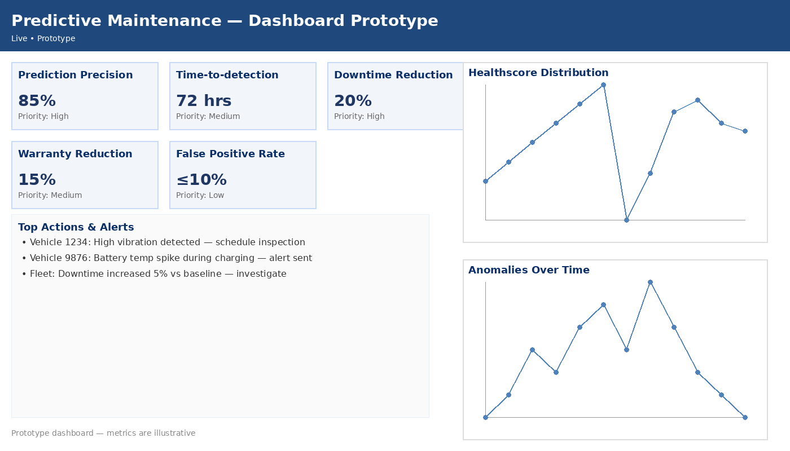 |  |  |  | 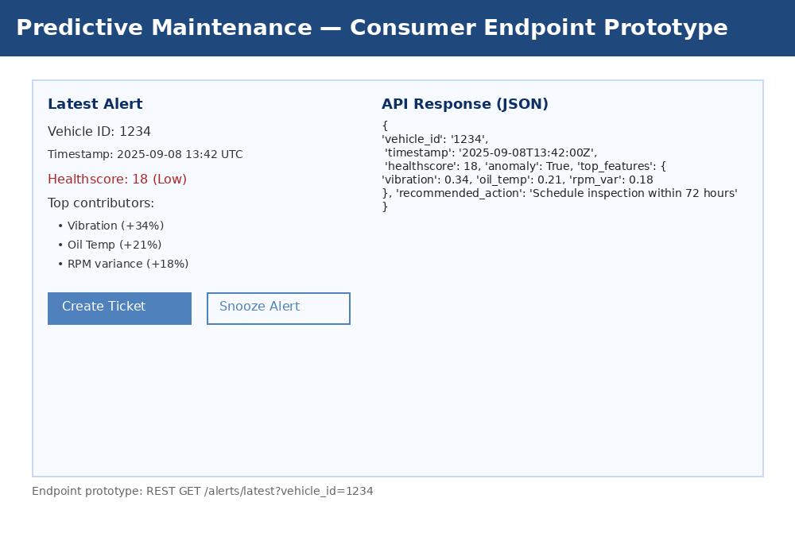

Driver Safety & Behavior

Module | Business Purpose | What it delivers (outputs) | Key Data Inputs (signals) | Implementation Notes (prototype → product) | Scaling Considerations (partitions/brokers/retention) | KPIs & Business Metrics | Integration / Customers
Data Ingestion & Collection | Capture driving behavior metrics to score safety. | Stream of events enriched with GPS and accelerometer aggregates | GPS speed, acceleration (Gx,Gy,Gz), braking events, steering angle, trip context | Edge compute to detect harsh events; send summarized events to reduce volume | Partitions similar to medium scenario; recommended 1,024 partitions | Driver safety score distribution, number of harsh events/day | Insurance companies, fleet managers
Event Detection & Scoring | Detect and score events like speeding, harsh braking. | Event feed + per-driver score | Thresholded accelerometer spikes, GPS overspeed, trip context | Real-time rules + ML for contextual scoring; sliding window aggregation | Low-latency requirements; partitioning by shard for parallelism | Number of risky events, score changes, incidents prevented | Insurance risk underwriting teams, telematics providers
Reporting & Rewards | Deliver insights and rewards to drivers and insurers. | Weekly/monthly reports, driver dashboards, insurer APIs | Aggregated trip metrics, scores, incident logs | Generate periodic reports, APIs for insurer integration, webhook notifications | Scales by user base, not raw events; pre-aggregate metrics | Driver engagement, claim reduction, policy adjustments | Insurer platforms, driver mobile apps
Fraud & Incident Reconstruction | Support post-incident analysis and fraud detection. | Time-synced event timelines, sensor snapshots around incidents | High-resolution telemetry around events (pre/post incident window) | On-demand retrieval from archived raw; retain high-res windows for limited time | Retention trade-offs; store high-res snippets only for incidents | Claim dispute resolution time, fraud detection rate | Legal teams, insurers

EV Battery Intelligence

Module | Business Purpose | What it delivers (outputs) | Key Data Inputs (signals) | Implementation Notes (prototype → product) | Scaling Considerations (partitions/brokers/retention) | KPIs & Business Metrics | Integration / Customers
Data Ingestion & Collection | Collect battery telemetry and charging patterns. | Stream of battery metrics, charging sessions, temperature profiles | Cell voltages, pack current, state-of-charge, temperature per module | High-fidelity data may be heavy; compress and batch; send charge-session summaries | Prefer medium-to-high partitions; 1,024–4,096 depending on telemetry | Battery degradation curves, charge cycles/day | EV OEMs, charging network operators, fleet managers
Health Modeling & Degradation Detection | Estimate battery SOH and predict degradation. | SOH score, early-warning of cell imbalance, thermal risk alerts | Longitudinal charge/discharge curves, temperature, current spikes | Use time-series models and ML; require historical windows for trend fitting | Model training needs long history; inference can be streaming or batch | Battery SOH error vs actual, false alarms, lifetime extension metrics | Battery engineering teams, warranty managers
Charge-session Insights & Optimization | Optimize charging schedules and infrastructure usage. | Per-session efficiency metrics, charging patterns | Plug-in times, rates, SOC before/after, grid signals if available | Aggregate sessions, recommend optimal charging windows, integrate with charging infra | Scale depends on number of charging events rather than vehicles | Improved charging efficiency, reduced peak demand | Charge network operators, smart-grid partners

Fleet Optimization
Module | Business Purpose (plain language) | What it delivers (outputs) | Key Data Inputs (signals) | Implementation Notes (prototype → product) | Scaling Considerations (partitions/brokers/retention) | KPIs & Business Metrics | Integration / Customers
Data Ingestion & Collection | Provide fleet operators with real-time vehicle location & status. | Stream location, fuel/energy, availability status | GPS, fuel level, odometer, door sensors, cargo status | Ingest focused on state updates; compacted topic for latest state per vehicle | Vehicle_state compacted topic recommended; partitions ~1,024 for lookup scale | Fleet utilization, on-time %, idle time, fuel efficiency | Logistics companies, rental fleets, public transport
Real-time Routing & Dispatch | Match supply & demand; optimize routes in near-real-time. | Dispatch decisions, route recommendations, ETA updates | Location + traffic + vehicle capacity + cargo constraints | Integrate with routing engines; low-latency decisioning required | Routing solution scales with number of requests; separate from raw event throughput | On-time delivery %, route efficiency, reduced empty miles | Dispatch systems, TMS, driver apps
Cost & Utilization Analytics | Aggregate operational metrics for business decisions. | Utilization dashboards, cost per mile, maintenance forecasts | Aggregated trip metrics, maintenance logs, fuel/energy consumption | Periodic batch ETL into analytics warehouse; combine with external data | Storage scales with chosen retention; pre-aggregate by vehicle/shard | Cost per mile, utilization %, idle cost savings | Finance and operations teams

