Model 1
Model 1 Optimizing Bike Allocation
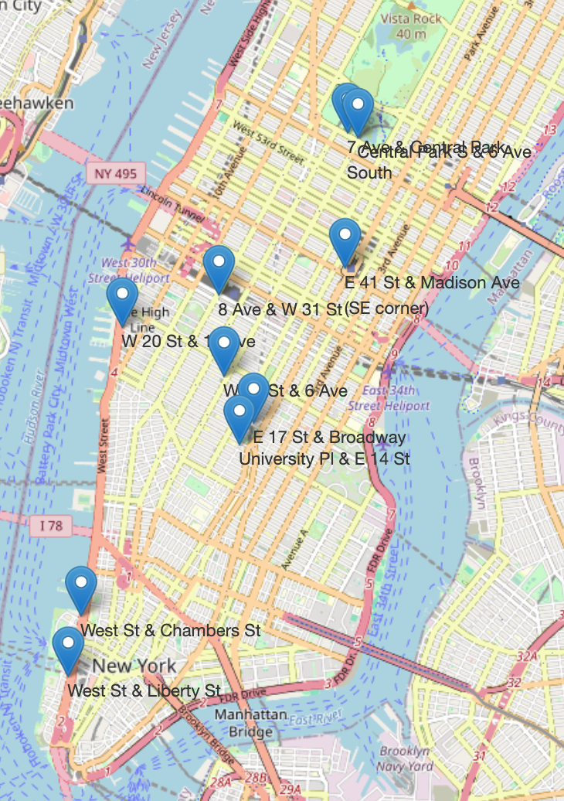
Bridging Efficiency and Sustainability: A Strategic Framework for Citibike Allocation Optimization in Urban Mobility

Decision Variables
Station Name | Regular Bikes (ni)
E 17 St & Broadway | 33
W 21 St & 6 Ave | 50
West St & Chambers St | 39
7 Ave & Central Park South | 53
8 Ave & W 31 St | 46
Central Park S & 6 Ave | 43
University Pl & E 14 St | 34
W 20 St & 10 Ave | 40
E 41 St & Madison Ave (SE corner) | 57
West St & Liberty St | 37
 | 433

Historical Data
 | Historical Demand | Availability | Capacity | Avg Time per trip | Revenue/min | Avg Revenue | Projected revenue
E 17 St & Broadway | 33.193548387 | 33 | 66 | 11.204033042 | $0.149 | $1.669 | $55.413
W 21 St & 6 Ave | 50.225806452 | 10 | 74 | 13.006604581 | $0.149 | $1.938 | $97.337
West St & Chambers St | 39.290322581 | 104 | 113 | 14.435276409 | $0.149 | $2.151 | $84.508
7 Ave & Central Park South | 32.548387097 | 37 | 79 | 18.317988107 | $0.149 | $2.729 | $144.833
8 Ave & W 31 St | 45.935483871 | 71 | 97 | 14.308684457 | $0.149 | $2.132 | $97.934
Central Park S & 6 Ave | 21.451612903 | 63 | 73 | 25.519548872 | $0.149 | $3.802 | $163.136
University Pl & E 14 St | 34.225806452 | 21 | 61 | 12.409880616 | $0.149 | $1.849 | $63.286
W 20 St & 10 Ave | 40.064516129 | 24 | 49 | 13.34161299 | $0.149 | $1.988 | $79.644
E 41 St & Madison Ave (SE corner) | 56.838709677 | 36 | 90 | 12.306138857 | $0.149 | $1.834 | $104.220
West St & Liberty St | 37.258064516 | 34 | 48 | 13.234069264 | $0.149 | $1.972 | $73.468
 | 391.03225806 | 433 | 750 |  |  |  | $963.780 | Objective

Constraints

 | Total of the decision variables of each category |  | Supply/ availability
The total number of Regular Bikes available | 433 | <= | 433

Capacity at each station due to empty docks
 |  | (10% of each station)
Station | Capacity | Empty docks | Remaining Availability
E 17 St & Broadway | 66 | 10% | 59.4
W 21 St & 6 Ave | 74 | 10% | 66.6
West St & Chambers St | 113 | 10% | 101.7
7 Ave & Central Park South | 79 | 10% | 71.1
8 Ave & W 31 St | 97 | 10% | 87.3
Central Park S & 6 Ave | 73 | 10% | 65.7
University Pl & E 14 St | 61 | 10% | 54.9
W 20 St & 10 Ave | 49 | 10% | 44.1
E 41 St & Madison Ave (SE corner) | 90 | 10% | 81
West St & Liberty St | 48 | 10% | 43.2

Demand Constraint (the decision variable should be greater than equal to demand)

In each case, the decision variable must be greater than equal to the historical demand

5% of all docks should remain empty due to maintenance purposes

Station | Capacity | Under maintenance | Remaining availability | Net capacity
E 17 St & Broadway | 66 | 3.3 | 62.7 | 56.1
W 21 St & 6 Ave | 74 | 3.7 | 70.3 | 62.9
West St & Chambers St | 113 | 5.65 | 107.35 | 96.05
7 Ave & Central Park South | 79 | 3.95 | 75.05 | 67.15
8 Ave & W 31 St | 97 | 4.85 | 92.15 | 82.45
Central Park S & 6 Ave | 73 | 3.65 | 69.35 | 62.05
University Pl & E 14 St | 61 | 3.05 | 57.95 | 51.85
W 20 St & 10 Ave | 49 | 2.45 | 46.55 | 41.65
E 41 St & Madison Ave (SE corner) | 90 | 4.5 | 85.5 | 76.5
West St & Liberty St | 48 | 2.4 | 45.6 | 40.8
 |  |  |  | 637.5
Decision Variable should be <= 2X Historical Demand

Station | 2x Historical Demand |  | Decision Variable
E 17 St & Broadway | 66.387096774 | >= | 33.193548387
W 21 St & 6 Ave | 100.4516129 | >= | 50.225806452
West St & Chambers St | 78.580645161 | >= | 39.290322581
7 Ave & Central Park South | 65.096774194 | >= | 53.064516129
8 Ave & W 31 St | 91.870967742 | >= | 45.935483871
Central Park S & 6 Ave | 42.903225806 | >= | 42.903225806
University Pl & E 14 St | 68.451612903 | >= | 34.225806452
W 20 St & 10 Ave | 80.129032258 | >= | 40.064516129
E 41 St & Madison Ave (SE corner) | 113.67741935 | >= | 56.838709677
West St & Liberty St | 74.516129032 | >= | 37.258064516

Model 2
Model 2 Optimizing Bike Allocation
Our second model is a max flow optimization problem. Here, we seek to identify the optimal path for moving bikes overnight from one station to another at minimal cost. Each station can either supply bikes or may require additional bikes to meet the optimal demand in the morning. By structuring our methodology in this manner, we aim to streamline the optimization process, maximizing the efficiency of Citibike operations while minimizing associated costs. |  |  |  | 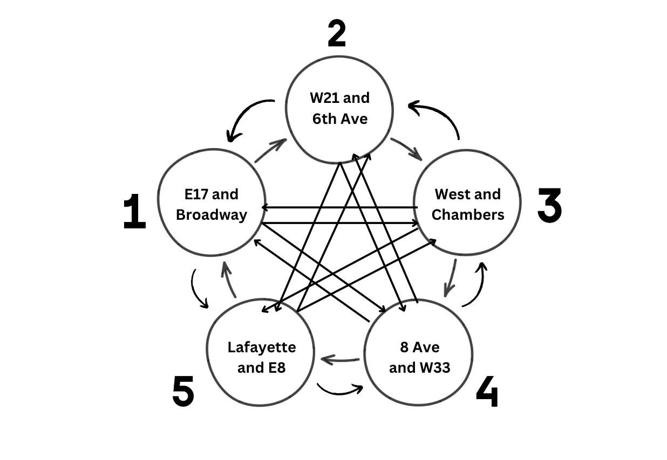

Decision Variable- Flow of bikes from one station to another
 | Edges |  |  |  |  |  |  | (Cost*Decision*Time) |  | Nodes |  |  | Net | (Availability+Net Inflow) |  | (From previous model)
All possible combinations (Marked them as numbers for ease right now) | From | To | Cost per min | Time (in mins) | Decision |  | Limit | Total Cost | Station Name |  | Availability |  | Net | Finally Available |  | Optimal Demand
1 | 1 | 2 | 0.36 | 2.5 | 12 | ≤ | 18 | 10.779500321 | E 17 St & Broadway | 1 | 33 | + | 0 | 33 | = | 33
2 | 1 | 3 | 0.36 | 11.7 | 0 | ≤ | 12 | 0 | W 21 St & 6 Ave | 2 | 10 | + | 40 | 50 | = | 50
3 | 1 | 4 | 0.36 | 13.7 | 0 | ≤ | 12 | 0 | West St & Chambers St | 3 | 104 | + | -64 | 40 | = | 40
4 | 1 | 5 | 0.36 | 6.0 | 0 | ≤ | 18 | 0 | 7 Ave & Central Park South | 4 | 37 | + | 17 | 54 | = | 54
5 | 1 | 6 | 0.36 | 13.6 | 0 | ≤ | 12 | 0 | 8 Ave & W 31 St | 5 | 71 | + | -25 | 46 | = | 46
6 | 1 | 7 | 0.36 | 1.1 | 0 | ≤ | 18 | 0 | Central Park S & 6 Ave | 6 | 63 | + | -21 | 42 | = | 42
7 | 1 | 8 | 0.36 | 7.4 | 0 | ≤ | 18 | 0 | University Pl & E 14 St | 7 | 21 | + | 13 | 34 | = | 34
8 | 1 | 9 | 0.36 | 8.1 | 0 | ≤ | 18 | 0 | W 20 St & 10 Ave | 8 | 24 | + | 16 | 40 | = | 40
9 | 1 | 10 | 0.36 | 14.1 | 0 | ≤ | 12 | 0 | E 41 St & Madison Ave (SE corner) | 9 | 36 | + | 21 | 57 | = | 57
10 | 2 | 1 | 0.36 | 2.5 | 0 | ≤ | 18 | 0 | West St & Liberty St | 10 | 34 | + | 3 | 37 | = | 37
11 | 2 | 3 | 0.36 | 12.5 | 0 | ≤ | 12 | 0 |  |  |  |  |  | 433 |  | 433
12 | 2 | 4 | 0.36 | 12.3 | 0 | ≤ | 12 | 0
13 | 2 | 5 | 0.36 | 3.7 | 0 | ≤ | 18 | 0 |  |  |  |  |  | (In-Out)
14 | 2 | 6 | 0.36 | 12.3 | 0 | ≤ | 12 | 0 | Station Name | Net | Out |  | In | Net Inflow
15 | 2 | 7 | 0.36 | 3.1 | 0 | ≤ | 18 | 0 | E 17 St & Broadway | 1 | 12 | - | 12 | 0
16 | 2 | 8 | 0.36 | 5.1 | 0 | ≤ | 18 | 0 | W 21 St & 6 Ave | 2 | 0 | - | 40 | 40
17 | 2 | 9 | 0.36 | 7.3 | 0 | ≤ | 18 | 0 | West St & Chambers St | 3 | 64 | - | 0 | -64
18 | 2 | 10 | 0.36 | 15.2 | 0 | ≤ | 12 | 0 | 7 Ave & Central Park South | 4 | 0 | - | 17 | 17
19 | 3 | 1 | 0.36 | 11.7 | 12 | ≤ | 12 | 50.38159644 | 8 Ave & W 31 St | 5 | 25 | - | 0 | -25
20 | 3 | 2 | 0.36 | 12.5 | 12 | ≤ | 12 | 54.141904446 | Central Park S & 6 Ave | 6 | 21 | - | 0 | -21
21 | 3 | 4 | 0.36 | 24.8 | 0 | ≤ | 12 | 0 | University Pl & E 14 St | 7 | 5 | - | 18 | 13
22 | 3 | 5 | 0.36 | 15.7 | 0 | ≤ | 12 | 0 | W 20 St & 10 Ave | 8 | 0 | - | 16 | 16
23 | 3 | 6 | 0.36 | 24.8 | 0 | ≤ | 12 | 0 | E 41 St & Madison Ave (SE corner) | 9 | 0 | - | 21 | 21
24 | 3 | 7 | 0.36 | 10.5 | 18 | ≤ | 18 | 68.237493733 | West St & Liberty St | 10 | 0 | - | 3 | 3
25 | 3 | 8 | 0.36 | 13.1 | 12 | ≤ | 12 | 56.662021793
26 | 3 | 9 | 0.36 | 19.6 | 7 | ≤ | 12 | 49.495092408
27 | 3 | 10 | 0.36 | 2.8 | 3 | ≤ | 18 | 2.9913010904 | Station Name |  | Availability |  | In |  |  | Capacity
28 | 4 | 1 | 0.36 | 13.7 | 0 | ≤ | 12 | 0 | E 17 St & Broadway | 1 | 33 | + | 12 | 45 | <= | 66
29 | 4 | 2 | 0.36 | 12.3 | 0 | ≤ | 12 | 0 | W 21 St & 6 Ave | 2 | 10 | + | 40 | 50 | <= | 74
30 | 4 | 3 | 0.36 | 24.8 | 0 | ≤ | 12 | 0 | West St & Chambers St | 3 | 104 | + | 0 | 104 | <= | 113
31 | 4 | 5 | 0.36 | 9.3 | 0 | ≤ | 18 | 0 | 7 Ave & Central Park South | 4 | 37 | + | 17 | 54 | <= | 79
32 | 4 | 6 | 0.36 | 0.5 | 0 | ≤ | 18 | 0 | 8 Ave & W 31 St | 5 | 71 | + | 0 | 71 | <= | 97
33 | 4 | 7 | 0.36 | 14.8 | 0 | ≤ | 12 | 0 | Central Park S & 6 Ave | 6 | 63 | + | 0 | 63 | <= | 73
34 | 4 | 8 | 0.36 | 13.4 | 0 | ≤ | 12 | 0 | University Pl & E 14 St | 7 | 21 | + | 18 | 39 | <= | 61
35 | 4 | 9 | 0.36 | 6.1 | 0 | ≤ | 18 | 0 | W 20 St & 10 Ave | 8 | 24 | + | 16 | 40 | <= | 49
36 | 4 | 10 | 0.36 | 27.5 | 0 | ≤ | 12 | 0 | E 41 St & Madison Ave (SE corner) | 9 | 36 | + | 21 | 57 | <= | 90
37 | 5 | 1 | 0.36 | 6.0 | 0 | ≤ | 18 | 0 | West St & Liberty St | 10 | 34 | + | 3 | 37 | <= | 48
38 | 5 | 2 | 0.36 | 3.7 | 11 | ≤ | 18 | 14.606047252
39 | 5 | 3 | 0.36 | 15.7 | 0 | ≤ | 12 | 0
40 | 5 | 4 | 0.36 | 9.3 | 0 | ≤ | 18 | 0
41 | 5 | 6 | 0.36 | 9.4 | 0 | ≤ | 18 | 0
42 | 5 | 7 | 0.36 | 6.8 | 0 | ≤ | 18 | 0
43 | 5 | 8 | 0.36 | 4.6 | 4 | ≤ | 18 | 6.6456240751
44 | 5 | 9 | 0.36 | 5.8 | 10 | ≤ | 18 | 20.800459779
45 | 5 | 10 | 0.36 | 18.4 | 0 | ≤ | 12 | 0
46 | 6 | 1 | 0.36 | 13.6 | 0 | ≤ | 12 | 0
47 | 6 | 2 | 0.36 | 12.3 | 0 | ≤ | 12 | 0
48 | 6 | 3 | 0.36 | 24.8 | 0 | ≤ | 12 | 0
49 | 6 | 4 | 0.36 | 0.5 | 17 | ≤ | 18 | 3.043259536
50 | 6 | 5 | 0.36 | 9.4 | 0 | ≤ | 18 | 0
51 | 6 | 7 | 0.36 | 14.8 | 0 | ≤ | 12 | 0
52 | 6 | 8 | 0.36 | 13.6 | 0 | ≤ | 12 | 0
53 | 6 | 9 | 0.36 | 5.9 | 4 | ≤ | 18 | 8.4836660764
54 | 6 | 10 | 0.36 | 27.5 | 0 | ≤ | 12 | 0
55 | 7 | 1 | 0.36 | 1.1 | 0 | ≤ | 18 | 0
56 | 7 | 2 | 0.36 | 3.1 | 5 | ≤ | 18 | 5.6084112436
57 | 7 | 3 | 0.36 | 10.5 | 0 | ≤ | 18 | 0
58 | 7 | 4 | 0.36 | 14.8 | 0 | ≤ | 12 | 0
59 | 7 | 5 | 0.36 | 6.8 | 0 | ≤ | 18 | 0
60 | 7 | 6 | 0.36 | 14.8 | 0 | ≤ | 12 | 0
61 | 7 | 8 | 0.36 | 7.5 | 0 | ≤ | 18 | 0
62 | 7 | 9 | 0.36 | 9.2 | 0 | ≤ | 18 | 0
63 | 7 | 10 | 0.36 | 13.0 | 0 | ≤ | 12 | 0
64 | 8 | 1 | 0.36 | 7.4 | 0 | ≤ | 18 | 0
65 | 8 | 2 | 0.36 | 5.1 | 0 | ≤ | 18 | 0
66 | 8 | 3 | 0.36 | 13.1 | 0 | ≤ | 12 | 0
67 | 8 | 4 | 0.36 | 13.4 | 0 | ≤ | 12 | 0
68 | 8 | 5 | 0.36 | 4.6 | 0 | ≤ | 18 | 0
69 | 8 | 6 | 0.36 | 13.6 | 0 | ≤ | 12 | 0
70 | 8 | 7 | 0.36 | 7.5 | 0 | ≤ | 18 | 0
71 | 8 | 9 | 0.36 | 10.4 | 0 | ≤ | 18 | 0
72 | 8 | 10 | 0.36 | 15.9 | 0 | ≤ | 12 | 0
73 | 9 | 1 | 0.36 | 8.1 | 0 | ≤ | 18 | 0
74 | 9 | 2 | 0.36 | 7.3 | 0 | ≤ | 18 | 0
75 | 9 | 3 | 0.36 | 19.6 | 0 | ≤ | 12 | 0
76 | 9 | 4 | 0.36 | 6.1 | 0 | ≤ | 18 | 0
77 | 9 | 5 | 0.36 | 5.8 | 0 | ≤ | 18 | 0
78 | 9 | 6 | 0.36 | 5.9 | 0 | ≤ | 18 | 0
79 | 9 | 7 | 0.36 | 9.2 | 0 | ≤ | 18 | 0
80 | 9 | 8 | 0.36 | 10.4 | 0 | ≤ | 18 | 0
81 | 9 | 10 | 0.36 | 22.2 | 0 | ≤ | 12 | 0
82 | 10 | 1 | 0.36 | 14.1 | 0 | ≤ | 12 | 0
83 | 10 | 2 | 0.36 | 15.2 | 0 | ≤ | 12 | 0
84 | 10 | 3 | 0.36 | 2.8 | 0 | ≤ | 18 | 0
85 | 10 | 4 | 0.36 | 27.5 | 0 | ≤ | 12 | 0
86 | 10 | 5 | 0.36 | 18.4 | 0 | ≤ | 12 | 0
87 | 10 | 6 | 0.36 | 27.5 | 0 | ≤ | 12 | 0
88 | 10 | 7 | 0.36 | 13.0 | 0 | ≤ | 12 | 0
89 | 10 | 8 | 0.36 | 15.9 | 0 | ≤ | 12 | 0
90 | 10 | 9 | 0.36 | 22.2 | 0 | ≤ | 12 | 0
 |  |  |  |  |  |  | Objective | 351.87637819 | (Minimizing Cost)

