Product Vision
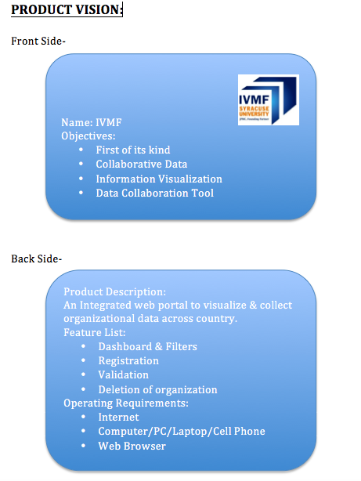
Product Vision
Elevator Statement:
FOR: | IVMF
WHO: | Collaboratives and Researchers
THE: | CDART
IS A: | Web Portal
THAT: | Enabling organisations and collaboratives to analyze their network hierarchies
UNLIKE: | None
WE: | Innovative Tool

Product Box

Business Case
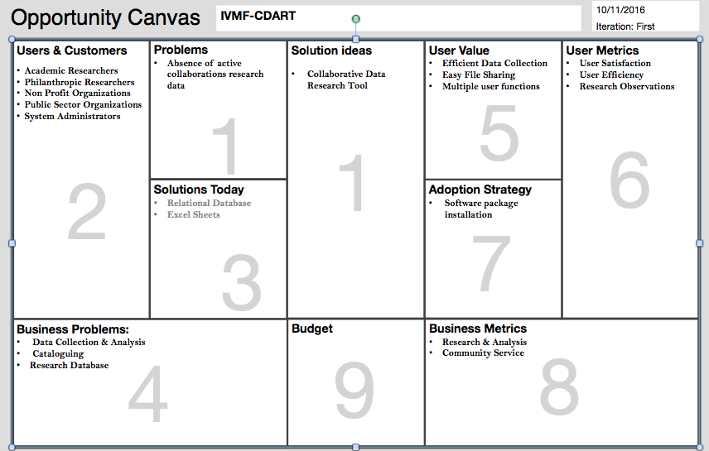
Business Case

Story Map
Story Maps

MMF
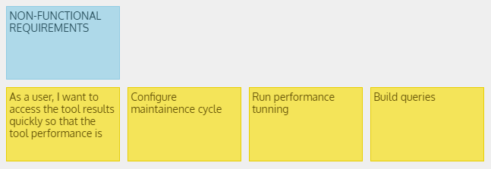

 | Page - 12

Sprint Backlog
Sprint Backlog

Sprint Goal | The Sprint 1 goal is to complete the development of the CDART supporting data systems (analyze relational database and create the multidimensional database) so that the existing data will be available for the customer to search by location.

Backlog Item | Story Points | Responsible | Status | Original Estimate | Day 1 | Day 2 | Day 3 | Day 4 | Day 5 | Sprint Review
User Story #1 [Risk Response : R5] : As an administrator, I want to re-structure data from the relational database so that I can query the data quickly | 11 | Monika and Rachael | Complete
Task1: Analyse Relational Database |  |  |  | 8 | 1 | 2 | 3 | 5 | 7
Task2: Identify required entities |  |  |  | 3 | 1 | 1 | 0 | 0 | 1
User Story #2 [Risk Response : R5] : As a developer, I want to clean the data so that I can import correct data for the dashboard | 9 | Gauri and Kirti | Opened
Task1: Create high level dimensional model |  |  |  | 4 | 1 | 0 | 2 | 0 | 3
Task2: Load data in dimensional model |  |  |  | 3 | 0 | 1 | 1 | 1 | 0
Task3: Create multi dimensional cube database |  |  |  | 2 | 0 | 1 | 0 | 1 | 0
User Story #3 : As a organization/collaborative user/researcher/administrator, I want to search collaboratives and organizations based on state so I can get list of organizations in that state to approach | 21 | Ishani and Pulkit | Opened
Task1: Analyse data |  |  |  | 5 | 1 | 2 | 0 | 3 | 4
Task2: Data Cleaning |  |  |  | 6 | 1 | 2 | 3 | 0 | 5
Task3: Import data |  |  |  | 4 | 0.5 | 1.5 | 2 | 3 | 3.5
Task4: Design menu bar |  |  |  | 2 | 0.5 | 0.5 | 0 | 1 | 1.5
Task5: Creating Map |  |  |  | 1 | 0 | 0 | 1 | 0 | 0
Task6: Create state filter |  |  |  | 1 | 0 | 1 | 0 | 0 | 0
Task7: Publish to website |  |  |  | 1 | 1 | 0 | 0 | 0 | 0
Task8: Test state data |  |  |  | 1 | 1 | 0 | 0 | 0 | 0
User Story #4 [Risk Response : R2] : As a user, I want to access the tool results quickly so that the tool performance is fast | 13 | Mohit
Task1: Build queries |  |  |  | 9 | 0 | 0 | 0 | 0 | 0
Task2: Run performance tunning |  |  |  | 2 | 0 | 0 | 0 | 0 | 0
Task3: Configure maintainence cycle |  |  |  | 2 | 0 | 0 | 0 | 0 | 0
Total |  |  |  | 0 | 8 | 12 | 12 | 14 | 25
Sprint Burnup
 | Sprint Burndown Chart
Day 1 | 0
Day 2 | 8
Day 3 | 12
Day 4 | 12
Day 5 | 14
Sprint Review | 25

EVM
 | Planned Value (PV) | Earned Value (EV) | Actual Cost (AC)
1 | 460 | 323.5 | 520
2 | 860 | 387 | 1025
3 | 1120 | 429.5 | 1405
4
5
6
7
8
9
10
11
12
Earned Value Management Metrics |  |  |  |  |  | Cumulative Earned Value (EV)
 |  |  |  |  |  | WBS | Task Name | TBC | Wk 1 | Wk 2 | Wk 3
 |  |  |  |  |  | 1.1 | Restructure Data | 170 | 25% | 30% | 45%
 |  |  |  |  |  | 1.2 | Data Cleansing | 280 | 25% | 30% | 45%
 |  |  |  |  |  | 1.3 | Indetify required entities | 350 | 20% | 60% | 20%
 |  |  |  |  |  | 1.4 | Create dimensional model | 100 | 45% | 10% | 45%
 |  |  |  |  |  | 1.5 | Load data | 80 | 100%
 |  |  |  |  |  | 1.6 | Create multilevel cube | 160 | 10% | 20% | 70%

 |  |  |  |  |  |  |  | Cumulative EV | 323.5 | 387 | 429.5

 |  |  |  |  |  | Actual Cost (AC) of Work Performed
 |  |  |  |  |  | WBS | Task Name |  | Wk 1 | Wk 2 | Wk 3
 |  |  |  |  |  | 1.1 | Restructure Data |  | 110 | 60
Planned Value (PV) or Budgeted Cost of Work Scheduled (BCWS) |  |  |  |  |  | 1.2 | Data Cleansing |  | 110 | 110 | 60
WBS | Task Name | TBC | 1 | 2 | 3 | 1.3 | Indetify required entities |  | 80 | 180 | 90
1.1 | Restructure Data | 170 | 80 | 100 |  | 1.4 | Create dimensional model |  | 80 | 75 | 150
1.2 | Data Cleansing | 280 | 90 | 60 | 80 | 1.5 | Load data |  | 60
1.3 | Indetify required entities | 350 | 100 | 80 | 80 | 1.6 | Create multilevel cube |  | 80 | 80 | 80
1.4 | Create dimensional model | 100 | 60 | 80 | 100
1.5 | Load data | 80 | 50 |  |  | Insert new rows above this one
1.6 | Create multilevel cube | 160 | 80 | 80 |  |  |  | Total Actual Cost | 520 | 505 | 380

 |  |  |  |  |  |  |  | Cumulative Actual Cost (AC) | 520 | 1025 | 1405

Insert new rows above this one
 | Total Budgeted Cost | 1140 | 460 | 400 | 260
 |  | Cumulative Planned Value (PV) | 460 | 860 | 1120

Actual Cost and Earned Value
 |  | Cumulative Actual Cost (AC) | 520 | 1025 | 1405
 |  | Cumulative Earned Value (EV) | 323.5 | 387 | 429.5

Project Performance Metrics
 |  | Cost Variance (CV = EV - AC) | -196.5 | -638 | -975.5
 |  | Schedule Variance (SV = EV - PV) | -136.5 | -473 | -690.5
 |  | Cost Performance Index (CPI = EV/AC) | 0.62 | 0.38 | 0.31
 |  | Schedule Performance Index (SPI = EV/PV) | 0.70 | 0.45 | 0.38
 |  | Estimated Cost at Completion (EAC) | 1832 | 3019 | 3729

CFD
Cumulative flow diagrams (CFDs)

CFD [CDART]
 | Done/Delivered | In Progress/Doing | Requested/Committed Work | Backlog/New Items
42643 |  |  |  | 2
42644 |  |  | 2 | 3
42645 |  | 1 | 2 | 3
42646 | 1 | 2 | 3 | 4
42647 | 2 | 2 | 3 | 5
42648 | 2 | 2 | 4 | 6
42649 | 2 | 4 | 5 | 9
42650 | 4 | 5 | 5 | 9
42651 | 5 | 5 | 7 | 12
42652 | 5 | 7 | 8 | 12
42653 | 6 | 7 | 10 | 13
42654 | 8 | 9 | 11 | 14
42655 | 8 | 11 | 14 | 15
42656 | 10 | 11 | 15 | 15

Date | Backlog/New Items | Requested/Committed Work | In Progress/Doing | Done/Delivered
2016-09-30 | 2
2016-10-01 | 3 | 2
2016-10-02 | 3 | 2 | 1
2016-10-03 | 4 | 3 | 2 | 1
2016-10-04 | 5 | 3 | 2 | 2
2016-10-05 | 6 | 4 | 2 | 2
2016-10-06 | 9 | 5 | 4 | 2
2016-10-07 | 9 | 5 | 5 | 4
2016-10-08 | 12 | 7 | 5 | 5
2016-10-09 | 12 | 8 | 7 | 5
2016-10-10 | 13 | 10 | 7 | 6
2016-10-11 | 14 | 11 | 9 | 8
2016-10-12 | 15 | 14 | 11 | 8
2016-10-13 | 15 | 15 | 11 | 10

Velocity Tracking Chart
Velocity Tracking Chart

 | Sprint | Sprint Velocity
 | 1 | 30
 | 2 | 35
 | 3 | 33
 | 4 | 30
 | 5 | 30

 | Average Velocity | 31.6

Velocity Tracking Chart

Parking Lot Diagram
Parking Lot Diagram

2016-12-09 | Todays date

Feature Group | Feature | Due Date | Col. Status | Work Status | % Complete | % Rem. | Graphic
Search by Location |  | 2016-12-29 | Blue |  | 30% | 70%
 | Filter by State |  |  | 60% |  |  | Search by Location
 | Filter by County |  |  | 20% |  |  | ( | 3 )
 | Filter by ZipCode |  |  | 10%

 |  |  |  |  |  |  | 30%

 |  |  |  |  |  |  | 2016-12-29

View Collaborative details |  | 2016-12-29 | White |  | 0% | 100%
 | Select Items |  |  | 0% |  |  | View Collaborative details
 | Select Quantities |  |  | 0% |  |  | ( | 6 )
 | Look up prices |  |  | 0%
 | Calculate total |  |  | 0%
 | Add taxes |  |  | 0% |  |  | 0%
 | Calculate Grand Total |  |  | 0%
 |  |  |  |  |  |  | 2016-12-29

Search by Collaborative details |  | 2016-12-19 | White |  | 0% | 100%
 | Get Name |  |  | 0% |  |  | Search by Collaborative details
 | Get Address |  |  | 0% |  |  | ( | 7 )
 | Get Phone numbers |  |  | 0%
 | Check if present |  |  | 0%
 | Save if new |  |  | 0%
 | Update if existing |  |  | 0% |  |  | 0%
 | Confirm save |  |  | 0%
 |  |  |  |  |  |  | 2016-12-19

Collaborative Details forms |  | 2016-12-08 | White |  | 0% | 100%
 | Set order ID |  |  | 0% |  |  | Collaborative Details forms
 | Get order items |  |  | 0% |  |  | ( | 5 )
 | Calculate total |  |  | 0%
 | Add taxes |  |  | 0%
 | Calculate Grand Total |  |  | 0% |  |  | 0%

 |  |  |  |  |  |  | 2016-12-08

(Blue because in progress yet not due for >14 days)
(Red because overdue)
(Yellow because due within 14 days)
(White because not started yet)

