Sheet1
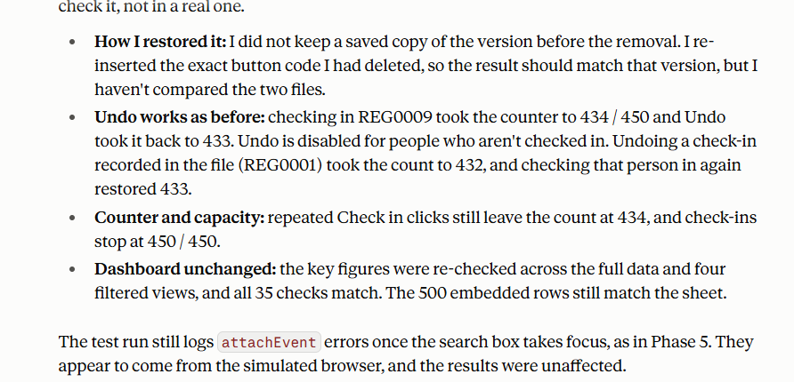
Evidence for Prompt 1
 |  | Evidence for Prompt 2

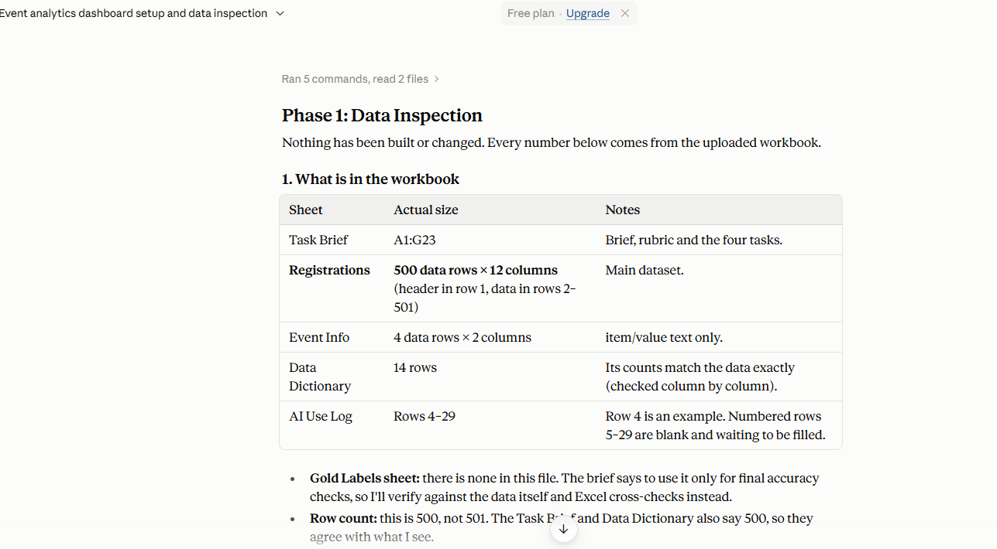
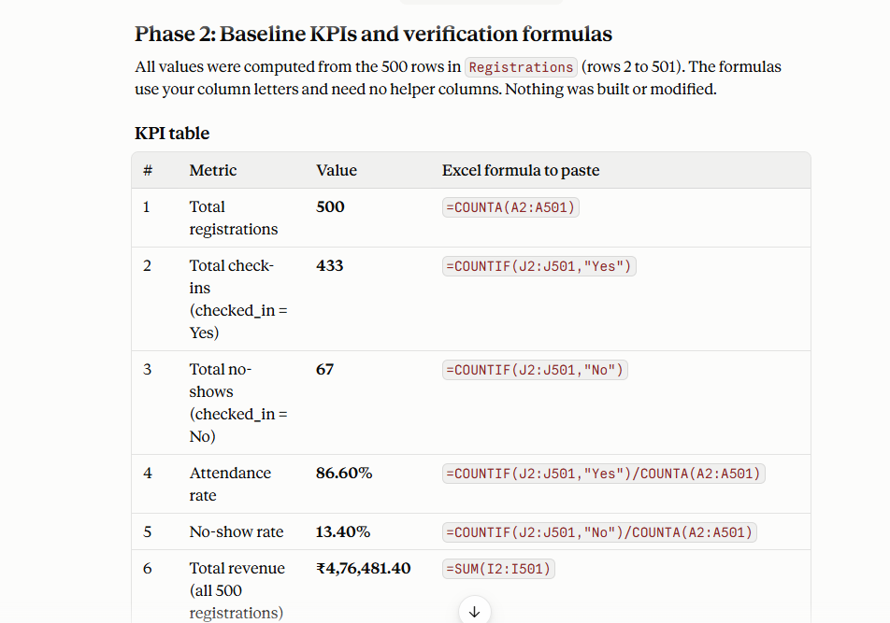

Evidence for Prompt 4 | Evidence for Prompt 5

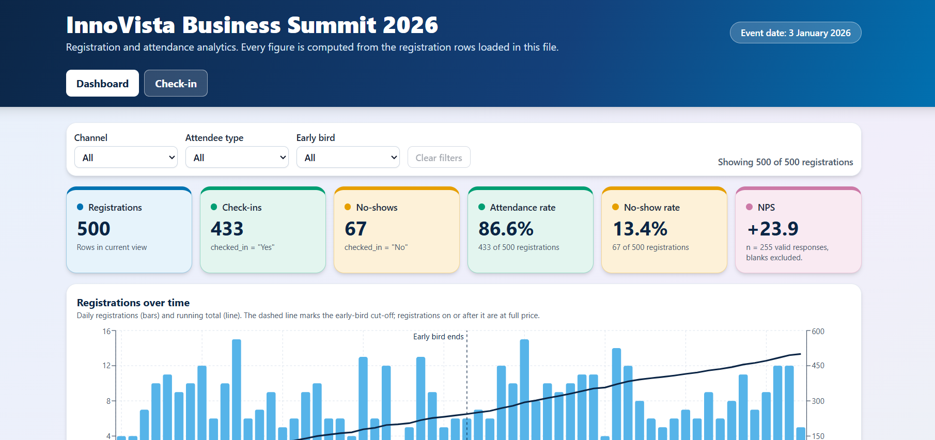

Evidence for Prompt 6 | Evidence for Prompt 7
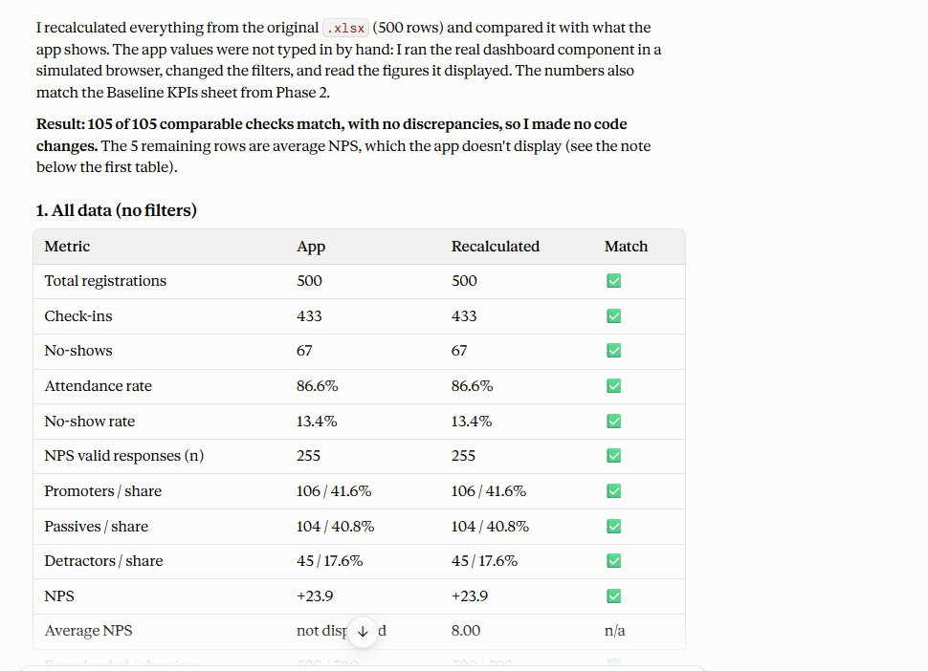
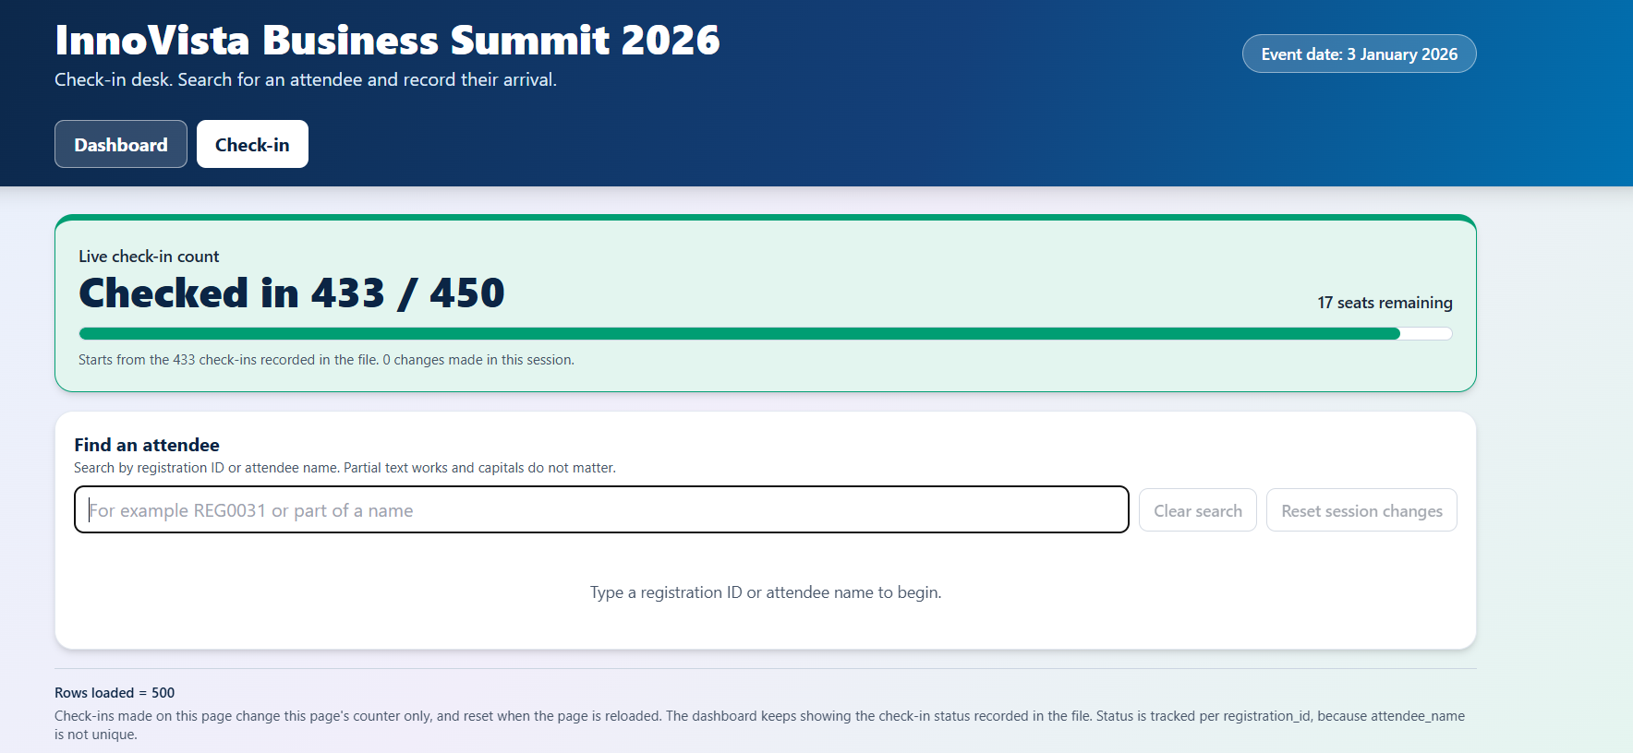

Evidence for Prompt 8 | Evidence for Prompt 9
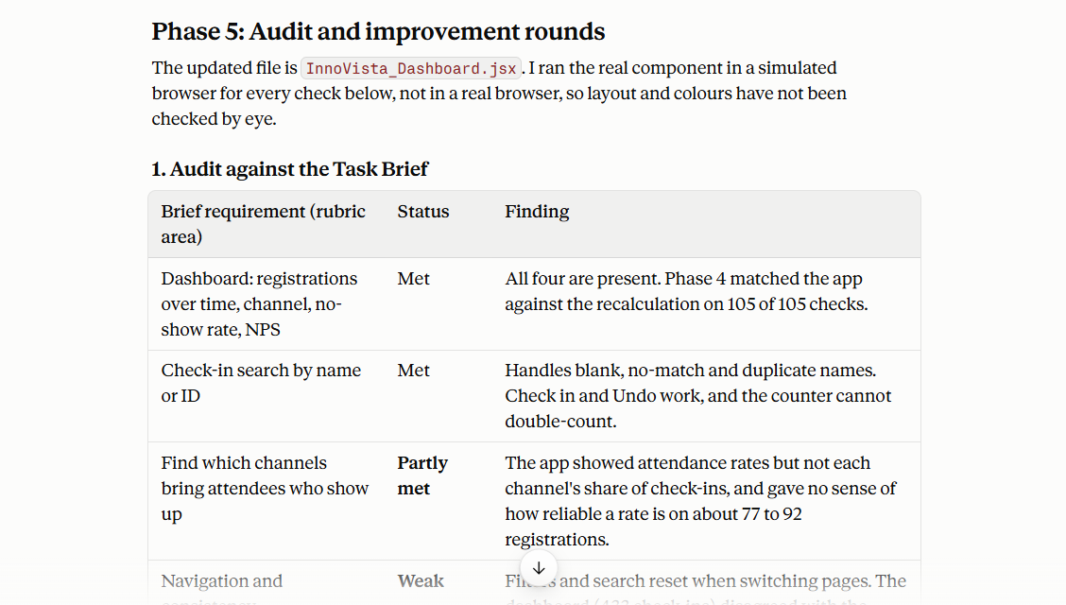
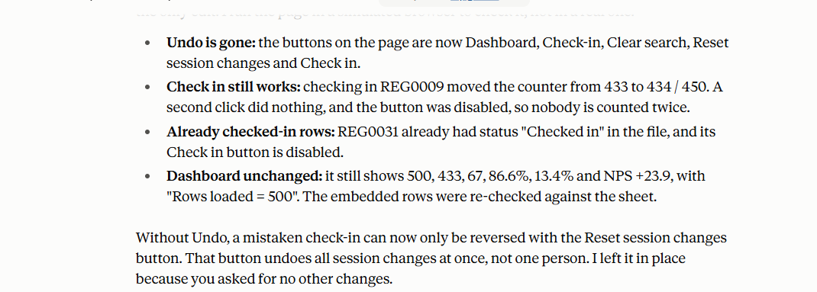

Evidence for Prompt 10

