Model Selection, LDA
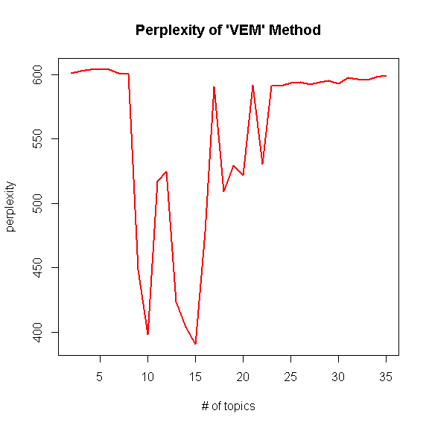
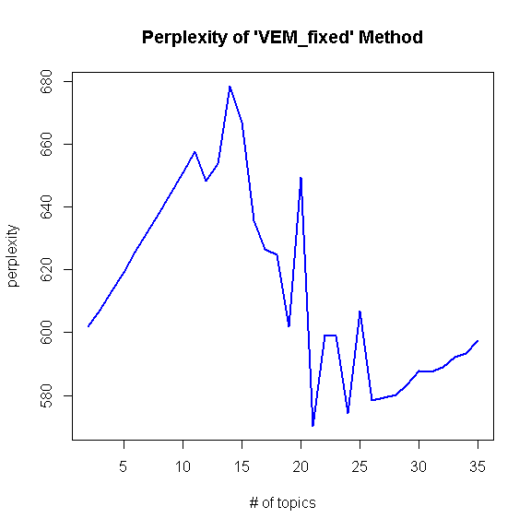
LDA - Model Selection
DATA: all othr_rsn_txt with stus_cd = "11" and revised "license"

perplexity

Method | k=2 | k=3 | k=4 | k=5 | k=6 | k=7 | k=8 | k=9 | k=10 | k=11 | k=12 | k=13 | k=14 | k=15 | k=16 | k=17 | k=18 | k=19 | k=20 | k=21 | k=22 | k=23 | k=24 | k=25 | k=26 | k=27 | k=28 | k=29 | k=30 | k=31 | k=32 | k=33 | k=34 | k=35
VEM | 601.33258736 | 603.06658922 | 603.81711233 | 603.99544006 | 603.69927191 | 600.98007908 | 600.73236375 | 448.36581912 | 398.09699541 | 517.20510346 | 524.98897347 | 423.22545604 | 403.61776833 | 390.64506675 | 477.67753583 | 590.78770617 | 509.36138255 | 529.36897292 | 521.70069054 | 591.95996334 | 530.38022004 | 591.07341098 | 591.29547164 | 593.33523626 | 594.29604594 | 592.35801631 | 594.05707279 | 595.2900702 | 593.22039377 | 597.87041091 | 596.65438472 | 596.09257935 | 598.0327375 | 599.60622681
VEM_fixed | 601.93925243 | 607.26053054 | 613.39407054 | 619.30989839 | 625.61754605 | 631.78056564 | 638.09151691 | 644.43670269 | 650.84049877 | 657.6039951 | 648.16640942 | 653.88260701 | 678.43006897 | 666.93953204 | 635.69030178 | 626.62528527 | 624.74214733 | 601.92592807 | 649.3418206 | 570.29130281 | 599.33528187 | 599.00155757 | 574.42062488 | 606.8009745 | 578.44649127 | 579.18786532 | 580.32165701 | 583.39664562 | 587.78728175 | 587.49285848 | 588.90176171 | 592.18907157 | 593.37222625 | 597.46271994

