LDA, Perplexity
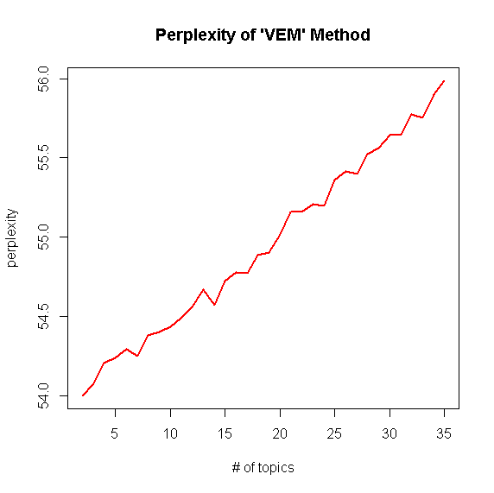
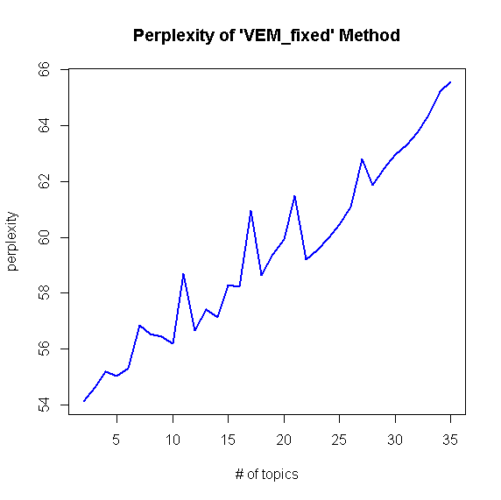
LDA - Model Selection

 | k=2 | k=3 | k=4 | k=5 | k=6 | k=7 | k=8 | k=9 | k=10 | k=11 | k=12 | k=13 | k=14 | k=15 | k=16 | k=17 | k=18 | k=19 | k=20 | k=21 | k=22 | k=23 | k=24 | k=25 | k=26 | k=27 | k=28 | k=29 | k=30 | k=31 | k=32 | k=33 | k=34 | k=35
VEM | 54.00 | 54.08 | 54.20 | 54.24 | 54.29 | 54.25 | 54.38 | 54.40 | 54.43 | 54.49 | 54.56 | 54.67 | 54.57 | 54.72 | 54.78 | 54.77 | 54.89 | 54.91 | 55.02 | 55.16 | 55.16 | 55.21 | 55.20 | 55.36 | 55.42 | 55.40 | 55.52 | 55.56 | 55.64 | 55.65 | 55.77 | 55.76 | 55.90 | 55.99
VEM_fixed | 54.12 | 54.63 | 55.18 | 55.04 | 55.32 | 56.87 | 56.54 | 56.45 | 56.18 | 58.69 | 56.67 | 57.43 | 57.14 | 58.30 | 58.23 | 60.96 | 58.65 | 59.38 | 59.93 | 61.48 | 59.21 | 59.55 | 60.00 | 60.45 | 61.10 | 62.80 | 61.86 | 62.46 | 62.97 | 63.30 | 63.76 | 64.37 | 65.22 | 65.58

