Graphs and Tables
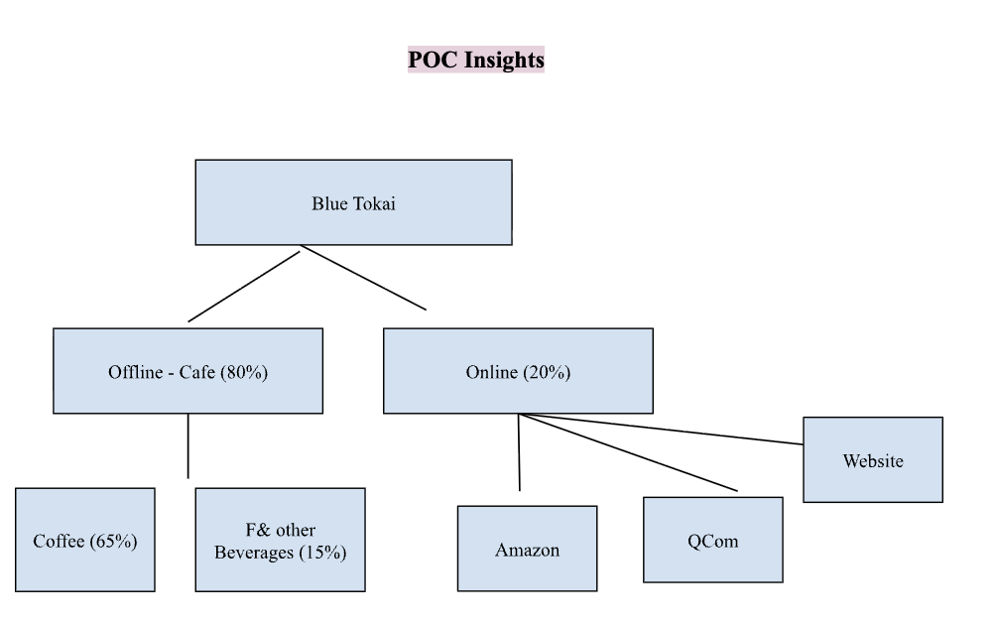
Food Gap and Functional Split
Layer | Metric | Updated 2025 Estimate |  | Categorisation | Parameter | Weights (out of 100)
TAM | Weekly café-goers | 20M people |  | Strategic Alignment & Consumer Resonance | Brand Positioning & Fit | 18
SAM (People) | Specialty café-goers | 4.4M – 6.4M (mid 5.4M) |  |  | Audience Overlap & Targeting | 14
SAM (Revenue) | Annual spend potential | ₹6,800–10,000 Cr |  |  | Cultural / Value Alignment | 11
SOM (Customer share) | BT weekly reach | 162K – 248K weekly customers |  |  | Brand Love & Perception | 6
SOM (Revenue share) | BT revenue vs SAM | ₹150–320 Cr |  | Execution & Risk | Operational Feasibility | 10
BT Cafes | Website Listing Count | 183 cafes |  |  | Timeline Feasibility | 8
SB integrated BT Cafes | Website Listing Count | 124 cafes |  |  | Legal & Compliance Risk | 8
 |  |  |  | Business Potential & Track Record | Commercial Viability (Scale Parity) | 14
 |  |  |  |  | Historical Collaboration | 8
Channel Distribution |  |  |  |  | Upside / Strategic Optionality | 3

Offline (80%) | Coffee (65%) | Foods and other Beverages (15%)

Weights_out_of_100
Online (20%) | Amazon (5%) | Q commerce (10%) | Website (5%)

