Dashboard
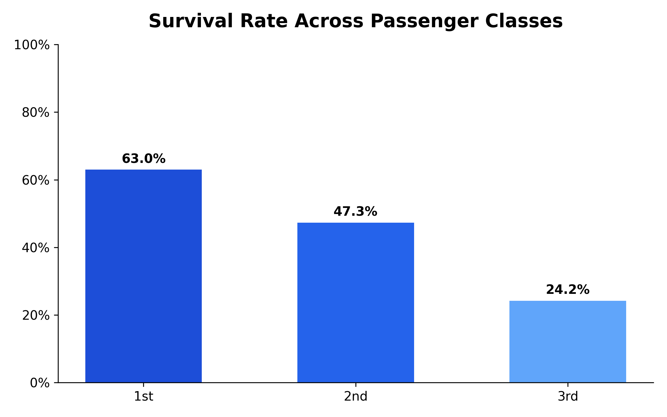
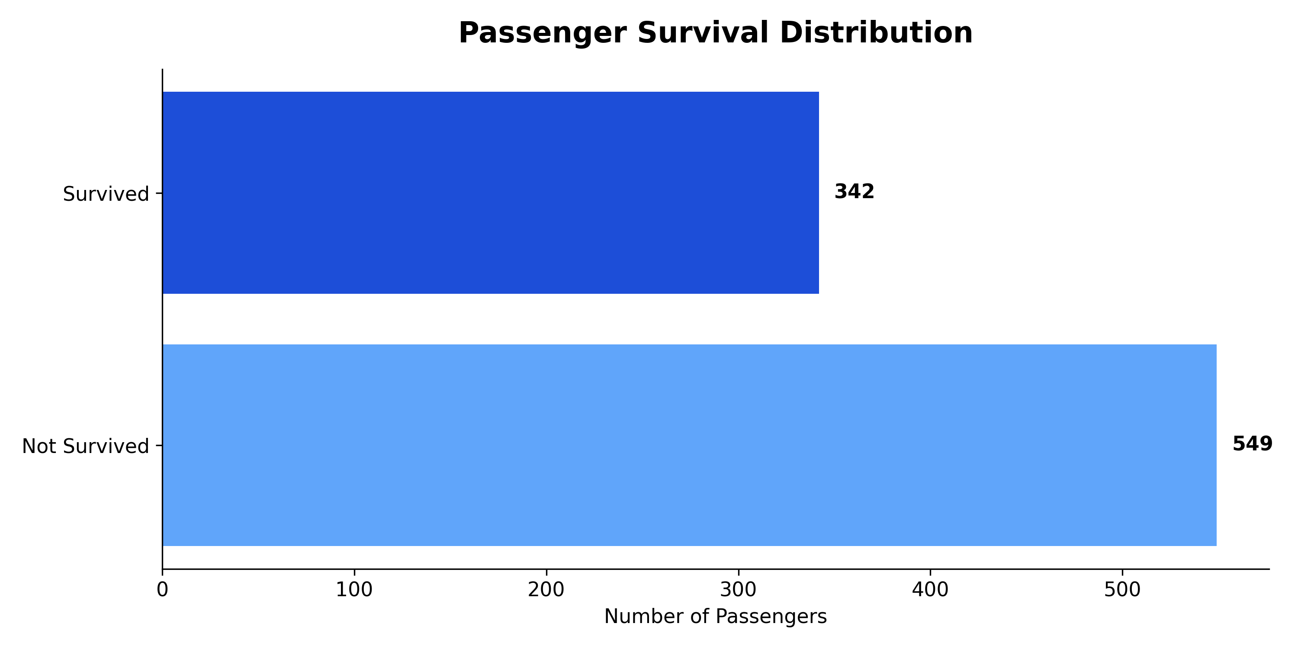
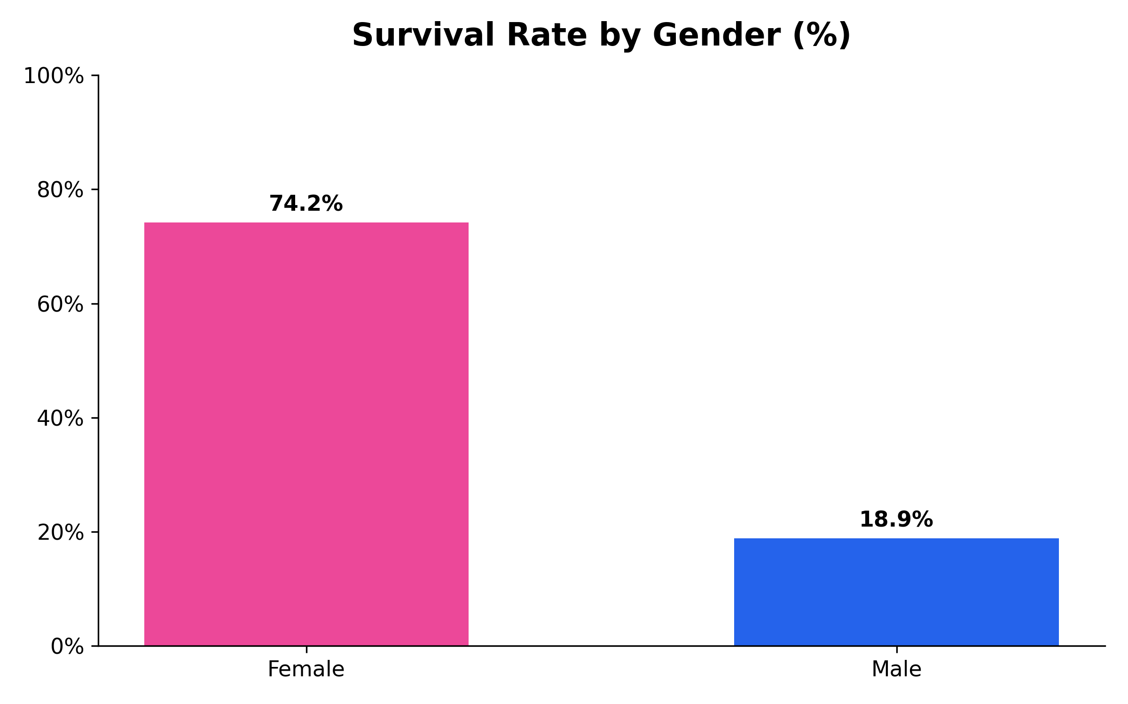
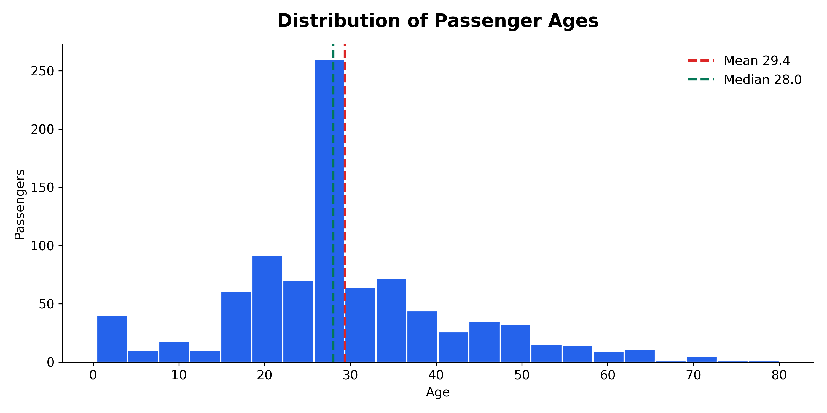
SWYNEX TASK 2 - EXECUTIVE DASHBOARD

Passengers | Survival Rate | Median Age | Missing Values
891 | 38.4% | 28 | 0

