Avocado_Mini_Summing_Exercise
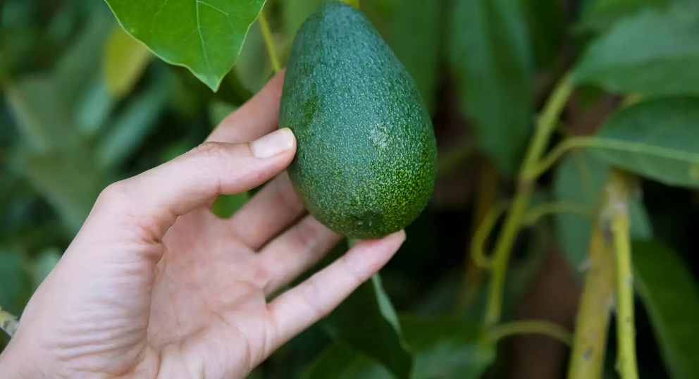
 |  |  |  |  |  |  | Aurella's Avos

 |  |  |  |  |  |  | At Aurella's Avos we're committed to delivering excellent quality produce at affordable prices that families, businesses and generally everyone can enjoy.
 |  |  |  |  |  |  | We produce both organic and conventional Avocado's that have different price points.
 |  |  |  |  |  |  | Previously, you helped us out with summarising our sales records for the 2015 Period.

 |  |  |  |  |  |  | The team had mentioned that you're excellent with Pivot Tables so we'd like you to create some Pivots and check our sales figures below.

Q1. Using a Pivot Table, check the production volumes for 2016 below and verify that Aurella's Summaries are correct. If you've found any values that don't match up, color-code those cells for follow up by the team.
Hint: You might want to create multiple pivots to account for the different avocado types…! If you're stuck, we've got a tab labelled Pivot Table Checks that showcases what the Pivot Tables should look like once you've built them! Rather than check manually, you might be able to use an IF Statement and use the following logic: IF(Sales For Hass in January = X Then 1 ELSE 0). In other words, if the Sales for January, match the values in the Pivot Table for January - we're good! We've populated an example table below for you to give you an idea of how you might tackle this!

Conventional Avocados |  |  |  |  |  |  |  |  |  |  |  |  |  |  |  |  |  |  |  | ☑ | ❗️
 | January | February | March | April | May | June | July | August | September | October | November | December | YTD Total |  | January | February | March | April | May | June | July | August | September | October | November | December
 | 1 | 2 | 3 | 4 | 5 | 6 | 7 | 8 | 9 | 10 | 11 | 12 |  |  | 1 | 2 | 3 | 4 | 5 | 6 | 7 | 8 | 9 | 10 | 11 | 12
Hass | 4,922 | 5,347 | 3,393 | 3,502 | 6,337 | 26,509 | 59,492 | 88,105 | 35,283 | 19,188 | 13,205 | 15,402 | 280,686 | Hass | ☑ | ☑ | ☑ | ☑ | ☑ | ☑ | ☑ | ☑ | ☑ | ☑ | ☑ | ☑
Reed | 457,731 | 391,050 | 346,039 | 284,202 | 515,111 | 367,858 | 405,076 | 300,370 | 271,289 | 322,313 | 196,867 | 270,522 | 4,128,428 | Reed | ☑ | ☑ | ☑ | ☑ | ☑ | ☑ | ☑ | ☑ | ☑ | ☑ | ☑ | ☑
Zutano | 431 | 210 | 224 | 137 | 368 | 203 | 313 | 120 | 211 | 340 | 100 | 703 | 3,359 | Zutano | ☑ | ☑ | ☑ | ☑ | ☑ | ☑ | ☑ | ☑ | ☑ | ☑ | ☑ | ☑
Total | 463,083 | 396,607 | 349,657 | 287,841 | 521,817 | 394,570 | 464,880 | 388,595 | 306,783 | 341,841 | 210,172 | 286,627 | 4,412,473

Small Bags | 81,046 | 53,034 | 50,617 | 50,836 | 93,511 | 70,760 | 83,631 | 57,211 | 44,724 | 52,838 | 37,477 | 38,547 | 714,231 | Small Bags | ☑ | ☑ | ☑ | ☑ | ☑ | ☑ | ☑ | ☑ | ☑ | ☑ | ☑ | ☑
Large Bags | 2,131 | 5,622 | 1,556 | 1,962 | 1,045 | 1,490 | 1,972 | 1,085 | 1,684 | 1,406 | 1,342 | 1,873 | 23,167 | Large Bags | ☑ | ☑ | ☑ | ☑ | ☑ | ☑ | ☑ | ☑ | ☑ | ☑ | ☑ | ☑
XLarge Bags | 0 | 0 | 0 | 232 | 1,204 | 6,335 | 10,190 | 3,527 | 105 | 0 | 57 | 43 | 21,693 | XLarge Bags | ☑ | ☑ | ☑ | ☑ | ☑ | ☑ | ☑ | ☑ | ☑ | ☑ | ☑ | ☑
Total Bags | 83,177 | 58,655 | 52,173 | 53,030 | 95,759 | 78,586 | 95,793 | 61,823 | 46,513 | 54,243 | 38,876 | 40,463 | 759,091

Organic Avocados
 | January | February | March | April | May | June | July | August | September | October | November | December | YTD Total |  | January | February | March | April | May | June | July | August | September | October | November | December
 | 1 | 2 | 3 | 4 | 5 | 6 | 7 | 8 | 9 | 10 | 11 | 12 |  |  | 1 | 2 | 3 | 4 | 5 | 6 | 7 | 8 | 9 | 10 | 11 | 12
Hass | 166 | 95 | 167 | 113 | 231 | 145 | 235 | 164 | 100 | 94 | 66 | 139 | 1,715 | Hass | ☑ | ❗️ | ❗️ | ❗️ | ❗️ | ❗️ | ❗️ | ❗️ | ❗️ | ❗️ | ❗️ | ❗️
Reed | 1,428 | 367 | 1,101 | 429 | 1,157 | 570 | 554 | 542 | 570 | 561 | 906 | 544 | 8,727 | Reed | ☑ | ❗️ | ❗️ | ❗️ | ❗️ | ❗️ | ❗️ | ❗️ | ❗️ | ❗️ | ❗️ | ❗️
Zutano | 0 | 0 | 0 | 0 | 0 | 0 | 0 | 0 | 0 | 0 | 0 | 0 | 0 | Zutano | ☑ | ☑ | ☑ | ☑ | ☑ | ☑ | ☑ | ☑ | ☑ | ☑ | ☑ | ☑
Total | 1,595 | 461 | 1,268 | 541 | 1,388 | 715 | 789 | 706 | 670 | 655 | 972 | 683 | 10,442

Small Bags | 5,521 | 4,873 | 5,952 | 5,065 | 7,791 | 4,629 | 4,485 | 5,922 | 2,990 | 3,765 | 4,276 | 3,609 | 58,877 | Small Bags | ☑ | ❗️ | ❗️ | ❗️ | ❗️ | ❗️ | ❗️ | ❗️ | ❗️ | ❗️ | ❗️ | ❗️
Large Bags | 16 | 0 | 0 | 0 | 0 | 0 | 0 | 0 | 0 | 28 | 5 | 15 | 64 | Large Bags | ☑ | ❗️ | ☑ | ☑ | ☑ | ☑ | ☑ | ☑ | ☑ | ❗️ | ❗️ | ❗️
XLarge Bags | 0 | 0 | 0 | 0 | 0 | 0 | 0 | 0 | 0 | 0 | 0 | 0 | 0 | XLarge Bags | ☑ | ☑ | ☑ | ☑ | ☑ | ☑ | ☑ | ☑ | ☑ | ☑ | ☑ | ☑
Total Bags | 5,536 | 4,873 | 5,952 | 5,065 | 7,791 | 4,629 | 4,485 | 5,922 | 2,990 | 3,793 | 4,281 | 3,624 | 58,941

Q2. Using your AVERAGEIFS capabilities, calculate the Weekly Average Quantity Sold of Avocados by Growth Type (Conventional | Organic Varieties) for each month for the 2016 Period.
Hint: Remember the AVERAGEIFS Syntax that we've highlighted here: =AVERAGEIFS(Average_Range, Criteria_Range_1, Criteria_To_Look_Up…)

 | January | February | March | April | May | June | July | August | September | October | November | December | YTD Average
 | 1 | 2 | 3 | 4 | 5 | 6 | 7 | 8 | 9 | 10 | 11 | 12
Conventional | 109,251.96 | 113,815.52 | 100,457.43 | 85,217.84 | 123,515.27 | 118,288.95 | 112,134.69 | 112,604.30 | 88,324.05 | 79,216.89 | 62,261.90 | 81,772.52 | 99,453.15
Organic | 1,426.22 | 1,317.32 | 1,741.33 | 2,113.17 | 1,455.60 | 1,197.84 | 2,293.45 | 1,750.82 | 2,463.36 | 1,970.59 | 2,066.96 | 1,609.78 | 1,784.07
Monthly Average Sold | 55,339.09 | 57,566.42 | 51,099.38 | 43,665.50 | 62,485.44 | 59,743.39 | 57,214.07 | 57,177.56 | 45,393.70 | 40,593.74 | 32,164.43 | 41,691.15 | 50,618.61

Now we've noticed there are some periods in the year where the overall quantity sold is abnormally high. Aurella has asked her team to categorise and label the months based off the following rules.

Conditions
If the Overall Monthly Sales Volume is…
Conventional |  | Organic
< 65,000 - Low |  | <1,500 - Low
65,000 - 95,000 - Medium |  | 1500 - 2000 - Medium
>95000 - High |  | > 2000 - High

Q3. Using your knowledge of the IF/IFS Syntax, please categorise the Monthly Averages based off the Criteria provided by Aurella. Put this in table below.
Hint: Remember the IF/IFS Syntax to help you out. Think carefully regarding how many conditions you have to evaluate…!

 | January | February | March | April | May | June | July | August | September | October | November | December
 | 1 | 2 | 3 | 4 | 5 | 6 | 7 | 8 | 9 | 10 | 11 | 12
Conventional | High | High | High | Medium | High | High | High | High | Medium | Medium | Low | Medium
Organic | Low | Low | Medium | High | Low | Low | High | Medium | High | Medium | High | Medium

