Avocado_Mini_IFS_Exercises
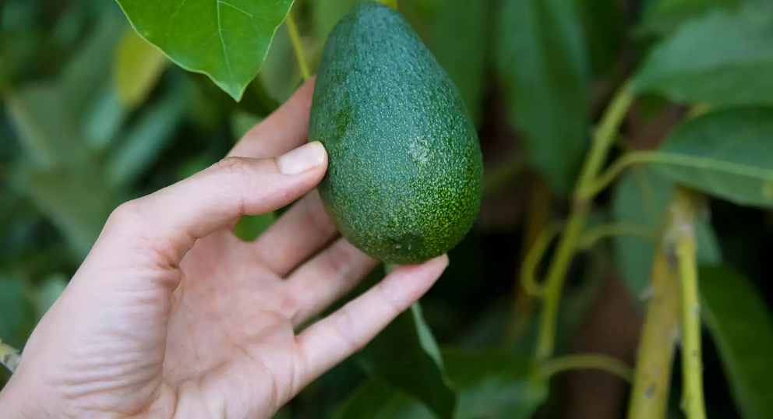
 |  |  |  |  |  |  |  | Aurella's Avos

 |  |  |  |  |  |  |  | At Aurella's Avos we're committed to delivering excellent quality produce at affordable prices that families, businesses and generally everyone can enjoy.
 |  |  |  |  |  |  |  | We produce both organic and conventional Avocado's across three varieties; Hass Avocados, Reed and Zutanos. The growth method is either organic or conventional. We've recently got the Production and Sales Data for the 2017 Period.
 |  |  |  |  |  |  |  | Seeing as you've done an excellent job, we'd like you to summarise this data for us and do some basic analysis for us regarding the total production figures and weekly average quantity of Avocados Sold Per Month.
 |  |  |  |  |  |  |  | We're looking forward to the great work you'll do!

Q1. Using your SUMIFS capabilities, complete the Production Volumes Summary Table for the Haas, Reed and Zutano Avocados Over the 2017 Period.
Hint: Remember the SUMIFS Syntax that we've highlighted here: =SUMIFS(Sum_Range, Criteria_Range_1, Criteria_To_Look_Up…)

Conventional Avocados
 | January | February | March | April | May | June | July | August | September | October | November | December | YTD Total
 | 1 | 2 | 3 | 4 | 5 | 6 | 7 | 8 | 9 | 10 | 11 | 12
Hass | 19,493 | 15,368 | 10,687 | 19,613 | 9,931 | 8,592 | 11,998 | 8,114 | 14,602 | 18,193 | 12,100 | 15,005 | 163,695.97
Reed | 454,114 | 402,252 | 330,834 | 388,713 | 361,769 | 305,747 | 394,426 | 313,974 | 269,412 | 281,541 | 281,929 | 412,238 | 4,196,949.49
Zutano | 3,541 | 2,491 | 358 | 469 | 757 | 1,318 | 5,044 | 724 | 367 | 276 | 352 | 359 | 16,056.16
Total | 477,147.66 | 420,110.95 | 341,879.72 | 408,795.00 | 372,457.29 | 315,656.20 | 411,467.88 | 322,812.58 | 284,380.43 | 300,010.26 | 294,381.55 | 427,602.10 | 4,376,701.62

Small Bags | 56,502 | 43,393 | 39,822 | 39,417 | 26,809 | 14,100 | 28,516 | 32,215 | 19,856 | 21,252 | 30,478 | 35,664 | 388,025
Large Bags | 643 | 1,108 | 37,092 | 54,585 | 45,990 | 28,150 | 23,413 | 17,843 | 15,713 | 18,022 | 20,054 | 30,261 | 292,874
XLarge Bags | 13 | 0 | 0 | 0 | 813 | 5,268 | 6,695 | 3,230 | 2,643 | 0 | 0 | 0 | 18,663
Total Bags | 57,159 | 44,500 | 76,914 | 94,003 | 73,613 | 47,518 | 58,624 | 53,288 | 38,212 | 39,275 | 50,532 | 65,925 | 699,562

Organic Avocados
 | January | February | March | April | May | June | July | August | September | October | November | December | YTD Total
 | 1 | 2 | 3 | 4 | 5 | 6 | 7 | 8 | 9 | 10 | 11 | 12
Hass | 329 | 1,704 | 1,034 | 1,810 | 166 | 585 | 401 | 188 | 245 | 90 | 31 | 224 | 6,806
Reed | 1,250 | 775 | 855 | 1,219 | 1,496 | 1,164 | 927 | 894 | 761 | 1,179 | 745 | 1,304 | 12,568
Zutano | 0 | 0 | 0 | 0 | 0 | 0 | 0 | 0 | 0 | 0 | 0 | 0 | 0
Total | 1,579 | 2,479 | 1,889 | 3,029 | 1,662 | 1,749 | 1,328 | 1,081 | 1,006 | 1,268 | 776 | 1,527 | 19,375

Small Bags | 7,703 | 5,790 | 7,355 | 10,695 | 12,056 | 10,826 | 12,450 | 8,865 | 11,211 | 21,826 | 10,659 | 16,501 | 135,934
Large Bags | 0 | 0 | 0 | 0 | 0 | 0 | 0 | 0 | 3 | 3 | 3 | 0 | 10
XLarge Bags | 0 | 0 | 0 | 0 | 0 | 0 | 0 | 0 | 0 | 0 | 0 | 0 | 0
Total Bags | 7,703 | 5,790 | 7,355 | 10,695 | 12,056 | 10,826 | 12,450 | 8,865 | 11,214 | 21,829 | 10,662 | 16,501 | 135,944

Q2. Using your AVERAGEIFS capabilities, calculate the Average Weekly Quantity of Avocados Sold for both Conventional and Organic Varieties for each month over the 2017 Period.
Hint: Remember the AVERAGEIFS Syntax that we've highlighted here: =AVERAGEIFS(Average_Range, Criteria_Range_1, Criteria_To_Look_Up…). It's important to remember that you shouldn't average an average.

 | January | February | March | April | May | June | July | August | September | October | November | December | YTD Average
 | 1 | 2 | 3 | 4 | 5 | 6 | 7 | 8 | 9 | 10 | 11 | 12
Conventional | $106,861.30 | $116,152.80 | $104,698.45 | $100,559.55 | $111,517.47 | $90,793.65 | $94,018.33 | $94,025.12 | $80,648.11 | $67,856.99 | $86,228.24 | $98,705.32 | 96,005.44
Organic | $1,856.35 | $2,067.32 | $2,310.92 | $2,744.68 | $3,429.33 | $3,143.63 | $2,755.68 | $2,486.44 | $3,055.06 | $4,619.54 | $2,859.54 | $3,605.75 | 2,911.19
Monthly Average | $54,358.83 | $59,110.06 | $53,504.69 | $51,652.12 | $57,473.40 | $46,968.64 | $48,387.01 | $48,255.78 | $41,851.58 | $36,238.26 | $44,543.89 | $51,155.54 | 49,458.32

And We're Done!
You've now demonstrated your budding mastery of Excel's SUMIFS/AVERAGEIFS Functions! Keep up the amazing work!

