Avocado_Mini_Summing_Exercise
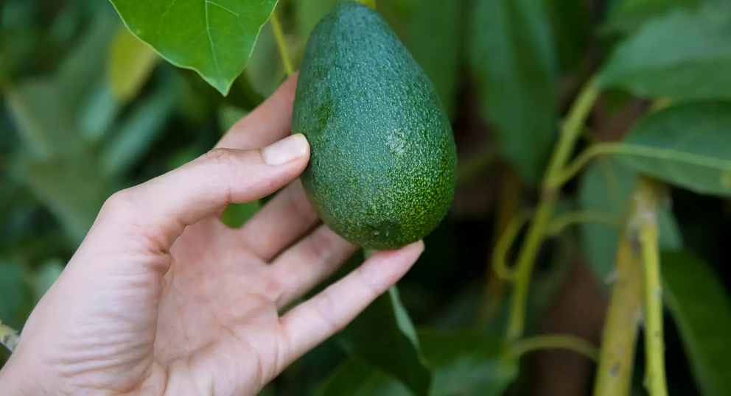
 |  |  |  |  |  |  |  | Aurella's Avos

 |  |  |  |  |  |  |  | At Aurella's Avos we're committed to delivering excellent quality produce at affordable prices that families, businesses and generally everyone can enjoy.
 |  |  |  |  |  |  |  | We produce both organic and conventional Avocado's across three varieties; Hass Avocados, Reed and Zutanos. The growth method is either organic or conventional.

 |  |  |  |  |  |  |  | As our new Data Specialist, we'll be looking towards you being our centre focus for reporting. Ideally, we'd like to report on our Avocado Sales for each month where we can look at the Overall Sales and aggregate this together.

 |  |  |  |  |  |  |  | We've partially filled out the values here, but we'd like you to take over for us below. Good Luck!

Q1. Using the SUM function and fill in the yellow boxes for Conventional and Organic Avocados in order to complete the Monthly Total Sales Reporting and the Year To Date Reporting.

Conventional Avocados
 | January | February | March | April | May | June | July | August | September | October | November | December | YTD Total
 | 1 | 2 | 3 | 4 | 5 | 6 | 7 | 8 | 9 | 10 | 11 | 12
Hass | 5,678 | 4,786 | 7,098 | 3,476 | 5,093 | 2,976 | 3,233 | 3,056 | 4,098 | 5,618 | 5,221 | 3,638 | 53,969.48
Reed | 124,664 | 164,231 | 199,388 | 135,735 | 371,292 | 288,856 | 341,293 | 393,959 | 314,482 | 242,912 | 354,710 | 280,220 | 3,211,741.19
Zutano | 477 | 716 | 672 | 252 | 606 | 14,611 | 13,345 | 2,285 | 688 | 437 | 378 | 310 | 34,777.34
Total | 130,819.04 | 169,732.95 | 207,156.95 | 139,462.94 | 376,992.19 | 306,443.03 | 357,870.50 | 399,300.52 | 319,268.03 | 248,966.24 | 360,308.59 | 284,167.03 | 3,300,488.01

Small Bags | 38,977 | 38,264 | 44,264 | 51,987 | 107,007 | 98,632 | 78,118 | 52,147 | 30,806 | 34,186 | 38,111 | 31,731 | 644,232
Large Bags | 1,931 | 1,373 | 1,874 | 2,822 | 2,078 | 1,684 | 659 | 556 | 1,773 | 1,527 | 1,293 | 428 | 17,997
XLarge Bags | 0 | 0 | 0 | 104 | 0 | 0 | 33 | 0 | 0 | 0 | 0 | 0 | 138
Total Bags | 40,908 | 39,637 | 46,138 | 54,914 | 109,085 | 100,316 | 78,811 | 52,703 | 32,579 | 35,712 | 39,404 | 32,159 | 662,366

Organic Avocados
 | January | February | March | April | May | June | July | August | September | October | November | December | YTD Total
 | 1 | 2 | 3 | 4 | 5 | 6 | 7 | 8 | 9 | 10 | 11 | 12
Hass | 119 | 95 | 167 | 113 | 231 | 145 | 235 | 164 | 100 | 94 | 66 | 139 | 1,667
Reed | 787 | 367 | 1,101 | 429 | 1,157 | 570 | 554 | 542 | 570 | 561 | 906 | 544 | 8,085
Zutano | 0 | 0 | 0 | 0 | 0 | 0 | 0 | 0 | 0 | 0 | 0 | 0 | 0
Total | 906 | 461 | 1,268 | 541 | 1,388 | 715 | 789 | 706 | 670 | 655 | 972 | 683 | 9,753

Small Bags | 3,885 | 4,873 | 5,952 | 5,065 | 7,791 | 4,629 | 4,485 | 5,922 | 2,990 | 3,765 | 4,276 | 3,609 | 57,241
Large Bags | 0 | 0 | 0 | 0 | 0 | 0 | 0 | 0 | 0 | 28 | 5 | 15 | 49
XLarge Bags | 0 | 0 | 0 | 0 | 0 | 0 | 0 | 0 | 0 | 0 | 0 | 0 | 0
Total Bags | 3,885 | 4,873 | 5,952 | 5,065 | 7,791 | 4,629 | 4,485 | 5,922 | 2,990 | 3,793 | 4,281 | 3,624 | 57,289

