Avocado_Viz_Exercises
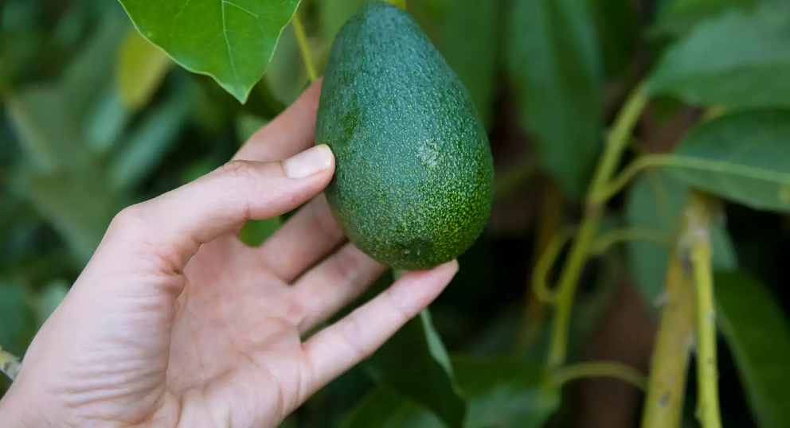
 |  |  |  |  |  |  | Aurella's Avos

 |  |  |  |  |  |  | This is your final exercise with Aurella's Avo's! You'll be looking at creating a series of visualisations to highlight to Aurella and her team the sales performance of her Avocado Products over the 2017 Period.
 |  |  |  |  |  |  | As a Data Professional, it isn't enough to simply create a series of numbers and hand it on.
 |  |  |  |  |  |  | Management and individuals in general, infer much information from visual inferences as opposed to purely numerical inferences.
 |  |  |  |  |  |  | We'll be creating a small number of visuals here that that highlights the overall Sales trends that we've noted for Aurella and her team!

 |  |  |  |  |  |  | Remember, if you have any questions, don't hesitate to post this in the Discord Channel under the #Business Fundamentals Tag where one of the team will get back to you!
 |  |  |  |  |  |  | Note: We've included EXAMPLE images for each of the visualisation questions so you'll know what to expect when you're building this out!

Q1. Using your SUMIFS capabilities, complete the Production Volumes Summary Table for the 2017 Period below.
Hint: Remember the SUMIFS Syntax that we've highlighted here: =SUMIFS(Sum_Range, Criteria_Range_1, Criteria_To_Look_Up…)
Conventional Avocados
 | January | February | March | April | May | June | July | August | September | October | November | December | YTD Total
 | 1 | 2 | 3 | 4 | 5 | 6 | 7 | 8 | 9 | 10 | 11 | 12
Haas | 19,493 | 15,368 | 10,687 | 19,613 | 9,931 | 8,592 | 11,998 | 8,114 | 14,602 | 18,193 | 12,100 | 15,005 | 163,695.97
Reed | 454,114 | 402,252 | 330,834 | 388,713 | 361,769 | 305,747 | 394,426 | 313,974 | 269,412 | 281,541 | 281,929 | 412,238 | 4,196,949.49
Zutano | 3,541 | 2,491 | 358 | 469 | 757 | 1,318 | 5,044 | 724 | 367 | 276 | 352 | 359 | 16,056.16
Total | 477,147.66 | 420,110.95 | 341,879.72 | 408,795.00 | 372,457.29 | 315,656.20 | 411,467.88 | 322,812.58 | 284,380.43 | 300,010.26 | 294,381.55 | 427,602.10 | 4,376,701.62

Small Bags | 56,502 | 43,393 | 39,822 | 39,417 | 26,809 | 14,100 | 28,516 | 32,215 | 19,856 | 21,252 | 30,478 | 35,664 | 388,025
Large Bags | 643 | 1,108 | 37,092 | 54,585 | 45,990 | 28,150 | 23,413 | 17,843 | 15,713 | 18,022 | 20,054 | 30,261 | 292,874
XLarge Bags | 13 | 0 | 0 | 0 | 813 | 5,268 | 6,695 | 3,230 | 2,643 | 0 | 0 | 0 | 18,663
Total Bags | 57,159 | 44,500 | 76,914 | 94,003 | 73,613 | 47,518 | 58,624 | 53,288 | 38,212 | 39,275 | 50,532 | 65,925 | 699,562

Organic Avocados
 | January | February | March | April | May | June | July | August | September | October | November | December | YTD Total
 | 1 | 2 | 3 | 4 | 5 | 6 | 7 | 8 | 9 | 10 | 11 | 12
Haas | 329 | 1,704 | 1,034 | 1,810 | 166 | 585 | 401 | 188 | 245 | 90 | 31 | 224 | 6,806
Reed | 1,250 | 775 | 855 | 1,219 | 1,496 | 1,164 | 927 | 894 | 761 | 1,179 | 745 | 1,304 | 12,568
Zutano | 0 | 0 | 0 | 0 | 0 | 0 | 0 | 0 | 0 | 0 | 0 | 0 | 0
Total | 1,579 | 2,479 | 1,889 | 3,029 | 1,662 | 1,749 | 1,328 | 1,081 | 1,006 | 1,268 | 776 | 1,527 | 19,375

Small Bags | 7,703 | 5,790 | 7,355 | 10,695 | 12,056 | 10,826 | 12,450 | 8,865 | 11,211 | 21,826 | 10,659 | 16,501 | 135,934
Large Bags | 0 | 0 | 0 | 0 | 0 | 0 | 0 | 0 | 3 | 3 | 3 | 0 | 10
XLarge Bags | 0 | 0 | 0 | 0 | 0 | 0 | 0 | 0 | 0 | 0 | 0 | 0 | 0
Total Bags | 7,703 | 5,790 | 7,355 | 10,695 | 12,056 | 10,826 | 12,450 | 8,865 | 11,214 | 21,829 | 10,662 | 16,501 | 135,944

Total Volume of Avocados (Conventional + Organic)

 | January | February | March | April | May | June | July | August | September | October | November | December | YTD Total
 | 1 | 2 | 3 | 4 | 5 | 6 | 7 | 8 | 9 | 10 | 11 | 12
Haas | 19,822 | 17,072 | 11,721 | 21,423 | 10,097 | 9,176 | 12,399 | 8,302 | 14,847 | 18,282 | 12,132 | 15,229 | 170,502
Reed | 455,364 | 403,027 | 331,689 | 389,932 | 363,265 | 306,911 | 395,353 | 314,868 | 270,173 | 282,720 | 282,674 | 413,541 | 4,209,518
Zutano | 3,541 | 2,491 | 358 | 469 | 757 | 1,318 | 5,044 | 724 | 367 | 276 | 352 | 359 | 16,056
Total | 478,727 | 422,590 | 343,769 | 411,824 | 374,119 | 317,405 | 412,796 | 323,894 | 285,387 | 301,278 | 295,158 | 429,129 | 4,396,076

Small Bags | 64,205 | 49,182 | 47,177 | 50,112 | 38,865 | 24,926 | 40,966 | 41,080 | 31,066 | 43,079 | 41,137 | 52,165 | 523,959
Large Bags | 643 | 1,108 | 37,092 | 54,585 | 45,990 | 28,150 | 23,413 | 17,843 | 15,716 | 18,026 | 20,057 | 30,261 | 292,884
XLarge Bags | 13 | 0 | 0 | 0 | 813 | 5,268 | 6,695 | 3,230 | 2,643 | 0 | 0 | 0 | 18,663
Total Bags | 64,861 | 50,290 | 84,269 | 104,697 | 85,668 | 58,344 | 71,074 | 62,153 | 49,426 | 61,104 | 61,194 | 82,426 | 835,507

2017 Organic Avacado Sales
Q2. Using the tables you've populated above, create two charts showing the Sales Volumes over the 2017 Period: i) Create a Stacked Column Chart for Conventional Avocado's segmented by Avocado Type (i.e. Hass, Reed, Zutano) ii) Create a Stacked Column Chart for Organic Avocado's segmented by Avocado Type i.e. Hass, Reed, Zutano)
2017 Conventional Avacado Sales

Q3. Using your AVERAGEIFS capabilities, calculate the Weekly Average Quantity Sold of Avocados by Growth Type (Conventional | Organic Varieties) for each month for the 2016 Period. Please note that you will also need to calculate the *Monthly Average Quantity Sold* irrespective of Avocado Type. Do you notice any trends?
Hint: Remember the AVERAGEIFS Syntax that we've highlighted here: =AVERAGEIFS(Average_Range, Criteria_Range_1, Criteria_To_Look_Up…).

 | January | February | March | April | May | June | July | August | September | October | November | December | YTD Average
 | 1 | 2 | 3 | 4 | 5 | 6 | 7 | 8 | 9 | 10 | 11 | 12
Conventional | 106,861.30 | 116,152.80 | 104,698.45 | 100,559.55 | 111,517.47 | 90,793.65 | 94,018.33 | 94,025.12 | 80,648.11 | 67,856.99 | 86,228.24 | 98,705.32 | 95,778.54
Organic | 1,856.35 | 2,067.32 | 2,310.92 | 2,744.68 | 3,429.33 | 3,143.63 | 2,755.68 | 2,486.44 | 3,055.06 | 4,619.54 | 2,859.54 | 3,605.75 | 2,930.55
Monthly Average | 54,358.83 | 59,110.06 | 53,504.69 | 51,652.12 | 57,473.40 | 46,968.64 | 48,387.01 | 48,255.78 | 41,851.58 | 36,238.26 | 44,543.89 | 51,155.54 | 49,354.55

Average Price Per Avacado Type

Now we can clearly see that there are certain months where Monthly Quantity tend to peak. Is this also associated with higher than expected demand?
Let's take a look at this by creating a Combo Chart that combines the Monthly Average Quantity Sold Per Month versus the Total Volume of Avocados Sold Per Month.
Q4. Create a Combo Chart showing the Monthly Average Price (Line Chart) against the Monthly Volume of Avocados Sold Per Month. Hint: You may want to put the Monthly Avocado Sold onto a secondary axis.
Monthly Avacados Sold vs. Total Avacados Sold

Lastly, the team is interested in understanding the pricing ranges for our Avocados.
We know that across the year, we have different pricing ranges, but how often do we have cheap avocados, versus those which are more expensive?
Let's take a look at how we might answer this question.

Firstly, we'll need to take a micro look at our data as opposed to a Macro Look.
Let's look at this in a few steps.

Q5A. Calculate the Maximum and Minimum Prices for Avocados and place this in the boxes below.

Max Price | $2.13 | Min Price | $1.13

Having identified our price range, we'll create a series of 'pricing buckets' to help us better understand the pricing profile of our Avocados!
Q5B. Using the COUNTIFS Function, populate the table below, counting the number of times Avocado's have been sold within these respective price ranges. What do you observe?
Hint: To compare multiple boolean conditions, you will need to use Syntax like this: =COUNTIFS(SomeRange, ">="&SomeNumber, SomeRange, "<="&SomeNumber)
Avocado Pricing Bucket
 | <= $1.20 | $1.21 - $1.40 | $1.41 - $1.60 | $1.61 - $1.80 | $1.81 - $2.01 | >$2.01 | Total
Conventional | 3 | 8 | 23 | 19 | 0 | 0 | 53
Organic | 0 | 2 | 14 | 11 | 21 | 5 | 53
Total | 3 | 10 | 37 | 30 | 21 | 5 | 106

Lastly, upon completion of this table, create a horizontal bar chart, showing the distribution of Avocado Pricing!

Organic vs Conventional Price Ranges

Well done! You've now got a handle on the basics of creating single and combo charts for analysis purposes! Keep up the great work!!

