Bug Reporting
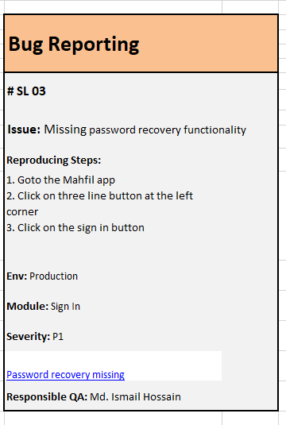
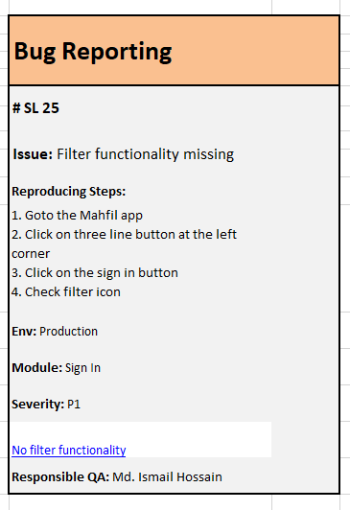
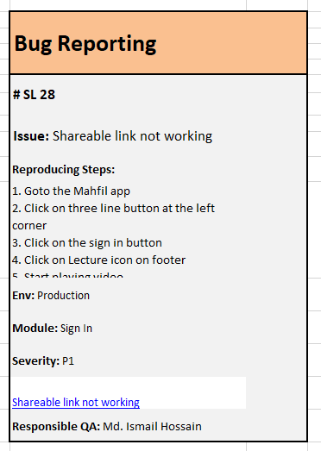

Test Report
Test Case |  | Test Case Report
Pass | 23 | Project Name | Mahfil
Fail | 3 | Test Case Version
Not Executed | 0 | Module Name
Out of scope | 0 | Written By | Md.Ismail Hossain
Total | 26 | Executed By | Md.Ismail Hossain
 |  | Reviewed By | Qtech Solution Limited

