Sheet1
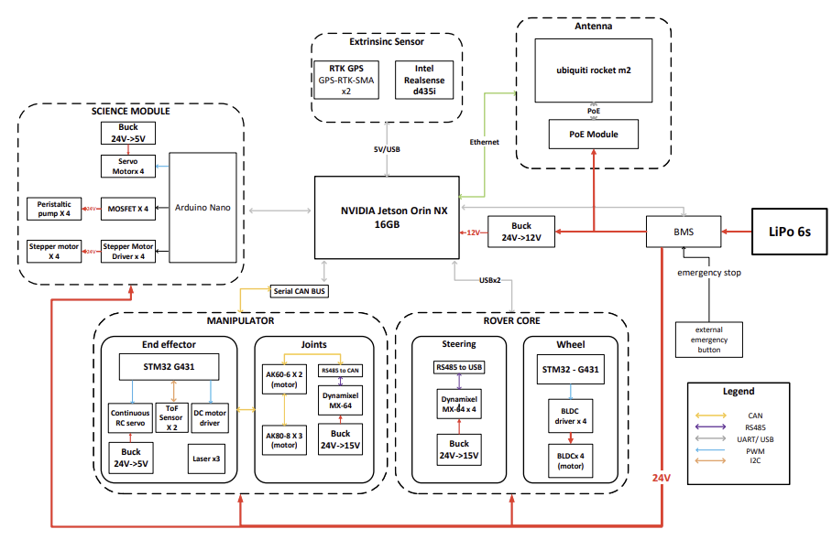
 |  | 종류 | 부품명 | 전압(V) | 파워보드로 전원 공급 | 개수
Rover Core | Wheel | Steering | Dynamixel RX-64 서보 | 15 |  | 4
 | Steering | Wheel | BLDC 인휠 모터 | ? |  | 4
Manipulator | End effector | Computer | Jetson Orin Nano Super | 15 |  | 1
 | Joints | End effector | ToF sensor | 5 |  | 2
Science Module | Science Module | End effector | Continuous RC Servo motor | 5
Computer | Computer | End effector | Laser | ?
Antenna | Antenna | Joints | AK60-6 motor | 24 |  | 2
Extrinsic Sensor | Extrinsic Sensor | Joints | AK80-8 motor | 48 |  | 3
 |  | Joints | Dynamixel RX-64 서보 | 15
 |  | Science Module | Servo motor | 5 |  | 4
 |  | Science Module | Stepper motor | ? |  | 4
 |  | Science Module | Arduino Nano | 7~12(Vin)
XT30 | 15A | Science Module | Peristaltic Pump | 12 or 5 ? |  | 4
XT60 | 30A | Antenna | PoE Module | 24
XT90 | 40A | Antenna | Ubiquiti rocket m2 | PoE로 공급
 |  | End effector | STM32 G431 | 7~12(Vin)
 |  | Wheel | STM32 G431 | 7~12(Vin)
 |  |  | LiPo 6s ? | 24
 |  | Extrinsic Sensor | Intel RealSense D435i | 5 | Jetson과 연결
 |  | Extrinsic Sensor | GPS-RTK-SMA | 5 or 3.3 | Jetson과 연결 | 2

