Schneider Electric
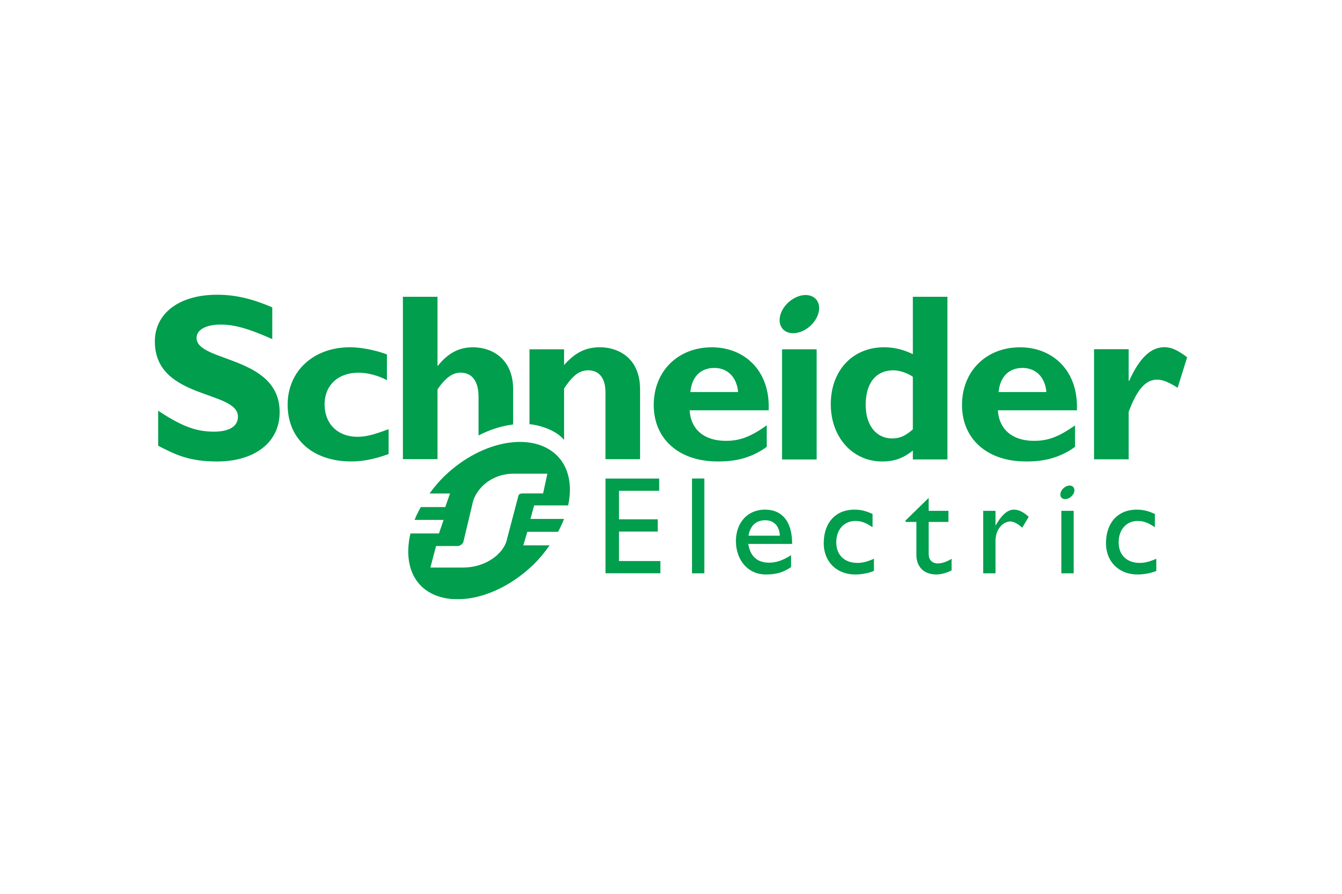

FINANCIAL ANALYSIS & STRATEGIC RECOMMENDATIONS FY2021 - FY2025

Income Statement
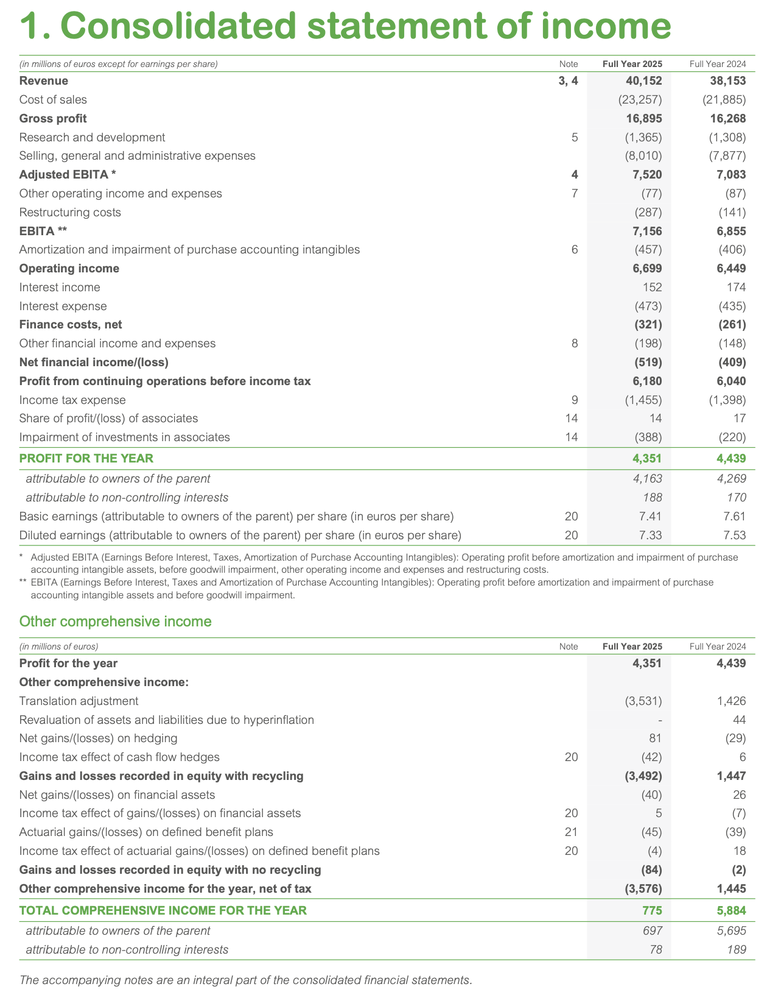
Income Statement |  |  |  |  |  |  |  |  |  |  |  |  |  |  | Income Statement for year 1 using by function (€m)
 | FY2025 (€m) | trend | common-size | FY2024 (€m) | trend | common-size | FY2023 (€m) | trend | common-size | FY2022 (€m) | trend | common-size | FY2021 (€m) | common-size | Items | 2025 | 2024 | 2023 | 2022 | 2021
Revenue | 40,152.00 | 38.91% | 100.00% | 38,153.00 | 31.99% | 100.00% | 35,902.00 | 24.21% | 100.00% | 34,176.00 | 18.24% | 100.00% | 28,905.00 | 100.00% | Net Sales | 40,152.00 € | 38,153.00 € | 35,902.00 € | 34,176.00 € | 28,905.00 €
Cost of sales | -23,257.00 | 36.31% | -57.92% | -21,885.00 | 28.27% | -57.36% | -20,890.00 | 22.44% | -58.19% | -20,300.00 | 18.98% | -59.40% | -17,062.00 | -59.03% | - Cost of goods sold (COGS) | -24,078.00 € | -22,519.00 € | -21,369.00 € | -21,384.00 € | -17,718.00 €
Gross profit | 16,895.00 | 42.66% | 42.08% | 16,268.00 | 37.36% | 42.64% | 15,012.00 | 26.76% | 41.81% | 13,876.00 | 17.17% | 40.60% | 11,843.00 | 40.97% | Gross Margin | 16,074.00 € | 15,634.00 € | 14,533.00 € | 12,792.00 € | 11,187.00 €
Research and development | -1,365.00 | 59.65% | -3.40% | -1,308.00 | 52.98% | -3.43% | -1,168.00 | 36.61% | -3.25% | -1,040.00 | 21.64% | -3.04% | -855.00 | -2.96% | - Selling and marketing costs | -8,010.00 € | -7,877.00 € | -7,432.00 € | -6,819.00 € | -6,001.00 €
Selling, general and administrative expenses | -8,010.00 | 33.48% | -19.95% | -7,877.00 | 31.26% | -20.65% | -7,432.00 | 23.85% | -20.70% | -6,819.00 | 13.63% | -19.95% | -6,001.00 | -20.76% | - General and administrative costs (G&A) | -1,365.00 € | -1,308.00 € | -1,168.00 € | -1,040.00 € | -855.00 €
Adjusted EBITA | 7,520.00 | 50.79% | 18.73% | 7,083.00 | 42.03% | 18.56% | 6,412.00 | 28.57% | 17.86% | 6,017.00 | 20.65% | 17.61% | 4,987.00 | 17.25% | EBIT | 6,699.00 € | 6,449.00 € | 5,933.00 € | 4,933.00 € | 4,331.00 €
Other operating income and expenses | -77.00 | 266.67% | -0.19% | -87.00 | 314.29% | -0.23% | 98.00 | -566.67% | 0.27% | -433.00 | 1961.90% | -1.27% | -21.00 | -0.07% | - Financial expense net of Financial income | -519.00 € | -409.00 € | -530.00 € | -215.00 € | -176.00 €
Restructuring charges | -287.00 | 27.56% | -0.71% | -141.00 | -37.33% | -0.37% | -147.00 | -34.67% | -0.41% | -227.00 | 0.89% | -0.66% | -225.00 | -0.78% | EBT/PBT | 6,180.00 € | 6,040.00 € | 5,403.00 € | 4,718.00 € | 4,155.00 €
EBITA | 7,156.00 | 50.94% | 17.82% | 6,855.00 | 44.59% | 17.97% | 6,363.00 | 34.21% | 17.72% | 5,357.00 | 12.99% | 15.67% | 4,741.00 | 16.40% | - Corporate Income Tax | -1,829.00 € | -1,601.00 € | -1,234.00 | -1,182.00 € | -882.00 €
EBITDA (restated) | 8,027.00 | 47.85% | 19.99% | 7,677.00 | 41.41% | 20.12% | 7,080.00 | 30.41% | 19.72% | 6,089.00 | 12.16% | 17.82% | 5,429.00 | 18.78% | Net Income / Net Profit | 4,351.00 € | 4,439.00 € | 4,169.00 € | 3,536.00 € | 3,273.00 €
Amortization of acquisition-related intangibles | -457.00 | 11.46% | -1.14% | -406.00 | -0.98% | -1.06% | -430.00 | 4.88% | -1.20% | -424.00 | 3.41% | -1.24% | -410.00 | -1.42%
Operating income (EBIT) | 6,699.00 | 54.68% | 16.68% | 6,449.00 | 48.90% | 16.90% | 5,933.00 | 36.99% | 16.53% | 4,933.00 | 13.90% | 14.43% | 4,331.00 | 14.98%
As Schneider Electric does not report an EBITDA figure in its financial statements, we reconstructed it from the reported EBITA. Schneider's preferred metric is EBITA (Earnings Before Interest, Taxes, and Amortization of acquisition-related intangibles), which excludes amortization charges arising from M&A activity but retains the depreciation of property, plant and equipment. To align with the standard EBITDA definition used in this course, we added back the depreciation of PP&E, sourced directly from the Cash Flow Statement (indirect method), to the reported EBITA. This gives: EBITDA (restated) = EBITA + Depreciation of PP&E.
Income from cash and cash equivalents | 152.00 | 3700.00% | 0.38% | 174.00 | 4250.00% | 0.46% | 79.00 | 1875.00% | 0.22% | 24.00 | 500.00% | 0.07% | 4.00 | 0.01%
Gross cost of financial debt | -473.00 | 377.78% | -1.18% | -435.00 | 339.39% | -1.14% | -387.00 | 290.91% | -1.08% | -130.00 | 31.31% | -0.38% | -99.00 | -0.34%
Net cost of financial debt | -321.00 | 237.89% | -0.80% | -261.00 | 174.74% | -0.68% | -308.00 | 224.21% | -0.86% | -106.00 | 11.58% | -0.31% | -95.00 | -0.33%
Other financial income and expenses | -198.00 | 144.44% | -0.49% | -148.00 | 82.72% | -0.39% | -222.00 | 174.07% | -0.62% | -109.00 | 34.57% | -0.32% | -81.00 | -0.28%
Net financial result | -519.00 | 194.89% | -1.29% | -409.00 | 132.39% | -1.07% | -530.00 | 201.14% | -1.48% | -215.00 | 22.16% | -0.63% | -176.00 | -0.61%
Income before taxes | 6,180.00 | 48.74% | 15.39% | 6,040.00 | 45.37% | 15.83% | 5,403.00 | 30.04% | 15.05% | 4,718.00 | 13.55% | 13.81% | 4,155.00 | 14.37%
Income tax expense | -1,455.00 | 50.62% | -3.62% | -1,398.00 | 44.72% | -3.66% | -1,285.00 | 33.02% | -3.58% | -1,211.00 | 25.36% | -3.54% | -966.00 | -3.34%
Share of profit of equity-accounted investments | 14.00 | -83.33% | 0.03% | 17.00 | -79.76% | 0.04% | 51.00 | -39.29% | 0.14% | 29.00 | -65.48% | 0.08% | 84.00 | 0.29%
Impairment of investments in associates and joint ventures | -388.00 | 76.36% | -0.97% | -220.00 |  | -0.58% | - |  |  | - |  |  | -
Net income | 4,351.00 | 32.94% | 10.84% | 4,439.00 | 35.62% | 11.63% | 4,169.00 | 27.38% | 11.61% | 3,536.00 | 8.04% | 10.35% | 3,273.00 | 11.32%
of which attributable to shareholders of the parent | 4,163.00 | 29.93% | 10.37% | 4,269.00 | 33.24% | 11.19% | 4,003.00 | 24.94% | 11.15% | 3,477.00 | 8.52% | 10.17% | 3,204.00 | 11.08%
of which attributable to non-controlling interests | 188.00 | 172.46% | 0.47% | 170.00 | 146.38% | 0.45% | 166.00 | 140.58% | 0.46% | 59.00 | -14.49% | 0.17% | 69.00 | 0.24%
Basic EPS (€) | 7.41 | 28.65% | 0.02% | 7.61 | 32.12% | 0.02% | 7.15 | 24.13% | 0.02% | 6.23 | 8.16% | 0.02% | 5.76 | 0.02%
Diluted EPS (€) | 7.33 | 29.28% | 0.02% | 7.53 | 32.80% | 0.02% | 7.07 | 24.69% | 0.02% | 6.15 | 8.47% | 0.02% | 5.67 | 0.02%

INTERPRETATION
The Group's revenue grew steadily from €28,905 million in 2021 to €40,152 million in 2025, representing a cumulative increase of 39% and a CAGR of approximately 8.6%. Growth was particularly strong in 2022 at +18.2%, before stabilizing around 5% per year in subsequent years.
The gross margin improved over the period, rising from 40.97% in 2021 to 42.08% in 2025, reflecting a better product mix, improved cost control in production, or stronger pricing power. This expansion was supported by good discipline on selling, general and administrative expenses, which declined as a percentage of revenue.
As a result, the adjusted EBITDA margin widened by 148 basis points to reach 18.73% in 2025, while the EBIT margin increased from 14.98% to 16.68%, demonstrating effective operating leverage. Net income attributable to the Group rose by 30% over the period to €4,163 million in 2025, with basic earnings per share increasing from €5.76 to €7.41.
However, 2025 showed a slight compression in gross, EBITDA, and net margins compared to 2024. Revenue growth also slowed after the acceleration seen in 2022, which represents a point to monitor in the coming years. Overall, the Group delivered a solid operational performance with structural improvement in profitability, even though the recent moderation in both growth and certain margins warrants close attention going forward.
The income statement reveals several clear instances of scissor effects, where the relative growth rates of revenues and key cost lines diverge, either widening or narrowing the profit gap like opening or closing scissors.
A positive scissor effect is most evident in 2023 on the gross margin line: revenue grew 5.1% while cost of goods sold actually declined by 0.1%, creating a 5.1-percentage-point gap that drove a sharp expansion in gross profitability that year. This was likely the result of strong pricing power, favorable product mix, or temporary supply-chain efficiencies that allowed costs to fall even as top-line activity rose.
Another positive scissor appears in 2025 at the operating-expense level: revenue advanced 5.2% while selling and marketing costs rose only 1.7% and general and administrative costs increased just 4.4%, producing roughly a 2.2-percentage-point favorable gap that helped preserve operating leverage despite pressure lower down the P&L. Over the full period from 2021 to 2025 this operating-expense discipline was cumulatively beneficial, with combined SG&A growing about 37% against revenue growth of 39%, contributing to the overall 148-basis-point rise in adjusted EBITDA margin.
Conversely, negative scissor effects surfaced in two years. In 2022 revenue surged 18.2% but COGS rose faster at 20.7%, generating a 2.5-point adverse gap that caused a modest contraction in gross margin; this may reflect input-cost inflation or mix shifts that outpaced pricing during the strong volume rebound. Similarly, in 2025 a negative scissor reappeared at the gross level, with COGS growing 6.9% against 5.2% revenue growth and producing a 1.7-point drag that explains the slight gross-margin compression observed that year.
Overall, the scissor effects were mixed year to year but netted positive across the period, supporting structural margin expansion at both gross and EBITDA levels through most of the timeframe. The 2025 reversal on the gross line, however, stands out as a point of vigilance, as renewed cost pressure could signal emerging challenges in maintaining the favorable gap between revenue and direct costs going forward

Balance Sheet
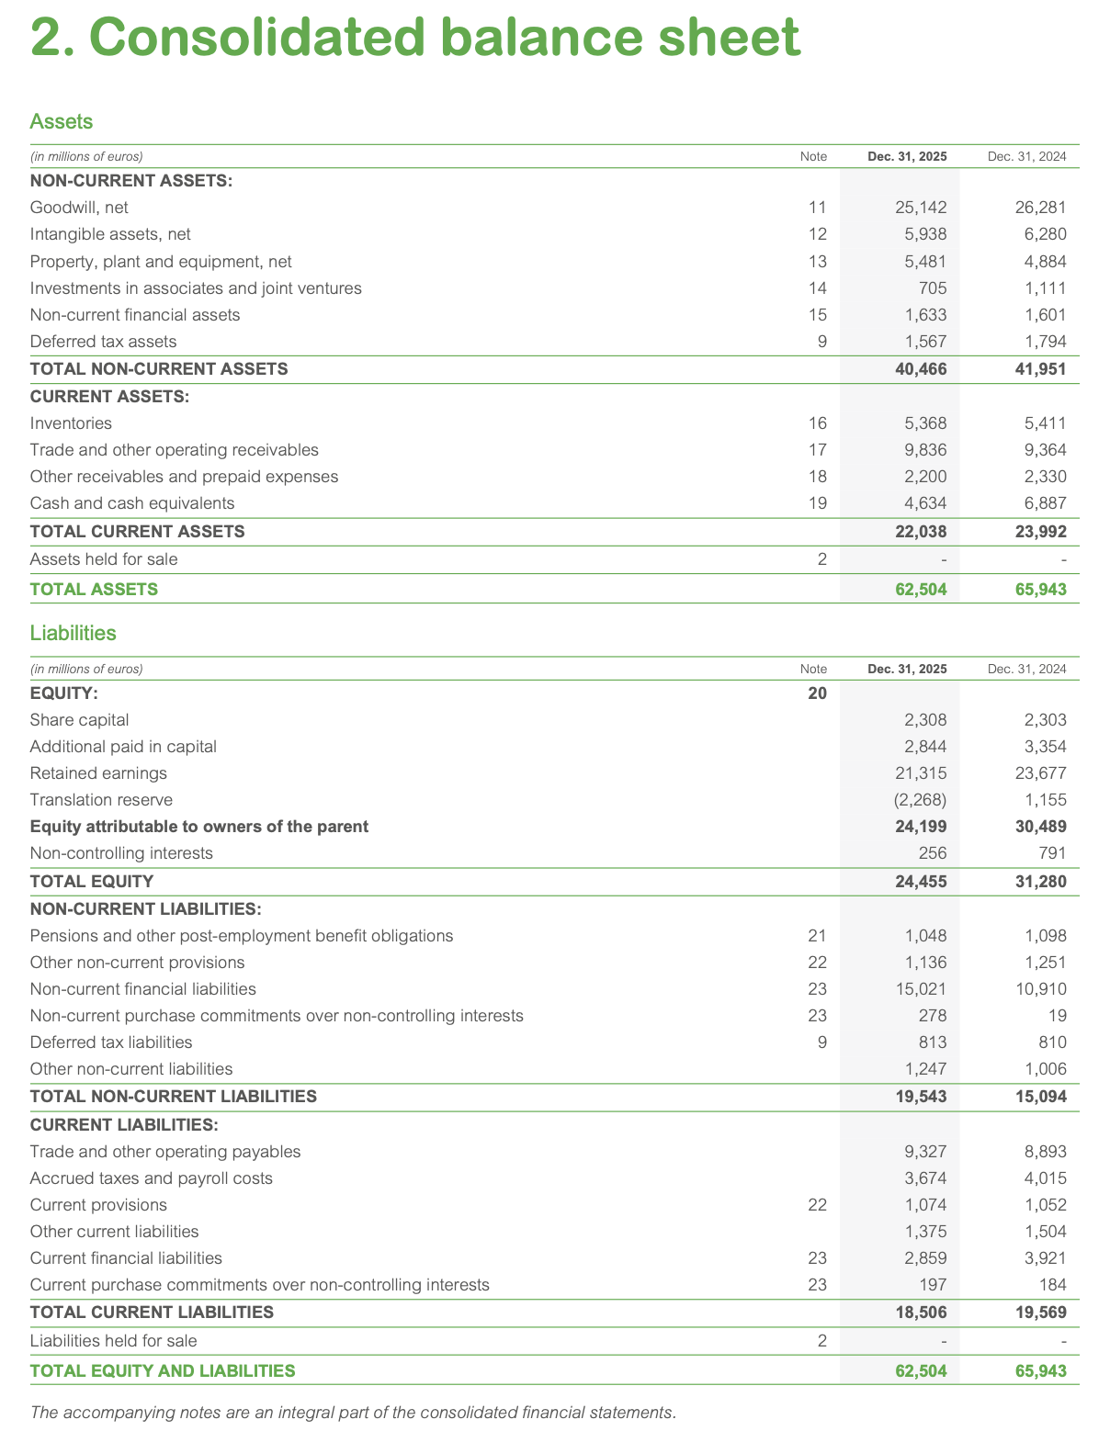
Schneider’s balance sheet evolution between 2021 and 2025 reflects not just an aggressive expansion, but a deliberate reconfiguration of its financing model, increasingly anchored in debt rather than internally generated funds. Total assets rose by 14.6% to €62,504 million, primarily driven by a striking 43% increase in Property, Plant and Equipment (PP&E), suggesting sustained capital expenditure in industrial capacity, infrastructure, or technological assets. In parallel, current assets expanded significantly to €22,038 million, pointing to a structurally higher working capital requirement, likely linked to scaling operations, longer production cycles, or shifts in commercial terms.
However, this asset growth is accompanied by a progressive weakening of the equity base. Total equity declined to €24,455 million, largely due to negative retained earnings (-€2,268 million), indicating that recent profitability has not been sufficient to support reinvestment needs. This imbalance has structurally redirected the firm toward external financing, with long-term borrowings surging by 60% to €19,543 million. Rather than a temporary adjustment, this suggests a strategic substitution of equity with debt, increasing financial leverage and reducing balance sheet flexibility. The sustainability of this model now hinges on Schneider’s ability to translate its expanded asset base into stable and growing operating cash flows.
From a capital structure perspective, the period marks a clear pivot toward debt-driven growth but also reveals emerging tensions in operational efficiency. Capital employed increased modestly by 5.8% to €42,223 million, yet this growth was disproportionately driven by a sharp 126.7% increase in working capital requirements (€1,757 million), while fixed assets remained relatively stable in relative contribution. This dynamic signals a deterioration in the cash conversion cycle, potentially due to slower inventory turnover, extended customer credit, or supply chain frictions.
The surge in working capital is not neutral: it acts as a hidden drain on liquidity, forcing the company to compensate through increased financial leverage. Net debt rose by 50.7% to €17,768 million, reinforcing the idea that operational expansion is not self-sustaining. Even though reserves increased significantly (nearly +300%), this was insufficient to offset the erosion of retained earnings, resulting in a 13% contraction in total equity. As a result, Schneider’s growth trajectory appears increasingly decoupled from its underlying profitability, raising concerns about the long-term efficiency of capital allocation and the firm’s ability to deleverage organically.
The liquidity analysis further reinforces this interpretation. The sharp increase in working capital requirements, from €775 million to €1,757 million (+126%), highlights a structural absorption of cash within operations, rather than a temporary fluctuation. This rise, driven by a 35.95% increase in non-cash current assets, suggests that growth is becoming more liquidity-intensive, potentially reflecting scaling inefficiencies or a shift toward less favorable operating conditions.
To offset this internal cash deficit, Schneider has intensified its reliance on external financing, as evidenced by the 60% increase in long-term debt and the deterioration of cash positions. While reported invested capital appears relatively stable at €42,223 million, this masks a deeper imbalance: the company is increasingly financing operational frictions with debt rather than resolving them operationally. This raises a critical question about the quality of growth, whether the expansion is generating sufficient returns, or merely inflating the balance sheet through leverage.
 | Balance sheet | Q1 - 2026 | 2025 |  |  | 2024 |  |  | 2023 |  |  | 2022 |  |  | 2021 |  | INTERPRETATION
 |  |  | (€m) | trend | common-size | (€m) | trend | common-size | (€m) | trend | common-size | (€m) | trend | common-size | (€m) | common-size
 | Intangible assets |  | 31,080.00 | -0.41% | 76.81% | 32,561.00 | 4.33% | 49.38% | 30,501.00 | -2.27% | 51.79% | 31,509.00 | 0.96% | 53.98% | 31,209.00 | 57.21%
 | Property, plant and equipment |  | 5,481.00 | 43.26% | 13.54% | 4,884.00 | 27.65% | 7.41% | 4,209.00 | 10.01% | 7.15% | 3,935.00 | 2.85% | 6.74% | 3,826.00 | 7.01%
 | Other non-current assets |  | 3,905.00 | -4.48% | 9.65% | 4,506.00 | 10.23% | 6.83% | 4,087.00 | -0.02% | 6.94% | 3,982.00 | -2.59% | 6.82% | 4,088.00 | 7.49%
 | Total non-current assets |  | 40,466.00 | 3.43% | 64.74% | 41,951.00 | 7.23% | 63.62% | 38,797.00 | -0.83% | 65.87% | 39,426.00 | 0.77% | 67.55% | 39,123.00 | 71.72%
 | Inventories |  | 5,368.00 | 35.18% | 24.36% | 5,411.00 | 36.26% | 8.21% | 4,519.00 | 13.80% | 7.67% | 4,346.00 | 9.44% | 7.45% | 3,971.00 | 7.28%
 | Accounts receivable |  | 9,836.00 | 44.03% | 44.63% | 9,364.00 | 37.12% | 14.20% | 8,388 | 22.83% | 14.24% | 7,514.00 | 10.03% | 12.87% | 6,829.00 | 12.52%
 | Other current assets |  | 2,200.00 | 9.89% | 9.98% | 2,330.00 | 16.38% | 3.53% | 2,290 | 14.39% | 3.89% | 2,155.00 | 7.64% | 3.69% | 2,002.00 | 3.67%
 | Cash and cash equivalents |  | 4,634.00 | 76.74% | 21.03% | 6,887.00 | 162.66% | 10.44% | 4,696.00 | 79.10% | 7.97% | 4,927.00 | 87.91% | 8.44% | 2,622.00 | 4.81%
 | Total current assets |  | 22,038.00 | 42.88% | 35.26% | 23,992.00 | 55.55% | 36.38% | 19,893.00 | 28.97% | 33.77% | 18,942.00 | 22.81% | 32.45% | 15,424.00 | 28.28%
 | Total assets |  | 62,504.00 | 14.59% | 100.00% | 65,943.00 | 20.89% | 100.00% | 58,899.00 | 7.98% | 100.00% | 58,368.00 | 7.00% | 100.00% | 54,547.00 | 100.00%
 | Issued share capital |  | 2,308.00 | 1.41% | 9.44% | 2,303.00 | 1.19% | 3.49% | 2,291.00 | 0.66% | 3.89% | 2,284.00 | 0.35% | 3.91% | 2,276.00 | 4.17%
 | Capital & Other reserves |  | 24,415.00 | 297.70% | 99.84% | 5,300.00 | -13.67% | 8.04% | 3,284.00 | -46.51% | 5.58% | 3,998.00 | -34.88% | 6.85% | 6,139.00 | 11.25%
 | Equity portion of convertible debt |  | 0.00 |  |  | 0.00 |  |  | 0.00 |  | 0.00% | 0.00 |  |  | 0.00 | 0.00%
 | Retained earnings |  | -2,268.00 | -111.52% | -9.27% | 23,677.00 | 20.22% | 35.91% | 21,593.00 | 9.64% | 36.66% | 19,812.00 | 0.60% | 33.94% | 19,694.00 | 36.10%
 | Total equity |  | 24,455.00 | -13.00% | 39.13% | 31,280.00 | 11.28% | 47.43% | 27,168.00 | -3.35% | 46.13% | 26,094.00 | -7.17% | 44.71% | 28,109.00 | 51.53%
 | Borrowings & similar liabilities |  | 15,021.00 | 98.85% | 76.86% | 10,910.00 | 44.43% | 16.54% | 11,592.00 | 53.46% | 19.68% | 7,330.00 | -2.97% | 12.56% | 7,554.00 | 13.85%
 | Other non-current liabilities |  | 4,522.00 | -3.00% | 23.14% | 4,184.00 | -10.25% | 6.34% | 3,629.00 | -22.16% | 6.16% | 4,124.00 | -11.54% | 7.07% | 4,662.00 | 8.55%
 | Total non-current liabilities |  | 19,543.00 | 59.98% | 31.27% | 15,094.00 | 23.56% | 22.89% | 15,221.00 | 24.60% | 25.84% | 11,454.00 | -6.24% | 19.62% | 12,216.00 | 22.40%
 | Accounts payable |  | 9,327.00 | 63.20% | 50.40% | 8,893.00 | 55.61% | 13.49% | 7,596.00 | 32.91% | 12.90% | 6,254.00 | 9.43% | 10.71% | 5,715.00 | 10.48%
 | Bank overdraft |  | 0.00 |  |  | 0.00 |  |  | 0.00 |  |  | 0.00 |  |  | 0.00 | 0.00%
 | Borrowings & similar liabilities |  | 2,859.00 | 30.25% | 15.45% | 3,921.00 | 78.63% | 5.95% | 2,341.00 | 6.65% | 3.97% | 3,133.00 | 42.73% | 5.37% | 2,195.00 | 4.02%
 | Other current liabilities |  | 6,320.00 | 0.13% | 34.15% | 6,755.00 | 7.02% | 10.24% | 6,573.00 | 4.13% | 11.16% | 11,433.00 | 81.13% | 19.59% | 6,312.00 | 11.57%
 | Total current liabilities |  | 18,506.00 | 30.12% | 29.61% | 19,569.00 | 37.60% | 29.68% | 16,510.00 | 16.09% | 28.03% | 20,820.00 | 46.39% | 35.67% | 14,222.00 | 26.07%
 | Total equity and liabilities |  | 62,504.00 | 14.59% | 100.00% | 65,943.00 | 20.89% | 100.00% | 58,899.00 | 7.98% | 100.00% | 58,368.00 | 7.00% | 100.00% | 54,547.00 | 100.00%

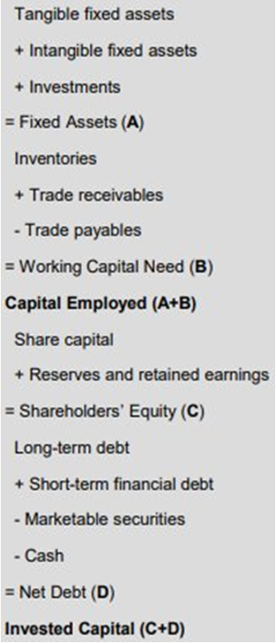
1000 |  |  |  |  | 2025 | trend | 2024 | trend | 2023 | trend | 2022 | trend | 2021
 |  |  |  |  | $5,481.00 | 43.26% | $4,884.00 | 27.65% | $4,209.00 | 10.01% | $3,935.00 | 2.85% | $3,826.00
 |  |  |  |  | $31,080.00 | -0.41% | $32,561.00 | 4.33% | $30,501.00 | -2.27% | $31,509.00 | 0.96% | $31,209.00
 |  |  |  |  | $3,905.00 | -4.48% | $4,506.00 | 10.23% | $4,087.00 | -0.02% | $3,982.00 | -2.59% | $4,088.00
 |  | FA | A |  | $40,466.00 | 3.43% | $41,951.00 | 7.23% | $38,797.00 | -0.83% | $39,426.00 | 0.77% | $39,123.00
 |  | Inventories |  |  | $5,368.00 | 35.18% | $5,411.00 | 36.26% | $4,519.00 | 13.80% | $4,346.00 | 9.44% | $3,971.00
 |  | Trade Receivables |  |  | $12,036.00 | 36.29% | $11,694.00 | 32.42% | $10,678.00 | 20.91% | $9,669.00 | 9.49% | $8,831.00
 |  | Trade Payables |  |  | $15,647.00 | 30.10% | $15,648.00 | 30.11% | $14,169.00 | 17.81% | $17,687.00 | 47.06% | $12,027.00

 |  | WCN | B |  | $1,757.00 | 126.71% | $1,457.00 | 88.00% | $1,028.00 | 32.65% | $(3,672.00) | -573.81% | $775.00

 |  | Capital Employed | A+B |  | $42,223.00 | 5.83% | $43,408.00 | 8.80% | $39,825.00 | -0.18% | $35,754.00 | -10.39% | $39,898.00
 |  | Share Capital |  |  | $2,308.00 | 1.41% | $2,303.00 | 1.19% | $2,291.00 | 0.66% | $2,284.00 | 0.35% | $2,276.00
 |  | Reserves |  |  | $24,415.00 | 297.70% | $5,300.00 | -13.67% | $3,284.00 | -46.51% | $3,998.00 | -34.88% | $6,139.00
 |  | Retained Earnings |  |  | $-2,268.00 |  | $23,677.00 |  | $21,593.00 |  | $19,812.00 |  | $19,694.00
 |  | SE | C |  | $24,455.00 | -13.00% | $31,280.00 | 11.28% | $27,168.00 | -3.35% | $26,094.00 | -7.17% | $28,109.00
 |  | LT Debt |  |  | $19,543.00 | 59.98% | $15,094.00 | 23.56% | $15,221.00 | 24.60% | $11,454.00 | -6.24% | $12,216.00
 |  | ST Debt |  |  | $2,859.00 | 30.25% | $3,921.00 | 78.63% | $2,341.00 | 6.65% | $3,133.00 | 42.73% | $2,195.00
 |  | Securities
 |  | Cash |  |  | $4,634.00 | 76.74% | $6,887.00 | 162.66% | $4,696.00 | 79.10% | $4,927.00 | 87.91% | $2,622.00
 |  | Net Debt | D |  | $17,768.00 | 50.72% | $12,128.00 | 2.88% | $12,866.00 | 9.14% | $9,660.00 | -18.06% | $11,789.00

 |  | Invested Capital | C+D |  | $42,223.00 | 5.83% | $43,408.00 | 8.80% | $40,034.00 | 0.34% | $35,754.00 | -10.39% | $39,898.00

 | WORKING CAPITAL ANALYSIS

 | Simplified Balance Sheet (SBS) (in £m) | 2025 | Trend | 2024 | Trend | 2023 | Trend | 2022 | Trend | 2021
 | Fixed Assets | $40,466.00 | 3.43% | $41,951.00 | 7.23% | $38,797.00 | -0.83% | $39,426.00 | 0.77% | $39,123.00
 | Current Assets except PC | $17,404.00 | 35.95% | $17,105.00 | 33.61% | $15,197.00 | 18.71% | $14,015.00 | 9.48% | $12,802.00
 | Positive Cash | $4,634.00 | 76.74% | $6,887.00 | 162.66% | $4,696.00 | 79.10% | $4,927.00 | 87.91% | $2,622.00
 | Total assets | $62,504.00 | 14.59% | $65,943.00 | 20.89% | $58,690.00 | 7.60% | $58,368.00 | 7.00% | $54,547.00
 | Long-Term Capital | $43,998.00 | 9.11% | $46,374.00 | 15.00% | $42,389.00 | 5.12% | $37,548.00 | -6.89% | $40,325.00
 | Current Liabilities except NC | $15,647.00 | 30.10% | $15,648.00 | 30.11% | $14,169.00 | 17.81% | $17,687.00 | 47.06% | $12,027.00
 | Negative Cash | $2,859.00 | 30.25% | $3,921.00 | 78.63% | $2,341.00 | 6.65% | $3,133.00 | 42.73% | $2,195.00
 | Total equity & liabilities | $62,504.00 | 14.59% | $65,943.00 | 20.89% | $58,899.00 | 7.98% | $58,368.00 | 7.00% | $54,547.00

 | Statement of Financial Structure (SFS) (in £m) | 2025 | Trend | 2024 | Trend | 2023 | Trend | 2022 | Trend | 2021
 | Working Capital (WC) | $3,532.00 | 193.84% | $4,423.00 | 267.97% | $3,592.00 | 198.84% | $(1,878.00) | -256.24% | $1,202.00
 | Working Capital Need (WCN) | $1,757.00 | 126.71% | $1,457.00 | 88.00% | $1,028.00 | 32.65% | $(3,672.00) | -573.81% | $775.00
 | Net Cash (NC) | $5,289.00 | 167.53% | $5,880.00 | 197.42% | $4,620.00 | 133.69% | $(5,550.00) | -380.73% | $1,977.00

Cash Flow Statement
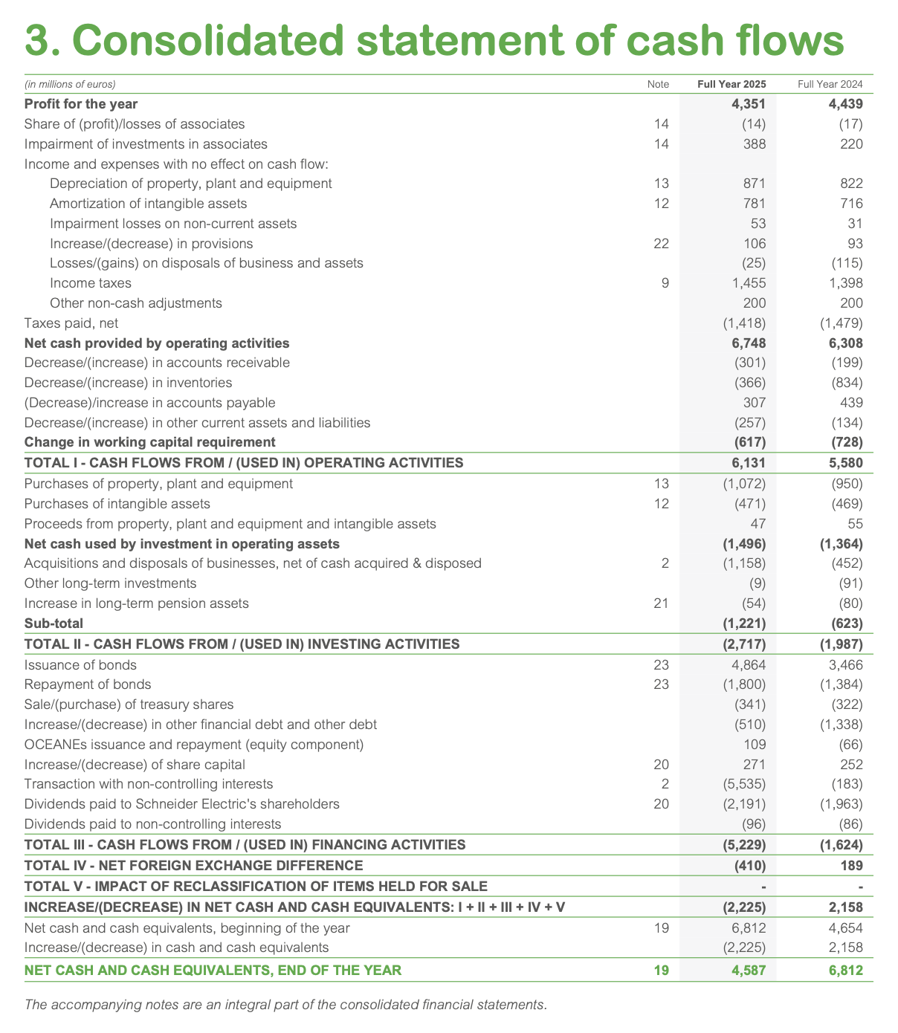
Cash Flow from Operating Activities (CFO) demonstrated robust and improving cash generation, rising from €3,161 million in 2021 to a peak of €6,131 million in 2025. This near doubling reflects excellent cash conversion from the growing net income, supported by stable non-cash items like depreciation and generally disciplined working capital management. However, year-to-year volatility in working capital changes (e.g., increases in inventories and receivables in some years) occasionally created temporary outflows, highlighting that rapid business expansion sometimes required short-term cash absorption. Overall, the strong CFO trend underscores the high quality of earnings and the group's ability to turn profit growth into actual cash, with cash conversion ratios frequently approaching or exceeding 100% in stronger years.
Cash Flow from Investing Activities (CFI) remained consistently negative, averaging between -€2.0 billion and -€2.7 billion annually, which is typical for a capital-intensive industrial and technology leader. The primary driver was sustained capital expenditures on property, plant and equipment, along with investments in intangible assets and selective acquisitions. Compared with the 2021 base of -€1,351 million, the outflow widened to -€2,727 million in 2025, signaling increased investment in capacity, digital solutions, and growth initiatives in energy management and automation. This disciplined but growing investment level supports long-term strategic positioning, though it represents a structural cash use that must be funded by strong operating cash flows.
Cash Flow from Financing Activities (CFF) was predominantly negative and volatile, ranging from around -€3.0 billion to -€2.6 billion in recent years. Large outflows were mainly driven by consistent and growing dividend payments to shareholders (often €2.0–2.9 billion per year), share buybacks in certain periods, and net debt management activities. The group used debt markets opportunistically for refinancing or selective issuance, which helped maintain financial flexibility without excessive leverage buildup. This pattern illustrates a shareholder-friendly capital allocation policy that returns substantial cash while balancing growth funding needs.
Free Cash Flow (FCF), derived from CFO minus net capital expenditures, emerged as a clear strength. It grew significantly from approximately €3.7 billion in 2021 to around €4.6 billion in 2025, with excellent cash conversion from net income often reaching 110% or higher in peak years. This robust FCF generation provided ample headroom to fund dividends, selective M&A, and balance sheet maintenance, while demonstrating operational efficiency and resilience. Minor year-to-year fluctuations were mostly linked to timing of working capital or capex cycles rather than underlying weakness.
Overall, the total change in cash and cash equivalents reflected a healthy net cash position that improved in most years despite substantial dividend distributions and ongoing investments. The statement portrays Schneider Electric as a high-quality cash compounder with strong operating cash generation, strategic investing discipline, and balanced financing that prioritizes shareholder returns. The combination of rising CFO, controlled CFI outflows, and high FCF conversion highlights structural cash flow resilience, even amid business growth and occasional working capital swings. This cash profile supports the group's ability to navigate economic cycles while continuing to invest in electrification, automation, and digital transformation.
Line Item | FY2025 (€m) | Trend | FY2024 (€m) | Trend | FY2023 (€m) | Trend | FY2022 (€m) | Trend | FY2021 (€m) | INTERPRETATION
Net income | 4,351.00 | 32.94% | 4,439.00 | 35.62% | 4,169.00 | 27.38% | 3,536.00 | 8.04% | 3,273.00
Share of profit of equity-accounted investments | -14.00 | -83.33% | -17.00 | -79.76% | -51.00 | -39.29% | -29.00 | -65.48% | -84.00
Impairment of investments in associates and joint ventures | 388.00 | 76.36% | 220.00
Non-cash items: |  |  | - |  | 743.00 | 2.34% | 750.00 | 3.31% | 726.00
Depreciation of property, plant and equipment | 871.00 | 26.60% | 822.00 | 19.48% | 717.00 | 4.22% | 732.00 | 6.40% | 688.00
Amortization of intangible assets | 781.00 | 2197.06% | 716.00 | 2005.88% | 60.00 | 76.47% | 61.00 | 79.41% | 34.00
Depreciation of non-current assets | 53.00 | -198.15% | 31.00 | -157.41% | 87.00 | -261.11% | 32.00 | -159.26% | -54.00
Increase/(decrease) in provisions | 106.00 | -157.61% | 93.00 | -150.54% | -252.00 | 36.96% | 70.00 | -138.04% | -184.00
Gains/(losses) on disposals of activities and fixed assets | -25.00 | -34.21% | -115.00 | 202.63% | -164.00 | 331.58% | 139.00 | -465.79% | -38.00
Income tax expense | 1,455.00 | 4.08% | 1,398.00
Other non-cash items | 200.00 | 85.19% | 200.00 | 85.19% | 220.00 | 103.70% | 102.00 | -5.56% | 108.00
Income taxes paid, net | -1,418.00 | -4.12% | -1,479.00
Operating cash flow | 6,748.00 | 51.00% | 6,308.00 | 41.15% | 5,529.00 | 23.72% | 5,393.00 | 20.68% | 4,469.00
Decrease/(increase) in trade receivables | -301.00 | -47.83% | -199.00 | -65.51% | 62.00 | -110.75% | -305.00 | -47.14% | -577.00
Decrease/(increase) in inventories | -366.00 | -61.68% | -834.00 | -12.67% | -382.00 | -60.00% | -553.00 | -42.09% | -955.00
(Decrease)/increase in trade payables | 307.00 | -26.56% | 439.00 | 5.02% | 493.00 | 17.94% | 73.00 | -82.54% | 418.00
Decrease/(increase) in other current assets and liabilities | -257.00 | -198.47% | -134.00 | -151.34% | 205.00 | -21.46% | -254.00 | -197.32% | 261.00
Change in working capital | -617.00 | -27.67% | -728.00 | -14.65% | 378.00 | -144.31% | -1,039.00 | 21.81% | -853.00
TOTAL I - CASH FROM / (USED IN) OPERATING ACTIVITIES | 6,131.00 | 69.55% | 5,580.00 | 54.31% | 5,907.00 | 63.36% | 4,354.00 | 20.41% | 3,616.00
Acquisitions of property, plant and equipment | -1,072.00 | 97.42% | -950.00 | 74.95% | -914.00 | 68.32% | -707.00 | 30.20% | -543.00
Acquisitions of intangible assets | -471.00 | 41.44% | -469.00 | 40.84% | -451.00 | 35.44% | -386.00 | 15.92% | -333.00
Disposals of property, plant and equipment and intangibles | 47.00 | -20.34% | 55.00 | -6.78% | 52.00 | -11.86% | 69.00 | 16.95% | 59.00
Net capital expenditure | -1,496.00 | 83.11% | -1,364.00 | 66.95% | -1,313.00 | 60.71% | -1,024.00 | 25.34% | -817.00
Acquisitions and disposals of activities, net of cash acquired and divested | -1,158.00 | -72.63% | -452.00 | -89.32% | 611.00 | -114.44% | -297.00 | -92.98% | -4,231.00
Other long-term investments | -9.00 | -156.25% | -91.00 | -668.75% | -89.00 | -656.25% | 40.00 | 150.00% | 16.00
Increase in long-term retirement assets | -54.00 | -60.29% | -80.00 | -41.18% | -257.00 | 88.97% | -130.00 | -4.41% | -136.00
Sub-total | -1,221.00 | -71.94% | -623.00 | -85.68% | 265.00 | -106.09% | -387.00 | -91.11% | -4,351.00
TOTAL II - CASH FROM / (USED IN) INVESTING ACTIVITIES | -2,717.00 | -47.43% | -1,987.00 | -61.55% | -1,048.00 | -79.72% | -1,411.00 | -72.70% | -5,168.00
Issuance of bonds | 4,864.00 | 40.33% | 3,466.00 | -1.23% | 3,509.00 | 221.34% | 1,092.00 |  | -
Repayment of bonds | -1,800.00 | 200.00% | -1,384.00 | 130.67% | -1,299.00 | 116.50% | -829.00 | 38.17% | -600.00
Purchase/(sale) of treasury shares | -341.00 | 30.15% | -322.00 | 22.90% | -703.00 | 168.32% | -219.00 | -16.41% | -262.00
Increase/(decrease) in other financial liabilities and other debt | -510.00 | 14.86% | -1,338.00 | 201.35% | 939.00 | -311.49% | 143.00 | -132.21% | -444.00
Issuance and repurchase of OCEANEs (equity component) | 109.00 | -265.15% | -66.00 |  | - |  | - |  | -
Increase/(reduction) of share capital in cash | 271.00 | 25.46% | 252.00 | 16.67% | 284.00 | 31.48% | 208.00 | -3.70% | 216.00
Transactions with non-controlling interests | -5,535.00 | 1224.16% | -183.00 | -56.22% | -4,702.00 | 1024.88% | -73.00 | -82.54% | -418.00
Dividends paid to Schneider Electric shareholders | -2,191.00 | 51.42% | -1,963.00 | 35.66% | -1,767.00 | 22.11% | -1,618.00 | 11.82% | -1,447.00
Dividends paid to minority shareholders | -96.00 | -30.43% | -86.00 | -37.68% | -84.00 | -39.13% | -157.00 | 13.77% | -138.00
TOTAL III - CASH FROM / (USED IN) FINANCING ACTIVITIES | -5,229.00 | 69.06% | -1,624.00 | -47.49% | -3,823.00 | 23.60% | -1,453.00 | -53.02% | -3,093.00
TOTAL IV - NET EFFECT OF EXCHANGE RATES | -410.00 | -218.50% | 189.00 | -45.38% | -240.00 | -169.36% | -70.00 | -120.23% | 346.00
TOTAL V - IMPACT OF ASSETS HELD FOR SALE | - |  | - |  | -4.00 | -80.00% | -20.00 |  | -
NET CHANGE IN CASH: I + II + III + IV + V | -2,225.00 | -48.24% | 2,158.00 | -150.20% | 792.00 | -118.42% | 1,400.00 | -132.57% | -4,299.00
Opening net cash | 6,812.00 | 0.74% | 4,654.00 | -31.17% | 3,863.00 | -42.87% | 2,463.00 | -63.58% | 6,762.00
Change in cash | -2,225.00 | -48.24% | 2,158.00 | -150.20% | 792.00 | -118.42% | 1,400.00 | -132.57% | -4,299.00
CLOSING NET CASH | 4,587.00 | 86.24% | 6,812.00 | 176.57% | 4,654.00 | 88.96% | 3,863.00 | 56.84% | 2,463.00

INDIRECT METHOD -

Variable | 2025 (€m) | Trend | 2024 (€m) | Trend | 2023 (€m) | Trend | 2022 (€m) | Trend | 2021 (€m)
Net income | 4,351.00 | 32.94% | 4,439.00 | 35.62% | 4,169.00 | 27.38% | 3,536.00 | 8.04% | 3,273.00
Non cash and non operating adjustments | 2,397.00 | 100.42% | 1,869.00 | 56.27% | 1,360.00 | 13.71% | 1,857.00 | 55.27% | 1,196.00
∆A/R | -301.00 | -47.83% | -199.00 | -65.51% | 62.00 | -110.75% | -305.00 | -47.14% | -577.00
∆I | -366.00 | -61.68% | -834.00 | -12.67% | -382.00 | -60.00% | -553.00 | -42.09% | -955.00
∆A/P | 307.00 | -26.56% | 439.00 | 5.02% | 493.00 | 17.94% | 73.00 | -82.54% | 418.00
∆ other current asstes | -257.00 | -198.47% | -134.00 | -151.34% | 205.00 | -21.46% | -254.00 | -197.32% | 261.00
CFO | 6,131.00 | 69.55% | 5,580.00 | 54.31% | 5,907.00 | 63.36% | 4,354.00 | 20.41% | 3,616.00

Ratios
Profitability analysis
ROE: Schneider Electric's ROE stands at 17.79% in 2025, meaning the company generates €0.18 of net profit for every €1 invested by shareholders. This is a strong level (above 15% is considered good). The ROE has been steadily improving from 11.64% in 2021, which reflects a consistent improvement in how efficiently the company uses shareholders' funds to generate returns.
ROS: The ROS of 10.84% means that Schneider retains about €0.11 of net profit for every €1 of revenue. This is a solid level (above 10% is a good sign). It has improved significantly from 11.32% in 2021, dipped in 2022–2023, and recovered strongly in 2025, showing good control over revenues and expenses.
Assets Turnover: Schneider generates €0.64 of revenue for every €1 of assets. This is below 1, which is typical for a capital-intensive industrial company like Schneider Electric. However, the ratio has been progressing since 2021 (0.53), indicating a gradual improvement in asset utilization.
Equity Multiplier: With an EM of 2.56, Schneider Electric deploys €2.56 of assets for every €1 of shareholders' equity. This implies a D/E of approximately 1.56 (EM − 1), which indicates a significant use of financial leverage, meaning the company relies considerably on debt to finance its assets rather than purely on equity. The EM has risen from 1.94 in 2021, confirming that Schneider has been increasingly leveraging its balance sheet over the period, which amplifies ROE but also adds financial risk.
Operating management - Profit margins
Gross Profit Margin: The gross margin of 42.08% is very strong (above 40% is excellent in many industries). It has been remarkably stable since 2021 (40.97%), which is a strong sign of structural pricing power and good cost management.
EBITDA Margin: An EBITDA margin of ~20% is a solid performance (above 20% is considered strong). It has grown from 18.78% in 2021, reflecting improved operational efficiency before depreciation and amortization charges.
The margin has been consistently improving since 2021 (18.78%), which signals a gradual but steady improvement in operational efficiency over the period.
EBITA Margin: Slightly lower than the EBITDA margin (17,82%/19.99%), as it includes depreciation charges. The ~2% gap reflects the significant weight of tangible asset depreciation for a capital-intensive company like Schneider Electric. The EBITA margin has grown from 16.40% in 2021, confirming a consistent improvement in core operating profitability.
Both margins tell the same story: Schneider is becoming more operationally efficient over time.
EBIT Margin: The EBIT margin of 16.68% is very close to the EBITDA margin (19.99%), with a narrow gap of only ~3.3 points. Unlike a capital-intensive business where a large gap would indicate high depreciation charges, this small gap suggests that Schneider Electric carries a relatively low D&A burden relative to its revenues.
Working capital management
Days' Receivables (DSO): Schneider's customers take on average 88 days to pay. This is high (>60 days is considered elevated and <30 days is ideal), but fairly consistent with B2B industrial businesses that grant longer payment terms. The DSO is stable across the period.
Days' Inventories (DIO): Schneider holds its inventory for about 83 days before selling it which is very high. A high DIO ties up capital in inventory and reduces efficiency
Days' Payables (DPO): Schneider takes ~144 days to pay its suppliers, which is very favorable. A high DPO means the company retains cash longer, reducing the need for external financing. The DPO has grown from 120.58 days in 2021, which is a positive sign for working capital management.
CCC: The Cash Conversion Cycle of ~27 days is acceptable. The CCC has improved from 48.25 days in 2021, driven mainly by the increase in DPO. The closer to 0 (or negative), the better, Schneider is moving in the right direction. Non-current asset management
PP&E Turnover: The PP&E turnover of 7.33 means that Schneider Electric generates €7.33 of revenue for every €1 of net fixed assets. A high PP&E turnover signals an efficient use of assets, while a low one indicates too much investment relative to sales. A ratio of 7.33 is therefore a strong level, confirming that Schneider uses its tangible assets efficiently to generate revenue. However, the ratio has slightly declined from 7.55 in 2021, which could suggest that recent capital investments have not yet fully translated into additional revenue.
Liquidity analysis
Current Ratio: The current ratio is 1.19, meaning Schneider can cover its current liabilities with its current assets. This is above 1, which is reassuring, but slightly below the healthy 1.5–2 range from the course. It improved from 108.5% in 2021 to a peak of 122.6% in 2024, before slightly declining in 2025 but still a stable and acceptable position.
Quick Ratio: The QR of 0.90 is below 1, which indicates a potential liquidity concern (between 1 and 1.5 is considered strong). This means that without selling inventory, Schneider cannot fully cover its short-term liabilities. The QR has been below 1 throughout the period, which is a structural feature of the company rather than a sudden deterioration.
Cash Ratio: The cash ratio of 0.25 is below 0.5, which means Schneider cannot cover its short-term obligations with cash alone. A low cash ratio is not necessarily bad, in fact many healthy companies have low cash ratios because holding excess cash reduces profitability. The ratio has improved slightly from 18.4% in 2021, showing a gradual strengthening of the cash position.
Solvency analysis
Debt-to-Equity: Schneider's D/E ratio stands at 0.73 in 2025, meaning total debt represents 73.1% of shareholders' equity. This is in the moderate-to-high range (above 0.6 which signals a high debt = vulnerability signal as the company uses more debt than what is considered comfortable). It has risen sharply from 34.7% in 2021, which reflects a significant increase in debt financing over the period
Total Debt Ratio: The TDR of 0.28 means that 28.6% of total assets are financed by debt. This falls in the low-to-moderate range (between 20% and 40% ), indicating a solid solvency position. The TDR has grown from 17.9% in 2021, but remains at an acceptable level. This upward trend signals that Schneider has been increasingly relying on debt to finance its asset base, likely to fund acquisitions or strategic investments. While the current level remains comfortable and well below the 0.6 warning, the pace of increase is worth monitoring. If this trend continues, Schneider could progressively move into a higher-risk zone where creditors may start perceiving greater default risk
Interest Coverage Ratio: With an ICR of 14.16, Schneider generates 14x its interest expense in operating profit. This is very strong (above 5 is excellent). It has however declined from 43.75 in 2021, suggesting that interest expenses have increased significantly, likely due to higher debt levels. Despite the downward trend, the company remains very comfortable in meeting its debt obligations.
Net Debt-to-EBITDA: This ratio of 1.86 means it would take Schneider ~1.86 years of EBITDA to repay its net debt. This is a good level (between 1 and 2 is considered healthy). It has increased from 1.07 in 2024 and 1.77 in 2021, signaling a slight uptick in leverage, but still remains manageable.
Investors and shareholders ratios
Dividend Payout Ratio: Schneider pays out 52.63% of its net income as dividends. This is a moderate-to-high payout (between 30–60% is considered balanced), typical of a mature, stable industrial company. The DPR has been stable since 2021 (45.16%), showing a consistent and shareholder-friendly dividend policy.
Dividend Yield: The DY of 1.66% is low (below 3% is considerate low). This means the dividend return relative to the share price is limited. However, the low yield partly reflects the strong appreciation of Schneider's share price (from €172.46 in 2021 to €234.9 in 2025), which mechanically lowers the yield but for growth investors, this is not necessarily negative.
Earnings Per Share: EPS stands at €7.4 in 2025, up from €5.8 in 2021. This is a clear growing EPS trend, which signals improving profitability and operational efficiency. It is a strong positive signal for shareholders.
P/E Ratio: The P/E ratio of 31.7 is high (above 20 is considered). The market is willing to pay €31.7 for every €1 of earnings, which reflects strong investor confidence in Schneider's future growth prospects. It has remained elevated since 2024 (31.7), and increased significantly from 29.9 in 2021.
P/B Ratio: The P/B of 5.4 means the market values Schneider at 5.4 times its book value. This is well above 2 (above 2 is generally considered high), suggesting the market attributes significant intangible value to the company (brand, technology, market position). The P/B has grown steadily from 3.4 in 2021, confirming the market's growing confidence in Schneider Electric.
Valuation multiples
EV/EBITDA: An EV/EBITDA of 18.3 is above the typical healthy range (3–5, with >5 being high). This indicate a significant market premium. It reflects strong investor confidence in Schneider's future earnings potential and growth prospects. The ratio has remained broadly stable since 2021, suggesting the market has consistently valued the company at a premium over the period.
EV/EBITA: The EV/EBITA of 20.5 is slightly higher than the EV/EBITDA, as EBITA is smaller (it already deducts depreciation). The ~2.2 point gap between the two multiples is consistent with the narrow EBITDA-to-EBIT gap observed earlier, confirming Schneider's relatively low depreciation burden. Both multiples tell the same story: the market places a high valuation on Schneider Electric, well above typical industrial benchmarks, which is consistent with the company's strong fundamentals, market leadership in energy management, and its strategic positioning in high-growth sectors like electrification and digital automation.
ROCE: The Return on Capital Employed of 12.1% has improved from 8.3% in 2021. This indicates that Schneider is generating increasingly better returns on the total capital deployed in the business. It is a strong positive signal for long-term investors.
RATIO ANALYSIS | 2025 | 2024 | 2023 | 2022 | 2021 | Balance Sheet | FY2025 (€m) | FY2024 (€m) | FY2023 (€m) | FY2022 (€m) | FY2021 (€m) | INTERPRETATION
 |  |  |  |  |  | Intangible assets | 31,080.00 | 32,561.00 | 30,501.00 | 31,509.00 | 31,209.00
Profitability analysis |  |  |  |  |  | Property, plant and equipment | 5,481.00 | 4,884.00 | 4,209.00 | 3,935.00 | 3,826.00
ROE | 17.79% | 14.19% | 15.35% | 13.55% | 11.64% | Other non-current assets | 3,905.00 | 4,506.00 | 4,087.00 | 3,982.00 | 4,088.00
ROS | 10.84% | 11.63% | 11.61% | 10.35% | 11.32% | Total non-current assets | 40,466.00 | 41,951.00 | 38,797.00 | 39,426.00 | 39,123.00
Assets turnover | 0.64 | 0.58 | 0.61 | 0.59 | 0.53 | Inventories | 5,368.00 | 5,411.00 | 4,519.00 | 4,346.00 | 3,971.00
Equity Multiplier | 2.56 | 2.11 | 2.17 | 2.24 | 1.94 | Accounts receivable | 9,836.00 | 9,364.00 | 8,388.00 | 7,514.00 | 6,829.00
ROE decomposition: Traditional approach |  |  |  |  |  | Other current assets | 2,200.00 | 2,330.00 | 2,290.00 | 2,155.00 | 2,002.00
ROE = ROS x Assets turnover x Eq. Multiplier | 17.79% | 14.19% | 15.35% | 13.55% | 11.64% | Cash and cash equivalents | 4,634.00 | 6,887.00 | 4,696.00 | 4,927.00 | 2,622.00
Operating management: Profit margins |  |  |  |  |  | Total current assets | 22,038.00 | 23,992.00 | 19,893.00 | 18,942.00 | 15,424.00
Gross profit margin | 42.08% | 42.64% | 41.81% | 40.60% | 40.97% | Total assets | 62,504.00 | 65,943.00 | 58,899.00 | 58,368.00 | 54,547.00
EBITA (in £m/€m) | 7,156.00 | 6,855.00 | 6,363.00 | 5,357.00 | 4,741.00 | Issued share capital | 2,308.00 | 2,303.00 | 2,291.00 | 2,284.00 | 2,276.00
EBITDA (in £m/€m) | 8,027.00 | 7,677.00 | 7,080.00 | 6,089.00 | 5,429.00 | Capital & Other reserves | 24,415.00 | 5,300.00 | 3,284.00 | 3,998.00 | 6,139.00
EBITA margin | 17.82% | 17.97% | 17.72% | 15.67% | 16.40% | Equity portion of convertible debt | 0.00 | 0.00 | 0.00 | 0.00 | 0.00
EBITDA margin | 19.99% | 20.12% | 19.72% | 17.82% | 18.78% | Retained earnings | -2,268.00 | 23,677.00 | 21,593.00 | 19,812.00 | 19,694.00
Operating profit (or EBIT) margin | 16.68% | 16.90% | 16.53% | 14.43% | 14.98% | Total equity | 24,455.00 | 31,280.00 | 27,168.00 | 26,094.00 | 28,109.00
Investment management: Working capital management |  |  |  |  |  | Borrowings & similar liabilities | 15,021.00 | 10,910.00 | 11,592.00 | 7,330.00 | 7,554.00
Days' receivables | 88.19 | 88.36 | 84.11 | 79.15 | 85.05 | Other non-current liabilities | 4,522.00 | 4,184.00 | 3,629.00 | 4,124.00 | 4,662.00
Days' inventories | 83.09 | 89.01 | 77.88 | 77.07 | 83.79 | Total non-current liabilities | 19,543.00 | 15,094.00 | 15,221.00 | 11,454.00 | 12,216.00
Days' payables | 144.37 | 146.29 | 130.90 | 110.91 | 120.58 | Accounts payable | 9,327.00 | 8,893.00 | 7,596.00 | 6,254.00 | 5,715.00
CCC | 26.91 | 31.08 | 31.08 | 45.31 | 48.25 | Bank overdraft | 0.00 | 0.00 | 0.00 | 0.00 | 0.00
Investment management: Non-current asset management |  |  |  |  |  | Borrowings & similar liabilities | 2,859.00 | 3,921.00 | 2,341.00 | 3,133.00 | 2,195.00
PP&E turnover | 7.33 | 7.81 | 8.53 | 8.69 | 7.55 | Other current liabilities | 6,320.00 | 6,755.00 | 6,573.00 | 11,433.00 | 6,312.00
Financial management: Liquidity analysis |  |  |  |  |  | Total current liabilities | 18,506.00 | 19,569.00 | 16,510.00 | 20,820.00 | 14,222.00
Current ratio | 1.19 | 1.23 | 1.20 | 0.91 | 1.08 | Total equity and liabilities | 62,504.00 | 65,943.00 | 58,899.00 | 58,368.00 | 54,547.00
Quick ratio | 0.90 | 0.95 | 0.93 | 0.70 | 0.81
Cash ratio | 0.25 | 0.35 | 0.28 | 0.24 | 0.18 | Income Statement | FY2025 (€m) | FY2024 (€m) | FY2023 (€m) | FY2022 (€m) | FY2021 (€m)
Financial management: Solvency analysis |  |  |  |  |  | Revenue | 40,152.00 | 38,153.00 | 35,902.00 | 34,176.00 | 28,905.00
Debt to equity | 0.73 | 0.47 | 0.51 | 0.40 | 0.35 | Cost of sales | -23,257.00 | -21,885.00 | -20,890.00 | -20,300.00 | -17,062.00
Total debt ratio | 0.29 | 0.22 | 0.24 | 0.18 | 0.18 | Gross profit | 16,895.00 | 16,268.00 | 15,012.00 | 13,876.00 | 11,843.00
Interest coverage | 14.16 | 14.83 | 15.33 | 37.95 | 43.75 | Research and development | -1,365.00 | -1,308.00 | -1,168.00 | -1,040.00 | -855.00
Net Debt-to-EBITA | 2.08 | 1.20 | 1.65 | 1.22 | 2.02 | Selling, general and administrative expenses | -8,010.00 | -7,877.00 | -7,432.00 | -6,819.00 | -6,001.00
Net Debt-to-EBITDA | 1.86 | 1.07 | 1.49 | 1.07 | 1.77 | Adjusted EBITA | 7,520.00 | 7,083.00 | 6,412.00 | 6,017.00 | 4,987.00
Ratio for investors/shareholders |  |  |  |  |  | Other operating income and expenses | -77.00 | -87.00 | 98.00 | -433.00 | -21.00
Dividend payout ratio | 52.63% | 45.98% | 44.14% | 46.53% | 45.16% | Restructuring charges | -287.00 | -141.00 | -147.00 | -227.00 | -225.00
Dividend yield | 1.66% | 1.45% | 1.74% | 2.22% | 1.51% | EBITA | 7,156.00 | 6,855.00 | 6,363.00 | 5,357.00 | 4,741.00
Earnings per share | 7.4 | 7.6 | 7.2 | 6.2 | 5.8 | EBITDA (restated) | 8,027.00 | 7,677.00 | 7,080.00 | 6,089.00 | 5,429.00
P/E ratio | 31.7 | 31.7 | 25.4 | 21.0 | 29.9 | Amortization of acquisition-related intangibles | -457.00 | -406.00 | -430.00 | -424.00 | -410.00
P/B ratio | 5.4 | 4.3 | 3.7 | 2.8 | 3.4 | Operating income (EBIT) | 6,699.00 | 6,449.00 | 5,933.00 | 4,933.00 | 4,331.00
Net Debt | 14,909.00 | 8,207.00 | 10,525.00 | 6,527.00 | 9,594.00 | Income from cash and cash equivalents | 152.00 | 174.00 | 79.00 | 24.00 | 4.00
EV | 146,877.79 | 143,345.25 | 112,296.38 | 79,482.61 | 105,524.88 | Gross cost of financial debt | -473.00 | -435.00 | -387.00 | -130.00 | -99.00
EV/EBITA | 20.5 | 20.9 | 17.6 | 14.8 | 22.3 | Net cost of financial debt | -321.00 | -261.00 | -308.00 | -106.00 | -95.00
EV/EBITDA | 18.3 | 18.7 | 15.9 | 13.1 | 19.4 | Other financial income and expenses | -198.00 | -148.00 | -222.00 | -109.00 | -81.00
ROCE | 12.1% | 11.4% | 11.3% | 10.3% | 8.3% | Net financial result | -519.00 | -409.00 | -530.00 | -215.00 | -176.00
Weighted average shares outstanding | 561.81 | 560.97 | 559.86 | 558.11 | 556.25 | Income before taxes | 6,180.00 | 6,040.00 | 5,403.00 | 4,718.00 | 4,155.00
Share price (close price 31 december of each year) | 234.9 | 240.9 | 181.78 | 130.72 | 172.46 | Income tax expense | -1,455.00 | -1,398.00 | -1,285.00 | -1,211.00 | -966.00
Dividends distributed (simple convention) $ | 2191 | 1963 | 1767 | 1618 | 1447 | Share of profit of equity-accounted investments | 14.00 | 17.00 | 51.00 | 29.00 | 84.00
Dividend per share | 3.90 | 3.50 | 3.16 | 2.90 | 2.60 | Impairment of investments in associates and joint ventures | -388.00 | -220.00 | - | - | -
 |  |  |  |  |  | Net income | 4,351.00 | 4,439.00 | 4,169.00 | 3,536.00 | 3,273.00
Two conventions exist for assigning dividends in the payout ratio:
"Strict" convention — you assign the dividend to the fiscal year whose profits it rewards. For example, the dividend paid in 2025 is assigned to FY2024, since it remunerates FY2024 earnings. This is technically more accurate but means FY2025 has no dividend yet (it will only be paid in 2026).
"Simple" convention — you take the dividends as they appear directly in the CFS for each year, no shift. So 2025 = €2,191m paid in 2025, regardless of which year's earnings they relate to. Less precise but straightforward and uses readily available data.
Both are valid. We're asking the professor which one to apply.
 |  |  |  |  |  | of which attributable to shareholders of the parent | 4,163.00 | 4,269.00 | 4,003.00 | 3,477.00 | 3,204.00
 |  |  |  |  |  | of which attributable to non-controlling interests | 188.00 | 170.00 | 166.00 | 59.00 | 69.00
 |  |  |  |  |  | Basic EPS (€) | 7.41 | 7.61 | 7.15 | 6.23 | 5.76
 |  |  |  |  |  | Diluted EPS (€) | 7.33 | 7.53 | 7.07 | 6.15 | 5.67

 |  |  |  |  |  | Tax rate | 23.5% | 23.1% | 23.8% | 25.7% | 23.2%

Methodological note - DSO, DPO & DIO conventions
For the calculation of working capital days ratios, we applied a 360-day convention rather than 365, in line with the standard academic methodology used throughout this course, where each month is treated as 30 days for comparability purposes.
Regarding the tax gross-up adjustment on the denominator, while it is technically argued that trade receivables and payables on the balance sheet are recorded inclusive of VAT, creating a mismatch with the tax-exclusive figures reported in the income statement, we chose not to apply this correction for Schneider Electric. As a global B2B group operating across more than 100 countries, no single VAT rate can be meaningfully identified or applied. Furthermore, in B2B transactions, VAT is fully recoverable by the counterparty, making it economically neutral. Applying an arbitrary tax rate would introduce greater distortion than the one it aims to correct. This adjustment is most relevant for domestic, B2C-oriented companies where a uniform and material tax rate applies consistently across all revenues.
 |  |  |  |  |  | Cash Flow Statement | 2025 | 2024 | 2023 | 2022 | 2021
 |  |  |  |  |  | Net income | 4351 | 4439 | 4169 | 3536 | 3273
 |  |  |  |  |  | Share of profit of equity-accounted investments | -14 | -17 | -51 | -29 | -84
 |  |  |  |  |  | Impairment of investments in associates and joint ventures | 388 | 220 | 0 | 0 | 0
 |  |  |  |  |  | Non-cash items: | 0 | - | 743 | 750 | 726
 |  |  |  |  |  | Depreciation of property, plant and equipment | 871 | 822 | 717 | 732 | 688
 |  |  |  |  |  | Amortization of intangible assets | 781 | 716 | 60 | 61 | 34
 |  |  |  |  |  | Depreciation of non-current assets | 53 | 31 | 87 | 32 | -54
 |  |  |  |  |  | Increase/(decrease) in provisions | 106 | 93 | -252 | 70 | -184
 |  |  |  |  |  | Gains/(losses) on disposals of activities and fixed assets | -25 | -115 | -164 | 139 | -38
 |  |  |  |  |  | Income tax expense | 1455 | 1398 | 0 | 0 | 0
 |  |  |  |  |  | Other non-cash items | 200 | 200 | 220 | 102 | 108
 |  |  |  |  |  | Income taxes paid, net | -1418 | -1479 | 0 | 0 | 0
 |  |  |  |  |  | Operating cash flow | 6748 | 6308 | 5529 | 5393 | 4469
 |  |  |  |  |  | Decrease/(increase) in trade receivables | -301 | -199 | 62 | -305 | -577
 |  |  |  |  |  | Decrease/(increase) in inventories | -366 | -834 | -382 | -553 | -955
 |  |  |  |  |  | (Decrease)/increase in trade payables | 307 | 439 | 493 | 73 | 418
 |  |  |  |  |  | Decrease/(increase) in other current assets and liabilities | -257 | -134 | 205 | -254 | 261
 |  |  |  |  |  | Change in working capital | -617 | -728 | 378 | -1039 | -853
 |  |  |  |  |  | TOTAL I - CASH FROM / (USED IN) OPERATING ACTIVITIES | 6131 | 5580 | 5907 | 4354 | 3616
 |  |  |  |  |  | Acquisitions of property, plant and equipment | -1072 | -950 | -914 | -707 | -543
 |  |  |  |  |  | Acquisitions of intangible assets | -471 | -469 | -451 | -386 | -333
 |  |  |  |  |  | Disposals of property, plant and equipment and intangibles | 47 | 55 | 52 | 69 | 59
 |  |  |  |  |  | Net capital expenditure | -1496 | -1364 | -1313 | -1024 | -817
 |  |  |  |  |  | Acquisitions and disposals of activities, net of cash acquired and divested | -1158 | -452 | 611 | -297 | -4231
 |  |  |  |  |  | Other long-term investments | -9 | -91 | -89 | 40 | 16
 |  |  |  |  |  | Increase in long-term retirement assets | -54 | -80 | -257 | -130 | -136
 |  |  |  |  |  | Sub-total | -1221 | -623 | 265 | -387 | -4351
 |  |  |  |  |  | TOTAL II - CASH FROM / (USED IN) INVESTING ACTIVITIES | -2717 | -1987 | -1048 | -1411 | -5168
 |  |  |  |  |  | Issuance of bonds | 4864 | 3466 | 3509 | 1092 | -
 |  |  |  |  |  | Repayment of bonds | -1800 | -1384 | -1299 | -829 | -600
 |  |  |  |  |  | Purchase/(sale) of treasury shares | -341 | -322 | -703 | -219 | -262
 |  |  |  |  |  | Increase/(decrease) in other financial liabilities and other debt | -510 | -1338 | 939 | 143 | -444
 |  |  |  |  |  | Issuance and repurchase of OCEANEs (equity component) | 109 | -66 | - | - | -
 |  |  |  |  |  | Increase/(reduction) of share capital in cash | 271 | 252 | 284 | 208 | 216
 |  |  |  |  |  | Transactions with non-controlling interests | -5535 | -183 | -4702 | -73 | -418
 |  |  |  |  |  | Dividends paid to Schneider Electric shareholders | -2191 | -1963 | -1767 | -1618 | -1447
 |  |  |  |  |  | Dividends paid to minority shareholders | -96 | -86 | -84 | -157 | -138
 |  |  |  |  |  | TOTAL III - CASH FROM / (USED IN) FINANCING ACTIVITIES | -5229 | -1624 | -3823 | -1453 | -3093
 |  |  |  |  |  | TOTAL IV - NET EFFECT OF EXCHANGE RATES | -410 | 189 | -240 | -70 | 346
 |  |  |  |  |  | TOTAL V - IMPACT OF ASSETS HELD FOR SALE | - | - | -4 | -20 | -
 |  |  |  |  |  | NET CHANGE IN CASH: I + II + III + IV + V | -2225 | 2158 | 792 | 1400 | -4299
 |  |  |  |  |  | Opening net cash | 6812 | 4654 | 3863 | 2463 | 6762
 |  |  |  |  |  | Change in cash | -2225 | 2158 | 792 | 1400 | -4299
 |  |  |  |  |  | CLOSING NET CASH | 4587 | 6812 | 4654 | 3863 | 2463

