AnnualSciProd
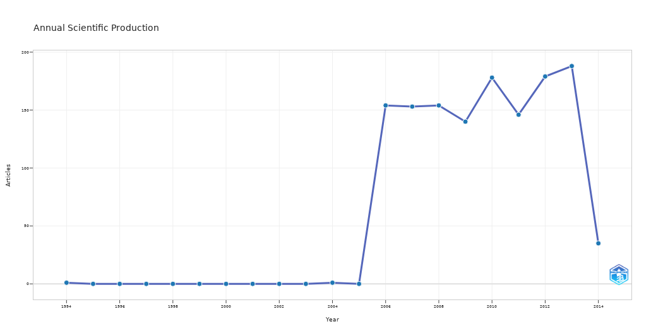
Year | Freq
1994 | 1
1995 | 0
1996 | 0
1997 | 0
1998 | 0
1999 | 0
2000 | 0
2001 | 0
2002 | 0
2003 | 0
2004 | 1
2005 | 0
2006 | 154
2007 | 153
2008 | 154
2009 | 140
2010 | 178
2011 | 146
2012 | 179
2013 | 188
2014 | 35

MostRelSources
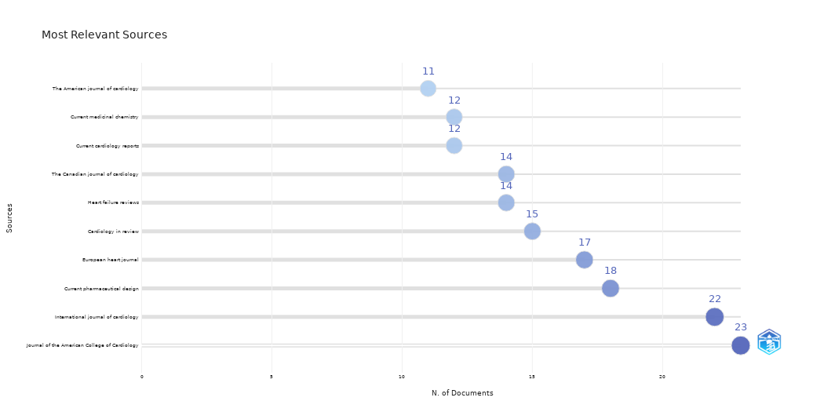
Sources | N. of Documents
Journal of the American College of Cardiology | 23
International journal of cardiology | 22
Current pharmaceutical design | 18
European heart journal | 17
Cardiology in review | 15
Heart failure reviews | 14
The Canadian journal of cardiology | 14
Current cardiology reports | 12
Current medicinal chemistry | 12
The American journal of cardiology | 11
Current opinion in cardiology | 11
Giornale italiano di cardiologia (2006) | 10
American journal of cardiovascular drugs : drugs, devices, and other interventions | 10
Cardiology clinics | 10
Herz | 9
Vascular health and risk management | 9
Expert review of cardiovascular therapy | 9
 | 9
Cardiology journal | 9
American heart journal | 9
Minerva cardioangiologica | 9
Circulation journal : official journal of the Japanese Circulation Society | 8
Revista espanola de cardiologia | 8
Clinical cardiology | 8
Current topics in medicinal chemistry | 8
Current heart failure reports | 8
Pharmacology & therapeutics | 8
The American journal of medicine | 8
Current vascular pharmacology | 8
Reviews in cardiovascular medicine | 7
Progress in cardiovascular diseases | 7
Circulation | 7
Trends in cardiovascular medicine | 7
Journal of cardiovascular translational research | 7
Indian heart journal | 7
Future cardiology | 7
Heart (British Cardiac Society) | 7
Clinical and experimental pharmacology & physiology | 7
Handbook of experimental pharmacology | 6
Cardiovascular & hematological disorders drug targets | 6
Nature reviews. Cardiology | 6
Vnitrni lekarstvi | 6
Critical care medicine | 6
American journal of therapeutics | 6
Journal of cardiovascular medicine (Hagerstown, Md.) | 6
Seminars in dialysis | 6
The Cochrane database of systematic reviews | 6
Catheterization and cardiovascular interventions : official journal of the Society for Cardiac Angiography & Interventions | 6
Heart, lung & circulation | 6
Journal of cardiovascular pharmacology and therapeutics | 5
Nihon rinsho. Japanese journal of clinical medicine | 5
Journal of hypertension | 5
Cardiovascular & hematological agents in medicinal chemistry | 5
Journal of cardiology | 5
Mayo Clinic proceedings | 5
Der Internist | 5
Cardiovascular pathology : the official journal of the Society for Cardiovascular Pathology | 5
Journal of molecular and cellular cardiology | 5
Frontiers in bioscience (Landmark edition) | 5
Polskie Archiwum Medycyny Wewnetrznej | 4
Przeglad lekarski | 4
Antioxidants & redox signaling | 4
Current medical research and opinion | 4
Biochimica et biophysica acta | 4
Revue medicale suisse | 4
European journal of cardiovascular prevention and rehabilitation : official journal of the European Society of Cardiology, Working Groups on Epidemiology & Prevention and Cardiac Rehabilitation and Exercise Physiology | 4
Current atherosclerosis reports | 4
Current problems in cardiology | 4
British journal of sports medicine | 4
European journal of cardio-thoracic surgery : official journal of the European Association for Cardio-thoracic Surgery | 4
Recent patents on cardiovascular drug discovery | 4
Heart failure clinics | 4
European journal of internal medicine | 4
JAMA | 4
The Journal of invasive cardiology | 4
Cardiology | 4
The Indian journal of medical research | 4
Atherosclerosis | 4
JACC. Cardiovascular imaging | 4
Journal of atrial fibrillation | 4
Circulation research | 4
Nature clinical practice. Cardiovascular medicine | 4
Journal of molecular medicine (Berlin, Germany) | 3
Frontiers in bioscience : a journal and virtual library | 3
Presse medicale (Paris, France : 1983) | 3
Therapeutic advances in cardiovascular disease | 3
Current opinion in nephrology and hypertension | 3
Congenital heart disease | 3
Critical care nursing quarterly | 3
British journal of pharmacology | 3
Acta cardiologica | 3
Journal of investigative medicine : the official publication of the American Federation for Clinical Research | 3
Current opinion in anaesthesiology | 3
Srpski arhiv za celokupno lekarstvo | 3
JACC. Cardiovascular interventions | 3
Health technology assessment (Winchester, England) | 3
Revista portuguesa de cardiologia : orgao oficial da Sociedade Portuguesa de Cardiologia = Portuguese journal of cardiology : an official journal of the Portuguese Society of Cardiology | 3
Nutrition, metabolism, and cardiovascular diseases : NMCD | 3
Heart rhythm | 3
Journal of managed care pharmacy : JMCP | 3
Radiologic clinics of North America | 3
Polski merkuriusz lekarski : organ Polskiego Towarzystwa Lekarskiego | 3
Life sciences | 3
Lancet (London, England) | 3
Archives des maladies du coeur et des vaisseaux | 3
Rheumatology (Oxford, England) | 3
Journal of nuclear cardiology : official publication of the American Society of Nuclear Cardiology | 3
Southern medical journal | 3
Anadolu kardiyoloji dergisi : AKD = the Anatolian journal of cardiology | 3
Echocardiography (Mount Kisco, N.Y.) | 3
EuroIntervention : journal of EuroPCR in collaboration with the Working Group on Interventional Cardiology of the European Society of Cardiology | 3
Current drug targets | 3
Acta medica portuguesa | 3
Pharmacological reports : PR | 3
Methodist DeBakey cardiovascular journal | 3
Cardiovascular drugs and therapy | 3
Journal of cardiovascular computed tomography | 3
Expert opinion on biological therapy | 3
Cardiovascular research | 3
Current opinion in pharmacology | 3
Medicinski pregled | 3
Texas Heart Institute journal | 3
BMJ (Clinical research ed.) | 3
Clinical science (London, England : 1979) | 3
Journal of interventional cardiac electrophysiology : an international journal of arrhythmias and pacing | 3
Endocrine practice : official journal of the American College of Endocrinology and the American Association of Clinical Endocrinologists | 3
Clinics in laboratory medicine | 3
Drugs | 3
The Journal of heart valve disease | 3
Internal and emergency medicine | 3
Drugs & aging | 3
European journal of nuclear medicine and molecular imaging | 3
Pharmacological research | 3
Journal of cardiac surgery | 3
Minerva endocrinologica | 2
Autoimmunity reviews | 2
AJR. American journal of roentgenology | 2
Deutsche medizinische Wochenschrift (1946) | 2
Kardiologiia | 2
Current hypertension reports | 2
European review for medical and pharmacological sciences | 2
Expert opinion on drug metabolism & toxicology | 2
Evidence-based complementary and alternative medicine : eCAM | 2
Current diabetes reviews | 2
Chest | 2
Revista brasileira de cirurgia cardiovascular : orgao oficial da Sociedade Brasileira de Cirurgia Cardiovascular | 2
Annals of medicine | 2
Anesthesiology clinics | 2
Journal of human hypertension | 2
The American heart hospital journal | 2
Radiation research | 2
Giornale italiano di nefrologia : organo ufficiale della Societa italiana di nefrologia | 2
Journal of general internal medicine | 2
International journal of impotence research | 2
Arteriosclerosis, thrombosis, and vascular biology | 2
Wiadomosci lekarskie (Warsaw, Poland : 1960) | 2
Congestive heart failure (Greenwich, Conn.) | 2
Annals of the New York Academy of Sciences | 2
Cardiovascular diabetology | 2
Current opinion in pediatrics | 2
Expert opinion on drug safety | 2
Journal of clinical hypertension (Greenwich, Conn.) | 2
Annales de cardiologie et d'angeiologie | 2
Journal of cardiothoracic and vascular anesthesia | 2
Clinical rheumatology | 2
Ontario health technology assessment series | 2
Drugs of today (Barcelona, Spain : 1998) | 2
Journal of cardiac failure | 2
Expert opinion on pharmacotherapy | 2
Thrombosis and haemostasis | 2
BMJ clinical evidence | 2
Netherlands heart journal : monthly journal of the Netherlands Society of Cardiology and the Netherlands Heart Foundation | 2
Cardiovascular therapeutics | 2
Current opinion in lipidology | 2
Advances in clinical chemistry | 2
The Annals of thoracic surgery | 2
The British journal of radiology | 2
Current drug discovery technologies | 2
The Annals of pharmacotherapy | 2
Danish medical bulletin | 2
Herzschrittmachertherapie & Elektrophysiologie | 2
Current opinion in critical care | 2
Seminars in cardiothoracic and vascular anesthesia | 2
Interventional cardiology clinics | 2
Revista medico-chirurgicala a Societatii de Medici si Naturalisti din Iasi | 2
Tuberkuloz ve toraks | 2
Journal of internal medicine | 2
Anesthesia and analgesia | 2
Prescrire international | 2
Medizinische Klinik (Munich, Germany : 1983) | 2
Chinese journal of integrative medicine | 2
Cardiovascular journal of Africa | 2
Best practice & research. Clinical endocrinology & metabolism | 2
Indian journal of medical sciences | 2
Radiographics : a review publication of the Radiological Society of North America, Inc | 2
Seminars in nuclear medicine | 2
Endocrinology and metabolism clinics of North America | 2
Asian cardiovascular & thoracic annals | 2
International journal of clinical practice | 2
Journal of the cardiometabolic syndrome | 2
The Journal of cardiovascular nursing | 2
Clinical chemistry and laboratory medicine | 2
Diabetes & metabolism | 2
Nephrology, dialysis, transplantation : official publication of the European Dialysis and Transplant Association - European Renal Association | 2
European journal of heart failure | 2
Advances in therapy | 2
Journal of the American Board of Family Medicine : JABFM | 2
Pharmacotherapy | 2
Interactive cardiovascular and thoracic surgery | 2
Medizinische Klinik, Intensivmedizin und Notfallmedizin | 2
European journal of echocardiography : the journal of the Working Group on Echocardiography of the European Society of Cardiology | 2
Wiener medizinische Wochenschrift (1946) | 2
Basic research in cardiology | 2
Medicina (Kaunas, Lithuania) | 2
Journal of cardiovascular magnetic resonance : official journal of the Society for Cardiovascular Magnetic Resonance | 2
World journal of surgery | 2
Progress in cardiovascular nursing | 2
Seminars in nephrology | 2
BMC cardiovascular disorders | 2
Proteomics. Clinical applications | 2
Clinica chimica acta; international journal of clinical chemistry | 2
Clinical therapeutics | 2
Archivos de cardiologia de Mexico | 2
Angiology | 2
Current opinion in clinical nutrition and metabolic care | 2
RoFo : Fortschritte auf dem Gebiete der Rontgenstrahlen und der Nuklearmedizin | 2
European heart journal. Cardiovascular Imaging | 2
Clinical journal of the American Society of Nephrology : CJASN | 2
Postgraduate medicine | 2
American journal of physiology. Heart and circulatory physiology | 2
Therapeutische Umschau. Revue therapeutique | 2
Circulation. Cardiovascular quality and outcomes | 2
American family physician | 2
Radiation and environmental biophysics | 2
Journal of the American Society of Echocardiography : official publication of the American Society of Echocardiography | 2
Heart Asia | 2
European journal of vascular and endovascular surgery : the official journal of the European Society for Vascular Surgery | 2
The Journal of thoracic and cardiovascular surgery | 2
Stroke | 2
Romanian journal of internal medicine = Revue roumaine de medecine interne | 2
Surgery today | 2
Perfusion | 2
Reumatismo | 2
Archives of cardiovascular diseases | 2
Turk Kardiyoloji Dernegi arsivi : Turk Kardiyoloji Derneginin yayin organidir | 2
Medscape journal of medicine | 1
Internal medicine (Tokyo, Japan) | 1
Journal of clinical lipidology | 1
Journal of atherosclerosis and thrombosis | 1
Seminars in thoracic and cardiovascular surgery | 1
Veterinary research communications | 1
Autonomic neuroscience : basic & clinical | 1
Cytotherapy | 1
Pharmacogenomics | 1
Cardiology research | 1
Endocrine, metabolic & immune disorders drug targets | 1
Annales francaises d'anesthesie et de reanimation | 1
Zeitschrift fur Evidenz, Fortbildung und Qualitat im Gesundheitswesen | 1
Journal of evidence-based medicine | 1
Respiration; international review of thoracic diseases | 1
Vascular and endovascular surgery | 1
Journal of investigational allergology & clinical immunology | 1
Angiologiia i sosudistaia khirurgiia = Angiology and vascular surgery | 1
Verhandelingen - Koninklijke Academie voor Geneeskunde van Belgie | 1
Asian journal of andrology | 1
Journal of postgraduate medicine | 1
International journal of molecular medicine | 1
Expert review of pharmacoeconomics & outcomes research | 1
Current pharmaceutical biotechnology | 1
Journal of physiology and pharmacology : an official journal of the Polish Physiological Society | 1
Acta pharmacologica Sinica | 1
Orphanet journal of rare diseases | 1
Circulation. Cardiovascular imaging | 1
Pulse (Basel, Switzerland) | 1
Journal of the National Medical Association | 1
Anaesthesia and intensive care | 1
Journal of the Royal Society, Interface | 1
Current opinion in rheumatology | 1
Journal of vascular nursing : official publication of the Society for Peripheral Vascular Nursing | 1
The neurologist | 1
Hospital practice (1995) | 1
Disease models & mechanisms | 1
The Journal of molecular diagnostics : JMD | 1
Postgraduate medical journal | 1
AANA journal | 1
Gerontology | 1
Progres en urologie : journal de l'Association francaise d'urologie et de la Societe francaise d'urologie | 1
Current opinion in biotechnology | 1
Neuropathology and applied neurobiology | 1
Expert opinion on investigational drugs | 1
PM & R : the journal of injury, function, and rehabilitation | 1
Ugeskrift for laeger | 1
Clinical radiology | 1
Journal of cardiovascular electrophysiology | 1
Advances in experimental medicine and biology | 1
Pediatric gastroenterology, hepatology & nutrition | 1
Iranian journal of kidney diseases | 1
Expert opinion on therapeutic targets | 1
Arkhiv patologii | 1
Archives of pathology & laboratory medicine | 1
The International journal of artificial organs | 1
Cardiovascular ultrasound | 1
The American journal of Chinese medicine | 1
Journal of thoracic disease | 1
Critical care nurse | 1
Medicina clinica | 1
Advances in nutrition (Bethesda, Md.) | 1
Critical reviews in food science and nutrition | 1
The American journal of managed care | 1
Advances in wound care | 1
Contributions to nephrology | 1
Urology | 1
Minerva anestesiologica | 1
Alcoholism, clinical and experimental research | 1
European journal of anaesthesiology | 1
TheScientificWorldJournal | 1
Progress in neuro-psychopharmacology & biological psychiatry | 1
Journal of long-term effects of medical implants | 1
The Physician and sportsmedicine | 1
Critical care nursing clinics of North America | 1
Current cardiology reviews | 1
Tidsskrift for den Norske laegeforening : tidsskrift for praktisk medicin, ny raekke | 1
BioMed research international | 1
Archives of physiology and biochemistry | 1
Expert review of respiratory medicine | 1
Boletin de la Asociacion Medica de Puerto Rico | 1
Cold Spring Harbor symposia on quantitative biology | 1
Acta bio-medica : Atenei Parmensis | 1
Journal of women & aging | 1
Acta medica Indonesiana | 1
Annali dell'Istituto superiore di sanita | 1
The international journal of cardiovascular imaging | 1
International endodontic journal | 1
Diabetes, obesity & metabolism | 1
Journal of clinical pharmacology | 1
NMR in biomedicine | 1
Medecine tropicale : revue du Corps de sante colonial | 1
Journal of pharmacy & pharmaceutical sciences : a publication of the Canadian Society for Pharmaceutical Sciences, Societe canadienne des sciences pharmaceutiques | 1
Clinical transplantation | 1
Blood reviews | 1
Transplantation | 1
European journal of preventive cardiology | 1
Vestnik rentgenologii i radiologii | 1
Clinical gastroenterology and hepatology : the official clinical practice journal of the American Gastroenterological Association | 1
The Thoracic and cardiovascular surgeon | 1
Ayu | 1
Fiziolohichnyi zhurnal (Kiev, Ukraine : 1994) | 1
Yonsei medical journal | 1
Cellular & molecular biology letters | 1
Vitamins and hormones | 1
Acta medica Croatica : casopis Hravatske akademije medicinskih znanosti | 1
Revue medicale de Liege | 1
Advanced drug delivery reviews | 1
Advances in chronic kidney disease | 1
Pediatric cardiology | 1
Current opinion in endocrinology, diabetes, and obesity | 1
International review of cell and molecular biology | 1
Europace : European pacing, arrhythmias, and cardiac electrophysiology : journal of the working groups on cardiac pacing, arrhythmias, and cardiac cellular electrophysiology of the European Society of Cardiology | 1
Endocrine | 1
Journal of insurance medicine (New York, N.Y.) | 1
Orvosi hetilap | 1
Clinics in geriatric medicine | 1
Journal of aging research | 1
Circulation. Arrhythmia and electrophysiology | 1
Pain practice : the official journal of World Institute of Pain | 1
Cellular and molecular neurobiology | 1
Kidney & blood pressure research | 1
CMAJ : Canadian Medical Association journal = journal de l'Association medicale canadienne | 1
International journal of stroke : official journal of the International Stroke Society | 1
Global cardiology science & practice | 1
The Medical clinics of North America | 1
Sao Paulo medical journal = Revista paulista de medicina | 1
The American journal of the medical sciences | 1
The review of diabetic studies : RDS | 1
Emergency medicine clinics of North America | 1
Annual review of biomedical engineering | 1
Clinical medicine (London, England) | 1
Blood coagulation & fibrinolysis : an international journal in haemostasis and thrombosis | 1
Klinicheskaia meditsina | 1
Academic radiology | 1
Journal of cardiovascular echography | 1
PLoS medicine | 1
Asia Oceania journal of nuclear medicine & biology | 1
American journal of kidney diseases : the official journal of the National Kidney Foundation | 1
QJM : monthly journal of the Association of Physicians | 1
Sports medicine (Auckland, N.Z.) | 1
Diabetes.. | 1
PloS one | 1
La Revue de medecine interne | 1
Clinical physiology and functional imaging | 1
Journal of clinical pharmacy and therapeutics | 1
Neurological research | 1
JRSM cardiovascular disease | 1
Chronic respiratory disease | 1
Experimental physiology | 1
World journal of transplantation | 1
Current urology reports | 1
Human gene therapy | 1
International journal of chronic obstructive pulmonary disease | 1
Clinical oncology (Royal College of Radiologists (Great Britain)) | 1
Genome | 1
Sheng li ke xue jin zhan [Progress in physiology] | 1
BMC medicine | 1
Lijecnicki vjesnik | 1
Frontiers in physiology | 1
General hospital psychiatry | 1
Pediatric clinics of North America | 1
Journal of nuclear medicine : official publication, Society of Nuclear Medicine | 1
Renal failure | 1
Arab journal of urology | 1
Duodecim; laaketieteellinen aikakauskirja | 1
Immunobiology | 1
Revista de medicina de la Universidad de Navarra | 1
Journal of biomechanics | 1
Best practice & research. Clinical anaesthesiology | 1
Clinical calcium | 1
Atherosclerosis. Supplements | 1
Journal of the American College of Nutrition | 1
Endokrynologia Polska | 1
Praxis | 1
American journal of transplantation : official journal of the American Society of Transplantation and the American Society of Transplant Surgeons | 1
The European respiratory journal | 1
Pacing and clinical electrophysiology : PACE | 1
Panminerva medica | 1
Journal of digestive diseases | 1
International journal of molecular sciences | 1
Journal of pharmacological and toxicological methods | 1
Journal of Nippon Medical School = Nippon Ika Daigaku zasshi | 1
International journal of environmental research and public health | 1
Actas urologicas espanolas | 1
Monaldi archives for chest disease = Archivio Monaldi per le malattie del torace | 1
Cancer radiotherapie : journal de la Societe francaise de radiotherapie oncologique | 1
Annual review of pathology | 1
Cancer | 1
Cardiology in the young | 1
Experimental and clinical endocrinology & diabetes : official journal, German Society of Endocrinology [and] German Diabetes Association | 1
Acta cirurgica brasileira | 1
Acta Cardiologica Sinica | 1
Eksperimental'naia i klinicheskaia gastroenterologiia = Experimental & clinical gastroenterology | 1
International urology and nephrology | 1
Laser therapy | 1
Heart & lung : the journal of critical care | 1
Cardiovascular toxicology | 1
Current drug metabolism | 1
The Mount Sinai journal of medicine, New York | 1
Seminars in oncology | 1
Reviews in endocrine & metabolic disorders | 1
Cell and tissue research | 1
Nutrition (Burbank, Los Angeles County, Calif.) | 1
Frontiers in bioscience (Scholar edition) | 1
Postepy higieny i medycyny doswiadczalnej (Online) | 1
Singapore medical journal | 1
Molecular and cellular biochemistry | 1
The Journal of family practice | 1
Annals of Saudi medicine | 1
Ethnicity & disease | 1
The Journal of surgical research | 1
Thoracic surgery clinics | 1
Current opinion in obstetrics & gynecology | 1
Obesity reviews : an official journal of the International Association for the Study of Obesity | 1
Journal of electrocardiology | 1
Open access emergency medicine : OAEM | 1
Acta chirurgica Iugoslavica | 1
Blood | 1
Birth defects research. Part A, Clinical and molecular teratology | 1
Paediatric drugs | 1
Transplantation proceedings | 1
The journal of Tehran Heart Center | 1
The International journal of developmental biology | 1
Biological chemistry | 1
Kyobu geka. The Japanese journal of thoracic surgery | 1
Drug safety | 1
Diabetes technology & therapeutics | 1
American journal of health-system pharmacy : AJHP : official journal of the American Society of Health-System Pharmacists | 1
Acta biomaterialia | 1
American journal of physical medicine & rehabilitation | 1
Acta diabetologica | 1
Molecular and cellular endocrinology | 1
Expert review of medical devices | 1
International journal of surgery (London, England) | 1
Minerva medica | 1
Placenta | 1
Casopis lekaru ceskych | 1
Developmental cell | 1
Headache | 1
Pediatric nephrology (Berlin, Germany) | 1
Translational research : the journal of laboratory and clinical medicine | 1
Annales d'endocrinologie | 1
Cell cycle (Georgetown, Tex.) | 1
Hematology/oncology clinics of North America | 1
Gastroenterologia y hepatologia | 1
Diabetes care | 1
Regenerative medicine | 1
Recenti progressi in medicina | 1
Nuclear medicine review. Central & Eastern Europe | 1
Clinical and investigative medicine. Medecine clinique et experimentale | 1
Radiology | 1
Der Radiologe | 1
Advances and technical standards in neurosurgery | 1
Pneumologia (Bucharest, Romania) | 1
Growth hormone & IGF research : official journal of the Growth Hormone Research Society and the International IGF Research Society | 1
Academic emergency medicine : official journal of the Society for Academic Emergency Medicine | 1
Gaceta medica de Mexico | 1
Prostaglandins & other lipid mediators | 1
Hemodialysis international. International Symposium on Home Hemodialysis | 1
Canadian journal of diabetes | 1
Nederlands tijdschrift voor geneeskunde | 1
Novartis Foundation symposium | 1
Respiratory care | 1
Metabolism: clinical and experimental | 1
Current opinion in organ transplantation | 1
Clinical reviews in allergy & immunology | 1
Annual review of medicine | 1
Diabetes/metabolism research and reviews | 1
Expert opinion on emerging drugs | 1
Journal of the American Society of Nephrology : JASN | 1
Current molecular medicine | 1
Molecules (Basel, Switzerland) | 1
Bulletin de l'Academie nationale de medecine | 1
Journal of thoracic imaging | 1
The primary care companion for CNS disorders | 1
BMC family practice | 1
Journal of diabetes investigation | 1
La Clinica terapeutica | 1
European journal of clinical investigation | 1
Annals of internal medicine | 1
Brazilian journal of medical and biological research = Revista brasileira de pesquisas medicas e biologicas | 1
Revista medica de Chile | 1
Proceedings of the American Thoracic Society | 1
Diabetologia | 1
Journal of gerontological nursing | 1
Cerebrovascular diseases (Basel, Switzerland) | 1
The Journal of clinical psychiatry | 1
Acta chirurgica Belgica | 1
Clinical endocrinology | 1
Pharmaceutical research | 1
Journal of thrombosis and haemostasis : JTH | 1
Journal of interventional cardiology | 1
Biomarkers : biochemical indicators of exposure, response, and susceptibility to chemicals | 1
Current neurology and neuroscience reports | 1
Journal of clinical gastroenterology | 1
Nutrition reviews | 1
Methods in molecular biology (Clifton, N.J.) | 1
International journal of nanomedicine | 1
Critical care (London, England) | 1
Prostaglandins, leukotrienes, and essential fatty acids | 1
Scandinavian journal of clinical and laboratory investigation | 1
Journal of orthopaedic surgery and research | 1
Sub-cellular biochemistry | 1
Seminars in thrombosis and hemostasis | 1
Scandinavian journal of immunology | 1
The Consultant pharmacist : the journal of the American Society of Consultant Pharmacists | 1
Seminars in ultrasound, CT, and MR | 1
Journal of clinical sleep medicine : JCSM : official publication of the American Academy of Sleep Medicine | 1
Anales del sistema sanitario de Navarra | 1
Current sports medicine reports | 1
High altitude medicine & biology | 1
Masui. The Japanese journal of anesthesiology | 1
American journal of cardiovascular disease | 1
International journal of sports medicine | 1
Nihon Rinsho Men'eki Gakkai kaishi = Japanese journal of clinical immunology | 1
Archives of biochemistry and biophysics | 1
Clinics (Sao Paulo, Brazil) | 1
Journal of human genetics | 1
Pediatrics | 1
Annals of oncology : official journal of the European Society for Medical Oncology | 1
Annals of cardiac anaesthesia | 1
North American journal of medical sciences | 1
European cytokine network | 1
Alcohol research & health : the journal of the National Institute on Alcohol Abuse and Alcoholism | 1
General physiology and biophysics | 1
Cellular signalling | 1
Advances in cardiology | 1
Gene therapy | 1
Cardiovascular revascularization medicine : including molecular interventions | 1
British journal of anaesthesia | 1
Climacteric : the journal of the International Menopause Society | 1
Clinical biochemistry | 1
Magnesium research | 1
Clinical research in cardiology : official journal of the German Cardiac Society | 1
Stem cells and cloning : advances and applications | 1
Medical science monitor : international medical journal of experimental and clinical research | 1
The Biochemical journal | 1
Blood transfusion = Trasfusione del sangue | 1
Journal of cellular and molecular medicine | 1
Journal of stroke and cerebrovascular diseases : the official journal of National Stroke Association | 1
Evidence report/technology assessment | 1
Telemedicine journal and e-health : the official journal of the American Telemedicine Association | 1
Journal of the American Dental Association (1939) | 1
Neuromodulation : journal of the International Neuromodulation Society | 1
Reviews on environmental health | 1
Yakugaku zasshi : Journal of the Pharmaceutical Society of Japan | 1
Arquivos brasileiros de endocrinologia e metabologia | 1
Neuroendocrinology | 1
Medical care research and review : MCRR | 1
Current opinion in drug discovery & development | 1
Archives of internal medicine | 1
Forensic science international | 1
Kidney international supplements | 1

BradfordLaw
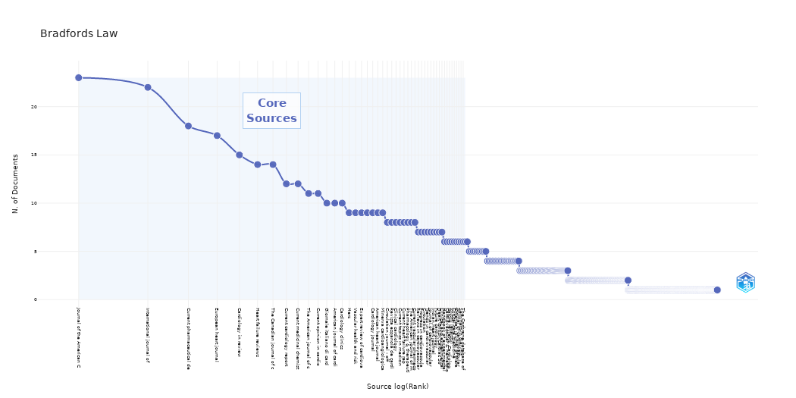
SO | Rank | Freq | cumFreq | Zone
Journal of the American C | 1 | 23 | 23 | Zone 1
International journal of | 2 | 22 | 45 | Zone 1
Current pharmaceutical de | 3 | 18 | 63 | Zone 1
European heart journal | 4 | 17 | 80 | Zone 1
Cardiology in review | 5 | 15 | 95 | Zone 1
Heart failure reviews | 6 | 14 | 109 | Zone 1
The Canadian journal of c | 7 | 14 | 123 | Zone 1
Current cardiology report | 8 | 12 | 135 | Zone 1
Current medicinal chemist | 9 | 12 | 147 | Zone 1
The American journal of c | 10 | 11 | 158 | Zone 1
Current opinion in cardio | 11 | 11 | 169 | Zone 1
Giornale italiano di card | 12 | 10 | 179 | Zone 1
American journal of cardi | 13 | 10 | 189 | Zone 1
Cardiology clinics | 14 | 10 | 199 | Zone 1
Herz | 15 | 9 | 208 | Zone 1
Vascular health and risk | 16 | 9 | 217 | Zone 1
Expert review of cardiova | 17 | 9 | 226 | Zone 1
 | 18 | 9 | 235 | Zone 1
Cardiology journal | 19 | 9 | 244 | Zone 1
American heart journal | 20 | 9 | 253 | Zone 1
Minerva cardioangiologica | 21 | 9 | 262 | Zone 1
Circulation journal : off | 22 | 8 | 270 | Zone 1
Revista espanola de cardi | 23 | 8 | 278 | Zone 1
Clinical cardiology | 24 | 8 | 286 | Zone 1
Current topics in medicin | 25 | 8 | 294 | Zone 1
Current heart failure rep | 26 | 8 | 302 | Zone 1
Pharmacology & therapeuti | 27 | 8 | 310 | Zone 1
The American journal of m | 28 | 8 | 318 | Zone 1
Current vascular pharmaco | 29 | 8 | 326 | Zone 1
Reviews in cardiovascular | 30 | 7 | 333 | Zone 1
Progress in cardiovascula | 31 | 7 | 340 | Zone 1
Circulation | 32 | 7 | 347 | Zone 1
Trends in cardiovascular | 33 | 7 | 354 | Zone 1
Journal of cardiovascular | 34 | 7 | 361 | Zone 1
Indian heart journal | 35 | 7 | 368 | Zone 1
Future cardiology | 36 | 7 | 375 | Zone 1
Heart (British Cardiac So | 37 | 7 | 382 | Zone 1
Clinical and experimental | 38 | 7 | 389 | Zone 1
Handbook of experimental | 39 | 6 | 395 | Zone 1
Cardiovascular & hematolo | 40 | 6 | 401 | Zone 1
Nature reviews. Cardiolog | 41 | 6 | 407 | Zone 1
Vnitrni lekarstvi | 42 | 6 | 413 | Zone 1
Critical care medicine | 43 | 6 | 419 | Zone 1
American journal of thera | 44 | 6 | 425 | Zone 1
Journal of cardiovascular | 45 | 6 | 431 | Zone 1
Seminars in dialysis | 46 | 6 | 437 | Zone 1
The Cochrane database of | 47 | 6 | 443 | Zone 1
Catheterization and cardi | 48 | 6 | 449 | Zone 2
Heart, lung & circulation | 49 | 6 | 455 | Zone 2
Journal of cardiovascular | 50 | 5 | 460 | Zone 2
Nihon rinsho. Japanese jo | 51 | 5 | 465 | Zone 2
Journal of hypertension | 52 | 5 | 470 | Zone 2
Cardiovascular & hematolo | 53 | 5 | 475 | Zone 2
Journal of cardiology | 54 | 5 | 480 | Zone 2
Mayo Clinic proceedings | 55 | 5 | 485 | Zone 2
Der Internist | 56 | 5 | 490 | Zone 2
Cardiovascular pathology | 57 | 5 | 495 | Zone 2
Journal of molecular and | 58 | 5 | 500 | Zone 2
Frontiers in bioscience ( | 59 | 5 | 505 | Zone 2
Polskie Archiwum Medycyny | 60 | 4 | 509 | Zone 2
Przeglad lekarski | 61 | 4 | 513 | Zone 2
Antioxidants & redox sign | 62 | 4 | 517 | Zone 2
Current medical research | 63 | 4 | 521 | Zone 2
Biochimica et biophysica | 64 | 4 | 525 | Zone 2
Revue medicale suisse | 65 | 4 | 529 | Zone 2
European journal of cardi | 66 | 4 | 533 | Zone 2
Current atherosclerosis r | 67 | 4 | 537 | Zone 2
Current problems in cardi | 68 | 4 | 541 | Zone 2
British journal of sports | 69 | 4 | 545 | Zone 2
European journal of cardi | 70 | 4 | 549 | Zone 2
Recent patents on cardiov | 71 | 4 | 553 | Zone 2
Heart failure clinics | 72 | 4 | 557 | Zone 2
European journal of inter | 73 | 4 | 561 | Zone 2
JAMA | 74 | 4 | 565 | Zone 2
The Journal of invasive c | 75 | 4 | 569 | Zone 2
Cardiology | 76 | 4 | 573 | Zone 2
The Indian journal of med | 77 | 4 | 577 | Zone 2
Atherosclerosis | 78 | 4 | 581 | Zone 2
JACC. Cardiovascular imag | 79 | 4 | 585 | Zone 2
Journal of atrial fibrill | 80 | 4 | 589 | Zone 2
Circulation research | 81 | 4 | 593 | Zone 2
Nature clinical practice. | 82 | 4 | 597 | Zone 2
Journal of molecular medi | 83 | 3 | 600 | Zone 2
Frontiers in bioscience : | 84 | 3 | 603 | Zone 2
Presse medicale (Paris, F | 85 | 3 | 606 | Zone 2
Therapeutic advances in c | 86 | 3 | 609 | Zone 2
Current opinion in nephro | 87 | 3 | 612 | Zone 2
Congenital heart disease | 88 | 3 | 615 | Zone 2
Critical care nursing qua | 89 | 3 | 618 | Zone 2
British journal of pharma | 90 | 3 | 621 | Zone 2
Acta cardiologica | 91 | 3 | 624 | Zone 2
Journal of investigative | 92 | 3 | 627 | Zone 2
Current opinion in anaest | 93 | 3 | 630 | Zone 2
Srpski arhiv za celokupno | 94 | 3 | 633 | Zone 2
JACC. Cardiovascular inte | 95 | 3 | 636 | Zone 2
Health technology assessm | 96 | 3 | 639 | Zone 2
Revista portuguesa de car | 97 | 3 | 642 | Zone 2
Nutrition, metabolism, an | 98 | 3 | 645 | Zone 2
Heart rhythm | 99 | 3 | 648 | Zone 2
Journal of managed care p | 100 | 3 | 651 | Zone 2
Radiologic clinics of Nor | 101 | 3 | 654 | Zone 2
Polski merkuriusz lekarsk | 102 | 3 | 657 | Zone 2
Life sciences | 103 | 3 | 660 | Zone 2
Lancet (London, England) | 104 | 3 | 663 | Zone 2
Archives des maladies du | 105 | 3 | 666 | Zone 2
Rheumatology (Oxford, Eng | 106 | 3 | 669 | Zone 2
Journal of nuclear cardio | 107 | 3 | 672 | Zone 2
Southern medical journal | 108 | 3 | 675 | Zone 2
Anadolu kardiyoloji dergi | 109 | 3 | 678 | Zone 2
Echocardiography (Mount K | 110 | 3 | 681 | Zone 2
EuroIntervention : journa | 111 | 3 | 684 | Zone 2
Current drug targets | 112 | 3 | 687 | Zone 2
Acta medica portuguesa | 113 | 3 | 690 | Zone 2
Pharmacological reports : | 114 | 3 | 693 | Zone 2
Methodist DeBakey cardiov | 115 | 3 | 696 | Zone 2
Cardiovascular drugs and | 116 | 3 | 699 | Zone 2
Journal of cardiovascular | 117 | 3 | 702 | Zone 2
Expert opinion on biologi | 118 | 3 | 705 | Zone 2
Cardiovascular research | 119 | 3 | 708 | Zone 2
Current opinion in pharma | 120 | 3 | 711 | Zone 2
Medicinski pregled | 121 | 3 | 714 | Zone 2
Texas Heart Institute jou | 122 | 3 | 717 | Zone 2
BMJ (Clinical research ed | 123 | 3 | 720 | Zone 2
Clinical science (London, | 124 | 3 | 723 | Zone 2
Journal of interventional | 125 | 3 | 726 | Zone 2
Endocrine practice : offi | 126 | 3 | 729 | Zone 2
Clinics in laboratory med | 127 | 3 | 732 | Zone 2
Drugs | 128 | 3 | 735 | Zone 2
The Journal of heart valv | 129 | 3 | 738 | Zone 2
Internal and emergency me | 130 | 3 | 741 | Zone 2
Drugs & aging | 131 | 3 | 744 | Zone 2
European journal of nucle | 132 | 3 | 747 | Zone 2
Pharmacological research | 133 | 3 | 750 | Zone 2
Journal of cardiac surger | 134 | 3 | 753 | Zone 2
Minerva endocrinologica | 135 | 2 | 755 | Zone 2
Autoimmunity reviews | 136 | 2 | 757 | Zone 2
AJR. American journal of | 137 | 2 | 759 | Zone 2
Deutsche medizinische Woc | 138 | 2 | 761 | Zone 2
Kardiologiia | 139 | 2 | 763 | Zone 2
Current hypertension repo | 140 | 2 | 765 | Zone 2
European review for medic | 141 | 2 | 767 | Zone 2
Expert opinion on drug me | 142 | 2 | 769 | Zone 2
Evidence-based complement | 143 | 2 | 771 | Zone 2
Current diabetes reviews | 144 | 2 | 773 | Zone 2
Chest | 145 | 2 | 775 | Zone 2
Revista brasileira de cir | 146 | 2 | 777 | Zone 2
Annals of medicine | 147 | 2 | 779 | Zone 2
Anesthesiology clinics | 148 | 2 | 781 | Zone 2
Journal of human hyperten | 149 | 2 | 783 | Zone 2
The American heart hospit | 150 | 2 | 785 | Zone 2
Radiation research | 151 | 2 | 787 | Zone 2
Giornale italiano di nefr | 152 | 2 | 789 | Zone 2
Journal of general intern | 153 | 2 | 791 | Zone 2
International journal of | 154 | 2 | 793 | Zone 2
Arteriosclerosis, thrombo | 155 | 2 | 795 | Zone 2
Wiadomosci lekarskie (War | 156 | 2 | 797 | Zone 2
Congestive heart failure | 157 | 2 | 799 | Zone 2
Annals of the New York Ac | 158 | 2 | 801 | Zone 2
Cardiovascular diabetolog | 159 | 2 | 803 | Zone 2
Current opinion in pediat | 160 | 2 | 805 | Zone 2
Expert opinion on drug sa | 161 | 2 | 807 | Zone 2
Journal of clinical hyper | 162 | 2 | 809 | Zone 2
Annales de cardiologie et | 163 | 2 | 811 | Zone 2
Journal of cardiothoracic | 164 | 2 | 813 | Zone 2
Clinical rheumatology | 165 | 2 | 815 | Zone 2
Ontario health technology | 166 | 2 | 817 | Zone 2
Drugs of today (Barcelona | 167 | 2 | 819 | Zone 2
Journal of cardiac failur | 168 | 2 | 821 | Zone 2
Expert opinion on pharmac | 169 | 2 | 823 | Zone 2
Thrombosis and haemostasi | 170 | 2 | 825 | Zone 2
BMJ clinical evidence | 171 | 2 | 827 | Zone 2
Netherlands heart journal | 172 | 2 | 829 | Zone 2
Cardiovascular therapeuti | 173 | 2 | 831 | Zone 2
Current opinion in lipido | 174 | 2 | 833 | Zone 2
Advances in clinical chem | 175 | 2 | 835 | Zone 2
The Annals of thoracic su | 176 | 2 | 837 | Zone 2
The British journal of ra | 177 | 2 | 839 | Zone 2
Current drug discovery te | 178 | 2 | 841 | Zone 2
The Annals of pharmacothe | 179 | 2 | 843 | Zone 2
Danish medical bulletin | 180 | 2 | 845 | Zone 2
Herzschrittmachertherapie | 181 | 2 | 847 | Zone 2
Current opinion in critic | 182 | 2 | 849 | Zone 2
Seminars in cardiothoraci | 183 | 2 | 851 | Zone 2
Interventional cardiology | 184 | 2 | 853 | Zone 2
Revista medico-chirurgica | 185 | 2 | 855 | Zone 2
Tuberkuloz ve toraks | 186 | 2 | 857 | Zone 2
Journal of internal medic | 187 | 2 | 859 | Zone 2
Anesthesia and analgesia | 188 | 2 | 861 | Zone 2
Prescrire international | 189 | 2 | 863 | Zone 2
Medizinische Klinik (Muni | 190 | 2 | 865 | Zone 2
Chinese journal of integr | 191 | 2 | 867 | Zone 2
Cardiovascular journal of | 192 | 2 | 869 | Zone 2
Best practice & research. | 193 | 2 | 871 | Zone 2
Indian journal of medical | 194 | 2 | 873 | Zone 2
Radiographics : a review | 195 | 2 | 875 | Zone 2
Seminars in nuclear medic | 196 | 2 | 877 | Zone 2
Endocrinology and metabol | 197 | 2 | 879 | Zone 2
Asian cardiovascular & th | 198 | 2 | 881 | Zone 2
International journal of | 199 | 2 | 883 | Zone 2
Journal of the cardiometa | 200 | 2 | 885 | Zone 2
The Journal of cardiovasc | 201 | 2 | 887 | Zone 2
Clinical chemistry and la | 202 | 2 | 889 | Zone 2
Diabetes & metabolism | 203 | 2 | 891 | Zone 2
Nephrology, dialysis, tra | 204 | 2 | 893 | Zone 3
European journal of heart | 205 | 2 | 895 | Zone 3
Advances in therapy | 206 | 2 | 897 | Zone 3
Journal of the American B | 207 | 2 | 899 | Zone 3
Pharmacotherapy | 208 | 2 | 901 | Zone 3
Interactive cardiovascula | 209 | 2 | 903 | Zone 3
Medizinische Klinik, Inte | 210 | 2 | 905 | Zone 3
European journal of echoc | 211 | 2 | 907 | Zone 3
Wiener medizinische Woche | 212 | 2 | 909 | Zone 3
Basic research in cardiol | 213 | 2 | 911 | Zone 3
Medicina (Kaunas, Lithuan | 214 | 2 | 913 | Zone 3
Journal of cardiovascular | 215 | 2 | 915 | Zone 3
World journal of surgery | 216 | 2 | 917 | Zone 3
Progress in cardiovascula | 217 | 2 | 919 | Zone 3
Seminars in nephrology | 218 | 2 | 921 | Zone 3
BMC cardiovascular disord | 219 | 2 | 923 | Zone 3
Proteomics. Clinical appl | 220 | 2 | 925 | Zone 3
Clinica chimica acta; int | 221 | 2 | 927 | Zone 3
Clinical therapeutics | 222 | 2 | 929 | Zone 3
Archivos de cardiologia d | 223 | 2 | 931 | Zone 3
Angiology | 224 | 2 | 933 | Zone 3
Current opinion in clinic | 225 | 2 | 935 | Zone 3
RoFo : Fortschritte auf d | 226 | 2 | 937 | Zone 3
European heart journal. C | 227 | 2 | 939 | Zone 3
Clinical journal of the A | 228 | 2 | 941 | Zone 3
Postgraduate medicine | 229 | 2 | 943 | Zone 3
American journal of physi | 230 | 2 | 945 | Zone 3
Therapeutische Umschau. R | 231 | 2 | 947 | Zone 3
Circulation. Cardiovascul | 232 | 2 | 949 | Zone 3
American family physician | 233 | 2 | 951 | Zone 3
Radiation and environment | 234 | 2 | 953 | Zone 3
Journal of the American S | 235 | 2 | 955 | Zone 3
Heart Asia | 236 | 2 | 957 | Zone 3
European journal of vascu | 237 | 2 | 959 | Zone 3
The Journal of thoracic a | 238 | 2 | 961 | Zone 3
Stroke | 239 | 2 | 963 | Zone 3
Romanian journal of inter | 240 | 2 | 965 | Zone 3
Surgery today | 241 | 2 | 967 | Zone 3
Perfusion | 242 | 2 | 969 | Zone 3
Reumatismo | 243 | 2 | 971 | Zone 3
Archives of cardiovascula | 244 | 2 | 973 | Zone 3
Turk Kardiyoloji Dernegi | 245 | 2 | 975 | Zone 3
Medscape journal of medic | 246 | 1 | 976 | Zone 3
Internal medicine (Tokyo, | 247 | 1 | 977 | Zone 3
Journal of clinical lipid | 248 | 1 | 978 | Zone 3
Journal of atherosclerosi | 249 | 1 | 979 | Zone 3
Seminars in thoracic and | 250 | 1 | 980 | Zone 3
Veterinary research commu | 251 | 1 | 981 | Zone 3
Autonomic neuroscience : | 252 | 1 | 982 | Zone 3
Cytotherapy | 253 | 1 | 983 | Zone 3
Pharmacogenomics | 254 | 1 | 984 | Zone 3
Cardiology research | 255 | 1 | 985 | Zone 3
Endocrine, metabolic & im | 256 | 1 | 986 | Zone 3
Annales francaises d'anes | 257 | 1 | 987 | Zone 3
Zeitschrift fur Evidenz, | 258 | 1 | 988 | Zone 3
Journal of evidence-based | 259 | 1 | 989 | Zone 3
Respiration; internationa | 260 | 1 | 990 | Zone 3
Vascular and endovascular | 261 | 1 | 991 | Zone 3
Journal of investigationa | 262 | 1 | 992 | Zone 3
Angiologiia i sosudistaia | 263 | 1 | 993 | Zone 3
Verhandelingen - Koninkli | 264 | 1 | 994 | Zone 3
Asian journal of androlog | 265 | 1 | 995 | Zone 3
Journal of postgraduate m | 266 | 1 | 996 | Zone 3
International journal of | 267 | 1 | 997 | Zone 3
Expert review of pharmaco | 268 | 1 | 998 | Zone 3
Current pharmaceutical bi | 269 | 1 | 999 | Zone 3
Journal of physiology and | 270 | 1 | 1000 | Zone 3
Acta pharmacologica Sinic | 271 | 1 | 1001 | Zone 3
Orphanet journal of rare | 272 | 1 | 1002 | Zone 3
Circulation. Cardiovascul | 273 | 1 | 1003 | Zone 3
Pulse (Basel, Switzerland | 274 | 1 | 1004 | Zone 3
Journal of the National M | 275 | 1 | 1005 | Zone 3
Anaesthesia and intensive | 276 | 1 | 1006 | Zone 3
Journal of the Royal Soci | 277 | 1 | 1007 | Zone 3
Current opinion in rheuma | 278 | 1 | 1008 | Zone 3
Journal of vascular nursi | 279 | 1 | 1009 | Zone 3
The neurologist | 280 | 1 | 1010 | Zone 3
Hospital practice (1995) | 281 | 1 | 1011 | Zone 3
Disease models & mechanis | 282 | 1 | 1012 | Zone 3
The Journal of molecular | 283 | 1 | 1013 | Zone 3
Postgraduate medical jour | 284 | 1 | 1014 | Zone 3
AANA journal | 285 | 1 | 1015 | Zone 3
Gerontology | 286 | 1 | 1016 | Zone 3
Progres en urologie : jou | 287 | 1 | 1017 | Zone 3
Current opinion in biotec | 288 | 1 | 1018 | Zone 3
Neuropathology and applie | 289 | 1 | 1019 | Zone 3
Expert opinion on investi | 290 | 1 | 1020 | Zone 3
PM & R : the journal of i | 291 | 1 | 1021 | Zone 3
Ugeskrift for laeger | 292 | 1 | 1022 | Zone 3
Clinical radiology | 293 | 1 | 1023 | Zone 3
Journal of cardiovascular | 294 | 1 | 1024 | Zone 3
Advances in experimental | 295 | 1 | 1025 | Zone 3
Pediatric gastroenterolog | 296 | 1 | 1026 | Zone 3
Iranian journal of kidney | 297 | 1 | 1027 | Zone 3
Expert opinion on therape | 298 | 1 | 1028 | Zone 3
Arkhiv patologii | 299 | 1 | 1029 | Zone 3
Archives of pathology & l | 300 | 1 | 1030 | Zone 3
The International journal | 301 | 1 | 1031 | Zone 3
Cardiovascular ultrasound | 302 | 1 | 1032 | Zone 3
The American journal of C | 303 | 1 | 1033 | Zone 3
Journal of thoracic disea | 304 | 1 | 1034 | Zone 3
Critical care nurse | 305 | 1 | 1035 | Zone 3
Medicina clinica | 306 | 1 | 1036 | Zone 3
Advances in nutrition (Be | 307 | 1 | 1037 | Zone 3
Critical reviews in food | 308 | 1 | 1038 | Zone 3
The American journal of m | 309 | 1 | 1039 | Zone 3
Advances in wound care | 310 | 1 | 1040 | Zone 3
Contributions to nephrolo | 311 | 1 | 1041 | Zone 3
Urology | 312 | 1 | 1042 | Zone 3
Minerva anestesiologica | 313 | 1 | 1043 | Zone 3
Alcoholism, clinical and | 314 | 1 | 1044 | Zone 3
European journal of anaes | 315 | 1 | 1045 | Zone 3
TheScientificWorldJournal | 316 | 1 | 1046 | Zone 3
Progress in neuro-psychop | 317 | 1 | 1047 | Zone 3
Journal of long-term effe | 318 | 1 | 1048 | Zone 3
The Physician and sportsm | 319 | 1 | 1049 | Zone 3
Critical care nursing cli | 320 | 1 | 1050 | Zone 3
Current cardiology review | 321 | 1 | 1051 | Zone 3
Tidsskrift for den Norske | 322 | 1 | 1052 | Zone 3
BioMed research internati | 323 | 1 | 1053 | Zone 3
Archives of physiology an | 324 | 1 | 1054 | Zone 3
Expert review of respirat | 325 | 1 | 1055 | Zone 3
Boletin de la Asociacion | 326 | 1 | 1056 | Zone 3
Cold Spring Harbor sympos | 327 | 1 | 1057 | Zone 3
Acta bio-medica : Atenei | 328 | 1 | 1058 | Zone 3
Journal of women & aging | 329 | 1 | 1059 | Zone 3
Acta medica Indonesiana | 330 | 1 | 1060 | Zone 3
Annali dell'Istituto supe | 331 | 1 | 1061 | Zone 3
The international journal | 332 | 1 | 1062 | Zone 3
International endodontic | 333 | 1 | 1063 | Zone 3
Diabetes, obesity & metab | 334 | 1 | 1064 | Zone 3
Journal of clinical pharm | 335 | 1 | 1065 | Zone 3
NMR in biomedicine | 336 | 1 | 1066 | Zone 3
Medecine tropicale : revu | 337 | 1 | 1067 | Zone 3
Journal of pharmacy & pha | 338 | 1 | 1068 | Zone 3
Clinical transplantation | 339 | 1 | 1069 | Zone 3
Blood reviews | 340 | 1 | 1070 | Zone 3
Transplantation | 341 | 1 | 1071 | Zone 3
European journal of preve | 342 | 1 | 1072 | Zone 3
Vestnik rentgenologii i r | 343 | 1 | 1073 | Zone 3
Clinical gastroenterology | 344 | 1 | 1074 | Zone 3
The Thoracic and cardiova | 345 | 1 | 1075 | Zone 3
Ayu | 346 | 1 | 1076 | Zone 3
Fiziolohichnyi zhurnal (K | 347 | 1 | 1077 | Zone 3
Yonsei medical journal | 348 | 1 | 1078 | Zone 3
Cellular & molecular biol | 349 | 1 | 1079 | Zone 3
Vitamins and hormones | 350 | 1 | 1080 | Zone 3
Acta medica Croatica : ca | 351 | 1 | 1081 | Zone 3
Revue medicale de Liege | 352 | 1 | 1082 | Zone 3
Advanced drug delivery re | 353 | 1 | 1083 | Zone 3
Advances in chronic kidne | 354 | 1 | 1084 | Zone 3
Pediatric cardiology | 355 | 1 | 1085 | Zone 3
Current opinion in endocr | 356 | 1 | 1086 | Zone 3
International review of c | 357 | 1 | 1087 | Zone 3
Europace : European pacin | 358 | 1 | 1088 | Zone 3
Endocrine | 359 | 1 | 1089 | Zone 3
Journal of insurance medi | 360 | 1 | 1090 | Zone 3
Orvosi hetilap | 361 | 1 | 1091 | Zone 3
Clinics in geriatric medi | 362 | 1 | 1092 | Zone 3
Journal of aging research | 363 | 1 | 1093 | Zone 3
Circulation. Arrhythmia a | 364 | 1 | 1094 | Zone 3
Pain practice : the offic | 365 | 1 | 1095 | Zone 3
Cellular and molecular ne | 366 | 1 | 1096 | Zone 3
Kidney & blood pressure r | 367 | 1 | 1097 | Zone 3
CMAJ : Canadian Medical A | 368 | 1 | 1098 | Zone 3
International journal of | 369 | 1 | 1099 | Zone 3
Global cardiology science | 370 | 1 | 1100 | Zone 3
The Medical clinics of No | 371 | 1 | 1101 | Zone 3
Sao Paulo medical journal | 372 | 1 | 1102 | Zone 3
The American journal of t | 373 | 1 | 1103 | Zone 3
The review of diabetic st | 374 | 1 | 1104 | Zone 3
Emergency medicine clinic | 375 | 1 | 1105 | Zone 3
Annual review of biomedic | 376 | 1 | 1106 | Zone 3
Clinical medicine (London | 377 | 1 | 1107 | Zone 3
Blood coagulation & fibri | 378 | 1 | 1108 | Zone 3
Klinicheskaia meditsina | 379 | 1 | 1109 | Zone 3
Academic radiology | 380 | 1 | 1110 | Zone 3
Journal of cardiovascular | 381 | 1 | 1111 | Zone 3
PLoS medicine | 382 | 1 | 1112 | Zone 3
Asia Oceania journal of n | 383 | 1 | 1113 | Zone 3
American journal of kidne | 384 | 1 | 1114 | Zone 3
QJM : monthly journal of | 385 | 1 | 1115 | Zone 3
Sports medicine (Auckland | 386 | 1 | 1116 | Zone 3
Diabetes.. | 387 | 1 | 1117 | Zone 3
PloS one | 388 | 1 | 1118 | Zone 3
La Revue de medecine inte | 389 | 1 | 1119 | Zone 3
Clinical physiology and f | 390 | 1 | 1120 | Zone 3
Journal of clinical pharm | 391 | 1 | 1121 | Zone 3
Neurological research | 392 | 1 | 1122 | Zone 3
JRSM cardiovascular disea | 393 | 1 | 1123 | Zone 3
Chronic respiratory disea | 394 | 1 | 1124 | Zone 3
Experimental physiology | 395 | 1 | 1125 | Zone 3
World journal of transpla | 396 | 1 | 1126 | Zone 3
Current urology reports | 397 | 1 | 1127 | Zone 3
Human gene therapy | 398 | 1 | 1128 | Zone 3
International journal of | 399 | 1 | 1129 | Zone 3
Clinical oncology (Royal | 400 | 1 | 1130 | Zone 3
Genome | 401 | 1 | 1131 | Zone 3
Sheng li ke xue jin zhan | 402 | 1 | 1132 | Zone 3
BMC medicine | 403 | 1 | 1133 | Zone 3
Lijecnicki vjesnik | 404 | 1 | 1134 | Zone 3
Frontiers in physiology | 405 | 1 | 1135 | Zone 3
General hospital psychiat | 406 | 1 | 1136 | Zone 3
Pediatric clinics of Nort | 407 | 1 | 1137 | Zone 3
Journal of nuclear medici | 408 | 1 | 1138 | Zone 3
Renal failure | 409 | 1 | 1139 | Zone 3
Arab journal of urology | 410 | 1 | 1140 | Zone 3
Duodecim; laaketieteellin | 411 | 1 | 1141 | Zone 3
Immunobiology | 412 | 1 | 1142 | Zone 3
Revista de medicina de la | 413 | 1 | 1143 | Zone 3
Journal of biomechanics | 414 | 1 | 1144 | Zone 3
Best practice & research. | 415 | 1 | 1145 | Zone 3
Clinical calcium | 416 | 1 | 1146 | Zone 3
Atherosclerosis. Suppleme | 417 | 1 | 1147 | Zone 3
Journal of the American C | 418 | 1 | 1148 | Zone 3
Endokrynologia Polska | 419 | 1 | 1149 | Zone 3
Praxis | 420 | 1 | 1150 | Zone 3
American journal of trans | 421 | 1 | 1151 | Zone 3
The European respiratory | 422 | 1 | 1152 | Zone 3
Pacing and clinical elect | 423 | 1 | 1153 | Zone 3
Panminerva medica | 424 | 1 | 1154 | Zone 3
Journal of digestive dise | 425 | 1 | 1155 | Zone 3
International journal of | 426 | 1 | 1156 | Zone 3
Journal of pharmacologica | 427 | 1 | 1157 | Zone 3
Journal of Nippon Medical | 428 | 1 | 1158 | Zone 3
International journal of | 429 | 1 | 1159 | Zone 3
Actas urologicas espanola | 430 | 1 | 1160 | Zone 3
Monaldi archives for ches | 431 | 1 | 1161 | Zone 3
Cancer radiotherapie : jo | 432 | 1 | 1162 | Zone 3
Annual review of patholog | 433 | 1 | 1163 | Zone 3
Cancer | 434 | 1 | 1164 | Zone 3
Cardiology in the young | 435 | 1 | 1165 | Zone 3
Experimental and clinical | 436 | 1 | 1166 | Zone 3
Acta cirurgica brasileira | 437 | 1 | 1167 | Zone 3
Acta Cardiologica Sinica | 438 | 1 | 1168 | Zone 3
Eksperimental'naia i klin | 439 | 1 | 1169 | Zone 3
International urology and | 440 | 1 | 1170 | Zone 3
Laser therapy | 441 | 1 | 1171 | Zone 3
Heart & lung : the journa | 442 | 1 | 1172 | Zone 3
Cardiovascular toxicology | 443 | 1 | 1173 | Zone 3
Current drug metabolism | 444 | 1 | 1174 | Zone 3
The Mount Sinai journal o | 445 | 1 | 1175 | Zone 3
Seminars in oncology | 446 | 1 | 1176 | Zone 3
Reviews in endocrine & me | 447 | 1 | 1177 | Zone 3
Cell and tissue research | 448 | 1 | 1178 | Zone 3
Nutrition (Burbank, Los A | 449 | 1 | 1179 | Zone 3
Frontiers in bioscience ( | 450 | 1 | 1180 | Zone 3
Postepy higieny i medycyn | 451 | 1 | 1181 | Zone 3
Singapore medical journal | 452 | 1 | 1182 | Zone 3
Molecular and cellular bi | 453 | 1 | 1183 | Zone 3
The Journal of family pra | 454 | 1 | 1184 | Zone 3
Annals of Saudi medicine | 455 | 1 | 1185 | Zone 3
Ethnicity & disease | 456 | 1 | 1186 | Zone 3
The Journal of surgical r | 457 | 1 | 1187 | Zone 3
Thoracic surgery clinics | 458 | 1 | 1188 | Zone 3
Current opinion in obstet | 459 | 1 | 1189 | Zone 3
Obesity reviews : an offi | 460 | 1 | 1190 | Zone 3
Journal of electrocardiol | 461 | 1 | 1191 | Zone 3
Open access emergency med | 462 | 1 | 1192 | Zone 3
Acta chirurgica Iugoslavi | 463 | 1 | 1193 | Zone 3
Blood | 464 | 1 | 1194 | Zone 3
Birth defects research. P | 465 | 1 | 1195 | Zone 3
Paediatric drugs | 466 | 1 | 1196 | Zone 3
Transplantation proceedin | 467 | 1 | 1197 | Zone 3
The journal of Tehran Hea | 468 | 1 | 1198 | Zone 3
The International journal | 469 | 1 | 1199 | Zone 3
Biological chemistry | 470 | 1 | 1200 | Zone 3
Kyobu geka. The Japanese | 471 | 1 | 1201 | Zone 3
Drug safety | 472 | 1 | 1202 | Zone 3
Diabetes technology & the | 473 | 1 | 1203 | Zone 3
American journal of healt | 474 | 1 | 1204 | Zone 3
Acta biomaterialia | 475 | 1 | 1205 | Zone 3
American journal of physi | 476 | 1 | 1206 | Zone 3
Acta diabetologica | 477 | 1 | 1207 | Zone 3
Molecular and cellular en | 478 | 1 | 1208 | Zone 3
Expert review of medical | 479 | 1 | 1209 | Zone 3
International journal of | 480 | 1 | 1210 | Zone 3
Minerva medica | 481 | 1 | 1211 | Zone 3
Placenta | 482 | 1 | 1212 | Zone 3
Casopis lekaru ceskych | 483 | 1 | 1213 | Zone 3
Developmental cell | 484 | 1 | 1214 | Zone 3
Headache | 485 | 1 | 1215 | Zone 3
Pediatric nephrology (Ber | 486 | 1 | 1216 | Zone 3
Translational research : | 487 | 1 | 1217 | Zone 3
Annales d'endocrinologie | 488 | 1 | 1218 | Zone 3
Cell cycle (Georgetown, T | 489 | 1 | 1219 | Zone 3
Hematology/oncology clini | 490 | 1 | 1220 | Zone 3
Gastroenterologia y hepat | 491 | 1 | 1221 | Zone 3
Diabetes care | 492 | 1 | 1222 | Zone 3
Regenerative medicine | 493 | 1 | 1223 | Zone 3
Recenti progressi in medi | 494 | 1 | 1224 | Zone 3
Nuclear medicine review. | 495 | 1 | 1225 | Zone 3
Clinical and investigativ | 496 | 1 | 1226 | Zone 3
Radiology | 497 | 1 | 1227 | Zone 3
Der Radiologe | 498 | 1 | 1228 | Zone 3
Advances and technical st | 499 | 1 | 1229 | Zone 3
Pneumologia (Bucharest, R | 500 | 1 | 1230 | Zone 3
Growth hormone & IGF rese | 501 | 1 | 1231 | Zone 3
Academic emergency medici | 502 | 1 | 1232 | Zone 3
Gaceta medica de Mexico | 503 | 1 | 1233 | Zone 3
Prostaglandins & other li | 504 | 1 | 1234 | Zone 3
Hemodialysis internationa | 505 | 1 | 1235 | Zone 3
Canadian journal of diabe | 506 | 1 | 1236 | Zone 3
Nederlands tijdschrift vo | 507 | 1 | 1237 | Zone 3
Novartis Foundation sympo | 508 | 1 | 1238 | Zone 3
Respiratory care | 509 | 1 | 1239 | Zone 3
Metabolism: clinical and | 510 | 1 | 1240 | Zone 3
Current opinion in organ | 511 | 1 | 1241 | Zone 3
Clinical reviews in aller | 512 | 1 | 1242 | Zone 3
Annual review of medicine | 513 | 1 | 1243 | Zone 3
Diabetes/metabolism resea | 514 | 1 | 1244 | Zone 3
Expert opinion on emergin | 515 | 1 | 1245 | Zone 3
Journal of the American S | 516 | 1 | 1246 | Zone 3
Current molecular medicin | 517 | 1 | 1247 | Zone 3
Molecules (Basel, Switzer | 518 | 1 | 1248 | Zone 3
Bulletin de l'Academie na | 519 | 1 | 1249 | Zone 3
Journal of thoracic imagi | 520 | 1 | 1250 | Zone 3
The primary care companio | 521 | 1 | 1251 | Zone 3
BMC family practice | 522 | 1 | 1252 | Zone 3
Journal of diabetes inves | 523 | 1 | 1253 | Zone 3
La Clinica terapeutica | 524 | 1 | 1254 | Zone 3
European journal of clini | 525 | 1 | 1255 | Zone 3
Annals of internal medici | 526 | 1 | 1256 | Zone 3
Brazilian journal of medi | 527 | 1 | 1257 | Zone 3
Revista medica de Chile | 528 | 1 | 1258 | Zone 3
Proceedings of the Americ | 529 | 1 | 1259 | Zone 3
Diabetologia | 530 | 1 | 1260 | Zone 3
Journal of gerontological | 531 | 1 | 1261 | Zone 3
Cerebrovascular diseases | 532 | 1 | 1262 | Zone 3
The Journal of clinical p | 533 | 1 | 1263 | Zone 3
Acta chirurgica Belgica | 534 | 1 | 1264 | Zone 3
Clinical endocrinology | 535 | 1 | 1265 | Zone 3
Pharmaceutical research | 536 | 1 | 1266 | Zone 3
Journal of thrombosis and | 537 | 1 | 1267 | Zone 3
Journal of interventional | 538 | 1 | 1268 | Zone 3
Biomarkers : biochemical | 539 | 1 | 1269 | Zone 3
Current neurology and neu | 540 | 1 | 1270 | Zone 3
Journal of clinical gastr | 541 | 1 | 1271 | Zone 3
Nutrition reviews | 542 | 1 | 1272 | Zone 3
Methods in molecular biol | 543 | 1 | 1273 | Zone 3
International journal of | 544 | 1 | 1274 | Zone 3
Critical care (London, En | 545 | 1 | 1275 | Zone 3
Prostaglandins, leukotrie | 546 | 1 | 1276 | Zone 3
Scandinavian journal of c | 547 | 1 | 1277 | Zone 3
Journal of orthopaedic su | 548 | 1 | 1278 | Zone 3
Sub-cellular biochemistry | 549 | 1 | 1279 | Zone 3
Seminars in thrombosis an | 550 | 1 | 1280 | Zone 3
Scandinavian journal of i | 551 | 1 | 1281 | Zone 3
The Consultant pharmacist | 552 | 1 | 1282 | Zone 3
Seminars in ultrasound, C | 553 | 1 | 1283 | Zone 3
Journal of clinical sleep | 554 | 1 | 1284 | Zone 3
Anales del sistema sanita | 555 | 1 | 1285 | Zone 3
Current sports medicine r | 556 | 1 | 1286 | Zone 3
High altitude medicine & | 557 | 1 | 1287 | Zone 3
Masui. The Japanese journ | 558 | 1 | 1288 | Zone 3
American journal of cardi | 559 | 1 | 1289 | Zone 3
International journal of | 560 | 1 | 1290 | Zone 3
Nihon Rinsho Men'eki Gakk | 561 | 1 | 1291 | Zone 3
Archives of biochemistry | 562 | 1 | 1292 | Zone 3
Clinics (Sao Paulo, Brazi | 563 | 1 | 1293 | Zone 3
Journal of human genetics | 564 | 1 | 1294 | Zone 3
Pediatrics | 565 | 1 | 1295 | Zone 3
Annals of oncology : offi | 566 | 1 | 1296 | Zone 3
Annals of cardiac anaesth | 567 | 1 | 1297 | Zone 3
North American journal of | 568 | 1 | 1298 | Zone 3
European cytokine network | 569 | 1 | 1299 | Zone 3
Alcohol research & health | 570 | 1 | 1300 | Zone 3
General physiology and bi | 571 | 1 | 1301 | Zone 3
Cellular signalling | 572 | 1 | 1302 | Zone 3
Advances in cardiology | 573 | 1 | 1303 | Zone 3
Gene therapy | 574 | 1 | 1304 | Zone 3
Cardiovascular revascular | 575 | 1 | 1305 | Zone 3
British journal of anaest | 576 | 1 | 1306 | Zone 3
Climacteric : the journal | 577 | 1 | 1307 | Zone 3
Clinical biochemistry | 578 | 1 | 1308 | Zone 3
Magnesium research | 579 | 1 | 1309 | Zone 3
Clinical research in card | 580 | 1 | 1310 | Zone 3
Stem cells and cloning : | 581 | 1 | 1311 | Zone 3
Medical science monitor : | 582 | 1 | 1312 | Zone 3
The Biochemical journal | 583 | 1 | 1313 | Zone 3
Blood transfusion = Trasf | 584 | 1 | 1314 | Zone 3
Journal of cellular and m | 585 | 1 | 1315 | Zone 3
Journal of stroke and cer | 586 | 1 | 1316 | Zone 3
Evidence report/technolog | 587 | 1 | 1317 | Zone 3
Telemedicine journal and | 588 | 1 | 1318 | Zone 3
Journal of the American D | 589 | 1 | 1319 | Zone 3
Neuromodulation : journal | 590 | 1 | 1320 | Zone 3
Reviews on environmental | 591 | 1 | 1321 | Zone 3
Yakugaku zasshi : Journal | 592 | 1 | 1322 | Zone 3
Arquivos brasileiros de e | 593 | 1 | 1323 | Zone 3
Neuroendocrinology | 594 | 1 | 1324 | Zone 3
Medical care research and | 595 | 1 | 1325 | Zone 3
Current opinion in drug d | 596 | 1 | 1326 | Zone 3
Archives of internal medi | 597 | 1 | 1327 | Zone 3
Forensic science internat | 598 | 1 | 1328 | Zone 3
Kidney international supp | 599 | 1 | 1329 | Zone 3

SourceProdOverTime
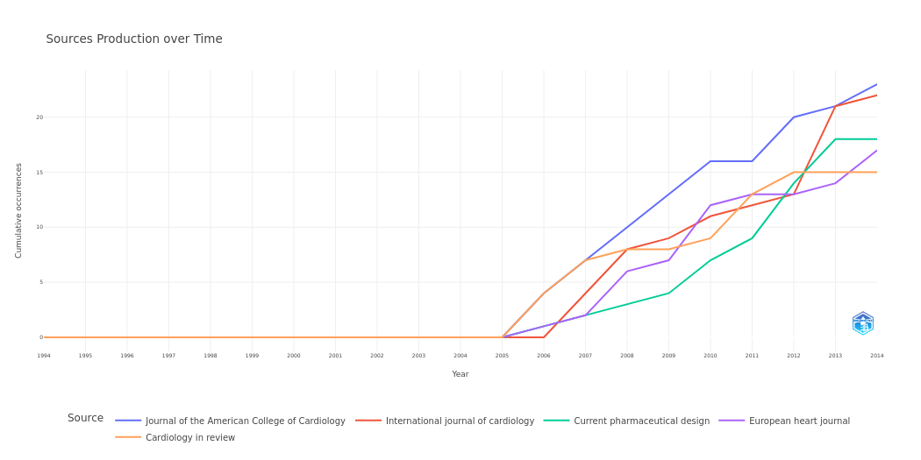
Year | Journal of the American College of Cardiology | International journal of cardiology | Current pharmaceutical design | European heart journal | Cardiology in review
1994 | 0 | 0 | 0 | 0 | 0
1995 | 0 | 0 | 0 | 0 | 0
1996 | 0 | 0 | 0 | 0 | 0
1997 | 0 | 0 | 0 | 0 | 0
1998 | 0 | 0 | 0 | 0 | 0
1999 | 0 | 0 | 0 | 0 | 0
2000 | 0 | 0 | 0 | 0 | 0
2001 | 0 | 0 | 0 | 0 | 0
2002 | 0 | 0 | 0 | 0 | 0
2003 | 0 | 0 | 0 | 0 | 0
2004 | 0 | 0 | 0 | 0 | 0
2005 | 0 | 0 | 0 | 0 | 0
2006 | 4 | 0 | 1 | 1 | 4
2007 | 7 | 4 | 2 | 2 | 7
2008 | 10 | 8 | 3 | 6 | 8
2009 | 13 | 9 | 4 | 7 | 8
2010 | 16 | 11 | 7 | 12 | 9
2011 | 16 | 12 | 9 | 13 | 13
2012 | 20 | 13 | 14 | 13 | 15
2013 | 21 | 21 | 18 | 14 | 15
2014 | 23 | 22 | 18 | 17 | 15

MostRelAuthors
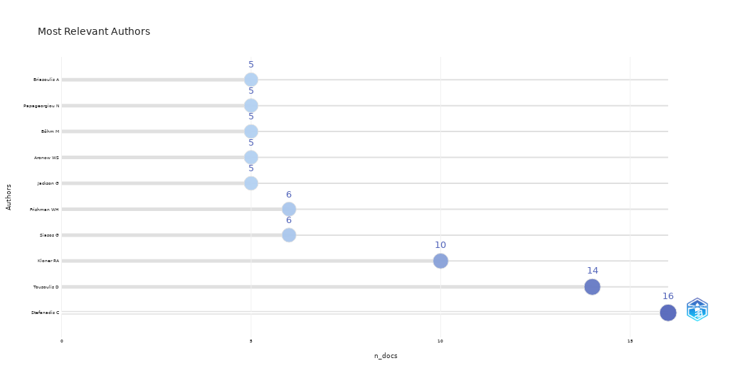
Authors | n_docs
Stefanadis C | 16
Tousoulis D | 14
Kloner RA | 10
Siasos G | 6
Frishman WH | 6
Jackson G | 5
Aronow WS | 5
Böhm M | 5
Papageorgiou N | 5
Briasoulis A | 5
Gheorghiade M | 4
Androulakis E | 4
Sellke FW | 4
Poldermans D | 4
Iozzo P | 4
Feringa HH | 4
Filippatos G | 4
Mukherjee D | 4
Travin MI | 4
Schwartz BG | 4
Bax JJ | 4
Moldovan C | 3
Montorsi P | 3
Niccoli G | 3
O'Keefe JH | 3
Dimmeler S | 3
Huang Y | 3
McPherson R | 3
Oikonomou E | 3
Higuchi T | 3
Dib N | 3
Chen C | 3
Mayosi BM | 3
Barkhausen J | 3
Lazzeri C | 3
Cohen MV | 3
Downey JM | 3
Zaręba W | 3
Hajjar RJ | 3
Antoniades C | 3
Giannopoulos G | 3
Deftereos S | 3
Bouras G | 3
McKelvie RS | 3
Nef HM | 3
Gensini GF | 3
Sharma R | 3
Tang WH | 3
Ruel M | 3
Shah S | 3
Akashi YJ | 3
Pibarot P | 3
Ferrari R | 3
Kumar A | 3
Mehran R | 3
Möllmann H | 3
Colao A | 3
Vavuranakis M | 3
De Luca L | 3
Singh S | 3
Little MP | 3
Regitz-Zagrosek V | 3
Brugts JJ | 3
Davies AH | 3
Fuster V | 3
Lip GY | 3
Perkovic V | 3
Schoenhagen P | 3
Yu CM | 3
Lippi G | 3
Kim RJ | 3
Wang AY | 3
Arora RR | 3
Vogiatzi G | 3
Kostis JB | 3
Camici PG | 3
Münzel T | 3
Metra M | 3
Latsios G | 3
Scheen AJ | 3
McCullough PA | 3
Kampoli AM | 3
Novo S | 3
Catapano AL | 3
Drezner J | 2
Yellon DM | 2
Simoons ML | 2
Cho L | 2
Radovanović G | 2
Al Suwaidi J | 2
Beohar N | 2
Ristić AD | 2
Balakumar P | 2
Seferović PM | 2
Cleland JG | 2
Covic A | 2
Goldsmith D | 2
Bugger H | 2
Ohlow MA | 2
Floras JS | 2
Denollet J | 2
Kasivisvanathan V | 2
Vural M | 2
Shalhoub J | 2
Pelliccia A | 2
Thapar A | 2
Nawarskas JJ | 2
Schwaiger M | 2
Kane GC | 2
Somers VK | 2
Ambrosio G | 2
Bode C | 2
Remaley AT | 2
Arora R | 2
Stewart FA | 2
Vojácek J | 2
Hoving S | 2
Russell NS | 2
Bakogiannis C | 2
Bath PM | 2
Maisch B | 2
Allen LA | 2
Celermajer DS | 2
Jahns R | 2
Sanders GD | 2
Sergienko VB | 2
Linke A | 2
Manfrini O | 2
Corrado D | 2
Thiene G | 2
Chua T | 2
Bugiardini R | 2
Davis AM | 2
Angiolillo DJ | 2
Holmes DR Jr | 2
Fazio G | 2
Kokkou E | 2
Chockalingam A | 2
Mazaris S | 2
Serebruany VL | 2
Basso C | 2
Kapur V | 2
Shaw LJ | 2
Schwarz ER | 2
Agnelli G | 2
Rao V | 2
Ross HJ | 2
Maulik N | 2
Mehra A | 2
Leri A | 2
Eikelboom JW | 2
Ukkonen H | 2
Schaefer A | 2
Kim DS | 2
Das MK | 2
Feldman T | 2
Goto S | 2
Ramsey M | 2
Vlachopoulos C | 2
Ganz P | 2
Nehra A | 2
Miner M | 2
Palatini P | 2
Onouchi Y | 2
De Caterina R | 2
Sabbah HN | 2
Merkle N | 2
Xie Y | 2
Young MJ | 2
Knuuti J | 2
Sowers JR | 2
Magalhães J | 2
Ascensão A | 2
Yao X | 2
Yung LM | 2
Leung FP | 2
van Veldhuisen DJ | 2
Guyatt G | 2
Saha SA | 2
Colombo A | 2
Tentolouris C | 2
Tsiamis E | 2
Tamargo J | 2
Caballero R | 2
Das DK | 2
Amorós I | 2
Delpón E | 2
Atar D | 2
Tissier R | 2
Liu Y | 2
Opie LH | 2
Alexander KP | 2
Eisenberg MJ | 2
Wiysonge CS | 2
Afilalo J | 2
Bradley HA | 2
Bell DS | 2
Selvanayagam JB | 2
Oh JK | 2
Pries A | 2
Barana A | 2
Ernst E | 2
Thompson-Coon J | 2
Pittler MH | 2
Wider B | 2
Wu G | 2
Crea F | 2
Alpert JS | 2
Senior R | 2
Capodanno D | 2
Erbs S | 2
Curtis AB | 2
Puranik R | 2
Fowkes FG | 2
Dumesnil JG | 2
Barrabés JA | 2
Wang H | 2
Tubbs RS | 2
Saeed M | 2
Elliott P | 2
Tapio S | 2
Paris F | 2
Hildebrandt G | 2
Wakeford R | 2
Tzoulaki I | 2
Tawn EJ | 2
Neal B | 2
Ferrucci L | 2
Hidalgo J | 2
McDermott MM | 2
Ninomiya T | 2
Loukas M | 2
Schwab JO | 2
Shaikh AY | 2
Kariori M | 2
Vrachatis D | 2
Kalogeras K | 2
Barrett-Connor E | 2
Davidoff AJ | 2
Maan A | 2
Cokkinos DV | 2
Rihal CS | 2
Halliburton SS | 2
Fisman EZ | 2
Tenenbaum A | 2
Semsarian C | 2
Dursunoğlu D | 2
Gopalan D | 2
Spaulding C | 2
Molnar J | 2
Angelidis C | 2
Anatoliotakis N | 2
De Hert SG | 2
Stone JA | 2
Ogawa H | 2
Kaikita K | 2
Scheller B | 2
Becher H | 2
Ferreira R | 2
Penna C | 2
Pagliaro P | 2
Keating GM | 2
Hill A | 2
Dursunoğlu N | 2
Boersma E | 2
Geraci SA | 2
Kaw R | 2
Hernandez AV | 2
Schuster A | 2
Manson JE | 2
Vanoverschelde JL | 2
Nagel E | 2
Lindholm B | 2
Baranchuk A | 2
Heusch G | 2
Schulz R | 2
Skyschally A | 2
Mansour M | 2
Cleman MW | 2
Pyrgakis V | 2
Kaoukis A | 2
Tarquini R | 2
Panagopoulou V | 2
Mensah GA | 2
Diem P | 2
Meier B | 2
Windecker S | 2
Allemann S | 2
Stettler C | 2
Waksman R | 2
Heist EK | 2
Gori T | 2
Ruskin JN | 2
...

AuthorProdOverTime
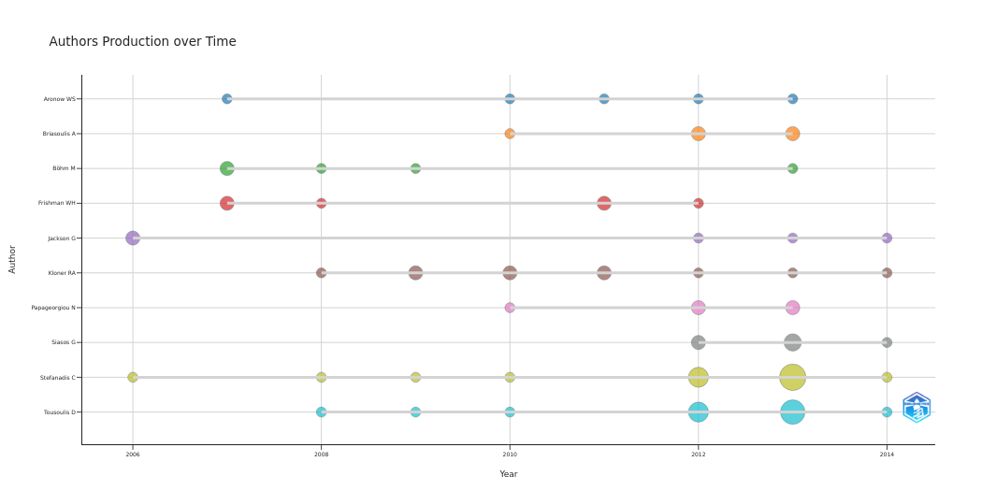
Production | TotalCitations | TCpY
2 | 0 | 0
1 | 0 | 0
1 | 0 | 0
2 | 0 | 0
2 | 0 | 0
1 | 0 | 0
1 | 0 | 0
1 | 0 | 0
1 | 0 | 0
1 | 0 | 0
1 | 0 | 0
2 | 0 | 0
1 | 0 | 0
1 | 0 | 0
1 | 0 | 0
1 | 0 | 0
2 | 0 | 0
1 | 0 | 0
1 | 0 | 0
1 | 0 | 0
1 | 0 | 0
2 | 0 | 0
2 | 0 | 0
1 | 0 | 0
2 | 0 | 0
1 | 0 | 0
1 | 0 | 0
1 | 0 | 0
2 | 0 | 0
2 | 0 | 0
4 | 0 | 0
4 | 0 | 0
1 | 0 | 0
2 | 0 | 0
1 | 0 | 0
1 | 0 | 0
...

LotkaLaw
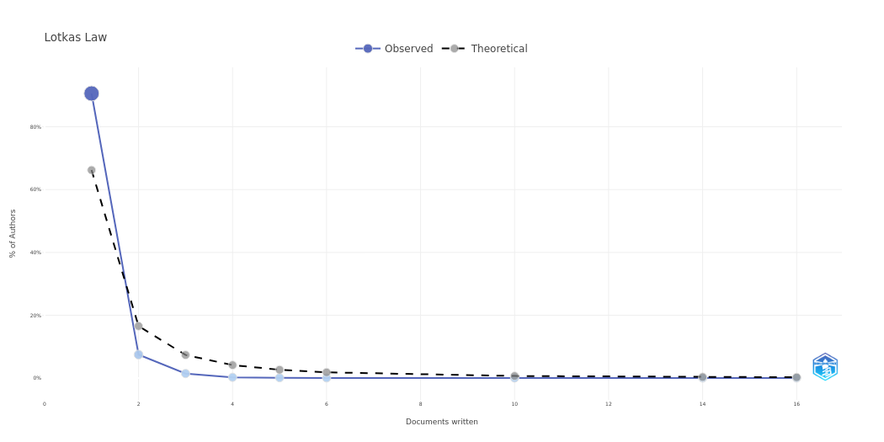
N.Articles | N.Authors | Freq | Theoretical
1 | 3955 | 0.90607101947 | 0.66207750745
2 | 326 | 0.074684994273 | 0.16551937686
3 | 63 | 0.014432989691 | 0.073564167495
4 | 11 | 0.002520045819 | 0.041379844216
5 | 5 | 0.0011454753723 | 0.026483100298
6 | 2 | 0.00045819014891 | 0.018391041874
10 | 1 | 0.00022909507446 | 0.0066207750745
14 | 1 | 0.00022909507446 | 0.0033779464666
16 | 1 | 0.00022909507446 | 0.0025862402635

MostRelAffiliations
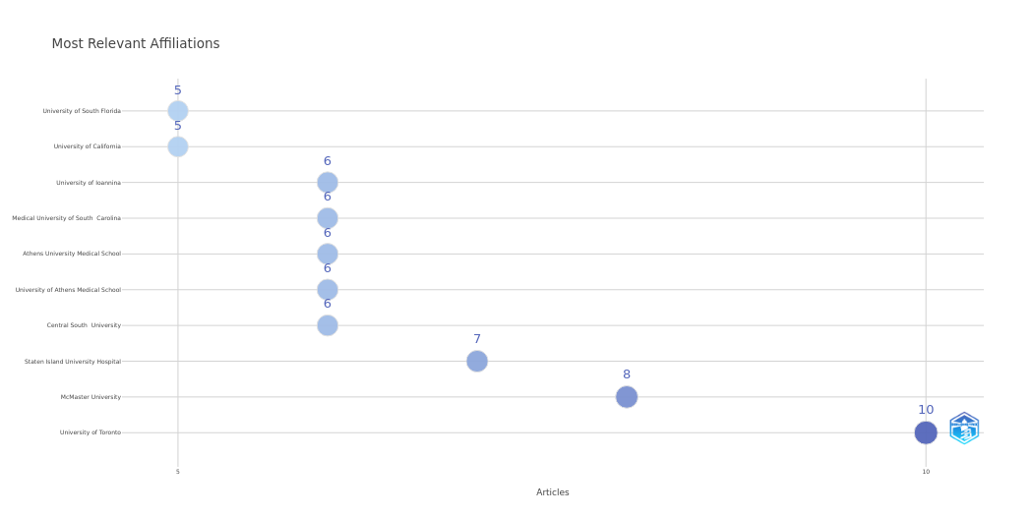
Affiliation | Articles
University of Toronto | 10
McMaster University | 8
Staten Island University Hospital | 7
Central South University | 6
University of Athens Medical School | 6
Athens University Medical School | 6
Medical University of South Carolina | 6
University of Ioannina | 6
University of California | 5
University of South Florida | 5

AffOverTime
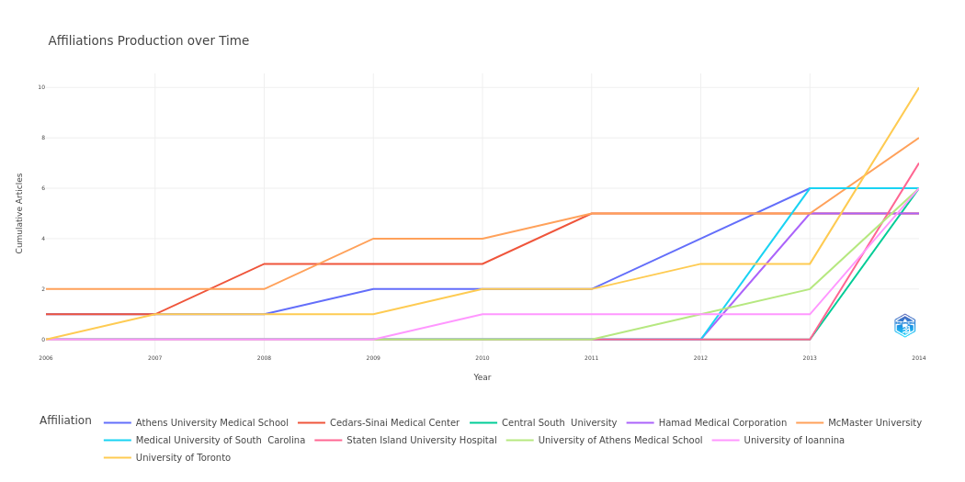
Affiliation | Year | Articles
Athens University Medical School | 2006 | 1
Athens University Medical School | 2007 | 1
Athens University Medical School | 2008 | 1
Athens University Medical School | 2009 | 2
Athens University Medical School | 2010 | 2
Athens University Medical School | 2011 | 2
Athens University Medical School | 2012 | 4
Athens University Medical School | 2013 | 6
Athens University Medical School | 2014 | 6
Cedars-Sinai Medical Center | 2006 | 1
Cedars-Sinai Medical Center | 2007 | 1
Cedars-Sinai Medical Center | 2008 | 3
Cedars-Sinai Medical Center | 2009 | 3
Cedars-Sinai Medical Center | 2010 | 3
Cedars-Sinai Medical Center | 2011 | 5
Cedars-Sinai Medical Center | 2012 | 5
Cedars-Sinai Medical Center | 2013 | 5
Cedars-Sinai Medical Center | 2014 | 5
Central South University | 2006 | 0
Central South University | 2007 | 0
Central South University | 2008 | 0
Central South University | 2009 | 0
Central South University | 2010 | 0
Central South University | 2011 | 0
Central South University | 2012 | 0
Central South University | 2013 | 0
Central South University | 2014 | 6
Hamad Medical Corporation | 2006 | 0
Hamad Medical Corporation | 2007 | 0
Hamad Medical Corporation | 2008 | 0
Hamad Medical Corporation | 2009 | 0
Hamad Medical Corporation | 2010 | 0
Hamad Medical Corporation | 2011 | 0
Hamad Medical Corporation | 2012 | 0
Hamad Medical Corporation | 2013 | 5
Hamad Medical Corporation | 2014 | 5
...

CorrAuthCountries
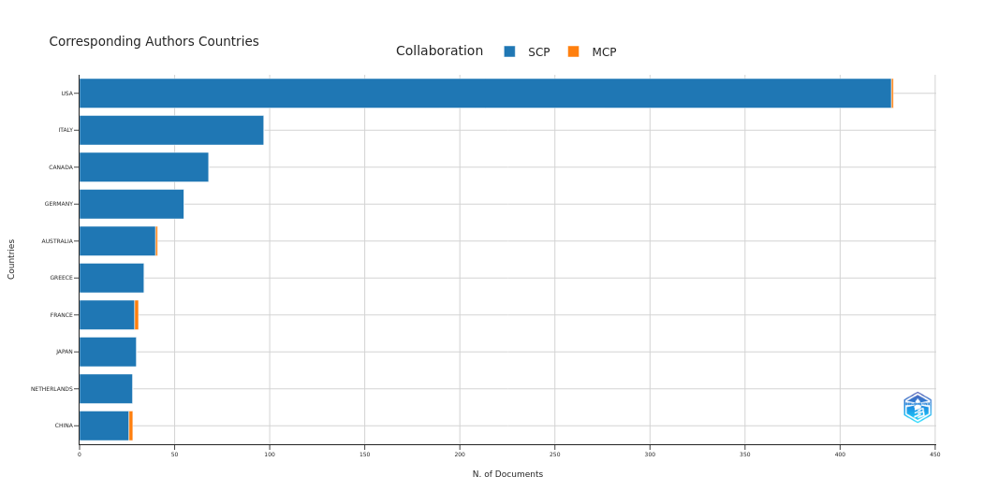
Articles | SCP | MCP | Article_Freq | MCP_Ratio
428 | 427 | 1 | 0.39483394834 | 0.0023364485981
97 | 97 | 0 | 0.089483394834 | 0
68 | 68 | 0 | 0.062730627306 | 0
55 | 55 | 0 | 0.05073800738 | 0
41 | 40 | 1 | 0.037822878229 | 0.024390243902
34 | 34 | 0 | 0.031365313653 | 0
31 | 29 | 2 | 0.028597785978 | 0.064516129032
30 | 30 | 0 | 0.027675276753 | 0
28 | 28 | 0 | 0.025830258303 | 0
28 | 26 | 2 | 0.025830258303 | 0.071428571429
21 | 20 | 1 | 0.019372693727 | 0.047619047619
20 | 20 | 0 | 0.018450184502 | 0
18 | 18 | 0 | 0.016605166052 | 0
16 | 16 | 0 | 0.014760147601 | 0
15 | 14 | 1 | 0.013837638376 | 0.066666666667
14 | 14 | 0 | 0.012915129151 | 0
11 | 11 | 0 | 0.010147601476 | 0
10 | 10 | 0 | 0.0092250922509 | 0
9 | 9 | 0 | 0.0083025830258 | 0
8 | 8 | 0 | 0.0073800738007 | 0
7 | 7 | 0 | 0.0064575645756 | 0
7 | 7 | 0 | 0.0064575645756 | 0
7 | 7 | 0 | 0.0064575645756 | 0
6 | 6 | 0 | 0.0055350553506 | 0
6 | 6 | 0 | 0.0055350553506 | 0
6 | 6 | 0 | 0.0055350553506 | 0
5 | 5 | 0 | 0.0046125461255 | 0
5 | 4 | 1 | 0.0046125461255 | 0.2
5 | 5 | 0 | 0.0046125461255 | 0
4 | 4 | 0 | 0.0036900369004 | 0
4 | 4 | 0 | 0.0036900369004 | 0
4 | 4 | 0 | 0.0036900369004 | 0
3 | 3 | 0 | 0.0027675276753 | 0
3 | 3 | 0 | 0.0027675276753 | 0
3 | 3 | 0 | 0.0027675276753 | 0
2 | 2 | 0 | 0.0018450184502 | 0
...

CountrySciProd
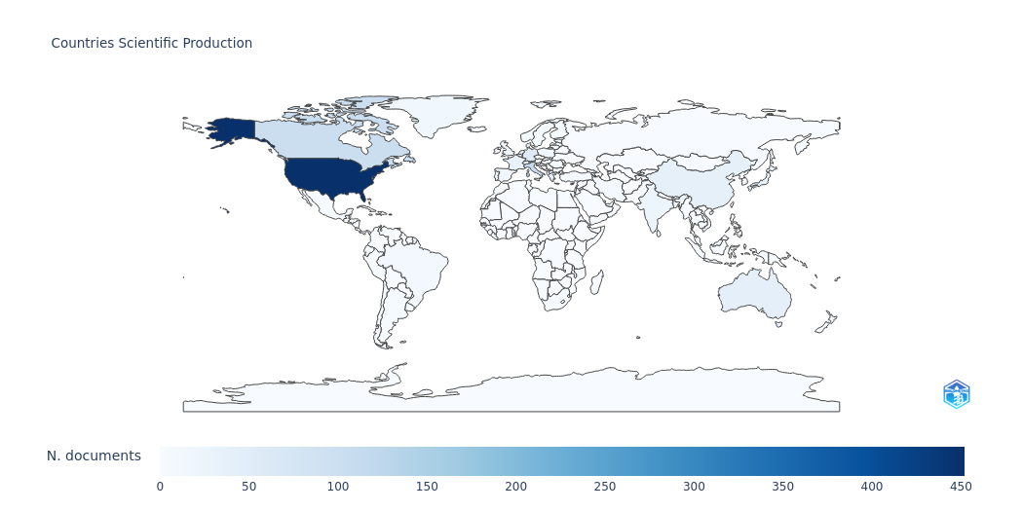
Nations | Freq
UNITED STATES OF AMERICA | 452
ITALY | 111
CANADA | 103
GERMANY | 57
GREECE | 42
AUSTRALIA | 42
CHINA | 39
FRANCE | 32
JAPAN | 32
NETHERLANDS | 31
INDIA | 22
SWITZERLAND | 20
UNITED KINGDOM | 18
POLAND | 17
SPAIN | 16
AUSTRIA | 15
DENMARK | 15
BRAZIL | 11
ISRAEL | 9
TURKEY | 8
PORTUGAL | 8
IRAN | 8
BELGIUM | 7
NEW ZEALAND | 7
NORWAY | 7
QATAR | 5
FINLAND | 5
CROATIA | 4
IRELAND | 4
SWEDEN | 4
ROMANIA | 4
ARGENTINA | 4
SOUTH AFRICA | 3
HUNGARY | 2
LITHUANIA | 2
CHILE | 2
...

CountryProdOverTime
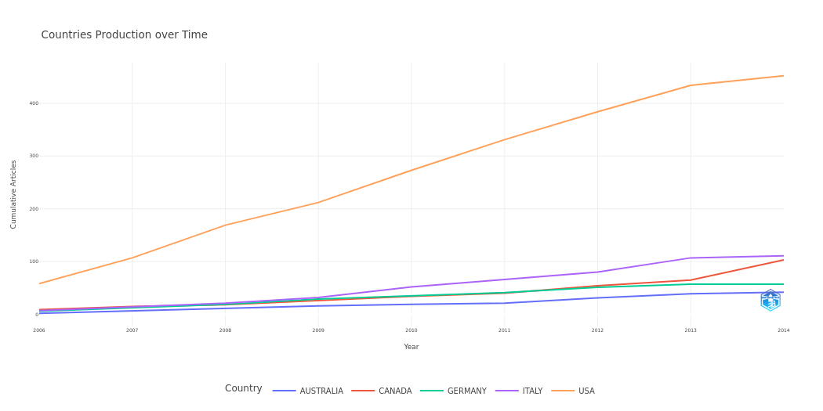
Country | Year | Articles
AUSTRALIA | 2006 | 2
AUSTRALIA | 2007 | 7
AUSTRALIA | 2008 | 11
AUSTRALIA | 2009 | 16
AUSTRALIA | 2010 | 19
AUSTRALIA | 2011 | 21
AUSTRALIA | 2012 | 31
AUSTRALIA | 2013 | 39
AUSTRALIA | 2014 | 42
CANADA | 2006 | 9
CANADA | 2007 | 15
CANADA | 2008 | 18
CANADA | 2009 | 26
CANADA | 2010 | 34
CANADA | 2011 | 40
CANADA | 2012 | 54
CANADA | 2013 | 65
CANADA | 2014 | 103
GERMANY | 2006 | 6
GERMANY | 2007 | 12
GERMANY | 2008 | 19
GERMANY | 2009 | 29
GERMANY | 2010 | 35
GERMANY | 2011 | 41
GERMANY | 2012 | 51
GERMANY | 2013 | 57
GERMANY | 2014 | 57
ITALY | 2006 | 7
ITALY | 2007 | 14
ITALY | 2008 | 21
ITALY | 2009 | 32
ITALY | 2010 | 52
ITALY | 2011 | 66
ITALY | 2012 | 80
ITALY | 2013 | 107
ITALY | 2014 | 111
...

MostFreqWords
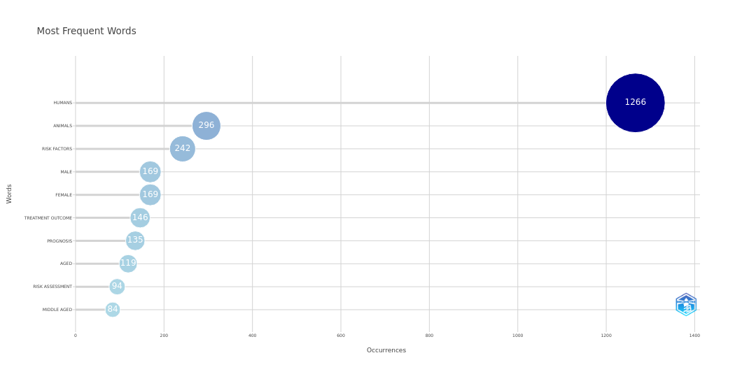
Words | Occurrences
HUMANS | 1266
ANIMALS | 296
RISK FACTORS | 242
MALE | 169
FEMALE | 169
TREATMENT OUTCOME | 146
PROGNOSIS | 135
AGED | 119
RISK ASSESSMENT | 94
MIDDLE AGED | 84
RANDOMIZED CONTROLLED TRIALS AS TOPIC | 82
ADULT | 78
TOMOGRAPHY | 70
ECHOCARDIOGRAPHY | 69
DIABETES MELLITUS | 62
CLINICAL TRIALS AS TOPIC | 59
ARRHYTHMIAS | 58
ELECTROCARDIOGRAPHY | 56
VENTRICULAR DYSFUNCTION | 56
PRACTICE GUIDELINES AS TOPIC | 55
DEATH | 54
SUDDEN | 51
PREDICTIVE VALUE OF TESTS | 51
CHILD | 48
EVIDENCE-BASED MEDICINE | 47
ACUTE DISEASE | 47
DRUG THERAPY | 46
ENDOTHELIUM | 46
ANGIOPLASTY | 46
BALLOON | 45
DISEASE PROGRESSION | 42
COMBINATION | 41
MODELS | 41
PREVALENCE | 40
VENTRICULAR FUNCTION | 39
CHRONIC DISEASE | 39
...

WordCloud
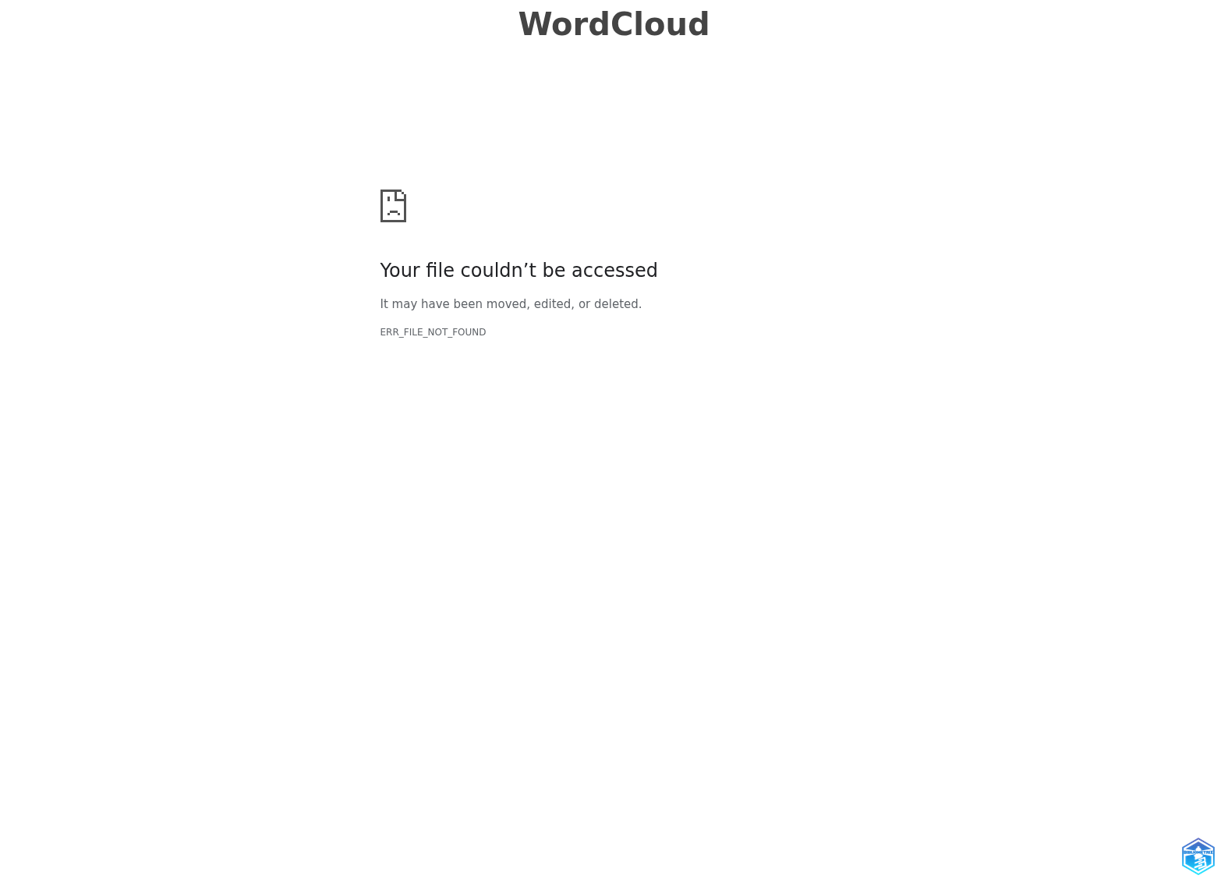
Words | Occurrences
Humans | 1266
Animals | 296
Risk factors | 242
Male | 169
Female | 169
Treatment outcome | 146
Prognosis | 135
Aged | 119
Risk assessment | 94
Middle aged | 84
Randomized controlled trials as topic | 82
Adult | 78
Tomography | 70
Echocardiography | 69
Diabetes mellitus | 62
Clinical trials as topic | 59
Arrhythmias | 58
Electrocardiography | 56
Ventricular dysfunction | 56
Practice guidelines as topic | 55
Death | 54
Sudden | 51
Predictive value of tests | 51
Child | 48
Evidence-based medicine | 47
Acute disease | 47
Drug therapy | 46
Endothelium | 46
Angioplasty | 46
Balloon | 45
Disease progression | 42
Combination | 41
Models | 41
Prevalence | 40
Ventricular function | 39
Chronic disease | 39
Severity of illness index | 38
Receptors | 37
Coronary circulation | 36
Time factors | 36
Differential | 34
Diagnosis | 34
Biomarkers/blood | 33
Animal | 33
Magnetic resonance imaging | 33
Disease models | 31
Cholesterol | 29
Heart defects | 29
Sleep apnea | 27
Natriuretic peptide | 27
Coronary angiography | 27
Clopidogrel | 26
Coronary artery bypass | 26
Signal transduction | 26
80 and over | 26
Incidence | 25
Mice | 25
Infant | 25
Cardiomyopathy | 25
Age factors | 25
Myocardium/pathology | 24
Stress | 24
Defibrillators | 24
Left | 24
Adrenergic beta-antagonists/therapeutic use | 24
Patient selection | 23
...

TreeMap
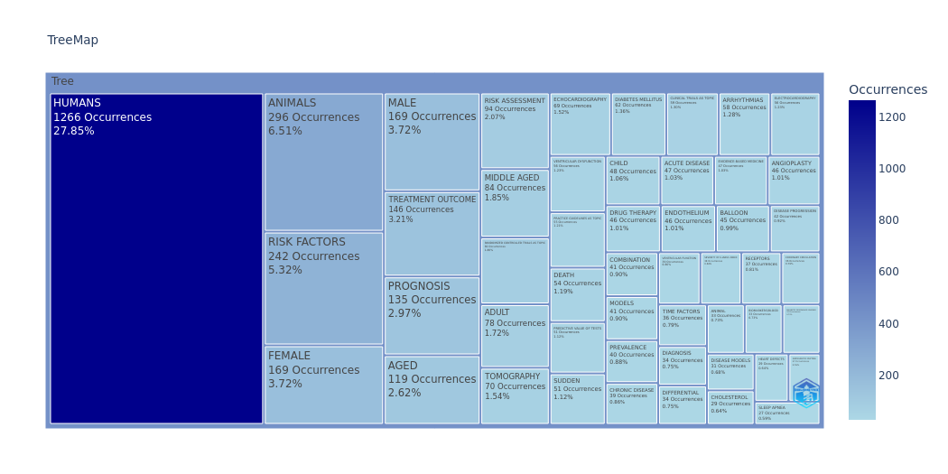
Words | Occurrences
HUMANS | 1266
ANIMALS | 296
RISK FACTORS | 242
MALE | 169
FEMALE | 169
TREATMENT OUTCOME | 146
PROGNOSIS | 135
AGED | 119
RISK ASSESSMENT | 94
MIDDLE AGED | 84
RANDOMIZED CONTROLLED TRIALS AS TOPIC | 82
ADULT | 78
TOMOGRAPHY | 70
ECHOCARDIOGRAPHY | 69
DIABETES MELLITUS | 62
CLINICAL TRIALS AS TOPIC | 59
ARRHYTHMIAS | 58
ELECTROCARDIOGRAPHY | 56
VENTRICULAR DYSFUNCTION | 56
PRACTICE GUIDELINES AS TOPIC | 55
DEATH | 54
SUDDEN | 51
PREDICTIVE VALUE OF TESTS | 51
CHILD | 48
EVIDENCE-BASED MEDICINE | 47
ACUTE DISEASE | 47
DRUG THERAPY | 46
ENDOTHELIUM | 46
ANGIOPLASTY | 46
BALLOON | 45
DISEASE PROGRESSION | 42
COMBINATION | 41
MODELS | 41
PREVALENCE | 40
VENTRICULAR FUNCTION | 39
CHRONIC DISEASE | 39
...

TrendTopics
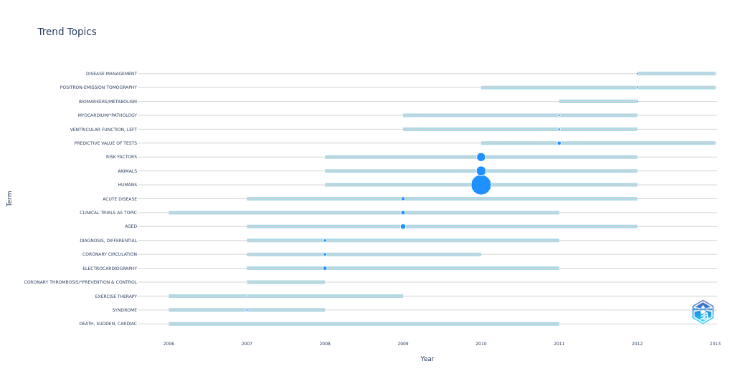
year_q1 | year_med | year_q3 | freq | item
2006 | 2006 | 2011 | 5 | DEATH, SUDDEN, CARDIAC
2006 | 2007 | 2008 | 17 | SYNDROME
2006 | 2007 | 2009 | 7 | EXERCISE THERAPY
2007 | 2007 | 2008 | 6 | CORONARY THROMBOSIS/*PREVENTION & CONTROL
2007 | 2008 | 2011 | 55 | ELECTROCARDIOGRAPHY
2007 | 2008 | 2010 | 36 | CORONARY CIRCULATION
2007 | 2008 | 2011 | 34 | DIAGNOSIS, DIFFERENTIAL
2007 | 2009 | 2012 | 93 | AGED
2006 | 2009 | 2011 | 59 | CLINICAL TRIALS AS TOPIC
2007 | 2009 | 2012 | 47 | ACUTE DISEASE
2008 | 2010 | 2012 | 1266 | HUMANS
2008 | 2010 | 2012 | 295 | ANIMALS
2008 | 2010 | 2012 | 242 | RISK FACTORS
2010 | 2011 | 2013 | 51 | PREDICTIVE VALUE OF TESTS
2009 | 2011 | 2012 | 20 | VENTRICULAR FUNCTION, LEFT
2009 | 2011 | 2012 | 17 | MYOCARDIUM/*PATHOLOGY
2011 | 2012 | 2012 | 15 | BIOMARKERS/METABOLISM
2010 | 2012 | 2013 | 14 | POSITRON-EMISSION TOMOGRAPHY
2012 | 2012 | 2013 | 14 | DISEASE MANAGEMENT

