Sheet1
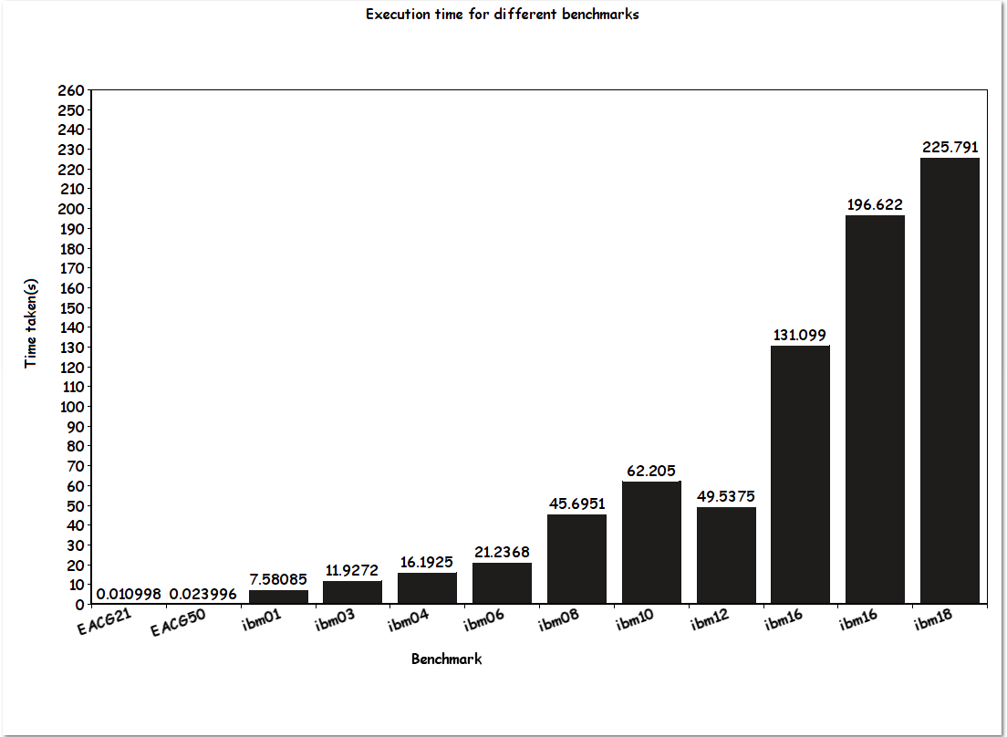
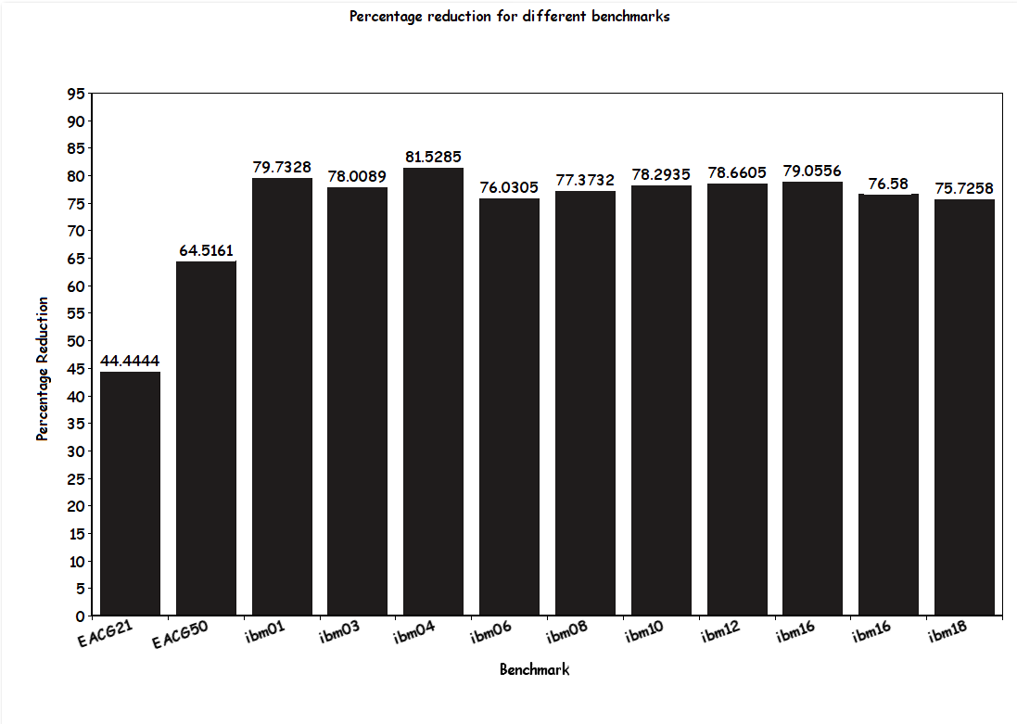
Benchmark | Time taken | Initial Cutset | Final Cutset | % reduction | Ratio cut
EACG21 | 0.010998 | 9 | 5 | 44.4444% | 20.192
EACG50 | 0.023996 | 31 | 11 | 64.5161% | 44.3743
ibm01 | 7.58085 | 9355 | 1896 | 79.7328% | 7584
ibm03 | 11.9272 | 17357 | 3817 | 78.0089% | 15335.7
ibm04 | 16.1925 | 20621 | 3809 | 81.5285% | 15243.9
ibm06 | 21.2368 | 22854 | 5478 | 76.0305 | 22119.4
ibm08 | 45.6951 | 33531 | 7587 | 77.3732% | 30607.6
ibm10 | 62.205 | 50653 | 10995 | 78.2935% | 44011.2
ibm12 | 49.5375 | 49973 | 10664 | 78.6605% | 43086.2
ibm14 | 131.099 | 101545 | 21268 | 79.0556% | 85073.1
ibm16 | 196.622 | 130098 | 30464 | 76.58% | 121935
ibm18 | 225.791 | 139127 | 33772 | 75.7258% | 135187

